TPS25948
TPS259480A | 0A variant -> auto-retry and always reverse current blocking

red = you must redo these manually each time you change system paramteres
Yellow = editable
Orange = calculated for you
Dark orange = calculated for you, intermediate value

Datasheet Parameters
R_ON | 0.0122 | Ω | = | 12.2 | mΩ
R_ON worst case | 0.020 | Ω | = | 20 | mΩ
FLTn goes low if: | overtemperature, persistent overcurrent
SPLYGD goes high if | EN>V_SD, no UVLO, no OVLO, no in-rush
Enable voltage on EN/UVLO pin | 5.0 | V
Min voltage on OVLO pin | 0.5 | V
Max voltage on OVLO pin | 1.5 | V
V_UVLO(F,falling) | 1.1 | V
V_UVLO(R,rising) | 1.2 | V
V_SD(F,falling) | 0.75 | V
V_OV(R,rising) | 1.2 | V
V_OV(F,falling) | 1.1 | V

I_dvdt | 5.3 | μA |  | dVdt pin charging current

t_SWOV | 85.3 | μs
t_SWRCB | 46.5 | μs
G_IMON | 133 | μA/A

Desired System Parameters
V_IN | 20 | V |  | ==>5.2
Overvoltage Threshold (V_OVLO) | 22 | V |  | ==>5.5
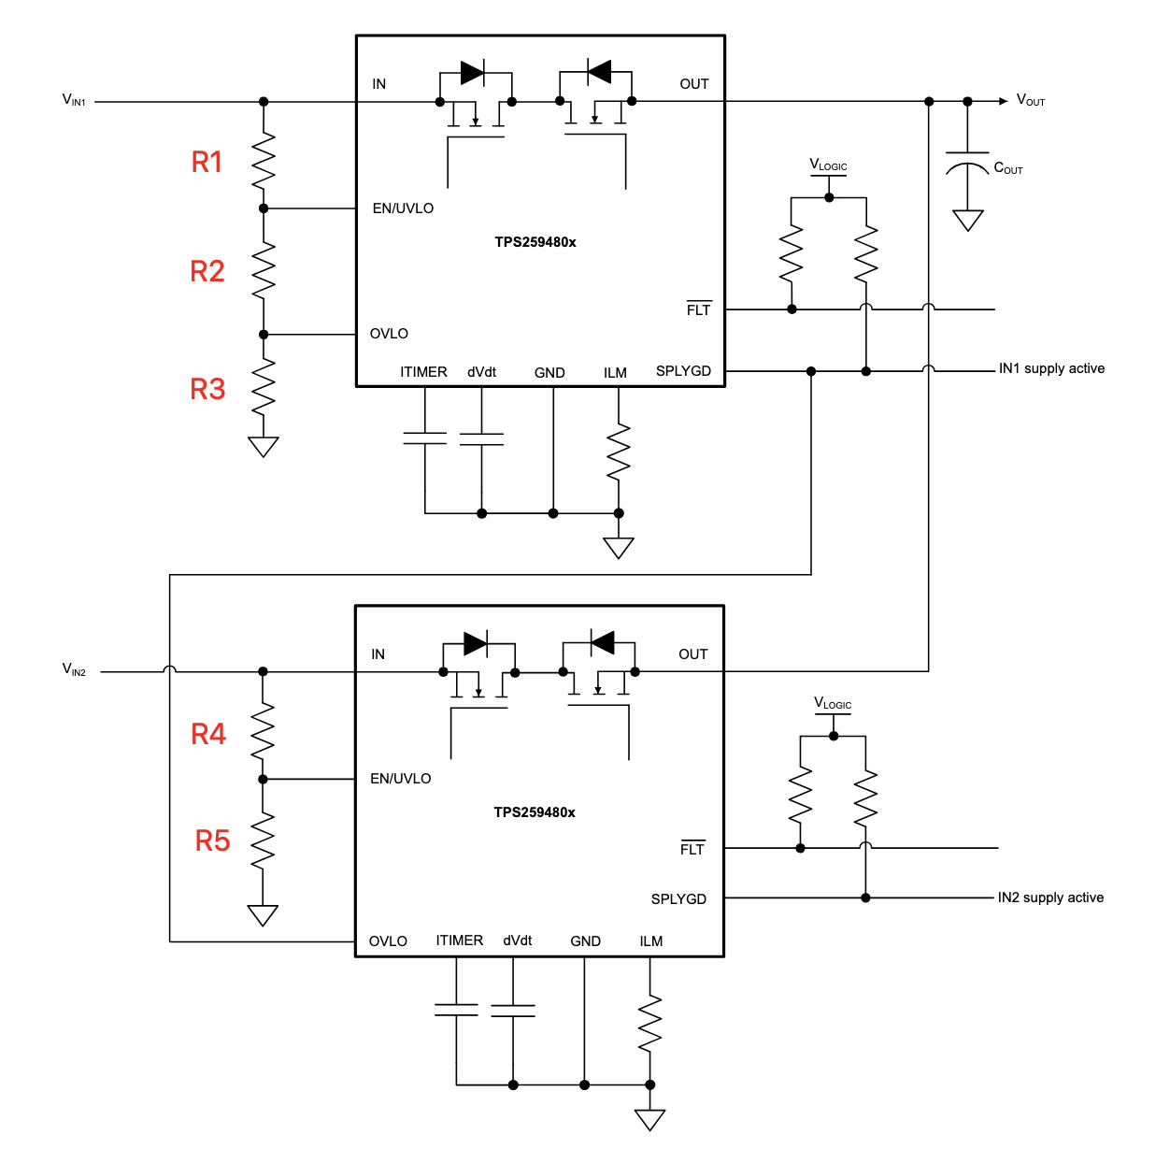
Undervoltage Threshold (V_UVLO) | 4.5 | V
Overcurrent Threshold (I_LIM) | 5 | A
C_OUT | 47 | uF
Output rise time (t_R) | 5 | ms
t_ITIMER | 1 | ms |  | time that overcurrent is allowed before current limiting kicks in, for transients

C_dvdt Calculation for Slew Rate
SRON | 4.0000 | V/ms |  | slew rate based on desired output rise time above
INRUSH current | 188.0 | mA | = | 0.188 | A
C_dvdt | 1.25 | nF |  | cap required to limit inrush current based on desired output rise time and C_OUT value
PD_INRUSH | 1.88 | W
Time to thermal shutdown | 10,000 | ms |  | get from datasheet figure 8-4 using PD_INRUSH
Is time to thermal shutdown > t_R? | ✅

R_ILM and C_ITIMER Calculation
R_ILM | 966.8 | Ω
R_ILM closest 1% E96 cap | 953 | Ω

C_ITIMER

R1, R2, R3 and R4, R5 Calculations
R1 | 470 | kΩ |  | 470k recommented in datasheet
(R2||R3) exact | 24.74 | kΩ
V_IN(UVLO(F)) exact | 22.000 | V |  | ✅ | 10mA tolerance; goal seeked by modifying R2 to set this cell to desired V_OVLO

R3
R1+R2+R3
V_IN(OV(F)) exact |  |  |  | ❌ | 10mA tolerance; goal seeked by modifying R2 to set this cell to desired V_OVLO

R2 exact | 20.000 | kΩ
R3 exact | 30.000 | kΩ
Check | 12.000 | kΩ

R2 E96 | 24.30
V_IN(OV) | 24.410 | V |  | ❌ | 50mA tolerance; keep trying different E96 values until this is ✅
R3

Voltage Drop

Min Current Scenario |  |  |  |  |  | Max Current Scenario
V_IN | 5.2 | V |  |  |  | 5.2 | V
Current | 0.05 | A | = | 50 | mA | 5 | A | = | 5000 | mA
V_drop | 0.001 | V | = | 1.0 | mV | 0.100 |  | = | 100.0 | mV
VOUT | 5.199 | V |  |  |  | 5.100 | V
Power disipation | 0.0001 | W | = | 0.1 | mW | 0.5000 |  | = | 500.0 | mW

