Trend_line
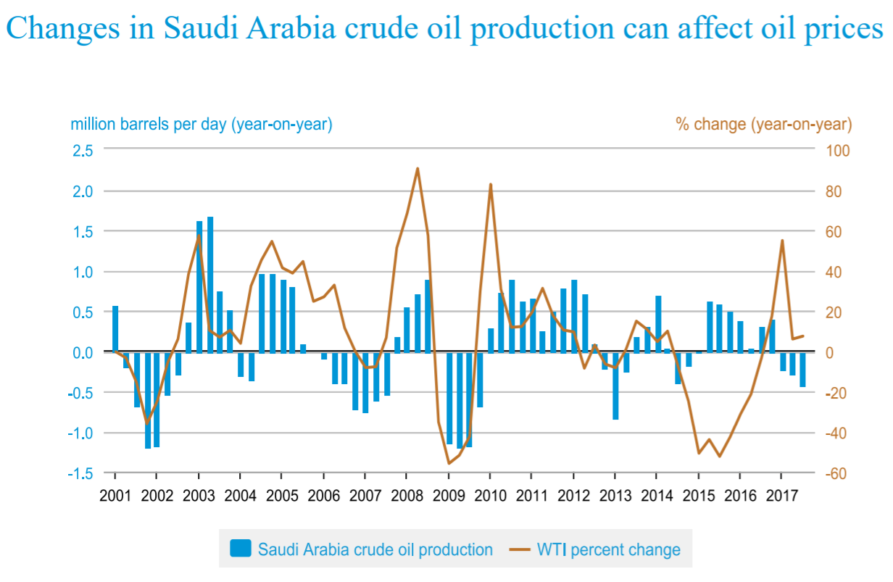
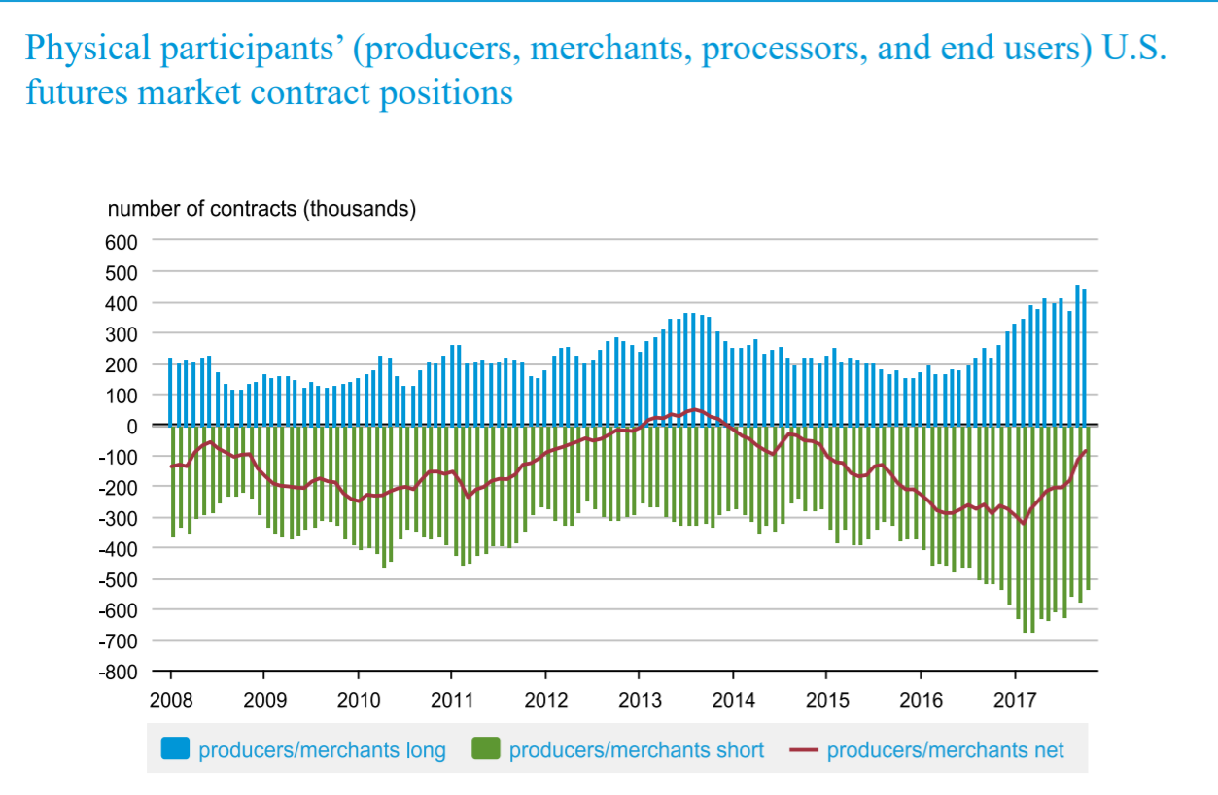
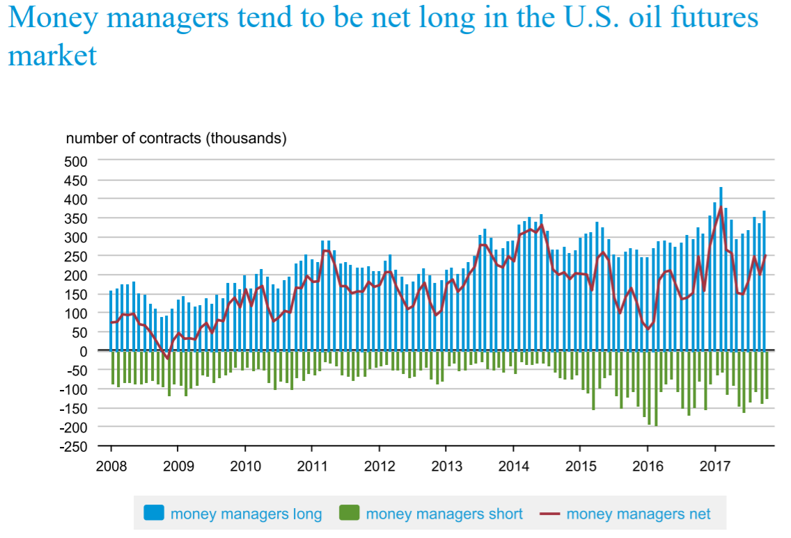
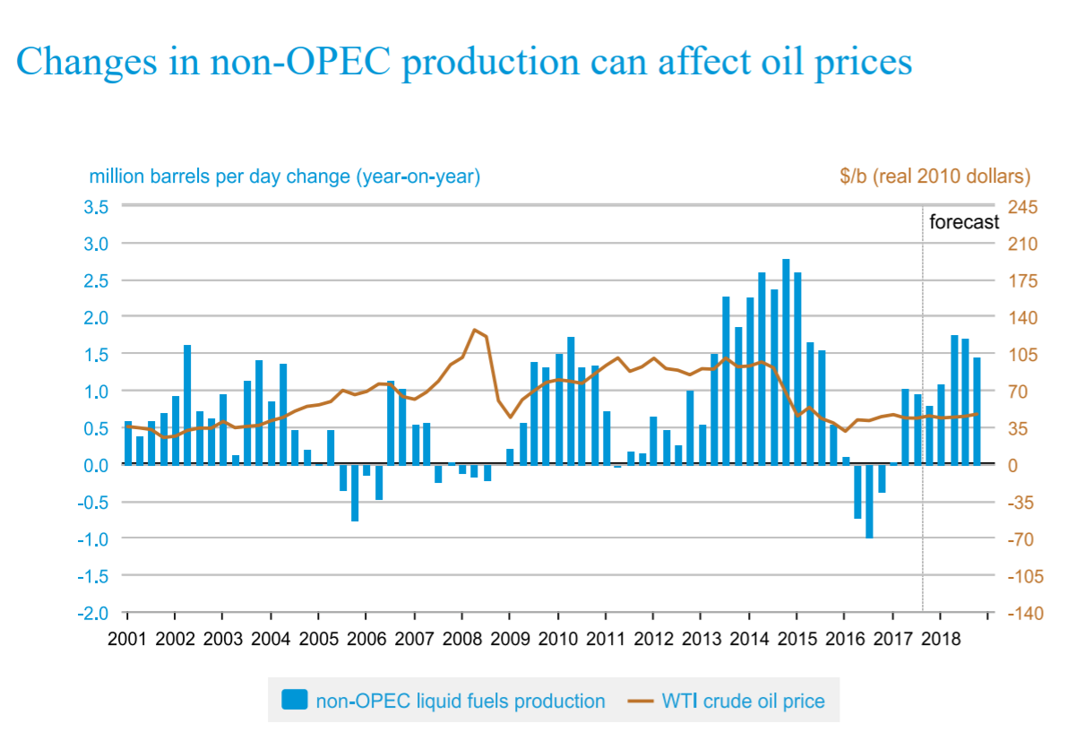
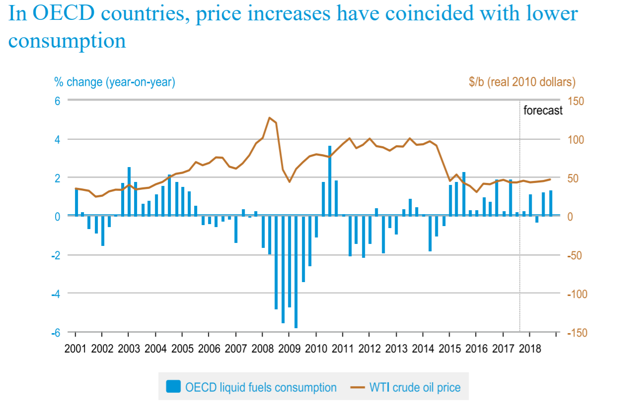
Oil Price with Moving Average
 | Oil price | Running Total | % Total |  |  | Oil price | Date | Price | Change | Gain | Loss | Av Gain | Av Loss | RS | RSI | 12 Day EMA | 26 Day EMA | MACD | Signal | Histogram
2014-01-21 | 94.51 | 94.51 | 0.40% |  |  | 94.51 | 2014-01-21 | 94.51
2014-01-22 | 96.35 | 190.86 | 0.41% |  |  | 96.35 | 2014-01-22 | 96.35 | 1.84 | 1.84 | 0
2014-01-23 | 97.23 | 288.09 | 0.42% |  |  | 97.23 | 2014-01-23 | 97.23 | 0.88 | 0.88 | 0
2014-01-24 | 96.66 | 384.75 | 0.41% | Min | 44.08 | 96.66 | 2014-01-24 | 96.66 | -0.57 | 0 | 0.57
2014-01-27 | 95.82 | 480.57 | 0.41% | Max | 107.95 | 95.82 | 2014-01-27 | 95.82 | -0.84 | 0 | 0.84
2014-01-28 | 97.49 | 578.06 | 0.42% | Average | 89.491455939 | 97.49 | 2014-01-28 | 97.49 | 1.67 | 1.67 | 0
2014-01-29 | 97.34 | 675.4 | 0.42% |  |  | 97.34 | 2014-01-29 | 97.34 | -0.15 | 0 | 0.15
2014-01-30 | 98.25 | 773.65 | 0.42% |  |  | 98.25 | 2014-01-30 | 98.25 | 0.91 | 0.91 | 0
2014-01-31 | 97.55 | 871.2 | 0.42% |  |  | 97.55 | 2014-01-31 | 97.55 | -0.7 | 0 | 0.7
2014-02-03 | 96.44 | 967.64 | 0.41% |  |  | 96.44 | 2014-02-03 | 96.44 | -1.11 | 0 | 1.11
2014-02-04 | 97.24 | 1064.88 | 0.42% |  |  | 97.24 | 2014-02-04 | 97.24 | 0.8 | 0.8 | 0
2014-02-05 | 97.4 | 1162.28 | 0.42% |  |  | 97.4 | 2014-02-05 | 97.4 | 0.16 | 0.16 | 0
2014-02-06 | 97.84 | 1260.12 | 0.42% |  |  | 97.84 | 2014-02-06 | 97.84 | 0.44 | 0.44 | 0
2014-02-07 | 99.98 | 1360.1 | 0.43% |  |  | 99.98 | 2014-02-07 | 99.98 | 2.14 | 2.14 | 0
2014-02-10 | 100.12 | 1460.22 | 0.43% |  |  | 100.12 | 2014-02-10 | 100.12 | 0.14 | 0.14 | 0 | 0.64142857143 | 0.24071428571 | 2.6646884273 | 72.712550607 | 97.6775
2014-02-11 | 99.96 | 1560.18 | 0.43% |  |  | 99.96 | 2014-02-11 | 99.96 | -0.16 | 0 | 0.16 | 0.51 | 0.25214285714 | 2.0226628895 | 66.916588566 | 97.9525
2014-02-12 | 100.38 | 1660.56 | 0.43% |  |  | 100.38 | 2014-02-12 | 100.38 | 0.42 | 0.42 | 0 | 0.47714285714 | 0.25214285714 | 1.8923512748 | 65.426052889 | 98.3325
2014-02-13 | 100.27 | 1760.83 | 0.43% |  |  | 100.27 | 2014-02-13 | 100.27 | -0.11 | 0 | 0.11 | 0.47714285714 | 0.21928571429 | 2.1758957655 | 68.512820513 | 98.564166667
2014-02-14 | 100.31 | 1861.14 | 0.43% |  |  | 100.31 | 2014-02-14 | 100.31 | 0.04 | 0.04 | 0 | 0.48 | 0.15928571429 | 3.0134529148 | 75.083798883 | 98.811666667
2014-02-18 | 102.54 | 1963.68 | 0.44% |  |  | 102.54 | 2014-02-18 | 102.54 | 2.23 | 2.23 | 0 | 0.52 | 0.15928571429 | 3.264573991 | 76.550998948 | 99.169166667
2014-02-19 | 103.46 | 2067.14 | 0.44% |  |  | 103.46 | 2014-02-19 | 103.46 | 0.92 | 0.92 | 0 | 0.58571428571 | 0.14857142857 | 3.9423076923 | 79.766536965 | 99.661666667
2014-02-20 | 103.2 | 2170.34 | 0.44% |  |  | 103.2 | 2014-02-20 | 103.2 | -0.26 | 0 | 0.26 | 0.52071428571 | 0.16714285714 | 3.1153846154 | 75.700934579 | 100.225
2014-02-21 | 102.53 | 2272.87 | 0.44% |  |  | 102.53 | 2014-02-21 | 102.53 | -0.67 | 0 | 0.67 | 0.52071428571 | 0.165 | 3.1558441558 | 75.9375 | 100.66583333
2014-02-24 | 103.17 | 2376.04 | 0.44% |  |  | 103.17 | 2014-02-24 | 103.17 | 0.64 | 0.64 | 0 | 0.56642857143 | 0.085714285714 | 6.6083333333 | 86.856516977 | 101.14666667
2014-02-25 | 102.2 | 2478.24 | 0.44% |  |  | 102.2 | 2014-02-25 | 102.2 | -0.97 | 0 | 0.97 | 0.50928571429 | 0.155 | 3.2857142857 | 76.666666667 | 101.51 | 99.1296 | 2.3804 | 0.47608 | 0.47608
2014-02-26 | 102.93 | 2581.17 | 0.44% |  |  | 102.93 | 2014-02-26 | 102.93 | 0.73 | 0.73 | 0 | 0.55 | 0.155 | 3.5483870968 | 78.014184397 | 101.75583333 | 62.480769231 | 0.21485716446 | 0.067505901225 | 0.14735126323
2014-02-27 | 102.68 | 2683.85 | 0.44% |  |  | 102.68 | 2014-02-27 | 102.68 | -0.25 | 0 | 0.25 | 0.51857142857 | 0.17285714286 | 3 | 75 | 101.96916667 | 62.490341954 | 0.19211130308 | 0.092426981597 | 0.099684321487
2014-02-28 | 102.88 | 2786.73 | 0.44% |  |  | 102.88 | 2014-02-28 | 102.88 | 0.2 | 0.2 | 0 | 0.38 | 0.17285714286 | 2.1983471074 | 68.733850129 | 102.2125 | 62.505872254 | 0.1792806561 | 0.1097977165 | 0.069482939605
2014-03-03 | 105.34 | 2892.07 | 0.45% |  |  | 105.34 | 2014-03-03 | 105.34 | 2.46 | 2.46 | 0 | 0.54571428571 | 0.17285714286 | 3.1570247934 | 75.944333996 | 102.62583333 | 62.50765942 | 0.1536236574 | 0.11856290468 | 0.035060752723
2014-03-04 | 103.64 | 2995.71 | 0.44% |  |  | 103.64 | 2014-03-04 | 103.64 | -1.7 | 0 | 1.7 | 0.54571428571 | 0.28285714286 | 1.9292929293 | 65.862068966 | 102.90666667 | 62.507092056 | 0.12937824067 | 0.12072597188 | 0.0086522687941
2014-03-05 | 101.75 | 3097.46 | 0.44% |  |  | 101.75 | 2014-03-05 | 101.75 | -1.89 | 0 | 1.89 | 0.51571428571 | 0.41785714286 | 1.2341880342 | 55.241009946 | 103.02666667 | 62.49175183 | 0.092953652171 | 0.11517150794 | -0.022217855765
2014-03-06 | 101.82 | 3199.28 | 0.44% |  |  | 101.82 | 2014-03-06 | 101.82 | 0.07 | 0.07 | 0 | 0.52071428571 | 0.41 | 1.2700348432 | 55.94781274 | 102.96666667 | 62.510140731 | 0.098456522695 | 0.11182851089 | -0.013371988193
Oil price with Linear Regression
2014-03-07 | 102.82 | 3302.1 | 0.44% |  |  | 102.82 | 2014-03-07 | 102.82 | 1 | 1 | 0 | 0.58928571429 | 0.41 | 1.43728223 | 58.970693352 | 102.91333333 | 62.543463566 | 0.11919549507 | 0.11330190772 | 0.0058935873447
2014-03-10 | 101.39 | 3403.49 | 0.43% |  |  | 101.39 | 2014-03-10 | 101.39 | -1.43 | 0 | 1.43 | 0.43 | 0.51214285714 | 0.83960948396 | 45.640636846 | 102.7625 | 62.615799598 | 0.17875806892 | 0.12639313996 | 0.052364928958
2014-03-11 | 100.29 | 3503.78 | 0.43% |  |  | 100.29 | 2014-03-11 | 100.29 | -1.1 | 0 | 1.1 | 0.36428571429 | 0.59071428571 | 0.61668681983 | 38.145100972 | 102.57583333 | 62.694629257 | 0.23615030691 | 0.14834457335 | 0.087805733558
2014-03-12 | 98.29 | 3602.07 | 0.42% |  |  | 98.29 | 2014-03-12 | 98.29 | -2 | 0 | 2 | 0.36428571429 | 0.715 | 0.50949050949 | 33.7524818 | 102.16916667 | 62.811323164 | 0.32548985169 | 0.18377362902 | 0.14171622267
2014-03-13 | 98.57 | 3700.64 | 0.42% |  |  | 98.57 | 2014-03-13 | 98.57 | 0.28 | 0.28 | 0 | 0.38428571429 | 0.66714285714 | 0.57601713062 | 36.548913043 | 101.86666667 | 63.031225078 | 0.51223193548 | 0.24946529031 | 0.26276664517
2014-03-14 | 99.23 | 3799.87 | 0.42% |  |  | 99.23 | 2014-03-14 | 99.23 | 0.66 | 0.66 | 0 | 0.38571428571 | 0.66714285714 | 0.57815845824 | 36.635006784 | 101.55833333 | 63.186689665 | 0.60085042351 | 0.31974231695 | 0.28110810656
2014-03-17 | 98.43 | 3898.3 | 0.42% |  |  | 98.43 | 2014-03-17 | 98.43 | -0.8 | 0 | 0.8 | 0.38571428571 | 0.655 | 0.58887677208 | 37.062457104 | 101.20416667 | 63.295083171 | 0.62514336515 | 0.38082252659 | 0.24432083856
2014-03-18 | 100.08 | 3998.38 | 0.43% |  |  | 100.08 | 2014-03-18 | 100.08 | 1.65 | 1.65 | 0 | 0.45142857143 | 0.655 | 0.68920392585 | 40.800516462 | 100.97083333 | 63.31618827 | 0.55169603036 | 0.41499722735 | 0.13669880302
2014-03-19 | 100.71 | 4099.09 | 0.43% |  |  | 100.71 | 2014-03-19 | 100.71 | 0.63 | 0.63 | 0 | 0.49642857143 | 0.63714285714 | 0.77914798206 | 43.793320731 | 100.585 | 63.305359361 | 0.45515781615 | 0.42302934511 | 0.032128471044
2014-03-20 | 99.68 | 4198.77 | 0.43% |  |  | 99.68 | 2014-03-20 | 99.68 | -1.03 | 0 | 1.03 | 0.48214285714 | 0.71071428571 | 0.6783919598 | 40.419161677 | 100.255 | 63.333110519 | 0.41501939971 | 0.42142735603 | -0.0064079563213
2014-03-21 | 99.97 | 4298.74 | 0.43% |  |  | 99.97 | 2014-03-21 | 99.97 | 0.29 | 0.29 | 0 | 0.32714285714 | 0.71071428571 | 0.46030150754 | 31.520991053 | 100.10666667 | 63.355842999 | 0.37565139366 | 0.41227216355 | -0.036620769892
2014-03-24 | 100.05 | 4398.79 | 0.43% |  |  | 100.05 | 2014-03-24 | 100.05 | 0.08 | 0.08 | 0 | 0.33285714286 | 0.58928571429 | 0.56484848485 | 36.096049574 | 99.959166667 | 63.36133611 | 0.32377452974 | 0.39457263679 | -0.070798107052
2014-03-25 | 99.66 | 4498.45 | 0.43% |  |  | 99.66 | 2014-03-25 | 99.66 | -0.39 | 0 | 0.39 | 0.33285714286 | 0.48214285714 | 0.69037037037 | 40.841367222 | 99.695833333 | 63.359755658 | 0.27226103772 | 0.37011031698 | -0.097849279254
2014-03-26 | 100.61 | 4599.06 | 0.43% |  |  | 100.61 | 2014-03-26 | 100.61 | 0.95 | 0.95 | 0 | 0.39571428571 | 0.48214285714 | 0.82074074074 | 45.077298617 | 99.630833333 | 63.411625461 | 0.28623451221 | 0.35333515602 | -0.067100643814
2014-03-27 | 101.25 | 4700.31 | 0.43% |  |  | 101.25 | 2014-03-27 | 101.25 | 0.64 | 0.64 | 0 | 0.37 | 0.48214285714 | 0.76740740741 | 43.419949707 | 99.710833333 | 63.45520876 | 0.28913429408 | 0.34049498363 | -0.051360689559
2014-03-28 | 101.73 | 4802.04 | 0.44% |  |  | 101.73 | 2014-03-28 | 101.73 | 0.48 | 0.48 | 0 | 0.40428571429 | 0.38 | 1.0639097744 | 51.548269581 | 99.9975 | 63.548897074 | 0.34554720244 | 0.3415054274 | 0.0040417750465
2014-03-31 | 101.57 | 4903.61 | 0.43% |  |  | 101.57 | 2014-03-31 | 101.57 | -0.16 | 0 | 0.16 | 0.40428571429 | 0.31285714286 | 1.2922374429 | 56.374501992 | 100.2475 | 63.624534328 | 0.37384159843 | 0.3479726616 | 0.025868936826
2014-04-01 | 99.69 | 5003.3 | 0.43% |  |  | 99.69 | 2014-04-01 | 99.69 | -1.88 | 0 | 1.88 | 0.40428571429 | 0.30428571429 | 1.3286384977 | 57.056451613 | 100.28583333 | 63.691605785 | 0.38855830641 | 0.35608979056 | 0.032468515848
2014-04-02 | 99.6 | 5102.9 | 0.43% |  |  | 99.6 | 2014-04-02 | 99.6 | -0.09 | 0 | 0.09 | 0.38428571429 | 0.31071428571 | 1.2367816092 | 55.29290853 | 100.38333333 | 63.752968097 | 0.3948625955 | 0.36384435155 | 0.031018243949
2014-04-03 | 100.29 | 5203.19 | 0.43% |  |  | 100.29 | 2014-04-03 | 100.29 | 0.69 | 0.69 | 0 | 0.38642857143 | 0.31071428571 | 1.2436781609 | 55.430327869 | 100.40083333 | 63.817192905 | 0.40327968131 | 0.3717314175 | 0.031548263803
2014-04-04 | 101.16 | 5304.35 | 0.43% |  |  | 101.16 | 2014-04-04 | 101.16 | 0.87 | 0.87 | 0 | 0.44857142857 | 0.25357142857 | 1.7690140845 | 63.886063072 | 100.43833333 | 63.867030319 | 0.39490771513 | 0.37636667703 | 0.018541038099
2014-04-07 | 100.43 | 5404.78 | 0.43% |  |  | 100.43 | 2014-04-07 | 100.43 | -0.73 | 0 | 0.73 | 0.33071428571 | 0.30571428571 | 1.0817757009 | 51.964085297 | 100.50083333 | 63.903546666 | 0.37347797849 | 0.37578893732 | -0.0023109588314
2014-04-08 | 102.57 | 5507.35 | 0.44% |  |  | 102.57 | 2014-04-08 | 102.57 | 2.14 | 2.14 | 0 | 0.43857142857 | 0.30571428571 | 1.4345794393 | 58.925143954 | 100.7175 | 63.956617506 | 0.37317303977 | 0.37526575781 | -0.002092718038
2014-04-09 | 103.55 | 5610.9 | 0.44% |  |  | 103.55 | 2014-04-09 | 103.55 | 0.98 | 0.98 | 0 | 0.50857142857 | 0.23214285714 | 2.1907692308 | 68.659594986 | 101.00916667 | 64.005757172 | 0.36868144346 | 0.37394889494 | -0.0052674514812
2014-04-10 | 103.37 | 5714.27 | 0.44% |  |  | 103.37 | 2014-04-10 | 103.37 | -0.18 | 0 | 0.18 | 0.48785714286 | 0.245 | 1.9912536443 | 66.56920078 | 101.31833333 | 64.022367974 | 0.32984977748 | 0.36512907145 | -0.035279293971
2014-04-11 | 103.68 | 5817.95 | 0.44% |  |  | 103.68 | 2014-04-11 | 103.68 | 0.31 | 0.31 | 0 | 0.50428571429 | 0.245 | 2.0583090379 | 67.302192564 | 101.57416667 | 64.019229606 | 0.27572387646 | 0.34724803245 | -0.071524155987
2014-04-14 | 104.05 | 5922 | 0.45% |  |  | 104.05 | 2014-04-14 | 104.05 | 0.37 | 0.37 | 0 | 0.53071428571 | 0.21714285714 | 2.4440789474 | 70.964660936 | 101.8075 | 64.087434968 | 0.30675674745 | 0.33914977545 | -0.032393028001
2014-04-15 | 103.7 | 6025.7 | 0.44% |  |  | 103.7 | 2014-04-15 | 103.7 | -0.35 | 0 | 0.35 | 0.46285714286 | 0.24214285714 | 1.9115044248 | 65.653495441 | 101.97166667 | 64.081699193 | 0.25338641278 | 0.32199710292 | -0.068610690136
2014-04-16 | 103.71 | 6129.41 | 0.44% |  |  | 103.71 | 2014-04-16 | 103.71 | 0.01 | 0.01 | 0 | 0.41785714286 | 0.24214285714 | 1.7256637168 | 63.311688312 | 102.15 | 64.094165919 | 0.22782959316 | 0.30316360097 | -0.075334007802
2014-04-17 | 104.33 | 6233.74 | 0.45% |  |  | 104.33 | 2014-04-17 | 104.33 | 0.62 | 0.62 | 0 | 0.42785714286 | 0.24214285714 | 1.7669616519 | 63.859275053 | 102.53666667 | 64.107190444 | 0.20680529753 | 0.28389194028 | -0.077086642747
2014-04-21 | 104.35 | 6338.09 | 0.45% |  |  | 104.35 | 2014-04-21 | 104.35 | 0.02 | 0.02 | 0 | 0.42928571429 | 0.23071428571 | 1.8606811146 | 65.043290043 | 102.9325 | 64.128880189 | 0.19834728474 | 0.26678300917 | -0.068435724429
2014-04-22 | 101.69 | 6439.78 | 0.44% |  |  | 101.69 | 2014-04-22 | 101.69 | -2.66 | 0 | 2.66 | 0.42928571429 | 0.28642857143 | 1.4987531172 | 59.98003992 | 103.04916667 | 64.192666693 | 0.23652547661 | 0.26073150266 | -0.024206026053
2014-04-23 | 101.47 | 6541.25 | 0.43% |  |  | 101.47 | 2014-04-23 | 101.47 | -0.22 | 0 | 0.22 | 0.42928571429 | 0.29571428571 | 1.4516908213 | 59.21182266 | 103.075 | 64.232469383 | 0.24300137648 | 0.25718547742 | -0.014184100943
2014-04-24 | 102.2 | 6643.45 | 0.44% |  |  | 102.2 | 2014-04-24 | 102.2 | 0.73 | 0.73 | 0 | 0.43214285714 | 0.29571428571 | 1.461352657 | 59.371933268 | 103.2225 | 64.284138317 | 0.26126001739 | 0.25800038542 | 0.0032596319743
2014-04-25 | 100.85 | 6744.3 | 0.43% |  |  | 100.85 | 2014-04-25 | 100.85 | -1.35 | 0 | 1.35 | 0.37 | 0.39214285714 | 0.94353369763 | 48.54732896 | 103.07916667 | 64.315683553 | 0.25503796093 | 0.25740790052 | -0.0023699395925
Oil price with Exponential Regression
2014-04-28 | 101.13 | 6845.43 | 0.43% |  |  | 101.13 | 2014-04-28 | 101.13 | 0.28 | 0.28 | 0 | 0.39 | 0.34 | 1.1470588235 | 53.424657534 | 102.8775 | 64.322670253 | 0.22332548978 | 0.25059141837 | -0.027265928589
2014-04-29 | 101.56 | 6946.99 | 0.43% |  |  | 101.56 | 2014-04-29 | 101.56 | 0.43 | 0.43 | 0 | 0.26785714286 | 0.34 | 0.78781512605 | 44.065804935 | 102.72666667 | 64.354324308 | 0.22305670481 | 0.24508447566 | -0.022027770846
2014-04-30 | 100.07 | 7047.06 | 0.43% |  |  | 100.07 | 2014-04-30 | 100.07 | -1.49 | 0 | 1.49 | 0.19785714286 | 0.44642857143 | 0.4432 | 30.709534368 | 102.42583333 | 64.375485396 | 0.211529153 | 0.23837341113 | -0.026844258125
2014-05-01 | 99.69 | 7146.75 | 0.43% |  |  | 99.69 | 2014-05-01 | 99.69 | -0.38 | 0 | 0.38 | 0.19785714286 | 0.46071428571 | 0.42945736434 | 30.043383948 | 102.0625 | 64.41211633 | 0.21843490411 | 0.23438570973 | -0.015950805611
2014-05-02 | 100.09 | 7246.84 | 0.43% |  |  | 100.09 | 2014-05-02 | 100.09 | 0.4 | 0.4 | 0 | 0.20428571429 | 0.46071428571 | 0.44341085271 | 30.719656284 | 101.76166667 | 64.450478083 | 0.22614219169 | 0.23273700612 | -0.0065948144276
2014-05-05 | 99.74 | 7346.58 | 0.43% |  |  | 99.74 | 2014-05-05 | 99.74 | -0.35 | 0 | 0.35 | 0.17785714286 | 0.48571428571 | 0.36617647059 | 26.803013994 | 101.43083333 | 64.432664818 | 0.17216756866 | 0.22062311863 | -0.048455549966
2014-05-06 | 99.81 | 7446.39 | 0.43% |  |  | 99.81 | 2014-05-06 | 99.81 | 0.07 | 0.07 | 0 | 0.18285714286 | 0.46071428571 | 0.39689922481 | 28.412874584 | 101.05416667 | 64.476911794 | 0.19333084043 | 0.21516466299 | -0.021833822554
2014-05-07 | 101.06 | 7547.45 | 0.43% |  |  | 101.06 | 2014-05-07 | 101.06 | 1.25 | 1.25 | 0 | 0.27142857143 | 0.46071428571 | 0.58914728682 | 37.073170732 | 100.78 | 64.506029661 | 0.19494533723 | 0.21112079784 | -0.016175460606
2014-05-08 | 100.52 | 7647.97 | 0.43% |  |  | 100.52 | 2014-05-08 | 100.52 | -0.54 | 0 | 0.54 | 0.22714285714 | 0.49928571429 | 0.45493562232 | 31.268436578 | 100.6825 | 64.541138798 | 0.20276358586 | 0.20944935544 | -0.006685769578
2014-05-09 | 100.32 | 7748.29 | 0.43% |  |  | 100.32 | 2014-05-09 | 100.32 | -0.2 | 0 | 0.2 | 0.22571428571 | 0.51357142857 | 0.43949930459 | 30.531400966 | 100.58666667 | 64.582535776 | 0.21615054891 | 0.21078959414 | 0.005360954778
2014-05-12 | 100.89 | 7849.18 | 0.43% |  |  | 100.89 | 2014-05-12 | 100.89 | 0.57 | 0.57 | 0 | 0.26642857143 | 0.32357142857 | 0.8233995585 | 45.157384988 | 100.4775 | 64.634940607 | 0.23933259063 | 0.21649819344 | 0.022834397197
2014-05-13 | 102.01 | 7951.19 | 0.44% |  |  | 102.01 | 2014-05-13 | 102.01 | 1.12 | 1.12 | 0 | 0.34642857143 | 0.30785714286 | 1.1252900232 | 52.947598253 | 100.57416667 | 64.696796932 | 0.26912669636 | 0.22702389402 | 0.042102802339
2014-05-14 | 102.63 | 8053.82 | 0.44% |  |  | 102.63 | 2014-05-14 | 102.63 | 0.62 | 0.62 | 0 | 0.33857142857 | 0.30785714286 | 1.0997679814 | 52.375690608 | 100.69916667 | 64.771848937 | 0.30854782539 | 0.24332868029 | 0.065219145095
2014-05-15 | 101.74 | 8155.56 | 0.44% |  |  | 101.74 | 2014-05-15 | 101.74 | -0.89 | 0 | 0.89 | 0.33857142857 | 0.275 | 1.2311688312 | 55.180442375 | 100.71416667 | 64.852452794 | 0.34788308232 | 0.2642395607 | 0.083643521618
2014-05-16 | 102.31 | 8257.87 | 0.44% |  |  | 102.31 | 2014-05-16 | 102.31 | 0.57 | 0.57 | 0 | 0.35928571429 | 0.275 | 1.3064935065 | 56.644144144 | 100.90083333 | 64.90412318 | 0.3500076388 | 0.28139317632 | 0.068614462481
2014-05-19 | 102.95 | 8360.82 | 0.44% |  |  | 102.95 | 2014-05-19 | 102.95 | 0.64 | 0.64 | 0 | 0.37428571429 | 0.275 | 1.361038961 | 57.645764576 | 101.1725 | 64.965299463 | 0.36204246068 | 0.29752303319 | 0.064519427485
2014-05-20 | 102.8 | 8463.62 | 0.44% |  |  | 102.8 | 2014-05-20 | 102.8 | -0.15 | 0 | 0.15 | 0.37428571429 | 0.17928571429 | 2.0876494024 | 67.612903226 | 101.39833333 | 65.009351206 | 0.35378395974 | 0.3087752185 | 0.045008741242
2014-05-21 | 104.31 | 8567.93 | 0.45% |  |  | 104.31 | 2014-05-21 | 104.31 | 1.51 | 1.51 | 0 | 0.48214285714 | 0.15214285714 | 3.1690140845 | 76.013513514 | 101.77916667 | 65.06273282 | 0.35684355064 | 0.31838888493 | 0.03845466571
2014-05-22 | 104.03 | 8671.96 | 0.45% |  |  | 104.03 | 2014-05-22 | 104.03 | -0.28 | 0 | 0.28 | 0.45357142857 | 0.17214285714 | 2.6348547718 | 72.488584475 | 102.13083333 | 65.108456315 | 0.35118522954 | 0.32494815385 | 0.026237075688
2014-05-23 | 105.01 | 8776.97 | 0.45% |  |  | 105.01 | 2014-05-23 | 105.01 | 0.98 | 0.98 | 0 | 0.52357142857 | 0.14714285714 | 3.5582524272 | 78.061767838 | 102.46 | 65.139681699 | 0.33078406937 | 0.32611533695 | 0.0046687324125
2014-05-27 | 104.78 | 8881.75 | 0.45% |  |  | 104.78 | 2014-05-27 | 104.78 | -0.23 | 0 | 0.23 | 0.51857142857 | 0.16357142857 | 3.1703056769 | 76.020942408 | 102.815 | 65.164890684 | 0.30704235049 | 0.32230073966 | -0.01525838917
2014-05-28 | 103.37 | 8985.12 | 0.44% |  |  | 103.37 | 2014-05-28 | 103.37 | -1.41 | 0 | 1.41 | 0.42928571429 | 0.26428571429 | 1.6243243243 | 61.894953656 | 103.06916667 | 65.169713819 | 0.26499921063 | 0.31084043385 | -0.045841223227
2014-05-29 | 104.26 | 9089.38 | 0.45% |  |  | 104.26 | 2014-05-29 | 104.26 | 0.89 | 0.89 | 0 | 0.49285714286 | 0.22571428571 | 2.1835443038 | 68.588469185 | 103.35 | 65.153438499 | 0.20670283369 | 0.29001291382 | -0.083310080132
2014-05-30 | 103.4 | 9192.78 | 0.44% |  |  | 103.4 | 2014-05-30 | 103.4 | -0.86 | 0 | 0.86 | 0.49285714286 | 0.27285714286 | 1.8062827225 | 64.365671642 | 103.46583333 | 65.177628462 | 0.20095312716 | 0.27220095649 | -0.071247829332
2014-06-02 | 103.07 | 9295.85 | 0.44% |  |  | 103.07 | 2014-06-02 | 103.07 | -0.33 | 0 | 0.33 | 0.45214285714 | 0.29642857143 | 1.5253012048 | 60.400763359 | 103.5025 | 65.193359613 | 0.18697850093 | 0.25515646538 | -0.068177964445
2014-06-03 | 103.34 | 9399.19 | 0.44% |  |  | 103.34 | 2014-06-03 | 103.34 | 0.27 | 0.27 | 0 | 0.39142857143 | 0.29642857143 | 1.3204819277 | 56.905503634 | 103.63583333 | 65.181999716 | 0.1459788422 | 0.23332094074 | -0.087342098543
2014-06-04 | 103.27 | 9502.46 | 0.44% |  |  | 103.27 | 2014-06-04 | 103.27 | -0.07 | 0 | 0.07 | 0.34714285714 | 0.30142857143 | 1.1516587678 | 53.524229075 | 103.71583333 | 65.205555292 | 0.14888810282 | 0.21643437316 | -0.067546270334
2014-06-05 | 103.17 | 9605.63 | 0.44% |  |  | 103.17 | 2014-06-05 | 103.17 | -0.1 | 0 | 0.1 | 0.34714285714 | 0.245 | 1.416909621 | 58.624849216 | 103.73416667 | 65.294032826 | 0.22126573889 | 0.21740064631 | 0.0038650925885
2014-06-06 | 103.32 | 9708.95 | 0.44% |  |  | 103.32 | 2014-06-06 | 103.32 | 0.15 | 0.15 | 0 | 0.31714285714 | 0.245 | 1.2944606414 | 56.416772554 | 103.7775 | 65.45965995 | 0.36559252796 | 0.24703902264 | 0.11855350533
2014-06-09 | 105.09 | 9814.04 | 0.45% |  |  | 105.09 | 2014-06-09 | 105.09 | 1.77 | 1.77 | 0 | 0.39785714286 | 0.245 | 1.6239067055 | 61.888888889 | 103.8425 | 65.641907213 | 0.50561380683 | 0.29875397948 | 0.20685982736
2014-06-10 | 105.02 | 9919.06 | 0.45% |  |  | 105.02 | 2014-06-10 | 105.02 | -0.07 | 0 | 0.07 | 0.39785714286 | 0.23928571429 | 1.6626865672 | 62.443946188 | 103.925 | 65.803988309 | 0.6023759392 | 0.35947837142 | 0.24289756778
2014-06-11 | 105.04 | 10024.1 | 0.45% |  |  | 105.04 | 2014-06-11 | 105.04 | 0.02 | 0.02 | 0 | 0.29142857143 | 0.23928571429 | 1.2179104478 | 54.912516824 | 103.9275 | 65.986655619 | 0.70642135984 | 0.4288669691 | 0.27755439073
2014-06-12 | 107.2 | 10131.3 | 0.46% |  |  | 107.2 | 2014-06-12 | 107.2 | 2.16 | 2.16 | 0 | 0.44571428571 | 0.21928571429 | 2.0325732899 | 67.024704619 | 104.12916667 | 66.16986624 | 0.79504489613 | 0.50210255451 | 0.29294234162
2014-06-13 | 107.49 | 10238.79 | 0.46% |  |  | 107.49 | 2014-06-13 | 107.49 | 0.29 | 0.29 | 0 | 0.39642857143 | 0.21928571429 | 1.8078175896 | 64.385150812 | 104.4725 | 66.409876444 | 0.9312028246 | 0.58792260853 | 0.34328021607
2014-06-16 | 107.52 | 10346.31 | 0.46% |  |  | 107.52 | 2014-06-16 | 107.52 | 0.03 | 0.03 | 0 | 0.39857142857 | 0.20285714286 | 1.9647887324 | 66.270783848 | 104.74416667 | 66.623959893 | 1.0184922577 | 0.67403653837 | 0.34445571937
2014-06-17 | 106.95 | 10453.26 | 0.46% |  |  | 106.95 | 2014-06-17 | 106.95 | -0.57 | 0 | 0.57 | 0.39857142857 | 0.14285714286 | 2.79 | 73.614775726 | 105.04 | 66.805888938 | 1.0577247281 | 0.75077417631 | 0.30695055175
2014-06-18 | 106.64 | 10559.9 | 0.46% |  |  | 106.64 | 2014-06-18 | 106.64 | -0.31 | 0 | 0.31 | 0.335 | 0.165 | 2.0303030303 | 67 | 105.3375 | 66.954341461 | 1.0548697948 | 0.81159330001 | 0.24327649479
2014-06-19 | 107.08 | 10666.98 | 0.46% |  |  | 107.08 | 2014-06-19 | 107.08 | 0.44 | 0.44 | 0 | 0.36642857143 | 0.10357142857 | 3.5379310345 | 77.963525836 | 105.64916667 | 67.105871723 | 1.0557685702 | 0.86042835405 | 0.19534021617
Oil Price Moving Average
2014-06-20 | 107.95 | 10774.93 | 0.46% |  |  | 107.95 | 2014-06-20 | 107.95 | 0.87 | 0.87 | 0 | 0.42857142857 | 0.08 | 5.3571428571 | 84.269662921 | 106.03916667 | 67.241733225 | 1.0396550231 | 0.89627368786 | 0.14338133524
2014-06-23 | 106.83 | 10881.76 | 0.46% |  |  | 106.83 | 2014-06-23 | 106.83 | -1.12 | 0 | 1.12 | 0.40928571429 | 0.16 | 2.5580357143 | 71.894604768 | 106.34416667 | 67.374938245 | 1.0231596569 | 0.92165088166 | 0.1015087752
2014-06-24 | 106.64 | 10988.4 | 0.46% |  |  | 106.64 | 2014-06-24 | 106.64 | -0.19 | 0 | 0.19 | 0.40928571429 | 0.16857142857 | 2.4279661017 | 70.828182942 | 106.62083333 | 67.518276005 | 1.02011422 | 0.94134354933 | 0.078770670662
2014-06-25 | 107.04 | 11095.44 | 0.46% |  |  | 107.04 | 2014-06-25 | 107.04 | 0.4 | 0.4 | 0 | 0.43785714286 | 0.16142857143 | 2.7123893805 | 73.063170441 | 106.78333333 | 67.588033264 | 0.93829677264 | 0.94073419399 | -0.0024374213526
2014-06-26 | 106.49 | 11201.93 | 0.46% |  |  | 106.49 | 2014-06-26 | 106.49 | -0.55 | 0 | 0.55 | 0.42714285714 | 0.20071428571 | 2.128113879 | 68.03185438 | 106.90583333 | 67.646697244 | 0.85712001733 | 0.92401135866 | -0.066891341327
2014-06-27 | 106.46 | 11308.39 | 0.46% |  |  | 106.46 | 2014-06-27 | 106.46 | -0.03 | 0 | 0.03 | 0.30071428571 | 0.20285714286 | 1.4823943662 | 59.716312057 | 107.02416667 | 67.704719671 | 0.78774108919 | 0.89675730476 | -0.10901621558
2014-06-30 | 106.07 | 11414.46 | 0.45% |  |  | 106.07 | 2014-06-30 | 106.07 | -0.39 | 0 | 0.39 | 0.30071428571 | 0.22571428571 | 1.332278481 | 57.123473541 | 106.93 | 67.831037028 | 0.80258422994 | 0.8779226898 | -0.075338459861
2014-07-01 | 106.06 | 11520.52 | 0.45% |  |  | 106.06 | 2014-07-01 | 106.06 | -0.01 | 0 | 0.01 | 0.29928571429 | 0.22642857143 | 1.3217665615 | 56.929347826 | 106.81083333 | 67.805034508 | 0.6511070185 | 0.83255955554 | -0.18145253704
2014-07-02 | 105.18 | 11625.7 | 0.45% |  |  | 105.18 | 2014-07-02 | 105.18 | -0.88 | 0 | 0.88 | 0.145 | 0.28928571429 | 0.5012345679 | 33.388157895 | 106.61583333 | 67.797994841 | 0.54335552785 | 0.77471875 | -0.23136322215
2014-07-03 | 104.76 | 11730.46 | 0.45% |  |  | 104.76 | 2014-07-03 | 104.76 | -0.42 | 0 | 0.42 | 0.12428571429 | 0.31928571429 | 0.38926174497 | 28.019323671 | 106.43333333 | 67.789995371 | 0.45114755623 | 0.71000451125 | -0.25885695502
2014-07-07 | 104.19 | 11834.65 | 0.45% |  |  | 104.19 | 2014-07-07 | 104.19 | -0.57 | 0 | 0.57 | 0.12214285714 | 0.36 | 0.33928571429 | 25.333333333 | 106.22916667 | 67.83888438 | 0.43438994249 | 0.6548815975 | -0.220491655
2014-07-08 | 104.06 | 11938.71 | 0.45% |  |  | 104.06 | 2014-07-08 | 104.06 | -0.13 | 0 | 0.13 | 0.12214285714 | 0.32857142857 | 0.37173913043 | 27.099841521 | 105.9775 | 67.901189241 | 0.43465826287 | 0.61083693057 | -0.1761786677
2014-07-09 | 102.93 | 12041.64 | 0.44% |  |  | 102.93 | 2014-07-09 | 102.93 | -1.13 | 0 | 1.13 | 0.12214285714 | 0.38714285714 | 0.31549815498 | 23.983169705 | 105.55916667 | 67.965545371 | 0.43709436273 | 0.576088417 | -0.13899405427
2014-07-10 | 103.61 | 12145.25 | 0.44% |  |  | 103.61 | 2014-07-10 | 103.61 | 0.68 | 0.68 | 0 | 0.13928571429 | 0.38714285714 | 0.35977859779 | 26.458616011 | 105.29083333 | 68.088097788 | 0.50182860208 | 0.56123645402 | -0.059407851937
2014-07-11 | 101.48 | 12246.73 | 0.43% |  |  | 101.48 | 2014-07-11 | 101.48 | -2.13 | 0 | 2.13 | 0.077142857143 | 0.53928571429 | 0.14304635762 | 12.514484357 | 104.86083333 | 68.226757137 | 0.57394965454 | 0.56377909412 | 0.010170560417
2014-07-14 | 101.73 | 12348.46 | 0.44% |  |  | 101.73 | 2014-07-14 | 101.73 | 0.25 | 0.25 | 0 | 0.095 | 0.45928571429 | 0.20684292379 | 17.139175258 | 104.41833333 | 68.388479127 | 0.65981185057 | 0.58298564541 | 0.076826205161
2014-07-15 | 100.56 | 12449.02 | 0.43% |  |  | 100.56 | 2014-07-15 | 100.56 | -1.17 | 0 | 1.17 | 0.095 | 0.52928571429 | 0.17948717949 | 15.217391304 | 103.92416667 | 68.495998896 | 0.67409285487 | 0.6012070873 | 0.072885767563
2014-07-16 | 101.88 | 12550.9 | 0.44% |  |  | 101.88 | 2014-07-16 | 101.88 | 1.32 | 1.32 | 0 | 0.16071428571 | 0.52928571429 | 0.3036437247 | 23.291925466 | 103.5425 | 68.614813644 | 0.69834060632 | 0.62063379111 | 0.077706815216
2014-07-17 | 103.84 | 12654.74 | 0.44% |  |  | 103.84 | 2014-07-17 | 103.84 | 1.96 | 1.96 | 0 | 0.30071428571 | 0.49 | 0.61370262391 | 38.03071364 | 103.35666667 | 68.847790559 | 0.84180180639 | 0.66486739416 | 0.17693441223
2014-07-18 | 103.83 | 12758.57 | 0.44% |  |  | 103.83 | 2014-07-18 | 103.83 | -0.01 | 0 | 0.01 | 0.30071428571 | 0.48857142857 | 0.61549707602 | 38.099547511 | 103.17083333 | 69.102028222 | 0.98608824171 | 0.72911156367 | 0.25697667803
2014-07-21 | 105.34 | 12863.91 | 0.45% |  |  | 105.34 | 2014-07-21 | 105.34 | 1.51 | 1.51 | 0 | 0.40857142857 | 0.46071428571 | 0.88682170543 | 47.000821693 | 103.18416667 | 69.355211094 | 1.1070408364 | 0.80469741822 | 0.3023434182
2014-07-22 | 104.59 | 12968.5 | 0.45% |  |  | 104.59 | 2014-07-22 | 104.59 | -0.75 | 0 | 0.75 | 0.40857142857 | 0.51357142857 | 0.79554937413 | 44.306738962 | 103.17 | 69.580010198 | 1.1788182045 | 0.87952157548 | 0.29929662903
2014-07-23 | 103.81 | 13072.31 | 0.44% |  |  | 103.81 | 2014-07-23 | 103.81 | -0.78 | 0 | 0.78 | 0.40857142857 | 0.50642857143 | 0.80677009873 | 44.652615144 | 103.13833333 | 69.755564776 | 1.1865203339 | 0.94092132716 | 0.24559900672
2014-07-24 | 102.76 | 13175.07 | 0.44% |  |  | 102.76 | 2014-07-24 | 102.76 | -1.05 | 0 | 1.05 | 0.40857142857 | 0.55142857143 | 0.74093264249 | 42.55952381 | 103.03 | 69.797374793 | 1.0490049158 | 0.96253804488 | 0.086466870876
2014-07-25 | 105.23 | 13280.3 | 0.45% |  |  | 105.23 | 2014-07-25 | 105.23 | 2.47 | 2.47 | 0 | 0.585 | 0.51071428571 | 1.1454545455 | 53.389830508 | 103.22166667 | 69.796087697 | 0.88623344098 | 0.9472771241 | -0.061043683119
2014-07-28 | 105.68 | 13385.98 | 0.45% |  |  | 105.68 | 2014-07-28 | 105.68 | 0.45 | 0.45 | 0 | 0.61714285714 | 0.50142857143 | 1.2307692308 | 55.172413793 | 103.39416667 | 69.859340608 | 0.81800835458 | 0.92142337019 | -0.10341501562
2014-07-29 | 104.91 | 13490.89 | 0.45% |  |  | 104.91 | 2014-07-29 | 104.91 | -0.77 | 0 | 0.77 | 0.61714285714 | 0.47571428571 | 1.2972972973 | 56.470588235 | 103.68 | 69.8897596 | 0.72491982985 | 0.88212266212 | -0.15720283227
2014-07-30 | 104.29 | 13595.18 | 0.45% |  |  | 104.29 | 2014-07-30 | 104.29 | -0.62 | 0 | 0.62 | 0.56857142857 | 0.52 | 1.0934065934 | 52.230971129 | 103.89333333 | 69.890518297 | 0.61421075971 | 0.82854028164 | -0.21432952193
2014-07-31 | 98.23 | 13693.41 | 0.42% |  |  | 98.23 | 2014-07-31 | 98.23 | -6.06 | 0 | 6.06 | 0.56857142857 | 0.80071428571 | 0.71008028546 | 41.523213354 | 103.69916667 | 69.898628052 | 0.52845037986 | 0.76852230128 | -0.24007192142
2014-08-01 | 97.86 | 13791.27 | 0.42% |  |  | 97.86 | 2014-08-01 | 97.86 | -0.37 | 0 | 0.37 | 0.55071428571 | 0.82714285714 | 0.66580310881 | 39.968895801 | 103.36416667 | 69.970581752 | 0.52463892123 | 0.71974562527 | -0.19510670404
2014-08-04 | 98.26 | 13889.53 | 0.42% |  |  | 98.26 | 2014-08-04 | 98.26 | 0.4 | 0.4 | 0 | 0.57928571429 | 0.74357142857 | 0.7790585975 | 43.79049676 | 102.89916667 | 69.966094511 | 0.43909282776 | 0.66361506577 | -0.22452223801
2014-08-05 | 97.34 | 13986.87 | 0.42% |  |  | 97.34 | 2014-08-05 | 97.34 | -0.92 | 0 | 0.92 | 0.485 | 0.80928571429 | 0.59929390997 | 37.472406181 | 102.35833333 | 69.988605807 | 0.39578301861 | 0.61004865634 | -0.21426563773
2014-08-06 | 96.93 | 14083.8 | 0.41% |  |  | 96.93 | 2014-08-06 | 96.93 | -0.41 | 0 | 0.41 | 0.345 | 0.83857142857 | 0.41141396934 | 29.149064575 | 101.6575 | 70.008709228 | 0.35654316221 | 0.55934755751 | -0.2028043953
2014-08-07 | 97.34 | 14181.14 | 0.42% |  |  | 97.34 | 2014-08-07 | 97.34 | 0.41 | 0.41 | 0 | 0.37428571429 | 0.83785714286 | 0.44671781756 | 30.878020035 | 101.05333333 | 70.097693656 | 0.39751975151 | 0.52698199631 | -0.1294622448
2014-08-08 | 97.61 | 14278.75 | 0.42% |  |  | 97.61 | 2014-08-08 | 97.61 | 0.27 | 0.27 | 0 | 0.28571428571 | 0.83785714286 | 0.3410059676 | 25.429116338 | 100.53666667 | 70.129716274 | 0.37084876305 | 0.49575534966 | -0.12490658661
2014-08-11 | 98.09 | 14376.84 | 0.42% |  |  | 98.09 | 2014-08-11 | 98.09 | 0.48 | 0.48 | 0 | 0.32 | 0.78428571429 | 0.40801457195 | 28.978007762 | 100.1475 | 70.061589069 | 0.24042734745 | 0.44468974922 | -0.20426240177
2014-08-12 | 97.36 | 14474.2 | 0.42% |  |  | 97.36 | 2014-08-12 | 97.36 | -0.73 | 0 | 0.73 | 0.32 | 0.78071428571 | 0.4098810613 | 29.072031149 | 99.491666667 | 70.042212323 | 0.18257126003 | 0.39226605138 | -0.20969479135
2014-08-13 | 97.57 | 14571.77 | 0.42% |  |  | 97.57 | 2014-08-13 | 97.57 | 0.21 | 0.21 | 0 | 0.335 | 0.70571428571 | 0.47469635628 | 32.189430336 | 98.815833333 | 69.927233484 | 0.030660009096 | 0.31994484292 | -0.28928483383
2014-08-14 | 95.54 | 14667.31 | 0.41% |  |  | 95.54 | 2014-08-14 | 95.54 | -2.03 | 0 | 2.03 | 0.15857142857 | 0.85071428571 | 0.18639798489 | 15.711252654 | 98.035 | 69.853364337 | -0.053608304419 | 0.24523421346 | -0.29884251787
2014-08-15 | 97.3 | 14764.61 | 0.42% |  |  | 97.3 | 2014-08-15 | 97.3 | 1.76 | 1.76 | 0 | 0.25214285714 | 0.85071428571 | 0.29638958858 | 22.862694301 | 97.4525 | 69.728670534 | -0.1796465067 | 0.16025806943 | -0.33990457612
2014-08-18 | 96.44 | 14861.05 | 0.41% |  |  | 96.44 | 2014-08-18 | 96.44 | -0.86 | 0 | 0.86 | 0.25214285714 | 0.85714285714 | 0.29416666667 | 22.730199614 | 97.303333333 | 69.680621013 | -0.20375422065 | 0.08745561141 | -0.29120983206
2014-08-19 | 94.35 | 14955.4 | 0.40% |  |  | 94.35 | 2014-08-19 | 94.35 | -2.09 | 0 | 2.09 | 0.25214285714 | 0.96214285714 | 0.26206384558 | 20.764705882 | 97.010833333 | 69.59835279 | -0.26100396554 | 0.017763696019 | -0.27876766156
2014-08-20 | 96.4 | 15051.8 | 0.41% |  |  | 96.4 | 2014-08-20 | 96.4 | 2.05 | 2.05 | 0 | 0.39857142857 | 0.52928571429 | 0.75303643725 | 42.956120092 | 96.855833333 | 69.588104361 | -0.23188627888 | -0.032166298961 | -0.19971997992
2014-08-21 | 93.97 | 15145.77 | 0.40% |  |  | 93.97 | 2014-08-21 | 93.97 | -2.43 | 0 | 2.43 | 0.39857142857 | 0.67642857143 | 0.58922914467 | 37.07641196 | 96.575 | 69.61713389 | -0.16494889727 | -0.058722818622 | -0.10622607864
2014-08-22 | 93.61 | 15239.38 | 0.40% |  |  | 93.61 | 2014-08-22 | 93.61 | -0.36 | 0 | 0.36 | 0.37 | 0.70214285714 | 0.52695829095 | 34.510326449 | 96.298333333 | 69.644753454 | -0.10982799831 | -0.068943854559 | -0.040884143751
2014-08-25 | 95.39 | 15334.77 | 0.41% |  |  | 95.39 | 2014-08-25 | 95.39 | 1.78 | 1.78 | 0 | 0.49714285714 | 0.63642857143 | 0.78114478114 | 43.856332703 | 96.135833333 | 69.756253346 | 0.027145423929 | -0.049725998862 | 0.076871422791
2014-08-26 | 95.78 | 15430.55 | 0.41% |  |  | 95.78 | 2014-08-26 | 95.78 | 0.39 | 0.39 | 0 | 0.525 | 0.60714285714 | 0.86470588235 | 46.372239748 | 95.983333333 | 69.905419543 | 0.18360972427 | -0.003058854235 | 0.18666857851
2014-08-27 | 95.82 | 15526.37 | 0.41% |  |  | 95.82 | 2014-08-27 | 95.82 | 0.04 | 0.04 | 0 | 0.49857142857 | 0.60714285714 | 0.82117647059 | 45.090439276 | 95.794166667 | 70.118351354 | 0.38467325617 | 0.074487567846 | 0.31018568833
2014-08-28 | 96.44 | 15622.81 | 0.41% |  |  | 96.44 | 2014-08-28 | 96.44 | 0.62 | 0.62 | 0 | 0.52357142857 | 0.60714285714 | 0.86235294118 | 46.304485155 | 95.7175 | 70.357732587 | 0.58328792924 | 0.17624764013 | 0.40704028912
2014-08-29 | 97.86 | 15720.67 | 0.42% |  |  | 97.86 | 2014-08-29 | 97.86 | 1.42 | 1.42 | 0 | 0.59071428571 | 0.60714285714 | 0.97294117647 | 49.31425164 | 95.741666667 | 70.575678544 | 0.72826235482 | 0.28665058306 | 0.44161177176
2014-09-02 | 92.92 | 15813.59 | 0.40% |  |  | 92.92 | 2014-09-02 | 92.92 | -4.94 | 0 | 4.94 | 0.59071428571 | 0.90785714286 | 0.65066876475 | 39.418493804 | 95.523333333 | 70.818961689 | 0.87821922552 | 0.40496431155 | 0.47325491396
2014-09-03 | 95.5 | 15909.09 | 0.41% |  |  | 95.5 | 2014-09-03 | 95.5 | 2.58 | 2.58 | 0 | 0.76 | 0.90785714286 | 0.8371361133 | 45.56745182 | 95.373333333 | 71.070890527 | 1.0144165547 | 0.52685476018 | 0.48756179451
2014-09-04 | 94.51 | 16003.6 | 0.40% |  |  | 94.51 | 2014-09-04 | 94.51 | -0.99 | 0 | 0.99 | 0.76 | 0.83357142857 | 0.911739503 | 47.691618108 | 95.2125 | 71.272306117 | 1.0752615669 | 0.63653612154 | 0.43872544541
2014-09-05 | 93.32 | 16096.92 | 0.40% |  |  | 93.32 | 2014-09-05 | 93.32 | -1.19 | 0 | 1.19 | 0.63428571429 | 0.91857142857 | 0.69051321928 | 40.846366145 | 95.126666667 | 71.444727738 | 1.0955215331 | 0.72833320384 | 0.36718832922
2014-09-08 | 92.64 | 16189.56 | 0.40% |  |  | 92.64 | 2014-09-08 | 92.64 | -0.68 | 0 | 0.68 | 0.63428571429 | 0.90571428571 | 0.70031545741 | 41.187384045 | 94.813333333 | 71.648081387 | 1.1459759962 | 0.8118617623 | 0.33411423385
2014-09-09 | 92.73 | 16282.29 | 0.40% |  |  | 92.73 | 2014-09-09 | 92.73 | 0.09 | 0.09 | 0 | 0.64071428571 | 0.75642857143 | 0.84702549575 | 45.858895706 | 94.71 | 71.826001507 | 1.1612782793 | 0.88174506569 | 0.27953321356
2014-09-10 | 91.71 | 16374 | 0.39% |  |  | 91.71 | 2014-09-10 | 91.71 | -1.02 | 0 | 1.02 | 0.49428571429 | 0.82928571429 | 0.59603789836 | 37.344846195 | 94.551666667 | 71.924816506 | 1.0890362358 | 0.92320329971 | 0.16583293606
2014-09-11 | 92.89 | 16466.89 | 0.40% |  |  | 92.89 | 2014-09-11 | 92.89 | 1.18 | 1.18 | 0 | 0.57857142857 | 0.65571428571 | 0.88235294118 | 46.875 | 94.343333333 | 72.007422765 | 1.0104527859 | 0.94065319695 | 0.069799588953
2014-09-12 | 92.18 | 16559.07 | 0.39% |  |  | 92.18 | 2014-09-12 | 92.18 | -0.71 | 0 | 0.71 | 0.57857142857 | 0.68071428571 | 0.8499475341 | 45.944412933 | 94.043333333 | 72.05872456 | 0.91024659827 | 0.93457187721 | -0.024325278939
2014-09-15 | 92.86 | 16651.93 | 0.40% |  |  | 92.86 | 2014-09-15 | 92.86 | 0.68 | 0.68 | 0 | 0.5 | 0.68071428571 | 0.73452256034 | 42.347247429 | 93.796666667 | 72.097337704 | 0.81179204559 | 0.91001591089 | -0.098223865294
2014-09-16 | 94.91 | 16746.84 | 0.41% |  |  | 94.91 | 2014-09-16 | 94.91 | 2.05 | 2.05 | 0 | 0.61857142857 | 0.68071428571 | 0.90870933893 | 47.608576141 | 93.669166667 | 72.109386911 | 0.69987703087 | 0.86798813488 | -0.16811110402
2014-09-17 | 94.33 | 16841.17 | 0.40% |  |  | 94.33 | 2014-09-17 | 94.33 | -0.58 | 0 | 0.58 | 0.61571428571 | 0.72214285714 | 0.85262116716 | 46.022423919 | 93.375 | 72.112395436 | 0.59544359163 | 0.81347922623 | -0.2180356346
2014-09-18 | 93.07 | 16934.24 | 0.40% |  |  | 93.07 | 2014-09-18 | 93.07 | -1.26 | 0 | 1.26 | 0.57142857143 | 0.81214285714 | 0.70360598065 | 41.300980898 | 93.3875 | 72.154440219 | 0.54911588178 | 0.76060655734 | -0.21149067556
2014-09-19 | 92.43 | 17026.67 | 0.40% |  |  | 92.43 | 2014-09-19 | 92.43 | -0.64 | 0 | 0.64 | 0.47 | 0.85785714286 | 0.54787676936 | 35.395373857 | 93.131666667 | 72.17262998 | 0.48422548937 | 0.70533034375 | -0.22110485438
2014-09-22 | 91.46 | 17118.13 | 0.39% |  |  | 91.46 | 2014-09-22 | 91.46 | -0.97 | 0 | 0.97 | 0.47 | 0.57428571429 | 0.8184079602 | 45.006839945 | 92.8775 | 72.218361167 | 0.45897823048 | 0.65605992109 | -0.19708169062
2014-09-23 | 91.55 | 17209.68 | 0.39% |  |  | 91.55 | 2014-09-23 | 91.55 | 0.09 | 0.09 | 0 | 0.29214285714 | 0.57428571429 | 0.50870646766 | 33.718054411 | 92.73 | 72.237001154 | 0.40844002787 | 0.60653594245 | -0.19809591458
2014-09-24 | 93.6 | 17303.28 | 0.40% |  |  | 93.6 | 2014-09-24 | 93.6 | 2.05 | 2.05 | 0 | 0.43857142857 | 0.50357142857 | 0.87092198582 | 46.550416983 | 92.81 | 72.175742106 | 0.27963181752 | 0.54115511746 | -0.26152329994
2014-09-25 | 93.59 | 17396.87 | 0.40% |  |  | 93.59 | 2014-09-25 | 93.59 | -0.01 | 0 | 0.01 | 0.43857142857 | 0.41928571429 | 1.0459965928 | 51.124063281 | 92.881666667 | 72.199761209 | 0.26247826449 | 0.48541974687 | -0.22294148237
2014-09-26 | 95.55 | 17492.42 | 0.41% |  |  | 95.55 | 2014-09-26 | 95.55 | 1.96 | 1.96 | 0 | 0.57857142857 | 0.37071428571 | 1.5606936416 | 60.948081264 | 93.201666667 | 72.302741564 | 0.33299891366 | 0.45493558023 | -0.12193666656
2014-09-29 | 94.53 | 17586.95 | 0.40% |  |  | 94.53 | 2014-09-29 | 94.53 | -1.02 | 0 | 1.02 | 0.57214285714 | 0.44357142857 | 1.2898550725 | 56.329113924 | 93.338333333 | 72.370686708 | 0.35494000445 | 0.43493646507 | -0.07999646062
2014-09-30 | 91.17 | 17678.12 | 0.39% |  |  | 91.17 | 2014-09-30 | 91.17 | -3.36 | 0 | 3.36 | 0.57214285714 | 0.61071428571 | 0.93684210526 | 48.369565217 | 93.254166667 | 72.465450803 | 0.40238749149 | 0.42842667036 | -0.026039178868
2014-10-01 | 90.74 | 17768.86 | 0.39% |  |  | 90.74 | 2014-10-01 | 90.74 | -0.43 | 0 | 0.43 | 0.48785714286 | 0.64142857143 | 0.76057906459 | 43.200506009 | 93.0775 | 72.460602744 | 0.33526073641 | 0.40979348357 | -0.074532747154
2014-10-02 | 91.02 | 17859.88 | 0.39% |  |  | 91.02 | 2014-10-02 | 91.02 | 0.28 | 0.28 | 0 | 0.50785714286 | 0.59071428571 | 0.85973397823 | 46.228868661 | 92.753333333 | 72.46278017 | 0.28602708231 | 0.38504020332 | -0.099013121009
2014-10-03 | 89.76 | 17949.64 | 0.38% |  |  | 89.76 | 2014-10-03 | 89.76 | -1.26 | 0 | 1.26 | 0.45928571429 | 0.68071428571 | 0.67471143757 | 40.288220551 | 92.3725 | 72.439611417 | 0.21707195066 | 0.35144655278 | -0.13437460213
2014-10-06 | 90.33 | 18039.97 | 0.39% |  |  | 90.33 | 2014-10-06 | 90.33 | 0.57 | 0.57 | 0 | 0.35357142857 | 0.68071428571 | 0.51941238195 | 34.185082873 | 92.144166667 | 72.49297383 | 0.24114348056 | 0.32938593834 | -0.088242457782
2014-10-07 | 88.89 | 18128.86 | 0.38% |  |  | 88.89 | 2014-10-07 | 88.89 | -1.44 | 0 | 1.44 | 0.35357142857 | 0.74214285714 | 0.47641963426 | 32.268578879 | 91.849166667 | 72.509790658 | 0.22215491303 | 0.30793973328 | -0.085784820243
2014-10-08 | 87.29 | 18216.15 | 0.37% |  |  | 87.29 | 2014-10-08 | 87.29 | -1.6 | 0 | 1.6 | 0.35357142857 | 0.76642857143 | 0.46132339236 | 31.568877551 | 91.501666667 | 72.523139646 | 0.20235306768 | 0.28682240016 | -0.084469332481
2014-10-09 | 85.76 | 18301.91 | 0.37% |  |  | 85.76 | 2014-10-09 | 85.76 | -1.53 | 0 | 1.53 | 0.35357142857 | 0.83 | 0.42598967298 | 29.873264937 | 91.019166667 | 72.545129302 | 0.19490299433 | 0.26843851899 | -0.073535524661
2014-10-10 | 85.87 | 18387.78 | 0.37% |  |  | 85.87 | 2014-10-10 | 85.87 | 0.11 | 0.11 | 0 | 0.36142857143 | 0.76071428571 | 0.47511737089 | 32.208784214 | 90.375 | 72.566230983 | 0.18764280588 | 0.25227937637 | -0.064636570492
2014-10-13 | 85.73 | 18473.51 | 0.37% |  |  | 85.73 | 2014-10-13 | 85.73 | -0.14 | 0 | 0.14 | 0.355 | 0.77071428571 | 0.46061167748 | 31.535532995 | 89.72 | 72.602065947 | 0.19736618181 | 0.24129673746 | -0.043930555649
2014-10-14 | 81.72 | 18555.23 | 0.35% |  |  | 81.72 | 2014-10-14 | 81.72 | -4.01 | 0 | 4.01 | 0.20857142857 | 1.0571428571 | 0.1972972973 | 16.478555305 | 88.5675 | 72.706357507 | 0.27931614093 | 0.24890061815 | 0.030415522783
2014-10-15 | 81.82 | 18637.05 | 0.35% |  |  | 81.82 | 2014-10-15 | 81.82 | 0.1 | 0.1 | 0 | 0.21571428571 | 1.0564285714 | 0.20419202164 | 16.956765862 | 87.508333333 | 72.859219692 | 0.40096524121 | 0.27931354276 | 0.12165169845
2014-10-16 | 82.33 | 18719.38 | 0.35% |  |  | 82.33 | 2014-10-16 | 82.33 | 0.51 | 0.51 | 0 | 0.11214285714 | 1.0564285714 | 0.10615280595 | 9.5965770171 | 86.771666667 | 72.93927764 | 0.42549453355 | 0.30854974092 | 0.11694479263
2014-10-17 | 82.8 | 18802.18 | 0.35% |  |  | 82.8 | 2014-10-17 | 82.8 | 0.47 | 0.47 | 0 | 0.14571428571 | 0.98357142857 | 0.14814814815 | 12.903225806 | 86.11 | 72.988960852 | 0.41353883343 | 0.32954755942 | 0.083991274007
2014-10-20 | 82.76 | 18884.94 | 0.35% |  |  | 82.76 | 2014-10-20 | 82.76 | -0.04 | 0 | 0.04 | 0.14571428571 | 0.74642857143 | 0.195215311 | 16.333066453 | 85.421666667 | 73.019408345 | 0.38270708167 | 0.34017946387 | 0.042527617802
2014-10-21 | 83.25 | 18968.19 | 0.36% |  |  | 83.25 | 2014-10-21 | 83.25 | 0.49 | 0.49 | 0 | 0.18071428571 | 0.71571428571 | 0.25249500998 | 20.15936255 | 84.879166667 | 73.117229652 | 0.4291750929 | 0.35797858968 | 0.071196503223
2014-10-22 | 80.52 | 19048.71 | 0.34% |  |  | 80.52 | 2014-10-22 | 80.52 | -2.73 | 0 | 2.73 | 0.16071428571 | 0.91071428571 | 0.17647058824 | 15 | 84.061666667 | 73.181138789 | 0.43197337984 | 0.37277754771 | 0.05919583213
2014-10-23 | 82.81 | 19131.52 | 0.35% |  |  | 82.81 | 2014-10-23 | 82.81 | 2.29 | 2.29 | 0 | 0.32428571429 | 0.82071428571 | 0.39512619669 | 28.321896444 | 83.555 | 73.29809162 | 0.49146513878 | 0.39651506593 | 0.094950072859
2014-10-24 | 81.27 | 19212.79 | 0.35% |  |  | 81.27 | 2014-10-24 | 81.27 | -1.54 | 0 | 1.54 | 0.28357142857 | 0.93071428571 | 0.30468150422 | 23.352941176 | 83.053333333 | 73.400455203 | 0.52609282298 | 0.42243061734 | 0.10366220565
2014-10-27 | 81.26 | 19294.05 | 0.35% |  |  | 81.26 | 2014-10-27 | 81.26 | -0.01 | 0 | 0.01 | 0.28357142857 | 0.82857142857 | 0.34224137931 | 25.497752087 | 82.678333333 | 73.534495485 | 0.58950653769 | 0.45584580141 | 0.13366073629
2014-10-28 | 81.36 | 19375.41 | 0.35% |  |  | 81.36 | 2014-10-28 | 81.36 | 0.1 | 0.1 | 0 | 0.29071428571 | 0.71428571429 | 0.407 | 28.926794598 | 82.3025 | 73.626014115 | 0.59737174964 | 0.48415099106 | 0.11322075859
2014-10-29 | 82.25 | 19457.66 | 0.35% |  |  | 82.25 | 2014-10-29 | 82.25 | 0.89 | 0.89 | 0 | 0.35428571429 | 0.605 | 0.58559622196 | 36.932241251 | 82.0125 | 73.750753662 | 0.63980330032 | 0.51528145291 | 0.12452184741
2014-10-30 | 81.06 | 19538.72 | 0.35% |  |  | 81.06 | 2014-10-30 | 81.06 | -1.19 | 0 | 1.19 | 0.34642857143 | 0.69 | 0.50207039337 | 33.425223983 | 81.9575 | 73.855142576 | 0.6537908537 | 0.54298333307 | 0.11080752063
2014-10-31 | 80.53 | 19619.25 | 0.34% |  |  | 80.53 | 2014-10-31 | 80.53 | -0.53 | 0 | 0.53 | 0.34642857143 | 0.71785714286 | 0.48258706468 | 32.55033557 | 81.85 | 73.972539571 | 0.67963517781 | 0.57031370201 | 0.10932147579
2014-11-03 | 78.77 | 19698.02 | 0.34% |  |  | 78.77 | 2014-11-03 | 78.77 | -1.76 | 0 | 1.76 | 0.34642857143 | 0.55714285714 | 0.62179487179 | 38.339920949 | 81.553333333 | 74.044203454 | 0.65225240977 | 0.58670144357 | 0.065550966207
2014-11-04 | 77.15 | 19775.17 | 0.33% |  |  | 77.15 | 2014-11-04 | 77.15 | -1.62 | 0 | 1.62 | 0.33928571429 | 0.67285714286 | 0.5042462845 | 33.521524347 | 81.0825 | 74.056484606 | 0.56513174069 | 0.58238750299 | -0.017255762302
2014-11-05 | 78.71 | 19853.88 | 0.34% |  |  | 78.71 | 2014-11-05 | 78.71 | 1.56 | 1.56 | 0 | 0.41428571429 | 0.67285714286 | 0.61571125265 | 38.107752957 | 80.745 | 74.082671228 | 0.50638937328 | 0.56718787705 | -0.06079850377
2014-11-06 | 77.87 | 19931.75 | 0.33% |  |  | 77.87 | 2014-11-06 | 77.87 | -0.84 | 0 | 0.84 | 0.38071428571 | 0.73285714286 | 0.51949317739 | 34.188582425 | 80.296666667 | 74.021732766 | 0.3628572806 | 0.52632175776 | -0.16346447716
2014-11-07 | 78.71 | 20010.46 | 0.34% |  |  | 78.71 | 2014-11-07 | 78.71 | 0.84 | 0.84 | 0 | 0.44071428571 | 0.73 | 0.60371819961 | 37.64490543 | 80.145833333 | 73.965308265 | 0.24626823613 | 0.47031105343 | -0.22404281731
2014-11-10 | 77.43 | 20087.89 | 0.33% |  |  | 77.43 | 2014-11-10 | 77.43 | -1.28 | 0 | 1.28 | 0.40571428571 | 0.82142857143 | 0.49391304348 | 33.061699651 | 79.6975 | 73.956766764 | 0.19918227552 | 0.41608529785 | -0.21690302233
2014-11-11 | 77.85 | 20165.74 | 0.33% |  |  | 77.85 | 2014-11-11 | 77.85 | 0.42 | 0.42 | 0 | 0.43571428571 | 0.62642857143 | 0.69555302166 | 41.022192334 | 79.4125 | 73.950339819 | 0.16161752261 | 0.3651917428 | -0.20357422019
2014-11-12 | 77.16 | 20242.9 | 0.33% |  |  | 77.16 | 2014-11-12 | 77.16 | -0.69 | 0 | 0.69 | 0.27214285714 | 0.67571428571 | 0.40274841438 | 28.71137905 | 79.070833333 | 73.990314499 | 0.17980294387 | 0.32811398301 | -0.14831103915
2014-11-13 | 74.13 | 20317.03 | 0.32% |  |  | 74.13 | 2014-11-13 | 74.13 | -3.03 | 0 | 3.03 | 0.27214285714 | 0.78214285714 | 0.34794520548 | 25.81300813 | 78.468333333 | 74.036217202 | 0.20157463352 | 0.30280611312 | -0.10123147959
2014-11-14 | 75.91 | 20392.94 | 0.32% |  |  | 75.91 | 2014-11-14 | 75.91 | 1.78 | 1.78 | 0 | 0.39928571429 | 0.78142857143 | 0.51096892139 | 33.817301875 | 77.94 | 74.052793854 | 0.18841493016 | 0.27992787653 | -0.09151294636
2014-11-17 | 75.64 | 20468.58 | 0.32% |  |  | 75.64 | 2014-11-17 | 75.64 | -0.27 | 0 | 0.27 | 0.39214285714 | 0.80071428571 | 0.48974130241 | 32.874251497 | 77.488333333 | 74.099994458 | 0.21025943688 | 0.2659941886 | -0.055734751718
2014-11-18 | 74.55 | 20543.13 | 0.32% |  |  | 74.55 | 2014-11-18 | 74.55 | -1.09 | 0 | 1.09 | 0.32857142857 | 0.87857142857 | 0.37398373984 | 27.218934911 | 76.99 | 74.238513461 | 0.32708614229 | 0.27821257933 | 0.048873562952
2014-11-19 | 74.55 | 20617.68 | 0.32% |  |  | 74.55 | 2014-11-19 | 74.55 | 0 | 0 | 0 | 0.32857142857 | 0.79357142857 | 0.41404140414 | 29.280712922 | 76.638333333 | 74.368993945 | 0.41728264205 | 0.30602659188 | 0.11125605018
2014-11-20 | 75.63 | 20693.31 | 0.32% |  |  | 75.63 | 2014-11-20 | 75.63 | 1.08 | 1.08 | 0 | 0.40571428571 | 0.75571428571 | 0.53686200378 | 34.932349323 | 76.511666667 | 74.511290764 | 0.50632804054 | 0.34608688161 | 0.16024115893
2014-11-21 | 76.52 | 20769.83 | 0.33% |  |  | 76.52 | 2014-11-21 | 76.52 | 0.89 | 0.89 | 0 | 0.46928571429 | 0.63 | 0.74489795918 | 42.69005848 | 76.329166667 | 74.643047078 | 0.57032283376 | 0.39093407204 | 0.17938876172
2014-11-24 | 75.74 | 20845.57 | 0.32% |  |  | 75.74 | 2014-11-24 | 75.74 | -0.78 | 0 | 0.78 | 0.46928571429 | 0.57 | 0.82330827068 | 45.154639175 | 76.151666667 | 74.774673072 | 0.62433193006 | 0.43761364364 | 0.18671828641
2014-11-25 | 74.04 | 20919.61 | 0.32% |  |  | 74.04 | 2014-11-25 | 74.04 | -1.7 | 0 | 1.7 | 0.35785714286 | 0.69142857143 | 0.51756198347 | 34.10483322 | 75.7625 | 74.948401215 | 0.71537271001 | 0.49316545692 | 0.22220725309
2014-11-26 | 73.7 | 20993.31 | 0.32% |  |  | 73.7 | 2014-11-26 | 73.7 | -0.34 | 0 | 0.34 | 0.35785714286 | 0.65571428571 | 0.54575163399 | 35.306553911 | 75.451666667 | 75.136667643 | 0.8080638315 | 0.55614513183 | 0.25191869967
2014-11-28 | 65.94 | 21059.25 | 0.28% |  |  | 65.94 | 2014-11-28 | 65.94 | -7.76 | 0 | 7.76 | 0.29785714286 | 1.21 | 0.24616292798 | 19.753671246 | 74.459166667 | 75.322840559 | 0.88424022776 | 0.62176415102 | 0.26247607674
2014-12-01 | 68.98 | 21128.23 | 0.30% |  |  | 68.98 | 2014-12-01 | 68.98 | 3.04 | 3.04 | 0 | 0.515 | 1.1185714286 | 0.46040868455 | 31.526016616 | 73.7775 | 75.490777999 | 0.92905897437 | 0.68322311569 | 0.24583585868
2014-12-02 | 66.99 | 21195.22 | 0.29% |  |  | 66.99 | 2014-12-02 | 66.99 | -1.99 | 0 | 1.99 | 0.485 | 1.2607142857 | 0.38470254958 | 27.782324059 | 73.1825 | 75.64775748 | 0.95518165078 | 0.73761482271 | 0.21756682807
2014-12-03 | 67.3 | 21262.52 | 0.29% |  |  | 67.3 | 2014-12-03 | 67.3 | 0.31 | 0.31 | 0 | 0.50714285714 | 1.2114285714 | 0.41863207547 | 29.509559435 | 72.465 | 75.815331297 | 0.98869473742 | 0.78783080565 | 0.20086393177
2014-12-04 | 66.73 | 21329.25 | 0.29% |  |  | 66.73 | 2014-12-04 | 66.73 | -0.57 | 0 | 0.57 | 0.50714285714 | 1.0357142857 | 0.48965517241 | 32.87037037 | 71.7225 | 76.03715846 | 1.0754786459 | 0.8453603737 | 0.2301182722
2014-12-05 | 65.89 | 21395.14 | 0.28% |  |  | 65.89 | 2014-12-05 | 65.89 | -0.84 | 0 | 0.84 | 0.38 | 1.0957142857 | 0.34680573664 | 25.750242014 | 71.000833333 | 76.244035759 | 1.1328113304 | 0.90285056503 | 0.22996076533
2014-12-08 | 63.13 | 21458.27 | 0.27% |  |  | 63.13 | 2014-12-08 | 63.13 | -2.76 | 0 | 2.76 | 0.38 | 1.2735714286 | 0.29837352776 | 22.980561555 | 70.049166667 | 76.437810962 | 1.167213652 | 0.95572318243 | 0.2114904696
2014-12-09 | 63.74 | 21522.01 | 0.27% |  |  | 63.74 | 2014-12-09 | 63.74 | 0.61 | 0.61 | 0 | 0.42357142857 | 1.1957142857 | 0.35424133811 | 26.157917953 | 69.058333333 | 76.600195113 | 1.1625175604 | 0.99708205803 | 0.16543550241
2014-12-10 | 60.99 | 21583 | 0.26% |  |  | 60.99 | 2014-12-10 | 60.99 | -2.75 | 0 | 2.75 | 0.42357142857 | 1.3921428571 | 0.30425859415 | 23.32808812 | 67.764166667 | 76.760180808 | 1.1559609923 | 1.0288578449 | 0.12710314739
2014-12-11 | 60.01 | 21643.01 | 0.26% |  |  | 60.01 | 2014-12-11 | 60.01 | -0.98 | 0 | 0.98 | 0.34642857143 | 1.4621428571 | 0.23693209575 | 19.154818325 | 66.453333333 | 77.282389489 | 1.540499419 | 1.1311861597 | 0.40931325929
2014-12-12 | 57.81 | 21700.82 | 0.25% |  |  | 57.81 | 2014-12-12 | 57.81 | -2.2 | 0 | 2.2 | 0.28285714286 | 1.6192857143 | 0.17468019409 | 14.870446864 | 65.100833333 | 77.771842046 | 1.8306022614 | 1.27106938 | 0.55953288134
2014-12-15 | 55.96 | 21756.78 | 0.24% |  |  | 55.96 | 2014-12-15 | 55.96 | -1.85 | 0 | 1.85 | 0.28285714286 | 1.6957142857 | 0.16680707666 | 14.296028881 | 63.6225 | 78.172446339 | 1.980391152 | 1.4129337344 | 0.56745741757
2014-12-16 | 55.97 | 21812.75 | 0.24% |  |  | 55.97 | 2014-12-16 | 55.97 | 0.01 | 0.01 | 0 | 0.28357142857 | 1.5742857143 | 0.18012704174 | 15.263360246 | 62.791666667 | 78.543376239 | 2.0751785603 | 1.5453826996 | 0.5297958607
2014-12-17 | 56.43 | 21869.18 | 0.24% |  |  | 56.43 | 2014-12-17 | 56.43 | 0.46 | 0.46 | 0 | 0.31642857143 | 1.55 | 0.20414746544 | 16.953693073 | 61.745833333 | 78.951274518 | 2.1951953895 | 1.6753452376 | 0.5198501519
2014-12-18 | 54.18 | 21923.36 | 0.23% |  |  | 54.18 | 2014-12-18 | 54.18 | -2.25 | 0 | 2.25 | 0.31642857143 | 1.1564285714 | 0.27362569487 | 21.48399612 | 60.678333333 | 79.33562448 | 2.2713883652 | 1.7945538631 | 0.47683450207
2014-12-19 | 56.91 | 21980.27 | 0.24% |  |  | 56.91 | 2014-12-19 | 56.91 | 2.73 | 2.73 | 0 | 0.29428571429 | 1.1564285714 | 0.25447807288 | 20.285573609 | 59.8125 | 79.715948666 | 2.3315238947 | 1.9019478694 | 0.42957602525
2014-12-22 | 55.25 | 22035.52 | 0.24% |  |  | 55.25 | 2014-12-22 | 55.25 | -1.66 | 0 | 1.66 | 0.29428571429 | 1.1328571429 | 0.25977301387 | 20.620620621 | 58.855833333 | 80.05328558 | 2.3361138178 | 1.9887810591 | 0.34733275874
2014-12-23 | 56.78 | 22092.3 | 0.24% |  |  | 56.78 | 2014-12-23 | 56.78 | 1.53 | 1.53 | 0 | 0.38142857143 | 1.1328571429 | 0.33669609079 | 25.188679245 | 58.096666667 | 80.38711613 | 2.3362215147 | 2.0582691502 | 0.27795236448
2014-12-24 | 55.7 | 22148 | 0.24% |  |  | 55.7 | 2014-12-24 | 55.7 | -1.08 | 0 | 1.08 | 0.38142857143 | 1.1692857143 | 0.32620647526 | 24.596959926 | 57.4775 | 80.661403527 | 2.2721892485 | 2.1010531699 | 0.17113607866
2014-12-26 | 54.59 | 22202.59 | 0.23% |  |  | 54.59 | 2014-12-26 | 54.59 | -1.11 | 0 | 1.11 | 0.38142857143 | 1.1885714286 | 0.32091346154 | 24.294813467 | 56.715 | 80.899077562 | 2.1785783249 | 2.1165582009 | 0.062020124045
2014-12-29 | 53.46 | 22256.05 | 0.23% |  |  | 53.46 | 2014-12-29 | 53.46 | -1.13 | 0 | 1.13 | 0.38142857143 | 1.0721428571 | 0.35576282478 | 26.240786241 | 56.0875 | 81.123590336 | 2.0851954153 | 2.1102856438 | -0.025090228496
2014-12-30 | 54.14 | 22310.19 | 0.23% |  |  | 54.14 | 2014-12-30 | 54.14 | 0.68 | 0.68 | 0 | 0.38642857143 | 1.0721428571 | 0.36042638241 | 26.493633692 | 55.598333333 | 81.340361644 | 1.9978421451 | 2.087796944 | -0.089954798908
2014-12-31 | 53.45 | 22363.64 | 0.23% |  |  | 53.45 | 2014-12-31 | 53.45 | -0.69 | 0 | 0.69 | 0.38642857143 | 0.925 | 0.41776061776 | 29.466230937 | 55.235 | 81.461816559 | 1.8212794162 | 2.0344934385 | -0.2132140223
2015-01-02 | 52.72 | 22416.36 | 0.23% |  |  | 52.72 | 2015-01-02 | 52.72 | -0.73 | 0 | 0.73 | 0.38642857143 | 0.90714285714 | 0.42598425197 | 29.872998343 | 54.965 | 81.590570666 | 1.6797408517 | 1.9635429211 | -0.28380206942
2015-01-05 | 50.05 | 22466.41 | 0.21% |  |  | 50.05 | 2015-01-05 | 50.05 | -2.67 | 0 | 2.67 | 0.38642857143 | 0.94071428571 | 0.41078208049 | 29.117330463 | 54.471666667 | 81.650528543 | 1.4858892031 | 1.8680121775 | -0.38212297437
2015-01-06 | 47.98 | 22514.39 | 0.21% |  |  | 47.98 | 2015-01-06 | 47.98 | -2.07 | 0 | 2.07 | 0.38642857143 | 0.95642857143 | 0.40403286034 | 28.776595745 | 53.7675 | 81.715674502 | 1.3274480517 | 1.7598993524 | -0.43245130066
2015-01-07 | 48.69 | 22563.08 | 0.21% |  |  | 48.69 | 2015-01-07 | 48.69 | 0.71 | 0.71 | 0 | 0.43642857143 | 0.95642857143 | 0.45631067961 | 31.333333333 | 53.31 | 81.864143132 | 1.2831145678 | 1.6645423954 | -0.38142782767
2015-01-08 | 48.8 | 22611.88 | 0.21% |  |  | 48.8 | 2015-01-08 | 48.8 | 0.11 | 0.11 | 0 | 0.41142857143 | 0.95642857143 | 0.43017176998 | 30.078328982 | 52.634166667 | 81.9564289 | 1.1850969998 | 1.5686533163 | -0.3835563165
2015-01-09 | 48.35 | 22660.23 | 0.21% |  |  | 48.35 | 2015-01-09 | 48.35 | -0.45 | 0 | 0.45 | 0.41142857143 | 0.82785714286 | 0.49698015531 | 33.198847262 | 52.059166667 | 82.05298987 | 1.1067631218 | 1.4762752774 | -0.36951215561
2015-01-12 | 46.06 | 22706.29 | 0.20% |  |  | 46.06 | 2015-01-12 | 46.06 | -2.29 | 0 | 2.29 | 0.21642857143 | 0.99142857143 | 0.21829971182 | 17.918391484 | 51.165833333 | 82.187583435 | 1.0814387886 | 1.3973079796 | -0.31586919103
2015-01-13 | 45.92 | 22752.21 | 0.20% |  |  | 45.92 | 2015-01-13 | 45.92 | -0.14 | 0 | 0.14 | 0.21642857143 | 0.88285714286 | 0.24514563107 | 19.688109162 | 50.350833333 | 82.387021477 | 1.12984302 | 1.3438149877 | -0.2139719677
2015-01-14 | 48.49 | 22800.7 | 0.21% |  |  | 48.49 | 2015-01-14 | 48.49 | 2.57 | 2.57 | 0 | 0.29071428571 | 0.88285714286 | 0.32928802589 | 24.771758977 | 49.8425 | 82.457612183 | 1.0320417766 | 1.2814603455 | -0.2494185689
2015-01-15 | 46.37 | 22847.07 | 0.20% |  |  | 46.37 | 2015-01-15 | 46.37 | -2.12 | 0 | 2.12 | 0.29071428571 | 0.95714285714 | 0.30373134328 | 23.29708071 | 49.251666667 | 82.584455576 | 1.0098666967 | 1.2271416157 | -0.21727491905
2015-01-16 | 48.49 | 22895.56 | 0.21% |  |  | 48.49 | 2015-01-16 | 44.968888889 | -1.4011111111 | 0 | 1.4011111111 | 0.29071428571 | 0.97793650794 | 0.29727316994 | 22.915233031 | 48.487407407 | 83.642628805 | 1.3812740002 | 1.8174926195 | -0.43621861927
2015-01-20 | 46.79 | 22942.35 | 0.20% |  |  | 46.79 | 2015-01-20 | 44.331718664 | -0.63717022441 | 0 | 0.63717022441 | 0.29071428571 | 0.94273438111 | 0.30837348413 | 23.569224527 | 47.727550629 | 83.88845349 | 1.3627610113 | 1.8328250648 | -0.47006405353
2015-01-21 | 47.85 | 22990.2 | 0.20% |  |  | 47.85 | 2015-01-21 | 43.69454844 | -0.63717022441 | 0 | 0.63717022441 | 0.24214285714 | 0.98824654 | 0.24502272191 | 19.680180738 | 46.975429666 | 84.134278176 | 1.3442480223 | 1.84815751 | -0.50390948778
2015-01-22 | 45.93 | 23036.13 | 0.20% |  |  | 45.93 | 2015-01-22 | 43.057378216 | -0.63717022441 | 0 | 0.63717022441 | 0.24214285714 | 0.9844729846 | 0.24596191153 | 19.740724757 | 46.392711184 | 84.380102862 | 1.3257350333 | 1.8634899553 | -0.53775492204
2015-01-23 | 45.26 | 23081.39 | 0.19% |  |  | 45.26 | 2015-01-23 | 42.420207991 | -0.63717022441 | 0 | 0.63717022441 | 0.24214285714 | 0.97784228634 | 0.24762976661 | 19.848016874 | 45.929395183 | 84.625927548 | 1.3072220443 | 1.8788224006 | -0.57160035629
2015-01-26 | 44.8 | 23126.19 | 0.19% |  |  | 44.8 | 2015-01-26 | 41.783037767 | -0.63717022441 | 0 | 0.63717022441 | 0.24214285714 | 0.83264015951 | 0.2908133296 | 22.529464403 | 45.353814997 | 84.871752234 | 1.2887090553 | 1.8941548458 | -0.60544579055
2015-01-27 | 45.84 | 23172.03 | 0.20% |  |  | 45.84 | 2015-01-27 | 41.145867542 | -0.63717022441 | 0 | 0.63717022441 | 0.24214285714 | 0.73029517554 | 0.3315684743 | 24.900595103 | 44.715970626 | 85.11757692 | 1.2701960663 | 1.9094872911 | -0.6392912248
2015-01-28 | 44.08 | 23216.11 | 0.19% |  |  | 44.08 | 2015-01-28 | 40.508697318 | -0.63717022441 | 0 | 0.63717022441 | 0.19142857143 | 0.77580733443 | 0.24674756597 | 19.791301199 | 44.062528736 | 85.363401606 | 1.2516830773 | 1.9248197364 | -0.67313665906
2015-01-29 | 44.12 | 23260.23 | 0.19% |  |  | 44.12 | 2015-01-29 | 39.871527094 | -0.63717022441 | 0 | 0.63717022441 | 0.18357142857 | 0.82131949331 | 0.22350794066 | 18.267796491 | 43.54682266 | 85.609226292 | 1.2331700883 | 1.9401521816 | -0.70698209332
2015-01-30 | 47.79 | 23308.02 | 0.20% |  |  | 47.79 | 2015-01-30 | 39.234356869 | -0.63717022441 | 0 | 0.63717022441 | 0.18357142857 | 0.83468879506 | 0.21992798952 | 18.027948486 | 42.989685733 | 85.855050978 | 1.2146570993 | 1.9554846269 | -0.74082752757
2015-02-02 | 49.25 | 23357.27 | 0.21% |  |  | 49.25 | 2015-02-02 | 38.597186645 | -0.63717022441 | 0 | 0.63717022441 | 0.18357142857 | 0.71662952537 | 0.25615945488 | 20.392272166 | 42.16528462 | 86.100875664 | 1.1961441103 | 1.9708170722 | -0.77467296183
The oil price from 2014 to 2015 was falling over time. From the data we see the oil price tried to maintain its position however after mid 2014
the oil price started to drop signingicantly and lost quickly to reach the minimum of the historical performance.

Behid this data, it links to various factors contribute its fall.

Many organizations such as U.S. Energy Information Administration also had provided the historical data and analysis on the issues

After the Global financial crisis in 2009, the OPEC was still able to cuts targets 4.2 mmbpd by 2011
However, the OPEC production quota unchanged regardless of economics downturn. Middle east regions maintain their products and creating huge supply of oil to maintain their revenue regardlessly.
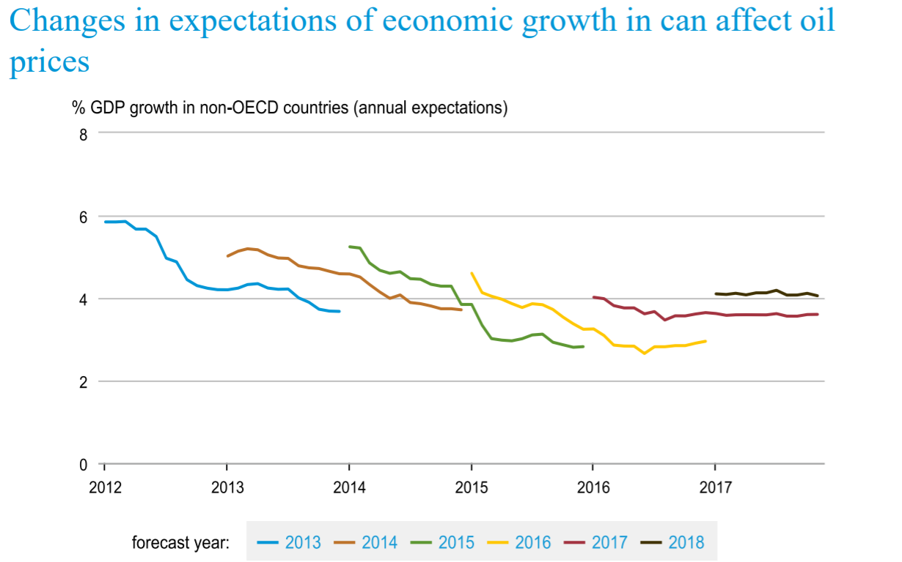
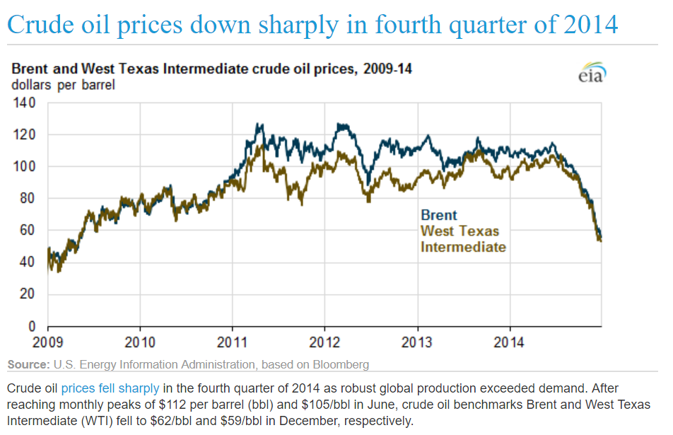
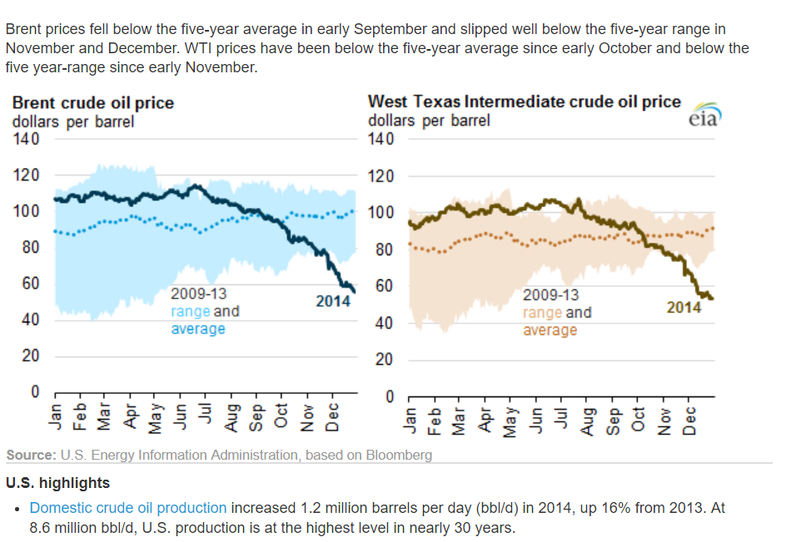

Starting in January of each year, each line shows the expected forecast of GDP growth
for the specified calendar year, which tends to move toward the actual realized growth outcome as the year progresses.
Expectations continue to evolve into the next calendar year as revised GDP data become available
(e.g., 2008 GDP expectations are revised even during 2009).

