24 states
method | type | A+ | A | B | C | D | E | F | sum | training = | 50 | exponential | power | linear
power | safety | 43 | 5 |  |  | 1 |  | 1 | 50 | testing = | 50 | eps = e^(-at)) | eps = 1/t^a | eps = eps - a
exponential | safety | 41 | 4 |  |  | 3 |  | 2 | 50 | n = | 50 | a = 0.08 | a = 0.25 | a = 0.03
linear | safety | 42 | 4 |  |  | 4 |  | 0 | 50
power | reliability | 6 | 23 | 7 | 6 | 5 |  | 3 | 50
exponential | reliability | 6 | 19 | 6 | 6 | 7 |  | 6 | 50
linear | reliability | 4 | 15 | 11 | 6 | 6 |  | 8 | 50

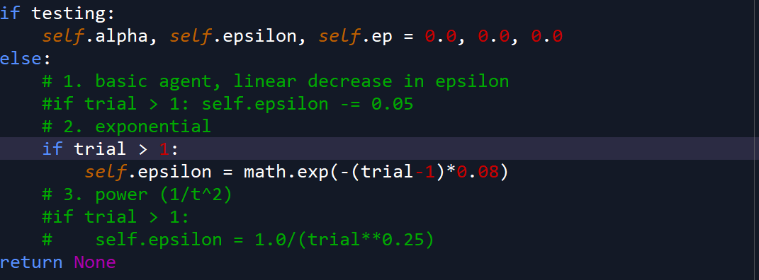
Exponential

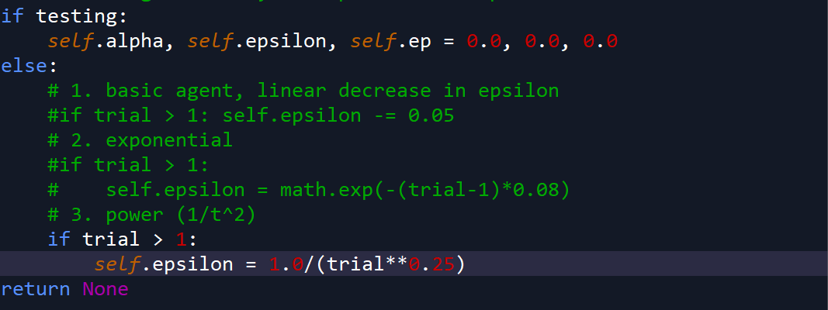
Power

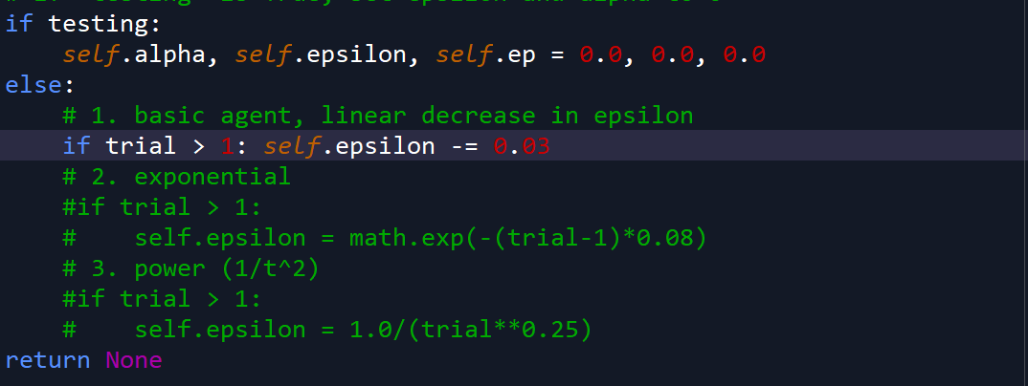
Linear

