Sheet1
...
 |  |  |  | Question 7

 |  |  |  | All income level groups display a negative GDP growth rate between 2018 and 2020 except the "Low Income" group which displays a positive growth rate.
...
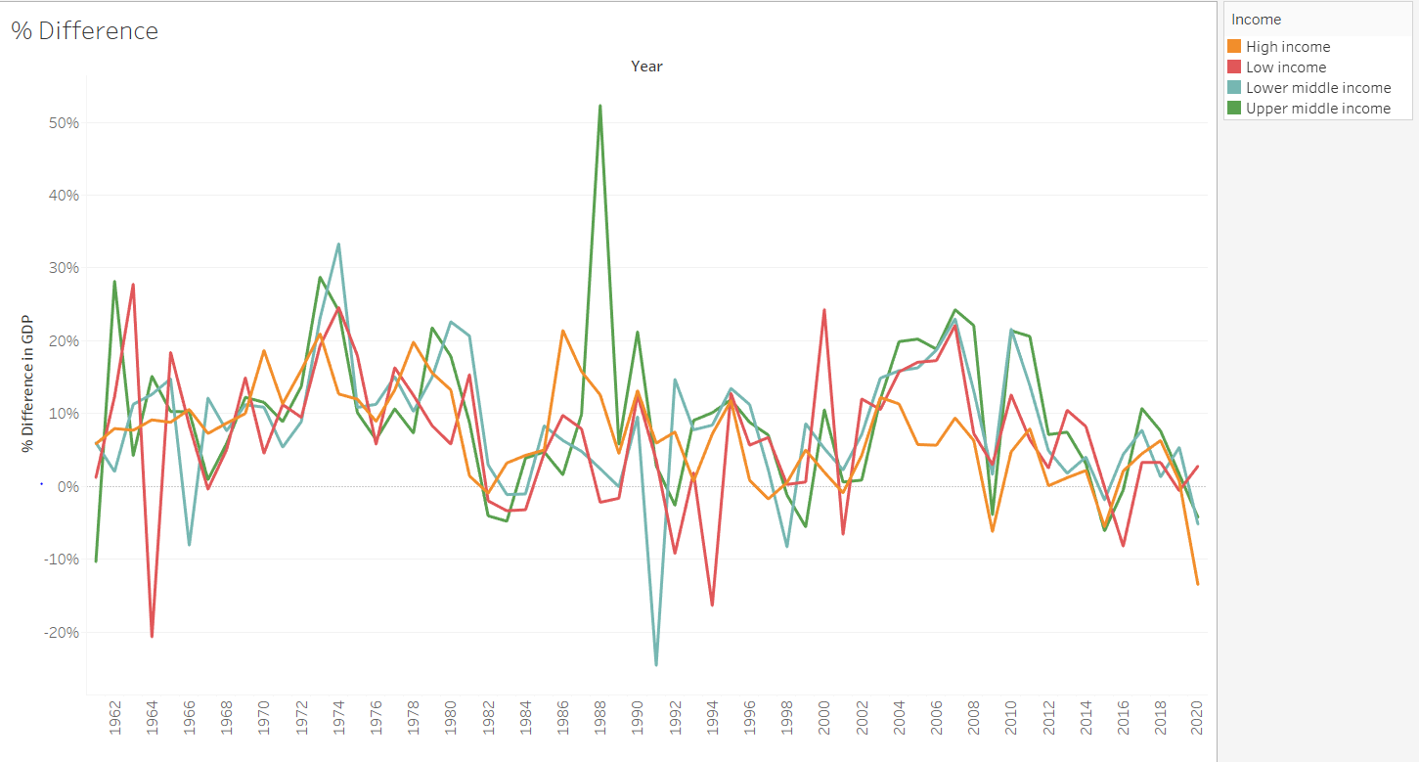
...
 |  |  | CREATE TEMP TABLE "Flag" AS
1977
1978
1979
1980
1981
1982
1983
1984
1985
1986
1987
1988
1989
1990
1991
1992
1993
1994
1995
1996
1997
1998
1999
2000
2001
2002 | 3269000000
2003 | 3453000000 | 0.056286326093606606
2004 | 3799000000 | 0.10020272227048943
2005 | 4439000000 | 0.16846538562779678
2006 | 4504000000 | 0.014642937598558234
2007 | 4803000000 | 0.0663854351687389
2008 | 4250000000 | -0.11513637310014574
2009 | 4203000000 | -0.011058823529411765
2010 | 4339000000 | 0.03235783963835356
2011 | 4239000000 | -0.023046784973496198
2012 | 4095000000 | -0.03397027600849257
...
 |  |  | CREATE TEMP TABLE "Flag" AS
1985 | 5637259300 | -0.11253974043556032
1986 | 6217523700 | 0.10293377847635996
1987 | 6741215100 | 0.08422829172327884
1988 | 7814784100 | 0.1592545237133881
1989 | 8286322700 | 0.06033929971270736
1990 | 8783816700 | 0.06003797076355716
1991 | 8641481700 | -0.016204231584204164
1992 | 6751472200 | -0.21871359167490917
1993 | 6563813300 | -0.027795256270180597
1994 | 6890675000 | 0.049797531565987714
1995 | 7111270700 | 0.03201365613673551
1996 | 8553146600 | 0.2027592480764373
1997 | 8529571600 | -0.002756295560279535
1998 | 6401968200 | -0.24943848293623563
1999 | 6858013100 | 0.07123510860300743
2000 | 6689957600 | -0.024504983812293973
2001 | 6777384700 | 0.013068408684682845
2002 | 6342116400 | -0.06422363776989079
2003 | 5727591800 | -0.09689582487007019
2004 | 5805598400 | 0.013619441245795484
2005 | 5755215200 | -0.008678381887386493
2006 | 5443896500 | -0.054093320437435595
2007 | 5291950100 | -0.027911331525130943
2008 | 4415702800 | -0.16558117205224593
2009 | 9665793300 | 1.1889592071277986
2010 | 12041655200 | 0.2458010249401878
2011 | 14101920300 | 0.17109484250969087
2012 | 17114849900 | 0.2136538525182276
2013 | 19091020000 | 0.11546523116162415
2014 | 19495519600 | 0.02118795119380735
2015 | 19963120600 | 0.023985049364880738
2016 | 20548678100 | 0.029331962258445705
2017 | 19015327919.1087 | -0.07462038061179713
2018 | 19523622341.6133 | 0.026730773440609992
2019 | 16932434838.6928 | -0.13272063234892412
2020 | 16768513442.6415 | -0.009680911080591817

