Busbar Sizer
Busbar Sizer
Quick copper cost for a known bar, and the cheapest width-to-thickness ratio at a fixed current. Ampacity model and its constants are on the Assumptions sheet (rows 57 to 63).

Copper cost vs width : thickness
 | Cost ($)
INPUTS
Current | 300 | A
Allowed temperature rise | 30.0 | C above ambient
Bar length | 150.0 | mm
Known bar width | 40.0 | mm
Known bar thickness | 2.00 | mm
Copper price |  | $/kg, linked to the Estimator
Max width that fits the package | 30.0 | mm
KNOWN BAR
Width to thickness ratio |  | : 1
Cross-section area |  | mm2
Perimeter |  | mm
Current density |  | A/mm2
Rated current at the allowed rise |  | A
Estimated temperature rise at the current |  | C
Carries the current?
Mass |  | g
Copper cost (with plating uplift) |  | $

RATIO SWEEP AT FIXED CURRENT
Each row is the smallest bar that carries the current at the allowed rise for that ratio. Edit the ratios in column A.
Width : thickness | Thickness (mm) | Width (mm) | Area (mm2) | A/mm2 | Mass (g) | Cost ($) | Fits? (0.8 to 5.0 mm thick, width within max)
1.0
1.5
2.0
3.0
4.0
5.0
6.0
8.0
10.0
12.0
15.0
20.0

Cheapest ratio that fits |  | : 1
Its cost
Cost keeps falling as the bar gets thinner and wider, so the cheapest bar is the widest one that fits. Stiffness and the 0.8 mm minimum are the other limits.

Assumption Diagram
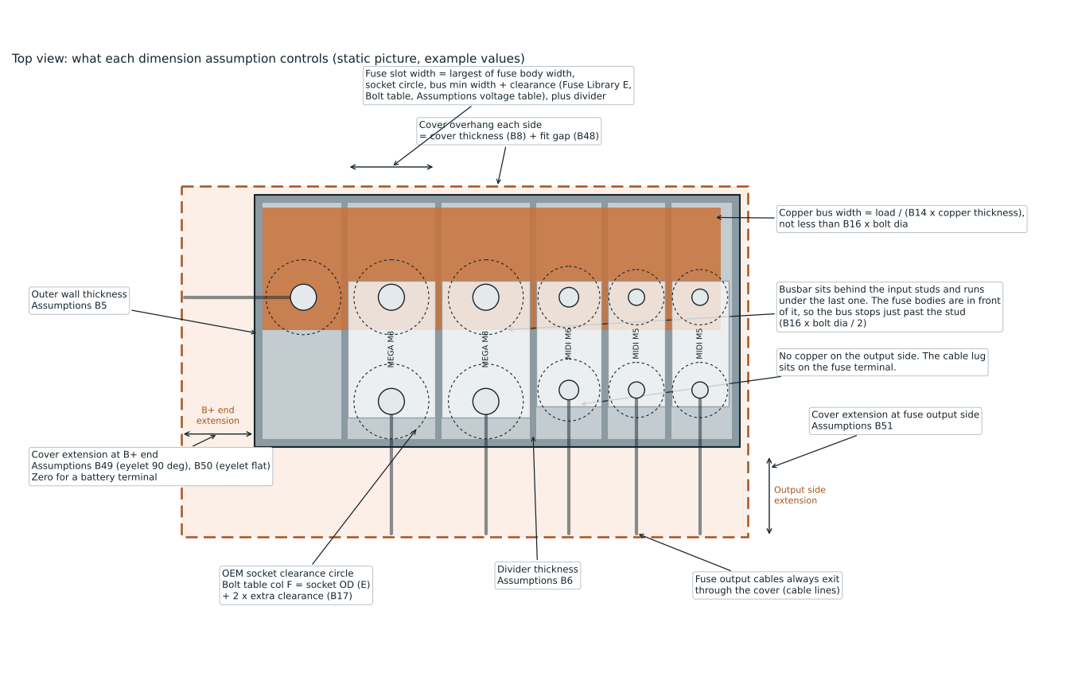
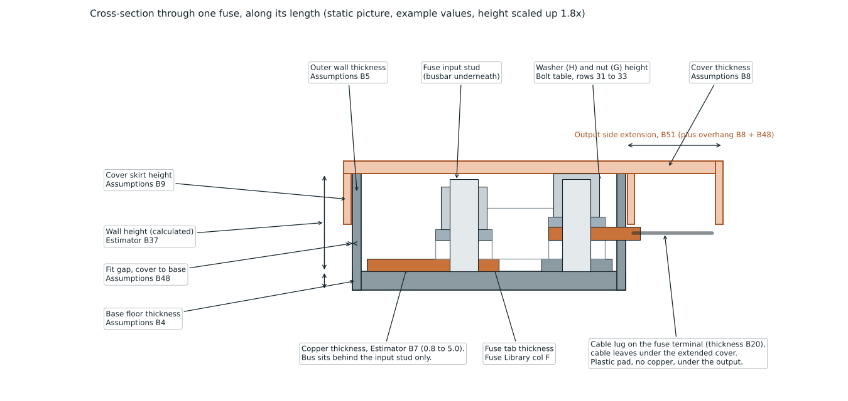
Assumption diagram
Static pictures drawn with the example values. They do not update when you change a cell. Cell references in the labels point to the Assumptions, Estimator and Fuse Library sheets.

