Busbar Sizer
Busbar Sizer
Quick copper cost for a known bar, and the cheapest mill stock thickness at a fixed current. Ampacity model: Assumptions rows 57 to 63 and 69 to 73.

Copper cost vs stock thickness
 | Cost ($)
0.8 | 0.73682478374
1 | 0.81052972212
1.2 | 0.87554587892
1.5 | 0.96105726597
2 | 1.080583555
2.5 | 1.1795454578
3 | 1.2632590923
4 | 1.3965349353
5 | 1.4954100411
INPUTS
Current | 300 | A
Allowed temperature rise (max bus temp - ambient) | 45.0 | C. Ambient is Estimator B15, max temp is Assumptions B69
Bar length | 150.0 | mm
Known bar width | 40.0 | mm
Known bar thickness | 2.00 | mm, mill stock (Assumptions A83:A94)
Copper price | $11.00 | $/kg, linked to the Estimator
Max width that fits the package | 30.0 | mm
KNOWN BAR
Width to thickness ratio | 20.0 | : 1
Cross-section area | 80.0 | mm2
Perimeter | 84.0 | mm
Current density | 3.75 | A/mm2
Rated current at the allowed rise | 338.6 | A
Estimated temperature rise at the current | 36.9 | C
Carries the current? | Yes
Mass | 107.5 | g
Copper cost (with plating uplift) | $1.24 | $

STOCK THICKNESS SWEEP AT FIXED CURRENT
Each row is the narrowest bar of that stock thickness that carries the current at the allowed rise. Edit the stock list on Assumptions A83:A94. |  |  |  |  |  |  |  |  | Load over k at the allowed rise | Width solve (start, then 6 Newton steps), mm
Stock thickness (mm) | Width needed (mm) | Width : thickness | Area (mm2) | A/mm2 | Mass (g) | Cost ($) | Fits? (width within max) | Cost if it fits ($) | 44.611
0.80 | 59.3 | 74.2 | 47.5 | 6.32 | 63.8 | $0.74 | No |  |  | 93.8 | 59.4 | 59.3 | 59.3 | 59.3 | 59.3 | 59.3
1.00 | 52.2 | 52.2 | 52.2 | 5.75 | 70.2 | $0.81 | No |  |  | 75.0 | 52.2 | 52.2 | 52.2 | 52.2 | 52.2 | 52.2
1.20 | 47.0 | 39.2 | 56.4 | 5.32 | 75.8 | $0.88 | No |  |  | 62.5 | 47.0 | 47.0 | 47.0 | 47.0 | 47.0 | 47.0
1.50 | 41.3 | 27.5 | 61.9 | 4.85 | 83.2 | $0.96 | No |  |  | 50.0 | 41.3 | 41.3 | 41.3 | 41.3 | 41.3 | 41.3
2.00 | 34.8 | 17.4 | 69.6 | 4.31 | 93.6 | $1.08 | No |  |  | 37.5 | 34.8 | 34.8 | 34.8 | 34.8 | 34.8 | 34.8
2.50 | 30.4 | 12.2 | 76.0 | 3.95 | 102.1 | $1.18 | No |  |  | 30.0 | 30.4 | 30.4 | 30.4 | 30.4 | 30.4 | 30.4
3.00 | 27.1 | 9.0 | 81.4 | 3.69 | 109.4 | $1.26 | Yes | $1.26 |  | 25.0 | 27.1 | 27.1 | 27.1 | 27.1 | 27.1 | 27.1
4.00 | 22.5 | 5.6 | 90.0 | 3.33 | 120.9 | $1.40 | Yes | $1.40 |  | 18.8 | 22.5 | 22.5 | 22.5 | 22.5 | 22.5 | 22.5
5.00 | 19.3 | 3.9 | 96.3 | 3.11 | 129.5 | $1.50 | Yes | $1.50 |  | 15.0 | 19.3 | 19.3 | 19.3 | 19.3 | 19.3 | 19.3

Cheapest stock thickness that fits | 3.0 | mm
Its cost | $1.26
Its width | 27.1 | mm
Cost keeps falling as the bar gets thinner and wider, so the cheapest bar is usually the thinnest stock that fits the max width. Stiffness is the other limit.

Assumption Diagram
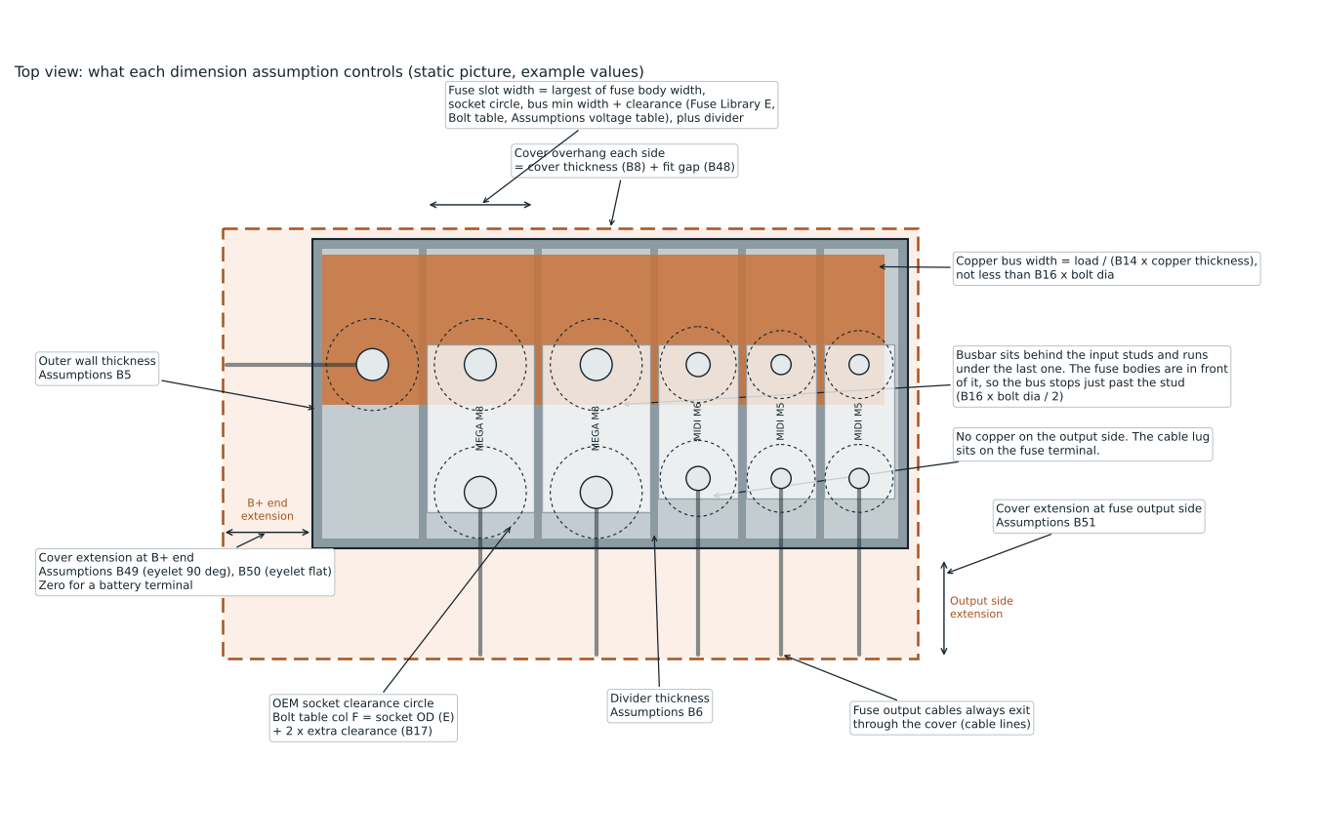
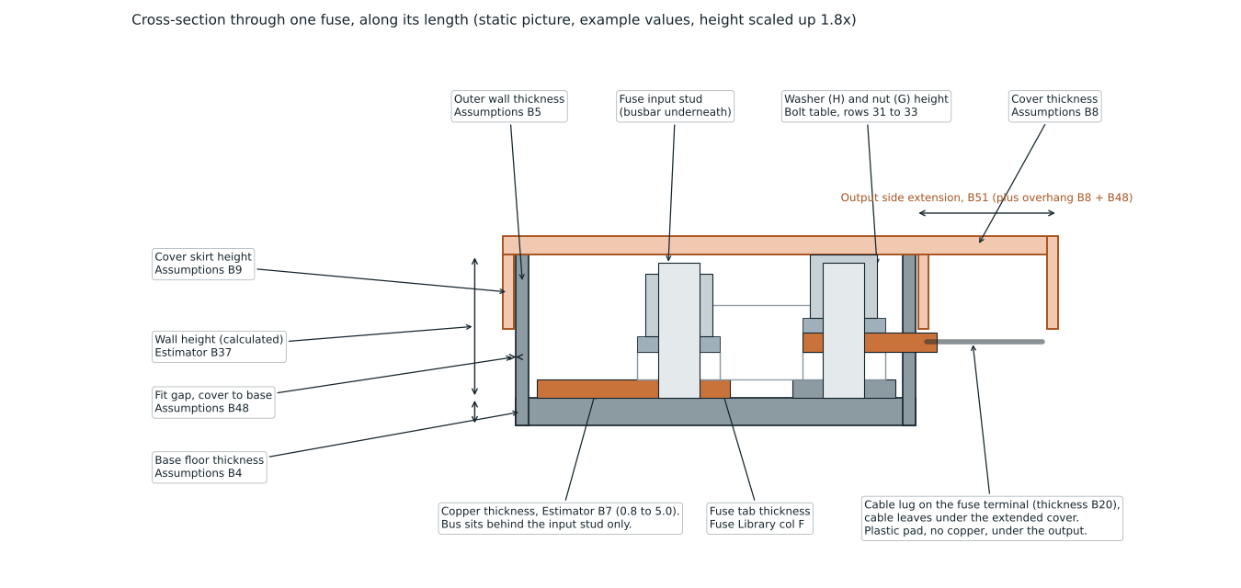
Assumption diagram
Static pictures drawn with the example values. They do not update when you change a cell. Cell references in the labels point to the Assumptions, Estimator and Fuse Library sheets.

