Assumption Diagram
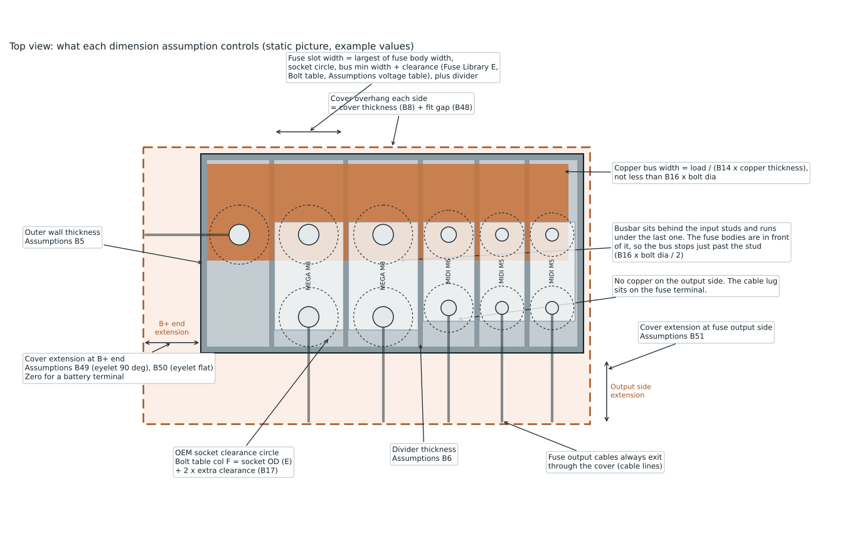
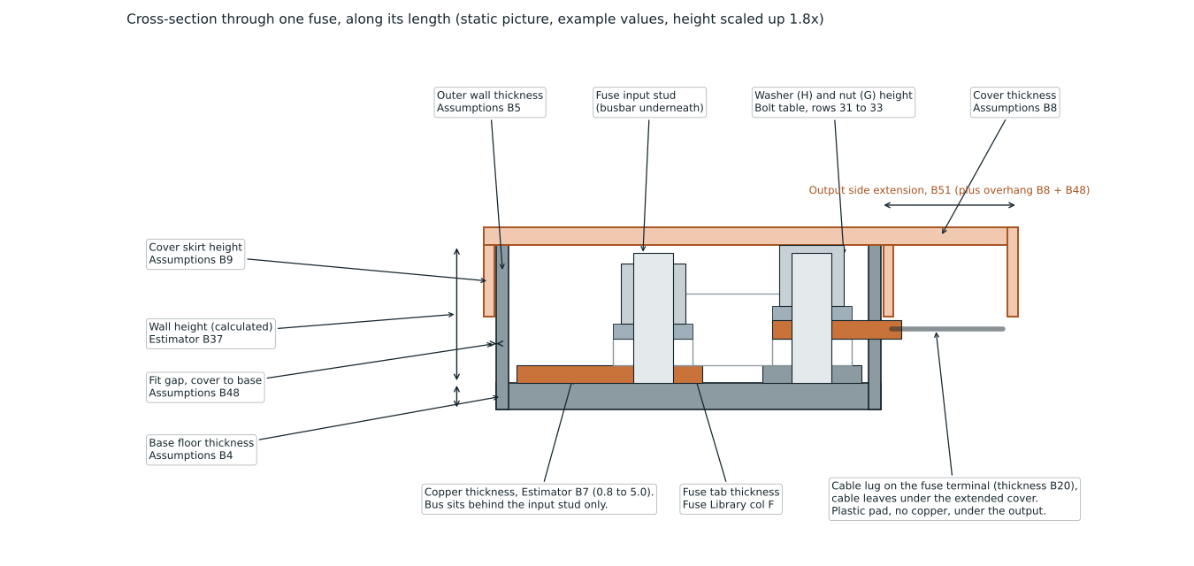
Assumption diagram
Static pictures drawn with the example values. They do not update when you change a cell. Cell references in the labels point to the Assumptions, Estimator and Fuse Library sheets.

