Primary PCR
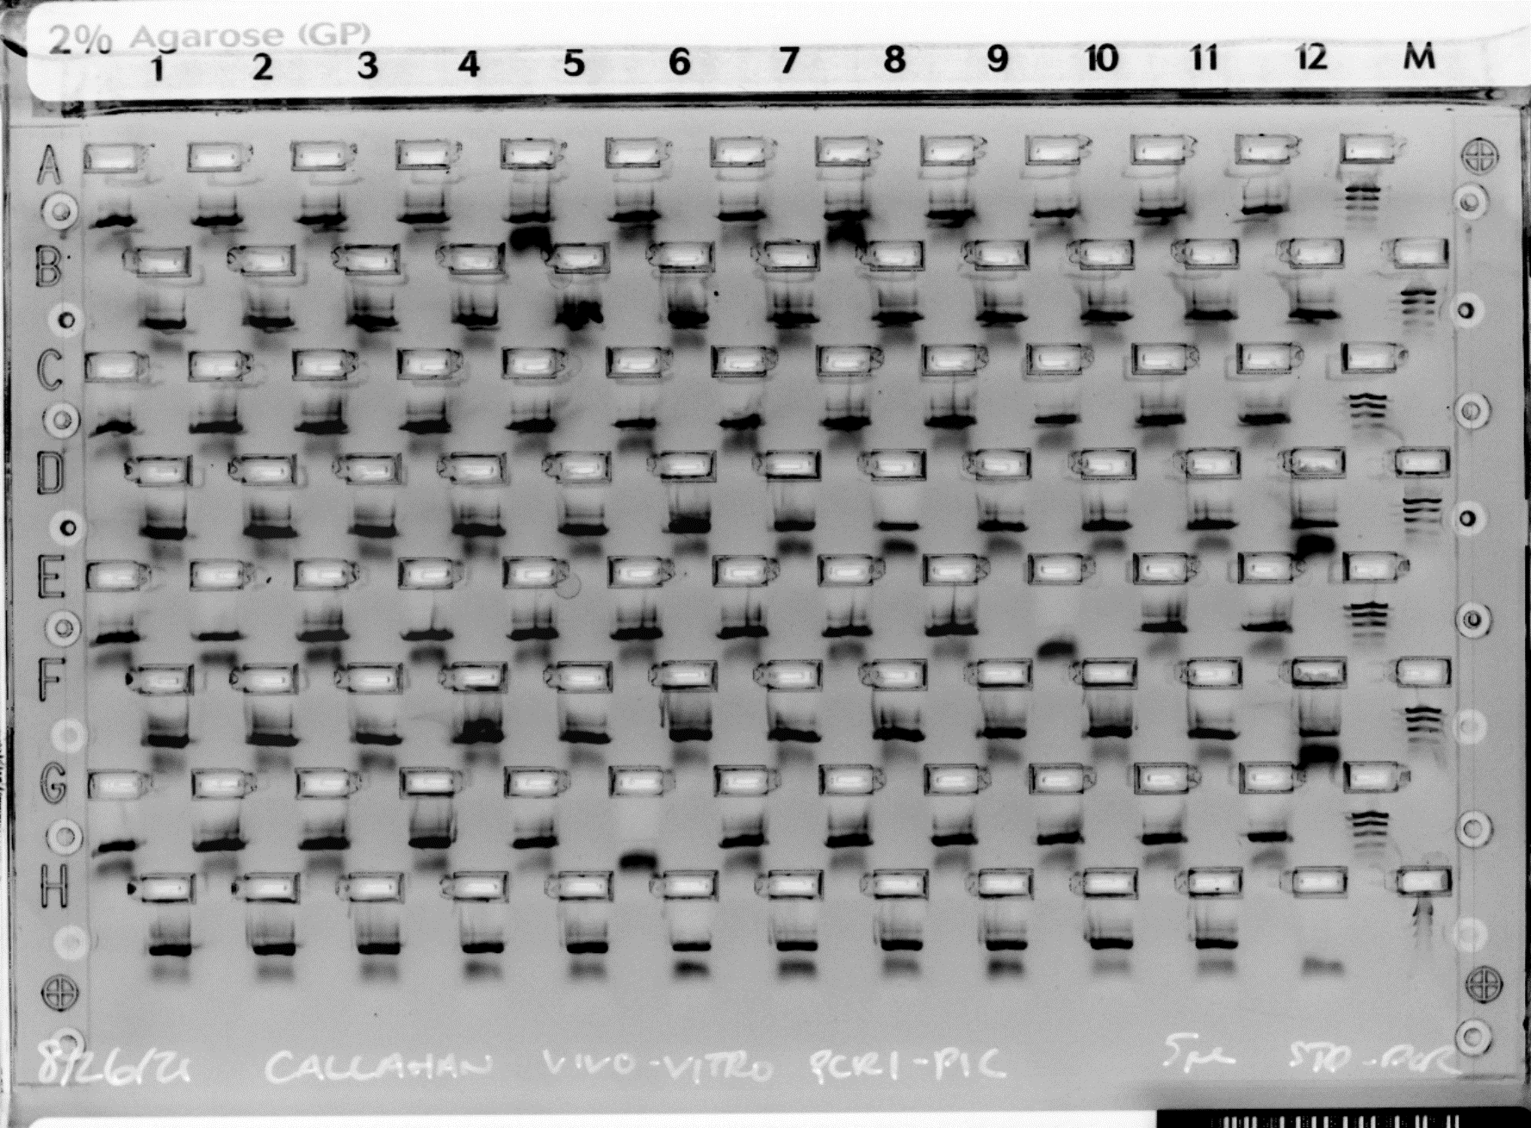
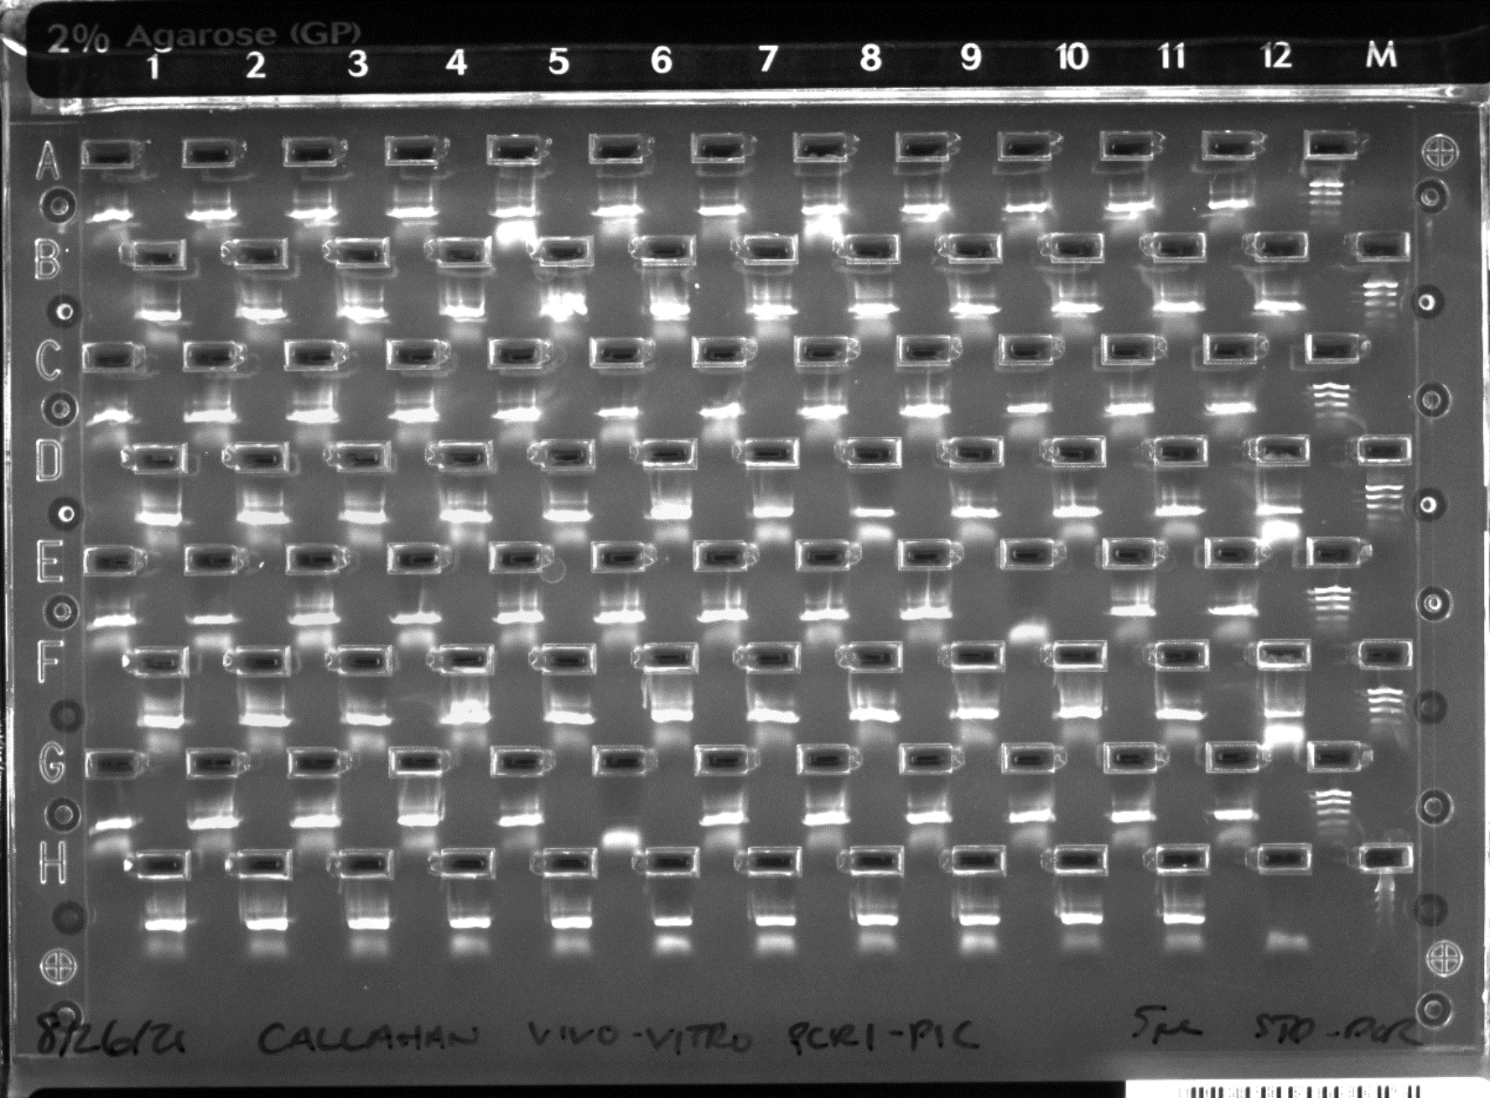
Primary PCR |  |  |  |  |  |  |  |  |  |  |  |  | PI: | Benjamin Callahan |  | Reference Id: |  | Vivo-Vitro Follow-up
Plate C |  |  |  |  |  |  |  |  |  |  |  |  |  |  |  | Fill in the orange boxes
 |  |  |  |  |  |  |  |  |  |  |  |  | NOTE:
 |  |  |  |  |  |  |  |  |  |  |  |  | IF IS A NANO RUN DO NOT USE PRIMER PLATE A
 |  |  |  |  |  |  |  |  |  |  |  |  | Primary PCR - Standard
Legend: |  |  |  |  |  |  |  |  |  |  |  |  | Number of Reactions (incl. controls) |  |  |  | 96
 | 5uL STD |  |  |  |  |  |  |  |  |  |  |  | Number of Reactions for MM |  |  |  | 105.6 | 106
 | 5 uL STD of 1:10 |  |  |  |  |  |  |  |  |  |  |  | Volume of DNA |  |  |  | 5
font | Did not amp |  |  |  |  |  |  |  |  |  |  |  | Master Mix |  | 1x Reaction | Master Mix - Final (uL)
font | Amp |  |  |  |  |  |  |  |  |  |  |  | 10X Accuprime PCR Buffer II |  | 2 | 212
 |  |  |  |  |  |  |  |  |  |  |  |  | PCR Grade Water |  | 7.85 | 832.1
 |  |  |  |  |  |  |  |  |  |  |  |  | AccuPrime HiFi Taq Polymerase |  | 0.15 | 15.9
 |  |  |  |  |  |  |  |  |  |  |  |  | DNA |  | 5 | Add Separate
 |  |  |  |  |  |  |  |  |  |  |  |  | Primer (4uM) |  | 5 | Add Separate |  |  | MM / 2mL Tube
 |  |  |  |  |  |  |  |  |  |  |  |  | Total Volume (uL) |  | 20 | 1060 |  |  | 1000
 |  |  |  |  |  |  |  |  |  |  |  |  |  |  | MM / well | 10

 |  |  |  |  |  |  |  |  |  |  |  |  | Lot Number Tracker- PCR1
 |  |  |  |  |  |  |  |  |  |  |  |  |  |  |  | Fill in the orange boxes
 |  |  |  |  |  |  |  |  |  |  |  |  | Reagent | Lot# | Expiration
Conditions: Varied STD PCR |  |  |  |  |  |  | Technician: RS (8/25/2021) |  |  |  |  |  | Accuprime Taq | 2325371 | 2023/5/14
 |  |  |  |  |  |  |  |  |  |  |  |  | 10x Buffer II | 2341044
 | 1 | 2 | 3 | 4 | 5 | 6 | 7 | 8 | 9 | 10 | 11 | 12 | PCR water | 169016243
A | M2N_D2_1 | M1N_D2_1 | F1_D0_3 | M2N_D1_1 | M1N_D0_2 | M2F_D0_4 | M3N_D2_1 | M2F_D0_2 | F3_D2_2 | T1_D0_1 | M2F_D1_4 | F1_D0_2 | Primer Plate | Lot#
B | F2_D2_4 | F1_D0_1 | M1F_D1_1 | F3_D1_1 | M1N_D1_2 | M3N_D2_2 | M3F_D0_2 | M1F_D0_2 | M1N_D1_1 | M3N_D0_2 | M2N_D0_3 | F2_D0_3
C | F2_D2_2 | M2F_D2_2 | M1N_D1_3 | M1N_D2_4 | M2F_D2_1 | F1_D2_3 | T1_D0_2 | F2_D0_4 | F2_D0_2 | F2_D2_1 | M1N_D2_2 | M2N_D2_4
D | M2N_D1_4 | M3F_D0_1 | M2F_D2_4 | M2N_D1_2 | F2_D0_1 | F2_D1_4 | F1_D2_4 | F3_D2_1 | F1_D1_1 | M1F_D2_3 | M1F_D2_4 | M2F_D1_2 | Primer Plate C | C.RS.0121.1/3
E | F1_D1_4 | F1_D2_2 | M1F_D0_4 | T1_D0_3 | M3F_D1_2 | M2N_D0_1 | M3F_D1_1 | F3_D0_2 | M1F_D2_2 | M3N_D0_1 | M2N_D1_3 | F2_D2_3
F | M2F_D1_1 | M2F_D0_1 | M3F_D2_1 | M2N_D0_4 | M3F_D2_2 | M1N_D0_1 | M2F_D0_3 | M3N_D1_1 | M2N_D2_2 | M2F_D1_3 | M2F_D2_3 | M2N_D0_2
G | T1_D0_4 | F3_D0_1 | M1N_D1_4 | M1N_D0_3 | F1_D0_4 | M1F_D1_2 | M2N_D2_3 | M1F_D0_1 | F2_D1_1 | M1F_D2_1 | F3_D1_2 | M1N_D2_3 | LABEL PCR CONTROLS AS (WRITE A, B, C OR D AFTER PLATE):
H | M1F_D1_3 | M1F_D0_3 | M1F_D1_4 | F1_D1_3 | M3N_D1_2 | F1_D2_1 | F1_D1_2 | F2_D1_3 | M1N_D0_4 | F2_D1_2 | MockZymoPos | WaterNeg | WATER_NEG_PLATE
 |  |  |  |  |  |  |  |  |  |  |  |  | ZYMO_MOCK_POS_PLATE
 |  |  |  |  |  |  |  |  |  |  |  |  | DNA_CONTROL_PLATE

 |  | Dilution Plate ( 1:10 )
 |  | 1 | 2
 | 1 | D2 | A9
 | 2 | F2 | H9
 | 3 | H2 | B10
 | 4 | F4 | B11
 | 5 | G4 | E11
 | 6 | A5 | B12
 | 7 | D5 | D12
 | 8 | E6 | F12
 | 9 | F6
 | 10 | F7
 | 11 | A8
 | 12 | G8

Bioanalyzer
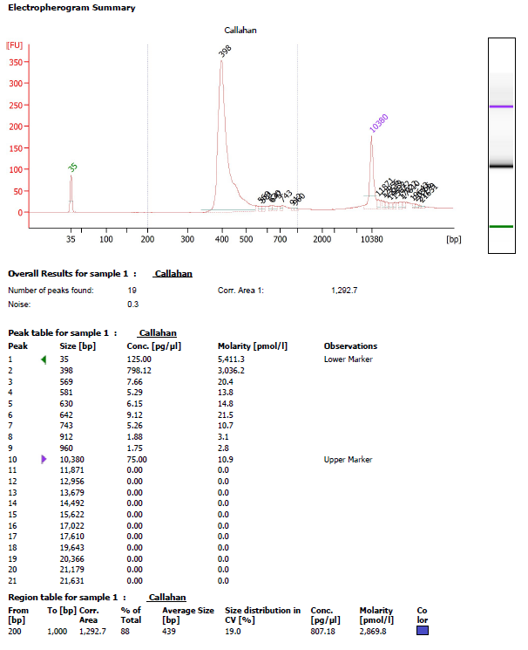
Bioanalyzer Results
PI: | Benjamin Callahan | Reference Id: | Vivo-Vitro Follow-up
Technician (Date): RS (9/1/2021)

Kapa
qPCR Results |  |  |  |  |  |  |  |  |  |  | PI: | Benjamin Callahan | Reference Id: | Vivo-Vitro Follow-up

 | Section 1. Review Cq values for DNA Standards
 |  |  |  |  |  |  |  |  |  |  | KAPA qPCR Run Information
 | - Enter the appropriate information into the fields highlighted in green. |  |  |  |  |  |  |  |  |  | Technician | CCC
 | - Move "outliers" to column G (so these are no longer is used in calculations). Delete the formula in the corresponding row in column I. |  |  |  |  |  |  |  |  |  | Date | 2021-09-07
 | - The average Cq value for each DNA Standard should be ~3.3 cycles later than the DNA Standard that is 10-fold more concentrated (between 3.2 and 3.45 is very good |  |  |  |  |  |  |  |  |  | # Pools (including STD0) | 9
 | and 3.1 - 3.6 is acceptable). |  |  |  |  |  |  |  |  |  | Genomes (Y/N) | N
 | - If the spacing between any two standards is less than 3.1 cycles and more than 3.6 cycles, those data points (and any library samples falling between those |  |  |  |  |  |  |  |  |  | epMotion Kapa program | 9Pools_STD0
 | data points) are not highly reliable. |  |  |  |  |  |  |  |  |  | Master Mix Volumes
 |  |  |  |  |  |  |  |  |  |  | Kapa Master Mix (uL)
 |  |  |  |  |  |  |  |  |  |  | Water (uL)
 | Well | Std # | Conc (pM) | Cq | Outliers | Av Cq | Difference | Delta Cq
 |  | 1 | 20 | 8.998 |  | 8.98 | 0.02 | -
 |  | 1 | 20 | 8.952 |  |  | -0.03
 |  | 1 | 20 | 8.988 |  |  | 0.01 | 3.53
 |  | 2 | 2 | 12.506 |  | 12.51 | 0.00 |  |  |  | Lot Number Tracker-KAPA
 |  | 2 | 2 | 12.485 |  |  | -0.02
 |  | 2 | 2 | 12.532 |  |  | 0.02 | 3.39 |  |  | Reagent | Lot# | Expiration
 |  | 3 | 0.2 | 15.837 |  | 15.90 | -0.07 |  |  |  | KAPA qPCR Reagents
 |  | 3 | 0.2 | 15.884 |  |  | -0.02
 |  | 3 | 0.2 | 15.986 |  |  | 0.08 | 3.56
 |  | 4 | 0.02 | 19.438 |  | 19.46 | -0.02
 |  | 4 | 0.02 | 19.497 |  |  | 0.04
 |  | 4 | 0.02 | 19.444 |  |  | -0.02 | 3.56
 |  | 5 | 0.002 |  |  | 23.02
 |  | 5 | 0.002 | 23.021 |  |  | 0.00
 |  | 5 | 0.002 | 23.013 |  |  | 0.00 | 3.64
 |  | 6 | 0.0002 | 26.424 |  | 26.65 | -0.23
 |  | 6 | 0.0002 | 26.761 |  |  | 0.11
 |  | 6 | 0.0002 | 26.778 |  |  | 0.12 | #DIV/0!
 |  | NTC | - |  |  | #DIV/0!
 |  | NTC | -
 |  | NTC | -

 | Section 2. Generate and review the standard curve

 | - Type the value for the intercept from the graph to the right into cell D57.
 | - Type the value for the slope from the graph to the right into cell D59. |  |  |  |  |  |  |  | Note: if the standard curve equation does not update, click on the line, right click and select
 |  |  |  |  |  |  |  |  | Format Trendline. (Untick and) tick the boxes for "Display Equation and R-squared value on chart"

 | DNA Standard | Conc in pM | Log conc | Average Cq | Delta Cq
 | 1 | 20.0000 | 1.30 | 8.98 | -
 | 2 | 2.0000 | 0.30 | 12.51 | 3.53 | Should be between 3.1 and 3.6
 | 3 | 0.2000 | -0.70 | 15.90 | 3.39
 | 4 | 0.0200 | -1.70 | 19.46 | 3.56
 | 5 | 0.0020 | -2.70 | 23.02 | 3.56
 | 6 | 0.0002 | -3.70 | 26.65 | 3.64
 | Efficiency: | 92% | (Calculated) | Should be between 90 and 110%
 | Slope: | -3.5274 | (Calculated) | Value must be the same as on the graph
 | R-squared: | 0.9999 | (Calculated) | Should be between 0.99 and 1.00
 | Intercept: | 13.524 | (Type the intercept value from the graph in cell D57)

 | If slope = | -3.5274 | (Type the slope value from the graph in cell D59)
 | then efficiency = | 92% | (Calculated) | Value must be the same as in cell D54

 | Note: it is important to type the appropriate values from the straight line equation into the two green blocks,
 | as the table in Section 3 uses these two values to calculate the concentration of the library samples.

 | Section 3. Calculate and review library concentrations

 | - Sort the data for your library samples by grouping the Cq values for different dilutions of the same sample together. Enter the appropriate information into the fields highlighted in green (Columns C - G).
 | - Move the outliers to Column H, so these are no longer is used in calculations. If you move a Cq value (outlier) from column F to H, you have to delete the formula in column J of that row.

 | If the average Cq value for a library < than the average Cq value for Std 1, or > than the average Cq value for Std 6, the data from that dilution may not be used in calculations (i.e. you may not extrapolate). If only one dilution of each library was assayed, the library has to
 | requantified using a more appropriate dilution.

 | Library # | Sample name | Dilution | Cq | Average fragment length (bp) | Outliers/ outside curve | Average Cq | Difference | Delta Cq | log (concentration) | Average concentration (pM) | Size-adjusted concentration (pM) | Concentration of undiluted library (pM) | Concentration of undiluted library (nM) | Concentration of undiluted library (ng/µL) | % Deviation | Working concentration (pM) | Working concentration (nM)
 | 1 | Callahan P1C | 2000 | 10.004 | 398 |  | 10.13 | -0.12 | - | 0.96 | 9.19 | 10.43 | 20,867 | 20.87 | 5.13 | - | 18,852 | 18.9
 |  |  |  | 10.249 |  |  |  | 0.12
 |  |  |  |  |  |  |  | -10.13
 |  |  | 4000 | 11.487 |  |  | 11.44 | 0.05 | 1.3 | 0.59 | 3.90 | 4.43 | 17,700 | 17.70 | 4.35 | 15.2%
 |  |  |  | 11.394 |  |  |  | -0.05
 |  |  |  |  |  |  |  | -11.44
 |  |  | 8000 | 12.614 |  | ` | 12.48 | 0.14 | 1.0 | 0.30 | 1.98 | 2.25 | 17,990 | 17.99 | 4.42 | 13.8%
 |  |  |  | 12.341 |  |  |  | -0.14
 |  |  |  |  |  |  |  | -12.48
 | 5 | INTERNAL CONTROL | 2000 | 16.356 | 452 |  | 16.45 | -0.10 | - | -0.83 | 0.15 | 0.15 | 295 | 0.30 | 0.08 | - | 269 | 0.27
 |  |  |  | 16.552 |  |  |  | 0.10
 |  |  |  |  |  |  |  | -16.45
 |  |  | 4000 | 17.782 |  |  | 17.73 | 0.05 | 1.3 | -1.19 | 0.06 | 0.06 | 256 | 0.26 | 0.07 | 13.2%
 |  |  |  | 17.685 |  |  |  | -0.05
 |  |  |  |  |  |  |  | -17.73
 |  |  | 8000 | 18.81 |  |  | 18.80 | 0.01 | 1.1 | -1.50 | 0.03 | 0.03 | 256 | 0.26 | 0.07 | 13.4%
 |  |  |  | 18.785 |  |  |  | -0.01
 |  |  |  |  |  |  |  | -18.80

MiSeq Summary
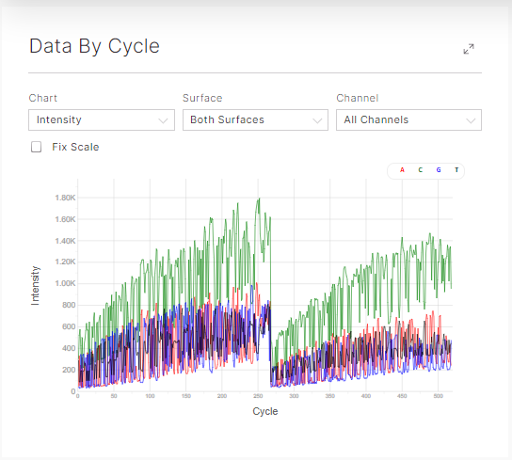
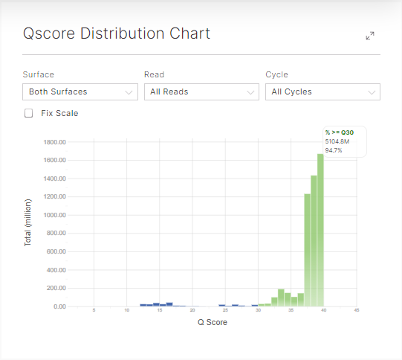
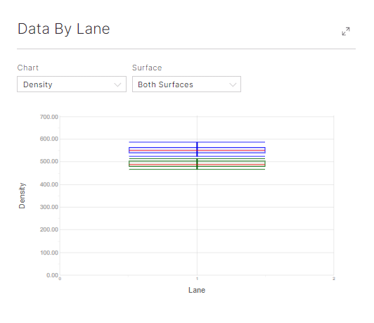
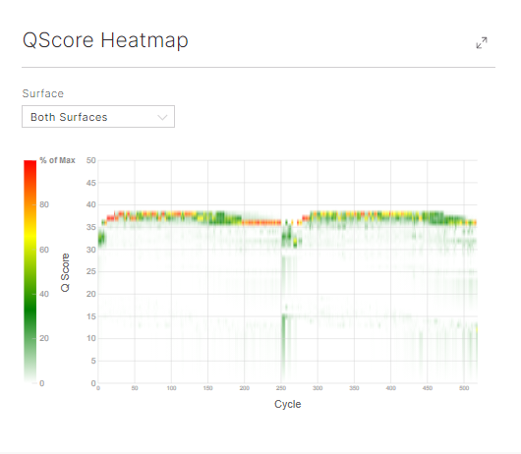
MiSeq Summary Results
Investigator Name | Benjamin Callahan | Reference Id: | Vivo-Vitro Follow-up
Experiment Name | MiSeq_M06339_2021_R159
Workflow | GenerateFASTQ | MiSeq Serial Number | M0
Service | 16S Schloss | MiSeq Control Software Version | 2.6.2.1
Kit Cycles (2 x n) | 2x250 | Sample Sheet | MS3091572_500v2
Date Started | 2021-09-10 | Subnanomolar protocol | No
Date Completed | 2021-09-12 | Illumina Error | No
Illumina Chemistry | STD 500v2
Q
Basic Metrics:
Cluster Density | 551 | %Q > 30
Cluster Passing Filter | 89.04 | Read 1 | 96.87
Aligned | 17.92% | Read 2 (I) | 73.77
Error rate | 1.61% | Read 3 (I) | 90.56
 |  | Read 4 | 93.78
Total Reads | 23,369,514
PF (Pass Filter) Reads | 20,804,326 | Yield (Gbp) | 5.35
% Reads IDs | 77.6402
CV | 0.4072 | Library (pM) | 5.5
Min | 0.0362 | PhiX spike-in* (%) | 15
Max | 1.7562 | Genome spike-in* (%) | 0

Comments:

Index QC
MiSeq Summary Results |  |  |  |  |  | PI: | Benjamin Callahan |  | Reference Id: | Vivo-Vitro Follow-up
Index # | Sample ID | Project | Index 1 (I7) | Index 2 (I5) | % Reads Identified (PF) | Value | Reads PF/Sample | Total Reads | PF Reads | % Reads Identified | CV | Min | Max | Legend:
1 | M2N_D2_1 | NA | CTCGACTT | CTACTATA | 0.8575 | 0.008575 | 178397.09545 | 23,369,514 | 20,804,326.00 | 77.64 | 0.4072 | 0.0362 | 1.7562
2 | M1N_D2_1 | NA | CGAAGTAT | CTACTATA | 1.1668 | 0.011668 | 242744.87577 |  |  |  |  |  |  | Key | Reads | Comment
3 | F1_D0_3 | NA | TAGCAGCT | CTACTATA | 0.9716 | 0.009716 | 202134.83142 |  |  |  |  |  |  | red | below 1000 | garbage
4 | M2N_D1_1 | NA | TCTCTATG | CTACTATA | 0.8393 | 0.008393 | 174610.70812 |  |  |  |  |  |  | yellow | 1000-5000 | low number of reads, but usable
5 | M1N_D0_2 | NA | GATCTACG | CTACTATA | 0.5245 | 0.005245 | 109118.68987 |  |  |  |  |  |  | green | above 5000 | enough reads
6 | M2F_D0_4 | NA | GTAACGAG | CTACTATA | 0.5183 | 0.005183 | 107828.82166
7 | M3N_D2_1 | NA | ACGTGCGC | CTACTATA | 1.1429 | 0.011429 | 237772.64185 |  |  |  |  |  |  | average number | 15000-20000
8 | M2F_D0_2 | NA | ATAGTACC | CTACTATA | 0.5963 | 0.005963 | 124056.19594
9 | F3_D2_2 | NA | GCGTATAC | CTACTATA | 1.1729 | 0.011729 | 244013.93965
10 | T1_D0_1 | NA | TGCTCGTA | CTACTATA | 0.8804 | 0.008804 | 183161.2861
11 | M2F_D1_4 | NA | AACGCTGA | CTACTATA | 0.8589 | 0.008589 | 178688.35601
12 | F1_D0_2 | NA | CGTAGCGA | CTACTATA | 1.1536 | 0.011536 | 239998.70474
13 | F2_D2_4 | NA | CTCGACTT | CGTTACTA | 0.7477 | 0.007477 | 155553.9455
14 | F1_D0_1 | NA | CGAAGTAT | CGTTACTA | 0.6331 | 0.006331 | 131712.18791
15 | M1F_D1_1 | NA | TAGCAGCT | CGTTACTA | 0.5496 | 0.005496 | 114340.5757
16 | F3_D1_1 | NA | TCTCTATG | CGTTACTA | 0.8399 | 0.008399 | 174735.53407
17 | M1N_D1_2 | NA | GATCTACG | CGTTACTA | 0.5249 | 0.005249 | 109201.90717
18 | M3N_D2_2 | NA | GTAACGAG | CGTTACTA | 0.5742 | 0.005742 | 119458.43989
19 | M3F_D0_2 | NA | ACGTGCGC | CGTTACTA | 0.4712 | 0.004712 | 98029.984112
20 | M1F_D0_2 | NA | ATAGTACC | CGTTACTA | 0.7258 | 0.007258 | 150997.79811
21 | M1N_D1_1 | NA | GCGTATAC | CGTTACTA | 0.5522 | 0.005522 | 114881.48817
22 | M3N_D0_2 | NA | TGCTCGTA | CGTTACTA | 0.4758 | 0.004758 | 98986.983108
23 | M2N_D0_3 | NA | AACGCTGA | CGTTACTA | 0.2715 | 0.002715 | 56483.74509
24 | F2_D0_3 | NA | CGTAGCGA | CGTTACTA | 0.5838 | 0.005838 | 121455.65519
25 | F2_D2_2 | NA | CTCGACTT | AGAGTCAC | 0.8539 | 0.008539 | 177648.13971
26 | M2F_D2_2 | NA | CGAAGTAT | AGAGTCAC | 0.7863 | 0.007863 | 163584.41534
27 | M1N_D1_3 | NA | TAGCAGCT | AGAGTCAC | 0.8109 | 0.008109 | 168702.27953
28 | M1N_D2_4 | NA | TCTCTATG | AGAGTCAC | 0.9275 | 0.009275 | 192960.12365
29 | M2F_D2_1 | NA | GATCTACG | AGAGTCAC | 0.9211 | 0.009211 | 191628.64679
Reads PF/Sample
30 | F1_D2_3 | NA | GTAACGAG | AGAGTCAC | 0.6702 | 0.006702 | 139430.59285
31 | T1_D0_2 | NA | ACGTGCGC | AGAGTCAC | 0.8602 | 0.008602 | 178958.81225
32 | F2_D0_4 | NA | ATAGTACC | AGAGTCAC | 0.9386 | 0.009386 | 195269.40384
33 | F2_D0_2 | NA | GCGTATAC | AGAGTCAC | 0.746 | 0.00746 | 155200.27196
34 | F2_D2_1 | NA | TGCTCGTA | AGAGTCAC | 0.9051 | 0.009051 | 188299.95463
35 | M1N_D2_2 | NA | AACGCTGA | AGAGTCAC | 0.8843 | 0.008843 | 183972.65482
36 | M2N_D2_4 | NA | CGTAGCGA | AGAGTCAC | 0.9414 | 0.009414 | 195851.92496
37 | M2N_D1_4 | NA | CTCGACTT | TACGAGAC | 0.6488 | 0.006488 | 134978.46709
38 | M3F_D0_1 | NA | CGAAGTAT | TACGAGAC | 0.5956 | 0.005956 | 123910.56566
39 | M2F_D2_4 | NA | TAGCAGCT | TACGAGAC | 0.6485 | 0.006485 | 134916.05411
40 | M2N_D1_2 | NA | TCTCTATG | TACGAGAC | 0.6798 | 0.006798 | 141427.80815
41 | F2_D0_1 | NA | GATCTACG | TACGAGAC | 0.7696 | 0.007696 | 160110.0929
42 | F2_D1_4 | NA | GTAACGAG | TACGAGAC | 0.7505 | 0.007505 | 156136.46663
43 | F1_D2_4 | NA | ACGTGCGC | TACGAGAC | 0.9184 | 0.009184 | 191066.92998
44 | F3_D2_1 | NA | ATAGTACC | TACGAGAC | 1.3372 | 0.013372 | 278195.44727
45 | F1_D1_1 | NA | GCGTATAC | TACGAGAC | 0.908 | 0.00908 | 188903.28008
46 | M1F_D2_3 | NA | TGCTCGTA | TACGAGAC | 0.9281 | 0.009281 | 193084.94961
47 | M1F_D2_4 | NA | AACGCTGA | TACGAGAC | 0.9509 | 0.009509 | 197828.33593
48 | M2F_D1_2 | NA | CGTAGCGA | TACGAGAC | 0.3753 | 0.003753 | 78078.635478
49 | F1_D1_4 | NA | CTCGACTT | ACGTCTCG | 0.7278 | 0.007278 | 151413.88463
50 | F1_D2_2 | NA | CGAAGTAT | ACGTCTCG | 0.9857 | 0.009857 | 205068.24138
51 | M1F_D0_4 | NA | TAGCAGCT | ACGTCTCG | 0.5757 | 0.005757 | 119770.50478
52 | T1_D0_3 | NA | TCTCTATG | ACGTCTCG | 1.0849 | 0.010849 | 225706.13277
53 | M3F_D1_2 | NA | GATCTACG | ACGTCTCG | 0.6673 | 0.006673 | 138827.2674
54 | M2N_D0_1 | NA | GTAACGAG | ACGTCTCG | 0.4403 | 0.004403 | 91601.447378
55 | M3F_D1_1 | NA | ACGTGCGC | ACGTCTCG | 0.6466 | 0.006466 | 134520.77192
56 | F3_D0_2 | NA | ATAGTACC | ACGTCTCG | 1.1069 | 0.011069 | 230283.08449
57 | M1F_D2_2 | NA | GCGTATAC | ACGTCTCG | 1.2703 | 0.012703 | 264277.35318
58 | M3N_D0_1 | NA | TGCTCGTA | ACGTCTCG | 0.0468 | 0.000468 | 9736.424568
59 | M2N_D1_3 | NA | AACGCTGA | ACGTCTCG | 0.378 | 0.00378 | 78640.35228
60 | F2_D2_3 | NA | CGTAGCGA | ACGTCTCG | 1.0645 | 0.010645 | 221462.05027
61 | M2F_D1_1 | NA | CTCGACTT | TCGACGAG | 0.5929 | 0.005929 | 123348.84885
62 | M2F_D0_1 | NA | CGAAGTAT | TCGACGAG | 0.2301 | 0.002301 | 47870.754126
63 | M3F_D2_1 | NA | TAGCAGCT | TCGACGAG | 0.8699 | 0.008699 | 180976.83187
64 | M2N_D0_4 | NA | TCTCTATG | TCGACGAG | 0.7564 | 0.007564 | 157363.92186
65 | M3F_D2_2 | NA | GATCTACG | TCGACGAG | 0.7804 | 0.007804 | 162356.9601
66 | M1N_D0_1 | NA | GTAACGAG | TCGACGAG | 0.3588 | 0.003588 | 74645.921688
67 | M2F_D0_3 | NA | ACGTGCGC | TCGACGAG | 0.9759 | 0.009759 | 203029.41743
68 | M3N_D1_1 | NA | ATAGTACC | TCGACGAG | 0.8303 | 0.008303 | 172738.31878
69 | M2N_D2_2 | NA | GCGTATAC | TCGACGAG | 0.8486 | 0.008486 | 176545.51044
70 | M2F_D1_3 | NA | TGCTCGTA | TCGACGAG | 0.7077 | 0.007077 | 147232.2151
71 | M2F_D2_3 | NA | AACGCTGA | TCGACGAG | 1.0103 | 0.010103 | 210186.10558
72 | M2N_D0_2 | NA | CGTAGCGA | TCGACGAG | 0.3365 | 0.003365 | 70006.55699
73 | T1_D0_4 | NA | CTCGACTT | GATCGTGT | 0.8209 | 0.008209 | 170782.71213
74 | F3_D0_1 | NA | CGAAGTAT | GATCGTGT | 0.5956 | 0.005956 | 123910.56566
75 | M1N_D1_4 | NA | TAGCAGCT | GATCGTGT | 0.6355 | 0.006355 | 132211.49173
76 | M1N_D0_3 | NA | TCTCTATG | GATCGTGT | 0.4808 | 0.004808 | 100027.19941
77 | F1_D0_4 | NA | GATCTACG | GATCGTGT | 0.925 | 0.00925 | 192440.0155
78 | M1F_D1_2 | NA | GTAACGAG | GATCGTGT | 0.0455 | 0.000455 | 9465.96833
79 | M2N_D2_3 | NA | ACGTGCGC | GATCGTGT | 0.7754 | 0.007754 | 161316.7438
80 | M1F_D0_1 | NA | ATAGTACC | GATCGTGT | 0.4683 | 0.004683 | 97426.658658
81 | F2_D1_1 | NA | GCGTATAC | GATCGTGT | 0.6833 | 0.006833 | 142155.95956
82 | M1F_D2_1 | NA | TGCTCGTA | GATCGTGT | 0.8647 | 0.008647 | 179895.00692
83 | F3_D1_2 | NA | AACGCTGA | GATCGTGT | 0.9777 | 0.009777 | 203403.8953
84 | M1N_D2_3 | NA | CGTAGCGA | GATCGTGT | 1.0232 | 0.010232 | 212869.86363
85 | M1F_D1_3 | NA | CTCGACTT | GTCAGATA | 1.1999 | 0.011999 | 249631.10767
86 | M1F_D0_3 | NA | CGAAGTAT | GTCAGATA | 0.8538 | 0.008538 | 177627.33539
87 | M1F_D1_4 | NA | TAGCAGCT | GTCAGATA | 1.1109 | 0.011109 | 231115.25753
88 | F1_D1_3 | NA | TCTCTATG | GTCAGATA | 1.6678 | 0.016678 | 346974.54903
89 | M3N_D1_2 | NA | GATCTACG | GTCAGATA | 1.0919 | 0.010919 | 227162.43559
90 | F1_D2_1 | NA | GTAACGAG | GTCAGATA | 1.0851 | 0.010851 | 225747.74143
91 | F1_D1_2 | NA | ACGTGCGC | GTCAGATA | 1.5169 | 0.015169 | 315580.82109
92 | F2_D1_3 | NA | ATAGTACC | GTCAGATA | 1.7562 | 0.017562 | 365365.57321
93 | M1N_D0_4 | NA | GCGTATAC | GTCAGATA | 1.0862 | 0.010862 | 225976.58901
94 | F2_D1_2 | NA | TGCTCGTA | GTCAGATA | 1.5381 | 0.015381 | 319991.33821
95 | MockZymoPos | NA | AACGCTGA | GTCAGATA | 1.7203 | 0.017203 | 357896.82018
96 | WaterNeg | NA | CGTAGCGA | GTCAGATA | 0.0362 | 0.000362 | 7531.166012
 |  |  |  |  |  | 0 | 0
 |  |  |  |  |  | 0 | 0
 |  |  |  |  |  | 0 | 0
 |  |  |  |  |  | 0 | 0
 |  |  |  |  |  | 0 | 0
 |  |  |  |  |  | 0 | 0
 |  |  |  |  |  | 0 | 0
 |  |  |  |  |  | 0 | 0
 |  |  |  |  |  | 0 | 0
 |  |  |  |  |  | 0 | 0
 |  |  |  |  |  | 0 | 0
 |  |  |  |  |  | 0 | 0
 |  |  |  |  |  | 0 | 0
 |  |  |  |  |  | 0 | 0
 |  |  |  |  |  | 0 | 0
 |  |  |  |  |  | 0 | 0
 |  |  |  |  |  | 0 | 0
 |  |  |  |  |  | 0 | 0
 |  |  |  |  |  | 0 | 0
 |  |  |  |  |  | 0 | 0
 |  |  |  |  |  | 0 | 0
 |  |  |  |  |  | 0 | 0
 |  |  |  |  |  | 0 | 0
 |  |  |  |  |  | 0 | 0
 |  |  |  |  |  | 0 | 0
 |  |  |  |  |  | 0 | 0
 |  |  |  |  |  | 0 | 0
 |  |  |  |  |  | 0 | 0
 |  |  |  |  |  | 0 | 0
 |  |  |  |  |  | 0 | 0
 |  |  |  |  |  | 0 | 0
 |  |  |  |  |  | 0 | 0
 |  |  |  |  |  | 0 | 0
 |  |  |  |  |  | 0 | 0
 |  |  |  |  |  | 0 | 0
 |  |  |  |  |  | 0 | 0
 |  |  |  |  |  | 0 | 0
 |  |  |  |  |  | 0 | 0
 |  |  |  |  |  | 0 | 0
 |  |  |  |  |  | 0 | 0
 |  |  |  |  |  | 0 | 0
 |  |  |  |  |  | 0 | 0
 |  |  |  |  |  | 0 | 0
 |  |  |  |  |  | 0 | 0
 |  |  |  |  |  | 0 | 0
 |  |  |  |  |  | 0 | 0
 |  |  |  |  |  | 0 | 0
 |  |  |  |  |  | 0 | 0
 |  |  |  |  |  | 0 | 0
 |  |  |  |  |  | 0 | 0
 |  |  |  |  |  | 0 | 0
 |  |  |  |  |  | 0 | 0
 |  |  |  |  |  | 0 | 0
 |  |  |  |  |  | 0 | 0
 |  |  |  |  |  | 0 | 0
 |  |  |  |  |  | 0 | 0
 |  |  |  |  |  | 0 | 0
 |  |  |  |  |  | 0 | 0
 |  |  |  |  |  | 0 | 0
 |  |  |  |  |  | 0 | 0
 |  |  |  |  |  | 0 | 0
 |  |  |  |  |  | 0 | 0
 |  |  |  |  |  | 0 | 0
 |  |  |  |  |  | 0 | 0
 |  |  |  |  |  | 0 | 0
 |  |  |  |  |  | 0 | 0
 |  |  |  |  |  | 0 | 0
 |  |  |  |  |  | 0 | 0
 |  |  |  |  |  | 0 | 0
 |  |  |  |  |  | 0 | 0
 |  |  |  |  |  | 0 | 0
 |  |  |  |  |  | 0 | 0
 |  |  |  |  |  | 0 | 0
 |  |  |  |  |  | 0 | 0
 |  |  |  |  |  | 0 | 0
 |  |  |  |  |  | 0 | 0
 |  |  |  |  |  | 0 | 0
 |  |  |  |  |  | 0 | 0
 |  |  |  |  |  | 0 | 0
 |  |  |  |  |  | 0 | 0
 |  |  |  |  |  | 0 | 0
 |  |  |  |  |  | 0 | 0
 |  |  |  |  |  | 0 | 0
 |  |  |  |  |  | 0 | 0
 |  |  |  |  |  | 0 | 0
 |  |  |  |  |  | 0 | 0
 |  |  |  |  |  | 0 | 0
 |  |  |  |  |  | 0 | 0
 |  |  |  |  |  | 0 | 0
 |  |  |  |  |  | 0 | 0
 |  |  |  |  |  | 0 | 0
 |  |  |  |  |  | 0 | 0
 |  |  |  |  |  | 0 | 0
 |  |  |  |  |  | 0 | 0
 |  |  |  |  |  | 0 | 0
 |  |  |  |  |  | 0 | 0
 |  |  |  |  |  | 0 | 0
 |  |  |  |  |  | 0 | 0
 |  |  |  |  |  | 0 | 0
 |  |  |  |  |  | 0 | 0
 |  |  |  |  |  | 0 | 0
 |  |  |  |  |  | 0 | 0
 |  |  |  |  |  | 0 | 0
 |  |  |  |  |  | 0 | 0
 |  |  |  |  |  | 0 | 0
 |  |  |  |  |  | 0 | 0
 |  |  |  |  |  | 0 | 0
 |  |  |  |  |  | 0 | 0
 |  |  |  |  |  | 0 | 0
 |  |  |  |  |  | 0 | 0
 |  |  |  |  |  | 0 | 0
 |  |  |  |  |  | 0 | 0
 |  |  |  |  |  | 0 | 0
 |  |  |  |  |  | 0 | 0
 |  |  |  |  |  | 0 | 0
 |  |  |  |  |  | 0 | 0
 |  |  |  |  |  | 0 | 0
 |  |  |  |  |  | 0 | 0
 |  |  |  |  |  | 0 | 0
 |  |  |  |  |  | 0 | 0
 |  |  |  |  |  | 0 | 0
 |  |  |  |  |  | 0 | 0
 |  |  |  |  |  | 0 | 0
 |  |  |  |  |  | 0 | 0
 |  |  |  |  |  | 0 | 0
 |  |  |  |  |  | 0 | 0
 |  |  |  |  |  | 0 | 0
 |  |  |  |  |  | 0 | 0
 |  |  |  |  |  | 0 | 0
 |  |  |  |  |  | 0 | 0
 |  |  |  |  |  | 0 | 0
 |  |  |  |  |  | 0 | 0
 |  |  |  |  |  | 0 | 0
 |  |  |  |  |  | 0 | 0
 |  |  |  |  |  | 0 | 0
 |  |  |  |  |  | 0 | 0
 |  |  |  |  |  | 0 | 0
 |  |  |  |  |  | 0 | 0
 |  |  |  |  |  | 0 | 0
 |  |  |  |  |  | 0 | 0
 |  |  |  |  |  | 0 | 0
 |  |  |  |  |  | 0 | 0
 |  |  |  |  |  | 0 | 0
 |  |  |  |  |  | 0 | 0
 |  |  |  |  |  | 0 | 0
 |  |  |  |  |  | 0 | 0
 |  |  |  |  |  | 0 | 0
 |  |  |  |  |  | 0 | 0
 |  |  |  |  |  | 0 | 0
 |  |  |  |  |  | 0 | 0
 |  |  |  |  |  | 0 | 0
 |  |  |  |  |  | 0 | 0
 |  |  |  |  |  | 0 | 0
 |  |  |  |  |  | 0 | 0
 |  |  |  |  |  | 0 | 0
 |  |  |  |  |  | 0 | 0
 |  |  |  |  |  | 0 | 0
 |  |  |  |  |  | 0 | 0
 |  |  |  |  |  | 0 | 0
 |  |  |  |  |  | 0 | 0
 |  |  |  |  |  | 0 | 0
 |  |  |  |  |  | 0 | 0
 |  |  |  |  |  | 0 | 0
 |  |  |  |  |  | 0 | 0
 |  |  |  |  |  | 0 | 0
 |  |  |  |  |  | 0 | 0
 |  |  |  |  |  | 0 | 0
 |  |  |  |  |  | 0 | 0
 |  |  |  |  |  | 0 | 0
 |  |  |  |  |  | 0 | 0
 |  |  |  |  |  | 0 | 0
 |  |  |  |  |  | 0 | 0
 |  |  |  |  |  | 0 | 0
 |  |  |  |  |  | 0 | 0
 |  |  |  |  |  | 0 | 0
 |  |  |  |  |  | 0 | 0
 |  |  |  |  |  | 0 | 0
 |  |  |  |  |  | 0 | 0
 |  |  |  |  |  | 0 | 0
 |  |  |  |  |  | 0 | 0
 |  |  |  |  |  | 0 | 0
 |  |  |  |  |  | 0 | 0
 |  |  |  |  |  | 0 | 0
 |  |  |  |  |  | 0 | 0
 |  |  |  |  |  | 0 | 0
 |  |  |  |  |  | 0 | 0
 |  |  |  |  |  | 0 | 0
 |  |  |  |  |  | 0 | 0
 |  |  |  |  |  | 0 | 0
 |  |  |  |  |  | 0 | 0
 |  |  |  |  |  | 0 | 0
 |  |  |  |  |  | 0 | 0
 |  |  |  |  |  | 0 | 0
 |  |  |  |  |  | 0 | 0
 |  |  |  |  |  | 0 | 0
 |  |  |  |  |  | 0 | 0
 |  |  |  |  |  | 0 | 0
 |  |  |  |  |  | 0 | 0
 |  |  |  |  |  | 0 | 0
 |  |  |  |  |  | 0 | 0
 |  |  |  |  |  | 0 | 0
 |  |  |  |  |  | 0 | 0
 |  |  |  |  |  | 0 | 0
 |  |  |  |  |  | 0 | 0
 |  |  |  |  |  | 0 | 0
 |  |  |  |  |  | 0 | 0
 |  |  |  |  |  | 0 | 0
 |  |  |  |  |  | 0 | 0
 |  |  |  |  |  | 0 | 0
 |  |  |  |  |  | 0 | 0
 |  |  |  |  |  | 0 | 0
 |  |  |  |  |  | 0 | 0
 |  |  |  |  |  | 0 | 0
 |  |  |  |  |  | 0 | 0
 |  |  |  |  |  | 0 | 0
 |  |  |  |  |  | 0 | 0
 |  |  |  |  |  | 0 | 0
 |  |  |  |  |  | 0 | 0
 |  |  |  |  |  | 0 | 0
 |  |  |  |  |  | 0 | 0
 |  |  |  |  |  | 0 | 0
 |  |  |  |  |  | 0 | 0
 |  |  |  |  |  | 0 | 0
 |  |  |  |  |  | 0 | 0
 |  |  |  |  |  | 0 | 0
 |  |  |  |  |  | 0 | 0
 |  |  |  |  |  | 0 | 0
 |  |  |  |  |  | 0 | 0
 |  |  |  |  |  | 0 | 0
 |  |  |  |  |  | 0 | 0
 |  |  |  |  |  | 0 | 0
 |  |  |  |  |  | 0 | 0
 |  |  |  |  |  | 0 | 0
 |  |  |  |  |  | 0 | 0
 |  |  |  |  |  | 0 | 0
 |  |  |  |  |  | 0 | 0
 |  |  |  |  |  | 0 | 0
 |  |  |  |  |  | 0 | 0
 |  |  |  |  |  | 0 | 0
 |  |  |  |  |  | 0 | 0
 |  |  |  |  |  | 0 | 0
 |  |  |  |  |  | 0 | 0
 |  |  |  |  |  | 0 | 0
 |  |  |  |  |  | 0 | 0
 |  |  |  |  |  | 0 | 0
 |  |  |  |  |  | 0 | 0
 |  |  |  |  |  | 0 | 0
 |  |  |  |  |  | 0 | 0
 |  |  |  |  |  | 0 | 0
 |  |  |  |  |  | 0 | 0
 |  |  |  |  |  | 0 | 0
 |  |  |  |  |  | 0 | 0
 |  |  |  |  |  | 0 | 0
 |  |  |  |  |  | 0 | 0
 |  |  |  |  |  | 0 | 0
 |  |  |  |  |  | 0 | 0
 |  |  |  |  |  | 0 | 0
 |  |  |  |  |  | 0 | 0
 |  |  |  |  |  | 0 | 0
 |  |  |  |  |  | 0 | 0
 |  |  |  |  |  | 0 | 0
 |  |  |  |  |  | 0 | 0
 |  |  |  |  |  | 0 | 0
 |  |  |  |  |  | 0 | 0
 |  |  |  |  |  | 0 | 0
 |  |  |  |  |  | 0 | 0
 |  |  |  |  |  | 0 | 0
 |  |  |  |  |  | 0 | 0
 |  |  |  |  |  | 0 | 0
 |  |  |  |  |  | 0 | 0
 |  |  |  |  |  | 0 | 0
 |  |  |  |  |  | 0 | 0
 |  |  |  |  |  | 0 | 0
 |  |  |  |  |  | 0 | 0
 |  |  |  |  |  | 0 | 0
 |  |  |  |  |  | 0 | 0
 |  |  |  |  |  | 0 | 0
 |  |  |  |  |  | 0 | 0
 |  |  |  |  |  | 0 | 0
 |  |  |  |  |  | 0 | 0
 |  |  |  |  |  | 0 | 0
 |  |  |  |  |  | 0 | 0
 |  |  |  |  |  | 0 | 0
 |  |  |  |  |  | 0 | 0
 |  |  |  |  |  | 0 | 0
 |  |  |  |  |  | 0 | 0
 |  |  |  |  |  | 0 | 0
 |  |  |  |  |  | 0 | 0

