PLOTS
Feature | Plots | Max Prob | Min Prob | Max-Min | Notes
CNT_CHILDREN | 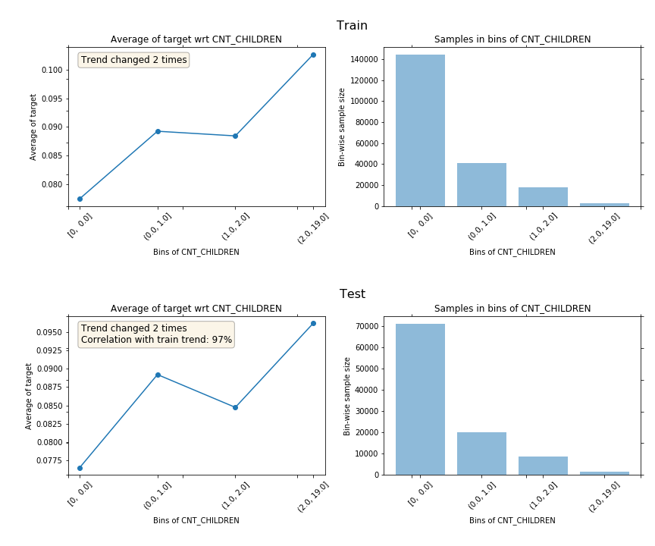 | 0.10265613783 | 0.077440563708 | 0.025215574124
AMT_INCOME_TOTAL | 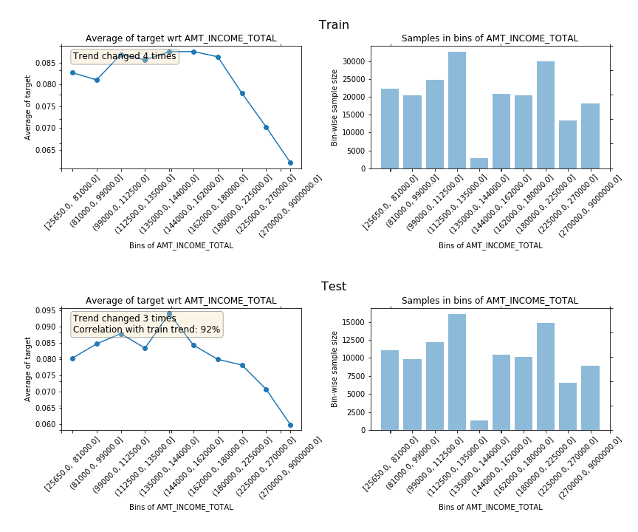 | 0.087531243992 | 0.062110101784 | 0.025421142208
AMT_CREDIT | 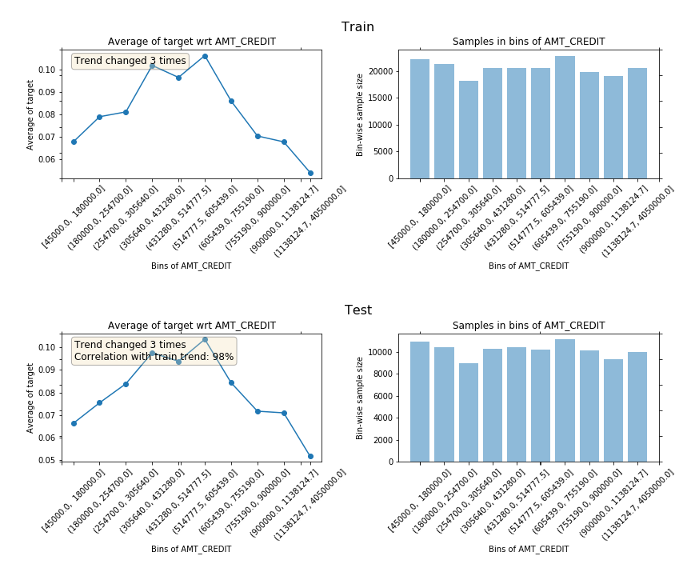 | 0.10617920171 | 0.054067171423 | 0.052112030288
AMT_ANNUITY | 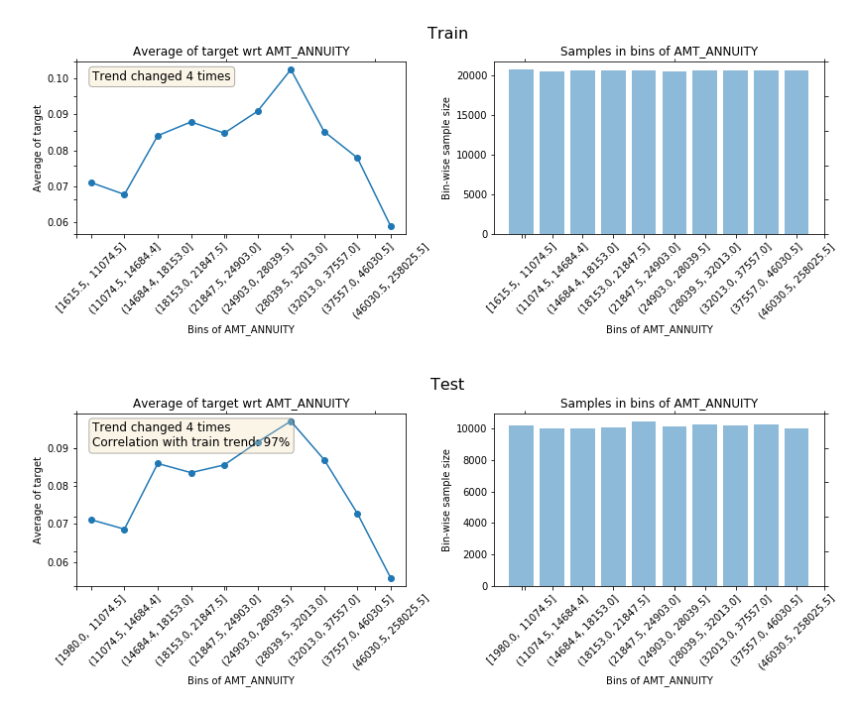 | 0.10253797253 | 0.058826386865 | 0.043711585669
AMT_GOODS_PRICE | 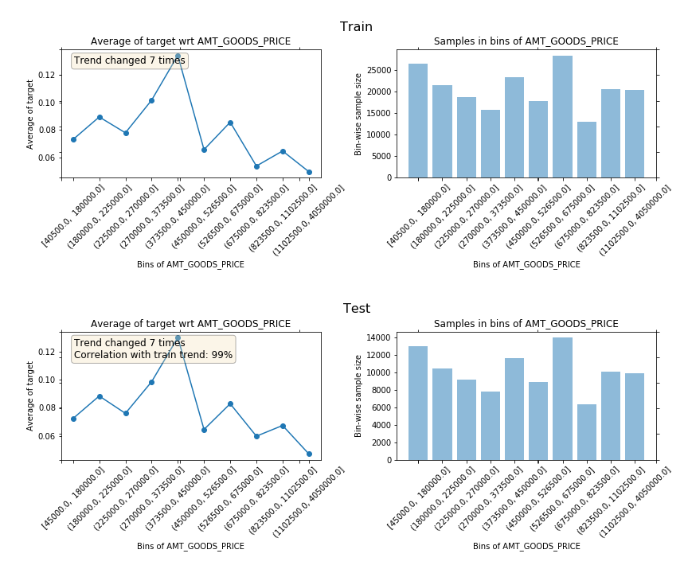 | 0.13403472757 | 0.049863387978 | 0.08417133959
REGION_POPULATION_RELATIVE | 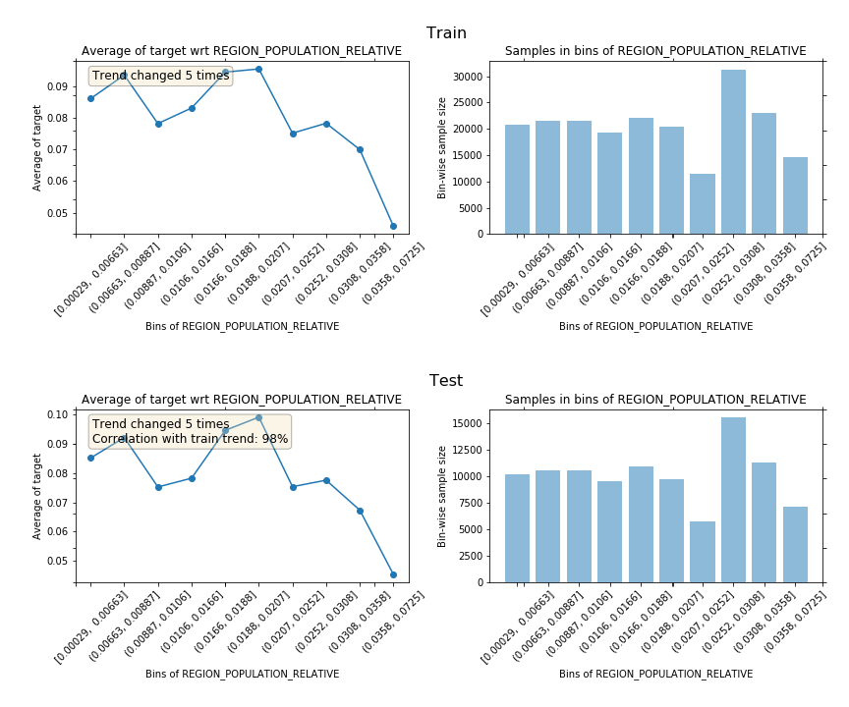 | 0.095436498211 | 0.045704958172 | 0.049731540039
DAYS_BIRTH | 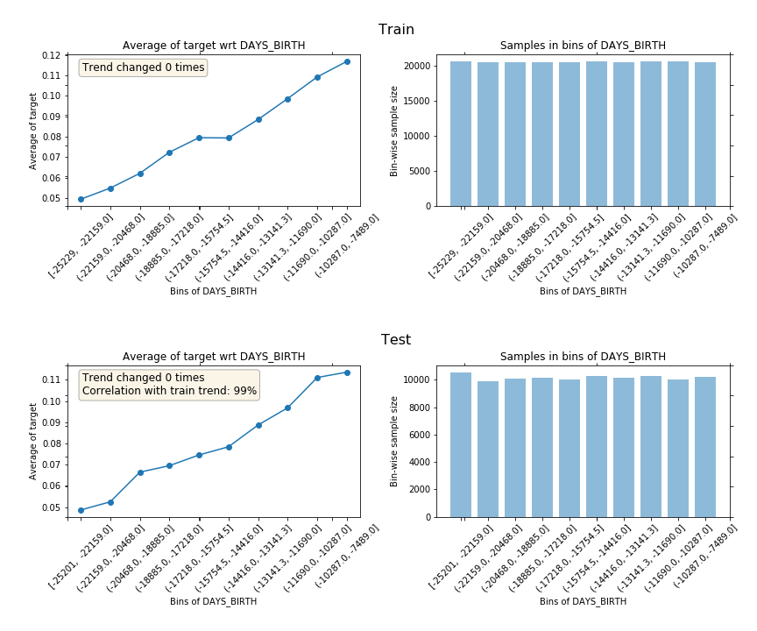 | 0.11689258126 | 0.049395894997 | 0.067496686259
DAYS_EMPLOYED | 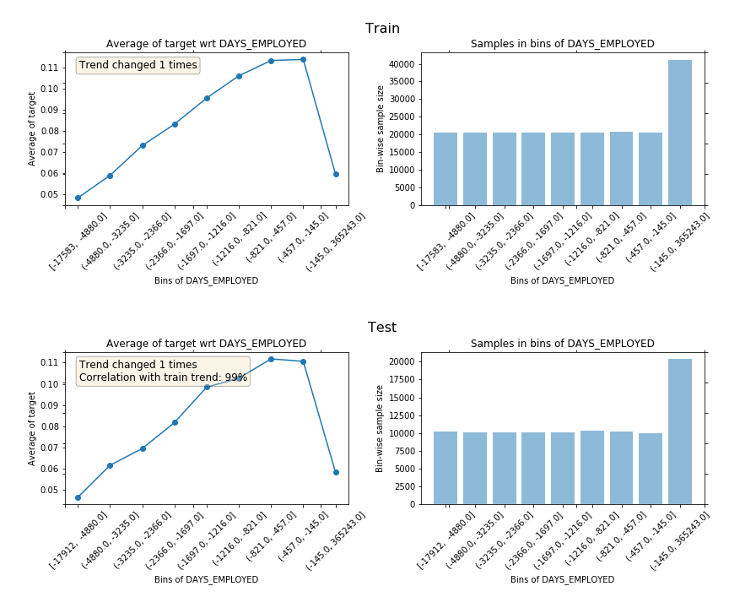 | 0.11385586023 | 0.048180494905 | 0.065675365323
DAYS_REGISTRATION | 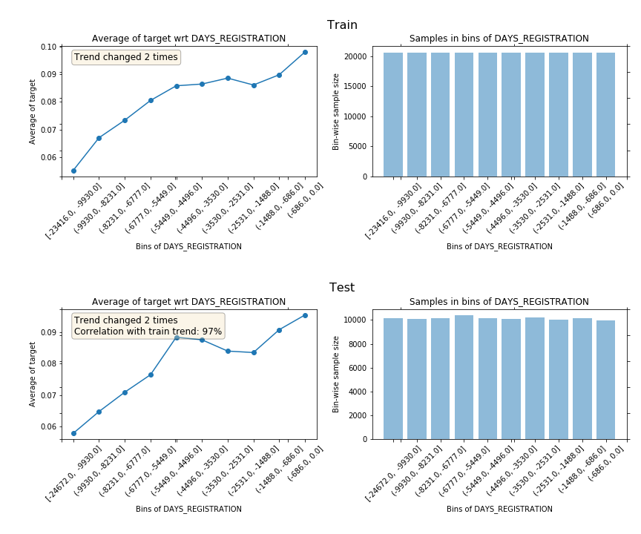 | 0.098065895617 | 0.055180781364 | 0.042885114253
DAYS_ID_PUBLISH | 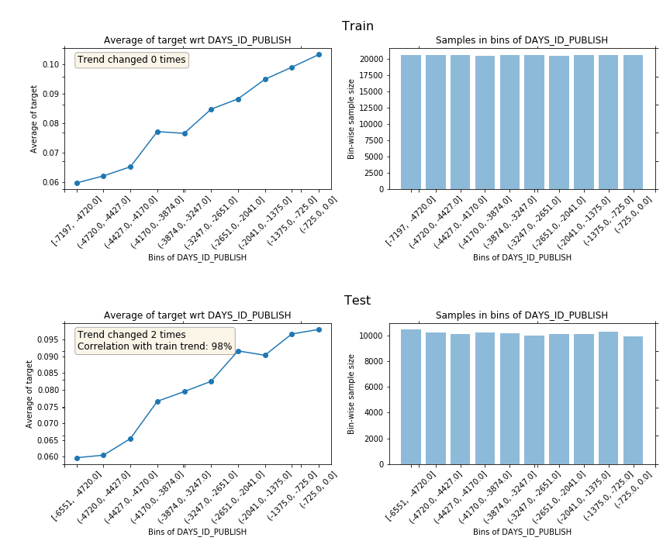 | 0.10328752489 | 0.059737619209 | 0.043549905678

