cclf8 bene demo
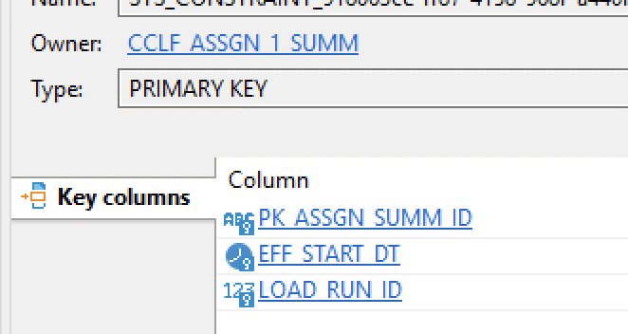
COLUMN_NAME | notes re insights, other | generator | other possible | key type field in PR 1164
ORG_ID
PK_BENE_ID | mbi based defined as: COALESCE(TO_VARCHAR('{{org_src_id}}'),'') || '|' || COALESCE(TO_VARCHAR(bene_mbi_id),'') AS PK_BENE_ID may want to apply hash/generator specifically on MBI porton to keep mbi id based fields in synch | just used ascii key now not: want to apply the same generation that I applied to the FKs in the other tables (like below) multi-Regex (2nd regex for bad data) (.*)\|(\w+.*) capture group 0 passthrough 1 Alphanumeric String Key, consistency (.*)\|(\W+.*) capture group 0 passthrough 1 Null but tonic won't let me use this on a database defined PK field | ascii key with consistency hash in etl this hash may want to agree with the one in scr_bene_mbi_id in which case apply hash precisely
EFF_START_DT | we mght also want to timestamp shift these to keep effective dates aligned with dates of service which are getting shifted eff_start_dt and end_dt are being used in patient_x_medicare_month | limited / no generators on this field which is part of the PK | Chris Freyder's comment
EFF_END_DT | shift this one? What are these based on…. Load period? | generator: timeshift generator +30 - +180 consitent to pk_bene_id I removed this
FK_ACO_ID
ORG_SRC_ID
SRC_PK_BENE_ID | defined as COALESCE(TO_VARCHAR(bene_mbi_id),'') AS SRC_PK_BENE_ID | alphanumeric string key with consistency guarded against bad data with Regex (\W+.*)
RECORD_STATUS_CD
RECORD_ACTION_CD
LOAD_STATUS_CD
LOAD_RUN_ID
LOAD_SET_ID
LOAD_PERIOD
LOAD_TS
STATUS_RUN_ID
STATUS_SET_ID
STATUS_TS
SRC_HASH
SRC_BENE_HIC_NUM |  | alphanumeric string key with consistency apply a Regex to identify & exclude bad data where field's data beginis with curly bracket and so not an alphanumeric. '\W'
SRC_BENE_FIPS_STATE_CD | no specific Tonic Address generator for this | generator: categorical - differential privacy values don't always seem to change much. Review later |  | this is an integer representation of State
SRC_BENE_FIPS_CNTY_CD | no specific Tonic Address generator for this | generator: categorical - differential privacy
SRC_BENE_ZIP_CD |  | HIPAA Address option: zip code consitency links to other Address generator fields
SRC_BENE_DOB |  | generator: Date Trucation Option Year Option#2: Birth Day
SRC_BENE_SEX_CD |  | generator: categorical - differential privacy
SRC_BENE_RACE_CD |  | generator: categorical - differential privacy
SRC_BENE_AGE |  | set this up as a post job update so that the deidentified DOB will drive the date
SRC_BENE_MDCR_STUS_CD
SRC_BENE_DUAL_STUS_CD
SRC_BENE_DEATH_DT |  | generator: timeshift generator +30 - +180 consitent to pk_bene_id
SRC_BENE_RNG_BGN_DT | Want to apply a timeshift generator but Tonic limits generator types on fields where the DB has included it as part of the pK |  | don't know solution yet ..I'm raising the issue to Tonic | the field is defined in CMS documenetation as: Date beneficiary enrolled in Hospice.. So maybe not as important as other start dates?
SRC_BENE_RNG_END_DT | shift this one? | generator: timeshift generator +30 - +180 consistent to pk_bene_id |  | Tonic says ROW DROP 27k, I'm only seeing 5k. Can't wrap timeshift within Categorical (to guard against 9999-12-31) and make it consisent on pk_bene_id
SRC_BENE_1ST_NAME |  | generator: Name option: First with consistency
SRC_BENE_MIDL_NAME |  | generator: Name option: First (there's no MI option) with consistency
SRC_BENE_LAST_NAME |  | generator: Name option: Last with consistency
SRC_BENE_ORGNL_ENTLMT_RSN_CD
SRC_BENE_ENTLMT_BUYIN_IND
SRC_BENE_MBI_ID |  | alphanumeric string key with consistency
SRC_BENE_PART_A_ENRLMT_BGN_DT | are these the most important to timestamp shift? | generator: timeshift generator +30 - +180 consitent to pk_bene_id | Chris Freyder's comment
SRC_BENE_PART_B_ENRLMT_BGN_DT | are these the most important to timestamp shift? | generator: timeshift generator +30 - +180 consitent to pk_bene_id
SRC_BENE_LINE_1_ADR |  | HIPAA Address option: street address consitency links to other Address generator fields
SRC_BENE_LINE_2_ADR |  | HIPAA Address option: street address consitency links to other Address generator fields
SRC_BENE_LINE_3_ADR | just nulling out in case street address miskeyed into here
SRC_BENE_LINE_4_ADR | just nulling out in case street address miskeyed into here
SRC_BENE_LINE_5_ADR | just nulling out in case street address miskeyed into here
SRC_BENE_LINE_6_ADR | just nulling out in case street address miskeyed into here
SRC_GEO_ZIP_PLC_NAME |  | generator: HIPAA Address Options: City Consistency Link to: SRC_GEO_ZIP_PLC_NAME, SRC_GEO_USPS_STATE_CD, SRC_GEO_ZIP5_CD
SRC_GEO_USPS_STATE_CD |  | generator: HIPAA Address Options: State Abbr Consistency Link to: SRC_GEO_ZIP_PLC_NAME, SRC_GEO_USPS_STATE_CD, SRC_GEO_ZIP5_CD
SRC_GEO_ZIP5_CD |  | generator: HIPAA Address Options: Zip Code Consistency Link to: SRC_GEO_ZIP_PLC_NAME, SRC_GEO_USPS_STATE_CD, SRC_GEO_ZIP5_CD
SRC_GEO_ZIP4_CD |  | Numeric string key, Consistency
EFFECTIVE_FLAG
RECORD_ID

db pk

