Query Plan
process_txn_main

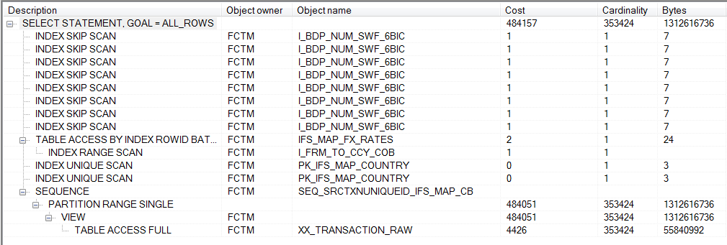

i've created index: | -- Create/Recreate indexes
 | create index FCTM.IDX_TRANS_RAW_DT on FCTM.XX_TRANSACTION_RAW (AS_OF_DATE)
 | tablespace FCTM_DATA
 | pctfree 10
 | initrans 2
 | maxtrans 255
 | storage
 | (
 | initial 64K
 | next 1M
 | minextents 1
 | maxextents unlimited
 | );

counterparty_accounts
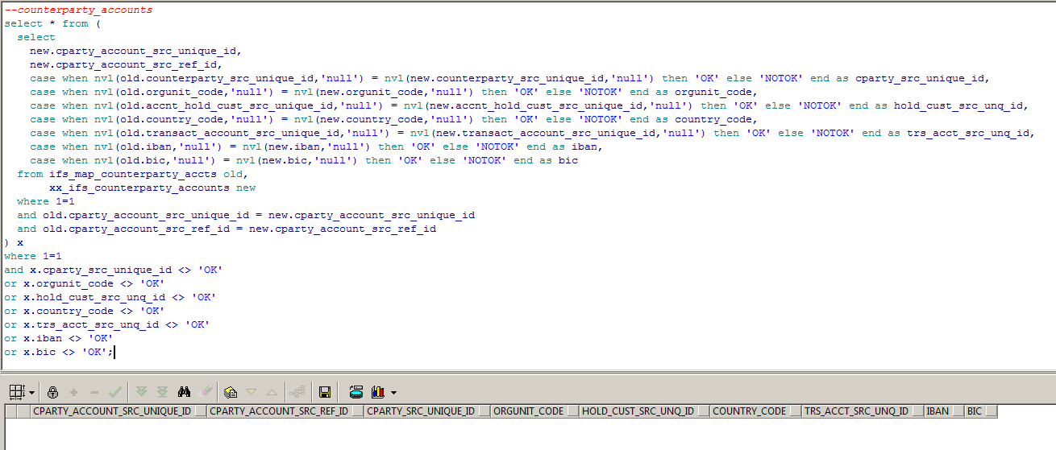

--counterparty_accounts
select * from (
select
new.cparty_account_src_unique_id,
new.cparty_account_src_ref_id,
case when nvl(old.counterparty_src_unique_id,'null') = nvl(new.counterparty_src_unique_id,'null') then 'OK' else 'NOTOK' end as cparty_src_unique_id,
case when nvl(old.orgunit_code,'null') = nvl(new.orgunit_code,'null') then 'OK' else 'NOTOK' end as orgunit_code,
case when nvl(old.accnt_hold_cust_src_unique_id,'null') = nvl(new.accnt_hold_cust_src_unique_id,'null') then 'OK' else 'NOTOK' end as hold_cust_src_unq_id,
case when nvl(old.country_code,'null') = nvl(new.country_code,'null') then 'OK' else 'NOTOK' end as country_code,
case when nvl(old.transact_account_src_unique_id,'null') = nvl(new.transact_account_src_unique_id,'null') then 'OK' else 'NOTOK' end as trs_acct_src_unq_id,
case when nvl(old.iban,'null') = nvl(new.iban,'null') then 'OK' else 'NOTOK' end as iban,
case when nvl(old.bic,'null') = nvl(new.bic,'null') then 'OK' else 'NOTOK' end as bic
from ifs_map_counterparty_accts old,
xx_ifs_counterparty_accounts new
where 1=1
and old.cparty_account_src_unique_id = new.cparty_account_src_unique_id
and old.cparty_account_src_ref_id = new.cparty_account_src_ref_id
) x
where 1=1
and x.cparty_src_unique_id <> 'OK'
or x.orgunit_code <> 'OK'
or x.hold_cust_src_unq_id <> 'OK'
or x.country_code <> 'OK'
or x.trs_acct_src_unq_id <> 'OK'
or x.iban <> 'OK'
or x.bic <> 'OK';

country
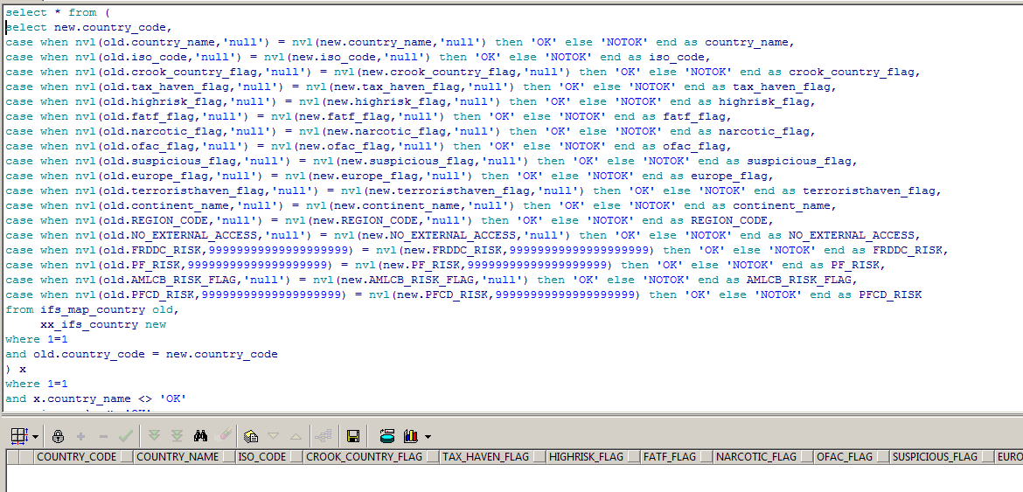

select * from (
select new.country_code,
case when nvl(old.country_name,'null') = nvl(new.country_name,'null') then 'OK' else 'NOTOK' end as country_name,
case when nvl(old.iso_code,'null') = nvl(new.iso_code,'null') then 'OK' else 'NOTOK' end as iso_code,
case when nvl(old.crook_country_flag,'null') = nvl(new.crook_country_flag,'null') then 'OK' else 'NOTOK' end as crook_country_flag,
case when nvl(old.tax_haven_flag,'null') = nvl(new.tax_haven_flag,'null') then 'OK' else 'NOTOK' end as tax_haven_flag,
case when nvl(old.highrisk_flag,'null') = nvl(new.highrisk_flag,'null') then 'OK' else 'NOTOK' end as highrisk_flag,
case when nvl(old.fatf_flag,'null') = nvl(new.fatf_flag,'null') then 'OK' else 'NOTOK' end as fatf_flag,
case when nvl(old.narcotic_flag,'null') = nvl(new.narcotic_flag,'null') then 'OK' else 'NOTOK' end as narcotic_flag,
case when nvl(old.ofac_flag,'null') = nvl(new.ofac_flag,'null') then 'OK' else 'NOTOK' end as ofac_flag,
case when nvl(old.suspicious_flag,'null') = nvl(new.suspicious_flag,'null') then 'OK' else 'NOTOK' end as suspicious_flag,
case when nvl(old.europe_flag,'null') = nvl(new.europe_flag,'null') then 'OK' else 'NOTOK' end as europe_flag,
case when nvl(old.terroristhaven_flag,'null') = nvl(new.terroristhaven_flag,'null') then 'OK' else 'NOTOK' end as terroristhaven_flag,
case when nvl(old.continent_name,'null') = nvl(new.continent_name,'null') then 'OK' else 'NOTOK' end as continent_name,
case when nvl(old.REGION_CODE,'null') = nvl(new.REGION_CODE,'null') then 'OK' else 'NOTOK' end as REGION_CODE,
case when nvl(old.NO_EXTERNAL_ACCESS,'null') = nvl(new.NO_EXTERNAL_ACCESS,'null') then 'OK' else 'NOTOK' end as NO_EXTERNAL_ACCESS,
case when nvl(old.FRDDC_RISK,99999999999999999999) = nvl(new.FRDDC_RISK,99999999999999999999) then 'OK' else 'NOTOK' end as FRDDC_RISK,
case when nvl(old.PF_RISK,99999999999999999999) = nvl(new.PF_RISK,99999999999999999999) then 'OK' else 'NOTOK' end as PF_RISK,
case when nvl(old.AMLCB_RISK_FLAG,'null') = nvl(new.AMLCB_RISK_FLAG,'null') then 'OK' else 'NOTOK' end as AMLCB_RISK_FLAG,
case when nvl(old.PFCD_RISK,99999999999999999999) = nvl(new.PFCD_RISK,99999999999999999999) then 'OK' else 'NOTOK' end as PFCD_RISK
from ifs_map_country old,
xx_ifs_country new
where 1=1
and old.country_code = new.country_code
) x
where 1=1
and x.country_name <> 'OK'
or x.iso_code <> 'OK'
or x.crook_country_flag <> 'OK'
or x.tax_haven_flag <> 'OK'
or x.highrisk_flag <> 'OK'
or x.fatf_flag <> 'OK'
or x.narcotic_flag <> 'OK'
or x.ofac_flag <> 'OK'
or x.suspicious_flag <> 'OK'
or x.europe_flag <> 'OK'
or x.terroristhaven_flag <> 'OK'
or x.continent_name <> 'OK'
or x.REGION_CODE <> 'OK'
or x.NO_EXTERNAL_ACCESS <> 'OK'
or x.FRDDC_RISK <> 'OK'
or x.PF_RISK <> 'OK'
or x.AMLCB_RISK_FLAG <> 'OK'
or x.PFCD_RISK <> 'OK';

cust_acc_link
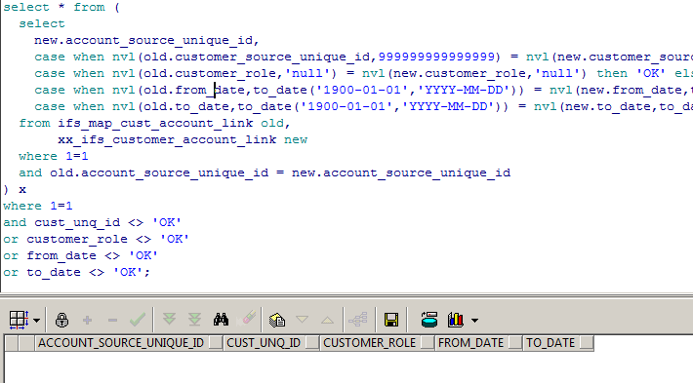

select count(1) from ifs_map_cust_account_link old; -- 391
select count(1) from xx_ifs_customer_account_link new; -- 377

select
case when nvl(to_char(old.account_source_unique_id), '_null_') <> nvl(to_char(new.account_source_unique_id), '_null_') then old.account_source_unique_id || ' @ ' ||new.account_source_unique_id end as account_source_unique_id,
case when nvl(to_char(old.customer_source_unique_id), '_null_') <> nvl(to_char(new.customer_source_unique_id), '_null_') then old.customer_source_unique_id || ' @ ' ||new.customer_source_unique_id end as customer_source_unique_id,
case when nvl(to_char(old.customer_role), '_null_') <> nvl(to_char(new.customer_role), '_null_') then old.customer_role || ' @ ' ||new.customer_role end as customer_role,
case when nvl(to_char(old.from_date), '_null_') <> nvl(to_char(new.from_date), '_null_') then old.from_date || ' @ ' ||new.from_date end as from_date,
case when nvl(to_char(old.to_date), '_null_') <> nvl(to_char(new.to_date), '_null_') then old.to_date || ' @ ' ||new.to_date end as account_source_unique_id
from ifs_map_cust_account_link old,
xx_ifs_customer_account_link new
where 1=1
and old.account_source_unique_id = new.account_source_unique_id;

select old.account_source_unique_id from ifs_map_cust_account_link old where old.account_source_unique_id not in (select new.account_source_unique_id from xx_ifs_customer_account_link new); --23
select new.account_source_unique_id from xx_ifs_customer_account_link new where new.account_source_unique_id not in (select old.account_source_unique_id from ifs_map_cust_account_link old); --9

product
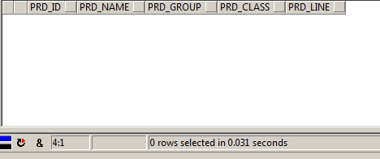

select * from
(
select
case when nvl(old.product_id,'null') = nvl(new.product_id,'null') then 'OK' else 'NOTOK' end as prd_id,
case when nvl(old.product_name,'null') = nvl(new.product_name,'null') then 'OK' else 'NOTOK' end as prd_name,
case when nvl(old.product_group,'null') = nvl(new.product_group,'null') then 'OK' else 'NOTOK' end as prd_group,
case when nvl(old.product_class,'null') = nvl(new.product_class,'null') then 'OK' else 'NOTOK' end as prd_class,
case when nvl(old.product_line,'null') = nvl(new.product_line,'null') then 'OK' else 'NOTOK' end as prd_line
from ifs_map_product old,
xx_ifs_product new
where 1=1
and old.product_id = new.product_id
) x
where prd_id <> 'OK'
or prd_name <> 'OK'
or prd_group <> 'OK'
or prd_class <> 'OK'
or prd_line <> 'OK'

