Instructions
1. Verify that you have a valid login on the CFI page http://vasa0097.cxo.storage.hpecorp.net/Cfi/CFIIssues

If you can login, you should see a page like:

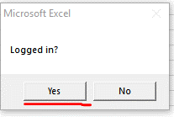
2. Return to the spreasheet and confirm that you were able to login

3. Select "Refresh Data" to pull in CFI and Bugzilla data

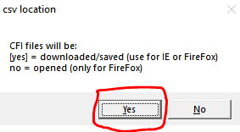
4. Indicate if you intend to download the CSV files(default), or 'Open' them in Excel. Generally the default 'download' is easiest.

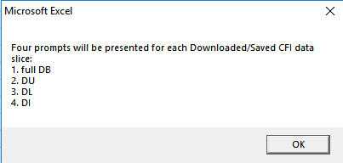
An information box will appear with the order fo the downloads. Dismiss the message when ready.

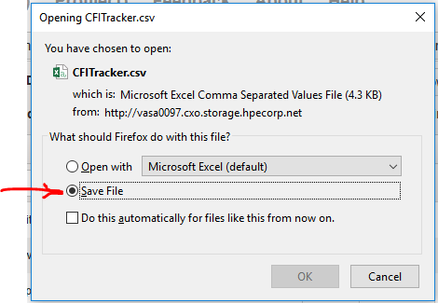
Be sure to select 'Save File' when the browser prompts for action on CSV file.

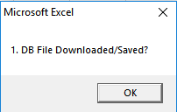
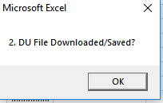
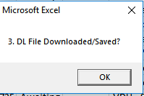
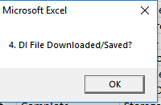
5. Confirm each of four downloads by selecting the spreadsheet and clicking 'OK'

6. The bugzilla data import will start automatically after the last CFI download is confirmed. The spreadsheet may be unresponsive for a few secconds as the data is imported and merged with the CFI data.

