liquidus line
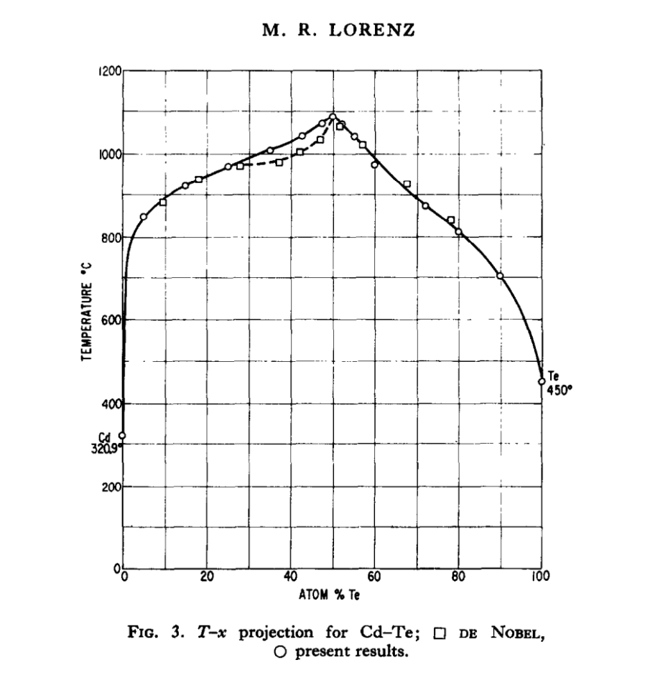
 | Liquidus line
Brebrick |  |  | Lorenz
Te, a/o | T | Atom % Te | T (C) | T(K)
55 | 1036 | 0 | 320.9 | 593.9
60 | 980 | 5.021 | 850 | 1123
65 | 929 | 15.001 | 925 | 1198
 |  | 25 | 972 | 1245
 |  | 34.986 | 1010 | 1283
 |  | 42.493 | 1044 | 1317
 |  | 47.456 | 1077 | 1350
 |  | 50.089 | 1092 | 1365
 |  | 51.996 | 1074 | 1347
 |  | 54.994 | 1042 | 1315
 |  | 60 | 977 | 1250
 |  | 65.235 | 925 | 1198
 |  | 72.25 | 875 | 1148
 |  | 80 | 815 | 1088
 |  | 89.989 | 704 | 977
 |  | 100 | 450 | 723

Excess values
solidus line
 | Excess Cd | Temp | Excess Te | Temp
 | 6.62E+15 | 309.63952 | 4.78E+15 | 1063.83261
 | 6.84E+15 | 370.2758 | 8.16E+15 | 1063.83261
 | 7.51E+15 | 450.65412 | 1.35E+16 | 1063.83261
 | 8.29E+15 | 504.94474 | 2.90E+16 | 1064.77271
 | 8.80E+15 | 527.27206 | 5.16E+16 | 1070.88334
 | 1.09E+16 | 594.95906 | 6.86E+16 | 1076.2889
 | 1.42E+16 | 642.19895 | 8.16E+16 | 1078.87417
 | 2.62E+16 | 696.48958 | 1.10E+17 | 1086.15992
 | 4.12E+16 | 738.55893 | 1.49E+17 | 1092.27055
 | 7.09E+16 | 790.26428 | 1.67E+17 | 1078.16909
 | 1.10E+17 | 836.56408 | 1.78E+17 | 1054.90168
 | 1.61E+17 | 875.81314 | 1.79E+17 | 1016.59272
 | 2.67E+17 | 934.56923 | 1.76E+17 | 984.39438
 | 2.90E+17 | 961.362 | 1.73E+17 | 950.55088
 | 2.95E+17 | 986.27458 | 1.66E+17 | 918.58757
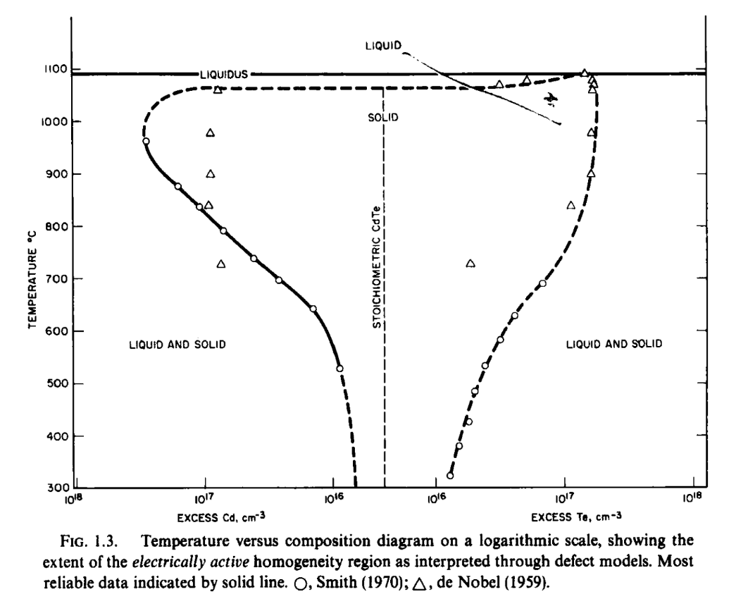
 | 2.71E+17 | 1014.71252 | 1.57E+17 | 880.98368
 | 2.41E+17 | 1029.9891 | 1.45E+17 | 849.02037
 | 2.04E+17 | 1045.03066 | 1.32E+17 | 818.70223
 | 1.57E+17 | 1055.84178 | 1.19E+17 | 788.38409
 | 1.23E+17 | 1061.95241 | 1.04E+17 | 757.12585
 | 9.12E+16 | 1063.83261 | 9.03E+16 | 731.27318
 | 5.43E+16 | 1062.89251 | 7.33E+16 | 702.83523
 | 4.01E+16 | 1062.89251 | 6.05E+16 | 680.50792
 | 2.25E+16 | 1062.89251 | 5.20E+16 | 662.64607
 | 9.81E+15 | 1062.89251 | 4.33E+16 | 637.73349
 | 4.47E+15 | 1062.89251 | 3.48E+16 | 603.88999
 |  |  | 2.95E+16 | 571.69165
 |  |  | 2.43E+16 | 530.79742
 |  |  | 2.06E+16 | 487.08289
 |  |  | 1.83E+16 | 453.23939
 |  |  | 1.66E+16 | 420.33598
 |  |  | 1.45E+16 | 373.09609
 |  |  | 1.31E+16 | 330.32166

dmu=dmu0+dmu(p)
Cd rich |  |  | dmu0_Cd taken from mu_Cd from Cd rich condition at 600 K |  |  |  |  |  | Te rich | dmu0_Te taken from mu_Te from Te rich condition at 720 K
T_equilibrium (K) | \mu_{Cd} (eV) | at% Te | T | P_Cd | k_bTln(P_Cd/P_ref) | mu0_Cd(T) | dmu_Cd = dmu0_Cd(600) + kBTln(P_Cd/P_ref) | T_equilibrium (K) | \mu_{Te} (eV) |  | at% Te | T | P_Te2 | k_bTln(P_Te/P_ref)/2 | Mu0_Te(T) | dmu_Te = dmu0_Te(720) + kBTln(P_Te/P_ref)/2
1500 | -1.2618479147 | 90 | 982.48233988 | 1.9317014242E-05 | -3.10E-01 |  | -6.66E-01 | 1500 | -1.3243686624 |  | 20 | 1238.6048355 | 1.3409420196E-06 | -2.96E-01 |  | -7.21E-01
1480 | -1.2393562449 |  | 1000.5803366 | 3.1550046234E-05 | -2.73E-01 |  | -6.29E-01 | 1480 | -1.2991319171 |  | 30 | 1268.1343208 | 3.6743455782E-06 | -2.48E-01 |  | -6.73E-01
1460 | -1.2169477897 |  | 1021.9932957 | 5.8462852299E-05 | -2.25E-01 |  | -5.81E-01 | 1460 | -1.2739863791 |  |  | 1279.2795098 | 5.6758381136E-06 | -2.26E-01 |  | -6.51E-01
1440 | -1.1946236893 |  | 1040.6368698 | 9.6870156195E-05 | -1.84E-01 |  | -5.39E-01 | 1440 | -1.2489332977 |  | 40 | 1296.6804979 | 1.0939815558E-05 | -1.92E-01 |  | -6.17E-01
1420 | -1.1723851153 |  | 1067.0878107 | 0.00019715600073 | -1.23E-01 |  | -4.79E-01 | 1420 | -1.2239739573 |  |  | 1310.9596224 | 2.0919437372E-05 | -1.58E-01 |  | -5.83E-01
1400 | -1.1502332724 | 80 | 1084.9517196 | 0.0003017588389 | -8.54E-02 |  | -4.41E-01 | 1400 | -1.1991096782 |  | 45 | 1326.0489047 | 4.2279515316E-05 | -1.19E-01 |  | -5.45E-01
1380 | -1.1281693997 |  | 1111.6793028 | 0.0005902554422 | -2.32E-02 |  | -3.79E-01 | 1380 | -1.1743418185 |  |  | 1339.4411851 | 9.7741725129E-05 | -7.23E-02 |  | -4.97E-01
1360 | -1.1061947721 | 70 | 1137.035521 | 0.001121708472 | 3.92E-02 |  | -3.17E-01 | 1360 | -1.1496717757 |  | 48 | 1351.8811426 | 0.00024071325191 | -2.05E-02 |  | -4.46E-01
1340 | -1.0843107022 |  | 1170.3434958 | 0.002480447275 | 1.20E-01 |  | -2.35E-01 | 1340 | -1.1251009884 |  |  | 1358.5479839 | 0.00060945269242 | 3.38E-02 |  | -3.91E-01
1320 | -1.0625185418 |  | 1199.1126566 | 0.0048518794296 | 1.93E-01 |  | -1.63E-01 | 1320 | -1.1006309381 |  |  | 1361.8968499 | 0.0012317427083 | 7.52E-02 |  | -3.50E-01
1300 | -1.0408196835 |  | 1228.0184694 | 0.009593564505 | 2.69E-01 |  | -8.63E-02 | 1300 | -1.0762631512 |  |  | 1367.9890561 | 0.0056 | 1.65E-01 |  | -2.60E-01
1280 | -1.0192155628 | 60 | 1257.8141705 | 0.019245535514 | 3.51E-01 |  | -4.27E-03 | 1280 | -1.0519992012 |  |  | 1366.1202186 | 0.0068 | 1.76E-01 |  | -2.49E-01
1260 | -0.99770766011 |  | 1284.7195457 | 0.038192668206 | 4.35E-01 |  | 7.91E-02 | 1260 | -1.0278407107 |  | 50 | 1364.5543366 | 0.002651978507 | 1.20E-01 |  | -3.05E-01
1240 | -0.97629750284 |  | 1318.1308904 | 0.09826752095 | 5.53E-01 |  | 1.98E-01 | 1240 | -1.0037893536 |  | 50.5 | 1362.6020248 | 0.0057778997193 | 1.66E-01 |  | -2.59E-01
1220 | -0.95498666767 |  | 1325.258094 | 0.15204424977 | 6.06E-01 |  | 2.51E-01 | 1220 | -0.97984685825 |  |  | 1360.5442177 | 0.012 | 2.09E-01 |  | -2.17E-01
1200 | -0.93377678296 |  | 1337.1665441 | 0.20809421163 | 6.48E-01 |  | 2.92E-01 | 1200 | -0.95601500929 |  |  | 1358.5479839 | 0.011180725882 | 2.04E-01 |  | -2.21E-01
1180 | -0.91266953138 |  | 1348.5085495 | 0.27770263462 | 6.87E-01 |  | 3.31E-01 | 1180 | -0.93229565102 |  |  | 1355.9138181 | 0.014006189566 | 2.17E-01 |  | -2.08E-01
1160 | -0.89166665264 | 52 | 1348.5812925 | 0.31962445463 | 7.03E-01 |  | 3.48E-01 | 1160 | -0.90869069026 |  |  | 1351.3696131 | 0.020069659299 | 2.37E-01 |  | -1.88E-01
1140 | -0.87076994645 |  | 1350.7125008 | 0.38560264124 | 7.26E-01 |  | 3.71E-01 | 1140 | -0.8852021193 |  |  | 1351.3513514 | 0.023 | 2.45E-01 |  | -1.80E-01
1120 | -0.84998127567 |  | 1353.1250423 | 0.45355504284 | 7.46E-01 |  | 3.91E-01 | 1120 | -0.86183202515 |  | 52 | 1349.272742 | 0.023322763048 | 2.45E-01 |  | -1.80E-01
1100 | -0.82930256971 |  | 1354.5546901 | 0.50721256076 | 7.60E-01 |  | 4.05E-01 | 1100 | -0.83858267863 |  |  | 1346.6743876 | 0.025441926873 | 2.50E-01 |  | -1.75E-01
1080 | -0.80873582815 |  | 1357.5889221 | 0.61407299656 | 7.84E-01 |  | 4.29E-01 | 1080 | -0.81545640674 |  |  | 1336.8983957 | 0.042 | 2.77E-01 |  | -1.48E-01
1060 | -0.78828312464 |  | 1364.7405628 | 0.78478374672 | 8.17E-01 |  | 4.62E-01 | 1060 | -0.79245563092 |  |  | 1335.6841374 | 0.041208803031 | 2.76E-01 |  | -1.49E-01
1040 | -0.7679466111 |  | 1364.7405628 | 1.002928563 | 8.46E-01 |  | 4.91E-01 | 1040 | -0.76958289611 |  |  | 1324.5033113 | 0.06 | 2.95E-01 |  | -1.30E-01
1020 | -0.74772852221 | 50 | 1365.3554703 | 1.2318845261 | 8.71E-01 |  | 5.15E-01 | 1020 | -0.74684090443 |  |  | 1324.0473479 | 0.058123264699 | 2.93E-01 |  | -1.32E-01
1000 | -0.72763118033 |  | 1365 | 1.26 | 8.73E-01 |  | 5.18E-01 | 1000 | -0.72423255412 |  |  | 1315.7894737 | 0.075 | 3.06E-01 |  | -1.19E-01
980 | -0.70765700071 |  | 1364.7405628 | 1.6860094326 | 9.07E-01 |  | 5.52E-01 | 980 | -0.70176098472 |  |  | 1315.2356902 | 0.070545611119 | 3.02E-01 |  | -1.23E-01
960 | -0.68780849722 |  | 1364 | 1.73 | 9.10E-01 |  | 5.54E-01 | 960 | -0.67942962942 |  | 55 | 1312.1121069 | 0.083285615572 | 3.11E-01 |  | -1.14E-01
940 | -0.66808828849 |  | 1363.1035141 | 2.1314738065 | 9.34E-01 |  | 5.78E-01 | 940 | -0.6572422758 |  |  | 1308.9005236 | 0.088 | 3.13E-01 |  | -1.12E-01
920 | -0.64849910459 |  | 1363 | 1.74 | 9.10E-01 |  | 5.54E-01 | 920 | -0.63520313644 |  |  | 1298.7012987 | 0.102 | 3.19E-01 |  | -1.06E-01
900 | -0.62904379434 |  | 1362 | 2.16 | 9.35E-01 |  | 5.79E-01 | 900 | -0.61331693103 |  |  | 1298.6169729 | 0.098328632664 | 3.17E-01 |  | -1.08E-01
880 | -0.60972533318 |  | 1361 | 2.6 | 9.56E-01 |  | 6.00E-01 | 880 | -0.59158898202 |  |  | 1282.0512821 | 0.125 | 3.26E-01 |  | -9.91E-02
860 | -0.59054683187 |  | 1360.8404551 | 2.5071481637 | 9.51E-01 |  | 5.96E-01 | 860 | -0.5700253263 |  |  | 1282.2485511 | 0.11747081991 | 3.23E-01 |  | -1.02E-01
840 | -0.57151154586 |  | 1358.4003478 | 3.0353585554 | 9.72E-01 |  | 6.16E-01 | 840 | -0.54863284568 |  |  | 1265.8227848 | 0.148 | 3.31E-01 |  | -9.40E-02
820 | -0.55262288566 |  | 1358 | 3.1 | 9.74E-01 |  | 6.18E-01 | 820 | -0.52741941986 |  | 60 | 1253.2741788 | 0.14950303184 | 3.28E-01 |  | -9.68E-02
800 | -0.53388442824 |  | 1355 | 3.62 | 9.90E-01 |  | 6.34E-01 | 800 | -0.50639410594 |  |  | 1250 | 0.16 | 3.31E-01 |  | -9.40E-02
780 | -0.51529992942 | 48 | 1352.3199048 | 3.5318316979 | 9.85E-01 |  | 6.30E-01 | 780 | -0.4855673498 |  |  | 1234.6593575 | 0.17373607267 | 3.31E-01 |  | -9.36E-02
760 | -0.49687333771 |  | 1352 | 3.62 | 9.88E-01 |  | 6.32E-01 | 760 | -0.46495123549 |  |  | 1234.5679012 | 0.18 | 3.33E-01 |  | -9.18E-02
740 | -0.47860880952 |  | 1347.7088949 | 4.2146352971 | 1.00E+00 |  | 6.47E-01 | 740 | -0.44455978047 |  |  | 1204.8192771 | 0.188 | 3.28E-01 |  | -9.76E-02
720 | -0.460510726 |  | 1347 | 4.3 | 1.00E+00 |  | 6.48E-01 | 720 | -0.4250713296 |  | 65 | 1202.5012025 | 0.18434866631 | 3.26E-01 |  | -9.92E-02
700 | -0.44258371177 |  | 1341 | 4.68 | 1.01E+00 |  | 6.54E-01 | 700 | -0.4101016987 |  |  | 1176.8444094 | 0.17861173946 | 3.17E-01 |  | -1.08E-01
680 | -0.42483265585 |  | 1340.9319477 | 4.5792040902 | 1.01E+00 |  | 6.51E-01 | 680 | -0.39529954876 |  |  | 1176.4705882 | 0.188 | 3.20E-01 |  | -1.05E-01
660 | -0.40726273496 |  | 1329.7341861 | 5.4644945858 | 1.02E+00 |  | 6.63E-01 | 660 | -0.38066814753 |  |  | 1135.2928488 | 0.15188678869 | 2.98E-01 |  | -1.27E-01
640 | -0.38987943968 |  | 1329 | 5.6 | 1.02E+00 |  | 6.65E-01 | 640 | -0.36621109704 |  |  | 1111.1111111 | 0.135 | 2.86E-01 |  | -1.39E-01
620 | -0.37268860394 |  | 1316 | 6.37 | 1.03E+00 |  | 6.70E-01 | 620 | -0.35193236206 |  |  | 1110.148982 | 0.12663390518 | 2.83E-01 |  | -1.42E-01
600 | -0.35569643823 |  | 1315.8414148 | 6.2672930184 | 1.02E+00 |  | 6.68E-01 | 600 | -0.33783630175 |  |  | 1052.6315789 | 0.082 | 2.49E-01 |  | -1.77E-01
580 | -0.34044489133 | 40 | 1295.907524 | 6.544553164 | 1.01E+00 |  | 6.57E-01 | 580 | -0.32392770502 |  |  | 1051.4583728 | 0.078491024911 | 2.46E-01 |  | -1.79E-01
560 | -0.32602768385 | 30 | 1277.3023375 | 6.4508954007 | 9.97E-01 |  | 6.41E-01 | 560 | -0.31021182986 |  |  | 1000 | 0.046 | 2.11E-01 |  | -2.14E-01
540 | -0.31182605459 |  | 1250.5314759 | 5.7683286991 | 9.64E-01 |  | 6.08E-01 | 540 | -0.29669444746 |  |  | 999.70008997 | 0.043726025126 | 2.09E-01 |  | -2.16E-01
520 | -0.2978460898 |  | 1219.2594218 | 4.8338147212 | 9.21E-01 |  | 5.66E-01 | 520 | -0.28338189161 |  |  | 970.53457044 | 0.029565824865 | 1.86E-01 |  | -2.39E-01
500 | -0.28409434739 |  | 1171.5500779 | 3.169567463 | 8.43E-01 |  | 4.87E-01 | 500 | -0.27028111417 |  |  | 952.38095238 | 0.026 | 1.78E-01 |  | -2.47E-01
480 | -0.27057791412 |  | 1154.5477636 | 2.9172254922 | 8.22E-01 |  | 4.66E-01 | 480 | -0.25739974731 |  |  | 934.57943925 | 0.017 | 1.57E-01 |  | -2.68E-01
460 | -0.25730447246 |  | 1136.4669515 | 2.5071481637 | 7.94E-01 |  | 4.39E-01 | 460 | -0.24474617366 |  |  | 925.70307148 | 0.01647062199 | 1.55E-01 |  | -2.71E-01
440 | -0.24428237926 |  | 1117.9804801 | 2.154666205 | 7.67E-01 |  | 4.11E-01 | 440 | -0.23232960496 |  | 100 | 833.25695145 | 0.0032187704083 | 8.05E-02 |  | -3.45E-01
420 | -0.23152075892 |  | 1100.485314 | 1.8055935722 | 7.38E-01 |  | 3.82E-01 | 420 | -0.22016017057 |  |  | 820 | 0.0025014375492 | 7.03E-02 |  | -3.55E-01
400 | -0.21902961468 |  | 1087.9498673 | 1.5972025688 | 7.18E-01 |  | 3.63E-01 | 400 | -0.20824901634 |  |  | 800 | 0.0017144093409 | 5.56E-02 |  | -3.70E-01
380 | -0.20681996254 |  | 1074.286942 | 1.4128628309 | 6.98E-01 |  | 3.42E-01 | 380 | -0.19660841465 |  |  | 780 | 0.0011638181999 | 4.12E-02 |  | -3.84E-01
360 | -0.19490399402 |  | 1058.6155426 | 1.1839680967 | 6.72E-01 |  | 3.16E-01 | 360 | -0.18525188548 |  |  | 760 | 0.00078214213982 | 2.71E-02 |  | -3.98E-01
340 | -0.18329527596 |  | 1041.1135751 | 0.9885758572 | 6.44E-01 |  | 2.89E-01 | 340 | -0.17419432719 |  |  | 740 | 0.00052009542697 | 1.34E-02 |  | -4.12E-01
320 | -0.17200899852 |  | 1026.7362109 | 0.84044635887 | 6.21E-01 |  | 2.65E-01 | 320 | -0.16345215318 |  |  | 720 | 0.00034199906498 | 0.00E+00 | -0.4250713296 | -4.25E-01
300 | -0.16106228708 |  | 1008.5932142 | 0.68425818329 | 5.92E-01 |  | 2.36E-01 | 300 | -0.15304342596 |  |  | 700 |  | -0.4101016987 | -0.4101016987 | -0.4101016987
 |  |  | 1000.5803366 | 0.6297816465 | 5.80E-01 |  | 2.25E-01 |  |  |  |  | 680 |  | -0.39529954876 | -0.39529954876 | -0.39529954876
 |  |  | 909.66978987 | 0.18407296166 | 4.31E-01 |  | 7.55E-02 |  |  |  |  | 660 |  | -0.38066814753 | -0.38066814753 | -0.38066814753
 |  | 0 | 846.90498573 | 0.068757487731 | 3.30E-01 |  | -2.62E-02 |  |  |  |  | 640 |  | -0.36621109704 | -0.36621109704 | -0.36621109704
 |  |  | 840 | 0.062774551352 | 3.20E-01 |  | -3.54E-02 |  |  |  |  | 620 |  | -0.35193236206 | -0.35193236206 | -0.35193236206
 |  |  | 820 | 0.045725995012 | 2.90E-01 |  | -6.54E-02 |  |  |  |  | 600 |  | -0.33783630175 | -0.33783630175 | -0.33783630175
 |  |  | 800 | 0.033047935529 | 2.61E-01 |  | -9.49E-02 |  |  |  |  | 580 |  | -0.32392770502 | -0.32392770502 | -0.32392770502
 |  |  | 780 | 0.023689452912 | 2.32E-01 |  | -1.24E-01 |  |  |  |  | 560 |  | -0.31021182986 | -0.31021182986 | -0.31021182986
 |  |  | 760 | 0.016834869116 | 2.04E-01 |  | -1.52E-01 |  |  |  |  | 540 |  | -0.29669444746 | -0.29669444746 | -0.29669444746
 |  |  | 740 | 0.011855179124 | 1.76E-01 |  | -1.80E-01 |  |  |  |  | 520 |  | -0.28338189161 | -0.28338189161 | -0.28338189161
 |  |  | 720 | 0.0082686257174 | 1.49E-01 |  | -2.07E-01 |  |  |  |  | 500 |  | -0.27028111417 | -0.27028111417 | -0.27028111417
 |  |  | 700 | 0.005708871031 | 1.22E-01 |  | -2.33E-01 |  |  |  |  | 480 |  | -0.25739974731 | -0.25739974731 | -0.25739974731
 |  |  | 680 | 0.0038994486696 | 9.64E-02 |  | -2.59E-01 |  |  |  |  | 460 |  | -0.24474617366 | -0.24474617366 | -0.24474617366
 |  |  | 660 | 0.0026333813662 | 7.13E-02 |  | -2.84E-01 |  |  |  |  | 440 |  | -0.23232960496 | -0.23232960496 | -0.23232960496
 |  |  | 640 | 0.0017570238783 | 4.68E-02 |  | -3.09E-01 |  |  |  |  | 420 |  | -0.22016017057 | -0.22016017057 | -0.22016017057
 |  |  | 620 | 0.0011573420232 | 2.30E-02 |  | -3.33E-01 |  |  |  |  | 400 |  | -0.20824901634 | -0.20824901634 | -0.20824901634
 |  |  | 600 | 0.00075196901941 | 0.00E+00 | -0.35569643823 | -3.56E-01 |  |  |  |  | 380 |  | -0.19660841465 | -0.19660841465 | -0.19660841465
 |  |  | 580 |  | -0.34044489133 | -0.34044489133 | -0.34044489133 |  |  |  |  | 360 |  | -0.18525188548 | -0.18525188548 | -0.18525188548
 |  |  | 560 |  | -0.32602768385 | -0.32602768385 | -0.32602768385 |  |  |  |  | 340 |  | -0.17419432719 | -0.17419432719 | -0.17419432719
 |  |  | 540 |  | -0.31182605459 | -0.31182605459 | -0.31182605459 |  |  |  |  | 320 |  | -0.16345215318 | -0.16345215318 | -0.16345215318
kB | 8.62E-05 |  | 520 |  | -0.2978460898 | -0.2978460898 | -0.2978460898 |  |  |  |  | 300 |  | -0.15304342596 | -0.15304342596 | -0.15304342596
 |  |  | 500 |  | -0.28409434739 | -0.28409434739 | -0.28409434739
 |  |  | 480 |  | -0.27057791412 | -0.27057791412 | -0.27057791412
 |  |  | 460 |  | -0.25730447246 | -0.25730447246 | -0.25730447246
 |  |  | 440 |  | -0.24428237926 | -0.24428237926 | -0.24428237926
 |  |  | 420 |  | -0.23152075892 | -0.23152075892 | -0.23152075892
 |  |  | 400 |  | -0.21902961468 | -0.21902961468 | -0.21902961468
 |  |  | 380 |  | -0.20681996254 | -0.20681996254 | -0.20681996254
 |  |  | 360 |  | -0.19490399402 | -0.19490399402 | -0.19490399402
 |  |  | 340 |  | -0.18329527596 | -0.18329527596 | -0.18329527596
 |  |  | 320 |  | -0.17200899852 | -0.17200899852 | -0.17200899852
 |  |  | 300 |  | -0.16106228708 | -0.16106228708 | -0.16106228708

