Growth and Rupture Rates
AAA Discrete Event Simulation Model - Growth and Rupture Model Input File

AAA growth is modelled using the following linear mixed model from time of screening: |  | Time-to-AAA rupture is modelled using a joint longitudinal and time-to-event model. The longitudinal component is as specified for the AAA growth model whilst the time-to-event model is as follows:
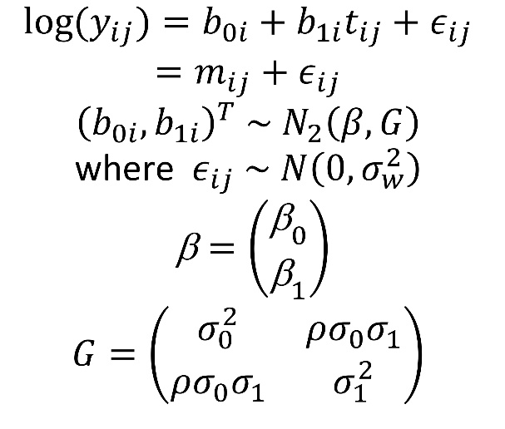

Data item | Value | Source | Interpretable parameter | Value of interpretable parameter
Growth rate parameters
mean log diameter at screening (beta0) | 1.334426035 | RESCAN | Mean diameter (cm) at screening | 3.8337210383
mean growth rate in log diameter (log(mm)/yr) (beta1) | 0.05239619 | RESCAN | Mean percentage increase in diameter per year | 5.5%
SD of log diameter at screening (sigma0) | 0.13718488999 | RESCAN | Standard deviation in diameter measurements at screening (cm) | 0.52841278195
SD of growth rate in log diameter (sigma1) | 0.037559585364 | RESCAN | Standard deviation of percentage increase in diameter per year | 4.0%
Correlation between log diameter at screening at log diameter growth rate (rho) | 0.38810559394 | RESCAN | Correlation between diameter at screening and growth rate | 0.38653115475
Measurement error SD for log diameter (sigma_w) | 0.051773533737 | RESCAN | Measurement error SD for diameter at screening (cm) | 0.19702204889
Rupture rate parameters
log rupture rate (per person year) (gamma) | -12.39926 | RESCAN | Rupture rate (per 100 person-years) for a 4.0cm AAA | 0.80794852009
log hazard ratio (per log increase in diameter) (alpha) | 5.468415 | RESCAN | Hazard ratio per 2% increase in diameter | 1.114369734

Variance-covariance matrix for growth parameters
 | beta1 | beta0 | log(sigma1) | log(sigma0) | arctanh(rho) | log(sigmaw)
beta1 | 1.47E-05 | 6.55E-06 | 2.83E-05 | 0.000186028 | -0.000124773 | -8.74E-05
beta0 |  | 0.000567509 | -0.000751974 | -0.001363946 | -0.000417865 | -0.001799988
log(sigma1) |  |  | 0.009516028 | 0.005153026 | -4.71E-05 | 0.00240076
log(sigma0) |  |  |  | 0.011569443 | 0.000842861 | 0.005566187
arctanh(rho) |  |  |  |  | 0.011419265 | 0.005260149
log(sigmaw) |  |  |  |  |  | 0.013688456

Variance-covariance matrix for rupture parameters
 | alpha | gamma
alpha | 1.589157 | -2.217831
gamma |  | 3.140564

