Growth and Rupture Rates
AAA Discrete Event Simulation Model - Growth and Rupture Model Input File

AAA growth is modelled using the following linear mixed model from time of screening: |  | Time-to-AAA rupture is modelled using a joint longitudinal and time-to-event model. The longitudinal component is as specified for the AAA growth model whilst the time-to-event model is as follows:
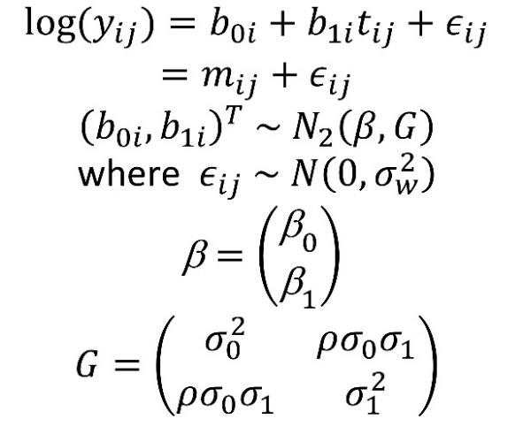

Data item | Value | Source | Interpretable parameter | Value of interpretable parameter
Growth rate parameters
mean log diameter at screening (beta0) | 1.271522 | RESCAN | Mean diameter (cm) at screening | 3.6218887204
mean growth rate in log diameter (log(mm)/yr) (beta1) | 0.0583881 | RESCAN | Mean percentage increase in diameter per year | 6.1%
SD of log diameter at screening (sigma0) | 0.17591836602 | RESCAN | Standard deviation in diameter measurements at screening (cm) | 0.64211824196
SD of growth rate in log diameter (sigma1) | 0.036214423764 | RESCAN | Standard deviation of percentage increase in diameter per year | 3.8%
Correlation between log diameter at screening at log diameter growth rate (rho) | 0.42601409134 | RESCAN | Correlation between diameter at screening and growth rate | 0.42315776438
Measurement error SD for log diameter (sigma_w) | 0.075256350642 | RESCAN | Measurement error SD for diameter at screening (cm) | 0.26952754717
Rupture rate parameters
log rupture rate (per person year) (gamma) | -14.574436 | RESCAN | Rupture rate (per 100 person-years) for a 4.0cm AAA | 0.17121400824
log hazard ratio (per log increase in diameter) (alpha) | 5.9182415 | RESCAN | Hazard ratio per 2% increase in diameter | 1.1243406002

Variance-covariance matrix for growth parameters
 | beta1 | beta0 | log(sigma1) | log(sigma0) | arctanh(rho) | log(sigmaw)
beta1 | 1.99E-06 | 1.71E-06 | 0 | 0 | 0 | 0
beta0 |  | 3.01E-05 | 0 | 0 | 0 | 0
log(sigma1) |  |  | 0.001714 | -1.88E-05 | 0.0004828 | -6.77E-05
log(sigma0) |  |  |  | 0.0005283 | 4.84E-05 | -1.42E-06
arctanh(rho) |  |  |  |  | 0.002588 | 9.26E-06
log(sigmaw) |  |  |  |  |  | 8.09E-05

Variance-covariance matrix for rupture parameters
 | alpha | gamma
alpha | 0.82822549 | -1.1190462
gamma |  | 1.5390578

