Growth and Rupture Rates
AAA growth is modelled using the following linear mixed model from time of screening:
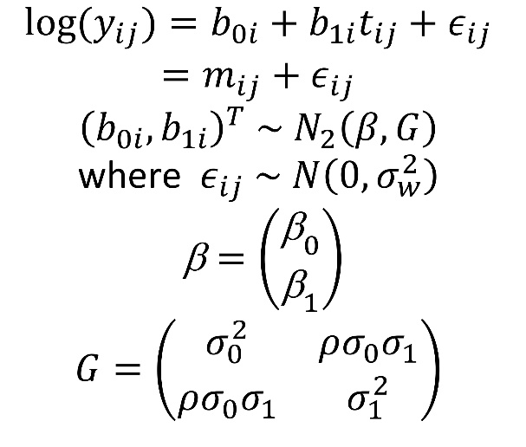

AAA Discrete Event Simulation Model - Growth and Rupture Model Input File

varname | type | Data item | Value | Source | Interpretable parameter | Value of interpretable parameter
 |  | Growth rate parameters
v2$beta0 | "par for aorta model" | mean log diameter at screening (beta0) | 1.334426035 | RESCAN | Mean diameter (cm) at screening | 3.8337210383
v2$beta1 | "par for aorta model" | mean growth rate in log diameter (log(mm)/yr) (beta1) | 0.05239619 | RESCAN | Mean percentage increase in diameter per year | 5.5%
v2$sigma0 | "par for aorta model" | SD of log diameter at screening (sigma0) | 0.13718488999 | RESCAN | Standard deviation in diameter measurements at screening (cm) | 0.52841278195
v2$sigma1 | "par for aorta model" | SD of growth rate in log diameter | 0.037559585364 | RESCAN | Standard deviation of percentage increase in diameter per year | 4.0%
v2$rho | "par for aorta model" | Correlation between log diameter at screening at log diameter growth rate | 0.38810559394 | RESCAN | Correlation between diameter at screening and growth rate | 0.38653115475
v2$sigmaW | "par for aorta model" | Measurement error SD for log diameter | 0.051773533737 | RESCAN | Measurement error SD for diameter at screening (cm) | 0.19702204889
 |  | Rupture rate parameters
v2$gamma | "par for aorta model" | log rupture rate (per person year) | -12.39926 | RESCAN | Rupture rate (per 100 person-years) for a 4.0cm AAA | 0.80794852009
v2$alpha | "par for aorta model" | log hazard ratio (per log increase in diameter) | 5.468415 | RESCAN | Hazard ratio per 2% increase in diameter | 1.114369734
v0$generateCensoringTime | "function" | Time-horizon of health economic model (years) | 30.0 | RESCAN

