Cover
Highline College BI 348
taught by Mike excelisfun Girvin (Excel MVP)

MSPTDA 06: Microsoft Power Tools for Data Analysis

Microsoft Power Tools for Data Analysis
Power Query
3 Important Transformations |  |  | Video Topics:

 | Merge |  | 1) Merge 2 Tables to Replace VLOOKUP or Relationship
 | Append |  | 2) Transform 3 Non-Uniform Sales Tables Then Append into Single Proper Data Set
 | UnPivot |  | 3) UnPivot to Convert Cross Tabulated Data Tables into Proper Data Set
 |  | ** MSPTDA 06

1-M
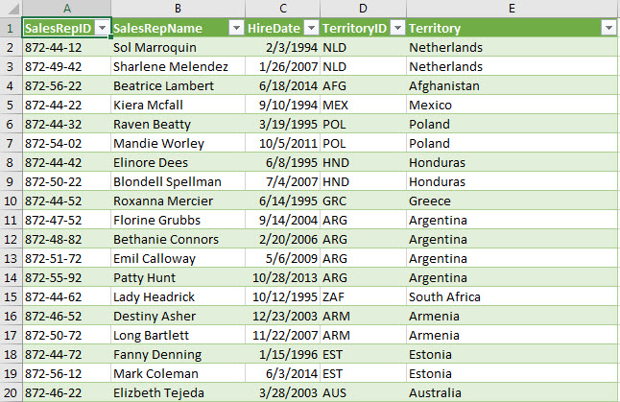
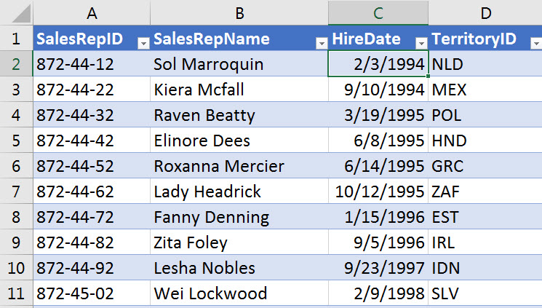
Example 1: Merge 2 Tables to Replace VLOOKUP or Relationship

2-A
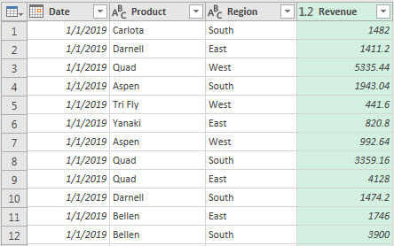
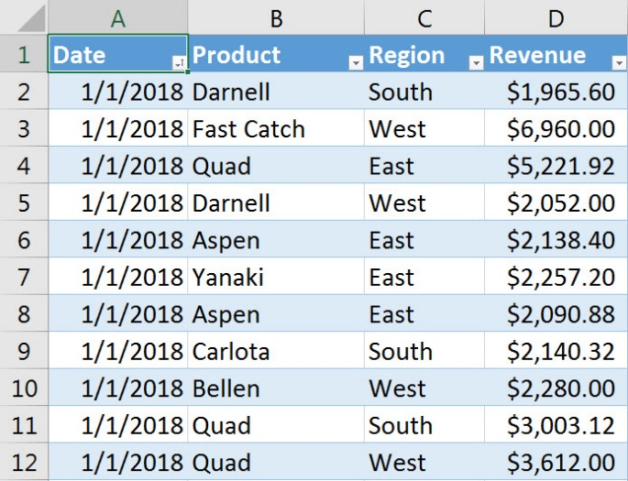
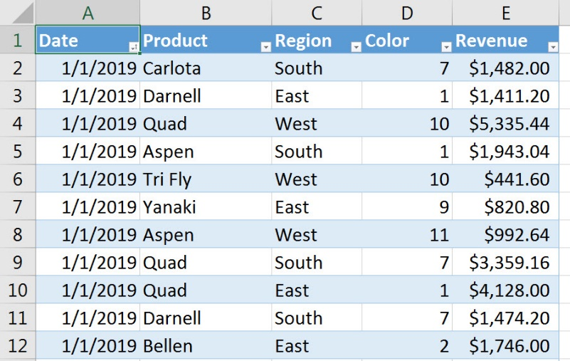
Example 2: Transform 3 Non-Uniform Sales Tables Then Append into Single Proper Data Set

Append ?

