Data description
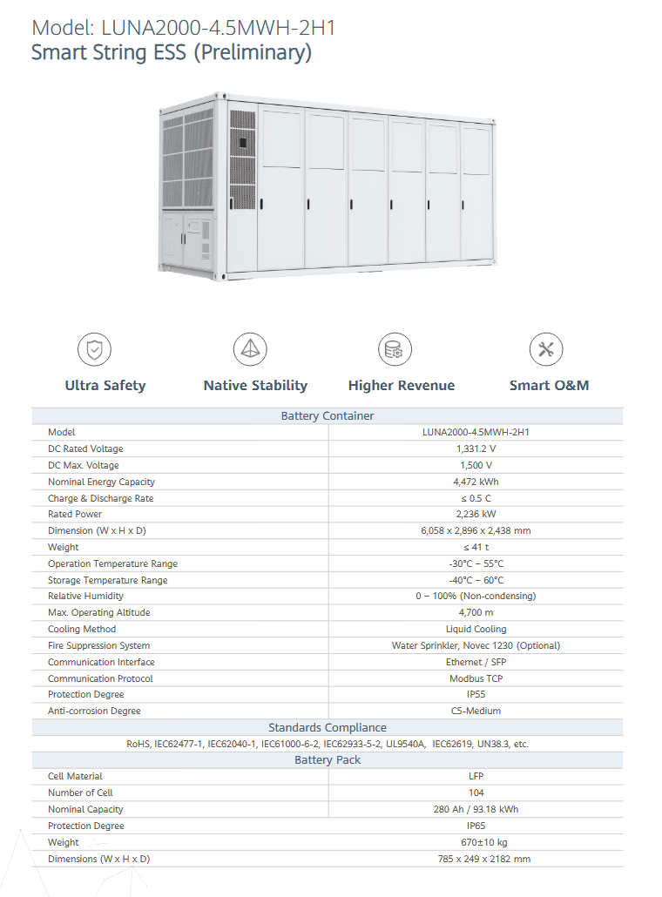
Input data for Phase 1 of techArena 2025
The available input data for Phase 1 of the technical challenge includes:
(1) Historical electricity market prices for 2024 for selected European countries (summarized in Table 1 below, to be used for determining optimal operation strategies).
(2) Average market conditions in terms of cost of capital and inflation rate for selected countries (summarized in Table 2 below, to be used for determining optimal return on investment and investment decisions).
(3) BESS configuration parameters for selected products (summarized in Table 3, to be used for determining the optimal BESS configuration under different market conditions)

Participants are expected to model the battery operation in compliance with the 2024 regulations in the selected countries.
The selected countries are are Germany (DE), Austria (AT), Switzerland (CH), Hungary (HU), and Czech republic (CZ).
Such countries were selected based on the availability of public data and on relevance for emerging energy storage applications.

Table 1. Historical electricity prices for 2024 relevant for Phase 1 of the techical challenge, covering day-ahead optimization based on available day-ahead and ancillary service prices.
Electricity price | Time resolution | Description | Comment
Day-ahead wholesale electricity price | 15-minute | The day-ahead market is a wholesale electricity trading platform operated by EPEX SPOT across the selecte countries, where market participants submit hourly or quarter-hourly bids one day before delivery to match expected energy supply and demand. | While most countries have a 1-hour resolution for day-ahead market, a 15-minute resolution has been selected to comply with the market structure in Germany and Austria. See corresponding tab (Day-ahead prices) for 15-minute data.

Settlement price for contracted Frequency Containment Reserves (FCR) | 4-hour | The FCR market is jointly coordinated via the regelleistung.net platform for Central Europe (i.e., for all selected countries) to offer fully automatic, symmetric power reserves that respond within 30 seconds to frequency deviations. | See corresponding tab (FCR prices) for 4-hour data.

Settlement price for contracted automatic Frequency Restoration reserves (aFRR) | 4-hour | The aFRR capacity market is also operated through regelleistung.net, where balancing service providers bid daily to provide flexible reserves, which are activated through the Europe-wide PICASSO platform to maintain system balance within five minutes. | Here, both positive and negative bids should be considered. See corresponding tab (aFRR capacity prices) for 4-hour data.

Table 2. Average market conditions, in terms of average cost of capital and inflation rate, relevant for optimal investment considerations.
Country | Weighted-average cost of capital (WACC) | Inflation rate | Comment
Germany (DE) | 8.3% | 2% | WACC estimate comes from KPMG cost of capital study covering the DACH region.

Austria (AT) | 8.3% | 3.30% | WACC estimate comes from KPMG cost of capital study covering the DACH region.

Switzerland (CH) | 8.3% | 0.10% | WACC estimate comes from KPMG cost of capital study covering the DACH region.

Czech Republic (CZ) | 12% | 2.90% | WACC estimates is based on OECD report on investment environments.

Hungary (HU) | 15% | 4.60% | WACC estimates is based on OECD report on investment environments.

* Consider these values of the cost of capital and inflation rates as constant over a 10-year period for the computation of the return on investment (ROI) and for taking investment decisions.

Table 3. BESS configuration parameters, for selected products, to be considered in a sensitivity analysis to determine optimal BESS configuration across diverse market conditions.
Product |  | C-rate | Daily number of cycles
LUNA2000-4.5MWH-2H1 |  | 0.25 Cₚ, 0.33 Cₚ , and 0.50 Cₚ | 1.0, 1.5, and 2.0

