Octopus OV7725-110K
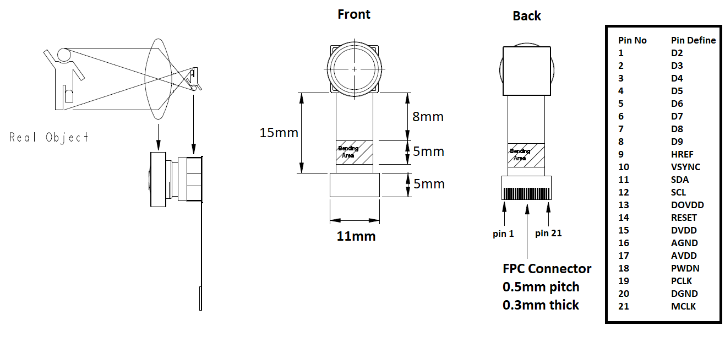
Item | QTY/Set | Price | Cost/Set | Prod QTY | Total | Comments
Module BOM cost | 1 | $3.3700 | $3.3700 | 110,000 | $370,700.00 | Include, 1. OV7725 sensor (Directly get from OmniVision) 2. Lens holder (Customized version) 3. Lens (Customized version) 4. PCB and all components supporting CMOS image sensor 5. FPC (0.3mm thickness)
Production Cost | 1 | $1.0340 | $1.0340 | 110,000 | $113,740.00 | Include, 1. SMT (double side SMT) 2. Solder FPC to OV7725 module 3. Assembly lens holder to PCB board 4. Pre-Focus Lens 5. Testing and QC 6. Re-work on the defective units
Anti-static bag | 1 | $0.0221 | $0.0221 | 110,000 | $2,431.00 | packing the single unit
Packing and shipping handling | 1 | $0.0353 | $0.0353 | 110,000 | $3,883.00 | include, 1. Carton box cost 2. Shipping material cost 3. Labor cost to pack each unit to carton 4. Export doc processing and fees
EtonTech revenue | 1 |  | $0.5800 | 110,000 | $63,798.02 | Special discount: 13% for this order
Total |  |  | $5.0414 |  | $554,552.02

One time cost for Octopus OV7725
1. Stencil panels: $100 (2 stencil panels for double sides SMT)
2. NRE for SMT: $90
3. NRE and testing kit for PCB: $80 (Charged by PCB factory)
4. NRE and testing kit for FPC $80 (Charged by FPCB factory)

Note:
1. All prices indicated here are FOB China
2. Quote date: August 9th, 2019. The quote is valid for 30 days.
3. Shipping cost to HK will be reimbursed based on the shipping receipt.
4. Since the special requirements on Lens and Lens holder, our partner LENS company will create a customized model for us.

