Sheet1
Index | Bug Description | Steps To Reproduce | Screenshots | Fix Advice
1 | Clicking "Votes" within popular make page gets random sorting | 1. Navigate to popular make page. 2. Click "Votes" link(different models are in random order in the list) |  | Votes should in ascending sort or decending sort, it can be achieved by code like "Collections.sort(votes);" or "Collections.sort(votes); Collections.reverse(votes);" in Java.
2 | Out of page range appears in overall rating page | 1. Navigate to overall rating page 2. Click ">>" to next page until out of page range(page index is able to exceed total page number) | 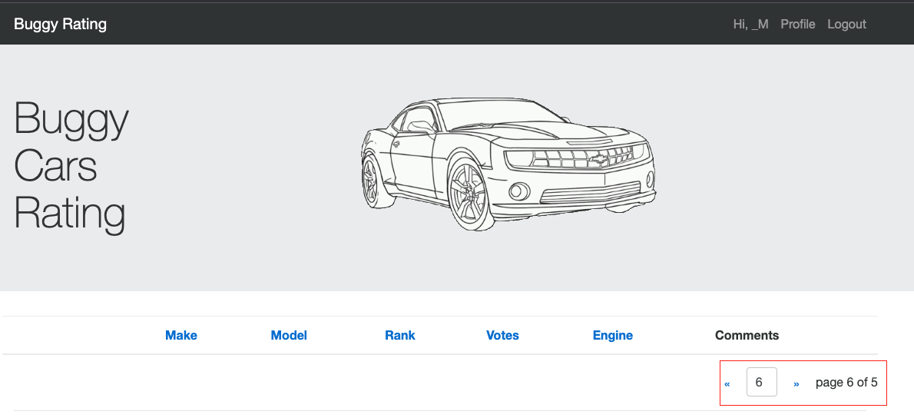 | Should control to page index to readonly and when current page is the last page, next page ">>" should be disabled
3 | Get "Unknown error" or "Get a candy;)" error message when saving Age as text or special symbol | 1. Login Buggy Rating as username: _MW_test_1676591190655 and password: aA12345! 2. Navigate to profile page 3. Input "forty" or "select * from table basic" | 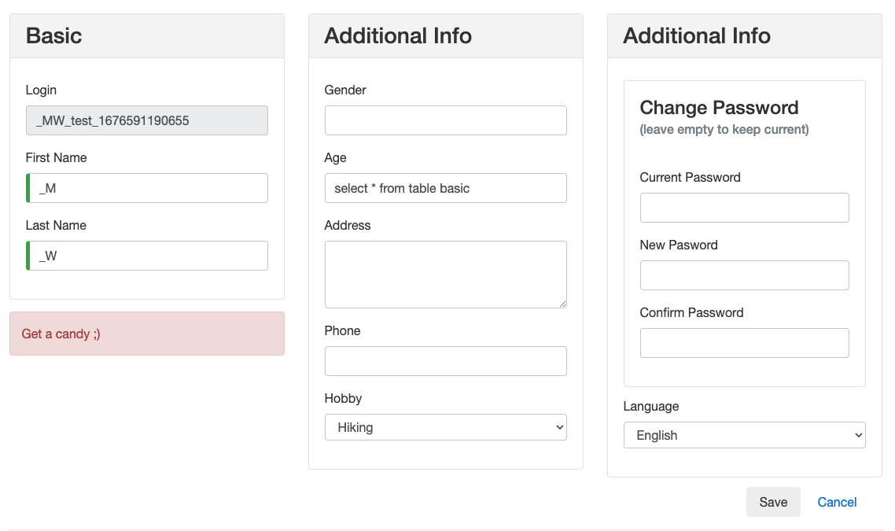 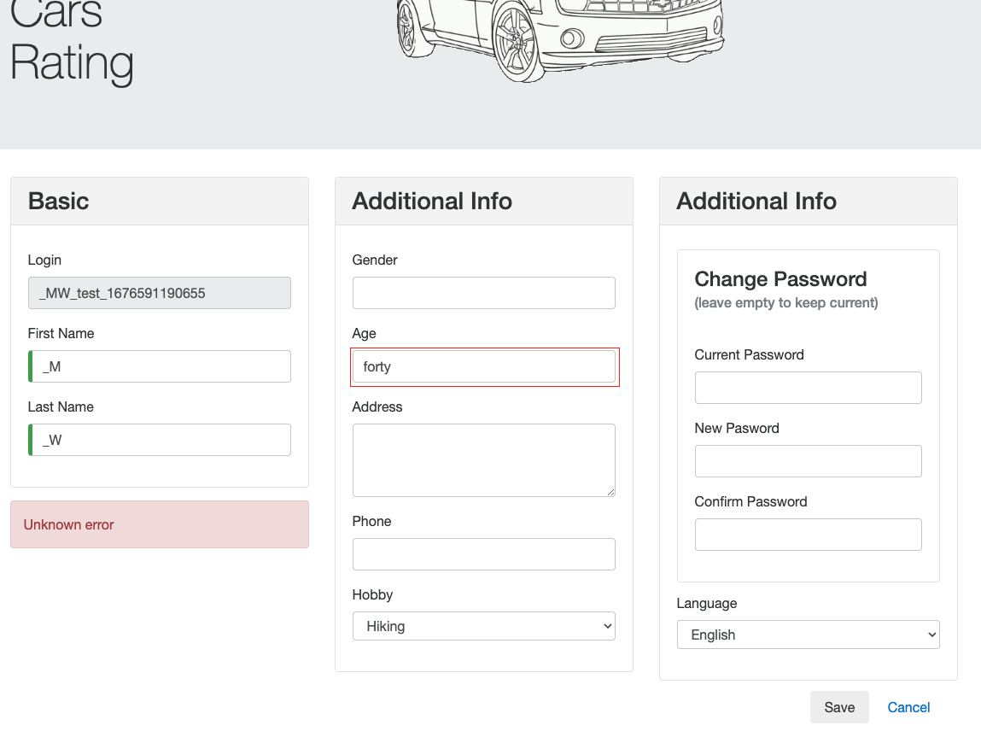 | "Age" field should be number only, which can be achieved by adding "type = number" in "input" component of html5

