Dell
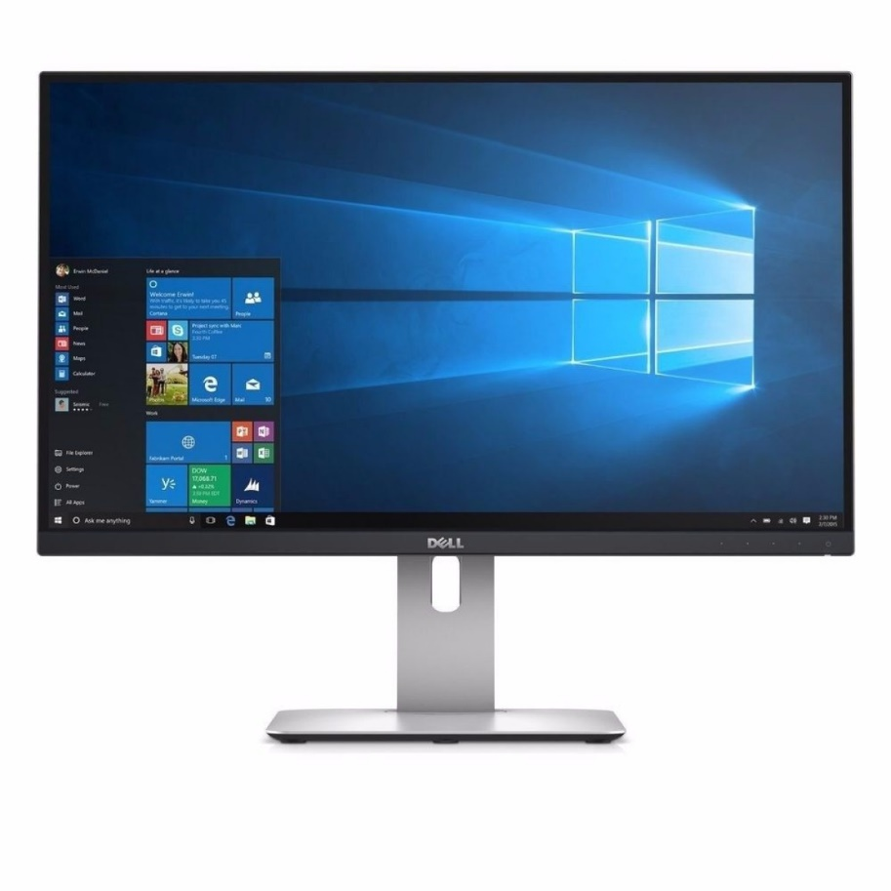
Feautures | Specification
Brand | Dell
Model | P2417H
Resolution | FHD (1,920 x 1,080 pixels)
Size | 24 Inch
Refresh Rate | Up to 75 Hz
Response Time | 5 ms (GTG)
Brightness (Typical) | 250 cd/m²
Color Support | 16.7 million colors
Aspect Ratio | 16:09:00
Viewing Angle (Horizontal) | 178°
Viewing Angle (Vertical) | 178°
Ports | HDMI, D-sub and (VGA)

Samsung
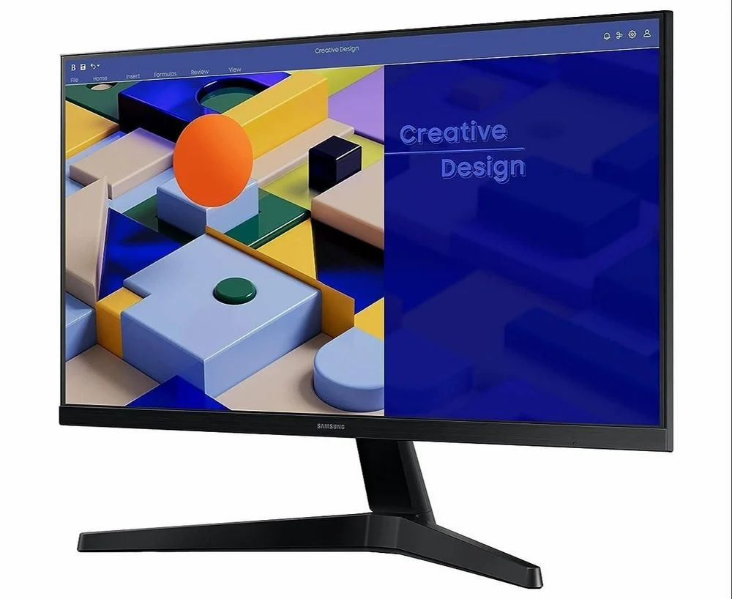
Feautures | Specification
Brand | Samsung
Model | LS24C310EAWXXL
Resolution | FHD (1,920 x 1,080 pixels)
Screen Size | 24 inches
Refresh Rate | 60 Hz
Response Time | 6 ms
Brightness (Typical) | 250 cd/m²
Color Support | 16.7 million colors
Aspect Ratio | 16:09:00
Viewing Angle (Horizontal) | 178°
Viewing Angle (Vertical) | 178°
Ports | VGA, DisplayPort, HDMI

LG
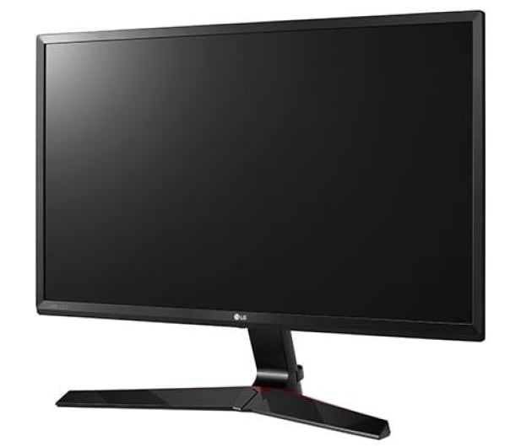
Feautures | Specification
Brand | LG
Model | 24GL600F
Resolution | Full HD (1920 x 1080)
Screen Size | 24 inches
Refresh Rate | 144 Hz
Response Time | 1 ms (GtG at Faster)
Brightness (Typical) | 300 cd/m² (typical), 240 cd/m² (minimum)
Color Support | TSC 72%
Aspect Ratio | 16:09:00
Viewing Angle (Horizontal) | 170°
Viewing Angle (Vertical) | 160°
Ports | DisplayPort (DP) x 1, HDMI x 2

