Sheet1
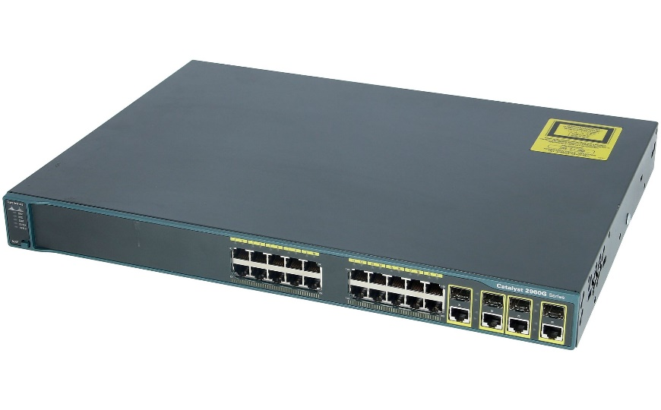
Specification | detail
Brand | cisco
model | Cisco Catalyst 2960
Ports | 24 Gigabit Ethernet ports with line-rate forwarding performance
Uplinks | 4 fixed 1 Gigabit Ethernet
PoE Support | Up to 740W power budget for PoE+ (Perpetual PoE)
Software | Cisco IOS LAN Base or LAN Lite and Cisco IOS IP Lite
Device Management | Web UI, over-the-air access via Bluetooth, CLI, SNMP, and RJ-45 or USB console access
Network Management | Cisco Prime, Cisco Network Plug and Play, and Cisco DNA Center
Stacking | FlexStack-Plus and FlexStack-Extended
Layer 3 Features | Routed access (OSPF), static routing, and Routing Information Protocol (RIP)
Visibility | Domain Name System as an Authoritative Source (DNS-AS) and Full (Flexible) NetFlow
Security | 802.1X, Serial Port Analyzer (SPAN), and Bridge Protocol Data Unit (BPDU) Guard

