Wallchart

Group A |  |  |  |  |  |  |  |  |  |  |  |  |  |  |  |  |  |  |  |  |  |  |  |  |  | Round of 16 |  |  |  |  | Quarter-finals |  |  |  |  | Semi-finals |  |  |  |  | Final
2024-06-14 19:59:59 | Germany | 0 | 1 | Scotland | Team |  | P | W | D | L | F | A | GD | Pts
2024-06-15 13:59:59 | Hungary | 0 | 2 | Switzerland |  | Scotland | 3 | 3 | 0 | 0 | 5 | 2 | +3 | 9 |  |  |  |  |  |  |  |  |  |  |  | 2024-06-30 19:59:59 |  |  |  | 0
2024-06-19 16:59:59 | Germany | 0 | 3 | Hungary |  | Hungary | 3 | 1 | 0 | 2 | 3 | 3 | 0 | 3 |  |  |  |  |  |  |  |  |  |  |  | Spain | 1 | 0 | Romania | 1
2024-06-19 19:59:59 | Scotland | 3 | 2 | Switzerland |  | Switzerland | 3 | 1 | 0 | 2 | 4 | 4 | 0 | 3 |  |  |  |  |  |  |  |  |  |  |  |  |  |  |  | 2
2024-06-23 19:59:59 | Switzerland | 0 | 1 | Germany |  | Germany | 3 | 1 | 0 | 2 | 1 | 4 | -3 | 3 |  |  |  |  |  |  |  |  |  |  |  |  |  |  |  | 3 | 2024-07-05 16:59:59 |  |  |  | 0
2024-06-23 19:59:59 | Scotland | 1 | 0 | Hungary |  |  |  |  |  |  |  |  |  |  |  |  |  |  |  |  |  |  |  |  |  |  |  |  |  | 4 | Spain | 1 | 0 | Scotland | 1
 |  |  |  |  |  |  |  |  |  |  |  |  |  |  |  |  |  |  |  |  |  |  |  |  |  |  |  |  |  | 5 |  |  |  |  | 2
 |  |  |  |  |  |  |  |  |  |  |  |  |  |  |  |  |  |  |  |  |  |  |  |  |  | 2024-06-29 19:59:59 |  |  |  | 6 |  |  |  |  | 3
Group B |  |  |  |  |  |  |  |  |  |  |  |  |  |  |  |  |  |  |  |  |  |  |  |  |  | Scotland | 1 | 0 | Denmark | 7 |  |  |  |  | 4
2024-06-15 16:59:59 | Spain | 1 | 0 | Croatia | Team |  | P | W | D | L | F | A | GD | Pts |  |  |  |  |  |  |  |  |  |  |  |  |  |  |  |  |  |  |  |  | 5
2024-06-15 19:59:59 | Italy | 1 | 0 | Albania |  | Spain | 3 | 2 | 0 | 1 | 2 | 1 | +1 | 6 |  |  |  |  |  |  |  |  |  |  |  |  |  |  |  |  |  |  |  |  | 6 | 2024-07-09 19:59:59 |  |  |  | 0
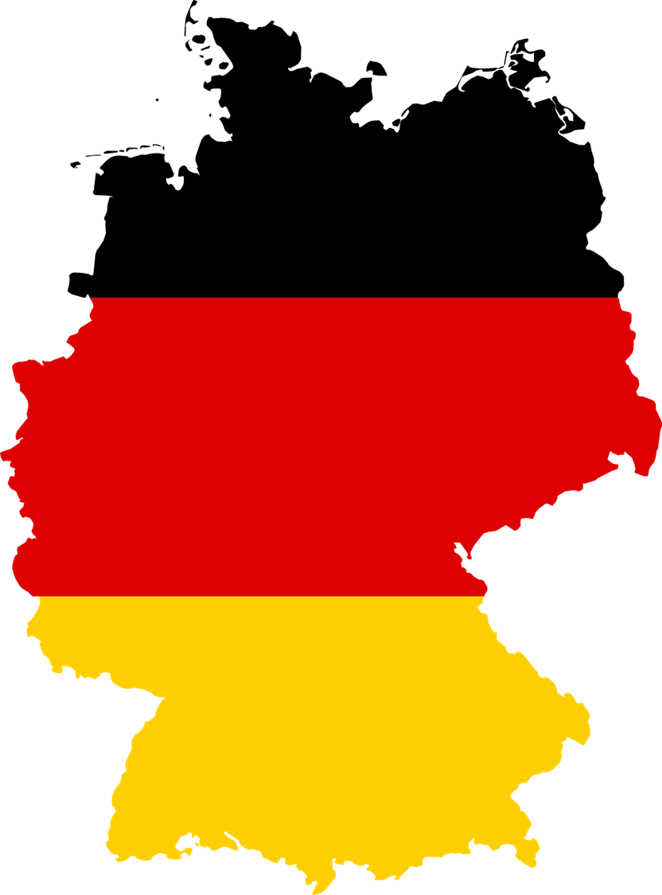
2024-06-19 13:59:59 | Croatia | 1 | 0 | Albania |  | Croatia | 3 | 2 | 0 | 1 | 2 | 1 | +1 | 6 |  |  |  |  |  |  |  |  |  |  |  |  |  |  |  |  |  |  |  |  | 7 | Spain | 1 | 0 | Türkiye | 1
2024-06-20 19:59:59 | Spain | 1 | 0 | Italy |  | Italy | 3 | 1 | 0 | 2 | 1 | 2 | -1 | 3 |  |  |  |  |  |  |  |  |  |  |  |  |  |  |  |  |  |  |  |  | 8 |  |  |  |  | 2
2024-06-24 19:59:59 | Albania | 1 | 0 | Spain |  | Albania | 3 | 1 | 0 | 2 | 1 | 2 | -1 | 3 |  |  |  |  |  |  |  |  |  |  |  | 2024-07-01 19:59:59 |  |  |  | 0 |  |  |  |  | 9 |  |  |  |  | 3
2024-06-24 19:59:59 | Croatia | 1 | 0 | Italy |  |  |  |  |  |  |  |  |  |  |  |  |  |  |  |  |  |  |  |  |  | Türkiye | 1 | 0 | Switzerland | 1 |  |  |  |  | 10 |  |  |  |  | 4
 |  |  |  |  |  |  |  |  |  |  |  |  |  |  |  |  |  |  |  |  |  |  |  |  |  |  |  |  |  | 2 |  |  |  |  | 11 |  |  |  |  | 5
 |  |  |  |  |  |  |  |  |  |  |  |  |  |  |  |  |  |  |  |  |  |  |  |  |  |  |  |  |  | 3 | 2024-07-05 19:59:59 |  |  |  | 12 |  |  |  |  | 6
Group C |  |  |  |  |  |  |  |  |  |  |  |  |  |  |  |  |  |  |  |  |  |  |  |  |  |  |  |  |  | 4 | Türkiye | 1 | 0 | Netherlands | 13 |  |  |  |  | 7
2024-06-16 16:59:59 | Slovenia | 1 | 0 | Denmark | Team |  | P | W | D | L | F | A | GD | Pts |  |  |  |  |  |  |  |  |  |  |  |  |  |  |  | 5 |  |  |  |  |  |  |  |  |  | 8
2024-06-16 19:59:59 | Serbia | 1 | 0 | England |  | Slovenia | 3 | 2 | 0 | 1 | 2 | 1 | +1 | 6 |  |  |  |  |  |  |  |  |  |  |  | 2024-07-01 16:59:59 |  |  |  | 6 |  |  |  |  |  |  |  |  |  | 9
2024-06-20 13:59:59 | Slovenia | 1 | 0 | Serbia |  | Denmark | 3 | 2 | 0 | 1 | 2 | 1 | +1 | 6 |  |  |  |  |  |  |  |  |  |  |  | Netherlands | 1 | 0 | Slovakia | 7 |  |  |  |  |  |  |  |  |  | 10
2024-06-20 16:59:59 | Denmark | 1 | 0 | England |  | Serbia | 3 | 1 | 0 | 2 | 1 | 2 | -1 | 3 |  |  |  |  |  |  |  |  |  |  |  |  |  |  |  |  |  |  |  |  |  |  |  |  |  | 11
2024-06-25 19:59:59 | England | 1 | 0 | Slovenia |  | England | 3 | 1 | 0 | 2 | 1 | 2 | -1 | 3 |  |  |  |  |  |  |  |  |  |  |  |  |  |  |  |  |  |  |  |  |  |  |  |  |  | 12 | 2024-07-14 19:59:59
2024-06-25 19:59:59 | Denmark | 1 | 0 | Serbia |  |  |  |  |  |  |  |  |  |  |  |  |  |  |  |  |  |  |  |  |  |  |  |  |  |  |  |  |  |  |  |  |  |  |  | 13 | Spain | 1 | 0 | Belgium
 |  |  |  |  |  |  |  |  |  |  |  |  |  |  | Ranking of Third-placed Teams |  |  |  |  |  |  |  |  |  |  |  |  |  |  |  |  |  |  |  |  |  |  |  |  | 14
 |  |  |  |  |  |  |  |  |  |  |  |  |  |  | Group | Team |  | P | W | D | L | F | A | GD | Pts | 2024-07-02 16:59:59 |  |  |  | 0 |  |  |  |  |  |  |  |  |  | 15
Group D |  |  |  |  |  |  |  |  |  |  |  |  |  |  | A |  | Switzerland | 3 | 1 | 0 | 2 | 4 | 4 | 0 | 3 | Belgium | 1 | 0 | Austria | 1 |  |  |  |  |  |  |  |  |  | 16
2024-06-16 13:59:59 | Poland | 1 | 0 | Netherlands | Team |  | P | W | D | L | F | A | GD | Pts | F |  | Portugal | 3 | 1 | 0 | 2 | 1 | 2 | -1 | 3 |  |  |  |  | 2 |  |  |  |  |  |  |  |  |  | 17
2024-06-17 19:59:59 | Austria | 1 | 0 | France |  | Poland | 3 | 2 | 0 | 1 | 2 | 1 | +1 | 6 | E |  | Romania | 3 | 1 | 0 | 2 | 1 | 2 | -1 | 3 |  |  |  |  | 3 | 2024-07-06 19:59:59 |  |  |  | 0 |  |  |  |  | 18 | UEFA Men's Euro 2024 Winner
2024-06-21 16:59:59 | Poland | 1 | 0 | Austria |  | Netherlands | 3 | 2 | 0 | 1 | 2 | 1 | +1 | 6 | D |  | Austria | 3 | 1 | 0 | 2 | 1 | 2 | -1 | 3 |  |  |  |  | 4 | Belgium | 1 | 0 | Poland | 1 |  |  |  |  | 19
2024-06-21 19:59:59 | Netherlands | 1 | 0 | France |  | Austria | 3 | 1 | 0 | 2 | 1 | 2 | -1 | 3 | B |  | Italy | 3 | 1 | 0 | 2 | 1 | 2 | -1 | 3 |  |  |  |  | 5 |  |  |  |  | 2 |  |  |  |  | 20 | Spain
2024-06-25 16:59:59 | Netherlands | 1 | 0 | Austria |  | France | 3 | 1 | 0 | 2 | 1 | 2 | -1 | 3 | C |  | Serbia | 3 | 1 | 0 | 2 | 1 | 2 | -1 | 3 | 2024-07-02 19:59:59 |  |  |  | 6 |  |  |  |  | 3 |  |  |  |  | 21
2024-06-25 16:59:59 | France | 1 | 0 | Poland |  |  |  |  |  |  |  |  |  |  |  |  |  |  |  |  |  |  |  |  |  | Poland | 1 | 0 | Georgia | 7 |  |  |  |  | 4 |  |  |  |  | 22
 |  |  |  |  |  |  |  |  |  |  |  |  |  |  |  |  |  |  |  |  |  |  |  |  |  |  |  |  |  |  |  |  |  |  | 5 |  |  |  |  | 23
 |  |  |  |  |  |  |  |  |  |  |  |  |  |  |  |  |  |  |  |  |  |  |  |  |  |  |  |  |  |  |  |  |  |  | 6 | 2024-07-10 19:59:59 |  |  |  | 24
Group E |  |  |  |  |  |  |  |  |  |  |  |  |  |  |  |  | Qualifiers | 1B | 1C | 1E | 1F |  |  |  |  |  |  |  |  |  |  |  |  |  | 7 | Belgium | 1 | 0 |  | 25
2024-06-17 13:59:59 | Romania | 1 | 0 | Ukraine | Team |  | P | W | D | L | F | A | GD | Pts |  |  | ABCD | A | D | B | C |  |  |  |  |  |  |  |  |  |  |  |  |  | 8
2024-06-17 16:59:59 | Belgium | 1 | 0 | Slovakia |  | Belgium | 3 | 2 | 0 | 1 | 2 | 1 | +1 | 6 |  |  | ABCE | A | E | B | C |  |  |  |  | 2024-06-30 16:59:59 |  |  |  | 0 |  |  |  |  | 9
2024-06-21 13:59:59 | Slovakia | 1 | 0 | Ukraine |  | Slovakia | 3 | 2 | 0 | 1 | 2 | 1 | +1 | 6 |  |  | ABCF | A | F | B | C |  |  |  |  | Slovenia | 1 | 0 | Portugal | 1 |  |  |  |  | 10
2024-06-22 19:59:59 | Belgium | 1 | 0 | Romania |  | Romania | 3 | 1 | 0 | 2 | 1 | 2 | -1 | 3 |  |  | ABDE | D | E | A | B |  |  |  |  |  |  |  |  | 2 |  |  |  |  | 11
2024-06-26 16:59:59 | Slovakia | 1 | 0 | Romania |  | Ukraine | 3 | 1 | 0 | 2 | 1 | 2 | -1 | 3 |  |  | ABDF | D | F | A | B |  |  |  |  |  |  |  |  | 3 | 2024-07-06 16:59:59 |  |  |  | 12
2024-06-26 16:59:59 | Ukraine | 1 | 0 | Belgium |  |  |  |  |  |  |  |  |  |  |  |  | ABEF | E | F | B | A |  |  |  |  |  |  |  |  | 4 | Slovenia |  |  |  | 13
 |  |  |  |  |  |  |  |  |  |  |  |  |  |  |  |  | ACDE | E | D | C | A |  |  |  |  |  |  |  |  | 5
 |  |  |  |  |  |  |  |  |  |  |  |  |  |  |  |  | ACDF | F | D | C | A |  |  |  |  | 2024-06-29 16:59:59 |  |  |  | 6
Group F |  |  |  |  |  |  |  |  |  |  |  |  |  |  |  |  | ACEF | E | F | C | A |  |  |  |  | Hungary |  |  | Croatia | 7
2024-06-18 16:59:59 | Türkiye | 1 | 0 | Georgia | Team |  | P | W | D | L | F | A | GD | Pts |  |  | ADEF | E | F | D | A
2024-06-18 19:59:59 | Portugal | 1 | 0 | Czechia |  | Türkiye | 3 | 2 | 0 | 1 | 2 | 1 | +1 | 6 |  |  | BCDE | E | D | B | C
2024-06-22 13:59:59 | Georgia | 1 | 0 | Czechia |  | Georgia | 3 | 2 | 0 | 1 | 2 | 1 | +1 | 6 |  |  | BCDF | F | D | C | B
2024-06-22 16:59:59 | Türkiye | 1 | 0 | Portugal |  | Portugal | 3 | 1 | 0 | 2 | 1 | 2 | -1 | 3 |  |  | BCEF | F | E | C | B
2024-06-26 19:59:59 | Georgia | 1 | 0 | Portugal |  | Czechia | 3 | 1 | 0 | 2 | 1 | 2 | -1 | 3 |  |  | BDEF | F | E | D | B
2024-06-26 19:59:59 | Czechia | 1 | 0 | Türkiye |  |  |  |  |  |  |  |  |  |  |  |  | CDEF | F | E | D | C
 |  |  |  |  |  |  |  |  |  |  |  |  |  |  | The table above determines which third-placed teams play the winners of Groups B, C, E and F, based on the groups that provide the 4 best third-placed teams.

