Sheet1
99.26 | 99.49 | 0.0003 | avg of 3 runs | AI architecture
99.34 | 99.04 | 0.0008 |  | Reduced Lr on Plateu | pateince: 2
99.14 | 99.22 | 0.0013 |  |  | factor=0.15, # Factor by which the learning rate will be reduced
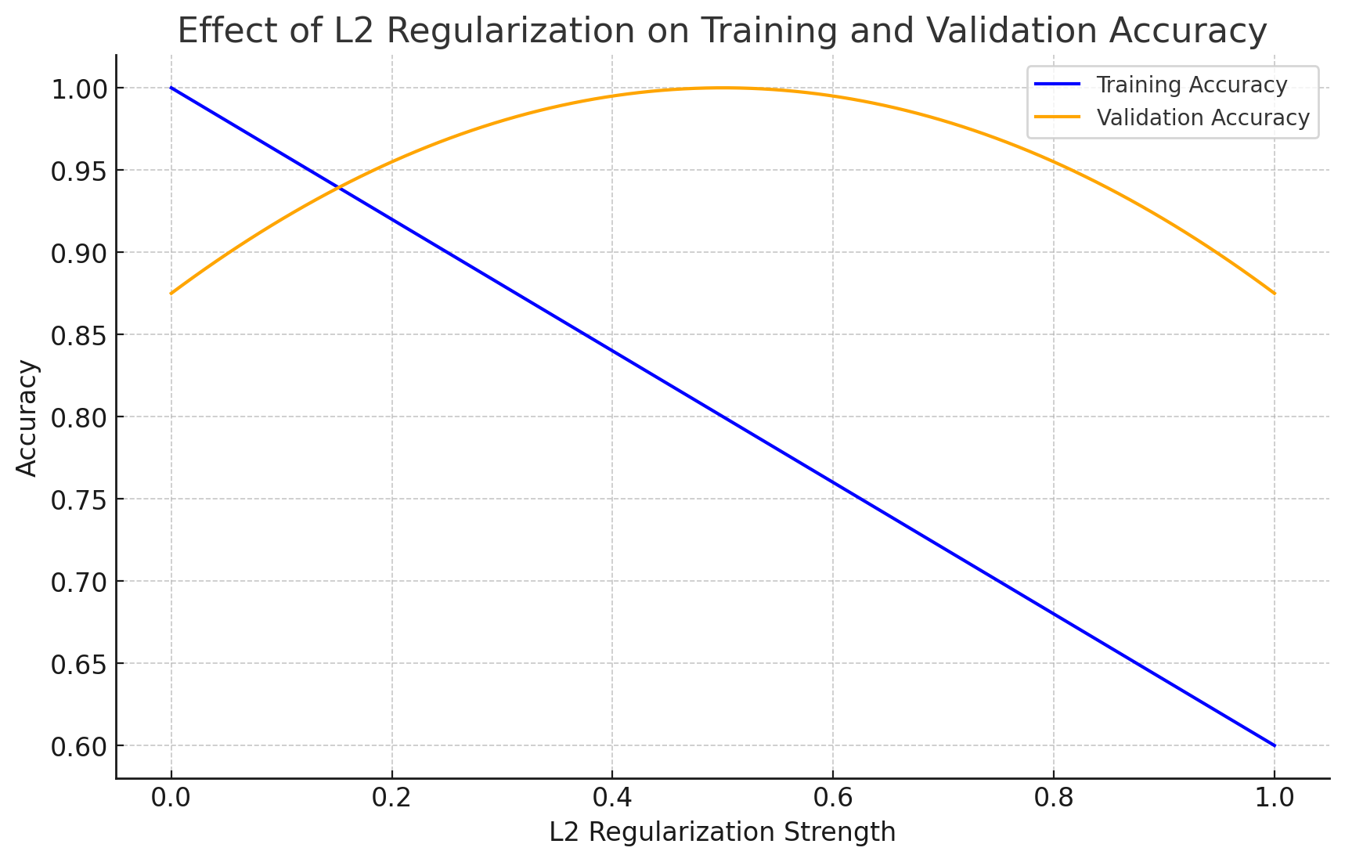
99.15 | 99.49 | 0.005 |  |  | min_lr=0.000001
98.67 | 99.17 | 0.01 | Architecture | input_layer = Input(shape=(30, 30, 1)) x = Conv2D(32, 3, activation='silu', input_shape=(30, 30, 1), kernel_regularizer=l2_regularizer)(input_layer) x = Conv2D(32, 3, activation='silu', kernel_regularizer=l2_regularizer)(x) x = BatchNormalization()(x) x = MaxPooling2D()(x) x = Dropout(0.33)(x) x = Conv2D(32, 3, activation='silu', kernel_regularizer=l2_regularizer)(x) x = Conv2D(32, 3, activation='silu', kernel_regularizer=l2_regularizer)(x) x = BatchNormalization()(x) x = MaxPooling2D()(x) x = Dropout(0.33)(x) x = Conv2D(32, 3, activation='silu', kernel_regularizer=l2_regularizer)(x) x = BatchNormalization()(x) x = AveragePooling2D(pool_size=(2, 2))(x) x = Attention_Module(x) x = Flatten()(x) x = Dense(512, activation='silu', kernel_regularizer=l2_regularizer)(x) x = Dense(256, activation='sigmoid', kernel_regularizer=l2_regularizer)(x) x = Dropout(0.45)(x) output_layer = Dense(4, activation='softmax')(x)
97.72 | 99.24 | 0.02 | optimizer=RMSprop(learning_rate=0.001),
96.63 | 98.67 | 0.033 | (30 epochs training, then 4 epochs transfer)
blue | red | X-axis
Accuracy and L2 Reg
 | Training Accuracy | Validation Accuracy
acc | val_acc | L2 reg

