Required docs
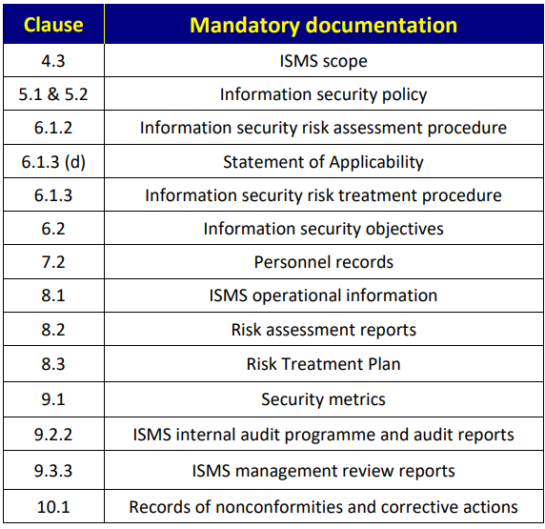
The following documentation is explicitly required of all certified organisations (as an absolute minimum) in the main body of ISO27001
Each document should be registered in the RIM

Clause | Mandatory documentation | USM statement documents | USM statement documents | USM statement documents | USM statement documents | USM statement documents | USM statement documents
4.3 | ISMS scope | DOC_scope specifies the boundaries and applicability of the information security management system.
5.1 & 5.2 | Information security policy | DOC_POLICY_infosec specifies which privileged access rights can be allocated with which Profiles.
6.1.2 | Information security risk assessment procedure | DOC_ROUTINE_PROCESS_riskmgt specifies the Process for Risk Management. | DOC_ROUTINE_PROCESS_riskmgt establishes and maintains information security risk criteria that include: 1) the risk acceptance criteria; and 2) criteria for performing information security risk assessments | DOC_ROUTINE_PROCESS_riskmgt ensures that repeated information security risk assessments produce consistent, valid and comparable results. | DOC_ROUTINE_PROCESS_riskmgt identifies the information security risks: 1) apply the information security risk assessment process to identify risks associated with the loss of confidentiality, integrity and availability for information within the scope of the information security management system; and 2) identify the risk owners | DOC_ROUTINE_PROCESS_riskmgt selects appropriate information security risk treatment options, taking account of the risk assessment results.
6.1.3 (d) | Statement of Applicability | DOC_scope specifies the boundaries and applicability of the information security management system.
6.1.3 | Information security risk treatment procedure | DOC_ROUTINE_PROCESS_riskmgt selects appropriate information security risk treatment options, taking account of the risk assessment results. | DOC_ROUTINE_PROCESS_riskmgt determines all controls that are necessary to implement the information security risk treatment option(s) chosen. | DOC_ROUTINE_PROCESS_riskmgt formulates an information security risk treatment plan. | DOC_ROUTINE_PROCESS_riskmgt obtains risk owners’ approval of the information security risk treatment plan and acceptance of the residual information security risks. | DOC_ISobjectives takes into account applicable information security requirements, and results from risk assessment and risk treatment.
6.2 | Information security objectives | DOC_ISobjectives specify IS objectives at relevant functions and levels.
7.2 | Personnel records | ORG is a class of MIC. | ORG_UNIT is an Organization type Team. | ORG_UNIT_PERSONNEL is an Organization type Team type Personnel. | ORG_UNIT_PERSONNEL is registered in the MIR as the Personnel of the Teams that are part of the Organization.
8.1 | ISMS operational information
8.2 | Risk assessment reports | DOC_ROUTINE_PROCESS_riskmgt assesses information security risks. | DOC_ROUTINE_PROCESS_riskmgt establishes and maintains information security risk criteria that include: 1) the risk acceptance criteria; and 2) criteria for performing information security risk assessments | DOC_ROUTINE_PROCESS_riskmgt ensures that repeated information security risk assessments produce consistent, valid and comparable results. | DOC_ROUTINE_PROCESS_riskmgt identifies the information security risks: 1) apply the information security risk assessment process to identify risks associated with the loss of confidentiality, integrity and availability for information within the scope of the information security management system; and 2) identify the risk owners | DOC_PROFILE_TASK_ISMSprocessmgt exist, responsible for defining and applying an information security risk assessment process . | DOC_ROUTINE_PROCESS_riskmgt selects appropriate information security risk treatment options, taking account of the risk assessment results.
8.3 | Risk Treatment Plan | DOC_ROUTINE_PROCESS_riskmgt selects appropriate information security risk treatment options, taking account of the risk assessment results. | DOC_ROUTINE_PROCESS_riskmgt determines all controls that are necessary to implement the information security risk treatment option(s) chosen. | DOC_ROUTINE_PROCESS_riskmgt formulates an information security risk treatment plan.
9.1 | Security metrics
9.2.2 | ISMS internal audit programme and audit reports
9.3.3 | ISMS management review reports
10.1 | Records of nonconformities and corrective actions

