AHP Hierarchy
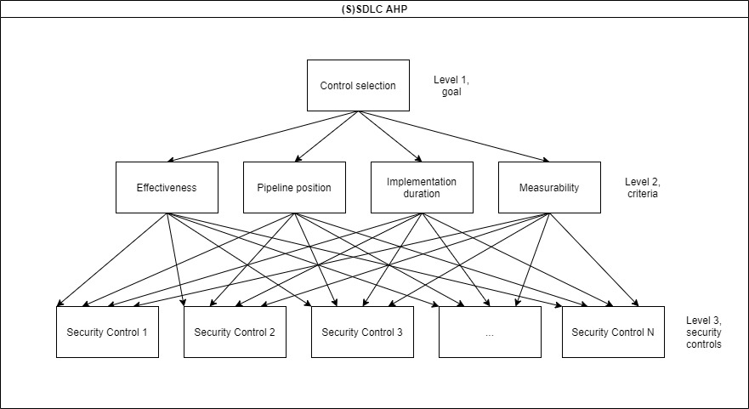

All Results
Suitable controls | Total score | Mathematical mode | Average score per appearance
Security Education | 2153.0055771 | 29 | 74.241571624
Shared Security Patterns & Libraries | 1963.0725473 | 26 | 75.502790279
SAST (Static Application Security Testing) | 1687.8842482 | 25 | 67.515369929
Coding Best Practices | 1552.4559053 | 28 | 55.444853762
Peer Review | 1539.9070304 | 30 | 51.330234348
CI/CD pipeline design | 1441.5687541 | 31 | 46.502217873
IDE SAST (Integrated Development Environment SAST) | 1410.9740681 | 21 | 67.189241337
Continuous Security Verification | 1281.0256255 | 23 | 55.696766325
Penetration testing | 1227.1315544 | 30 | 40.904385145
Application Security Checklists | 1225.4982916 | 22 | 55.704467801
Learning from Mistakes | 1224.5296549 | 27 | 45.352950182
Pair Programming | 1097.5330085 | 20 | 54.876650426
Vulnerability testing | 1090.675877 | 18 | 60.59310428
DAST (Dynamic Application Security Testing) | 1061.1700677 | 17 | 62.421768689
Security review | 1045.7303244 | 29 | 36.059666358
IAST (Interactive Application Security Testing) | 1019.3334699 | 16 | 63.70834187
Configuration compliance | 1007.0026815 | 16 | 62.937667592
Application Security Risk Matrix | 985.03763115 | 17 | 57.943390068
Red Teaming | 980.9468839 | 30 | 32.698229463
RASP (Runtime Application Self-Protection) | 916.38734062 | 16 | 57.274208789
Unit test | 890.12432334
Threat Modelling | 839.62521867
Defect Management | 761.34170414
Data Leakage Prevention | 731.74287888
Regression test | 723.05890313
Compliance & Policy Checks | 701.66445714
Anomaly Detection | 699.52618861
Requirements validation | 682.63958989
Pre-commit hooks | 652.72233949
Workloads Micro-segmentation | 637.06705628
Separation of Duties | 602.9528068
Attack Surface Minimization | 495.25506301
Complete Mediation | 453.81386369
Canary Breach Detection | 436.32192623
Supplier Chain Management | 400.25257494
Operational compliance | 399.30381798
Strong Authentication | 390.12748253
Logging and Security Monitoring | 383.22061598
TLS Interception | 378.61603828
Input Validation | 347.31702138
Access Controls | 344.40448392
SCA (Software Composition Analysis) | 342.18142735
Cryptography & Hashing of Sensitive Data | 341.63074999
Web Application Firewall | 337.02617229
Operational Blueprints | 335.05150739
Image Admission Control | 313.24527697
Intrusion Prevention System | 304.79412838
Image Immutability | 301.73383271
Privileged Session Management | 279.32028434
Use Case Modelling | 277.92000167
Database Firewall and Activity Monitoring | 274.71570664
Least Privilege | 262.57522858
L4-L7 Firewall | 258.73544195
Vulnerability Protection | 253.99510698
Secrets Management | 252.48452091
Transmission Security | 228.52126294
Secrets scanning | 222.94612048
Least Functionality | 214.35871291
IDE SCA (Integrated Development Environment SCA) | 204.52780967
UEBA (User & Entity Behavior Analytics) | 199.62102924
Secrets injection | 183.84806137
Zero Trust and mTLS | 149.71577193
Synthetic Test Data | 136.62583914
Versioning | 122.81210604
Package | 122.81210604
Artifact repository (Blueprint) | 118.28025252
DDoS Protection | 117.71406475
API Protection | 115.4117759
SQL Stored Procedures | 110.80719819
Architecture compliance | 109.07109712
Secure Name/Address Resolution | 108.50490934
External Compliance Requirements | 107.98859289
Test Environment Security | 104.65525956
Design | 98.779437491
Orchestrator Environment Security (Blueprint) | 83.57847671
Business logic flaws testing | 75.016353598
Change Management | 72.467332952
Sign | 64.212454005
Functional testing | 60.254908594
Audit Monitoring, Analysis & Reporting | 57.513103966
Signature check | 57.058855657
Job interview & Hiring Strategy | 55.704278706
Malicious Code Protection | 52.207546161
Code Accountability & Integrity throughout Pipeline | 52.127479532
Compliance & Risk Assessment | 49.389718745
Risk Management / NPAP | 47.087429895
High Availability & Service Resiliency | 37.820282838

