TestPlan
Project Name | withdrive |  | Browser used: | Brave
Written By: | Mikolaj Hilgert |  | Document version: | 0.2

Test nr. | End-User | Action | Expected Results | Actual Results | User Story Reference | Passed? | Dated
1 | User | Creating account 1. Navigate to the create account section 2. Fill in fields: Email: JohnDoe@example.com First Name: John Last Name: Doe Date Of Birth: 10-05-2002 Gender: Male PhoneNumber: +31657678765 Password: password Repeat Password: password 3. Attempt to sign up | Get signed up and navigated to login. | 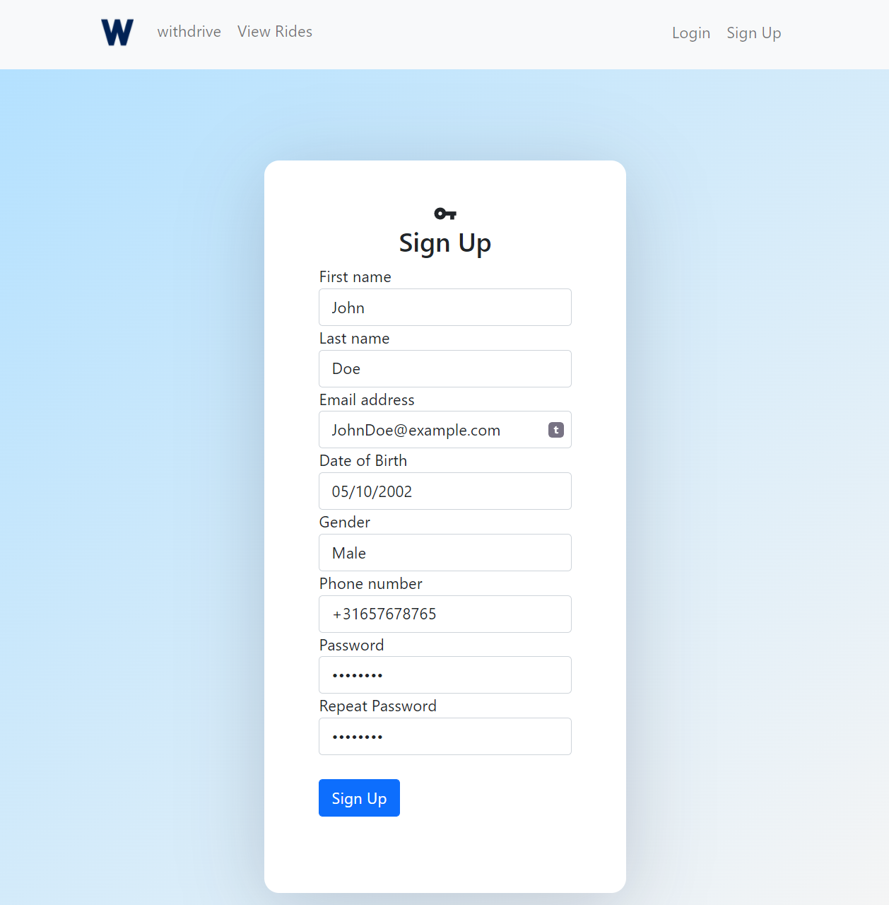 | US-01 | Yes | 2021-12-17
2 | User | Signing in 1. Navigate to login section 2. Fill in fields: Email: JohnDoe@example.com Password: password 3. Attempt to login | Redirected to the user dashboard. |  | US-02 | Yes | 2021-12-17
3 | User | Signing in with incorrect details 1. Navigate to login section 2. Fill in fields: Email: JohnDoe@example.com Password: wrongpassword (wrong password) 3. Attempt to login | Notification that says that the details are wrong | 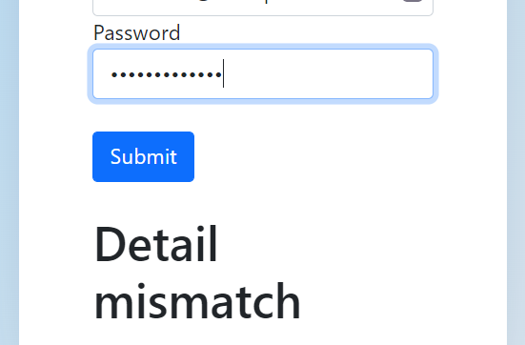 | US-02 | Yes | 2021-12-17
4 | User/Admin | Logging out 1. Navigate to logout button and attempt to log out | Redirected to the index page. | Redirected to the index page. | US-03 | Yes | 2021-12-17
5 | User (as driver) | Creating a ride with necesarry info | A ride is created for passangers to join. | 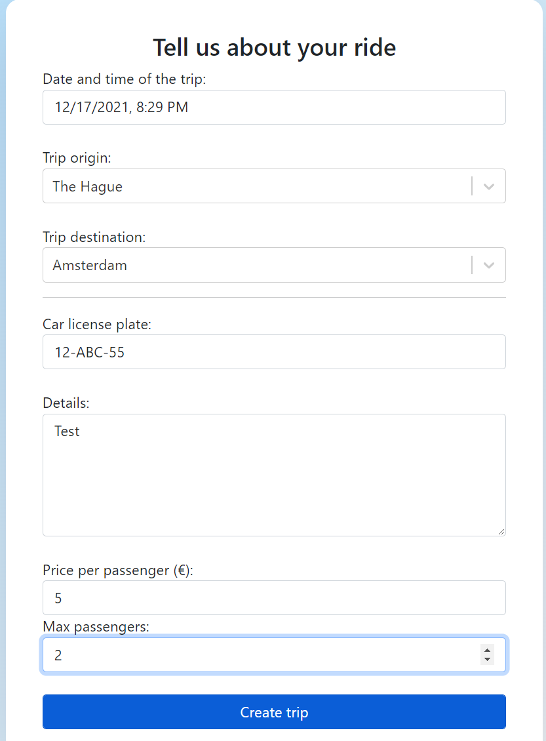 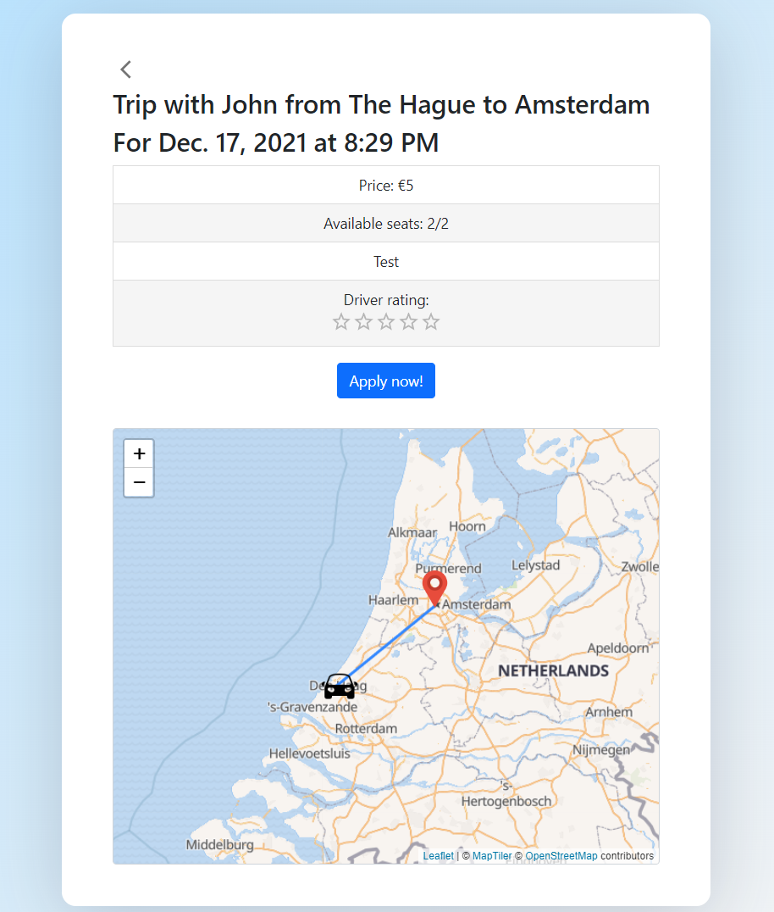 | US-04 | Yes | 2021-12-17
6 | User | Searching for all upcoming rides | All upcoming rides are shown | 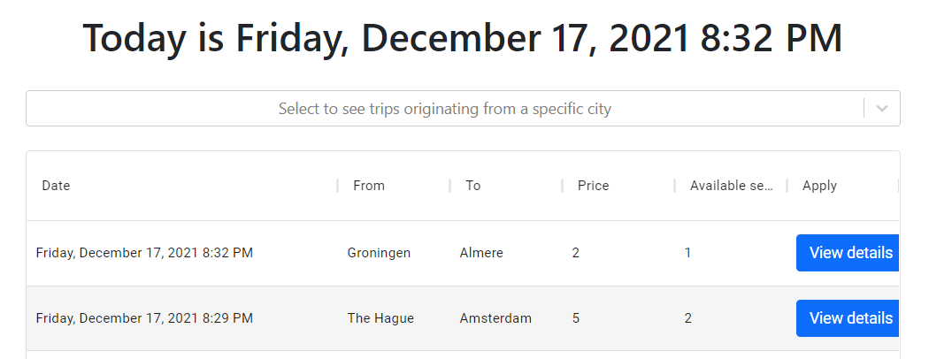 | US-05 | Yes | 2021-12-17
7 | User | Viewing all upcoming rides by start location | Rides that match criteria are shown. | 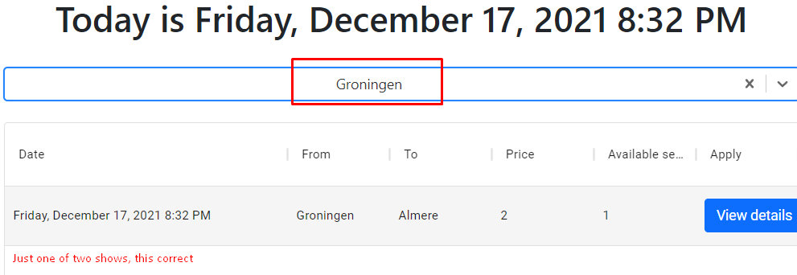 | US-05 | Yes | 2021-12-17
8 | User | View selected ride information | Information about selected ride is to be shown. |  | US-06 | Yes | 2021-12-17
9 | User (as passenger) | Apply for a ride with short application message | Application is submitted for the driver to be able to then read. | 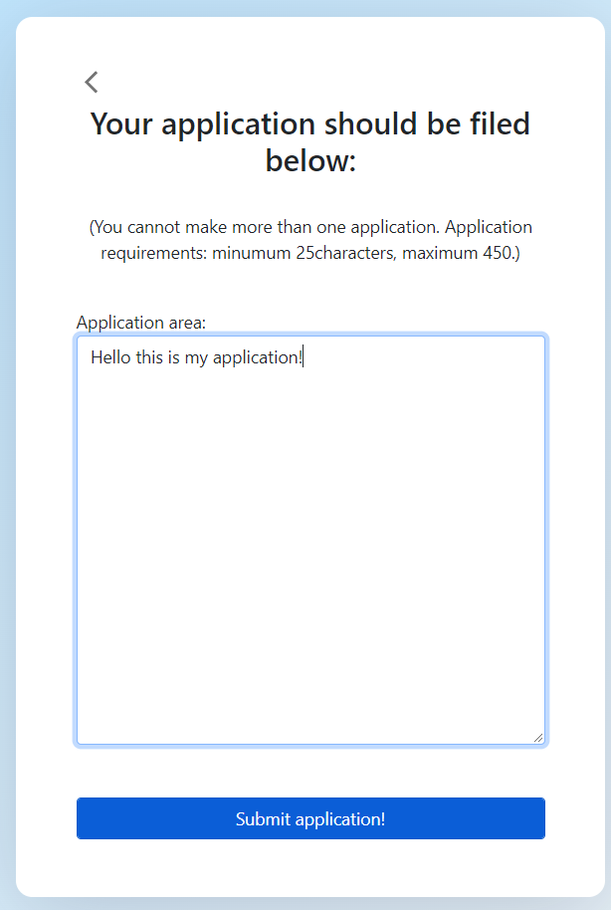 | US-07 | Yes | 2021-12-17
10 | User (as driver) | Accepting a ride application | Applicant is notified about the action, and is then added to the passanger ride list. |  | US-08 | Yes | 2021-12-17
11 | User (as driver) | Rejecting a ride application | Applicant is notified about the rejection. |  | US-08 | Yes | 2021-12-17
12 | User (as driver) | View accepted passenger details | You can view the passengers email and phone number |  | US-09 | Yes | 2021-12-17
12 | User | Edit all personal detials | All changes are retained for the account. | 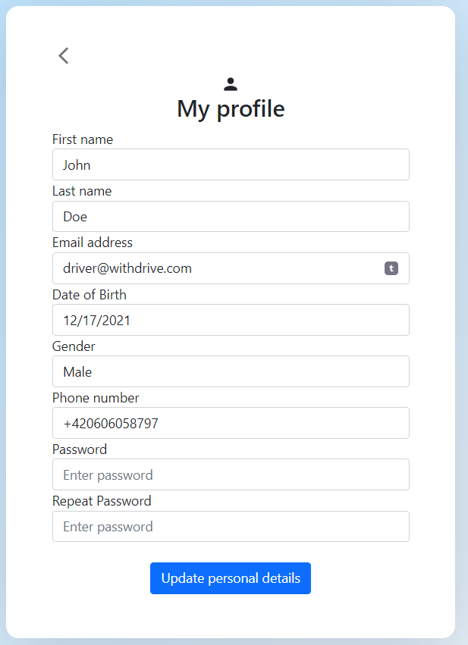 | US-10 | Yes | 2021-12-17
14 | Passenger | Leave a rating on driver | A rating is added to the reviewed passanger, their 5-score average is updated accordingly. | 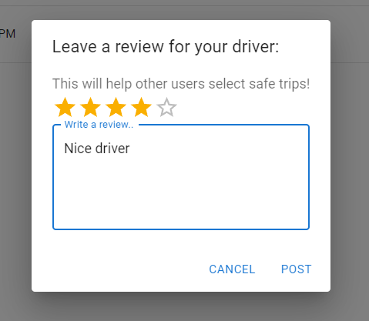 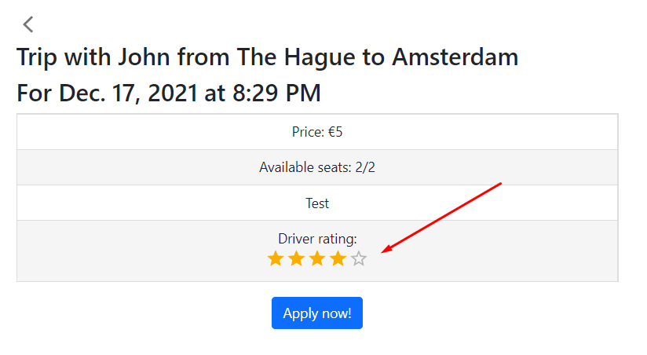 | US-11 | Yes | 2021-12-17
15 | User | View all active and past driver trips | Show all active past trips as a driver | 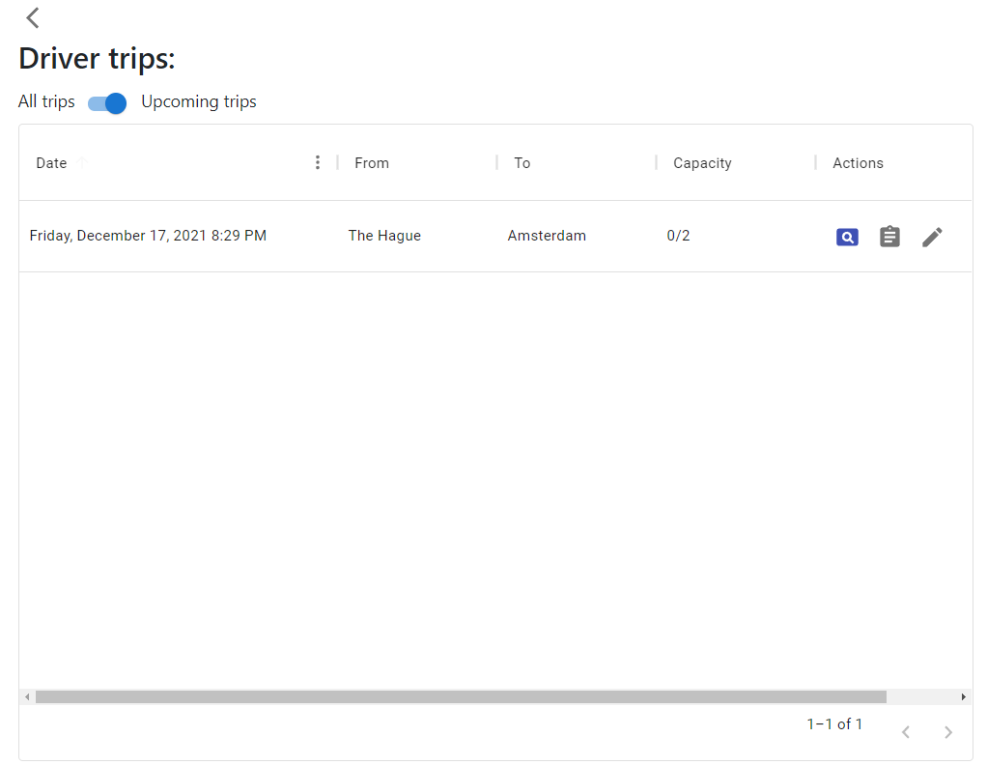 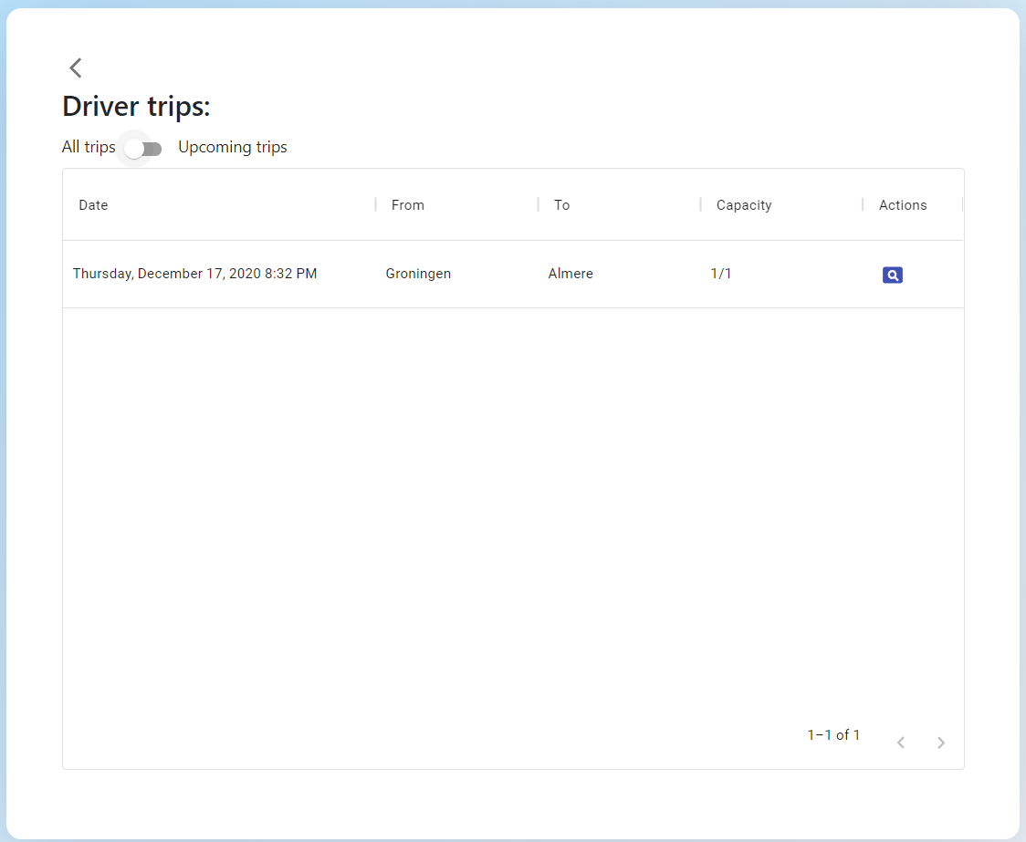 | US-12 | Yes | 2021-12-17
15 | User | View all active and past passenger trips | Show all active past trips as a passenger | 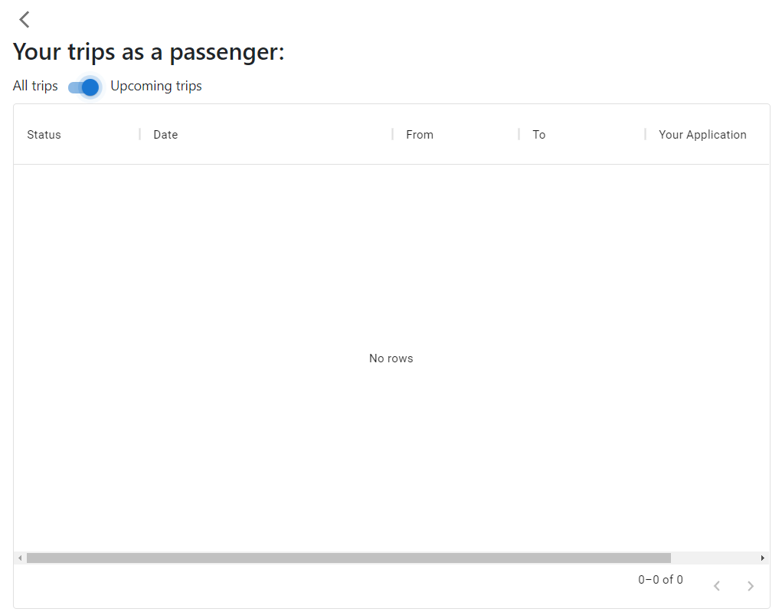 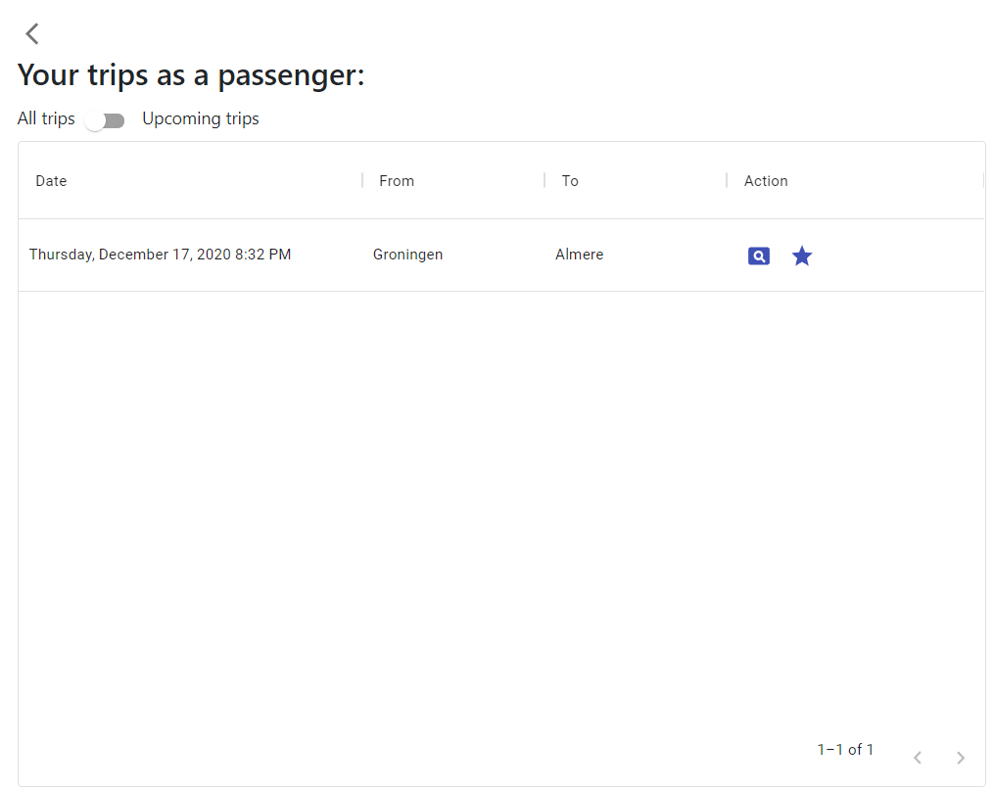 | US-13 | Yes | 2021-12-17
16 | Admin | User management/User deletion | Deleted user is deleted |  | US-14 | Yes | 2021-12-17
17 | Admin | Post notification | Notification is sent to everyone on the platform | 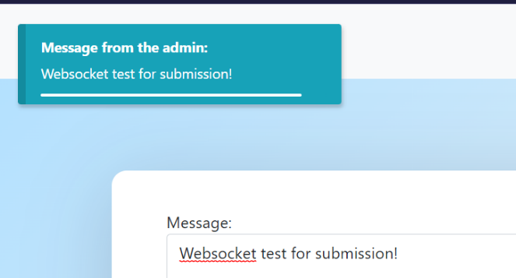 | US-15 | Yes | 2021-12-17
18 | User | Forgotten password | Receive reset password link in email | 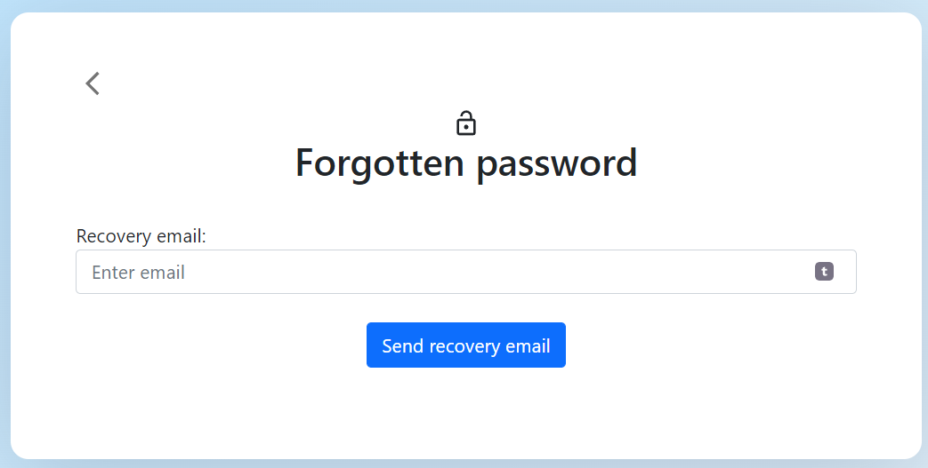 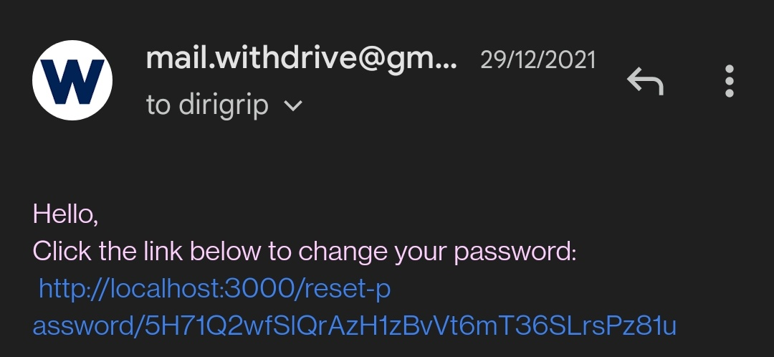 | US-16 | Yes | 2021-12-29

