Sheet1
 |  |  | 6
 |  |  | 5 |  | 4 | 2 | 3 | 1
 |  |  | 4 |  | 1 | 3 | 2 | 4
 |  |  | 3 |  | 3 | 1 | 4 | 2
 |  |  | 2 |  | 2 | 4 | 1 | 3
 |  |  | 1
 |  |  |  | 1 | 2 | 3 | 4 | 5 | 6

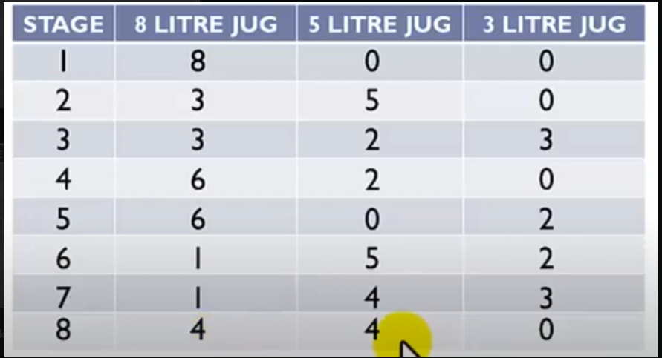
 | 8L | 5L | 3L | Capacity
 | 1 | 2 | 3
1 | 8 | 0 | 0
2 | 3 | 5 | 0
3 | 3 | 2 | 3
4 | 0 | 5 | 3
5 | 5 | 0 | 3
6 | 5 | 3 | 0
7 | 2 | 3 | 3
8 | 2 | 5 | 1
9 | 7 | 0 | 1
10 | 7 | 1 | 0
11 | 4 | 1 | 3
12 | 4 | 4 | 0

55

 | 8L | 5L | 3L
 | 1 | 2 | 3
1 | 8 | 0 | 0
2 | 5 | 0 | 3
3 | 5 | 3 | 0
4 | 2 | 3 | 3
5 | 2 | 5 | 1
6 | 7 | 0 | 1
7 | 7 | 1 | 0
8 | 4 | 1 | 3
9 | 4 | 4 | 0
10
11
12

