Question
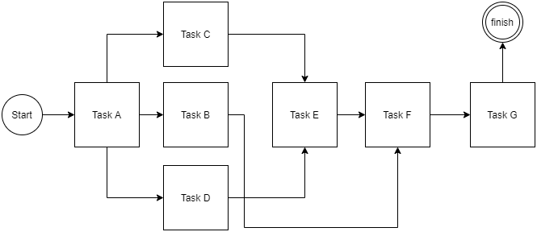
Network Diagram
Activity | Predecessors | Duration in working days
A | Start none project | 5
B | A | 15
C | A | 5
D | A | 10
E | C and D | 15
F | B and E | 5
G | F | 5

 |  |  | A | 0 | 5 | B | 5 | 20 | C | 5 | 10 | D | 5 | 15
 |  |  | 5 | 0 | 5 | 15 | 15 | 30 | 5 | 10 | 15 | 10 | 5 | 15
 |  |  | Slack | = | 0 | Slack | = | 10 | Slack | = | 5 | Slack | = | 0

 |  |  | E | 15 | 30 | F | 30 | 35 | G | 35 | 40
 |  |  | 15 | 15 | 30 | 5 | 30 | 35 | 5 | 35 | 40 | 40
 |  |  | Slack | = | 0 | Slack | = | 0 | Slack | = | 0 | Finish

