Sheet1
Task ID | Task Description | Task Predecessors | Task Duration (Hours)
A | Project start |  | 0 | A
B | Buy materials for A | A | 10 | 0 | 0 | 0 | Slack = 0
C | Buy materials for B | A | 20 |  | 0 | 0
D | Build A | B,C | 30
E | Build B | B,C | 20 | B
F | Polish and finish B | E | 40 | 10 | 0 | 10 | Slack = 10
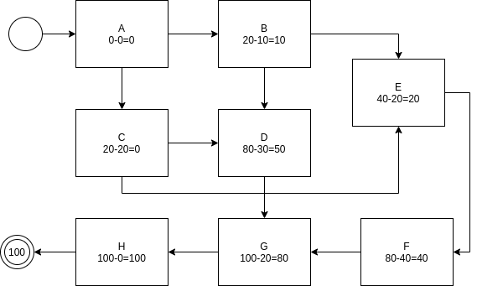
G | Join A and B | D,F | 20 |  | 10 | 20
H | Project finish | G | 0
 |  |  |  | C
 |  |  |  | 20 | 0 | 20 | Slack = 0
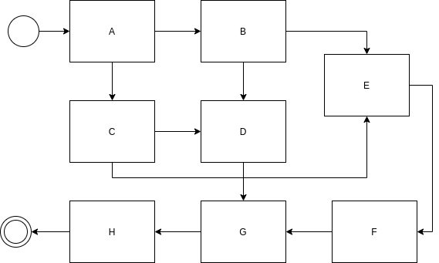
 |  |  |  |  | 0 | 20

 |  |  |  | D
 |  |  |  | 30 | 20 | 50 | Slack = 30
 |  |  |  |  | 50 | 80

 |  |  |  | E
 |  |  |  | 20 | 20 | 40 | Slack = 0
 |  |  |  |  | 20 | 40

 |  |  |  | F
 |  |  |  | 40 | 40 | 80 | Slack = 0
 |  |  |  |  | 40 | 80

 |  |  |  | G
 |  |  |  | 20 | 80 | 100 | Slack = 0
 |  |  |  |  | 80 | 100

 |  |  |  | H
 |  |  |  | 0 | 100 | 100 | Slack = 0
 |  |  |  |  | 100 | 100

