HK
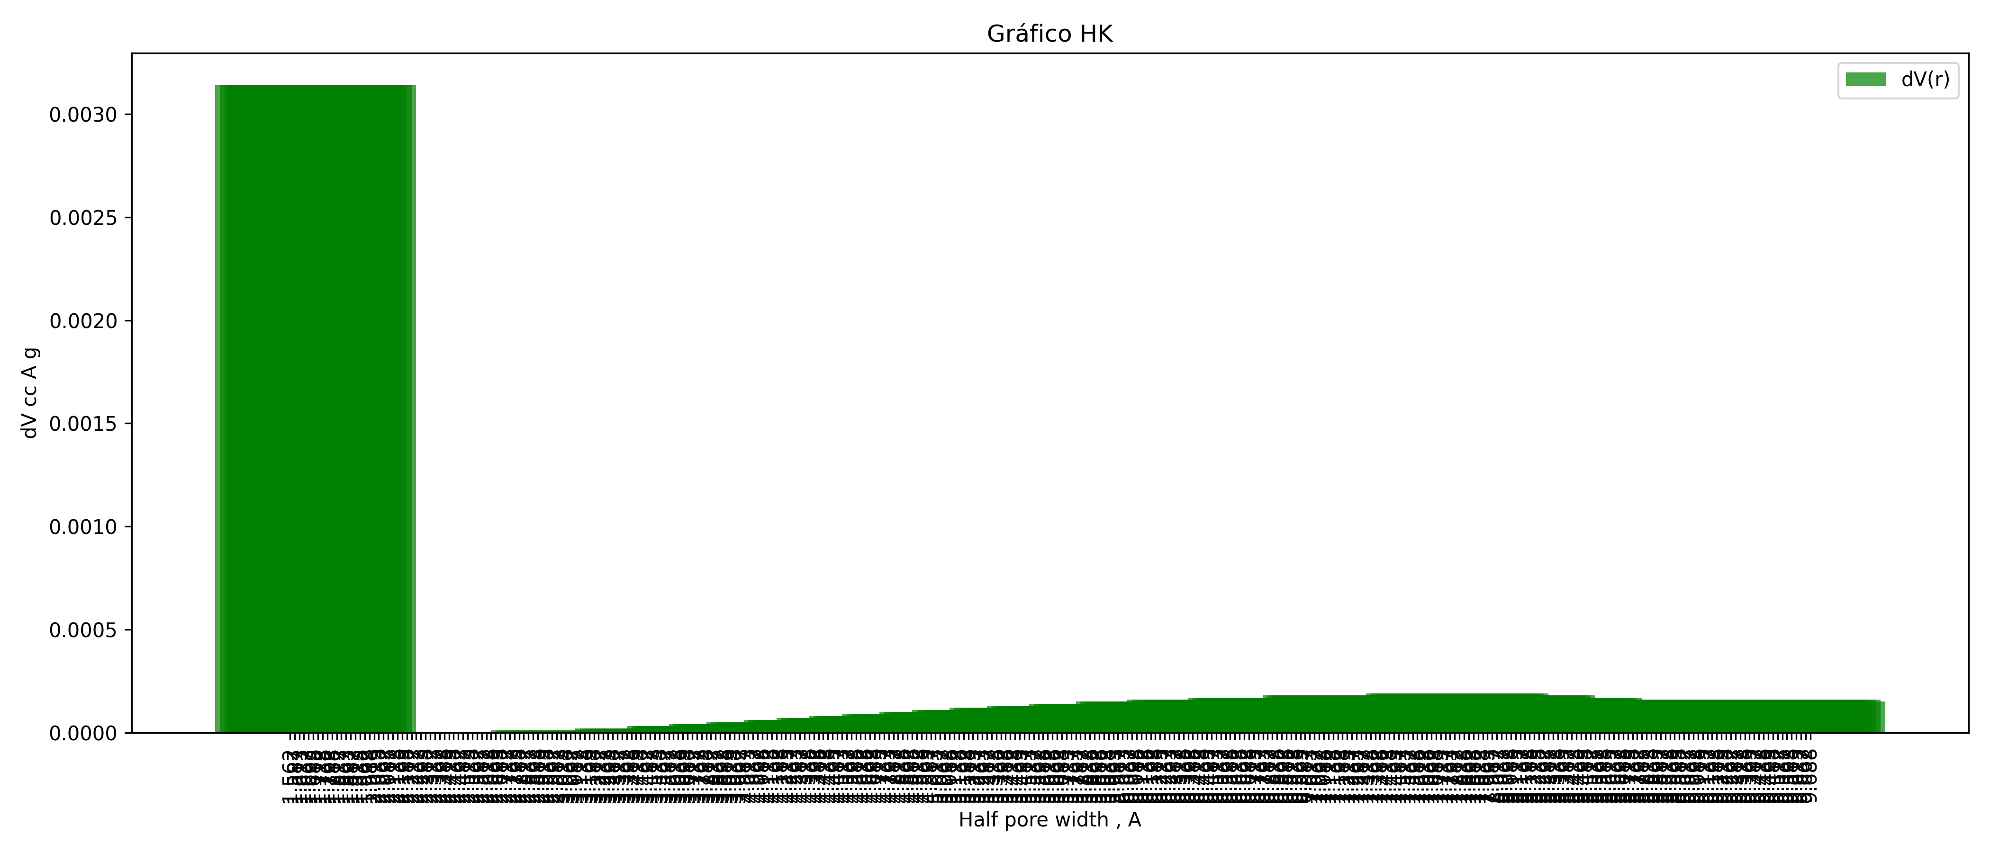

Half pore width | dV()
1.5625 | 0.00314
1.5875 | 0.00314
1.6125 | 0.00314
1.6375 | 0.00314
1.6625 | 0.00314
1.6875 | 0.00314
1.7125 | 0.00314
1.7375 | 0.00314
1.7625 | 0.00314
1.7875 | 0.00314
1.8125 | 0.00314
1.8375 | 0.00314
1.8625 | 0
1.8875 | 0
1.9125 | 0
1.9375 | 0
1.9625 | 0
1.9875 | 0
2.0125 | 0
2.0375 | 0
2.0625 | 0
2.0875 | 0
2.1125 | 0
2.1375 | 0
2.1625 | 0
2.1875 | 0
2.2125 | 0
2.2375 | 0
2.2625 | 0
2.2875 | 0
2.3125 | 0
2.3375 | 0
2.3625 | 0
2.3875 | 0
2.4125 | 0
2.4375 | 0
2.4625 | 0
2.4875 | 0
2.5125 | 0
2.5375 | 0
2.5625 | 0
2.5875 | 0
2.6125 | 0
2.6375 | 0
2.6625 | 0
2.6875 | 0
2.7125 | 0
2.7375 | 0
2.7625 | 0
2.7875 | 0
2.8125 | 0
2.8375 | 0
2.8625 | 0
2.8875 | 0
2.9125 | 0
2.9375 | 0
2.9625 | 0
2.9875 | 0
3.0125 | 0
3.0375 | 0.00001
3.0625 | 0.00001
3.0875 | 0.00001
3.1125 | 0.00001
3.1375 | 0.00001
3.1625 | 0.00001
3.1875 | 0.00001
3.2125 | 0.00001
3.2375 | 0.00001
3.2625 | 0.00001
3.2875 | 0.00001
3.3125 | 0.00001
3.3375 | 0.00001
3.3625 | 0.00001
3.3875 | 0.00001
3.4125 | 0.00001
3.4375 | 0.00001
3.4625 | 0.00001
3.4875 | 0.00002
3.5125 | 0.00002
3.5375 | 0.00002
3.5625 | 0.00002
3.5875 | 0.00002
3.6125 | 0.00002
3.6375 | 0.00002
3.6625 | 0.00002
3.6875 | 0.00002
3.7125 | 0.00002
3.7375 | 0.00002
3.7625 | 0.00003
3.7875 | 0.00003
3.8125 | 0.00003
3.8375 | 0.00003
3.8625 | 0.00003
3.8875 | 0.00003
3.9125 | 0.00003
3.9375 | 0.00003
3.9625 | 0.00003
3.9875 | 0.00004
4.0125 | 0.00004
4.0375 | 0.00004
4.0625 | 0.00004
4.0875 | 0.00004
4.1125 | 0.00004
4.1375 | 0.00004
4.1625 | 0.00004
4.1875 | 0.00005
4.2125 | 0.00005
4.2375 | 0.00005
4.2625 | 0.00005
4.2875 | 0.00005
4.3125 | 0.00005
4.3375 | 0.00005
4.3625 | 0.00005
4.3875 | 0.00006
4.4125 | 0.00006
4.4375 | 0.00006
4.4625 | 0.00006
4.4875 | 0.00006
4.5125 | 0.00006
4.5375 | 0.00006
4.5625 | 0.00007
4.5875 | 0.00007
4.6125 | 0.00007
4.6375 | 0.00007
4.6625 | 0.00007
4.6875 | 0.00007
4.7125 | 0.00007
4.7375 | 0.00008
4.7625 | 0.00008
4.7875 | 0.00008
4.8125 | 0.00008
4.8375 | 0.00008
4.8625 | 0.00008
4.8875 | 0.00008
4.9125 | 0.00009
4.9375 | 0.00009
4.9625 | 0.00009
4.9875 | 0.00009
5.0125 | 0.00009
5.0375 | 0.00009
5.0625 | 0.00009
5.0875 | 0.00009
5.1125 | 0.0001
5.1375 | 0.0001
5.1625 | 0.0001
5.1875 | 0.0001
5.2125 | 0.0001
5.2375 | 0.0001
5.2625 | 0.0001
5.2875 | 0.00011
5.3125 | 0.00011
5.3375 | 0.00011
5.3625 | 0.00011
5.3875 | 0.00011
5.4125 | 0.00011
5.4375 | 0.00011
5.4625 | 0.00011
5.4875 | 0.00012
5.5125 | 0.00012
5.5375 | 0.00012
5.5625 | 0.00012
5.5875 | 0.00012
5.6125 | 0.00012
5.6375 | 0.00012
5.6625 | 0.00012
5.6875 | 0.00013
5.7125 | 0.00013
5.7375 | 0.00013
5.7625 | 0.00013
5.7875 | 0.00013
5.8125 | 0.00013
5.8375 | 0.00013
5.8625 | 0.00013
5.8875 | 0.00013
5.9125 | 0.00014
5.9375 | 0.00014
5.9625 | 0.00014
5.9875 | 0.00014
6.0125 | 0.00014
6.0375 | 0.00014
6.0625 | 0.00014
6.0875 | 0.00014
6.1125 | 0.00014
6.1375 | 0.00014
6.1625 | 0.00015
6.1875 | 0.00015
6.2125 | 0.00015
6.2375 | 0.00015
6.2625 | 0.00015
6.2875 | 0.00015
6.3125 | 0.00015
6.3375 | 0.00015
6.3625 | 0.00015
6.3875 | 0.00015
6.4125 | 0.00015
6.4375 | 0.00016
6.4625 | 0.00016
6.4875 | 0.00016
6.5125 | 0.00016
6.5375 | 0.00016
6.5625 | 0.00016
6.5875 | 0.00016
6.6125 | 0.00016
6.6375 | 0.00016
6.6625 | 0.00016
6.6875 | 0.00016
6.7125 | 0.00016
6.7375 | 0.00016
6.7625 | 0.00017
6.7875 | 0.00017
6.8125 | 0.00017
6.8375 | 0.00017
6.8625 | 0.00017
6.8875 | 0.00017
6.9125 | 0.00017
6.9375 | 0.00017
6.9625 | 0.00017
6.9875 | 0.00017
7.0125 | 0.00017
7.0375 | 0.00017
7.0625 | 0.00017
7.0875 | 0.00017
7.1125 | 0.00017
7.1375 | 0.00017
7.1625 | 0.00018
7.1875 | 0.00018
7.2125 | 0.00018
7.2375 | 0.00018
7.2625 | 0.00018
7.2875 | 0.00018
7.3125 | 0.00018
7.3375 | 0.00018
7.3625 | 0.00018
7.3875 | 0.00018
7.4125 | 0.00018
7.4375 | 0.00018
7.4625 | 0.00018
7.4875 | 0.00018
7.5125 | 0.00018
7.5375 | 0.00018
7.5625 | 0.00018
7.5875 | 0.00018
7.6125 | 0.00018
7.6375 | 0.00018
7.6625 | 0.00018
7.6875 | 0.00018
7.7125 | 0.00019
7.7375 | 0.00019
7.7625 | 0.00019
7.7875 | 0.00019
7.8125 | 0.00019
7.8375 | 0.00019
7.8625 | 0.00019
7.8875 | 0.00019
7.9125 | 0.00018
7.9375 | 0.00018
7.9625 | 0.00018
7.9875 | 0.00018
8.0125 | 0.00018
8.0375 | 0.00018
8.0625 | 0.00018
8.0875 | 0.00018
8.1125 | 0.00018
8.1375 | 0.00018
8.1625 | 0.00017
8.1875 | 0.00017
8.2125 | 0.00017
8.2375 | 0.00017
8.2625 | 0.00017
8.2875 | 0.00017
8.3125 | 0.00017
8.3375 | 0.00017
8.3625 | 0.00017
8.3875 | 0.00017
8.4125 | 0.00016
8.4375 | 0.00016
8.4625 | 0.00016
8.4875 | 0.00016
8.5125 | 0.00016
8.5375 | 0.00016
8.5625 | 0.00016
8.5875 | 0.00016
8.6125 | 0.00016
8.6375 | 0.00016
8.6625 | 0.00016
8.6875 | 0.00016
8.7125 | 0.00016
8.7375 | 0.00016
8.7625 | 0.00016
8.7875 | 0.00016
8.8125 | 0.00016
8.8375 | 0.00016
8.8625 | 0.00016
8.8875 | 0.00016
8.9125 | 0.00016
8.9375 | 0.00016
8.9625 | 0.00016
8.9875 | 0.00016
9.0125 | 0.00016
9.0375 | 0.00016
9.0625 | 0.00016
9.0875 | 0.00016
9.1125 | 0.00016
9.1375 | 0.00016
9.1625 | 0.00016
9.1875 | 0.00016
9.2125 | 0.00016
9.2375 | 0.00016
9.2625 | 0.00016
9.2875 | 0.00016
9.3125 | 0.00016
9.3375 | 0.00016
9.3625 | 0.00016
9.3875 | 0.00016
9.4125 | 0.00016
9.4375 | 0.00016
9.4625 | 0.00016
9.4875 | 0.00016
9.5125 | 0.00016
9.5375 | 0.00016
9.5625 | 0.00016
9.5875 | 0.00016
9.6125 | 0.00016
9.6375 | 0.00016
9.6625 | 0.00016
9.6875 | 0.00015

