Sheet1
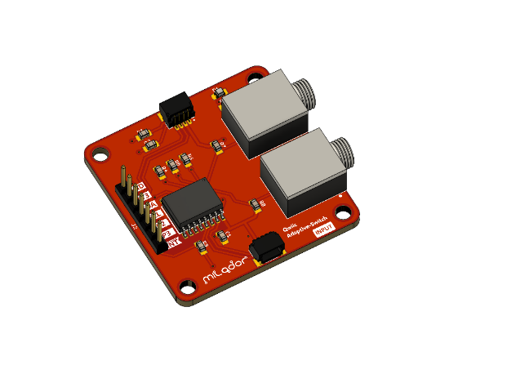
 |  |  | Product/Project Risk Assessment
Name/Title: | Qwiic-Adaptive-Switch
Description: | A module which provide an easy way to create your own adaptive switch input or output boxes through Qwiic or STEMMA QT ecosystem.
Assessment: | 2023-04-10
Developer: | Milador Technology Ltd.
Distributor: | Milador Technology Ltd.
Contact: | info@milador.ca
Link: | www.milador.ca
Assessment Summary: | The module provides minimum risk when it is used to create AT devices. It needs to be noted that module should not be used to create devices for emergency usage.

Initial Assessment |  | Likelihood

Severity |  | Very Likely (3) | Possible (2) | Unlikely (1)
 | Major Injury (3) | (9) | (6) | (3)
 | Minor Injury (2) | (6) | (4) | (2)
 | Trival (1) | (3) | (2) | (1)

Mitigated Assessment |  | Likelihood

Severity |  | Very Likely (3) | Possible (2) | Unlikely (1)
 | Major Injury (3) | (9) | (6) | (3)
 | Minor Injury (2) | (6) | (4) | (2)
 | Trival (1) | (3) | (2) | (1)
 |  |  | Identified Risks
 |  | Initial |  |  | Mitigated
ID | Name | Likelihood | Severity | Risk Level | Likelihood | Severity | Risk Level | Notes
1 | Dev board is damaged by short | 1 | 1 | 1 | 1 | 1 | 1 | Dev board can be replaced, check if dev board has fuse
2 | Computer is damaged | 1 | 1 | 1 | 1 | 1 | 1 | Most computers have fuse and reset button
3 | Fire risk from Qwiic connector | 1 | 2 | 2 | 1 | 2 | 2 | It's powered through Qwiic cable
4 | Qwiic and 3.5mm cable strangulation | 1 | 3 | 3 | 1 | 3 | 3 | Qwiic cable is 200mm at most
5 | Cutting risk if PCB is damaged | 1 | 2 | 2 | 1 | 2 | 2 | Make sure all corners are rounded
6 | Emergency Communication Failure | 2 | 3 | 6 | 2 | 3 | 6 | Must warn that the module should not be used to create devices for emergency usage
7 | None- Emergency Communication Failure | 2 | 1 | 2 | 2 | 1 | 2 | Normal risk of AT devices
8 | Installation Risk | 1 | 1 | 1 | 1 | 1 | 1 | The installation process should not require power tools

