Sheet2
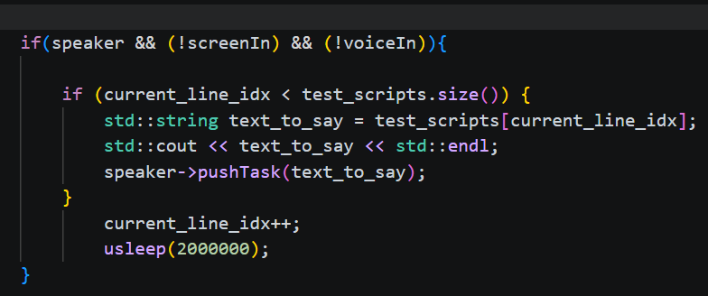

cogniArm.cpp
sleep is introduced in speaker testing to simulate realistic human speech intervals.
Since the primary goal of these tests is to evaluate data processing performance,
sending messages too rapidly would cause queue congestion and artificially inflate waiting times, making it difficult to measure the true processing + latency performance.

Sheet3
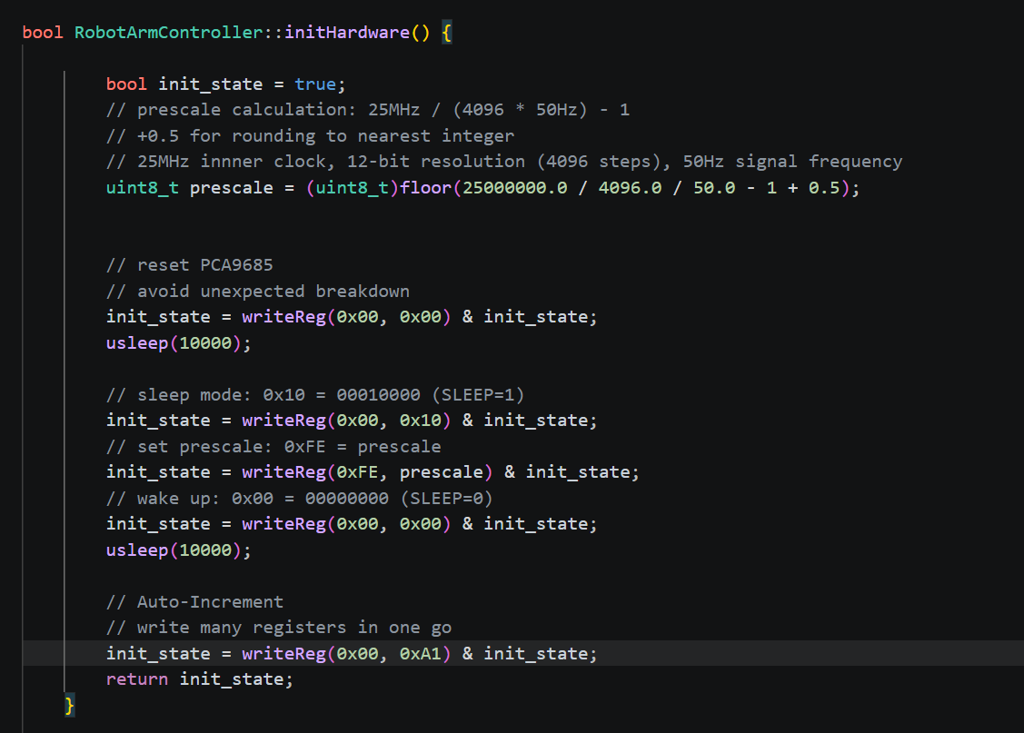

PwmBoardController.cpp
In the initHardware function for the PCA9685 PWM controller, usleep is used after soft-reset and wake-up commands.

Sheet5
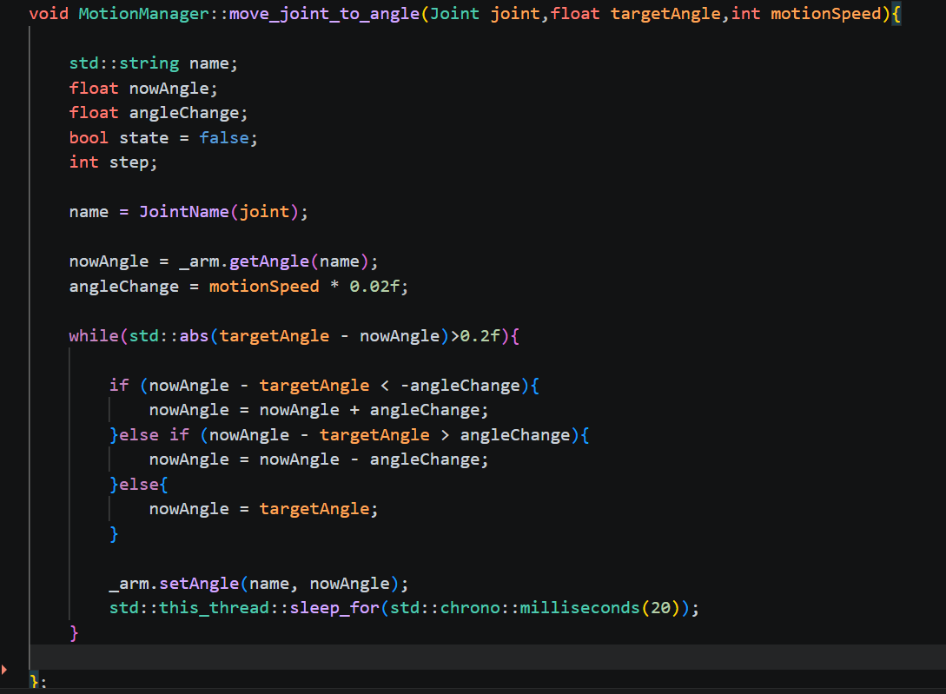
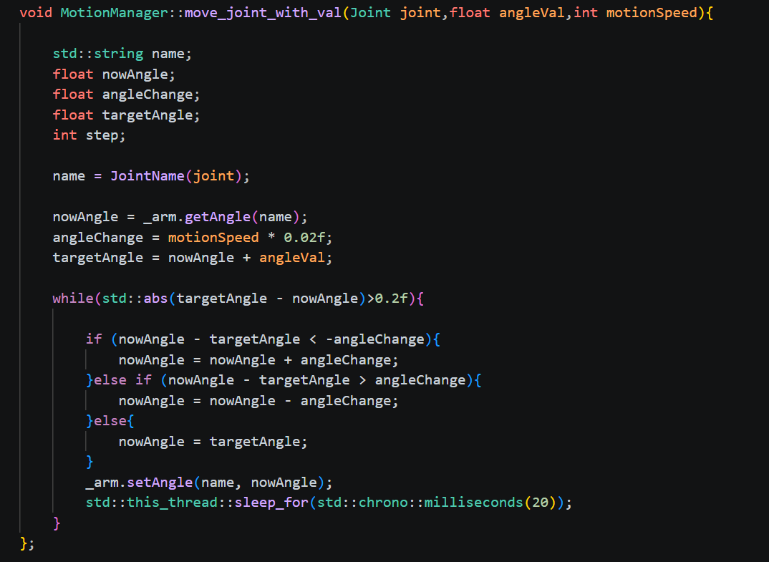

MotionManager.cpp
1
The current motor control system operates in an open-loop manner.
As a result, the system cannot directly observe execution outcomes during runtime. Soft delays are therefore introduced to ensure smooth and continuous motor actuation.
2
Although delays are introduced, all motor inputs are controlled and deterministic.
This ensures that the inclusion of sleep does not lead to unpredictable behavior or undefined system states.
3
The PCA9685 operates at a frequency of 50 Hz，20ms cycles.
This configuration aligns with the physical refresh rate of the hardware, ensuring that each control frame has sufficient time to be executed reliably.

