Pinout
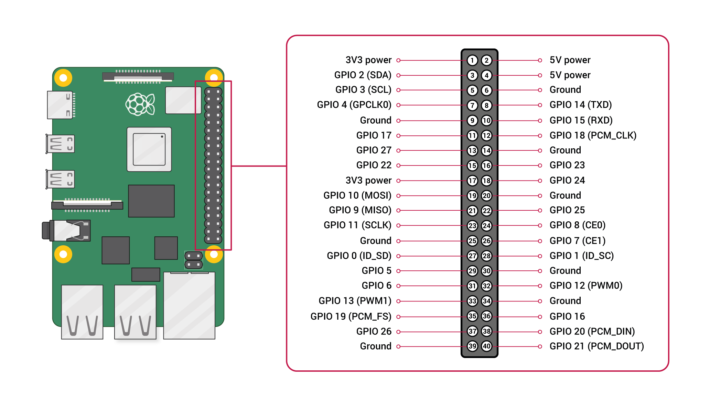
https://www.raspberrypi.com/documentation/computers/raspberry-pi.html#gpio

