Bug Report
SUPREXPRESS

OS: Windows, Browser: Chrome |  |  |  | Tested By: Milen Thomas Biju
Verfied By: |  |  |  | Date:15-09-2023
BUG ID | TEST ID | BUG DESCRIPTION | STEPS TO PROCEDURE | SCREENSHOT | SEVERITY | PRIORITY
DEF_SE-01 | SE_SS_05 | Invalid email id is accepted | 1.Open SuprExpress. 2.Click Account. 3.Verify if invalid email id is accepted. | 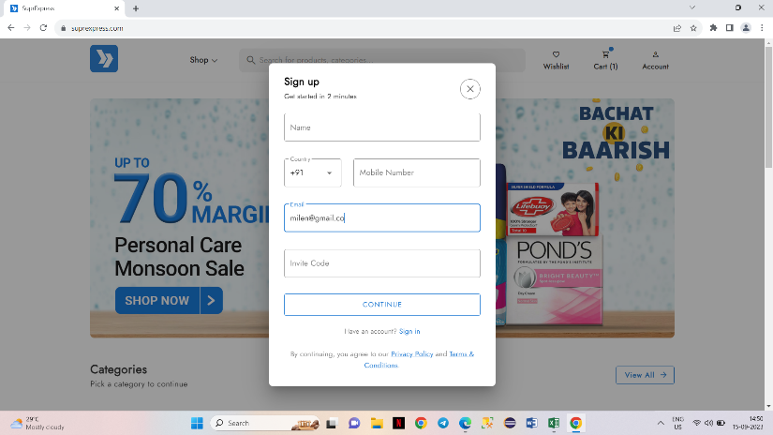 | Critical | P1
DEF_SE-02 | SE_SS_06 | Country code is not able to choose. | 1.Open SuprExpress. 2.Click Account. 3.Verify if country code of mobile number can be selected. | 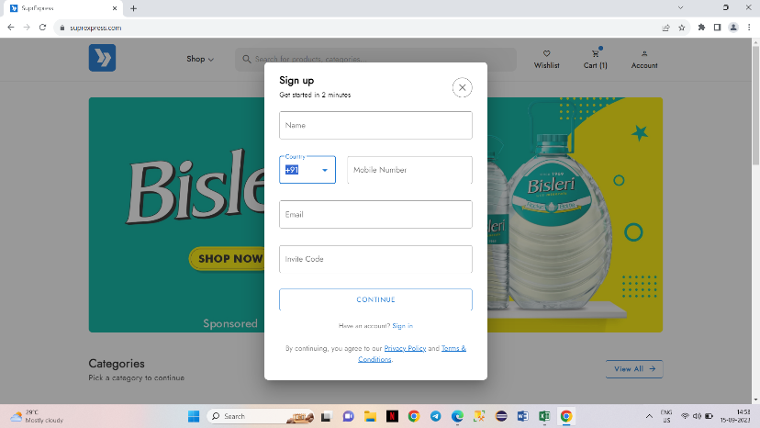 | Minor | P2
DEF_SE-03 | SE_SS_07 | More than 10 digits is accepted. | 1.Open SuprExpress. 2.Click Account. 3.Verify if mobile number can be given more than 10 digits | 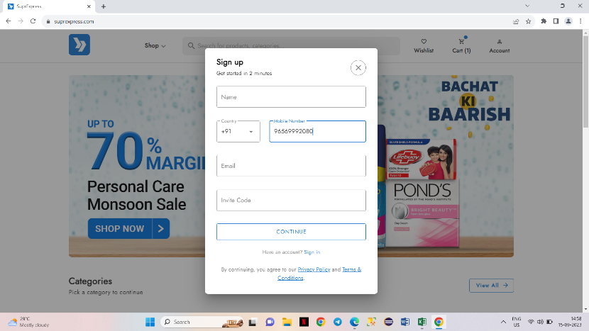 | Major | P1
DEF_SE-04 | SE_AC_03 | Credentials are not editable. | 1.Open SuprExpress. 2.Click Account. 3.Click Profile. 4.Click edit button and edit the credentials. | 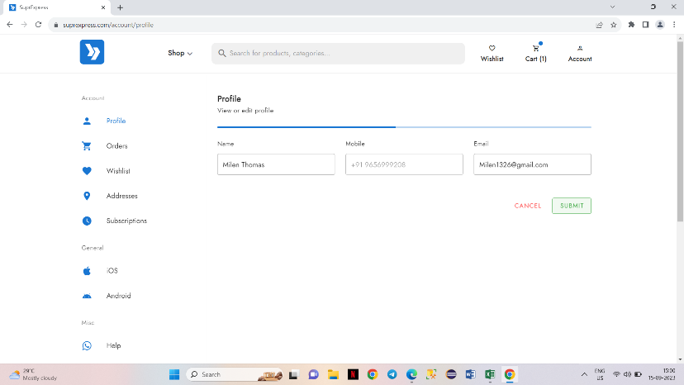 | Critical | P1
DEF_SE-05 | SE_AC_09 | An error message is not showing while entering invalid pincode. | 1.Open SuprExpress. 2.Click Account. 3.Click Addresses. 4.Enter invalid Pincode | 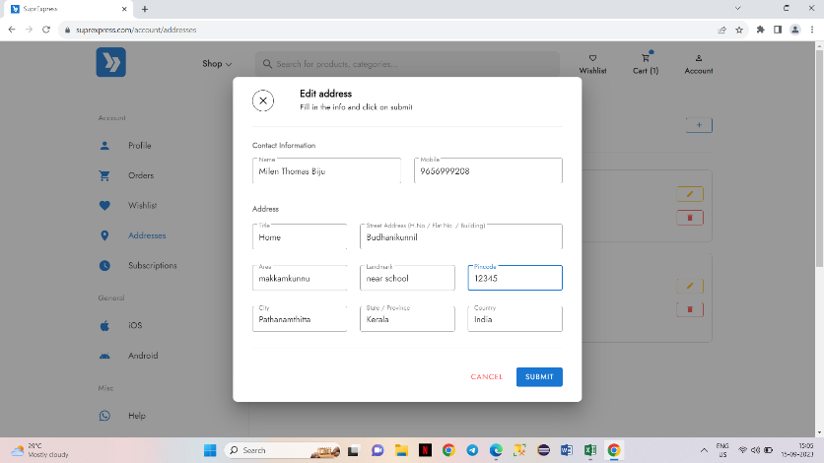 | Major | P1
DEF_SE-06 | SE_AC_10 | The pincode field is accepting alphabets. | 1.Open SuprExpress. 2.Click Account. 3.Click Addresses. 4.Enter alphabets in Pincode field. | 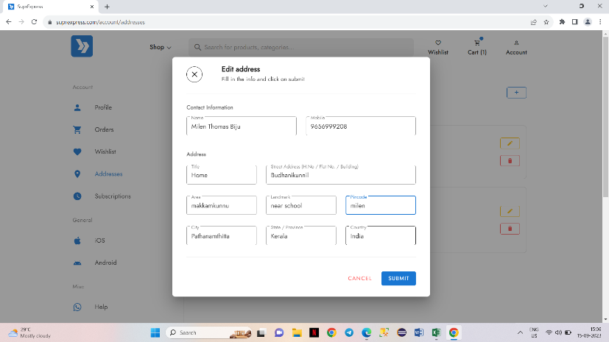 | Major | P1
DEF_SE-07 | SE_AC_11 | The city and state are not detected while entering pincode. | 1.Open SuprExpress. 2.Click Account. 3.Click Addresses. 4.Enter pincode. | 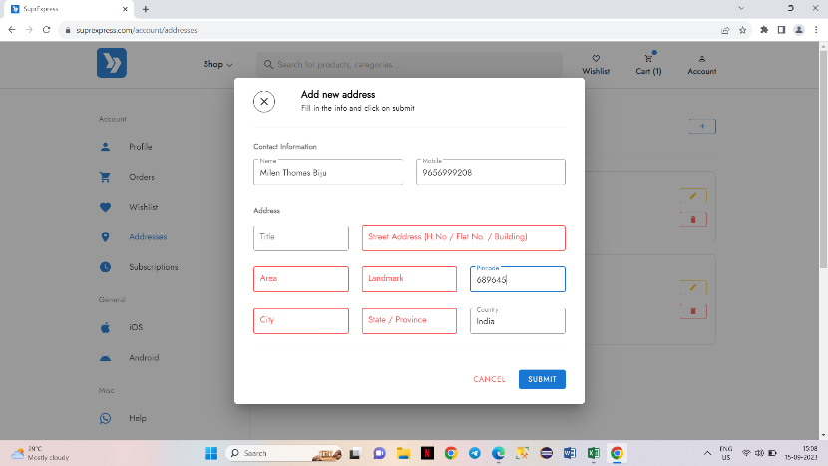 | Major | P1
DEF_SE-08 | SE_HP_07 | All the category images are not visibile | 1.Open Suprexpress. 2.Check if all category images are visible. | 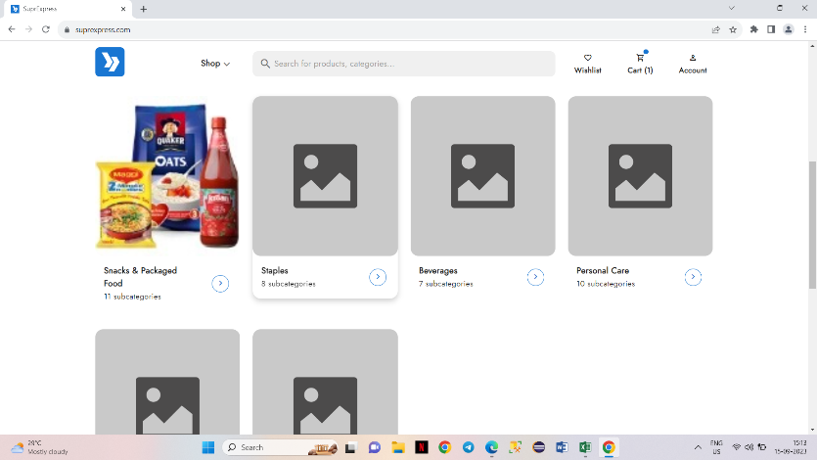 | Major | P1
DEF_SE-09 | SE_HP_20 | The images are in low quality. | 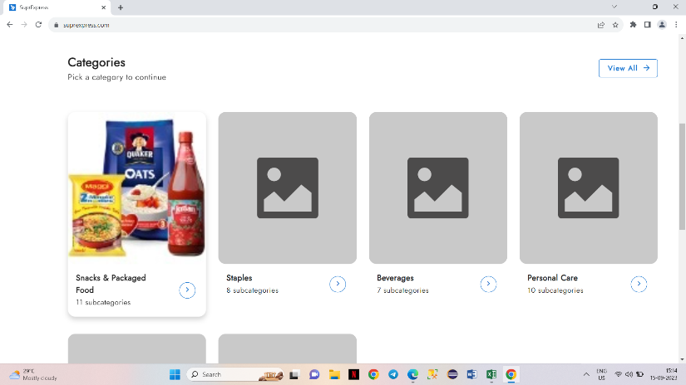 1.Open Suprexpress. 2.Check if the category image is in good quality. |  | Minor | P2
DEF_SE-10 | SE_HP_23 | Contact-us has sufficient information along with data in About-us | 1.Open Suprexpress. 2.Click Contact us. 3.Verify the contents. | 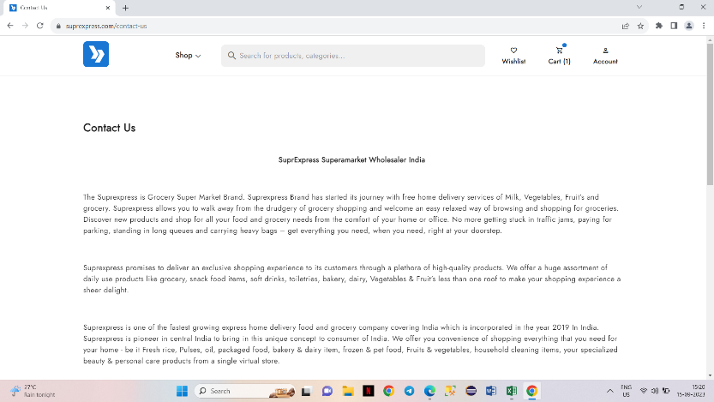 | Minor | P2
DEF_SE-11 | SE_HP_24 | Informations has some spelling mistakes. | 1.Open Suprexpress. 2.Click Contact us. 3.Verify the informations. |  | Minor | P2
DEF_SE-12 | SE_CA_02 | Some products doesn’t have images | 1.Open Suprexpress. 2.Click View all categories. 3.Check products. | 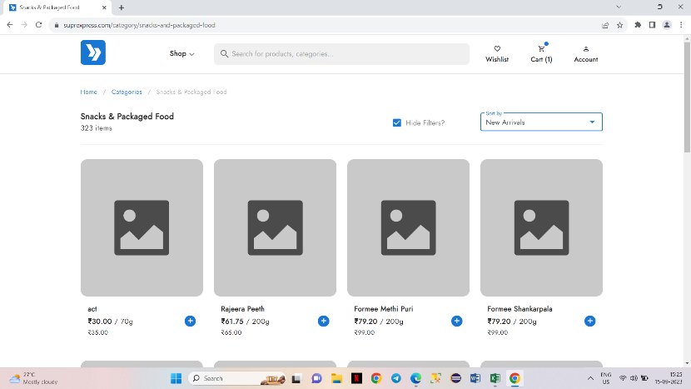 | Major | P1
DEF_SE-13 | SE_CA_03 | Sub category shows products from other categories also. | 1.Open Suprexpress. 2.Click View all categories. 3.Click Snacks and packaged food. 4.Check each products. | 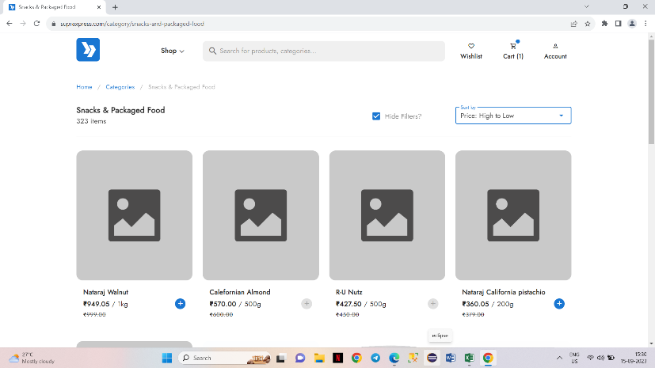 | Minor | P2
DEF_SE-14 | SE_CA_04 | Products are not spelled correctly. | 1.Open Suprexpress. 2.Click View all categories. 3.Click Snacks and packaged food. 4.Check each products. | 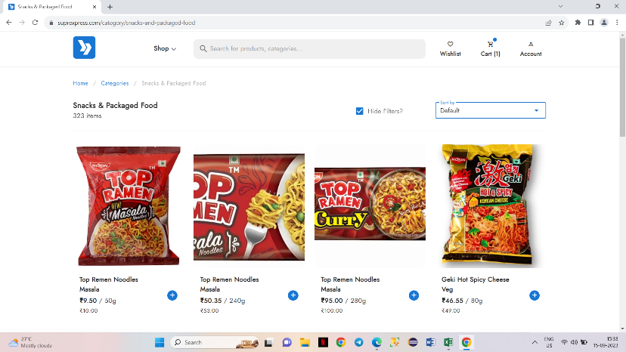 | Minor | P2
DEF_SE-15 | SE_CT_02 | Delivery is not available in any of the locations in India. | 1.Open Suprexpress. 2.Add any product to the cart. 3.Select Cart. 4.Enter pincode. |  | Critical | P1
DEF_SE-16 | SE_CT_06 | free delivery condition is not satisfied | 1.Open Suprexpress. 2.Add a product with a value which is less than as per the free delivery condition. 3.Select Cart. 4.Check delivery charge. | 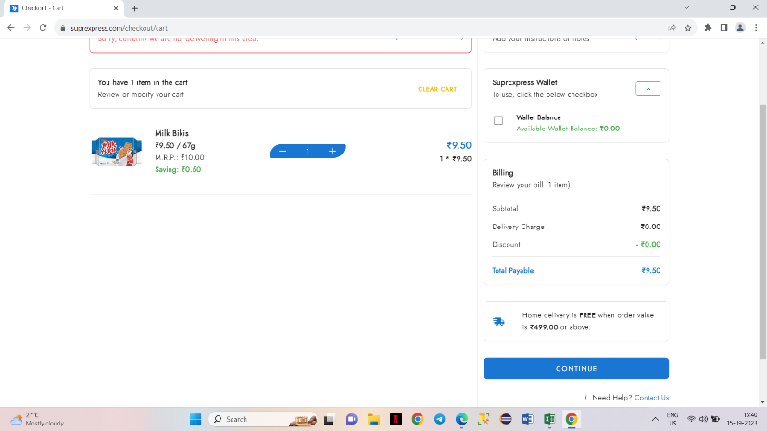 | Major | P1

Defect Distribution
MODULES | DEFECTS
Sign up | 3
Account | 4
Homepage | 4
Categories | 3
Cart | 2

