1. Overview of CA
1. Overview of Carrier Aggregation
Document: Ch.3 Overview, Ch.4.1 Related Concepts, Ch.4.2 Protocol Stack, Ch.4.3 CA-related Events, Ch.4.5 Band Combinations.
1.1 Introduction — why CA exists
3GPP requires LTE-Advanced networks to provide a downlink peak data rate of 1 Gbit/s. Operators’ spectrum may not be contiguous, or may exceed the single-carrier bandwidth (max 20 MHz per CC). 3GPP therefore introduced Carrier Aggregation (CA): aggregation of multiple contiguous or non-contiguous component carriers (CCs) into a larger bandwidth, to meet the 1 Gbit/s DL target and to raise UL/DL user peak rates.
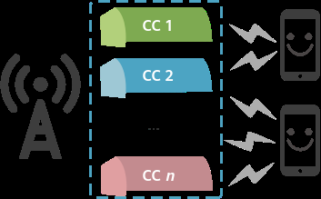

Figure 3-1 CA — multiple component carriers aggregated for one UE (source: Huawei FPD p.18)
1.2 How CA works (user-plane)
• PCell / PCC: the cell the CA UE camps on. Almost all CA switches are set on the PCell. The PCell cannot be deactivated or removed; it changes only at HO or RRC re-establishment. • SCell / SCC: extra cell(s) configured by RRC Connection Reconfiguration from the PCell. An SCell may be DL-only or DL+UL. CCs are not actually aggregated until the SCell is activated by a MAC CE. • Protocol stack: one PDCP and one RLC per radio bearer (RLC does not see CC count). MAC schedules each CC separately. Each CC has its own Uu transport channels and HARQ entities. • Huawei product limit vs 3GPP: 3GPP allows up to 32 CCs × 20 MHz. Huawei CA currently supports DL max 8 CCs and UL max 2 CCs. • Asymmetric CA is allowed: number of DL CCs ≥ number of UL CCs, and UL CCs must be a subset of the DL CC set. • Each CC keeps the Release-8 frame structure (backward compatible). TDD cells that are aggregated must use the same UL/DL configuration (1 or 2).
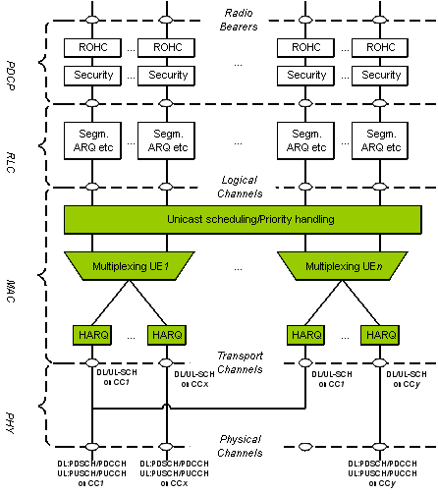

Figure 4-1 Protocol stack with CA enabled (source: Huawei FPD p.25)
1.3 Classification
Dimension | Type | Meaning
Service direction | Downlink CA | eNodeB aggregates intra- or inter-band carriers to widen DL bandwidth for a CA UE.
Service direction | Uplink CA | eNodeB aggregates intra- or inter-band carriers to widen UL bandwidth from a CA UE.
Number of carriers | Fixed number (nCC) | eNodeB selects a fixed number of CCs (2/3/4/5 DL, 2 UL).
Number of carriers | Non-fixed (Flexible CA) | eNodeB picks the most suitable carriers from UE-reported combinations using coverage overlap, load, bandwidth, spectral efficiency. DL only.
RAT | Single-RAT CA | All FDD or all TDD.
RAT | Multi-RAT CA | FDD+TDD CA. Requires DL FDD+TDD CA or UL FDD+TDD CA to be enabled.
Site | Intra-eNodeB CA | Aggregated cells served by the same eNodeB. 3GPP TS 36.300 Annex J five scenarios.
Site | Inter-eNodeB CA | Cells served by different eNodeBs: Relaxed backhaul, or eNodeB coordination.

1.4 Intra-eNodeB application scenarios (3GPP TS 36.300 Annex J)
Scenario (Fig.) | CA-group-based | Adaptive (recommended) | Operator note
Co-coverage carriers (Fig. 3-2) | Supported | Supported | Typical macro same-coverage dual-band.
Different-coverage carriers (Fig. 3-3) | Supported | Supported | Hot-spot overlay.
Macro + edge coverage (Fig. 3-4) | Supported (not recommended) | Supported — recommended | Adaptive is recommended in this scenario.
Macro + RRH (Fig. 3-5) | FDD 1:1; TDD 1:N | Supported 1:N (N≥1) | Group-based FDD only when macro:RRH = 1:1.
Site + repeater (Fig. 3-6) | Supported | Supported | Repeater extends one carrier.
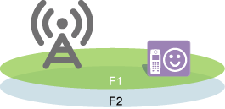

Figure 3-2 Intra-eNodeB co-coverage carriers


Figure 3-3 Intra-eNodeB different-coverage carriers
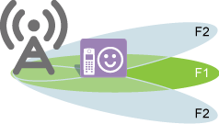

Figure 3-4 Macro coverage + edge coverage
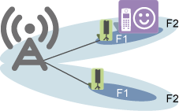

Figure 3-5 Site + RRH
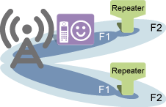

Figure 3-6 Site + repeater
1.5 Inter-eNodeB scenarios
Huawei supports CA across eNodeBs in two ways. Related parameters of one of these scenarios must be set for DL or UL CA to take effect inter-eNodeB: • Relaxed backhaul (Ch.16) — DL 2–8 CC, UL 2 CC. FDD and TDD use different switches and different transport-quality requirements. • eNodeB coordination (Ch.17) — DL 2–8 CC, UL 2 CC. FDD supports centralized / distributed / hybrid; TDD supports centralized only.
1.6 CA function catalog in this eRAN version
Function | UL | DL | CCs | RAT | Chapter
Downlink 2CC aggregation | — | Yes | 2 | FDD/TDD | Ch.5 (this workbook Step1)
Downlink 3CC aggregation | — | Yes | 3 | FDD/TDD | Ch.6 (Step2)
Downlink 4CC aggregation | — | Yes | 4 | FDD/TDD | Ch.7 (Step3)
Downlink 5CC aggregation | — | Yes | 5 | FDD/TDD | Ch.8 (Step4)
Downlink Massive CA | — | Yes | 6–8 | FDD only | Ch.9 (not in Step1–4)
Uplink 2CC aggregation | Yes | — | 2 | FDD/TDD | Ch.10
Flexible CA | — | Yes | 2–8 | FDD/TDD | Ch.11 (see sheet 2)
Intelligent serving-cell selection | Yes | Yes | DL 2–5 / UL 2 | FDD/TDD | Ch.12 (see sheet 2)
Downlink FDD+TDD CA | — | Yes | 2–8 | FDD+TDD | Ch.13
Uplink FDD+TDD CA | Yes | — | 2 | FDD+TDD | Ch.14
Beamforming in SCells | Yes | Yes | DL 2–5 / UL 2 | TDD only | Ch.15
Inter-eNB CA — relaxed backhaul | Yes* | Yes | DL 2–8 / UL 2 | FDD/TDD | Ch.16
Inter-eNB CA — coordination | Yes* | Yes | DL 2–8 / UL 2 | FDD/TDD | Ch.17
SCC buffer optimization | — | Yes | 2–8 | FDD | Ch.18

1.7 CA-related measurement events (used for PCC anchoring and SCell management)
Event | Meaning | Entering condition (doc) | Used for
A1 | PCell quality exceeds a threshold | Ms − Hys > Thresh throughout TimeToTrig | Start PCC anchoring (after UE camps on a non-highest-priority PCC)
A2 | PCell / SCell quality drops below a threshold | Ms + Hys < Thresh throughout TimeToTrig | SCell removal (CA A2). Also HO-related A2 can allow SCell config (RcvA2CfgSccSwitch)
A3 | Neighbor better than PCell by an offset | Mn+Ofn+Ocn−Hys > Ms+Ofs+Ocs+Off | Connected-mode mobility (not CA-specific)
A4 | Inter-frequency neighbor exceeds a threshold | Mn+Ofn+Ocn−Hys > Thresh | Three different A4 MOs: (1) CA SCell-add = CaMgtCfg.CarrAggrA4ThdRsrp + CaGroupSCellCfg.SCellA4Offset or SccFreqCfg.SccA4Offset [+ SccA2RsrpThldExtendedOfs]; (2) SC/PCC-anchor target = CaGroupCell.PCellA4RsrpThd or PccFreqCfg.PccA4RsrpThd; (3) coverage HO = InterFreqHoGroup.InterFreqHoA4ThdRsrp
A5 | PCell below Thresh1 AND neighbor above Thresh2 | (Ms+Hys<Thresh1) AND (Mn+Ofn+Ocn−Hys>Thresh2) | PCC anchoring inter-freq measurement. Thresh1 is always −43 dBm / −3 dB. Thresh2 = PCellA4RsrpThd or PccA4RsrpThd
A6 | Intra-frequency neighbor of SCell better than SCell | Mn+Ocn−Hys > Ms+Ocs+Off (Hys always 1 dB) | SCell change, PCell unchanged. Off = CaMgtCfg.CarrAggrA6Offset
Recommendation (Ch.4.3): select both CaA5HoEventSwitch and CaA5HoEventEnhSwitch on ENodeBAlgoSwitch so that event A4 is changed to A5 when SCells exist. A4 measurement objects do not include serving cells, so without A5 the UE cannot be handed over from its PCell to its SCell. If CaA6TimeToTrigger > 3 s (gap-assisted measurement timer), A6 reports cannot be sent.
1.8 Band combinations
• 3GPP-defined combinations: with UMPT main control, combinations in 3GPP TS 36.101 V18.3.0 §5.6A.1. • FDD 1.4/3 MHz cells can do FDD-only CA but cannot be PCell (only 6 RBs — PUCCH overload). TDD 1.4/3/5 MHz cannot do TDD-only CA. • Private (operator-defined) combinations: PrivateCaBandComb + PrivateBand MOs. Private combination overrides 3GPP on conflict. Only one PrivateCaBandComb for 8CC (smallest PrivateCaCombId wins). • UE reports CA capability in BandCombination IE. Network-requested signaling can collect up to 384 (128+256) combinations.
Peak rate is always capped by (1) BBP board peak of the PCell (example: LBBPd1 DL 450 Mbit/s) and (2) UE category (ue-CategoryDL / ue-CategoryUL, 3GPP TS 36.306).

2. Type of CA Config
2. Types of CA configuration (how every type works)
Document: Ch.4.4 Configuration Modes (group-based vs adaptive — adaptive is recommended), Ch.11 Flexible CA, Ch.12 Intelligent Selection of Serving Cell Combinations. A mode change changes aggregatable cell combinations, license units, and inter-cell routes → SCell add/remove → counters L.Thrp.bits.DL.CAUser, L.Traffic.User.PCell/SCell.DL.Avg, L.Thrp.Time.DL.CAUser change.
2.1 Side-by-side comparison
Item | CA-group-based | Adaptive (recommended) | Flexible CA | Intelligent selection
How enabled | Deselect FreqCfgSwitch on ENodeBAlgoSwitch.CaAlgoSwitch | Select FreqCfgSwitch AND AdpCaSwitch | Group: license only. Adaptive: MultiCarrierFlexCaSwitch on CaMgtCfg.CellCaAlgoSwitch | CaSmartSelectionSwitch on ENodeBAlgoSwitch.CaAlgoSwitch
What you define | CaGroup of cells (max 9 per group: FDD / TDD / FDDTDD) | PccFreqCfg + SccFreqCfg frequencies | Larger candidate SCC set; pick 1–7 SCCs (up to 8 inter-freq carriers) | CaSmartSelectionSwitch ON: first use highest DL air interface capability (CaMgtCfg.MinDlAvgToBeScheduledUeNum: P×SF×SE−G or (P×SF×SE−G)/N)
Who can aggregate | Only cells inside the same CA group | Only cells on the configured PCC/SCC frequencies | From the candidate pool, prefer the combination with the largest number of CCs | Selected combination, not a static pair
Blind SCell | SccBlindCfgSwitch + CaGroupSCellCfg.SCellBlindCfgFlag=TRUE | CaGroupSCellCfg.SCellBlindCfgFlag=TRUE (one blind SCell per SCC frequency) | Can combine with SmartCaFastSccCfgSwitch | SmartCaFastSccCfgSwitch tries blind add while CaSmartSelectionSwitch is ON
Route / capacity | Static CaGroupSCellCfg. Max 1152 MOs / eNB | Static + dynamic routes. 8 / 24 / 48 neighbors per cell depending on Dl2CCAckResShareSw and CaRouteNumberExtensionSwitch. PCC+SCC freqs ≤ 17. | Same as parent mode | If ON, max 9 PCC frequencies (else 16)
License character | Each cell in a ≥2-inter-freq group consumes LTE-A Introduction | Each PCC-freq cell + participating SCC-freq cell consumes LTE-A Introduction | Per cell when ≥3 inter-freq cells (group) or when switch ON (adaptive) | Separate feature; see Ch.12
When to use | Small, fixed, co-coverage cluster; simple ops | Multi-band / multi-site, overlapping coverage, growth. Huawei recommended. | More than 2 candidate carriers; want max CC count | Need load-aware serving-cell mix (DL and UL)

2.2 CA-group-based configuration — how it works
Cells are placed in a CaGroup. Only those cells can be aggregated. The eNodeB picks the highest PreferredPCellPriority cell as PCell (PCC anchoring) and the highest SCellPriority candidate as SCell. SCellPriority = 0 means the cell must never be an SCell. Blind add skips A4 and sends RRC Reconfiguration immediately. Rules: ≤9 cells per group; identical PreferredPCellPriority / SCellPriority / SpidGrpId recommended for intra-frequency cells in a group (eNodeB takes the highest if they differ). Candidate SCells must be in the same group as the PCell or the MO is wasted. If PCell is high-frequency (small coverage), blind-configure a low-frequency large-coverage SCell. If PCell is low-frequency (large coverage), do NOT blind-configure a high-frequency small cell — use A4; otherwise SCell scheduling efficiency collapses and the CA UE will not reach ~2× non-CA rate.
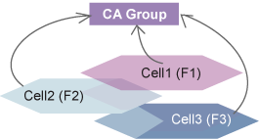

Figure 4-2 CA-group-based configuration mode (source: Huawei FPD p.30)
2.3 Adaptive configuration — how it works (recommended)
You configure candidate PCC frequencies (PccFreqCfg) and, for each PCC, candidate SCC frequencies (SccFreqCfg). The eNodeB decides the actual PCell only after A5 reports (frequency-level, not cell-level, is configured). Blind add: only one SCellBlindCfgFlag=TRUE cell is allowed per SCC frequency; if several are flagged, which one wins is undefined and can change after reset. Limits: ≤16 PCC freqs (9 if CaSmartSelectionSwitch is ON). ≤16 SCC freqs per PCC (≤8 per operator unless SMART_CARRIER_SELECTION_SW or LOW_FREQ_SCS_OPT_SW). Total PCC+SCC frequencies ≤ 17. Max 1152 CaGroupSCellCfg, but CA route capacity / backplane may bind first. Dynamic routes age out after SCellAgingTime with no CA between the pair. Low-value routes can be penalized (CaRouteConfigPenaltyOfs ≠ 0). Doc recommendation in adaptive mode: configure one static route per cell to avoid wasting backplane; 48-neighbor mode needs UMPT+UBBP and raises CPU.
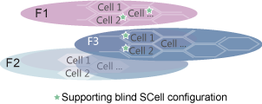

Figure 4-3 Adaptive configuration mode (source: Huawei FPD p.32)
2.4 Flexible CA — how it works
Flexible CA lets the eNodeB choose the most suitable DL carriers from a larger candidate set, using the UE-reported CA capability and carrier-management principles (not a fixed 2CC pair). • Group-based: no extra switch — apply license LAOFD-070201 / TDLAOFD-070201. In a group of ≥3 inter-frequency intra-duplex cells, each cell consumes one sales unit. • Adaptive: MultiCarrierFlexCaSwitch on CaMgtCfg.CellCaAlgoSwitch. ON → eNodeB can select 1–7 SCCs from up to 8 inter-frequency carriers; operating frequencies of the largest-CC combination take precedence. OFF → A4 measurement objects are limited to the number of SCCs the UE supports, ordered by SccPriority, so the largest combination may never be configured. Procedure: (1) UE reports CA capability after RRC setup / re-establishment / incoming HO. (2) eNodeB selects SCCs from capability + local deployment.
License: FDD LAOFD-070201 Flexible CA from Multiple Carriers, model LT1SCAD2MC00, per cell. TDD TDLAOFD-070201, model LT1SCADFMC00, per cell. License insufficiency can block cell activation.
2.5 Intelligent selection of serving cell combinations — how it works
Ch.12: the eNodeB selects DL combinations (2–5 CC) and UL combinations (2 CC) using triggers (traffic / measurement), UE capability, coverage overlap and load — rather than a static priority list alone. Switch: ENodeBAlgoSwitch.CaAlgoSwitch / CaSmartSelectionSwitch. When ON, PCC frequency count is capped at 9, and the first pick among candidate serving cells is highest downlink air interface capability: if CaMgtCfg.MinDlAvgToBeScheduledUeNum=0 then P×SF×SE−G, else (P×SF×SE−G)/N (P=L.ChMeas.PRB.DL.Avail, SF=CellMLB.CellCapacityScaleFactor, G=GBR bandwidth, SE=spectral efficiency, N=active UEs with floor=MinDlAvgToBeScheduledUeNum). Then PreferredPCellPriority/PreferredPccPriority, bandwidth, EARFCN. SmartCaFastSccCfgSwitch (CaAlgoExtSwitch) can try blind SCell configuration to shorten time-to-CA; it requires CaSmartSelectionSwitch ON. Does not take effect together with some PCC-anchoring enhancements (e.g. UlCaCapbBasedPccSelectionSw).
2.6 Carrier-management state machine (common to every type)
• PCC anchoring → SCell configuration → SCell change (A6) → SCell activation (MAC CE) → SCell deactivation (MAC CE) → SCell removal (RRC). • Aggregation is live only after activation. Configured-but-deactivated SCells still consume C-RNTI / route resources. • Enhancements: PccSmartCfgSwitch (load-based PCell) and SccSmartCfgSwitch (load-based SCell). Unknown load is treated as high load. High PCell load = PCell-served UEs > CellMaxPccNumber × PccUserNumberOffloadThd, OR BBP CPU > 70%.
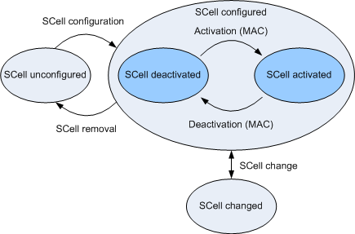

Figure 4-6 SCell state transitions (source: Huawei FPD p.78)

3. Step1 2CC Config
Step 1 — Downlink 2CC configuration (document Ch.5 + common Ch.4.6)
This sheet is the master template. Steps 2–4 reuse the same section order. 2CC is a prerequisite of 3CC/4CC/5CC. Deploy and verify 2CC before turning on CaDl3CCSwitch / CaDl4CCSwitch / CaDl5CCSwitch.
A. Principal (Ch.5.1–5.2)
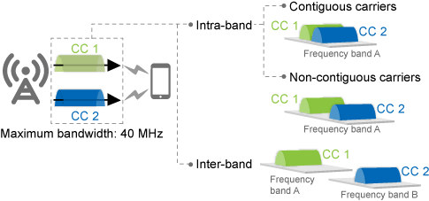

Figure 5-1 Downlink 2CC aggregation (source: Huawei FPD p.112)
Downlink 2CC aggregates two intra- or inter-band carriers to raise DL bandwidth. It works intra-eNodeB, inter-eNodeB (coordination), and inter-eNodeB (relaxed backhaul). Switch map (Table 5-1): • Group-based FDD: any BW ≤ 40 MHz — CaDl2CCExtSwitch not required. • Group-based TDD: any BW ≤ 40 MHz — CaDl2CCExtSwitch not required. • Adaptive FDD: BW ≤ 20 MHz — no extra switch; 20 MHz < BW ≤ 40 MHz — select CaDl2CCExtSwitch on each possible PCell/SCell pair. • Adaptive TDD: BW ≤ 30 MHz — no extra switch; 30 MHz < BW ≤ 40 MHz — select CaDl2CCExtSwitch. FDD vs TDD difference (Ch.2.4): maximum aggregated bandwidth 20 MHz (FDD basic) vs 30 MHz (TDD basic) before the 40 MHz license/switch.
Theoretical peak data rates for DL 2CC (Table 5-2, unit Mbit/s)
Theoretical DL peak (20 MHz/CC; TDD UL/DL cfg 2, SS 7)
MIMO / MCS | FDD (Mbit/s) | TDD (Mbit/s)
2x2 + 64QAM | 299.6 | 224
2x2 + 256QAM | 391.6 | 286
4x4 + 64QAM | 599.7 | 434
4x4 + 256QAM | 783.3 | 572

Caps: PCell BBP peak (e.g. LBBPd1 DL 450 Mbit/s) and UE ue-CategoryDL. Network impact highlights: one CA UE = 1 RRC license but 1 HW unit per serving cell (nCC → admitted UEs → 1/n). PRB usage of the network usually rises (burst traffic, load balance). PUCCH/PUSCH/PDCCH overhead on PCell rises. Periodic CQI of CA UEs can drop (CSI discarded when colliding with ACK/NACK on PUCCH 1b). Select SriPeriodCfgOptSW. Select Dl2CCAckResShareSw only knowing it raises CA UE count but can lower per-UE rate.
B. Triggering conditions (2CC uses the common CA carrier-management procedure in Ch.4.6)
Charts below are the original Huawei figures. Sample calculations use document-fixed constants (A5 Thresh1 RSRP = −43 dBm, RSRQ = −3 dB; A6 Hys = 1 dB; A5 measurement timer = 3 s) plus the MML example thresholds PCellA4RsrpThd / PccA4RsrpThd = −105 dBm, offsets = 0.
B1. PCC anchoring — when it starts
• Enable EnhancedPccAnchorSwitch (recommended). If both PccAnchorSwitch and EnhancedPccAnchorSwitch are ON, only Enhanced takes effect. • eNodeB delivers A1 measurement to the CA UE when: (1) the access / re-establishment / HO target cell is NOT the highest PCell/PCC priority, AND (2) the UE meets attribute conditions. • UE attribute conditions: not eMBMS; not emergency call; not high-speed mobility state; if PCC_ANCHOR_HO_FORBID_SW is ON, speed ≤ 30 km/h; not eMTC; QCI1/VoLTE and QCI65/66 MCPTT rules (see 19.7 VoLTE / McpttVoiceCaSwitch). • A1 RSRP threshold = CaMgtCfg.EnhancedPccAnchorA1ThdRsrp. SCell config is allowed before A1 is reported. • On A1: if HoWithSccCfgSwitch OFF → remove all SCells then PCC-anchor; if ON → PCC-anchor keeping SCells. • In the current serving cell, A1 is reported only once. CaTrafficTriggerSwitch ON allows PCC anchoring on unnecessary incoming HO (risk of ping-pong); OFF = necessary HO only (recommended to avoid ping-pong).
Event A1 — entering condition (3GPP / Ch.4.3) + sample
3GPP / Huawei condition: A1 enters when (Ms − Hys > Thresh) is true throughout TimeToTrig. Ms = PCell RSRP (dBm). Thresh = CaMgtCfg.EnhancedPccAnchorA1ThdRsrp.
Worked example (sample values from the document or typical live-network settings): Assume: Ms = −82 dBm (UE in good PCell coverage), Hys = 1 dB, Thresh = −90 dBm, TimeToTrig met. Compute: Ms − Hys = −82 − 1 = −83 dBm. Compare to Thresh −90 dBm: −83 > −90 → TRUE. Result: A1 IS triggered. eNodeB starts PCC anchoring (group Fig. 4-4 or adaptive Fig. 4-5). If Ms = −95 dBm: −95 − 1 = −96 which is NOT > −90 → A1 does not trigger, UE stays on current PCell.
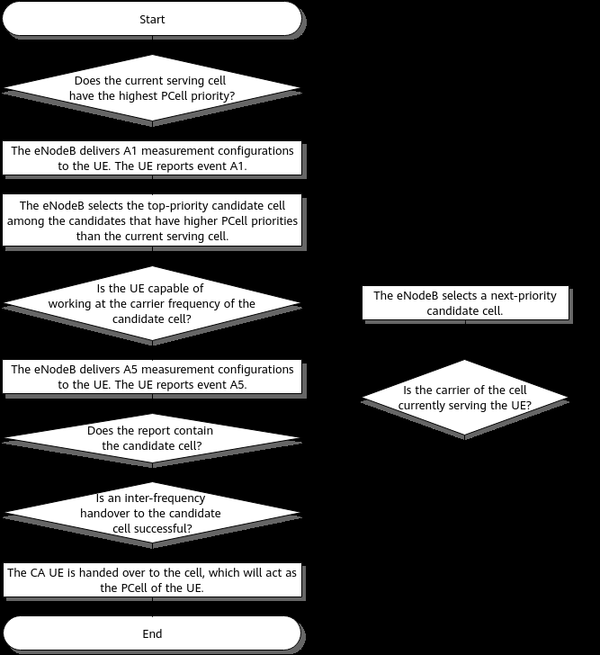

Figure 4-4 CA-group-based PCC anchoring procedure (source: Huawei FPD p.72) — sample values in figure notes: PCellA4RsrpThd=−105 dBm, A5 Thresh1=−43 dBm, timer=3 s
Group-based sample (Doc MML): Cell0 PreferredPCellPriority=2, Cell1 PreferredPCellPriority=1, both PCellA4RsrpThd=−105, PCellA4RsrqThd=−20. UE accesses Cell1 (priority 1). Highest priority in group is Cell0 (priority 2) → Cell0 is candidate. UE capable on Cell0 frequency → eNodeB sends A5 (Thresh1 RSRP always −43 dBm / RSRQ −3 dB; Thresh2 RSRP = −105 dBm from PCellA4RsrpThd; InterFreqHoA4TrigQuan = RSRP or RSRQ or BOTH). Timer 3 s. If neighbor Cell0 RSRP Mn = −98 dBm, Ofn=Ocn=0, Hys=1: Mn+Ofn+Ocn−Hys = −99 dBm. −99 > −105 AND PCell quality below −43 (always true at realistic RSRP) → A5 fires → HO to Cell0 as new PCell. If Mn = −112 dBm: −113 is NOT > −105 → no A5 within 3 s → try next candidate; if none, Cell1 remains PCell.
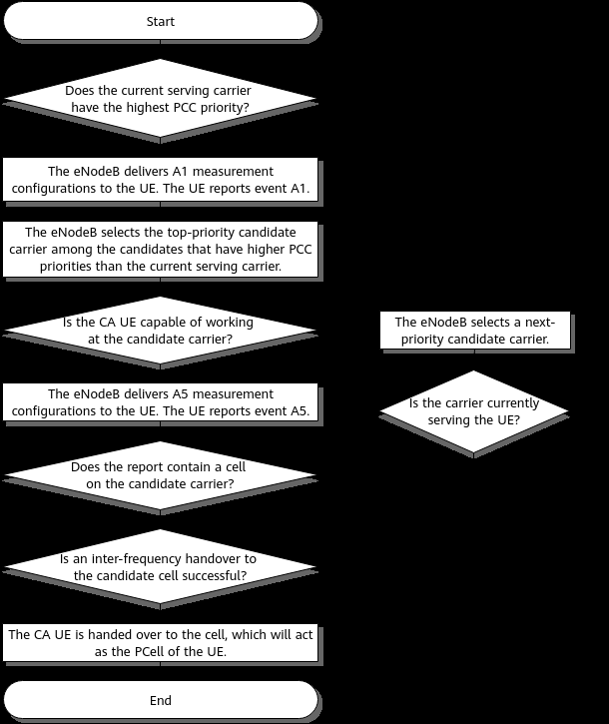

Figure 4-5 Adaptive PCC anchoring procedure (source: Huawei FPD p.74) — PccFreqCfg.PccA4RsrpThd recommended > InterFreqHoGroup.InterFreqHoA4ThdRsrp
Adaptive difference: only frequency-level PCC is configured, so the PCell cell is chosen from the first A5 report. If no SccFreqCfg exists for a PccFreqCfg, A5 for that PCC is not delivered. Recommendation: PccA4RsrpThd > coverage HO A4 threshold so PCC anchoring does not steal coverage HOs.
B2. SCell configuration — when it starts
• Starts after RRC setup in: initial access, incoming RRC re-establishment, or incoming HO — AND SRB2 + default DRB exist — AND SCell count < max — AND not emergency call — AND not CSFB. • CaTrafficTriggerSwitch ON: SCell config only when traffic also meets SCell activation conditions (blind add does not take effect). OFF: triggered by those traffic conditions OR by RRC setup. • PCell-served UE cap: if number of PCell-served UEs ≥ CellMaxPccNumber, SCell config is prohibited. Resume only when the number falls below 90% of CellMaxPccNumber. SCell-served UEs are not counted. Lowering CellMaxPccNumber does not remove already-configured SCells. • CPU: eNodeBFlowCtrlPara.CaFlowCtrlThld. Below (thld−10): no impact. At thld: 80% probability; then 60/40/20/10%; at thld+5 to 100%: no SCell config. BBP CPU [0,70): no impact; [70,90): no SCell config for new access/HO/re-est; [90,100]: no SCell config for any CA UE. • UE-number control: Forbid2/3/4/5ccUeRatioThld. Doc example for large UE count: 90 / 80 / 70 / 60. Default 100 = function OFF. Constraint: Forbid2 > Forbid3 > Forbid4 > Forbid5 when not 100. Exit hysteresis = threshold − 5% (floor 1%). • FREQ_MEAS_FLAG of EutranInterNFreq.AggregationAttribute must stay selected or the frequency is not a candidate. • For nCC, the eNodeB prefers the maximum supported CC count. If fewer SCells succeed, it retries every SccCfgInterval while activation traffic conditions remain true.
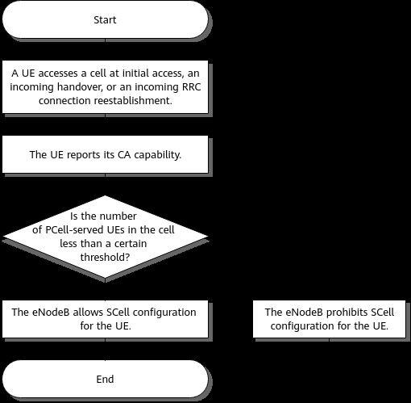

Figure 4-7 Control of the maximum permissible number of PCell-served UEs over SCell configuration (source: Huawei FPD p.79)
Event A4 — SCell add (measurement-based) + sample
3GPP / Huawei condition: A4 enters when (Mn + Ofn + Ocn − Hys > Thresh) throughout CaMgtCfg.CaA4TimeToTrigger. Effective Thresh (group, initial/HO/re-est) = CaMgtCfg.CarrAggrA4ThdRsrp + CaGroupSCellCfg.SCellA4Offset + SccFreqCfg.SccA2RsrpThldExtendedOfs (all on PCell). Effective Thresh (adaptive, initial/HO/re-est) = CarrAggrA4ThdRsrp + SccFreqCfg.SccA4Offset + SccA2RsrpThldExtendedOfs. If SCell config is periodically triggered by traffic (not initial), the extended Ofs is NOT added (adaptive).
Worked example (sample values from the document or typical live-network settings): Doc MML: SCellA4Offset=0, SccA4Offset=0. Assume CarrAggrA4ThdRsrp = −105 dBm (same order as PCell A4 example), Hys=1 dB, Ofn=Ocn=0. Thresh = −105 + 0 + 0 = −105 dBm. Candidate SCell RSRP Mn = −100 dBm → Mn−Hys = −101. −101 > −105 → A4 IS triggered → SCell add. If Mn = −110 dBm → −111 which is NOT > −105 → A4 not triggered (no measurement-based add). Raising SCellA4Offset by +6 dB moves Thresh to −99 dBm: then Mn=−100 gives −101 which is NOT > −99 → SCell add becomes harder (doc: greater offset = lower probability of configuring an SCell). Result: Use A4 for high-frequency small SCells under a low-frequency PCell. Use blind add (skip A4) when the SCell is low-frequency large coverage under a high-frequency PCell — A4 would always fire.
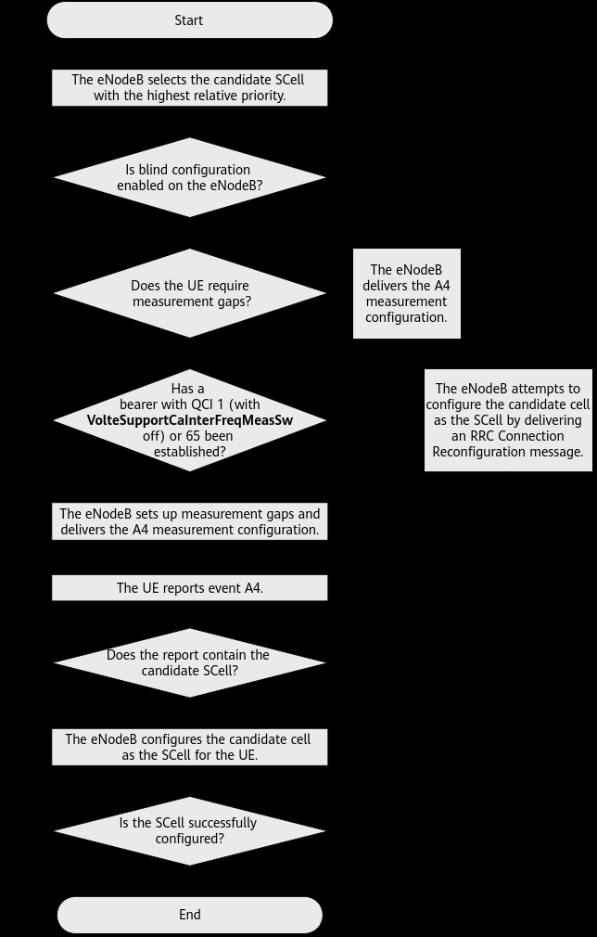

Figure 4-8 CA-group-based SCell configuration procedure for UL/DL 2CC (source: Huawei FPD p.86). For nCC there are (n−1) candidate SCells in a selection.
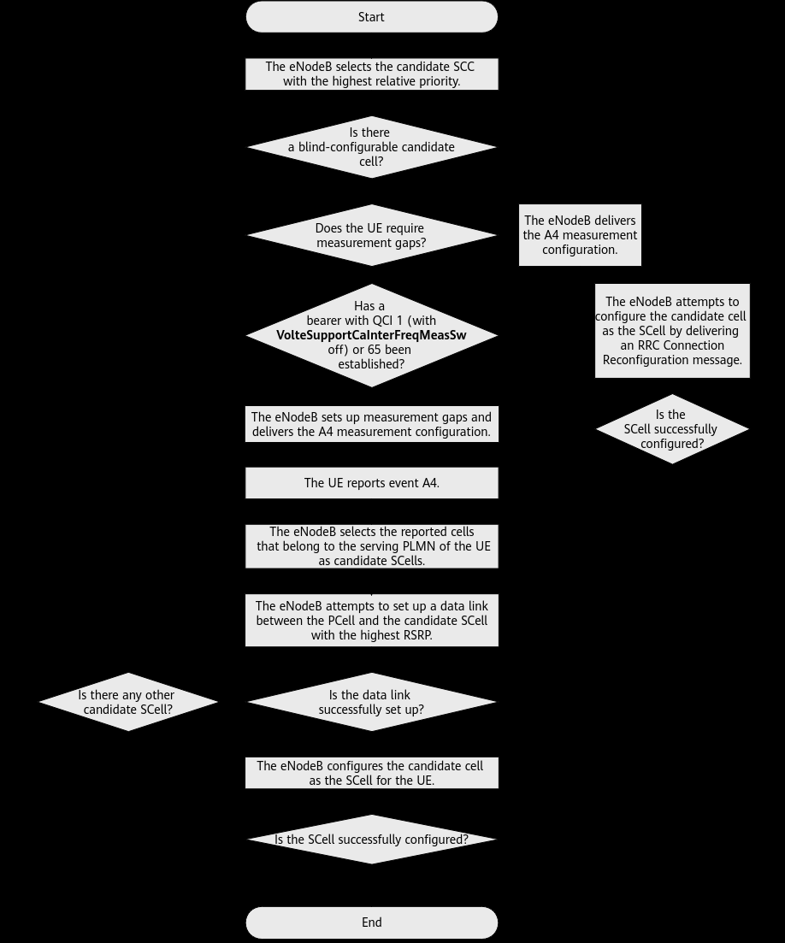

Figure 4-9 Adaptive SCell configuration procedure for UL/DL 2CC (source: Huawei FPD p.90)
B3. SCell activation — when aggregation actually starts
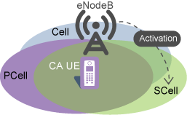

Figure 4-11 SCell activation (source: Huawei FPD p.97)
Traffic-volume activation (Table 4-14) + sample
3GPP / Huawei condition: DL SCell activates when BOTH: (1) RLC buffered data > max(Uu RLC rate × BufferDelayThd, BufferLenThd) (2) Delay of first RLC PDU > BufferDelayThd Non-NSA: BufferDelayThd = CaMgtCfg.ActiveBufferDelayThd ; BufferLenThd = CaMgtCfg.ActiveBufferLenThd. NSA: NsaDcLteScellActBfrDelThld / NsaDcLteScellActBfrLenThld. UL extra: BSR > BufferLenThd throughout UlCaActiveTimeToTrigger, and TTI bundling not in effect. CaInstantlyJudgeSwitch ON = millisecond instantaneous traffic; OFF = filtered second-level (better for large-file DL). MAC CE in subframe n → SCell active in subframe n+x with x=8 (FDD) or x≥8 (TDD).
Worked example (sample values from the document or typical live-network settings): Assume non-NSA, ActiveBufferLenThd = 10000 bytes, ActiveBufferDelayThd = 50 ms, Uu RLC rate = 2 Mbit/s = 250000 bytes/s. max(rate × delay, len) = max(250000×0.050, 10000) = max(12500, 10000) = 12500 bytes. If RLC buffer = 20000 bytes AND first-PDU delay = 80 ms (> 50 ms) → BOTH true → eNodeB sends MAC CE to activate SCell. If ActiveBufferLenThd = 0 (explicitly not recommended): eNodeB activates as soon as it intends to send any data, then often deactivates immediately → BBP flow control risk. Result: SCell becomes usable only after activation. Heavy-load block: if ScellNoActivationUeNumThld ≠ 0 and UE count (non-CA + PCell CA + activated-SCell CA) exceeds it, no new activation quota. Recommended ON for FDD 1.4/3/5 MHz and TDD 5 MHz. Not compatible with LBBPc.
C. Leaving conditions (SCell deactivation + SCell removal)
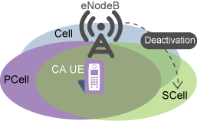

Figure 4-12 SCell deactivation triggers (source: Huawei FPD p.100)
C1. Traffic-volume deactivation (needs CaMgtCfg.CarrierMgtSwitch = ON on PCell)
Table 4-15 + sample (recommend DeactiveBufferLenThd < ActiveBufferLenThd)
3GPP / Huawei condition: DL deactivation when EVERY E-RAB meets BOTH: Uu RLC rate ≤ CaMgtCfg.DeactiveThroughputThd RLC buffer ≤ CaMgtCfg.DeactiveBufferLenThd Then eNodeB sends MAC CE to deactivate SCells. UL SCell: deactivate only if UL AND DL both meet (UL: BSR ≤ DeactiveBufferLenThd AND UL Uu rate ≤ DeactiveThroughputThd). If only DL meets: deactivate DL-only SCells. If CaTrafficTriggerSwitch ON: RRC Reconfiguration removes SCells immediately after traffic-based deactivation (except NSA CA UEs when ScgAdditionBufferLenThld = 0).
Worked example (sample values from the document or typical live-network settings): Assume DeactiveThroughputThd = 256 kbit/s, DeactiveBufferLenThd = 2000 bytes, ActiveBufferLenThd = 10000 bytes (hysteresis). UE browsing idle: Uu rate = 80 kbit/s (≤ 256) and RLC buffer = 400 bytes (≤ 2000) on every E-RAB → DEACTIVATE. UE still downloading: Uu rate = 8 Mbit/s → condition fails → SCell stays active. If DeactiveBufferLenThd were 15000 (> Active 10000), ping-pong activate/deactivate would occur — this is why the document requires deactive length < active length. Result: MAC CE deactivates; with CaTrafficTriggerSwitch ON the SCell is also removed (RRC).
C2. Channel-quality deactivation (CarrierMgtSwitch = ON; recommended when blind SCell is used or A2 is OFF)
Does NOT run if CaSccSuspendSwitch is ON (SCell suspends scheduling instead) or if SCC_SPCT_EFF_STOP_SCH_SW is ON. Non-relaxed BH: deactivate when spectral efficiency of reported SCell CQI < Rel-8 SE of CaMgtCfg.SccDeactCqiThd (single-codeword). Value 5 is recommended. Value 0 disables CQI-based deactivation. Relaxed BH: use RelaxedBHSccDeactCqiThd instead. After CQI-based deactivation the UE stops reporting that SCell CQI. Reactivation by traffic/voice is gated by SccReactivationTime (PCell). SCell is NOT immediately removed, even if CaTrafficTriggerSwitch is ON. Sample: SccDeactCqiThd = 5. UE reports CQI 3 (SE below CQI5 SE) → MAC CE deactivate. UE reports CQI 8 → keep SCell.
C3. Residual BLER deactivation
DL: 10 consecutive residual BLER events. If SccQuietTime = 0 → immediate MAC CE. If SccQuietTime ≠ 0 → stop scheduling, send 1-byte probe; ACK resumes; NACK decreases CQI by basic step (+ SccDetectCqiDecreaseStep if ≠ 0); after max probe failures → deactivate. UL: SccQuietTime must be 0. 40 consecutive UL residual BLER → MAC CE. If SccDeactByUlDtxSwitch ON, also deactivate on activation-status mismatch. Do not enable SccDeactByUlDtxSwitch in high UL load (SCell rate drops). Enable it on every eNodeB in the CA set (PCell and SCells).
C4. RLC retransmission-count deactivation
Relaxed BH: if ScellDeactRlcRetransNumThd = 0 on PCell, deactivate all SCells when total RLC retx on PCell+SCells > 20. If Thd ≠ 0, that threshold is used. Purpose: high SCell RBLER drives MAC retx → RLC retx → service drop. Deactivate SCell to protect drop rate.
C5. SCell removal (RRC) — Event A2
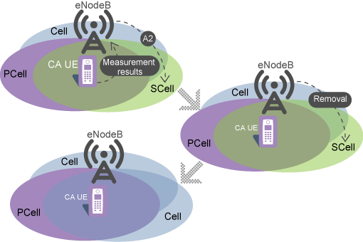

Figure 4-13 SCell removal (source: Huawei FPD p.106)
Event A2 — SCell leave / removal + sample
3GPP / Huawei condition: A2 enters when (Ms + Hys < Thresh) throughout CaMgtCfg.CaA2TimeToTrigger. Effective Thresh (group) = CaMgtCfg.CarrAggrA2ThdRsrp + CaGroupSCellCfg.SCellA2Offset + SccFreqCfg.SccA2RsrpThldExtendedOfs (PCell side). Adaptive: CarrAggrA2ThdRsrp + SccFreqCfg.SccA2Offset (clamped to [−140, −43] dBm). Constraint: CarrAggrA4ThdRsrp must be greater than CarrAggrA2ThdRsrp (add threshold stricter than leave). SccA2RmvSwitch must be selected to deliver A2 for SCells that were added by A4. Greater SCellA2Offset / SccA2Offset → higher A2 threshold → SCell removed more easily.
Worked example (sample values from the document or typical live-network settings): Assume CarrAggrA2ThdRsrp = −115 dBm, SCellA2Offset = 0, Hys = 1 dB (typical leave hysteresis vs A4 −105). Thresh = −115 dBm. SCell RSRP Ms = −118 dBm → Ms+Hys = −117. −117 < −115 → A2 IS triggered → SCell removal. If Ms = −100 dBm → −99 which is NOT < −115 → keep SCell. If SCellA2Offset = +6 → Thresh = −109. Then Ms = −112 → −111 < −109 → leave fires earlier (UE still in decent coverage). Doc: greater A2 offset = higher probability of removing an SCell. Result: A2 is the primary radio leaving condition. Traffic/CQI/BLER/RLC are MAC deactivation (C1–C4); A2 is RRC removal.
C6. SCell change (not leave of CA — replace SCell, keep PCell) — Event A6
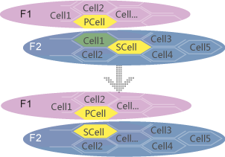

Figure 4-10 SCell change (source: Huawei FPD p.96)
Event A6 + sample (needs SccModA6Switch)
3GPP / Huawei condition: A6 enters when (Mn + Ocn − Hys > Ms + Ocs + Off) throughout CaMgtCfg.CaA6TimeToTrigger. Hys is always 1 dB. Off = CaMgtCfg.CarrAggrA6Offset (PCell). Ocn/Ocs = EutranInterFreqNCell.CellIndividualOffset. If CaA6TimeToTrigger > 3 s (gap timer), A6 cannot be reported.
Worked example (sample values from the document or typical live-network settings): Assume Off = 3 dB, Ocn=Ocs=0, Hys=1, current SCell Ms = −95 dBm, intra-freq neighbor Mn = −88 dBm. Left: Mn+Ocn−Hys = −88 − 1 = −89. Right: Ms+Ocs+Off = −95 + 3 = −92. −89 > −92 → A6 IS triggered. eNodeB ranks reported cells by RSRP and changes SCell to the best cell that can set up a data link. If Off = 10 dB, right side = −85; −89 is NOT > −85 → no change (doc: greater CarrAggrA6Offset = lower probability of SCell change). Result: CA continues; only the SCell identity changes.
D. Prerequisite, mutually exclusive, and mutually impacted features (one feature per row; all related parameters listed)
Ch.5.3.3.1 Prerequisite = None. Ch.5.3.3.2 Mutually exclusive must be OFF. Ch.5.3.3.3 Function impacts (RAN category excerpt — the FPD table runs pp.119–156). Relation = Exclusive (cannot coexist) / Impact (can coexist, behaviour changes) / Prerequisite.
SN | Relation | RAT | Feature | Parameter(s) — one row one feature | Required action | Impact / note
1 | Prerequisite | FDD/TDD | — | None | No other feature must be ON before 2CC | Ch.5.3.3.1
2 | Exclusive | FDD | Super combined cell | CellAlgoSwitch.SfnAlgoSwitch → SuperCombCellSwitch must be OFF | Deactivate super combined cell | Ch.5.3.3.2
3 | Exclusive | FDD | Cell radius > 100 km | Extended Cell Range (no dedicated CA switch) | Do not use 2CC in >100 km cells | Ch.5.3.3.2
4 | Exclusive | FDD/TDD | In-band relay | CellAlgoSwitch.RelaySwitch → InBandRelayDeNbSwitch; ReBTS InBandRelayReNbSwitch | Deactivate in-band relay | Ch.5.3.3.2
5 | Exclusive | TDD | Enhanced symbol power saving | CellAlgoSwitch.DlSchSwitch → MBSFNShutDownSwitch must be OFF | Deactivate MBSFN shutdown energy saving | Ch.5.3.3.2
6 | Exclusive | FDD/TDD | Intelligent multi-RF-module coordinated energy saving | EnodebPwrSavingAlgo.PwrSavingAlgoSwitch → MIE_BASED_EE_CARR_SEL_SW | Cannot enable together with CA-group-based mode | Footnote a in Ch.5.3.3.2
7 | Impact | FDD/TDD | User-number-based connected-mode MLB | CellAlgoSwitch.MlbAlgoSwitch → InterFreqMlbSwitch; CellMLB.MlbTriggerMode=UE_NUMBER_ONLY; CellMLB.InterFreqUeTrsfType → SynchronizedUE; CellAlgoSwitch.EnhancedMlbAlgoSwitch → CaUserLoadTransferSw | If CaUserLoadTransferSw OFF, eNodeB filters CA UEs (PCell or SCell) out of MLB UE selection | Related: CaUserLoadTransferSw sits with MLB, not CaAlgoSwitch — listed here because it gates CA UE transfer
8 | Impact | FDD/TDD | NSA/SA selection based on DL traffic volume | EnodebAlgoExtSwitch.MultiNetworkingOptionOptSw → LTE_FDD_NSA_SA_DL_SEL_OPT_SW or LTE_TDD_NSA_SA_DL_SEL_OPT_SW | EN-DC combination frozen until SCG release → eNodeB cannot add SCells from DL CA selection | Handover Request selectedbandCombinationInfoEN-DC-v1540
9 | Impact | FDD | NSA/SA selection based on UL coverage | EnodebAlgoExtSwitch.MultiNetworkingOptionOptSw → LTE_FDD_NSA_SA_UL_SEL_OPT_SW | Same freeze of EN-DC combination; SCells cannot follow DL CA selection | Related to row 8 (same MO, different bit)
10 | Impact | FDD/TDD | CSPC (centralized Cloud BB) | CspcAlgoPara.CspcAlgoSwitch (FDD) / CspcAlgoPara.TddCspcAlgoSwitch (TDD) | CA UE scheduling priority uses sum of rates on all CCs → CA UEs scheduled less often vs non-CA | Consider differentiated scheduling
11 | Impact | FDD/TDD | Zero Guard Band Between Contiguous Intra-Band Carriers | ContigIntraBandCarr.ContigIntraBandCarrSw → CONTIG_INTRA_BAND_CARR_SW; ENodeBAlgoSwitch.CaAlgoExtSwitch → ContigIntraBandCaSwitch | Contiguous intra-band CA does not take effect even if ContigIntraBandCaSwitch is ON. Intra-band non-contiguous CA still can in overlap scenarios | Related: ContigIntraBandCaSwitch listed immediately because it is the CA-side companion
12 | Impact | FDD | Short TTI | CellShortTtiAlgo.SttiAlgoSwitch → SHORT_TTI_SW | CA does not take effect for UEs that report short-TTI capability | UE capability filter
13 | Impact | TDD | DL 2-layer MIMO based on TM9 / Massive MIMO | CellAlgoSwitch.EnhMIMOSwitch → TM9Switch | If CSI-RS on SCC without SRS, CA UE can use TM9wPMI based on CSI-RS | See also Ch.19.2
14 | Impact | FDD/TDD | Energy saving based on proactive scheduling + precise CA scheduling + ultra-low-latency intra-eNB CA | SymbolPwrSaving.TrigBndlSchDlAvgPrbThld and related ES / precise-scheduling switches | If PCell not heavily loaded, ultra-low-latency split + ES delay can lower CA UE DL perceived rate | Ch.5.3.3.3 last RAN row
15 | Impact | FDD/TDD | VoLTE concurrent with CA | CaMgtCfg.VolteCaA2RsrpThld; CellQciPara.QciAlgoSwitch → QCI_VOLTE_CA_COEXIST_SW; CaMgtCfg.CellCaAlgoSwitch → VolteSupportCaInterFreqMeasSw | ACK mode change raises PUSCH bits; MCS lowered to hold IBLER; cell-edge VoLTE uses more RBs. PCC anchoring / SCell config have extra QCI1 conditions | Related VoLTE parameters grouped here (Ch.19.7)
16 | Impact | FDD/TDD | PCC anchoring prohibition for high-mobility UEs | CellOpHoCfg.HighMobiUeHoForbidSw → PCC_ANCHOR_HO_FORBID_SW | Speed ≤ 30 km/h required for PCC anchoring. NLOS may mis-classify UEs. Lowers E-RAB drop, RRC re-est due to reconf fail, and CA HO counters | Optional in MML; related to EnhancedPccAnchorSwitch
17 | Constraint | FDD/TDD | UE / EPC | UE Rel-10+; supportedBandCombination IE; EPC UE-AMBR/MBR ≥ theoretical peak | Otherwise peak in Table 5-2 cannot be reached | Ch.5.3.6
18 | Constraint | TDD | UL/DL and special subframe | UL/DL configuration 1 or 2; special subframe 4,5,6,7,9; SS=4 cannot mix with 5/6/7/9; same CP length | Cells that violate this cannot aggregate | Ch.5.3.5
E. All parameters (SN, MO, name, default, recommended, description, notes)
Order follows the FPD: group activation → group optimization → adaptive activation → adaptive optimization → common eNodeB switches → common CaMgtCfg. Rows with gold fill are related parameters placed immediately under the parent (as requested). Default = factory default when stated in the FPD; otherwise “See Parameter Reference”. Recommended = document MML example or explicit “recommended” text.
E1. CA-group-based — activation (Table 5-5)
SN | MO Name | Parameter name | Default value | Recommended value | Parameter description | Notes
1 | ENodeBAlgoSwitch | CaAlgoSwitch / FreqCfgSwitch | See Parameter Reference | Deselect (0) | Enables group-based mode when FreqCfgSwitch is OFF. | Parent of all group-based CA. Related options of the SAME parameter are listed immediately below.
2 | ENodeBAlgoSwitch | CaAlgoSwitch / SccBlindCfgSwitch | See Parameter Reference | 1 if blind SCell is intended, else 0 | Allows blind SCell configuration in group mode. | Related to FreqCfgSwitch (same MO). Also requires CaGroupSCellCfg.SCellBlindCfgFlag=TRUE (row 12).
3 | ENodeBAlgoSwitch | CaAlgoSwitch / EnhancedPccAnchorSwitch | See Parameter Reference | 1 (recommended) | Enables PCC anchoring for RRC_CONNECTED UEs. | If both this and PccAnchorSwitch are ON, only Enhanced takes effect. Related: PccSmartCfgSwitch needs this ON.
4 | ENodeBAlgoSwitch | CaAlgoSwitch / SccA2RmvSwitch | See Parameter Reference | 1 | Deliver A2 measurements for SCells added by A4, so they can be removed. | Related to CarrAggrA2ThdRsrp / SCellA2Offset (leaving).
5 | ENodeBAlgoSwitch | CaAlgoSwitch / HoWithSccCfgSwitch | See Parameter Reference | 0 in doc MML | Keep SCells during PCC-anchoring HO. | ON: PCC anchor without removing SCells. OFF: remove SCells first.
6 | ENodeBAlgoSwitch | CaAlgoSwitch / SccModA6Switch | See Parameter Reference | 0 group / 1 adaptive (doc MML) | Allow SCell change to a better intra-frequency neighbor (event A6). | Related: CarrAggrA6Offset, CaA6TimeToTrigger. Group MML example sets 0; adaptive example sets 1.
7 | CaGroup | CaGroupId | Site-planned | 0 (doc example) | Identity of the CA group. | Max 9 cells per group.
8 | CaGroup | CaGroupTypeInd | Site-planned | FDD or TDD (or FDDTDD) | Group duplex type. | Doc FDD example: FDD. TDD example: TDD.
9 | CaGroupCell | CaGroupId / eNodeBId / LocalCellId | Site-planned | eNodeBId=1234, LocalCellId=0/1 (doc) | Members of the group. | Each member is a candidate PCell.
10 | CaGroupCell | PreferredPCellPriority | See Parameter Reference | Coverage layer higher (doc: Cell0=2, Cell1=1) | Higher value → more likely to be PCell. | Intra-frequency cells should share the same value (eNodeB uses the max).
11 | CaGroupCell | PCellA4RsrpThd / PCellA4RsrqThd | See Parameter Reference | −105 dBm / −20 dB (doc MML) | A5 Thresh2 during group PCC anchoring (named A4 in the MO). | Related: IntraRatHoComm.InterFreqHoA4TrigQuan chooses RSRP/RSRQ/BOTH. A5 Thresh1 is fixed −43 dBm / −3 dB.
12 | CaGroupSCellCfg | SCelleNodeBId / SCellLocalCellId | Site-planned | 1234 / peer LocalCellId (doc) | Candidate SCell identity. | Must be in the same CA group as the PCell. Must be inter-freq neighbor except first blind add.
13 | CaGroupSCellCfg | SCellPriority | See Parameter Reference | 2 or 3 (doc); 0 = never SCell | Higher → more likely SCell for that PCell. | Intra-frequency candidates should share the same priority.
14 | CaGroupSCellCfg | SCellBlindCfgFlag | FALSE typical | TRUE in doc MML if blind add wanted | Blind-configure this candidate (no A4). | Related: SccBlindCfgSwitch must be 1 in group mode. Adaptive: only ONE TRUE per SCC frequency.
15 | CaGroupSCellCfg | SCellA4Offset | 0 typical | 0 (doc MML) | Offset added to CarrAggrA4ThdRsrp for this SCell’s A4 add threshold. | Greater offset → harder to add this SCell. Related parent: CarrAggrA4ThdRsrp.
16 | CaGroupSCellCfg | SCellA2Offset | 0 typical | 0 (doc MML) | Offset added to CarrAggrA2ThdRsrp for this SCell’s A2 leave threshold. | Greater offset → easier to remove this SCell. Related parent: CarrAggrA2ThdRsrp.
17 | CaGroupSCellCfg | SpidGrpId | 65535 = no restriction | 65535 unless SPID policy | If ≠ 65535, this candidate cannot be SCell for that SPID group. | Related SPID policy: SccFreqCfg.SpidGrpId / UlSpidGrpId in adaptive.
E2. Adaptive — activation (Table 5-7)
SN | MO Name | Parameter name | Default value | Recommended value | Parameter description | Notes
18 | ENodeBAlgoSwitch | CaAlgoSwitch / FreqCfgSwitch | See Parameter Reference | 1 | ON selects frequency-based (adaptive) mode. | Must be paired with AdpCaSwitch.
19 | ENodeBAlgoSwitch | CaAlgoSwitch / AdpCaSwitch | See Parameter Reference | 1 | Adaptive CA master switch. | Related: FreqCfgSwitch. Both required.
20 | CaMgtCfg | CellCaAlgoSwitch / CaDl2CCExtSwitch | OFF | 1 when aggregated BW is in the 40 MHz window (FDD >20, TDD >30) | Extends 2CC to 40 MHz aggregated bandwidth in adaptive mode. | Consumes LAOFD-001002 / TDLAOFD-001002. Group mode does not need this bit.
21 | ENodeBAlgoSwitch | CaAlgoExtSwitch / FreqBaseCaLicAlarmSwitch | See Parameter Reference | 1 (doc) | Frequency-based CA license alarm. | Turn on in adaptive MML examples.
22 | PccFreqCfg | PccDlEarfcn | Site-planned | FDD example 123/456; TDD example 37900/38098 | Candidate PCC downlink EARFCN. | If no SccFreqCfg for this PCC, A5 for PCC anchoring is not sent.
23 | PccFreqCfg | PreferredPccPriority | See Parameter Reference | 1 and 2 (doc) | Higher → more likely PCC. | Related to EnhancedPccAnchorSwitch.
24 | PccFreqCfg | PccA4RsrpThd / PccA4RsrqThd | See Parameter Reference | −105 dBm / −20 dB (doc) | A5 Thresh2 for adaptive PCC anchoring. | Recommended: PccA4RsrpThd > InterFreqHoGroup.InterFreqHoA4ThdRsrp so coverage HO success rate does not drop.
25 | SccFreqCfg | PccDlEarfcn + SccDlEarfcn | Site-planned | Pair each PCC with the other EARFCN (doc) | Candidate SCC under a PCC. | Total PCC+SCC frequencies ≤ 17.
26 | SccFreqCfg | SccPriority | See Parameter Reference | 2 or 3 (doc) | Higher → more likely SCC for that PCC. | Flexible CA OFF uses this order to fill A4 objects.
27 | SccFreqCfg | SccA4Offset / SccA2Offset | 0 typical | 0 (doc) | Per-SCC add/leave offsets vs CarrAggrA4/A2ThdRsrp. | A2 sum is clamped to [−140, −43] dBm. Related parents: CarrAggrA4ThdRsrp, CarrAggrA2ThdRsrp.
28 | SccFreqCfg | CnOperatorList | Site-planned | "111111" (doc) | Operators allowed to use this SCC. | MOCN: set to serving operators.
29 | CaMgtCfg | SCellAgingTime | See Parameter Reference | 15 (doc adaptive MML) | Seconds of no CA between a pair before the dynamic route is released. | If route capacity is tight, use a smaller value. Related: CaRouteConfigPenaltyOfs / CaRouteConfigPenaltyWeight.
E3. Common algorithm switches (Ch.5.4.1.1.3) — both modes
SN | MO Name | Parameter name | Default value | Recommended value | Parameter description | Notes
30 | ENodeBAlgoSwitch | CaAlgoSwitch / PccAnchorSwitch | See Parameter Reference | Deselect (Enhanced is preferred) | Legacy PCC anchoring. | If Enhanced is ON, this is ignored.
31 | ENodeBAlgoSwitch | CaAlgoSwitch / CaTrafficTriggerSwitch | See Parameter Reference | Select only if traffic-based add/remove is wanted | SCell config/remove based on traffic; also allows PCC anchoring on unnecessary HO. | ON: blind SCell does not take effect; after traffic deactivation SCells are RRC-removed. Ping-pong PCC risk.
32 | ENodeBAlgoSwitch | CaAlgoSwitch / PccSmartCfgSwitch | See Parameter Reference | Select for load-based PCell | Skip high-load candidate PCells. | Requires PccAnchorSwitch or EnhancedPccAnchorSwitch. High load = PCell UEs > CellMaxPccNumber × PccUserNumberOffloadThd, or BBP CPU > 70%.
33 | ENodeBAlgoSwitch | CaAlgoSwitch / SccSmartCfgSwitch | See Parameter Reference | Select for load-based SCell | Skip high-load candidate SCells. | Companion of PccSmartCfgSwitch. Related: HLUeCntThldForScellConfig.
34 | ENodeBAlgoSwitch | CaAlgoSwitch / IdleModePccAnchorSwitch | See Parameter Reference | Select if IDLE PCC anchoring wanted | PCC anchoring for RRC_IDLE UEs (Ch.4.7).
35 | ENodeBAlgoSwitch | CaAlgoSwitch / CaAdpPreSchSwitch | Selected (doc default) | Keep selected in listed scenarios | Adaptive pre-scheduling to raise single-CA-UE throughput (relaxed BH, distributed/hybrid coordination FDD, TDD 2CC enhance / ≥3CC / Dl2CCAckResShareSw). | Document: default status is selected.
36 | ENodeBAlgoSwitch | CaAlgoExtSwitch / CaA5HoEventSwitch (+ CaA5HoEventEnhSwitch) | See Parameter Reference | Select BOTH (doc recommendation) | Change HO event A4 to A5 so PCell can HO to an SCell. | Related: InterFreqHoGroup.InterFreqHoA5Thd1Rsrp/Rsrq. Without this, SCell cannot become PCell via A4.
37 | ENodeBAlgoSwitch | CaAlgoExtSwitch / CaMubfPairingAdaptOptSwitch | See Parameter Reference | Optional (doc TDD/FDD adaptive MML) | Adaptive handling of CA for MU beamforming. | Requires CaSmartSelectionSwitch OFF. Related: HLUeCntThldForScellConfig, HighLoadCellTypeNotAsScell, RSVD_SW_PARAM0_BIT28 (TDD MM).
38 | ENodeBAlgoSwitch | CaAlgoExtSwitch / CaEnhancedPreAllocSwitch | See Parameter Reference | Select on moderate/light MBB if Dl2CCAckResShareSw is ON | Dynamically split traffic across CCs by real-time volume and scheduling capability. | Cannot be ON together with DlCaLbAlgoSwitch or CaLoadBalancePreAllocSwitch. FDD relaxed-BH: no effect. Raises L.Thrp.bits.DL.CAUser / L.Thrp.Time.DL.CAUser.
39 | ENodeBAlgoSwitch | CaLbAlgoSwitch / DlCaLbAlgoSwitch | See Parameter Reference | Select for inter-CC load transfer | Inter-CC load transfer triggered by cell load. | Mutually exclusive with CaEnhancedPreAllocSwitch.
40 | EnodebCounterParaGrp | EnodebCounterAlgoSwitch / CA_UE_MULTI_CC_STAT_OPT_SW | OFF | 1 (doc MML — turn ON) | Count a UE as nCC-active as soon as n carriers are active (not requiring ALL SCells active). | Changes KPI stepping of L.Traffic.User.PCell.DL.Active.* and L.Thrp.*.nCC.CAUser.
41 | GlobalProcSwitch | ProtocolCompatibilitySw / SCellBlindA2Switch | See Parameter Reference | 1 in group MML | Protocol compatibility for blind SCell A2. | Group activation example.
42 | GlobalProcSwitch | ProtocolCompatibilitySw / SCellModCaMeasRmvSwitch | See Parameter Reference | 1 (doc) | Compatibility for CA measurement removal on SCell change. | Both group and adaptive examples.
43 | CellSiMap | SiSwitch / ForbidCellSiSwitch | OFF | Select only to make a dedicated SCell | Cell cannot be PCell; UEs cannot camp/access/HO to it. | Related: CaMgtCfg.CellCaAlgoSwitch / UlScellForbidSwitch (band 38 DL-only SCell) takes effect only if this is ON.
44 | CellAlgoSwitch | PucchAlgoSwitch / Dl2CCAckResShareSw | See Parameter Reference | Select to expand CA route capacity (with CaRouteNumberExtensionSwitch) | ACK resource sharing; more UEs enter CA but per-UE rate may drop. | Required before CaRouteNumberExtensionSwitch. 8 / 24 / 48 neighbor routes. 48 needs UMPT+UBBP, CPU rises.
45 | CaMgtCfg | CellCaAlgoSwitch / CaRouteNumberExtensionSwitch | OFF | Select with Dl2CCAckResShareSw if >24 routes needed | Extend per-cell CA route number. | Cannot be ON if Dl2CCAckResShareSw is OFF.
46 | CellPucchAlgo | SriAlgoSwitch / SriPeriodCfgOptSW | See Parameter Reference | Select (doc recommendation) | SRI period optimisation. | If OFF and SRI period is long, RAB setup success and drop rate may worsen.
E4. Common CaMgtCfg carrier-management parameters (add / leave / activate / deactivate)
SN | MO Name | Parameter name | Default value | Recommended value | Parameter description | Notes
47 | CaMgtCfg | CarrAggrA4ThdRsrp | See Parameter Reference | Set > CarrAggrA2ThdRsrp; typical same order as −105 (doc A4 examples) | Base RSRP threshold for CA SCell-add event A4 (CaMgtCfg.CarrAggrA4ThdRsrp). Not the SC/PCC-anchor A4 (PCellA4RsrpThd/PccA4RsrpThd) and not coverage HO A4 (InterFreqHoA4ThdRsrp). | MUST be greater than CarrAggrA2ThdRsrp. Children: SCellA4Offset, SccA4Offset.
48 | CaMgtCfg | CaA4TimeToTrigger | See Parameter Reference | Site (balance speed vs ping-pong) | Time-to-trigger for CA A4. | Larger → fewer A4 reports.
49 | CaMgtCfg | CarrAggrA2ThdRsrp | See Parameter Reference | Lower than A4 (leave hysteresis), e.g. several dB below A4 | Base RSRP threshold for CA event A2 (SCell remove). | Children: SCellA2Offset, SccA2Offset. Greater value → more removals.
50 | CaMgtCfg | CaA2TimeToTrigger | See Parameter Reference | Site | Time-to-trigger for CA A2. | Larger → fewer removals.
51 | CaMgtCfg | CarrAggrA6Offset | See Parameter Reference | Small positive dB (example 3 in worked sheet) | Offset Off in event A6 (SCell change). | Greater → fewer SCell changes. Related: SccModA6Switch, CaA6TimeToTrigger (must be ≤ 3 s).
52 | CaMgtCfg | CaA6TimeToTrigger / CaA6ReportAmount / CaA6ReportInterval | See Parameter Reference | TTT ≤ 3 s | A6 TTT, number of reports, interval. | If TTT > 3 s, A6 cannot be reported (gap timer).
53 | CaMgtCfg | CarrierMgtSwitch | See Parameter Reference | ON to allow traffic/CQI deactivation | Master switch for SCell deactivation by traffic or channel quality. | OFF: SCells deactivate only on RLF. Related: Deactive* and SccDeactCqiThd.
54 | CaMgtCfg | ActiveBufferDelayThd | See Parameter Reference | Site; smaller → faster activation | Buffer delay threshold for SCell activation. | NSA uses NsaDcLteScellActBfrDelThld instead.
55 | CaMgtCfg | ActiveBufferLenThd | See Parameter Reference | Non-zero; MUST be > DeactiveBufferLenThd | Buffer length threshold for SCell activation. | Do NOT set 0 (immediate activate + immediate deactivate → BBP overload). Related: DeactiveBufferLenThd.
56 | CaMgtCfg | DeactiveThroughputThd | See Parameter Reference | Site; greater → easier deactivate | Uu rate threshold for traffic deactivation. | Related: CarrierMgtSwitch.
57 | CaMgtCfg | DeactiveBufferLenThd | See Parameter Reference | Less than ActiveBufferLenThd (doc requirement) | Buffer length threshold for traffic deactivation. | Hysteresis vs row 55.
58 | CaMgtCfg | SccDeactCqiThd | 0 = disabled | 5 (explicitly recommended) | CQI threshold for channel-quality deactivation (non-relaxed BH). | 0 disables. Relaxed BH uses RelaxedBHSccDeactCqiThd. Related: SccReactivationTime, CaSccSuspendSwitch must be OFF.
59 | CaMgtCfg | SccCfgInterval | See Parameter Reference | Smaller to retry SCell add faster | Min interval to retry SCell configuration after failure, while traffic still meets activation. | Smaller → more RRC Reconfigurations and more gap-measurement throughput loss.
60 | CaMgtCfg | CellMaxPccNumber | See Parameter Reference | Match BBP/PCell capacity | Max PCell-served CA UEs in the cell. | Hysteresis 90% to resume. Related: PccUserNumberOffloadThd for load-based PCC.
61 | CaMgtCfg | Forbid2ccUeRatioThld | 100 (function OFF) | 90 if UE-number control needed (doc optional MML) | UE-proportion threshold to forbid 2CC or higher. | Must be > Forbid3/4/5 when those ≠ 100. Related children below.
62 | CaMgtCfg | Forbid3ccUeRatioThld | 100 | 80 (doc optional MML) | Forbid 3CC or higher. | Must be < Forbid2 and > Forbid4/5.
63 | CaMgtCfg | Forbid4ccUeRatioThld | 100 | 70 (doc optional MML) | Forbid 4CC or higher. | Used also in Step3.
64 | CaMgtCfg | Forbid5ccUeRatioThld | 100 | 60 (doc optional MML) | Forbid 5CC or higher. | Used also in Step4.
65 | CaMgtCfg | CellCaAlgoSwitch / CaInstantlyJudgeSwitch | OFF | ON for small-packet (web) faster SCell activate; OFF for large-file | Instant ms vs filtered s traffic for activation. | ON can raise CA UE ratio and IBLER/RBLER fluctuation.
66 | CaMgtCfg | CellCaAlgoSwitch / 2CCDlCaEnhanceSwitch | OFF | ON if PUCCH format 3 wanted for 2CC UEs that support it | Allocate PUCCH format 3 for 2CC UEs (2 RBs if BW≥10 MHz, 1 RB if BW≤5 MHz). | UE with ≥3CC capability is treated as PUCCH format-3 capable. Causes PCell IBLER fluctuation.
67 | CaMgtCfg | ScellNoActivationUeNumThld | 0 = OFF | Non-zero on FDD 1.4/3/5 MHz and TDD 5 MHz | Heavy-load SCell activation prohibit. | Not compatible with LBBPc.
68 | CaMgtCfg | EnhancedPccAnchorA1ThdRsrp | See Parameter Reference | Site; example −90 dBm in A1 worked example | A1 RSRP threshold that starts PCC anchoring. | Related: EnhancedPccAnchorSwitch.
69 | CaMgtCfg | HLUeCntThldForScellConfig / HighLoadCellTypeNotAsScell | See Parameter Reference | 100 / MASSIVE_MIMO_CELL or NORMAL_CELL (doc optional) | Load-based SCell exclusion. | Used with CaMubfPairingAdaptOptSwitch.
70 | CellOpHoCfg | HighMobiUeHoForbidSw / PCC_ANCHOR_HO_FORBID_SW | OFF | 1 if high-mobility UEs must not PCC-anchor (doc optional) | PCC anchoring only if UE speed ≤ 30 km/h. | NLOS false high-mobility risk.
71 | EutranInterNFreq / EutranInterFreqNCell | DlEarfcn, MeasBandWidth, NoRmvFlag | Site | NoRmvFlag=FORBID_RMV_ENUM (mandatory in doc) | Inter-frequency neighbors for CA. | If ANR can remove the neighbor, CA stops. Related: ADD EUTRANINTERNFREQ / INTERFREQNCELL MML.
72 | CqiAdaptiveCfg | SimulAckNackAndCqiFmt3Sw | See Parameter Reference | ON if simultaneous ACK/NACK + periodic CQI on format 3 wanted (3CC+) | Used by 3CC/4CC/5CC. Listed here because 2CC enhance also uses PUCCH format 3. | If OFF, ACK/NACK and periodic CQI cannot share the subframe.
F. MML commands (all examples from Ch.5.4.1.2, in document sequence, with values)
Values are exactly those printed in the FPD (eNodeBId=1234, MCC/MNC 460/20, EARFCN 37900/38098 or 123/456). Replace with live-network IDs. Always complete Ch.5.3 requirements first. Check “Service Interrupted After Modification” in the Parameter Reference.
SN | Seq | Mode | RAT | Phase | MML command (verbatim from document) | Remarks
1 | 0.1 | Common | FDD/TDD | Pre-step — neighbor freq | ADD EUTRANINTERNFREQ: LocalCellId=0, DlEarfcn=37900, UlEarfcnCfgInd=NOT_CFG, CellReselPriorityCfgInd=NOT_CFG, SpeedDependSPCfgInd=NOT_CFG, MeasBandWidth=MBW100, PmaxCfgInd=NOT_CFG, QqualMinCfgInd=NOT_CFG; | Repeat for LocalCellId=1, DlEarfcn=38098.
2 | 0.2 | Common | FDD/TDD | Pre-step — neighbor freq | ADD EUTRANINTERNFREQ: LocalCellId=1, DlEarfcn=38098, UlEarfcnCfgInd=NOT_CFG, CellReselPriorityCfgInd=NOT_CFG, SpeedDependSPCfgInd=NOT_CFG, MeasBandWidth=MBW100, PmaxCfgInd=NOT_CFG, QqualMinCfgInd=NOT_CFG; | Pair of frequencies.
3 | 0.3 | Common | FDD/TDD | Pre-step — external cell (inter-eNB only) | ADD EUTRANEXTERNALCELL: Mcc="460", Mnc="20", eNodeBId=1234, CellId=1, DlEarfcn=37900, UlEarfcnCfgInd=NOT_CFG, PhyCellId=101, Tac=1; | Optional. Also CellId=0, DlEarfcn=38098.
4 | 0.4 | Common | FDD/TDD | Pre-step — RAN sharing PLMN (optional) | ADD EUTRANEXTERNALCELLPLMN: Mcc="460", Mnc="20", eNodeBId=1234, CellId=1, ShareMcc="460", ShareMnc="22"; | Optional. Repeat CellId=0.
5 | 0.5 | Common | FDD/TDD | Pre-step — inter-freq neighbor (MANDATORY NoRmvFlag) | ADD EUTRANINTERFREQNCELL: LocalCellId=0, Mcc="460", Mnc="20", eNodeBId=1234, CellId=1, NoRmvFlag=FORBID_RMV_ENUM; | Without FORBID_RMV_ENUM, ANR may delete the relation and CA stops. Reverse: LocalCellId=1, CellId=0.
6 | 0.6 | Common | FDD/TDD | Pre-step — intra-freq neighbor | ADD EUTRANINTRAFREQNCELL: LocalCellId=0, Mcc="460", Mnc="20", eNodeBId=1234, CellId=2; | And reverse LocalCellId=2, CellId=0. Needed for A6 SCell change.
7 | 1.1 | Group | FDD | Activation — switches | MOD ENODEBALGOSWITCH: CaAlgoSwitch=SccBlindCfgSwitch-1&FreqCfgSwitch-0&SccA2RmvSwitch-1&HoWithSccCfgSwitch-0&SccModA6Switch-0&EnhancedPccAnchorSwitch-1; | Ch.5.4.1.2.1. FreqCfgSwitch-0 = group mode.
8 | 1.2 | Group | FDD | Activation — protocol | MOD GLOBALPROCSWITCH: ProtocolCompatibilitySw=SCellBlindA2Switch-1&SCellModCaMeasRmvSwitch-1;
9 | 1.3 | Group | FDD | Activation — group | ADD CAGROUP: CaGroupId=0, CaGroupTypeInd=FDD; | TDD uses CaGroupTypeInd=TDD (command 1.3b).
10 | 1.4 | Group | FDD/TDD | Activation — members | ADD CAGROUPCELL: CaGroupId=0, LocalCellId=0, eNodeBId=1234, PreferredPCellPriority=2, PCellA4RsrpThd=-105, PCellA4RsrqThd=-20; | Cell1: PreferredPCellPriority=1, same A4 thresholds.
11 | 1.5 | Group | FDD/TDD | Activation — members | ADD CAGROUPCELL: CaGroupId=0, LocalCellId=1, eNodeBId=1234, PreferredPCellPriority=1, PCellA4RsrpThd=-105, PCellA4RsrqThd=-20;
12 | 1.6 | Group | FDD/TDD | Activation — candidate SCells | ADD CAGROUPSCELLCFG: LocalCellId=0, SCelleNodeBId=1234, SCellLocalCellId=1, SCellBlindCfgFlag=TRUE, SCellPriority=2, SCellA4Offset=0, SCellA2Offset=0; | Must already be inter-freq neighbor. Reverse: LocalCellId=1, SCellLocalCellId=0, SCellPriority=3.
13 | 1.7 | Group | FDD/TDD | Activation — candidate SCells | ADD CAGROUPSCELLCFG: LocalCellId=1, SCelleNodeBId=1234, SCellLocalCellId=0, SCellBlindCfgFlag=TRUE, SCellPriority=3, SCellA4Offset=0, SCellA2Offset=0;
14 | 1.8 | Group | FDD/TDD | Activation — counter opt | MOD ENODEBCOUNTERPARAGRP: EnodebCounterAlgoSwitch=CA_UE_MULTI_CC_STAT_OPT_SW-1; | Affects KPI formulas below.
15 | 1.9 | Group | FDD/TDD | Optional — high-mobility PCC forbid | MOD CELLOPHOCFG: LocalCellId=0, CnOperatorId=0, HighMobiUeHoForbidSw=PCC_ANCHOR_HO_FORBID_SW-1; | Repeat LocalCellId=1.
16 | 1.10 | Group | FDD/TDD | Optional — UE-number SCell control | MOD CAMGTCFG: LocalCellId=0, Forbid5ccUeRatioThld=60, Forbid4ccUeRatioThld=70, Forbid3ccUeRatioThld=80, Forbid2ccUeRatioThld=90; | Repeat LocalCellId=1. Restore to 100 to disable.
17 | 1.11 | Group | FDD/TDD | Activation — cell up | ACT CELL: LocalCellId=0; | Also ACT CELL: LocalCellId=1;
18 | 1.12 | Group | FDD/TDD | Deactivation — switches | MOD ENODEBALGOSWITCH: CaAlgoSwitch=SccBlindCfgSwitch-0&FreqCfgSwitch-0&SccA2RmvSwitch-0&HoWithSccCfgSwitch-0&SccModA6Switch-0&EnhancedPccAnchorSwitch-0; | Then GLOBALPROCSWITCH bits 0, counter SW 0, CELLOPHOCFG 0, Forbid* =100.
19 | 1.13 | Group | FDD/TDD | Deactivation — remove group | RMV CAGROUPCELL: CaGroupId=0, LocalCellId=0, eNodeBId=1234; | Also LocalCellId=1, then RMV CAGROUP: CaGroupId=0;
20 | 2.1 | Adaptive | FDD | Activation — switches | MOD ENODEBALGOSWITCH: CaAlgoSwitch=SccBlindCfgSwitch-0&FreqCfgSwitch-1&SccA2RmvSwitch-1&HoWithSccCfgSwitch-0&SccModA6Switch-1&AdpCaSwitch-1&EnhancedPccAnchorSwitch-1; | Ch.5.4.1.2.3. Note SccModA6Switch-1 vs group 0.
21 | 2.2 | Adaptive | FDD | Activation — protocol | MOD GLOBALPROCSWITCH: ProtocolCompatibilitySw=SCellModCaMeasRmvSwitch-1; | No SCellBlindA2Switch in adaptive example.
22 | 2.3 | Adaptive | FDD | Activation — PCC | ADD PCCFREQCFG: PccDlEarfcn=123, PreferredPccPriority=1, PccA4RsrpThd=-105, PccA4RsrqThd=-20; | Second: PccDlEarfcn=456, PreferredPccPriority=2, same A4.
23 | 2.4 | Adaptive | FDD | Activation — PCC | ADD PCCFREQCFG: PccDlEarfcn=456, PreferredPccPriority=2, PccA4RsrpThd=-105, PccA4RsrqThd=-20;
24 | 2.5 | Adaptive | FDD | Activation — SCC | ADD SCCFREQCFG: PccDlEarfcn=123, SccDlEarfcn=567, SccPriority=2, SccA2Offset=0, SccA4Offset=0, CnOperatorList="111111"; | Second pair: 456 / 789, SccPriority=3.
25 | 2.6 | Adaptive | FDD | Activation — SCC | ADD SCCFREQCFG: PccDlEarfcn=456, SccDlEarfcn=789, SccPriority=3, SccA2Offset=0, SccA4Offset=0, CnOperatorList="111111";
26 | 2.7 | Adaptive | FDD/TDD | Optional — blind flag | ADD CAGROUPSCELLCFG: LocalCellId=0, SCelleNodeBId=1234, SCellLocalCellId=1, SCellBlindCfgFlag=TRUE; | Only one TRUE per SCC frequency. Reverse LocalCellId=1 / SCellLocalCellId=0.
27 | 2.8 | Adaptive | FDD/TDD | Activation — license alarm | MOD ENODEBALGOSWITCH: CaAlgoExtSwitch=FreqBaseCaLicAlarmSwitch-1;
28 | 2.9 | Adaptive | FDD | Optional — 40 MHz window | MOD CAMGTCFG: LocalCellId=0, SCellAgingTime=15, CellCaAlgoSwitch=CaDl2CCExtSwitch-1; | FDD: when 20 < BW ≤ 40 MHz. Repeat LocalCellId=1. TDD: when 30 < BW ≤ 40 MHz (same command).
29 | 2.10 | Adaptive | TDD | Activation — PCC (TDD EARFCN) | ADD PCCFREQCFG: PccDlEarfcn=37900, PreferredPccPriority=1, PccA4RsrpThd=-105, PccA4RsrqThd=-20; | Ch.5.4.1.2.4. Second: 38098, priority 2.
30 | 2.11 | Adaptive | TDD | Activation — SCC (TDD EARFCN) | ADD SCCFREQCFG: PccDlEarfcn=37900, SccDlEarfcn=38098, SccPriority=2, SccA2Offset=0, SccA4Offset=0, CnOperatorList="111111"; | Reverse: 38098 / 37900, SccPriority=3.
31 | 2.12 | Adaptive | FDD/TDD | Optional — MU-BF / MM SCell | MOD ENODEBALGOSWITCH: CaAlgoSwitch=FreqCfgSwitch-1&AdpCaSwitch-1&CaSmartSelectionSwitch-0, CaAlgoExtSwitch=CaMubfPairingAdaptOptSwitch-1; | Then MOD CAMGTCFG: HLUeCntThldForScellConfig=100, HighLoadCellTypeNotAsScell=MASSIVE_MIMO_CELL or NORMAL_CELL.
32 | 2.13 | Adaptive | TDD | Optional — max one high-load MM SCell | MOD ENODEBRSVDPARAMEXT: RsvdSwParam0=RSVD_SW_PARAM0_BIT28-1; | TDD only, with MASSIVE_MIMO_CELL.
33 | 2.14 | Adaptive | FDD/TDD | Deactivation — remove freq | RMV SCCFREQCFG: PccDlEarfcn=123, SccDlEarfcn=567; | Then RMV PCCFREQCFG. TDD uses 37900/38098.
34 | 3.1 | Common | FDD/TDD | Verification | DSP UEONLINEINFO; | Check SCell configuration status and last SCell config failure cause (Ch.5.4.2).
MAE-Deployment alternative: Feature Operation and Maintenance (batch) or Feature Configuration Using the MAE-Deployment (single/batch). GUI may differ by OSS version.
G. Counter list to monitor (Ch.5.4.2 Table 5-9 + Ch.5.4.3 Tables 5-10, 5-11, 5-12)
SN | Counter ID | Counter Name | Function / what it measures | Use
1 | 1526728426 | L.Traffic.User.PCell.DL.Avg | Average number of UEs using this cell as DL PCell | Activation verify (any non-zero among Table 5-9)
2 | 1526728516 | L.Traffic.User.PCell.DL.Max | Max UEs using this cell as DL PCell | Activation + monitoring
3 | 1526728427 | L.Traffic.User.SCell.DL.Avg | Average UEs using this cell as DL SCell | Activation verify
4 | 1526728517 | L.Traffic.User.SCell.DL.Max | Max UEs using this cell as DL SCell | Monitoring
5 | 1526728424 | L.ChMeas.PRB.DL.PCell.Used.Avg | Average used DL PRBs by PCell CA traffic | Resource usage
6 | 1526728425 | L.ChMeas.PRB.DL.SCell.Used.Avg | Average used DL PRBs by SCell CA traffic | Resource usage
7 | 1526737791 | L.Traffic.User.PCell.DL.Active.Avg | Avg UEs with SCell activated (see MULTI_CC_STAT_OPT_SW) | Activation verify
8 | 1526737792 | L.Traffic.User.PCell.DL.Active.Max | Max UEs with SCell activated | Activation verify
9 | 1526726740 | L.ChMeas.PRB.DL.Used.Avg | Overall DL PRB usage | Compare before/after CA
10 | 1526728564 | L.Thrp.bits.DL.CAUser | DL PDCP bits of CA UEs | KPI throughput numerator
11 | 1526728565 | L.Thrp.Time.DL.CAUser | DL PDCP duration of CA UEs | KPI throughput denominator
12 | 1526728514 | L.E-RAB.AbnormRel.CAUser | Abnormal E-RAB releases of CA UEs | Drop-rate numerator
13 | 1526728515 | L.E-RAB.NormRel.CAUser | Normal E-RAB releases of CA UEs | Drop-rate denominator part
14 | 1526728518 | L.HHO.PrepAttOut.CAUser.PCC | CA UE outgoing HO preparations (PCC) | HO funnel
15 | 1526728519 | L.HHO.ExecAttOut.CAUser.PCC | CA UE outgoing HO executions (PCC) | HO success denominator
16 | 1526728520 | L.HHO.ExecSuccOut.CAUser.PCC | CA UE outgoing HO success (PCC) | HO success numerator
17 | 1526729602 | L.HHO.InterFddTdd.PrepAttOut.CAUser.PCC | FDD↔TDD HO prep of CA PCell | Multi-RAT HO
18 | 1526729603 | L.HHO.InterFddTdd.ExecAttOut.CAUser.PCC | FDD↔TDD HO exec of CA PCell | Multi-RAT HO
19 | 1526729604 | L.HHO.InterFddTdd.ExecSuccOut.CAUser.PCC | FDD↔TDD HO success of CA PCell | Multi-RAT HO success
20 | 1526729045 | L.CA.DLSCell.Add.Att | DL SCell add attempts | Add success rate
21 | 1526729046 | L.CA.DLSCell.Add.Succ | DL SCell add success | Add success rate
22 | 1526729047 | L.CA.DLSCell.Rmv.Att | DL SCell remove attempts | Leave procedure
23 | 1526729048 | L.CA.DLSCell.Rmv.Succ | DL SCell remove success | Leave procedure
24 | 1526730592 | L.CA.DLSCell.Add.Meas.Att | Measurement-based (A4) SCell add attempts | A4 path
25 | 1526730593 | L.CA.DLSCell.Add.Meas.Succ | Measurement-based SCell add success | A4 path
26 | 1526730594 | L.CA.DLSCell.Rmv.Meas.Att | Measurement-based SCell remove attempts | A2 path
27 | 1526730595 | L.CA.DLSCell.Rmv.Meas.Succ | Measurement-based SCell remove success | A2 path
28 | 1526730590 | L.CA.DLSCell.Add.Blind.Att | Blind SCell add attempts | Blind path
29 | 1526730591 | L.CA.DLSCell.Add.Blind.Succ | Blind SCell add success | Blind path
30 | 1526730596 | L.CA.DLSCell.Mod.Att | SCell change (A6) attempts | SCell change
31 | 1526730597 | L.CA.DLSCell.Mod.Succ | SCell change success | SCell change
32 | 1526728999 | L.CA.DLSCell.Act.Att | SCell activation attempts (MAC CE) | Activation
33 | 1526729000 | L.CA.DLSCell.Act.Succ | SCell activation success | Activation
34 | 1526729001 | L.CA.DLSCell.Deact.Att | SCell deactivation attempts | Leaving (MAC)
35 | 1526729002 | L.CA.DLSCell.Deact.Succ | SCell deactivation success | Leaving (MAC)
36 | 1526732658 | L.CA.Traffic.bits.DL.PCell | DL bits on PCell of CA UEs | Split PCell vs SCell traffic
37 | 1526729259 | L.CA.Traffic.bits.DL.SCell | DL bits on SCell of CA UEs | Split PCell vs SCell traffic
38 | 1526729003 | L.CA.DL.PCell.Act.Dur | Active duration on PCell | Duration KPI
39 | 1526729004 | L.CA.DL.SCell.Act.Dur | Active duration on SCell | Duration KPI
40 | 1526732656 | L.Traffic.User.SCell.Active.DL.Avg | Avg UEs with this cell as activated SCell | Active SCell users
41 | 1526732657 | L.Traffic.User.SCell.Active.DL.Max | Max UEs with this cell as activated SCell | Active SCell users
42 | 1526767257 | L.CA.MeasRpts.InterEnb.Strongest.NCELL.A6.Num | Inter-eNB strongest-neighbor A6 reports | Inter-eNB A6
43 | 1526739796 | L.RB.DL.PCell.CAUsed.PLMN | MOCN: DL RBs used as PCell per PLMN | MOCN Table 5-12
44 | 1526739797 | L.RB.DL.SCell.CAUsed.PLMN | MOCN: DL RBs used as SCell per PLMN | MOCN
45 | 1526739766 | L.Traffic.User.PCell.DL.Avg.PLMN | MOCN: PCell CA users per PLMN | MOCN
46 | 1526739767 | L.Traffic.User.SCell.DL.Avg.PLMN | MOCN: SCell CA users per PLMN | MOCN
47 | 1526739743 | L.Thrp.bits.DL.CAUser.PLMN | MOCN: CA UE DL bits per PLMN | MOCN throughput
48 | 1526739744 | L.Thrp.Time.DL.CAUser.PLMN | MOCN: CA UE DL time per PLMN | MOCN throughput
49 | — | ChMeas.CQI.CA.PCell / SCell | Function subset: PCell/SCell CQI | Measurement of Cell Performance
50 | — | ChMeas.MCS.CA.PCell / SCell | Function subset: PCell/SCell MCS | Measurement of Cell Performance
51 | — | Traffic.MAC.CA.Cell | Function subset: CA cell MAC | Measurement of Cell Performance
52 | — | DSP UEONLINEINFO / RRC_CONN_RECFG | sCellToAddModList / sCellToReleaseList; non-zero RB & TBS on PCell and SCell | Message tracing (MAE-Access)
H. KPI formulas for 2CC (Ch.5.4.3)
SN | KPI | Formula (from document) | Unit | Notes
1 | CA UE average DL data rate (last-TTI removed) | (L.Thrp.bits.DL.CAUser − L.Thrp.bits.DL.LastTTI.CAUser) / L.Thrp.Time.DL.RmvLastTTI.CAUser | bit/s | Compare with non-CA UE rate
2 | DL throughput of UEs in 2CC-activated state (only 2CC+3CC enabled example) | (L.Thrp.bits.DL.CAUser − L.Thrp.bits.DL.3CC.CAUser) / (L.Thrp.Time.DL.CAUser − L.Thrp.Time.DL.3CC.CAUser) | bit/s | Subtracts 3CC (and higher if present) from all-CA. MULTI_CC_STAT_OPT_SW changes whether a UE with 3 of 4 CCs active counts as 3CC.
3 | General nCC throughput identity | nCC throughput = (CA bits − bits of all CA UEs except nCC) / (CA time − time of all CA UEs except nCC) | bit/s | Document definition of 2CC-state throughput
4 | CA UE E-RAB drop rate | L.E-RAB.AbnormRel.CAUser / (L.E-RAB.AbnormRel.CAUser + L.E-RAB.NormRel.CAUser) × 100% | % | Service drop
5 | CA UE PCell HO success rate | L.HHO.ExecSuccOut.CAUser.PCC / L.HHO.ExecAttOut.CAUser.PCC × 100% | %
6 | CA UE FDD↔TDD PCell HO success rate | L.HHO.InterFddTdd.ExecSuccOut.CAUser.PCC / L.HHO.InterFddTdd.ExecAttOut.CAUser.PCC × 100% | %
7 | DL SCell add success rate | L.CA.DLSCell.Add.Succ / L.CA.DLSCell.Add.Att × 100% | % | Also split Meas vs Blind
8 | Measurement-based add success | L.CA.DLSCell.Add.Meas.Succ / L.CA.DLSCell.Add.Meas.Att × 100% | % | A4 path
9 | Blind add success | L.CA.DLSCell.Add.Blind.Succ / L.CA.DLSCell.Add.Blind.Att × 100% | % | Blind path
10 | SCell activation success | L.CA.DLSCell.Act.Succ / L.CA.DLSCell.Act.Att × 100% | % | MAC CE
11 | SCell deactivation success | L.CA.DLSCell.Deact.Succ / L.CA.DLSCell.Deact.Att × 100% | % | Leaving
12 | SCell remove success | L.CA.DLSCell.Rmv.Succ / L.CA.DLSCell.Rmv.Att × 100% | % | RRC leave
13 | E-RAB drop (high-mobility PCC forbid impact) | (L.E-RAB.AbnormRel.eNBTot + L.E-RAB.AbnormRel.HOOut) / L.E-RAB.SuccEst × 100% | % | Document says this decreases when PCC_ANCHOR_HO_FORBID_SW is ON
14 | Contention-based preamble response rate (route penalty) | ((L.RA.GrpA.Resp + L.RA.GrpB.Resp) / (L.RA.GrpA.Att + L.RA.GrpB.Att)) × 100% | % | Referenced by dynamic-route penalty in Ch.4.4
I. Licenses — FDD and TDD (Ch.5.3.1 / 5.3.2)
SN | RAT | Feature ID | Feature name | Model | Sales unit | When consumed
1 | FDD | LAOFD-001001 | LTE-A Introduction | LT1SA020CA00 | per cell | Adaptive: every cell on PCC freqs + every SCC-freq cell that participates in DL 2CC. Group: every cell in a group of ≥2 inter-freq FDD cells. Inter-eNB SCells consume the license on the neighbor eNB.
2 | FDD | LAOFD-001002 | Carrier Aggregation for Downlink 2CC in 40MHz | LT1SA040CA00 | per cell | Adaptive: cell already consuming LAOFD-001001 AND CaDl2CCExtSwitch ON. Group: group total BW 20 < BW ≤ 40 MHz, cell already consuming LAOFD-001001.
3 | TDD | TDLAOFD-001001 | LTE-A Introduction | LT1SLTEAID01 | per cell | Every TDD cell in DL 2CC. If aggregated BW ≤ 30 MHz this is the only 2CC license.
4 | TDD | TDLAOFD-001002 | Carrier Aggregation for Downlink 2CC in 40MHz | LT1SC2C40M00 | per cell | Additionally required when aggregated BW is 30 < BW ≤ 40 MHz.
License insufficiency of certain items blocks CELL ACTIVATION (see License Control Item Lists). Always confirm licenses before ACT CELL.
J. Hardware, networking, verification (Ch.5.3.4–5.3.6, 5.4.2)
• Base stations: 3900/5900 macro; DBS3900/DBS5900 LampSite. CA intra- or inter-BBP (inter-BBP BBPs in one BBU). • BBU3900 inter-BBP: LBBPd or LTE UBBP in slot 2 or 3 (ADD BRD) for SRIO (not required for relaxed-BH inter-eNB). BBU3910: UBBPg in slots 0–3. • Intra-band CA RF: one multi-carrier RF, or same-model AAUs, or same-model RRUs, or RFUs with same HW version. Inter-band: no special RF rule. • Need ≥2 frequencies. Intra-band contiguous: center spacing = nominal channel spacing (two 20 MHz → 19.8 MHz; 20+10 → 14.4 MHz). Non-contiguous: spacing ≥ average of the two bandwidths. • Coverage must overlap. Same CP. Candidate SCells = inter-freq neighbors of PCell (except first blind add). Prefer intra-frequency cells on the same BBP if CoMP/SFN also ON. • Verify: Table 5-9 counters non-zero; RRC_CONN_RECFG contains sCellToAddModList; PCell and SCell RB/TBS ≠ 0; DSP UEONLINEINFO. • MAE-Access UE-level: BLER, Channel Quality, Throughput, DL Power Control, MCS Count, User Common Monitoring — start on both PCell and SCell.

4. Step2 3CC Config
Step 2 — Downlink 3CC configuration (document Ch.6) — same structure as Step1
Prerequisite: Downlink 2CC (Step1) must already be active. Then turn on CaDl3CCSwitch on each possible PCell. Group: add ≥3 cells and candidate SCells per PCell. Adaptive: ≥2 candidate SCCs per PCC. Triggering / leaving procedures are the same Ch.4.6 state machine as 2CC (eNodeB prefers the maximum supported CC count).
A. Principal (Ch.6.1–6.2)
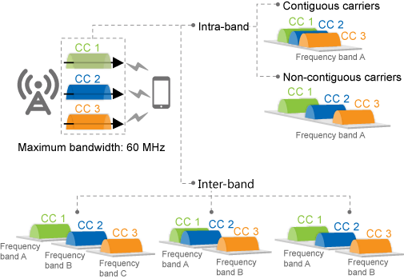

Figure 6-1 Downlink 3CC aggregation (source: Huawei FPD p.214)
Aggregates three intra- or inter-band carriers. Works intra-eNB, inter-eNB coordination, and relaxed backhaul. Table 6-1 switches: • Group-based, BW ≤ 60 MHz: CaDl3CCSwitch ON. CaDl3CCExtSwitch not required. • Adaptive FDD, BW ≤ 40 MHz: CaDl3CCSwitch ON. • Adaptive FDD, 40 < BW ≤ 60 MHz: CaDl3CCSwitch ON AND CaDl3CCExtSwitch ON (this extra bit is FDD-only; TDD 3CC is not affected — Ch.2.4). • Adaptive TDD, BW ≤ 60 MHz: CaDl3CCSwitch ON only. If CqiAdaptiveCfg.SimulAckNackAndCqiFmt3Sw = ON, HARQ ACK/NACK and periodic CQI for the three CCs can be multiplexed on PUCCH format 3; if OFF they cannot share a subframe. PUCCH format-3 overhead: adaptive PUCCH (PucchSwitch ON) spares +1 RB (PUSCH RBs drop by ≥1, must be multiple of 2/3/5) → UL throughput down. Fixed PUCCH: FDD converts 1 CQI RB to format 3; TDD converts 2 CQI RBs → more aperiodic CQI, slight DL rate drop. PCell DL IBLER fluctuates.
Theoretical peak data rates for DL 3CC (Table 6-2, Mbit/s)
Theoretical DL peak (20 MHz/CC; TDD UL/DL cfg 2, SS 7)
MIMO / MCS | FDD (Mbit/s) | TDD (Mbit/s)
2x2 + 64QAM | 449.3 | 336
2x2 + 256QAM | 587.4 | 429
4x4 + 64QAM | 899.6 | 651
4x4 + 256QAM | 1175 | 858

B. Triggering conditions (3CC uses the common CA carrier-management procedure in Ch.4.6)
Charts below are the original Huawei figures. Sample calculations use document-fixed constants (A5 Thresh1 RSRP = −43 dBm, RSRQ = −3 dB; A6 Hys = 1 dB; A5 measurement timer = 3 s) plus the MML example thresholds PCellA4RsrpThd / PccA4RsrpThd = −105 dBm, offsets = 0.
B1. PCC anchoring — when it starts
• Enable EnhancedPccAnchorSwitch (recommended). If both PccAnchorSwitch and EnhancedPccAnchorSwitch are ON, only Enhanced takes effect. • eNodeB delivers A1 measurement to the CA UE when: (1) the access / re-establishment / HO target cell is NOT the highest PCell/PCC priority, AND (2) the UE meets attribute conditions. • UE attribute conditions: not eMBMS; not emergency call; not high-speed mobility state; if PCC_ANCHOR_HO_FORBID_SW is ON, speed ≤ 30 km/h; not eMTC; QCI1/VoLTE and QCI65/66 MCPTT rules (see 19.7 VoLTE / McpttVoiceCaSwitch). • A1 RSRP threshold = CaMgtCfg.EnhancedPccAnchorA1ThdRsrp. SCell config is allowed before A1 is reported. • On A1: if HoWithSccCfgSwitch OFF → remove all SCells then PCC-anchor; if ON → PCC-anchor keeping SCells. • In the current serving cell, A1 is reported only once. CaTrafficTriggerSwitch ON allows PCC anchoring on unnecessary incoming HO (risk of ping-pong); OFF = necessary HO only (recommended to avoid ping-pong).
Event A1 — entering condition (3GPP / Ch.4.3) + sample
3GPP / Huawei condition: A1 enters when (Ms − Hys > Thresh) is true throughout TimeToTrig. Ms = PCell RSRP (dBm). Thresh = CaMgtCfg.EnhancedPccAnchorA1ThdRsrp.
Worked example (sample values from the document or typical live-network settings): Assume: Ms = −82 dBm (UE in good PCell coverage), Hys = 1 dB, Thresh = −90 dBm, TimeToTrig met. Compute: Ms − Hys = −82 − 1 = −83 dBm. Compare to Thresh −90 dBm: −83 > −90 → TRUE. Result: A1 IS triggered. eNodeB starts PCC anchoring (group Fig. 4-4 or adaptive Fig. 4-5). If Ms = −95 dBm: −95 − 1 = −96 which is NOT > −90 → A1 does not trigger, UE stays on current PCell.

Figure 4-4 CA-group-based PCC anchoring procedure (source: Huawei FPD p.72) — sample values in figure notes: PCellA4RsrpThd=−105 dBm, A5 Thresh1=−43 dBm, timer=3 s
Group-based sample (Doc MML): Cell0 PreferredPCellPriority=2, Cell1 PreferredPCellPriority=1, both PCellA4RsrpThd=−105, PCellA4RsrqThd=−20. UE accesses Cell1 (priority 1). Highest priority in group is Cell0 (priority 2) → Cell0 is candidate. UE capable on Cell0 frequency → eNodeB sends A5 (Thresh1 RSRP always −43 dBm / RSRQ −3 dB; Thresh2 RSRP = −105 dBm from PCellA4RsrpThd; InterFreqHoA4TrigQuan = RSRP or RSRQ or BOTH). Timer 3 s. If neighbor Cell0 RSRP Mn = −98 dBm, Ofn=Ocn=0, Hys=1: Mn+Ofn+Ocn−Hys = −99 dBm. −99 > −105 AND PCell quality below −43 (always true at realistic RSRP) → A5 fires → HO to Cell0 as new PCell. If Mn = −112 dBm: −113 is NOT > −105 → no A5 within 3 s → try next candidate; if none, Cell1 remains PCell.

Figure 4-5 Adaptive PCC anchoring procedure (source: Huawei FPD p.74) — PccFreqCfg.PccA4RsrpThd recommended > InterFreqHoGroup.InterFreqHoA4ThdRsrp
Adaptive difference: only frequency-level PCC is configured, so the PCell cell is chosen from the first A5 report. If no SccFreqCfg exists for a PccFreqCfg, A5 for that PCC is not delivered. Recommendation: PccA4RsrpThd > coverage HO A4 threshold so PCC anchoring does not steal coverage HOs.
B2. SCell configuration — when it starts
• Starts after RRC setup in: initial access, incoming RRC re-establishment, or incoming HO — AND SRB2 + default DRB exist — AND SCell count < max — AND not emergency call — AND not CSFB. • CaTrafficTriggerSwitch ON: SCell config only when traffic also meets SCell activation conditions (blind add does not take effect). OFF: triggered by those traffic conditions OR by RRC setup. • PCell-served UE cap: if number of PCell-served UEs ≥ CellMaxPccNumber, SCell config is prohibited. Resume only when the number falls below 90% of CellMaxPccNumber. SCell-served UEs are not counted. Lowering CellMaxPccNumber does not remove already-configured SCells. • CPU: eNodeBFlowCtrlPara.CaFlowCtrlThld. Below (thld−10): no impact. At thld: 80% probability; then 60/40/20/10%; at thld+5 to 100%: no SCell config. BBP CPU [0,70): no impact; [70,90): no SCell config for new access/HO/re-est; [90,100]: no SCell config for any CA UE. • UE-number control: Forbid2/3/4/5ccUeRatioThld. Doc example for large UE count: 90 / 80 / 70 / 60. Default 100 = function OFF. Constraint: Forbid2 > Forbid3 > Forbid4 > Forbid5 when not 100. Exit hysteresis = threshold − 5% (floor 1%). • FREQ_MEAS_FLAG of EutranInterNFreq.AggregationAttribute must stay selected or the frequency is not a candidate. • For nCC, the eNodeB prefers the maximum supported CC count. If fewer SCells succeed, it retries every SccCfgInterval while activation traffic conditions remain true.

Figure 4-7 Control of the maximum permissible number of PCell-served UEs over SCell configuration (source: Huawei FPD p.79)
Event A4 — SCell add (measurement-based) + sample
3GPP / Huawei condition: A4 enters when (Mn + Ofn + Ocn − Hys > Thresh) throughout CaMgtCfg.CaA4TimeToTrigger. Effective Thresh (group, initial/HO/re-est) = CaMgtCfg.CarrAggrA4ThdRsrp + CaGroupSCellCfg.SCellA4Offset + SccFreqCfg.SccA2RsrpThldExtendedOfs (all on PCell). Effective Thresh (adaptive, initial/HO/re-est) = CarrAggrA4ThdRsrp + SccFreqCfg.SccA4Offset + SccA2RsrpThldExtendedOfs. If SCell config is periodically triggered by traffic (not initial), the extended Ofs is NOT added (adaptive).
Worked example (sample values from the document or typical live-network settings): Doc MML: SCellA4Offset=0, SccA4Offset=0. Assume CarrAggrA4ThdRsrp = −105 dBm (same order as PCell A4 example), Hys=1 dB, Ofn=Ocn=0. Thresh = −105 + 0 + 0 = −105 dBm. Candidate SCell RSRP Mn = −100 dBm → Mn−Hys = −101. −101 > −105 → A4 IS triggered → SCell add. If Mn = −110 dBm → −111 which is NOT > −105 → A4 not triggered (no measurement-based add). Raising SCellA4Offset by +6 dB moves Thresh to −99 dBm: then Mn=−100 gives −101 which is NOT > −99 → SCell add becomes harder (doc: greater offset = lower probability of configuring an SCell). Result: Use A4 for high-frequency small SCells under a low-frequency PCell. Use blind add (skip A4) when the SCell is low-frequency large coverage under a high-frequency PCell — A4 would always fire.

Figure 4-8 CA-group-based SCell configuration procedure for UL/DL 2CC (source: Huawei FPD p.86). For nCC there are (n−1) candidate SCells in a selection.

Figure 4-9 Adaptive SCell configuration procedure for UL/DL 2CC (source: Huawei FPD p.90)
B3. SCell activation — when aggregation actually starts

Figure 4-11 SCell activation (source: Huawei FPD p.97)
Traffic-volume activation (Table 4-14) + sample
3GPP / Huawei condition: DL SCell activates when BOTH: (1) RLC buffered data > max(Uu RLC rate × BufferDelayThd, BufferLenThd) (2) Delay of first RLC PDU > BufferDelayThd Non-NSA: BufferDelayThd = CaMgtCfg.ActiveBufferDelayThd ; BufferLenThd = CaMgtCfg.ActiveBufferLenThd. NSA: NsaDcLteScellActBfrDelThld / NsaDcLteScellActBfrLenThld. UL extra: BSR > BufferLenThd throughout UlCaActiveTimeToTrigger, and TTI bundling not in effect. CaInstantlyJudgeSwitch ON = millisecond instantaneous traffic; OFF = filtered second-level (better for large-file DL). MAC CE in subframe n → SCell active in subframe n+x with x=8 (FDD) or x≥8 (TDD).
Worked example (sample values from the document or typical live-network settings): Assume non-NSA, ActiveBufferLenThd = 10000 bytes, ActiveBufferDelayThd = 50 ms, Uu RLC rate = 2 Mbit/s = 250000 bytes/s. max(rate × delay, len) = max(250000×0.050, 10000) = max(12500, 10000) = 12500 bytes. If RLC buffer = 20000 bytes AND first-PDU delay = 80 ms (> 50 ms) → BOTH true → eNodeB sends MAC CE to activate SCell. If ActiveBufferLenThd = 0 (explicitly not recommended): eNodeB activates as soon as it intends to send any data, then often deactivates immediately → BBP flow control risk. Result: SCell becomes usable only after activation. Heavy-load block: if ScellNoActivationUeNumThld ≠ 0 and UE count (non-CA + PCell CA + activated-SCell CA) exceeds it, no new activation quota. Recommended ON for FDD 1.4/3/5 MHz and TDD 5 MHz. Not compatible with LBBPc.
C. Leaving conditions (SCell deactivation + SCell removal)

Figure 4-12 SCell deactivation triggers (source: Huawei FPD p.100)
C1. Traffic-volume deactivation (needs CaMgtCfg.CarrierMgtSwitch = ON on PCell)
Table 4-15 + sample (recommend DeactiveBufferLenThd < ActiveBufferLenThd)
3GPP / Huawei condition: DL deactivation when EVERY E-RAB meets BOTH: Uu RLC rate ≤ CaMgtCfg.DeactiveThroughputThd RLC buffer ≤ CaMgtCfg.DeactiveBufferLenThd Then eNodeB sends MAC CE to deactivate SCells. UL SCell: deactivate only if UL AND DL both meet (UL: BSR ≤ DeactiveBufferLenThd AND UL Uu rate ≤ DeactiveThroughputThd). If only DL meets: deactivate DL-only SCells. If CaTrafficTriggerSwitch ON: RRC Reconfiguration removes SCells immediately after traffic-based deactivation (except NSA CA UEs when ScgAdditionBufferLenThld = 0).
Worked example (sample values from the document or typical live-network settings): Assume DeactiveThroughputThd = 256 kbit/s, DeactiveBufferLenThd = 2000 bytes, ActiveBufferLenThd = 10000 bytes (hysteresis). UE browsing idle: Uu rate = 80 kbit/s (≤ 256) and RLC buffer = 400 bytes (≤ 2000) on every E-RAB → DEACTIVATE. UE still downloading: Uu rate = 8 Mbit/s → condition fails → SCell stays active. If DeactiveBufferLenThd were 15000 (> Active 10000), ping-pong activate/deactivate would occur — this is why the document requires deactive length < active length. Result: MAC CE deactivates; with CaTrafficTriggerSwitch ON the SCell is also removed (RRC).
C2. Channel-quality deactivation (CarrierMgtSwitch = ON; recommended when blind SCell is used or A2 is OFF)
Does NOT run if CaSccSuspendSwitch is ON (SCell suspends scheduling instead) or if SCC_SPCT_EFF_STOP_SCH_SW is ON. Non-relaxed BH: deactivate when spectral efficiency of reported SCell CQI < Rel-8 SE of CaMgtCfg.SccDeactCqiThd (single-codeword). Value 5 is recommended. Value 0 disables CQI-based deactivation. Relaxed BH: use RelaxedBHSccDeactCqiThd instead. After CQI-based deactivation the UE stops reporting that SCell CQI. Reactivation by traffic/voice is gated by SccReactivationTime (PCell). SCell is NOT immediately removed, even if CaTrafficTriggerSwitch is ON. Sample: SccDeactCqiThd = 5. UE reports CQI 3 (SE below CQI5 SE) → MAC CE deactivate. UE reports CQI 8 → keep SCell.
C3. Residual BLER deactivation
DL: 10 consecutive residual BLER events. If SccQuietTime = 0 → immediate MAC CE. If SccQuietTime ≠ 0 → stop scheduling, send 1-byte probe; ACK resumes; NACK decreases CQI by basic step (+ SccDetectCqiDecreaseStep if ≠ 0); after max probe failures → deactivate. UL: SccQuietTime must be 0. 40 consecutive UL residual BLER → MAC CE. If SccDeactByUlDtxSwitch ON, also deactivate on activation-status mismatch. Do not enable SccDeactByUlDtxSwitch in high UL load (SCell rate drops). Enable it on every eNodeB in the CA set (PCell and SCells).
C4. RLC retransmission-count deactivation
Relaxed BH: if ScellDeactRlcRetransNumThd = 0 on PCell, deactivate all SCells when total RLC retx on PCell+SCells > 20. If Thd ≠ 0, that threshold is used. Purpose: high SCell RBLER drives MAC retx → RLC retx → service drop. Deactivate SCell to protect drop rate.
C5. SCell removal (RRC) — Event A2

Figure 4-13 SCell removal (source: Huawei FPD p.106)
Event A2 — SCell leave / removal + sample
3GPP / Huawei condition: A2 enters when (Ms + Hys < Thresh) throughout CaMgtCfg.CaA2TimeToTrigger. Effective Thresh (group) = CaMgtCfg.CarrAggrA2ThdRsrp + CaGroupSCellCfg.SCellA2Offset + SccFreqCfg.SccA2RsrpThldExtendedOfs (PCell side). Adaptive: CarrAggrA2ThdRsrp + SccFreqCfg.SccA2Offset (clamped to [−140, −43] dBm). Constraint: CarrAggrA4ThdRsrp must be greater than CarrAggrA2ThdRsrp (add threshold stricter than leave). SccA2RmvSwitch must be selected to deliver A2 for SCells that were added by A4. Greater SCellA2Offset / SccA2Offset → higher A2 threshold → SCell removed more easily.
Worked example (sample values from the document or typical live-network settings): Assume CarrAggrA2ThdRsrp = −115 dBm, SCellA2Offset = 0, Hys = 1 dB (typical leave hysteresis vs A4 −105). Thresh = −115 dBm. SCell RSRP Ms = −118 dBm → Ms+Hys = −117. −117 < −115 → A2 IS triggered → SCell removal. If Ms = −100 dBm → −99 which is NOT < −115 → keep SCell. If SCellA2Offset = +6 → Thresh = −109. Then Ms = −112 → −111 < −109 → leave fires earlier (UE still in decent coverage). Doc: greater A2 offset = higher probability of removing an SCell. Result: A2 is the primary radio leaving condition. Traffic/CQI/BLER/RLC are MAC deactivation (C1–C4); A2 is RRC removal.
C6. SCell change (not leave of CA — replace SCell, keep PCell) — Event A6

Figure 4-10 SCell change (source: Huawei FPD p.96)
Event A6 + sample (needs SccModA6Switch)
3GPP / Huawei condition: A6 enters when (Mn + Ocn − Hys > Ms + Ocs + Off) throughout CaMgtCfg.CaA6TimeToTrigger. Hys is always 1 dB. Off = CaMgtCfg.CarrAggrA6Offset (PCell). Ocn/Ocs = EutranInterFreqNCell.CellIndividualOffset. If CaA6TimeToTrigger > 3 s (gap timer), A6 cannot be reported.
Worked example (sample values from the document or typical live-network settings): Assume Off = 3 dB, Ocn=Ocs=0, Hys=1, current SCell Ms = −95 dBm, intra-freq neighbor Mn = −88 dBm. Left: Mn+Ocn−Hys = −88 − 1 = −89. Right: Ms+Ocs+Off = −95 + 3 = −92. −89 > −92 → A6 IS triggered. eNodeB ranks reported cells by RSRP and changes SCell to the best cell that can set up a data link. If Off = 10 dB, right side = −85; −89 is NOT > −85 → no change (doc: greater CarrAggrA6Offset = lower probability of SCell change). Result: CA continues; only the SCell identity changes.
D. Prerequisite, mutually exclusive, and mutually impacted features
SN | Relation | RAT | Feature | Parameter(s) | Required action | Impact / note
1 | Prerequisite | FDD/TDD | Downlink 2CC aggregation | None extra (Step1 must be ON) | Complete Step1 first | Ch.6.3.3.1
2 | Exclusive | FDD | PUCCH measurement | CellAlgoSwitch.PucchAlgoSwitch → PucchMeasOptSwitch must be OFF | Deactivate PUCCH measurement (SFN doc) | Ch.6.3.3.2
3 | Impact | FDD | UMTS and LTE Zero Bufferzone | ULZeroBufferZone.ZeroBufZoneSwitch → UMTS_LTE_ZERO_BUFFER_ZONE_SW | Do not use 5/10 MHz bufferzone cell as PCell (few PUSCH/SRS) | Ch.6.3.3.3
4 | Impact | FDD | UMTS and LTE Spectrum Sharing (LTE FDD) | SpectrumCloud.SpectrumCloudSwitch = UL_SPECTRUM_SHARING | 5 MHz cells not recommended as PCell (PUCCH so large SRS cannot be configured)
5 | Impact | FDD | UMTS/LTE SS based on DC-HSDPA | SpectrumCloud.SpectrumCloudSwitch = DC_HSDPA_BASED_UL_SPECTRUM_SHR | Same 5 MHz PCell warning | Related to row 4 (same MO, different enum)
6 | Impact | FDD | LTE FDD and NR Flash DSS | SpectrumCloud.SpectrumCloudSwitch = LTE_NR_SPECTRUM_SHR | If LTE preferential resource % = 0, LTE UEs cannot access
7 | Impact | FDD | Hybrid DSS based on asymmetric BW | SpectrumCloudSwitch = LTE_NR_SPECTRUM_SHR AND SpectrumCloud.SpectrumCloudEnhSwitch → LNR_SPECTRUM_SHR_ASYM_SW | Same: LTE resource % = 0 → no LTE access | Related to row 6
8 | Impact | TDD | SRS resource migration | UlInterfSuppressCfg.RemoteIntrfDlEnhSwitch → REMOTE_INTRF_BF_ENH_SW | When both conditions met, SRS migration WINS: 3CC stops; when migration stops, 3CC resumes
9 | Constraint | FDD/TDD | UE / EPC | UE Rel-12+; MBR ≥ Table 6-2 peak | Rel-10 is not enough for 3CC | Ch.6.3.6
10 | Inherit | FDD/TDD | All Step1 exclusive features still apply | Super combined cell, >100 km, in-band relay, MBSFN shutdown, MIE energy saving | Keep them OFF | 2CC exclusives remain
E. All parameters (3CC-specific on top of Step1 set)
Prepare basic data exactly as Step1 (Ch.5.4.1.1). Then set Table 6-5 / 6-6 / 6-7. Related 2CC parameters that 3CC still needs are listed immediately under the 3CC switch.
SN | MO Name | Parameter name | Default value | Recommended value | Parameter description | Notes
1 | CaMgtCfg | CellCaAlgoSwitch / CaDl3CCSwitch | OFF | 1 on every possible PCell | Master switch for downlink 3CC. | Parent 3CC switch. Group or adaptive. Related children below.
2 | CaMgtCfg | CellCaAlgoSwitch / CaDl3CCExtSwitch | OFF | 1 on each cell of a 40–60 MHz FDD adaptive set | FDD adaptive only: 3CC in 60 MHz window. | Related to CaDl3CCSwitch (same MO). Consumes LAOFD-080208. TDD does not use this bit.
3 | CaMgtCfg | CellCaAlgoSwitch / CaDl2CCExtSwitch | See Step1 | Keep as in Step1 if 2CC 40 MHz window still needed | 2CC 40 MHz bit remains required for the 2CC layer. | Related prerequisite Step1 switch.
4 | CqiAdaptiveCfg | SimulAckNackAndCqiFmt3Sw | See Parameter Reference | ON to multiplex ACK/NACK + periodic CQI on format 3 | 3CC HARQ + CQI multiplexing. | If OFF, they cannot be sent in the same subframe.
5 | CaGroup / PccFreqCfg / SccFreqCfg | (all Step1 objects) | As Step1 | Group: ≥3 cells. Adaptive: ≥2 SCCs per PCC | Topology must support 3 CCs. | Related: SCellPriority / SccPriority order decides which two SCells are chosen.
6 | CaMgtCfg | Forbid3ccUeRatioThld | 100 | 80 (doc 2CC optional MML, still valid) | UE-proportion to forbid 3CC or higher. | Must be < Forbid2ccUeRatioThld. Related Forbid2/4/5.
7 | RlcPdcpParaGroup | (see 4CC/5CC timers) | N/A for 3CC FPD | Not required by Ch.6 | Dl4cc5cc timers are introduced at 4CC, not 3CC. | Listed so operators do not apply them too early.
F. MML commands (Ch.6.4.1.2 / 6.4.2.2 — after Step1 MML)
SN | Seq | Mode | RAT | Phase | MML command (verbatim from document) | Remarks
1 | 0 | Both | FDD/TDD | Prerequisite | (Run ALL Step1 MML first: neighbors, group or PCC/SCC, EnhancedPccAnchorSwitch, CA_UE_MULTI_CC_STAT_OPT_SW, ACT CELL.) | Ch.6: “Before activating this function, add at least three cells / configure at least two candidate SCCs”.
2 | 1.1 | Group | FDD | Activation | MOD CAMGTCFG: LocalCellId=0, CellCaAlgoSwitch=CaDl3CCSwitch-1; | Ch.6.4.1.2.1. Repeat for every possible PCell. Deactivate: CaDl3CCSwitch-0.
3 | 1.2 | Adaptive | FDD | Activation | MOD CAMGTCFG: LocalCellId=0, CellCaAlgoSwitch=CaDl3CCSwitch-1; | Ch.6.4.1.2.2.
...

5. Step3 4CC Config
Step 3 — Downlink 4CC configuration (document Ch.7) — same structure as Step1
Prerequisites: Downlink 2CC AND Downlink 3CC (CaDl3CCSwitch). Then CaDl4CCSwitch. Group: ≥4 cells. Adaptive: ≥3 candidate SCCs per PCC. Same Ch.4.6 triggering/leaving as Step1.
A. Principal (Ch.7.1–7.2)
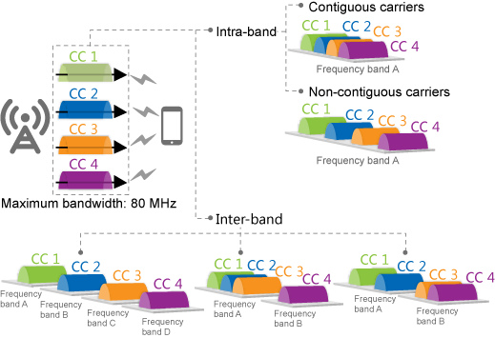

Figure 7-1 Downlink 4CC aggregation (source: Huawei FPD p.228)
Aggregates four intra- or inter-band carriers. Controlled by CaDl4CCSwitch on CaMgtCfg.CellCaAlgoSwitch. PUCCH format-3 simultaneous ACK/NACK + CQI: CqiAdaptiveCfg.SimulAckNackAndCqiFmt3Sw ON/OFF as for 3CC. PUCCH overhead / IBLER impact: same pattern as 3CC ( +1 PUSCH RB loss if adaptive PUCCH; FDD 1 CQI RB / TDD 2 CQI RBs converted if fixed PUCCH).
Theoretical peak data rates for DL 4CC (Table 7-1, Mbit/s)
Theoretical DL peak (20 MHz/CC; TDD UL/DL cfg 2, SS 7)
MIMO / MCS | FDD (Mbit/s) | TDD (Mbit/s)
2x2 + 64QAM | 599.1 | 448
2x2 + 256QAM | 783.3 | 572
4x4 + 64QAM | 1199.4 | 868
4x4 + 256QAM | 1566.6 | 1144

B. Triggering conditions (4CC uses the common CA carrier-management procedure in Ch.4.6)
Charts below are the original Huawei figures. Sample calculations use document-fixed constants (A5 Thresh1 RSRP = −43 dBm, RSRQ = −3 dB; A6 Hys = 1 dB; A5 measurement timer = 3 s) plus the MML example thresholds PCellA4RsrpThd / PccA4RsrpThd = −105 dBm, offsets = 0.
B1. PCC anchoring — when it starts
• Enable EnhancedPccAnchorSwitch (recommended). If both PccAnchorSwitch and EnhancedPccAnchorSwitch are ON, only Enhanced takes effect. • eNodeB delivers A1 measurement to the CA UE when: (1) the access / re-establishment / HO target cell is NOT the highest PCell/PCC priority, AND (2) the UE meets attribute conditions. • UE attribute conditions: not eMBMS; not emergency call; not high-speed mobility state; if PCC_ANCHOR_HO_FORBID_SW is ON, speed ≤ 30 km/h; not eMTC; QCI1/VoLTE and QCI65/66 MCPTT rules (see 19.7 VoLTE / McpttVoiceCaSwitch). • A1 RSRP threshold = CaMgtCfg.EnhancedPccAnchorA1ThdRsrp. SCell config is allowed before A1 is reported. • On A1: if HoWithSccCfgSwitch OFF → remove all SCells then PCC-anchor; if ON → PCC-anchor keeping SCells. • In the current serving cell, A1 is reported only once. CaTrafficTriggerSwitch ON allows PCC anchoring on unnecessary incoming HO (risk of ping-pong); OFF = necessary HO only (recommended to avoid ping-pong).
Event A1 — entering condition (3GPP / Ch.4.3) + sample
3GPP / Huawei condition: A1 enters when (Ms − Hys > Thresh) is true throughout TimeToTrig. Ms = PCell RSRP (dBm). Thresh = CaMgtCfg.EnhancedPccAnchorA1ThdRsrp.
Worked example (sample values from the document or typical live-network settings): Assume: Ms = −82 dBm (UE in good PCell coverage), Hys = 1 dB, Thresh = −90 dBm, TimeToTrig met. Compute: Ms − Hys = −82 − 1 = −83 dBm. Compare to Thresh −90 dBm: −83 > −90 → TRUE. Result: A1 IS triggered. eNodeB starts PCC anchoring (group Fig. 4-4 or adaptive Fig. 4-5). If Ms = −95 dBm: −95 − 1 = −96 which is NOT > −90 → A1 does not trigger, UE stays on current PCell.
...

6. Step4 5CC Config
Step 4 — Downlink 5CC configuration (document Ch.8) — same structure as Step1
Prerequisites: 2CC + 3CC (CaDl3CCSwitch) + 4CC (CaDl4CCSwitch). Then CaDl5CCSwitch. Group: ≥5 cells. Adaptive: ≥4 candidate SCCs per PCC. Ch.8.3.1/8.3.2 Licenses = None extra — FDD/TDD 5CC is covered by the 4CC-and-5CC license already consumed in Step3.
A. Principal (Ch.8.1–8.2)
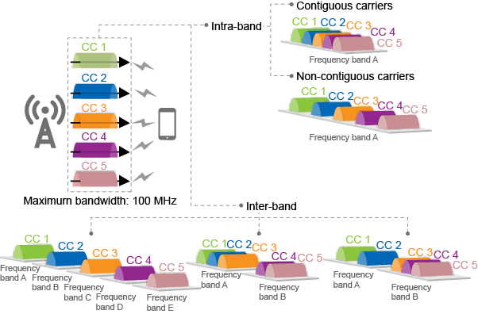

Figure 8-1 Downlink 5CC aggregation (source: Huawei FPD p.239)
Aggregates five intra- or inter-band carriers. Controlled by CaDl5CCSwitch. PUCCH format-3 multiplex: SimulAckNackAndCqiFmt3Sw. Overhead/IBLER: same as 3CC/4CC. Hardware extra vs 2CC: among BBPs, UBBP is recommended; among main control boards, UMPT is recommended (Ch.8.3.4).
Theoretical peak data rates for DL 5CC (Table 8-1, Mbit/s)
Theoretical DL peak (20 MHz/CC; TDD UL/DL cfg 2, SS 7)
MIMO / MCS | FDD (Mbit/s) | TDD (Mbit/s)
2x2 + 64QAM | 748.9 | 560
2x2 + 256QAM | 979.1 | 715
4x4 + 64QAM | 1499.3 | 1085
4x4 + 256QAM | 1958.3 | 1430

B. Triggering conditions (5CC uses the common CA carrier-management procedure in Ch.4.6)
Charts below are the original Huawei figures. Sample calculations use document-fixed constants (A5 Thresh1 RSRP = −43 dBm, RSRQ = −3 dB; A6 Hys = 1 dB; A5 measurement timer = 3 s) plus the MML example thresholds PCellA4RsrpThd / PccA4RsrpThd = −105 dBm, offsets = 0.
B1. PCC anchoring — when it starts
• Enable EnhancedPccAnchorSwitch (recommended). If both PccAnchorSwitch and EnhancedPccAnchorSwitch are ON, only Enhanced takes effect. • eNodeB delivers A1 measurement to the CA UE when: (1) the access / re-establishment / HO target cell is NOT the highest PCell/PCC priority, AND (2) the UE meets attribute conditions. • UE attribute conditions: not eMBMS; not emergency call; not high-speed mobility state; if PCC_ANCHOR_HO_FORBID_SW is ON, speed ≤ 30 km/h; not eMTC; QCI1/VoLTE and QCI65/66 MCPTT rules (see 19.7 VoLTE / McpttVoiceCaSwitch). • A1 RSRP threshold = CaMgtCfg.EnhancedPccAnchorA1ThdRsrp. SCell config is allowed before A1 is reported. • On A1: if HoWithSccCfgSwitch OFF → remove all SCells then PCC-anchor; if ON → PCC-anchor keeping SCells. • In the current serving cell, A1 is reported only once. CaTrafficTriggerSwitch ON allows PCC anchoring on unnecessary incoming HO (risk of ping-pong); OFF = necessary HO only (recommended to avoid ping-pong).
Event A1 — entering condition (3GPP / Ch.4.3) + sample
3GPP / Huawei condition: A1 enters when (Ms − Hys > Thresh) is true throughout TimeToTrig. Ms = PCell RSRP (dBm). Thresh = CaMgtCfg.EnhancedPccAnchorA1ThdRsrp.
Worked example (sample values from the document or typical live-network settings): Assume: Ms = −82 dBm (UE in good PCell coverage), Hys = 1 dB, Thresh = −90 dBm, TimeToTrig met. Compute: Ms − Hys = −82 − 1 = −83 dBm. Compare to Thresh −90 dBm: −83 > −90 → TRUE. Result: A1 IS triggered. eNodeB starts PCC anchoring (group Fig. 4-4 or adaptive Fig. 4-5). If Ms = −95 dBm: −95 − 1 = −96 which is NOT > −90 → A1 does not trigger, UE stays on current PCell.
...

7. LTE Spectrum Coordination
7. LTE Spectrum Coordination — FPD Ch.4 + Ch.5 Enhancement
Huawei eRAN LTE Spectrum Coordination Feature Parameter Description, eRAN21.1 Issue 01 (2025-03-10). Applies to FDD/TDD (no FDD↔TDD principle difference, §2.4). MML, counter IDs, license models, and Figure 4-1 are taken from this FPD. Cell-level MML in this sheet uses LocalCellId=1 only (repeat on the partner cell in live network). Where the FPD does not print a factory default, Default = “See Parameter Reference”; Recommended = Table 4-1/4-2 setting or the MML sample.
A. Principal (Ch.3 Overview + Ch.4.1 Principles)
In multi-band LTE networks, high frequencies usually encounter uplink usage limitation while downlink is still available. This limitation may even affect the deployment of high frequencies. LTE spectrum coordination lifts the downlink usage of carrier aggregation (CA) UEs at the uplink coverage edge of high frequencies. (Ch.3) When a UE in the CA state is located at the uplink coverage edge of a high-frequency serving cell and the uplink SINR used in scheduling of the UE becomes unsatisfactory, the eNodeB evaluates whether any low-frequency SCell of the UE can provide better uplink performance. If an SCell can provide better performance, the eNodeB hands over the UE from the PCell to this SCell and simultaneously configures the original PCell as an SCell for the UE. (Ch.4.1) The uplink SINR used in scheduling refers to that for initial selection of MCSs (see Uplink Scheduling). Figure 4-1 example: before coordination the CA UE has PCell 2600 MHz and SCell 850 MHz; after coordination UL is on 850 MHz while DL stays on 2600 MHz + 850 MHz.
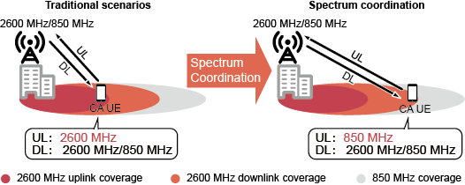

Figure 4-1 Example of LTE spectrum coordination (source: Huawei LTE Spectrum Coordination FPD p.6) — 2600 MHz PCell + 850 MHz SCell
A1. Enablement conditions (all must be met) — Ch.4.1
SN | Condition | MO / parameter | Required setting | Notes
1 | MLB admission of unnecessary HO must be off | CellMlbHo.MlbMatchOtherFeatureMode → HoAdmitSwitch | Deselected | On the original PCells and SCells of the UEs (Table 4-1).
2 | SCell configuration during handover | ENodeBAlgoSwitch.CaAlgoSwitch → HoWithSccCfgSwitch | Selected | Prerequisite function (Table 4-1 / §4.3.2.1).
3 | Spectrum coordination master switch | CaMgtCfg.CellCaAlgoSwitch → SpectrumCoordinationSwitch | Selected | On the original PCells and SCells of the UEs (Table 4-1).
...

