P1 Mode Select
HUAWEI eRAN | D-MIMO (TDD) Feature Parameter Description | Issue 01 | 2026-03-10
Phase 1 — Choose networking mode (chapter 3 then 4.1 / 5.1 / 6.1)
Use the exact architecture figures from the source.

What D-MIMO does (chapter 3)
 | Site densification creates overlap and cell-edge pain. D-MIMO uses centralized scheduling + distributed RRUs so multiple antennas transmit together. A cluster is a planned set of RRU-generated physical cells. After configuration and switch-on, the eNodeB periodically runs inter-RRU calibration then coherent JT.
 | Figure 3-1 (part) Without D-MIMO vs With D-MIMO
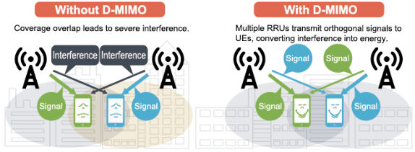

 | Figure 3-1 (part) Without D-MIMO vs With D-MIMO

 | Figure 3-1 Distributed antenna architecture (×10 m to ×100 m)
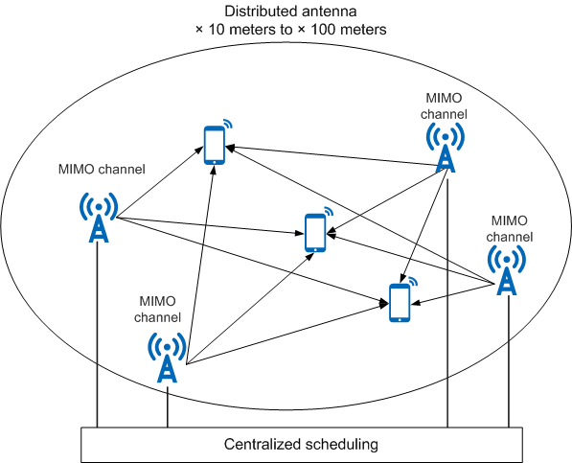

 | Figure 3-1 Distributed antenna architecture (×10 m to ×100 m)

 | Figure 3-2 Working process you will execute: configure → calibrate → coherent JT
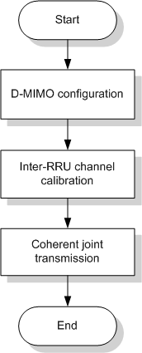

 | Figure 3-2 Working process you will execute: configure → calibrate → coherent JT

STEP 1.1 Match scenario to a mode
 | Question | Intra-cell 111505 | Inter-eNodeB 121501 (trial) | Inter-cell 130501
 | PCI in the cluster? | SAME PCI (SFN / pRRU aggregation logical cell) | Same as intra-cell, across BBUs | DIFFERENT PCIs, same PCI mod 3
 | BBU? | Same BBU | Different BBUs, same Cloud BB, full frequency sync | Same BBU (intra-BBP or inter-BBP)
 | Introduced | eRAN TDD 11.1 | eRAN TDD 12.1 | eRAN TDD 13.1
 | Switch | DmimoJTSwitch | Downlink D-MIMO + Cloud BB clock | InterCellDmimoJTSwitch
 | Outdoor ISD / overlap | ISD ≤ 150 m, significant overlap, LOS, UE < 5 km/h | Same benefits as intra-cell | ISD ≤ 300 m; >20% overlap in 6 dB; PRB>10%; BF UEs>20%; UE<5 km/h
 | LampSite ISD | ≤ 30 m, severe neighbor interference, LOS, UE<5 km/h | — | LOS between pRRUs
 | Do not use if | High speed, extended CP, Massive MIMO intro, WTTx turbo BF, >exclusive list | RGPS-host BBU in the inter-eNB cluster; USU backup present | High speed; >~400 UEs; low overlap; intra-freq soft split cell in cluster
 | RRUs per cluster | Macro 2–4; LampSite 3–6 pRRUs | Same as intra-cell plus clock rules | Macro up to 4 cells (≤32 antennas); LampSite 3–6 pRRUs

 | Figure 4-1 Intra-cell / Cloud BB context (source p.21)
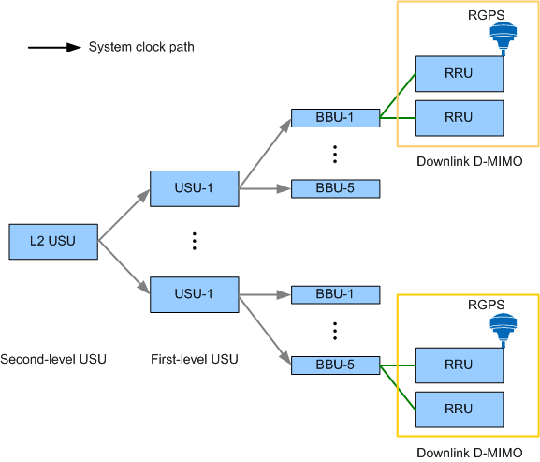

 | Figure 4-1 Intra-cell / Cloud BB context (source p.21)

 | Figure 5-1 Inter-eNodeB — RGPS-host BBU is intra-eNodeB-only when RGPS is the network clock
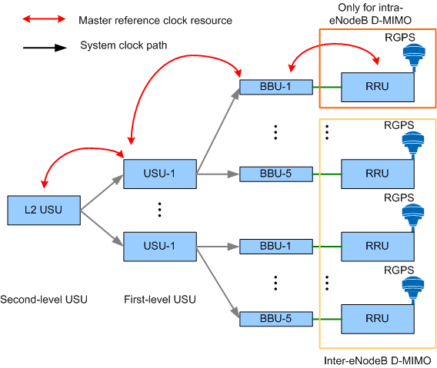

 | Figure 5-1 Inter-eNodeB — RGPS-host BBU is intra-eNodeB-only when RGPS is the network clock

 | Figure 6-1 Intra-BBP inter-cell
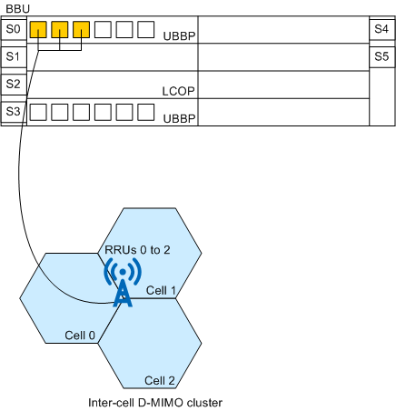

 | Figure 6-1 Intra-BBP inter-cell

 | Figure 6-2 Inter-BBP inter-cell (same BBU)
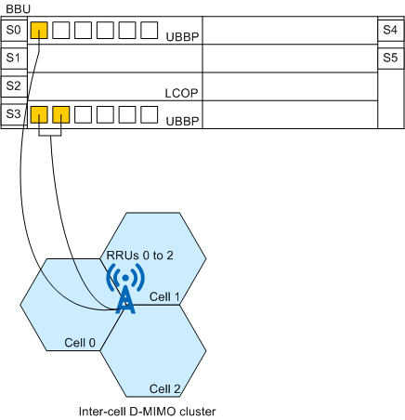

 | Figure 6-2 Inter-BBP inter-cell (same BBU)

 | Figure 6-3 Reconstruct PCI mod 3 to alignment BEFORE enabling inter-cell D-MIMO
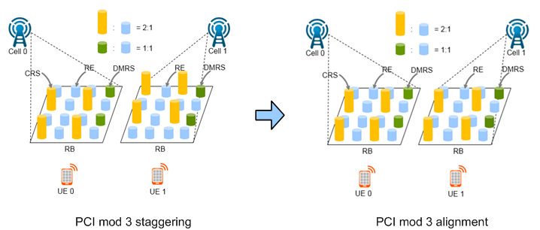

 | Figure 6-3 Reconstruct PCI mod 3 to alignment BEFORE enabling inter-cell D-MIMO

STEP 1.2 | Record the chosen mode on the Master Checklist
 | Write Feature ID, parent license, PCI rule, BBU rule, cluster ID (from Huawei tool), and site list.
 | Action: If inter-cell: also record PCI of every member and confirm PCI mod 3 equal. If not equal, stop and replan PCI.

 | Source: Huawei eRAN D-MIMO (TDD) Feature Parameter Description, Issue 01 (2026-03-10). This workbook is a deployment-oriented restatement of that document. Feature gains depend on the live scenario; contact Huawei professional service for cluster planning and optimization.

P3 Intra-Cell Steps
HUAWEI eRAN | D-MIMO (TDD) Feature Parameter Description | Issue 01 | 2026-03-10
Phase 3 — Intra-cell D-MIMO sequential configuration (4.4.1)
Do this for TDLEOFD-111505. Also do this as the base of trial inter-eNodeB, then continue to P4.

Architecture reminder — calibration then JT
 | Figure 3-3 Inter-RRU calibration (why QUICK_CHN_CAL_SWITCH is recommended)
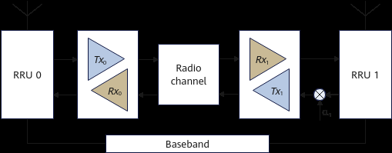

 | Figure 3-3 Inter-RRU calibration (why QUICK_CHN_CAL_SWITCH is recommended)

 | Figure 3-4 Coherent JT after calibration
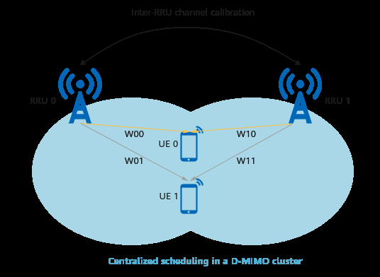

 | Figure 3-4 Coherent JT after calibration

 | Figure 3-5 Per-TTI SU-JT then MU-JT
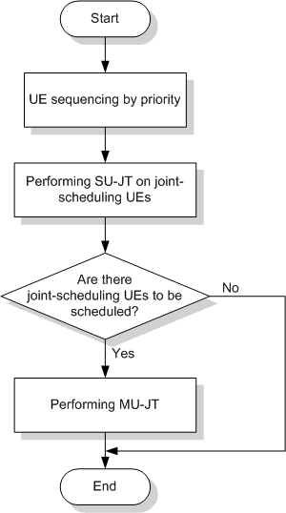

 | Figure 3-5 Per-TTI SU-JT then MU-JT

 | Figure 3-6 SU-JT
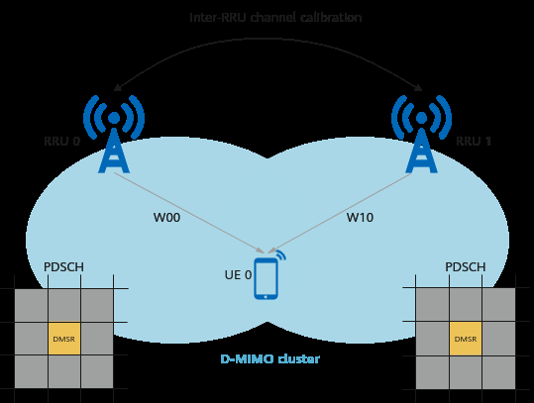

 | Figure 3-6 SU-JT

 | Figure 3-7 MU-JT
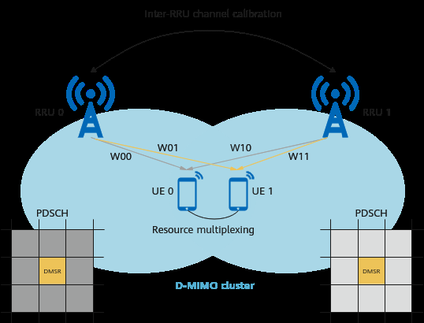

 | Figure 3-7 MU-JT

 | Figure 3-8 MU-JT resource example — set BfWeightNormalizeMode=NEBF commercially

 | Figure 3-8 MU-JT resource example — set BfWeightNormalizeMode=NEBF commercially

STEP 3.1 | Build / confirm the SFN or pRRU-aggregation cell first
 | Intra-cell D-MIMO sits on SFN. If the cell is not already SFN, complete SFN feature deployment first (see SFN document). Non-SFN networking must be planned with the D-MIMO cluster planning tool.
 | Action: LST CELL: Mode of Multi-RRU Cell = SFN or MPRU_AGGREGATION. Cell instance state Normal.
STEP 3.2 | Create baseband equipment including the co-processing slot
 | Example: UBBP slots 0–3, slot 3 = co-processing. BBU3900: co-processing in slot 2 or 3 only.
 | Action: ADD BASEBANDEQM for each SN. See P3 Intra-Cell MML.
STEP 3.3 | Bind sector equipment (macro) or sector equipment groups (LampSite)
 | Macro example: 3 sector equipment on the SFN cell bound to BB eqm 0–2. LampSite example: 4 groups.
 | Action: ADD EUCELLSECTOREQM (macro) or ADD EUSECTOREQMGROUP + EUSECTOREQMID2GROUP (LampSite).
STEP 3.4 | ADD COPROCRES
 | CoProcResId 0–12. BaseBandEqmId = co-processing board. BundlingClusterType=DMIMO (or ADAPTIVE if mixed coordination). WorkMode COORDINATING_PROCESSING only if mixed coordination; not required if only D-MIMO.
STEP 3.5 | ADD DMIMOCLUSTER
 | DMIMOClusterId from planning tool (even if >4 pRRUs). CoProcResId matching step 3.4 (255 = none specified). BfWeightNormalizeMode=NEBF for commercial edge-optimized MU-JT.
STEP 3.6 | ADD DMIMOCLUSTERCELL (exactly one logical cell)
 | Map the SFN/aggregation CellId + eNodeBId + MCC + MNC. Primary operator ID recommended.
STEP 3.7 | (Optional) Target SRS SINR optimization for BF UEs
 | MOD CELLPCALGO DMSrsPcSinrOffset=5. May slightly increase RRC Reconfiguration and drop rate.
STEP 3.8 | Turn on BF, MU-BF, D-MIMO JT, quick calibration
 | MOD CELLALGOSWITCH BfSwitch-1, MuBfSwitch-1, DmimoJTSwitch-1, QUICK_CHN_CAL_SWITCH-1. This is the actual activation of intra-cell D-MIMO.
STEP 3.9 | (Optional) Advanced Multi-User Coordination
 | MULTI_UE_COORDINATION_OPT_SW-1 on CoordinationAlgoSwitch. Increases MU-JT pairing and DL capacity in heavy load. See Beamforming (TDD).
STEP 3.1 | (Optional) PDCCH BF gain offset = 0
 | Only when PDCCHAggLvlAdaptStrage = STRATEGYBASEDONCOVERAGE. Enables CCE selection optimization for joint-scheduling BF UEs. Default was -127.
STEP 3.11 | (Optional) WaitPairingLayerThd = 30
 | Only when cell load is heavy AND multi-layer pairing rate is high. Else leave 0. Triggers cell-level TMA so more UEs enter BF for MU pairing if DL PRB usage > internal threshold AND BF UEs/TTI ≥ threshold×0.1.
STEP 3.12 | (Optional, LampSite only) SRS resource optimization
 | HIGH RISK. SrsResOptSwitch only if D-MIMO on, UBBP manually bound, TddSrsCfgMode=ACCESS_ENHANCED, MultiRruCellMode=MPRU_AGGREGATION, board is UBBPe/d6/d9 — never UBBPd4/LBBPd.
STEP 3.13 | Other recommended intra-cell optimizations from data-prep tables
 | TmAccelerationSwitch=INITIAL_ACCESS_TO_BF. Micro-micro only: DlHighLoadSdmaThdOffset=10 if D-MIMO+quick BF, else 5. Not used in macro-macro/macro-micro.
 | NOTICE: Before any MOD, read Service Interrupted After Modification and Caution in the parameter reference for that MO.

 | Source: Huawei eRAN D-MIMO (TDD) Feature Parameter Description, Issue 01 (2026-03-10). This workbook is a deployment-oriented restatement of that document. Feature gains depend on the live scenario; contact Huawei professional service for cluster planning and optimization.

P7 Network Monitoring
HUAWEI eRAN | D-MIMO (TDD) Feature Parameter Description | Issue 01 | 2026-03-10
Phase 7 — Prove the feature takes effect and watch CEUs
4.4.3 and 6.4.3. Configure the MAE alarm in the same session.

Does it take effect?
 | Mode | Primary KPI | Pass
 | Intra-cell | L.ChMeas.DMIMO.1Layer.PRB | > 0
 | Inter-cell | L.ChMeas.DMIMO.JT.User.Avg | > 0
 | Both | L.ChMeas.DMIMO.2Layer.PairPRB … 8Layer.PairPRB | Non-zero at layers you expect to pair
 | Both | L.ChMeas.DMIMO.JT.User.Avg / JTUser.RRU.Avg | JT users present; working RRUs ≥ 2 for true JT
 | Both | CHR PERIOD_CLUSTER_DMIMO_MR (15 min default) | ClusterAbnormallatency and CalibrationAbnormallatency stay low

MAE-Access MIMO (Cell) / MIMO (User)
 | Cell: Enable DMIMO Pairing RB; successful pairing TM7/TM8/TM9 at N layers (N=2..8). Inter-cell also: JT User Num, JT User Work RRU Num, SUJT Schedule RB Num. User: set Test Items = DMIMO (intra-cell) or TDD DMIMO (inter-cell). Inter-cell DMIMO User Indication: 0 non-JT, 1 JT, 255 invalid.

CEU counters
 | Intra-cell uses *.BorderUE.JointTransmit / JointReception names. Inter-cell uses *.BorderUE without Joint* suffix (see review workbook 04-5 and 06-5 for full lists).

STEP 7.1 Create calibration-failure threshold alarm (exact source GUI)
 | Counter L.CellSectorEqpt.UNA.Dur.Cali. Direction Ascending. Function subset = Network / Measurements Related to Algorithm(LTE) / Cell Sector Algorithm Measurement. For Period=15 min: Threshold=9 (15×80%−3), Offset=3 (15×20%). Alarm when duration ≥ Threshold+Offset; clear when < Threshold−Offset.
 | GUI 1 Performance > Threshold Management > Threshold Settings → CellSectorEQUIP Performance → Add
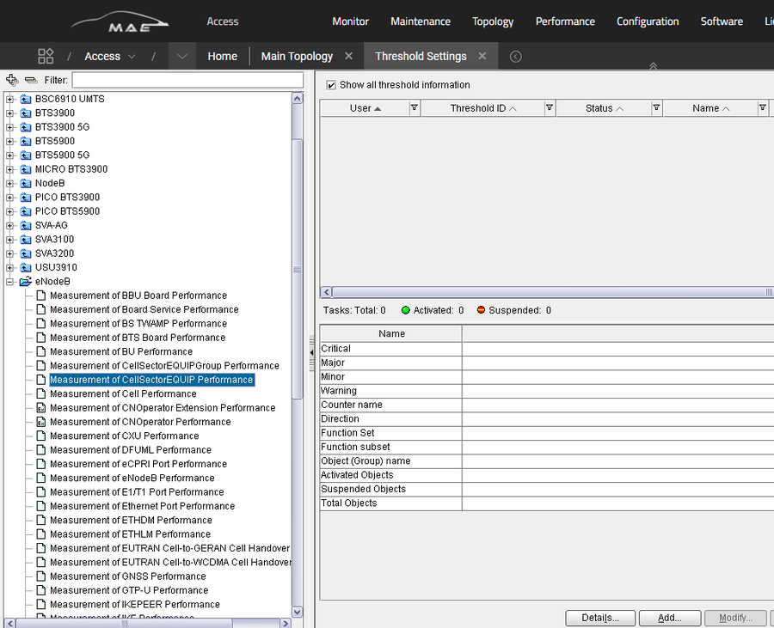

 | GUI 1 Performance > Threshold Management > Threshold Settings → CellSectorEQUIP Performance → Add

 | GUI 2 Object tab — select NEs
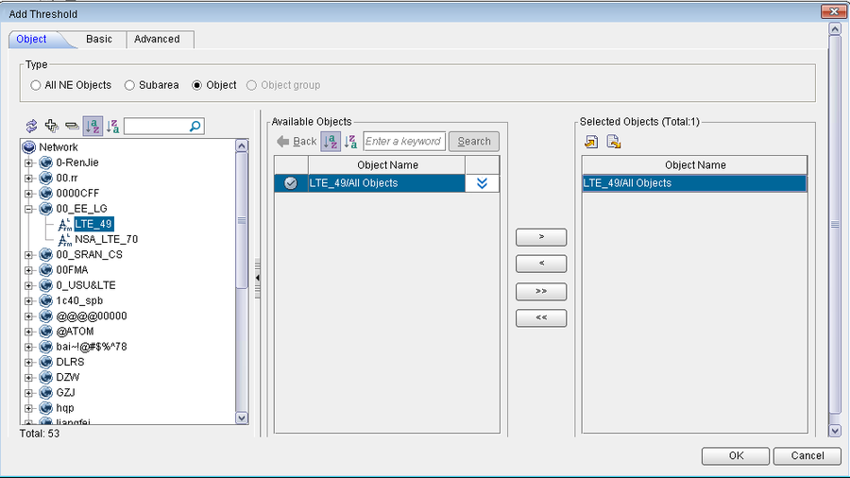

 | GUI 2 Object tab — select NEs

 | GUI 3 Basic tab — Name CAL Fail, Period 15 minutes
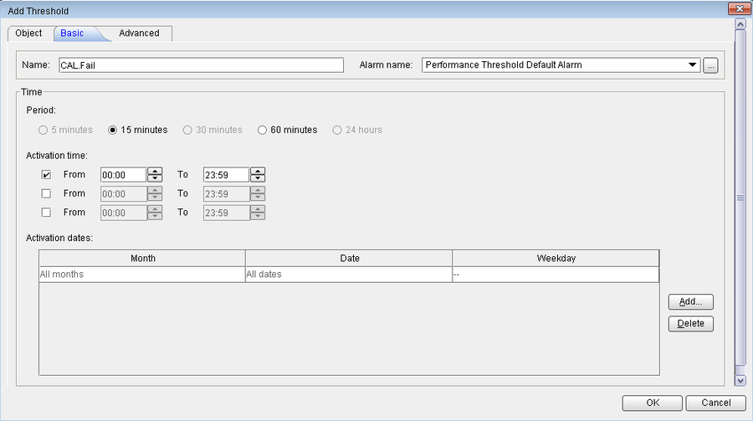

 | GUI 3 Basic tab — Name CAL Fail, Period 15 minutes

 | GUI 4 Advanced tab — counter and 9 / 3
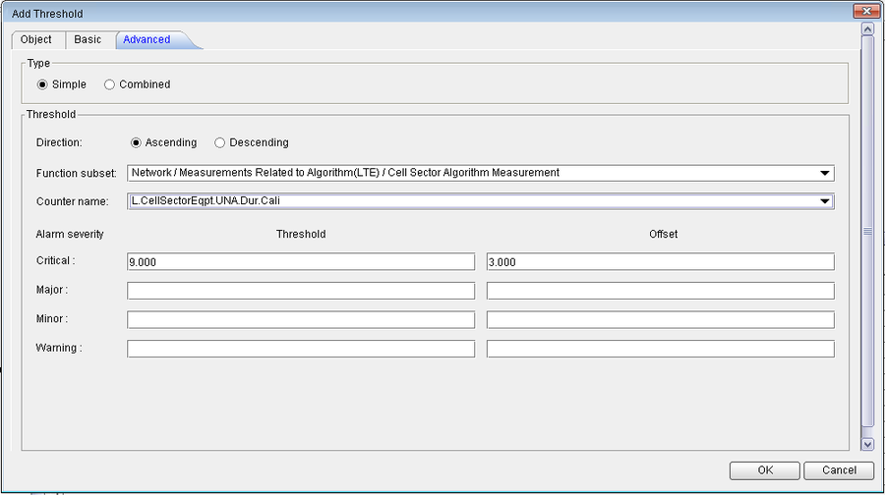

 | GUI 4 Advanced tab — counter and 9 / 3

Expected side effects (do not treat as defects without baseline)
 | • RAR success slightly down; access delay slightly up. Inter-cell: RRC setup/reest/HO slightly down; VoLTE/call delay +<10 ms.
 | • Average reported CQI may rise (more TM8) or fall in light-load inter-cell after CRS alignment.
 | • CCE pressure: more DL scheduling per TTI. Watch UL CCE fails.
 | • MU-BF and SFN inter-RRU coordinated-BF counters stop measuring once D-MIMO is the interference-suppression path.

 | Source: Huawei eRAN D-MIMO (TDD) Feature Parameter Description, Issue 01 (2026-03-10). This workbook is a deployment-oriented restatement of that document. Feature gains depend on the live scenario; contact Huawei professional service for cluster planning and optimization.

