03 General Principles
HUAWEI eRAN | D-MIMO (TDD) Feature Parameter Description | Issue 01 | 2026-03-10
3 General Principles
Source pages 11–19. Exact figures from the PDF.

3.1 Overview

Background
 | As the number of users and traffic volume increase sharply, site density rises. Densification improves capacity but increases overlapping coverage and degrades cell-edge experience. Distributed MIMO (D-MIMO) is introduced to mitigate interference from neighboring cells in overlapping coverage areas and improve the experience of cell edge UEs (CEUs) and the downlink user experience of the whole cell.

Introduction
 | D-MIMO is based on a centralized scheduling + distributed RRU architecture (Figure 3-1). It uses multiple physical antennas to transmit data in a coordinated way. Dispersed antenna locations significantly improve spatial channel resolution. This offers high antenna array gains and interference suppression gains while improving downlink user experience and CEU experience.
 | Figure 3-1 (part) Without D-MIMO vs With D-MIMO — interference converted into energy
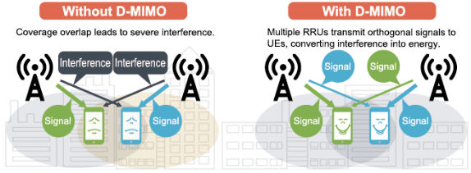

 | Figure 3-1 (part) Without D-MIMO vs With D-MIMO — interference converted into energy

 | Figure 3-1 D-MIMO — distributed antennas (×10 m to ×100 m) with centralized scheduling
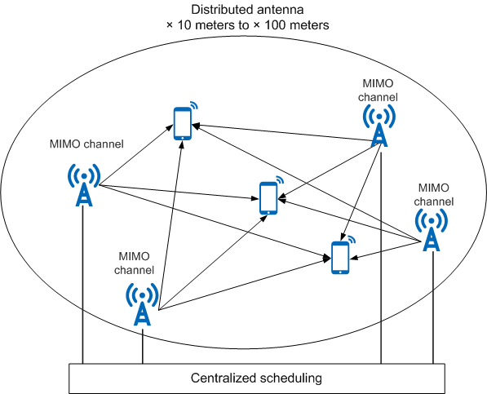

 | Figure 3-1 D-MIMO — distributed antennas (×10 m to ×100 m) with centralized scheduling

 | D-MIMO coordinates scheduling on a per D-MIMO cluster basis. A D-MIMO cluster is a set of physical cells (generated by RRUs) that compose one or more cells. D-MIMO requires that D-MIMO cluster data be planned, including the RRUs in a D-MIMO cluster and the cluster ID. For the planning method, contact Huawei engineers.

Category — three networking modes
 | Feature ID | Feature Name | Networking | Introduced in | Chapter
 | TDLEOFD-111505 | DL D-MIMO | Intra-cell: multiple RRUs on the same BBU form a logical cell; cluster for that logical cell. Cells in the cluster MUST have the same PCI. | eRAN TDD 11.1 | 4 Intra-Cell D-MIMO
 | TDLEOFD-121501 | Inter-eNodeB DL D-MIMO (Trial) | Intra-cell style: RRUs on different BBUs of the same Cloud BB network form a cluster. | eRAN TDD 12.1 | 5 Inter-eNodeB D-MIMO
 | TDLEOFD-130501 | Inter-Cell DL D-MIMO | Inter-cell: multiple RRUs on the same BBU form a cluster. Cells in the cluster have DIFFERENT PCIs. | eRAN TDD 13.1 | 6 Inter-Cell D-MIMO

Working process
 | Figure 3-2 D-MIMO process
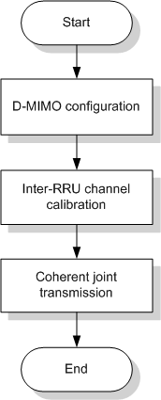

 | Figure 3-2 D-MIMO process

 | 1. D-MIMO configuration: involves D-MIMO clusters, feature switches, and related parameters.
 | 2. Inter-RRU channel calibration: distributed RRUs transmit with different phases. After calibration, signals from multiple RRU channels combine in the same phase on the UE side.
 | 3. Coherent joint transmission: algorithm identifies JT UEs (SU-JT or MU-JT) in the cluster and performs coherent JT, improving downlink and cell-edge experience.
 | After a cluster is configured and D-MIMO is enabled, the eNodeB periodically initiates intra-cluster inter-RRU channel calibration and coherent joint transmission. Control options:
 | • Intra-cell D-MIMO: DmimoJTSwitch option of CellAlgoSwitch.DMIMOAlgoSwitch
 | • Inter-cell D-MIMO: InterCellDmimoJTSwitch option of CellAlgoSwitch.DMIMOAlgoSwitch

3.2 Inter-RRU Channel Calibration
 | In the distributed RRU architecture, RRUs in different locations transmit with different phases. Inter-RRU channel calibration ensures RF channels of a cluster have the same delay so signals combine in phase on the UE side. The eNodeB adjusts the transmit/receive response ratio of each RF channel to be consistent with the reference RF channel.
 | Figure 3-3 Principles of inter-RRU channel calibration (α1 compensation)
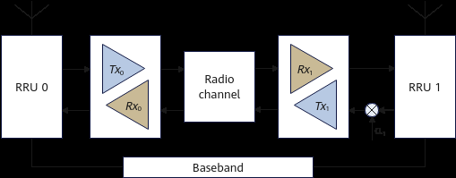

 | Figure 3-3 Principles of inter-RRU channel calibration (α1 compensation)

 | Procedure:
 | 1. The intra-RRU channel calibration algorithm performs channel calibration for each RRU.
 | 2. The inter-RRU channel calibration algorithm is used. RRUs transmit calibration sequences to each other over the air interface and calculate the calibration coefficient.
 | 3. Channel compensation is performed so transmit/receive response ratios of all RF channels in the cluster are consistent.
 | NOTE: 2T2R RRUs and pRRUs do not support intra-RRU channel calibration. Therefore only steps 2 and 3 are required for 2T2R RRUs and pRRUs.
 | If a channel calibration fault occurs in a cell in the cluster:
 | • Intra-cell D-MIMO: D-MIMO cells automatically revert to SFN configurations.
 | • Inter-cell D-MIMO: D-MIMO cells do not revert. UEs can obtain power superimposition gains but cannot obtain array gains.

Related optimization (EnhChnCalSwitch)
 | In eRAN TDD 11.1 or earlier, intra-RRU channel calibration is initiated every 30 minutes. In eRAN TDD 12.0, it is initiated every 10 s if QUICK_CHN_CAL_SWITCH of CellAlgoSwitch.EnhChnCalSwitch is selected; otherwise still every 30 minutes. It is recommended that this option be selected in D-MIMO scenarios. The setting does not take effect on 2T2R RRUs and pRRUs.

3.3 Coherent Joint Transmission
 | Multiple RRUs jointly transmit to the same UE; signals are superimposed in phase on the UE side, increasing downlink received strength.
 | Figure 3-4 Coherent joint transmission — centralized scheduling in a D-MIMO cluster
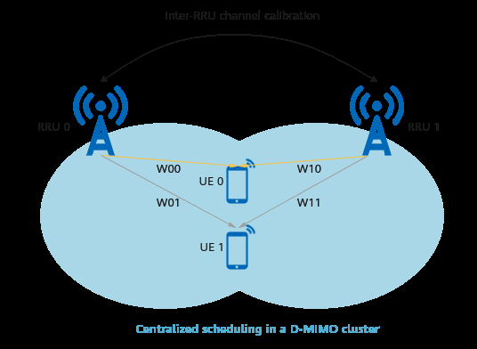

 | Figure 3-4 Coherent joint transmission — centralized scheduling in a D-MIMO cluster

 | Works as follows:
 | 1. Identifying JT UEs: SRS is used to obtain uplink RSRP at each RRU and calculate downlink equivalent RSRP in intra-cell scenarios. If the working RRU list for a UE contains two or more RRUs, the UE is a JT UE. In inter-cell scenarios, SRS and event A3 are used; if both are available, event A3 RSRP is preferred.
 | 2. Calculating beamforming weighting values from uplink channel coefficients (SRS). Enable target SRS SINR optimization for BF UEs via CellPcAlgo.DMSrsPcSinrOffset (>0 adds to SrsPcSinrTarget). This may slightly increase RRC Connection Reconfiguration messages and the service drop rate.
 | 3. Performing SU-JT or MU-JT in each TTI.
 | Figure 3-5 JT process (SU-JT then MU-JT)
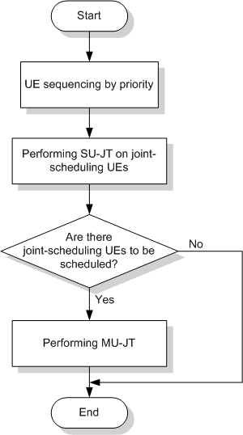

 | Figure 3-5 JT process (SU-JT then MU-JT)

 | Figure 3-6 SU-JT — multiple RRUs transmit coherently to one UE
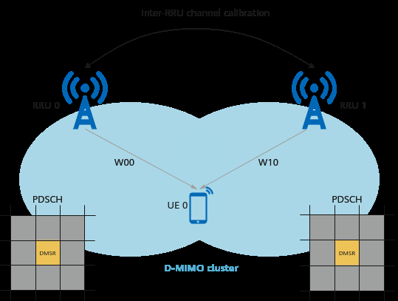

 | Figure 3-6 SU-JT — multiple RRUs transmit coherently to one UE

 | Figure 3-7 MU-JT — orthogonal weights, resource multiplexing
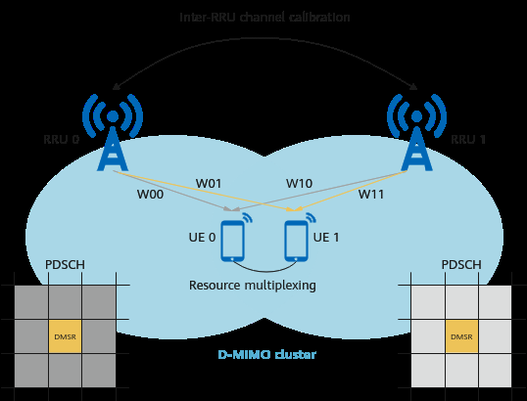

 | Figure 3-7 MU-JT — orthogonal weights, resource multiplexing

 | Set DMIMOCluster.BfWeightNormalizeMode based on site conditions. NEBF = optimal for paired BF UEs at the D-MIMO cell edge. PEBF = optimal at center / medium distance. Set NEBF in commercial use.
 | Figure 3-8 MU-JT example — V0 paired with U0 on RBG 0–3 and with U1 on RBG 4–7

 | Figure 3-8 MU-JT example — V0 paired with U0 on RBG 0–3 and with U1 on RBG 4–7

 | In Figure 3-8, U0 and U1 are already scheduled; V0 is to be paired. Before MU-JT only U0 and U1 use RBG 0–7. After pairing, three UEs share the same frequency resources, improving spectral efficiency.
 | When cell-level TMA is enabled in non-inter-cell D-MIMO scenarios, more UEs in heavy-load cells enter BF for MU pairing. Controlled by CellBf.WaitPairingLayerThd (0 = off; >0 and DL PRB usage above internal threshold AND BF UEs to schedule per TTI ≥ WaitPairingLayerThd × 0.1).
 | Advanced Multi-User Coordination further increases MU-JT pairing rate and DL capacity in intra-cell D-MIMO under heavy load. Switch: MULTI_UE_COORDINATION_OPT_SW of CellAlgoSwitch.CoordinationAlgoSwitch. See Beamforming (TDD).

 | Source: Huawei eRAN D-MIMO (TDD) Feature Parameter Description, Issue 01 (2026-03-10). This workbook is a deployment-oriented restatement of that document. Feature gains depend on the live scenario; contact Huawei professional service for cluster planning and optimization.

04-1 Intra-Cell Principles
HUAWEI eRAN | D-MIMO (TDD) Feature Parameter Description | Issue 01 | 2026-03-10
4 Intra-Cell D-MIMO — Principles and Network Analysis
Source pages 20–23. Feature TDLEOFD-111505.

4.1 Principles
 | Intra-cell D-MIMO is developed based on SFN. Multiple RRUs connected to a single BBU with overlapping coverage, and their corresponding physical cells, constitute a logical cell. A D-MIMO cluster is set up for that logical cell. The cluster is equivalent to an SFN cell, so the number of RRUs in the cluster equals the number of RRUs serving the SFN cell. Cells in a D-MIMO cluster have the same PCI. RRUs connect to the same BBU.
 | Figure 4-1 Networking diagram of intra-cell D-MIMO (source figure on p.21)
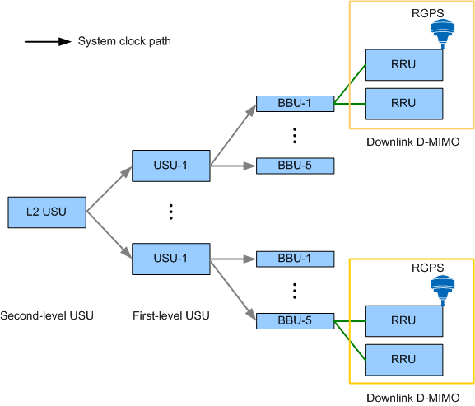

 | Figure 4-1 Networking diagram of intra-cell D-MIMO (source figure on p.21)

 | Required SFN scenarios:
 | • Outdoor macro-macro SFN scenarios
 | • Indoor LampSite SFN scenarios
 | Typical areas:
 | • Outdoor hotspot areas: densely populated urban areas, CBDs, campus
 | • Indoor densely populated areas: stadiums, airports, railway stations, dining halls, auditoriums
 | NOTE: In this document, “macro-macro networking” refers to a combination of macro RRUs. See RF Modules.

4.2.1 Benefits

Most beneficial scenarios — all of the following
 | • Inter-site distance does not exceed 150 m outdoors or 30 m in LampSite, with significant coverage overlap.
 | • Interference between neighboring cells is severe in LampSite (large open intra-frequency areas such as transport hubs and exhibition centers).
 | • Line-of-sight (LOS) propagation between RRUs.
 | • UE speed lower than 5 km/h.

Benefits
 | • Outdoor macro-macro SFN: increases average DL user-experienced rate and DL CEU-experienced rate.
 | • Outdoor micro-micro SFN: same.
 | • Indoor LampSite SFN: increases average DL UE-experienced rate.
 | • Combined with advanced multi-user coordination: more spatial multiplexing; increases cell DL traffic volume and spectral efficiency when load is heavy.

4.2.2 Impacts
 | • Slightly decreases RAR success rate but increases UE access delay.
 | • With adaptive TM switching in SFN cells, more UEs switch TM3 → TM8, so a greater proportion use BF (including dual-stream). Dual-stream TM3 reports per-stream CQI; dual-stream TM8 reports CQI for one stream → average reported CQI increases.
 | • Dual-stream BF UEs must switch to single-stream before pairing → rank-1 BF PRB counter rises; rank-2 BF PRB proportion may fall if many dual-stream UEs pair.
 | • More UEs scheduled per TTI when many UEs wait, but needs enough CCEs. If CCE sufficient: DL CCE use up, UL CCE availability down, UL CCE fail probability up. If CCE insufficient: more CCE allocation failures per TTI.
 | • Joint-scheduling UEs receive D-MIMO gains; pairing rate improves; BLER may slightly fluctuate with MCS changes.
 | • SFN/D-MIMO: CRS jointly transmitted, PDSCH independently transmitted for independent-scheduling UEs → possible RI mismatch. 2T/4T: SfnDlRblerOptSwitch forces rank 1 (~1 s to identify). 8T: TMA to TM8 (~2 s). Short mismatch windows can drop MCS/traffic.

 | Source: Huawei eRAN D-MIMO (TDD) Feature Parameter Description, Issue 01 (2026-03-10). This workbook is a deployment-oriented restatement of that document. Feature gains depend on the live scenario; contact Huawei professional service for cluster planning and optimization.

04-5 Intra-Cell Verify
HUAWEI eRAN | D-MIMO (TDD) Feature Parameter Description | Issue 01 | 2026-03-10
4.4.2–4.4.4 Activation Observation, Monitoring, Possible Issues
Source pages 41–49. Exact MAE GUI screenshots from the PDF.

4.4.2 Activation Observation
STEP 1 | DSP CELL and LST CELL — cell status of the cluster
 | The cells in the D-MIMO cluster are working properly if ALL of the following are met:
 | Action: LST CELL: Mode of Multi-RRU Cell = SFN or MPRU_AGGREGATION. DSP CELL: Work Status = Normal for all RRUs. DSP CELL: Cell instance state = Normal.
STEP 2 | DSP DMIMOCLUSTERCELL — cluster cell status
 | The D-MIMO cluster is working properly if D-MIMO Cluster Cell Status = Normal.
 | Action: DSP DMIMOCLUSTERCELL
STEP 3 | DSP DMIMOCALIBRATION — channel calibration
 | Channel calibration is successful if D-MIMO Calibration Result = Succeeded.
 | Action: DSP DMIMOCALIBRATION

4.4.3 Network Monitoring

Table 4-11 Counters — UE pairing for D-MIMO
 | Counter Name | Counter Description
 | L.ChMeas.DMIMO.1Layer.PRB | Average number of PRBs that can be paired for D-MIMO. D-MIMO takes effect if this value is > 0.
 | L.ChMeas.DMIMO.2Layer.PairPRB | Average number of PRBs paired for D-MIMO at layer 2
 | L.ChMeas.DMIMO.3Layer.PairPRB | Average number of PRBs paired at layer 3
 | L.ChMeas.DMIMO.4Layer.PairPRB | Average number of PRBs paired at layer 4
 | L.ChMeas.DMIMO.5Layer.PairPRB | Average number of PRBs paired at layer 5
 | L.ChMeas.DMIMO.6Layer.PairPRB | Average number of PRBs paired at layer 6
 | L.ChMeas.DMIMO.7Layer.PairPRB | Average number of PRBs paired at layer 7
 | L.ChMeas.DMIMO.8Layer.PairPRB | Average number of PRBs paired at layer 8

Table 4-12 Proportion and scope of D-MIMO UEs
 | Counter Name | Counter Description
 | L.ChMeas.DMIMO.JT.User.Avg | Number of D-MIMO JT UEs in the downlink
 | L.ChMeas.DMIMO.JTUser.RRU.Avg | Average number of working RRUs for D-MIMO JT UEs in the downlink

CHR: PERIOD_CLUSTER_DMIMO_MR (default 15 min)
 | Field | Description
 | >DmimoClusterID | ID of the D-MIMO cluster to which the logical cells performing MR reporting belong
 | >ClusterAbnormallatency | Invalidity duration of the D-MIMO cluster
 | >CalibrationAbnormallatency | Channel calibration invalidity duration of the D-MIMO cluster

MAE-Access MIMO (Cell) monitoring
 | Monitoring Item | Unit | Description
 | Number of Enable DMIMO Pairing RB | Number | RBs that can be paired for D-MIMO in a cell in a monitoring period (averaged over TTIs).
 | Number of successful DMIMO Pairing TM7 RB(Num) with N Layers | Number | Successfully paired RBs in TM7 at layer N. N = {2..8}.
 | Number of successful DMIMO Pairing TM8 RB(Num) with N Layers | Number | Successfully paired RBs in TM8 at layer N. N = {2..8}.
 | Number of successful DMIMO Pairing TM9 RB(Num) with N Layers | Number | Successfully paired RBs in TM9 at layer N. N = {2..8}.

MAE-Access MIMO (User) monitoring (Test Items = DMIMO)
 | Monitoring Item | Unit | Description
 | Number of Enable DMIMO Pairing RB(Num) | Number | RBs that can be paired for a D-MIMO UE. Displayed only when Test Items = DMIMO.
 | Number of successful DMIMO pairing RB (Num) with N Layers | Number | RBs for UEs successfully paired at layer N, averaged as cell-level (all RRUs). N={2..8}. Range 0–1000.

CEU performance counters
 | Counter Name | Counter Description
 | L.Thrp.bits.UL.BorderUE.JointReception | Total UL PDCP-layer traffic jointly received for CEUs
 | L.Thrp.bits.UL.SmallPkt.BorderUE.JointReception | PDCP traffic for UL small packets jointly received for CEUs
 | L.Thrp.Time.UL.RmvSmallPkt.BorderUE.JointReception | UL duration except small packets jointly received for CEUs
 | L.Thrp.Time.UL.BorderUE.JointReception | Total duration of jointly receiving data from CEUs (UL PDCP)
 | L.Thrp.bits.DL.BorderUE.JointTransmit | Total DL PDCP traffic jointly transmitted for CEUs
 | L.Thrp.bits.DL.LastTTI.BorderUE.JointTransmit | DL PDCP jointly transmitted for CEUs in last TTI before buffer empty
 | L.Thrp.Time.DL.RmvLastTTI.BorderUE.JointTransmit | JT CEU duration except last TTI before DL buffer empty
 | L.Thrp.Time.DL.BorderUE.JointTransmit | Total duration of jointly transmitting to CEUs (DL PDCP)
 | L.ChMeas.PRB.PUSCH.Avg.BorderUE.JointReception | Average PUSCH PRBs used by CEUs for joint reception
 | L.ChMeas.PRB.PDSCH.Avg.BorderUE.JointTransmit | Average PDSCH PRBs used by CEUs for joint transmission

4.4.4 Possible Issues
 | D-MIMO cells automatically revert to SFN cells if there is a fault related to channel calibration, activation of a cell in a cluster, or RRUs.

Channel calibration failure alarm on MAE-Access
 | Configure a user-defined performance threshold alarm. Counter L.CellSectorEqpt.UNA.Dur.Cali measures calibration-failure duration.
STEP 1 | Open Threshold Settings
 | MAE-Access: Performance > Threshold Management > Threshold Settings.
 | Action: Exact GUI from the source document:
 | Step 1–2 MAE-Access Threshold Settings — choose Measurement of CellSectorEQUIP Performance, then Add
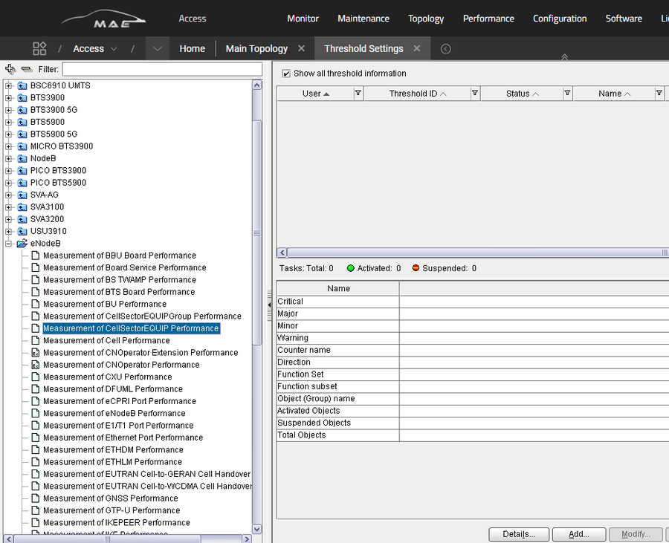

 | Step 1–2 MAE-Access Threshold Settings — choose Measurement of CellSectorEQUIP Performance, then Add

STEP 2 | Choose measurement and Add
 | Navigation tree: eNodeB > Measurement of CellSectorEQUIP Performance. Click Add. Add Threshold dialog opens.
STEP 3 | Select NEs (Object tab)
 | Select some or all NEs in the Object tab.
 | Step 3 Add Threshold — Object tab (example LTE_49/All Objects)
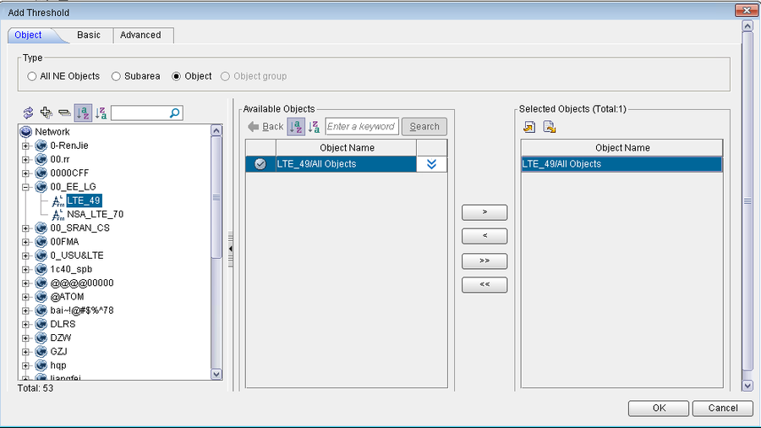

 | Step 3 Add Threshold — Object tab (example LTE_49/All Objects)

STEP 4 | Basic tab — Name, Period, Activation time
 | Example: Name = CAL Fail; Period = 15 minutes; activation 00:00–23:59.
 | Step 4 Add Threshold — Basic tab (Name CAL Fail, Period 15 minutes)
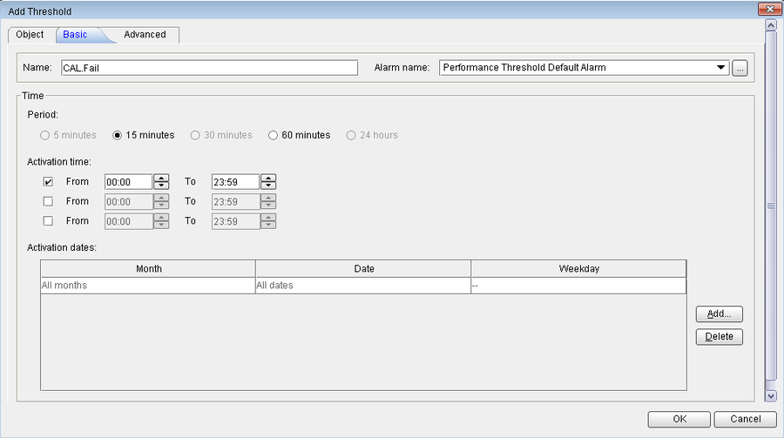

 | Step 4 Add Threshold — Basic tab (Name CAL Fail, Period 15 minutes)

STEP 5 | Advanced tab — counter and formula
 | Alarm is reported if duration ≥ Threshold + Offset. Cleared if duration falls below Threshold − Offset. Direction=Ascending. Function subset=Network / Measurements Related to Algorithm(LTE) / Cell Sector Algorithm Measurement. Counter=L.CellSectorEqpt.UNA.Dur.Cali. Threshold = Period×80% − Offset (example 15×80%−3 = 9). Offset = Period×20% (example 3).
 | Step 5 Add Threshold — Advanced tab (Ascending, L.CellSectorEqpt.UNA.Dur.Cali, Threshold 9, Offset 3)
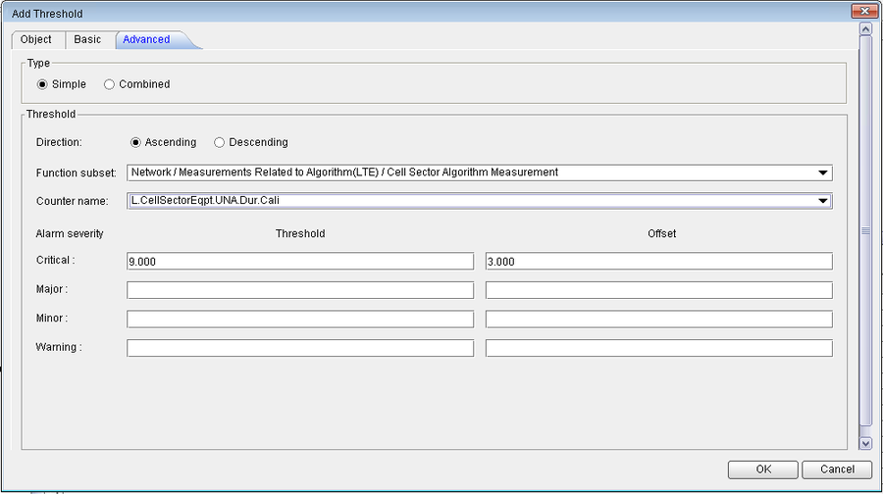

 | Step 5 Add Threshold — Advanced tab (Ascending, L.CellSectorEqpt.UNA.Dur.Cali, Threshold 9, Offset 3)

Channel calibration-related troubleshooting (DSP DMIMOCALIBRATION)
 | D-MIMO Calibration Result | Meaning | Action
 | Succeeded | Calibration OK | None
 | Exception occurred in internal calibration | Intra-RRU channel calibration failed | DSP CELLCALIBRATION to identify faulty RRU; contact Huawei TAC
 | Route search failed | No routing path between RRUs; external interference | Eliminate interference first
 | Reciprocity calibration failed | Route search OK but reciprocity failed thresholds | Collect Calibration Signal CINR and RSSI; contact Huawei TAC

Faults related to activation (DSP DMIMOCLUSTERCELL status ≠ Normal)
 | Status | Check
 | Incorrect configurations or unavailable licenses | (1) D-MIMO switch on (2) RRU count proper (3) cluster configured (4) license activated
 | Limited hardware capacity | Cell set up on UBBPd/UBBPe?
 | Route application failures | Routing bandwidth sufficient?
 | Cell abnormal | DSP CELL
 | Insufficient co-processing resources | Co-processing board vs 4.3.3 Hardware
 | Co-processing resources abnormal | Co-processing board vs 4.3.3 Hardware
 | Channel calibration failures | DSP DMIMOCALIBRATION
 | Cluster ID conflicts | Cluster ID vs 4.3.4 Networking restraints
 | Clusters being established | Wait until setup succeeds

Others
 | When DmimoJTSwitch is selected, consecutive block errors may arise during dual-stream beamforming, even leading to network disconnections. Workarounds: see Beamforming (TDD).

 | Source: Huawei eRAN D-MIMO (TDD) Feature Parameter Description, Issue 01 (2026-03-10). This workbook is a deployment-oriented restatement of that document. Feature gains depend on the live scenario; contact Huawei professional service for cluster planning and optimization.

05 Inter-eNodeB D-MIMO
HUAWEI eRAN | D-MIMO (TDD) Feature Parameter Description | Issue 01 | 2026-03-10
5 Inter-eNodeB D-MIMO (TRIAL)
Source pages 50–56. Feature TDLEOFD-121501. Depends on downlink D-MIMO (chapter 4).
 | TRIAL FEATURE: TRIAL FEATURE. Contact Huawei, sign MoU, understand risk. Not for sale in current version. May be invalidated on upgrade if not licensed when converted to commercial.

5.1 Principles
 | Cells generated by RRUs connected to different BBUs but on the same Cloud BB network form a D-MIMO cluster. Uses inter-eNodeB inter-RRU channel calibration and coherent joint transmission (see chapter 3). This scenario allows inter-BBU RRU networking and requires full frequency synchronization across these BBUs. If RGPS is the clock source of the entire Cloud BB network, the BBU on which the RGPS device is configured is available ONLY for intra-eNodeB D-MIMO, not inter-eNodeB. This restriction does not apply when a GPS clock is the source.
 | Figure 5-1 Networking diagram of inter-eNodeB D-MIMO (master reference clock vs system clock path)
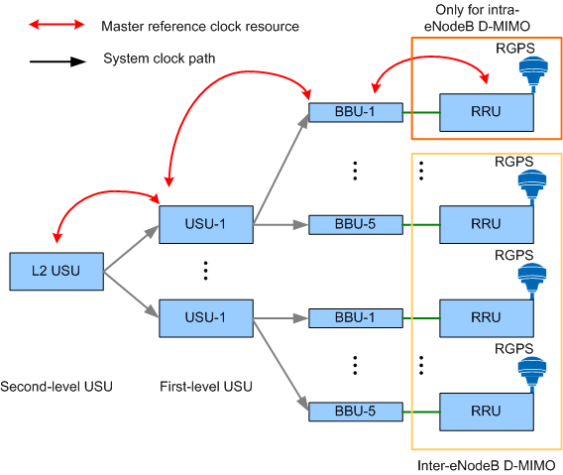

 | Figure 5-1 Networking diagram of inter-eNodeB D-MIMO (master reference clock vs system clock path)

Inter-BBU clock solution
 | 1. BBU 1 connects to the clock reference source (e.g. RGPS), locks it, and shares the clock with the USUs.
 | 2. The USUs provide a system clock source. If two levels of USUs: second-level USU is the root. If one level: first-level USU is the root.
 | 3. Hardware synchronization modules of other BBUs lock to the system clock from step 2.

5.2 Network Analysis
 | Benefits: same as downlink D-MIMO (4.2.1). Impacts: same as 4.2.2 / 5.3.2.3 (none extra).

5.3.1 Licenses
 | Feature ID | Feature Name | Model | Sales Unit
 | TDLEOFD-121501 | Inter-eNodeB DL D-MIMO (Trial) | LT1STDLDMC00 | per eNodeB

5.3.2.1 Prerequisite
 | Function Name | Function Switch | Reference | Description
 | Downlink D-MIMO | DmimoJTSwitch of CellAlgoSwitch.DMIMOAlgoSwitch | D-MIMO (TDD) | Inter-eNodeB DL D-MIMO depends on downlink D-MIMO.

 | Mutually exclusive functions: None. Function impacts: None.

5.3.3 Hardware
 | • 3900 and 5900 series base stations.
 | • BBP and co-processing: same as chapter 4 Boards.
 | • Main control board MUST be UMPTe / UMPTg / UMPTe+UMPTg.
 | • The D-MIMO cluster and co-processing board MUST be configured on the BBU where layer 2 of the SFN cell is configured.
 | • RF modules and cells: same as downlink D-MIMO.

5.3.4 Networking / cluster IDs
 | Requires downlink D-MIMO networking (4.3.4). Extra: if multiple cluster IDs for multiple carriers of the same RRU have the same mod 6 value, D-MIMO Calibration Result = Channel calibration failures in inter-eNodeB scenarios.

5.4.1.1 Data preparation
 | Deploy by: (1) enable downlink D-MIMO (4.4.1.1); (2) set clock parameters for inter-eNodeB services.

Table 5-1 Clock parameters
 | Parameter Name | Parameter ID | Setting Notes
 | Clock Working Mode | TASM.MODE | Must NOT be FREE for top-level USUs. MAY be FREE for lower-level USUs.
 | Locked System Clock Source (1-level USU) | TASM.SYSCLKSRC | LOCAL for first-level USUs. INTER_SYSCLK for the BBU.
 | Locked System Clock Source (2-level USU) | TASM.SYSCLKSRC | LOCAL for second-level USU. INTER_SYSCLK for first-level USUs. INTER_SYSCLK for the BBU.

 | WARNING: Inter-eNodeB D-MIMO is NOT supported when there is a backup for the first-level USU or second-level USU.

5.4.1.2 MML
 | Enable downlink D-MIMO (see 4.4.1.2). Set clock parameters per USU3910-based Multi-BBU Interconnection.

5.4.2 Activation verification
 | Same as 4.4.2. Extra: if DSP DMIMOCALIBRATION shows route search failed, DSP INREC cannot be executed on the secondary BBU to query inter-RRU calibration interference power. Otherwise DSP INREC can be executed on the secondary BBU.

5.4.3 Network monitoring
 | Same as 4.4.3.

5.4.4 Possible issues
 | DSP DMIMOCLUSTERCELL status | Action
 | Clock exceptions | DSP SYSCLKSRC: Locked System Clock Source must be Interconnection System Clock AND ESN of the NE where the locked source is located must be the same for all BBUs and USUs. If not, check clock configurations.
 | Incorrect configurations or unavailable licenses | Check whether the inter-eNodeB link is functional.
 | Other faults | See 4.4.4 Possible Issues.

 | Source: Huawei eRAN D-MIMO (TDD) Feature Parameter Description, Issue 01 (2026-03-10). This workbook is a deployment-oriented restatement of that document. Feature gains depend on the live scenario; contact Huawei professional service for cluster planning and optimization.

06-1 Inter-Cell Principles
HUAWEI eRAN | D-MIMO (TDD) Feature Parameter Description | Issue 01 | 2026-03-10
6 Inter-Cell D-MIMO — Principles and Network Analysis
Source pages 57–61. Feature TDLEOFD-130501.

6.1 Principles
 | Inter-cell D-MIMO enables RRUs with overlapping coverage and corresponding physical cells under the same BBU to form a D-MIMO cluster. There are multiple PCIs within the cluster. Outdoor macro-macro: cluster allows common cells only — not a mix of common and SFN cells. LampSite: compatible with SFN, but each pRRU must serve only one cell.
 | Two types:
 | • Intra-BBP inter-cell D-MIMO: Layers 1 and 2 of the cells share the same BBP (Figure 6-1).
 | • Inter-BBP inter-cell D-MIMO: cells are set up on different BBPs in the same BBU (Figure 6-2).
 | Figure 6-1 Intra-BBP inter-cell D-MIMO (cells on one UBBP, LCOP in slot)
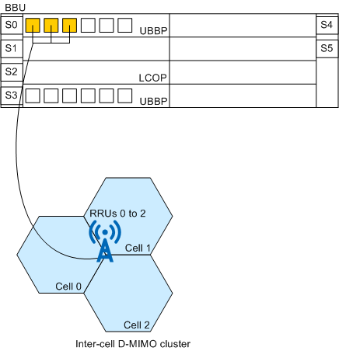

 | Figure 6-1 Intra-BBP inter-cell D-MIMO (cells on one UBBP, LCOP in slot)

 | Figure 6-2 Inter-BBP inter-cell D-MIMO (cells on different UBBPs, same BBU)
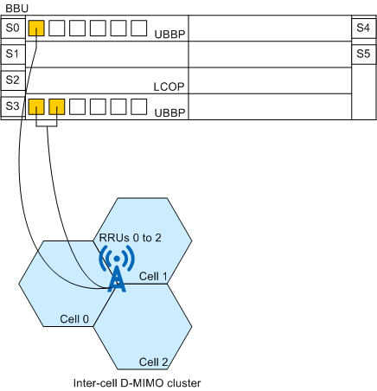

 | Figure 6-2 Inter-BBP inter-cell D-MIMO (cells on different UBBPs, same BBU)

 | To reduce inter-cell interference, PCI mod 3 values need to be aligned for cells in the cluster. If not aligned, CRSs of neighboring cells face data REs of the local cell. Alignment separates CRS and data REs, maximizing JT gains.
 | Figure 6-3 Network reconstruction for PCI mod 3 alignment (staggering vs alignment)
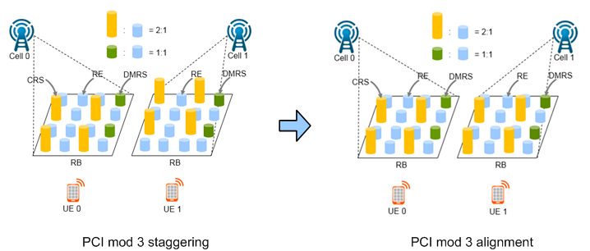

 | Figure 6-3 Network reconstruction for PCI mod 3 alignment (staggering vs alignment)

 | Suitable in outdoor macro-macro and LampSite, especially outdoor hotspots (dense urban, CBD, campus). An inter-cell cluster has resources of multiple logical cells and can serve more UEs than intra-cell D-MIMO.

Related optimization (eRAN TDD 13.1)
 | Coordinated scheduling experience optimization: DL_COORD_SCH_EXP_OPT_SW of CellAlgoSwitch.DlSchExtSwitch. Increases coordinated-scheduling proportion and CEU perceived rate. Recommended when CEU perceived rate is low.

6.2.1 Benefits / most beneficial scenarios
 | • Significant overlap, UE speed < 5 km/h, short ISD (≤ 300 m outdoor; LOS between pRRUs in LampSite).
 | • Macro-macro: more than 20% of intra-frequency coverage within the 6 dB scope overlaps, PRB usage > 10%, proportion of BF UEs in macro cells > 20%.
 | NOT recommended:
 | • High-speed scenarios (D-MIMO depends on beamforming).
 | • Too many UEs (e.g. > 400) — only short-SRS-period UEs can enter BF.
 | • Low coverage overlap rate.
 | Benefits: increases average DL user-perceived rate and DL CEU-perceived rate in typical outdoor macro-macro or LampSite. CEU throughput in full-buffer tests increases if the coordinating cell has remaining PRBs for SU-JT, OR no remaining PRBs but meets MU-JT triggering conditions. Otherwise CEU throughput equals normal.

6.2.2 Impacts
 | • Reported 4-bit CQI: decreases in light-load macro-macro because CRS SINR falls after CRS alignment; increases if dual-stream BF proportion grows (TM8 reports one-stream CQI vs TM3 rank2 two-stream).
 | • Slightly decreases RAR, RRC setup, RRC reestablishment, and handover success rates; slightly increases UE access delay. Average DL VoLTE delay and call connection delay increase by less than 10 ms.
 | • Lab full-buffer + HARQ on PUSCH: MU-JT impact on DL cell throughput can exceed common scheduling. Live networks without full-buffer are not affected this way (3GPP TS36.213 §7.3).

 | Source: Huawei eRAN D-MIMO (TDD) Feature Parameter Description, Issue 01 (2026-03-10). This workbook is a deployment-oriented restatement of that document. Feature gains depend on the live scenario; contact Huawei professional service for cluster planning and optimization.

