1. Overview of MIMO
1. Overview of MIMO (all features together)
Primary source: MIMO (TDD) FPD Ch.3 Overview. Family overviews from Beam / AHR / iBeam / UL Boosting / DAS / Fusion / mmWave FPDs.
1.1 Introduction — why MIMO exists
Extending system bandwidth raises capacity but not spectral efficiency. Raising modulation order helps only while signal quality allows it. MIMO uses multiple antennas at transmitter and receiver to multiply spectral efficiency. NR TDD supports 2T2R / 4T4R / 8T8R / 32T32R / 64T64R. Capability scales with antenna count, so 32T32R/64T64R (massive MIMO cells) is recommended for NR TDD. To use MIMO fully, Huawei combines receive diversity, downlink beamforming, spatial multiplexing (SU-MIMO and MU-MIMO), and (FR2) multi-beam FDM.
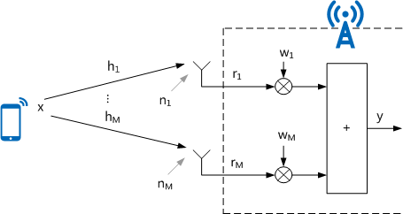

Figure 4-1 Principles of uplink receive diversity (MIMO TDD FPD Ch.4.1.1)
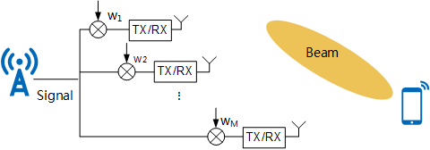

Downlink beamforming weight application (MIMO TDD FPD Ch.4.1.2)
1.2 How MIMO works (building blocks)
• Uplink receive diversity: UE sends x; gNodeB applies weight vector W to M receive antennas and combines y = W(Hx + N). Improves uplink reception (Ch.4.1.1). • Downlink beamforming: gNodeB forms a directional beam toward the UE using PMI-based and/or SRS-based weights (FR1). FR2 uses PMI-based weights only — no SRS-based weights (Ch.2.3 high/low frequency difference). • SU-MIMO spatial multiplexing: multiple layers of one UE. Peak rate theoretically N times single-layer if the UE supports N layers (Ch.5). • MU-MIMO spatial multiplexing: multiple UEs scheduled on the same time-frequency resource with spatial isolation (Ch.6 FR1, Ch.8 FR2). • Massive MIMO multi-layer enhancement: more paired MU layers need stronger interference suppression, scheduling, and weight accuracy (Ch.7, FR1 only). • Multi-beam FDM (FR2): frequency-division of beams to raise spectral efficiency (Ch.9). • Antenna-port matching: physical vs logical polarization of RRU/AAU ports must match or MIMO collapses (Ch.4.3.4). Inter-cell cable sequence detection finds crossed feeders (Ch.10).
1.3 Classification
Dimension | Type | Meaning
Antenna scale | Conventional MIMO (2/4/8T) | Basic Rx diversity + beamforming + limited SU layers.
Antenna scale | Massive MIMO (32T/64T) | Recommended NR TDD. MU pairing, AHR, iBeam, UL boosting apply here.
User multiplexing | SU-MIMO | Layers of one UE. License FOFD-010020 + 2-layer capacity units.
User multiplexing | MU-MIMO | Layers of several UEs on the same PRB. License FOFD-010010.
Frequency | FR1 low-frequency TDD | PMI + SRS weights; AHR/iBeam/UL boosting/DAS/Fusion; cable sequence.
Frequency | FR2 mmWave TDD | PMI weights only; mmWave beam management, 3D coverage, MU-MIMO, multi-beam FDM.
Site architecture | Single-TRP cell | Default. One NRDUCELLTRP per NR DU cell.
Site architecture | Distributed Massive MIMO | Master+slave TRPs (DAS FPD). Indoor LampSite FOFD-050202 or macro FOFD-071211.
Site architecture | Fusion Cell / Virtual 128T | Two 64T TRPs in one cell (FBFD-091101). Cluster INTRA_CELL_MIMO.
Beam family | Broadcast / control / traffic beams | SSB/CSI-RS broadcast, PDCCH control beams, PDSCH traffic weights (Beam Management FPD).

1.4 FR1 vs FR2 (MIMO TDD Ch.2.3)
Function | Low frequency (FR1) | High frequency (FR2) | Workbook step
Basic MIMO weights | PMI-based and SRS-based | PMI-based only | Step1 / Step10
PUSCH beam/time-domain enh. | Supported | Not supported | Step1
SU-MIMO UL UE SINR opt. | Not this FPD’s FR1 item | Supported only in high frequency | Step2 / Step10
Massive MIMO multi-layer | Supported | Not supported | Step4
Multi-beam FDM | Not supported | Supported | Step10
Inter-cell cable sequence | Supported (4T4R) | Not supported | Step11
AHR / iBeam / UL Boosting | FR1 Massive MIMO | Out of those FPDs | Step6–8
3D coverage pattern | FOFD-010100 NR0SBSC3DC00 | FOFD-030201 NR0SMMW3DCP0 | Step5 / Step10

1.5 Enhancement families (what each later FPD adds)
• Beam Management: broadcast-beam coverage (32T/64T vs 2/4/8T), control-beam robustness, then 3D coverage scenarios (including MetaAAU and customized beams). • AHR: adaptive CSI-RS multi-beam + adaptive multi-stream perception (Phase1); Experience Turbo 2.0 (SRS interference coordination + precise AMC); Capacity Upgrade 2.0 (MU pairing / gathering). • iBeam: high-precision beam weights and interference-aware MU scheduling, then 2.0 robust weights / dynamic cluster, then 3.0 self-fusion weights and smart AMC. • Uplink Boosting: reduce PUSCH/PUCCH/SRS interference (Phase1), then 2.0 coordinated power control + precise RB/MCS + multi-beam reception. • DAS: one logical cell, multiple TRPs — coverage fill and UL boost with DmMimoSwitch. • Fusion Cell: virtual 128T by fusing two 64T TRPs; MU-MIMO SINR enhancement and single-TRP SSB options.
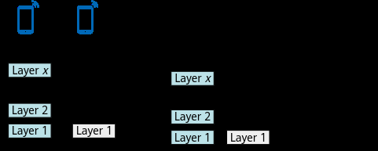

SU-MIMO basics (MIMO TDD FPD Ch.5.1.1)
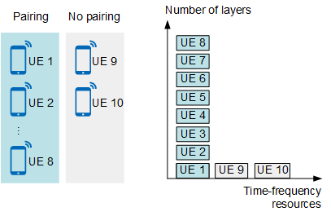

MU-MIMO basics (MIMO TDD FPD Ch.6.1.1)
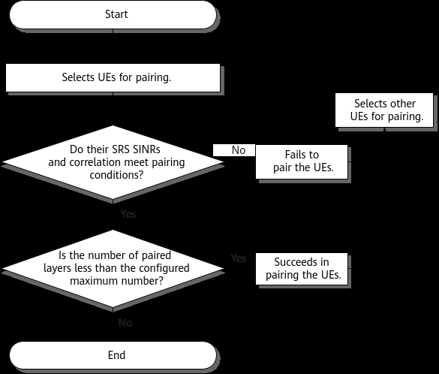

MU-MIMO spatial multiplexing procedure (MIMO TDD FPD Ch.6.1.2)

Performance and Monitoring Counter
Source: Huawei 5G RAN10.1 FPD Counter Changes / Network Impact chapters for this sheet’s feature. Collect on MAE (DU), 15 min, busy hour. Compare trial vs neighbour control.
SN | Counter ID | Counter Name | Function / what it measures | Use on this sheet / CR
1 | N.ThpVol.DL | DL throughput volume | Bytes scheduled on PDSCH (FPD MIMO TDD KPI chapter). | Pair with N.RLC.ThpTime.DL.Cell for User DL Average Throughput.
2 | N.ThpVol.UL | UL throughput volume | Bytes on PUSCH. | Pair with N.RLC.ThpTime.UL.Cell.
3 | N.PRB.DL.Used.Avg / N.PRB.DL.Avail.Avg | DL PRB usage | Load. MIMO gain is largest when PRB is occupied but MCS/rank still headroom. | Trial on loaded 32T, not empty rural cells.
4 | N.PRB.UL.Used.Avg / N.PRB.UL.Avail.Avg | UL PRB usage | UL load sister. | Needed to read UL MU pair-PRB counters.
5 | N.ChMeas.PDSCH.MCS.k | PDSCH MCS histogram | DL MCS distribution (k = MCS index). | Beam/iBeam waves should shift mass toward higher MCS if IBLER holds.
6 | N.ChMeas.PUSCH.MCS.k | PUSCH MCS histogram | UL MCS distribution. | UL Boosting / PUSCH CE SINR-level enhance.
7 | N.ChMeas.MIMO.DL.Pair.PRB | DL MU paired PRBs | How much DL bandwidth is MU-scheduled. | Core MU already ON in DHK; iBeam precise/anti-intrf should raise quality not just count.
8 | N.User.RRCConn.Avg | Average RRC-connected users | Normalise tput and pairing by user count. | Do not compare raw tput of a 20-user cell vs a 200-user cell.

3. Step1 Basic MIMO
Step 1 — Basic functions of MIMO (MIMO TDD Ch.4, FBFD-010003)
First sheet in the mandatory sequence. NR cells are already multi-antenna; this step enables weight / sensing optimizations. No license for basic functions. MML Seq follows Ch.4.4.1.2 (activation then deactivation). Doc uses NrDuCellId=0.
A. Principal (Ch.4.1)

Figure 4-1 Uplink receive diversity y = W(Hx+N)
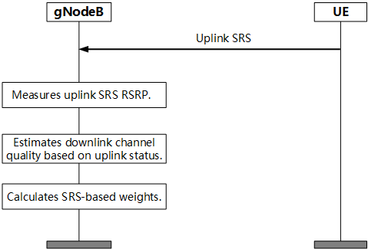

Downlink beamforming (MIMO TDD Ch.4.1.2)
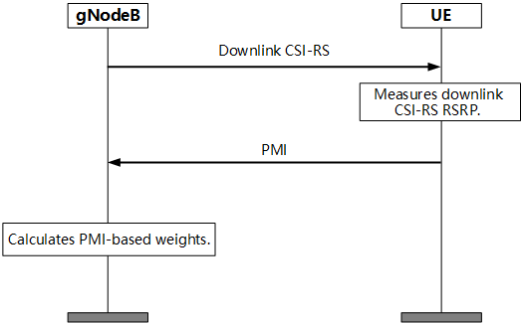

Beamforming weight types (PMI / SRS / open-loop)
• Uplink: combine M receive antennas with weight W to raise uplink SINR. • Downlink: PMI-based weights and/or SRS-based weights (FR1). FR2: PMI only. • MIMO performance enhancements (Ch.4.1.3): UL optimization (SRS SINR meas, UL rank fast decrease, PUSCH CE SINR level) and DL optimization (PMI/SRS adapt, SRS weight validity, MetaAAU beam sensing). • MetaAAU beam sensing: NRDUCellBeamAlgo.BeamPerceiveMode = DISTRIBUTED_MODE is a prerequisite of PMI-based and open-loop weight optimization. • Network impact (Table 4-4): MetaAAU sensing fluctuates UE throughput, PRB, IBLER, MCS, CQI, NI/RSSI; PMI-weight opt increases RRC reconfigurations; open-loop weight opt changes MCS/rank/IBLER and can raise scheduled UE count.
B. Prerequisite / exclusive
SN | Relation | RAT | Feature | Parameter(s) — one row one feature | Required action | Impact / note
1 | Prerequisite | FR1 TDD | MetaAAU beam sensing | NRDUCellBeamAlgo.BeamPerceiveMode=DISTRIBUTED_MODE | Set before PMI/open-loop weight opt | Ch.4.3.2.1
2 | Prerequisite | FR1 TDD | SRS- and PMI-based weight adaptation | NRDUCellAlgoSwitch.AdaptiveEdgeExpEnhSwitch → DL_PMI_SRS_ADAPT_SW | Required before SrsNonASFixedWeightType takes effect | Ch.4.3.2.1
3 | Exclusive | FR1 TDD | High-speed railway superior experience | NRDUCell.HighSpeedFlag=HIGH_SPEED | PUSCH beam-domain enhancement cannot be enabled on 32T/64T | Ch.4.3.2.2
4 | Exclusive | FR1 TDD | Hyper Cell | NRDUCell.NrDuCellNetworkingMode=HYPER_CELL | If Hyper Cell, BeamPerceiveMode must be CENTRALIZED_MODE (not DISTRIBUTED) | Ch.4.3.2.2
5 | Constraint | FR1/FR2 | Hardware | TxRxMode 2T2R/4T4R/8T8R/32T32R/64T64R; port polarization match | Ch.4.3.3–4.3.4 | Wrong polarization → MIMO gain collapse
C. Parameters (Ch.4.4.1.1 — document MML values)
SN | MO Name | Parameter name | Default value | Recommended value | Parameter description | Notes
1 | NRDUCellTrp | TxRxMode | Site-planned | 64T64R (doc example) | Antenna configuration of the TRP. | Doc activation starts with 64T64R.
2 | NRDUCellAlgoSwitch | AdaptiveEdgeExpEnhSwitch / DL_PMI_SRS_ADAPT_SW | See Parameter Reference | 1 | SRS- and PMI-based weight adaptation. | Parent of SrsNonASFixedWeightType.
3 | NRDUCellPdschPrecode | SrsWeightValidityPeriod | See Parameter Reference | MS400 (doc) | How long an SRS weight stays valid. | Related to SRS-based DL precoding.
4 | NRDUCellPdsch | SrsPreSinrJudgeThld | See Parameter Reference | -100 (doc) | SRS pre-SINR judge threshold (dB).
5 | NRDUCellPdsch | DlSchOptTimeThld | See Parameter Reference | 300 (doc) | DL scheduling optimization time threshold. | 0 disables (deactivation MML).
6 | NRDUCellDlSch | DlAdaptSchTimeThld | See Parameter Reference | 30 (doc) | Adaptive DL scheduling time threshold.
7 | GNodeBParam | NrBoardPerformanceSw / CHN_MEASURE_CPU_DEC_SW | See Parameter Reference | 1 | Channel-measurement CPU decrease. | gNodeB-level.
8 | NRDUCellSrs | SrsAlgoSwitch / SRS_SINR_MEAS_OPT_SW | See Parameter Reference | 1 | SRS SINR measurement optimization. | UL enhancement.
9 | NRDUCellUlRank | UlRankAlgoSw / UL_RANK_FAST_DECREASE_SW | See Parameter Reference | 1 | Fast UL rank decrease on poor channel.
10 | NRDUCellPusch | PuschPerformanceSwitch / PUSCH_CE_SINR_LEVEL_ENH_SW | See Parameter Reference | 1 | PUSCH channel-estimation SINR-level enhancement.
11 | NRDUCellPdschPrecode | SrsNonASFixedWeightType | See Parameter Reference | PMI_WEIGHT (doc) | Weight type when SRS is not available. | Needs DL_PMI_SRS_ADAPT_SW.
12 | NRDUCellCsirs | FR1MaxCellCsirsPortNum | See Parameter Reference | 8PORT (doc) | Max CSI-RS ports in the FR1 cell.
13 | NRDUCellBeamAlgo | BeamPerceiveMode | See Parameter Reference | DISTRIBUTED_MODE | MetaAAU beam sensing mode. | CENTRALIZED_MODE if Hyper Cell.
14 | NRDUCellBeamAlgo | WeightAlgoSwitch / SRS_WEIGHT_ESTIMATE_SW | See Parameter Reference | 1 | SRS-based weight estimation for DL large-packet UEs. | Related bits PMI_WEIGHT_OPT_SW, OPEN_LOOP_WEIGHT_OPT_SW.
15 | NRDUCellBeamAlgo | WeightAlgoSwitch / PMI_WEIGHT_OPT_SW | See Parameter Reference | 1 | PMI-based weight optimization. | Needs beam sensing DISTRIBUTED_MODE.
16 | NRDUCellBeamAlgo | WeightAlgoSwitch / OPEN_LOOP_WEIGHT_OPT_SW | See Parameter Reference | 1 | Open-loop weight optimization. | Needs beam sensing DISTRIBUTED_MODE.
D. MML (Ch.4.4.1.2, document sequence)
Seq 1.x = activation in FPD order. Seq 1.D.x = deactivation (document prints them after activation). Replace NrDuCellId=0.
SN | Seq | Mode | RAT | Phase | MML command (verbatim from document) | Remarks
1 | 1.1 | Basic | FR1 TDD | Activation — TRP | MOD NRDUCELLTRP: NrDuCellTrpId=0, NrDuCellId=0, TxRxMode=64T64R; | Ch.4.4.1.2 sample. Use planned TxRxMode.
2 | 1.2 | Basic | FR1 TDD | Activation — PMI/SRS adapt | MOD NRDUCELLALGOSWITCH: NrDuCellId=0, AdaptiveEdgeExpEnhSwitch=DL_PMI_SRS_ADAPT_SW-1; | Prerequisite for SrsNonASFixedWeightType.
3 | 1.3 | Basic | FR1 TDD | Activation — SRS weight validity | MOD NRDUCELLPDSCHPRECODE: NrDuCellId=0,SrsWeightValidityPeriod=MS400;
4 | 1.4 | Basic | FR1 TDD | Activation — SRS pre-SINR | MOD NRDUCELLPDSCH: NrDuCellId=0, SrsPreSinrJudgeThld=-100;
5 | 1.5 | Basic | FR1 TDD | Activation — DL sch time | MOD NRDUCELLPDSCH: NrDuCellId=0, DlSchOptTimeThld=300;
6 | 1.6 | Basic | FR1 TDD | Activation — adapt sch time | MOD NRDUCELLDLSCH: NrDuCellId=0, DlAdaptSchTimeThld=30;
7 | 1.7 | Basic | FR1 TDD | Activation — board CPU | MOD GNODEBPARAM: NrBoardPerformanceSw=CHN_MEASURE_CPU_DEC_SW-1; | gNodeB-level.
8 | 1.8 | Basic | FR1 TDD | Activation — SRS SINR meas | MOD NRDUCELLSRS: NrDuCellId=0, SrsAlgoSwitch=SRS_SINR_MEAS_OPT_SW-1; | UL optimization.
9 | 1.9 | Basic | FR1 TDD | Activation — UL rank | MOD NRDUCELLULRANK: NrDuCellId=0, UlRankAlgoSw=UL_RANK_FAST_DECREASE_SW-1;
10 | 1.10 | Basic | FR1 TDD | Activation — PUSCH CE | MOD NRDUCELLPUSCH: NrDuCellId=0, PuschPerformanceSwitch=PUSCH_CE_SINR_LEVEL_ENH_SW-1;
11 | 1.11 | Basic | FR1 TDD | Activation — non-AS weight | MOD NRDUCELLPDSCHPRECODE: NrDuCellId=0, SrsNonASFixedWeightType=PMI_WEIGHT;
12 | 1.12 | Basic | FR1 TDD | Activation — CSI-RS ports | MOD NRDUCELLCSIRS: NrDuCellId=0, FR1MaxCellCsirsPortNum=8PORT;
13 | 1.13 | Basic | FR1 TDD | Activation — beam sensing | MOD NRDUCELLBEAMALGO: NrDuCellId=0, BeamPerceiveMode=DISTRIBUTED_MODE; | Required before PMI/open-loop weight opt.
14 | 1.14 | Basic | FR1 TDD | Activation — SRS weight estimate | MOD NRDUCELLBEAMALGO: NrDuCellId=0, WeightAlgoSwitch=SRS_WEIGHT_ESTIMATE_SW-1;
15 | 1.15 | Basic | FR1 TDD | Activation — PMI weight opt | MOD NRDUCELLBEAMALGO: NrDuCellId=0, WeightAlgoSwitch=PMI_WEIGHT_OPT_SW-1;
16 | 1.16 | Basic | FR1 TDD | Activation — open-loop weight | MOD NRDUCELLBEAMALGO: NrDuCellId=0, WeightAlgoSwitch=OPEN_LOOP_WEIGHT_OPT_SW-1;
17 | 1.D.1 | Basic | FR1 TDD | Deactivation | MOD NRDUCELLALGOSWITCH: NrDuCellId=0, AdaptiveEdgeExpEnhSwitch=DL_PMI_SRS_ADAPT_SW-0; | Document deactivation sequence.
18 | 1.D.2 | Basic | FR1 TDD | Deactivation | MOD NRDUCELLPDSCH: NrDuCellId=0, DlSchOptTimeThld=0;
19 | 1.D.3 | Basic | FR1 TDD | Deactivation | MOD GNODEBPARAM: NrBoardPerformanceSw=CHN_MEASURE_CPU_DEC_SW-0;
20 | 1.D.4 | Basic | FR1 TDD | Deactivation | MOD NRDUCELLSRS: NrDuCellId=0, SrsAlgoSwitch=SRS_SINR_MEAS_OPT_SW-0;
21 | 1.D.5 | Basic | FR1 TDD | Deactivation | MOD NRDUCELLULRANK: NrDuCellId=0, UlRankAlgoSw=UL_RANK_FAST_DECREASE_SW-0;
22 | 1.D.6 | Basic | FR1 TDD | Deactivation | MOD NRDUCELLPUSCH: NrDuCellId=0, PuschPerformanceSwitch=PUSCH_CE_SINR_LEVEL_ENH_SW-0;
23 | 1.D.7 | Basic | FR1 TDD | Deactivation | MOD NRDUCELLBEAMALGO: NrDuCellId=0, WeightAlgoSwitch=SRS_WEIGHT_ESTIMATE_SW-0;
24 | 1.D.8 | Basic | FR1 TDD | Deactivation | MOD NRDUCELLBEAMALGO: NrDuCellId=0, WeightAlgoSwitch=PMI_WEIGHT_OPT_SW-0;
25 | 1.D.9 | Basic | FR1 TDD | Deactivation | MOD NRDUCELLBEAMALGO: NrDuCellId=0, WeightAlgoSwitch=OPEN_LOOP_WEIGHT_OPT_SW-0;
E. Verification / KPI / licenses
Ch.4.4.2–4.4.3: basic MIMO needs no extra activation verification (cells are multi-antenna by default). Monitor User Uplink Average Throughput (DU) and User Downlink Average Throughput (DU).
SN | KPI | Formula (from document) | Unit | Notes
1 | User UL Average Throughput (DU) | MAE KPI (FPD Ch.4.4.3) | Mbit/s | Baseline before SU/MU
2 | User DL Average Throughput (DU) | MAE KPI (FPD Ch.4.4.3) | Mbit/s | Baseline before SU/MU
SN | RAT | Feature ID | Feature name | Model | Sales unit | When consumed
1 | FR1/FR2 TDD | FBFD-010003 | MIMO Basic Package | — | — | No license requirements for basic functions (Ch.4.3.1)

Performance and Monitoring Counter
Source: Huawei 5G RAN10.1 FPD Counter Changes / Network Impact chapters for this sheet’s feature. Collect on MAE (DU), 15 min, busy hour. Compare trial vs neighbour control.
SN | Counter ID | Counter Name | Function / what it measures | Use on this sheet / CR
1 | N.ThpVol.DL / User DL Average Throughput (DU) | DL user throughput | MIMO TDD Ch.4.4.3 primary KPI after weight algorithms. | Expect rise after SRS_WEIGHT_ESTIMATE on large-packet UEs (CR01 W1).
2 | N.ThpVol.UL / User UL Average Throughput (DU) | UL user throughput | Ch.4.4.3. PUSCH CE / SRS meas opt. | Moves with PUSCH_CE_SINR_LEVEL_ENH and SRS_SINR_MEAS_OPT (CR01).
3 | N.UL.SRS.PreSINR.Index0–5 | SRS PreSINR histogram | Quality of SRS used for DL weights. | Must stay healthy after SRS_WEIGHT_ESTIMATE. Watch N.SRS.NI.Avg.
4 | N.SRS.NI.Avg | SRS noise+interference | SRS collision / IC path. | CR01 does not enable SRS_IC (hold vs iBeam tight MUX). NI should not jump.
5 | N.ChMeas.PDSCH.MCS.k | DL MCS | Beamforming gain appears as MCS upshift. | Compare same PRB load vs control.
6 | N.PDSCH.InitTbDl.Rank1–4 | Initial DL rank mix | Rank used at first TX. Weight quality feeds rank. | Rank2+ share should not collapse.
7 | N.UL.RSSI.Avg | UL RSSI | Receive-diversity / PUSCH CE baseline. | Safety. Sudden RSSI step = RF not MIMO.
8 | N.PRB.DL.Used.Avg | DL PRB usage | Normalise MCS/tput by load. | Same busy hour, trial vs control.

8. Step6 AHR
Step 6 — Massive MIMO AHR (AHR FPD) Phase1 → Turbo 2.0 → Capacity Upgrade 2.0
Mandatory inner sequence: AHR Introduction (AHR_PHASE1_SW) first, then Experience Turbo 2.0, then Capacity Upgrade 2.0. Do not enable Capacity Upgrade without Phase1. Doc uses NrDuCellId=0.
A. Principal
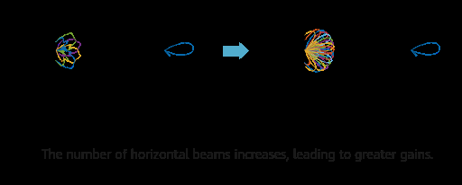

AHR adaptive CSI-RS multi-beam / multi-stream (Ch.4.1)
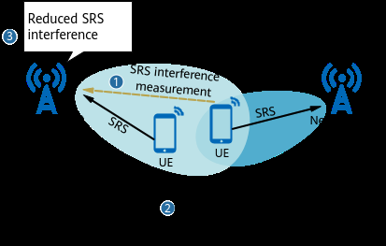

AHR Experience Turbo 2.0 — SRS interference coordination (Ch.5.1.1)
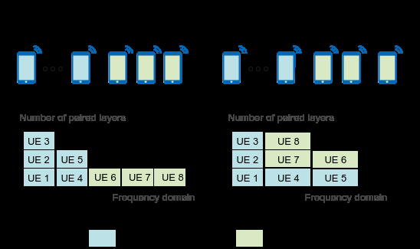

AHR Capacity Upgrade 2.0 (Ch.6)
• Phase1 (FOFD-051301): adaptive CSI-RS multi-beam adjustment + adaptive multi-stream perception. Switch AHR_PHASE1_SW. • Turbo 2.0 (FOFD-061201): SRS interference coordination + precise AMC (optional AI DL SU MCS). Switch AHR_EXP_TURBO_PHASE2_SW. • Capacity Upgrade 2.0 (FOFD-061202): MU pairing/gathering, multi-dimension joint scheduling, MU IR precoding. Switch AHR_CAPC_UPGRADE_PHASE2_SW. • Trigger: corresponding AhrSwitch bit = 1 after licenses and MU-MIMO (for capacity phase). Leave: set the same bit to 0 (do not leave Phase1 ON if you intended to roll back the whole AHR stack).
B. Parameters
SN | MO Name | Parameter name | Default value | Recommended value | Parameter description | Notes
1 | NRDUCellFeatureSw | AhrSwitch / AHR_PHASE1_SW | OFF | 1 | AHR Introduction master. | Seq 6.A first.
2 | NRDUCellCsirs | CsiSwitch / CSIRS_INTRF_STATIC_AVOID_SW | OFF | 1 (doc) | CSI-RS static interference avoid. | Phase1 companion.
3 | NRDUCellCsirs | CsirsCellResourceNum / CsirsBeamType | See Parameter Reference | FD_RESOURCE / TYPE0 (doc) | CSI-RS resource/beam type for AHR. | Phase1 companion.
4 | NRDUCellFeatureSw | AhrSwitch / AHR_EXP_TURBO_PHASE2_SW | OFF | 1 after Phase1 | Experience Turbo 2.0 master. | Seq 6.B.
5 | NRDUCellSrsMeas | SrsIntrfThld | See Parameter Reference | 5 (doc) | SRS interference threshold. | Turbo 2.0.
6 | NRDUCellUlPcConfig | UlPwrCtrlAlgoSwitch / SRS_JOINT_PC_SW | OFF | 1 | SRS joint power control.
7 | NRDUCellFeatureSw | AhrSwitch / AHR_CAPC_UPGRADE_PHASE2_SW | OFF | 1 after Turbo if capacity is the goal | Capacity Upgrade 2.0 master. | Seq 6.C. Needs MU.
8 | NRDUCellAlgoSwitch | MuMimoOptSwith | See Parameter Reference | ON (doc spelling) | MU-MIMO optimization for capacity phase. | Printed MuMimoOptSwith in FPD.
C. MML (Ch.4 then Ch.5 then Ch.6 sequence)
SN | Seq | Mode | RAT | Phase | MML command (verbatim from document) | Remarks
1 | 6.A.1 | AHR P1 | FR1 TDD | Activation — CSI-RS avoid | MOD NRDUCELLCSIRS: NrDuCellId=1, CsiSwitch=CSIRS_INTRF_STATIC_AVOID_SW-1; | Ch.4.4.1.2 (NrDuCellId=1 on this command in FPD).
2 | 6.A.2 | AHR P1 | FR1 TDD | Activation — Phase1 master | MOD NRDUCELLFEATURESW: NrDuCellId=0, AhrSwitch=AHR_PHASE1_SW-1; | Remaining Phase1 commands use NrDuCellId=0.
3 | 6.A.3 | AHR P1 | FR1 TDD | Activation — CSI-RS type | MOD NRDUCELLCSIRS: NrDuCellId=0, CsirsCellResourceNum=FD_RESOURCE, CsirsBeamType=TYPE0;
4 | 6.A.4 | AHR P1 | FR1 TDD | Activation — AMC start | MOD NRDUCELLPDSCH: NrDuCellId=0, FixedAmcStepValue=40, DlInitialMcsAdjValue=0;
5 | 6.A.5 | AHR P1 | FR1 TDD | Activation — exp-based sch | MOD NRDUCELLSERVEXP: NrDuCellId=0, ServiceExpAlgoSwitch=EXP_BASED_MM_ADAPT_SCH_SW-1;
6 | 6.A.6 | AHR P1 | FR1 TDD | Activation — delay buffer | MOD NRDUCELLPDSCH: NrDuCellId=0, DlDelaySchBufferThld=1;
7 | 6.A.7 | AHR P1 | FR1 TDD | Activation — res-based sch | MOD NRDUCELLSERVEXP: NrDuCellId=0, ServiceExpAlgoSwitch=RES_BASED_MM_ADAPT_SCH_SW-1;
8 | 6.A.8 | AHR P1 | FR1 TDD | Activation — sch time | MOD NRDUCELLPDSCH: NrDuCellId=0, DlSchOptTimeThld=300;
9 | 6.A.9 | AHR P1 | FR1 TDD | Activation — adapt sch time | MOD NRDUCELLDLSCH: NrDuCellId=0, DlAdaptSchTimeThld=30;
10 | 6.B.1 | AHR T2 | FR1 TDD | Activation — Turbo 2.0 master | MOD NRDUCELLFEATURESW: NrDuCellId=0, AhrSwitch=AHR_EXP_TURBO_PHASE2_SW-1; | Only after 6.A is green.
11 | 6.B.2 | AHR T2 | FR1 TDD | Activation — SRS IF thld | MOD NRDUCELLSRSMEAS: NrDuCellId=0, SrsIntrfThld=5;
12 | 6.B.3 | AHR T2 | FR1 TDD | Activation — SRS joint PC | MOD NRDUCELLULPCCONFIG: NrDuCellId=0, UlPwrCtrlAlgoSwitch=SRS_JOINT_PC_SW-1;
13 | 6.B.4 | AHR T2 | FR1 TDD | Activation — SRS PC range | MOD NRDUCELLULPCCONFIG: NrDuCellId=0,IntrfUeSrsPcMinSinrTarget=50, MaxSrsPoAdjustAmount=6;
14 | 6.B.5 | AHR T2 | FR1 TDD | Activation — precise AMC set | MOD NRDUCELLPDSCH: NrDuCellId=0, DlPdschAlgoSwitch=TAIL_PKT_SCH_OPT_SW-1; | Also DL_MCS_ADJ_OPT_SW, RANK_AND_SINR_ESTIMATE_OPT_SW, optional DL_SU_MCS_INTEL_OPT_SW.
15 | 6.C.1 | AHR CU | FR1 TDD | Activation — Capacity Upgrade master | MOD NRDUCELLFEATURESW: NrDuCellId=0, AhrSwitch=AHR_CAPC_UPGRADE_PHASE2_SW-1; | Needs MU-MIMO (Step3).
16 | 6.C.2 | AHR CU | FR1 TDD | Activation — MU opt | MOD NRDUCELLALGOSWITCH: NrDuCellId=0, MuMimoOptSwith=ON; | Spelling as in FPD.
17 | 6.C.3 | AHR CU | FR1 TDD | Activation — gather / pre-SINR | MOD NRDUCELLPDSCH: NrDuCellId=0, DlMuGatherOptSw=ON, DlSrsMuMimoPreSinrThld=0;
18 | 6.C.4 | AHR CU | FR1 TDD | Activation — multi-dim sch | MOD NRDUCELLALGOSWITCH: NrDuCellId=0,MuMimoSwitch=PDCCH_MULTI_DIM_JOINT_SCH_SW-1;
19 | 6.C.5 | AHR CU | FR1 TDD | Activation — MU IR precoding | MOD NRDUCELLPDSCHPRECODE: NrDuCellId=0, DlMuIRPrecodePol=MU_ALLUSER_POWER_ENH;
20 | 6.D.1 | AHR | FR1 TDD | Deactivation example | MOD NRDUCELLFEATURESW: NrDuCellId=0, AhrSwitch=AHR_PHASE1_SW-0; | Turn Turbo/Capacity bits 0 first if they were enabled (FPD deactivation lists).
SN | RAT | Feature ID | Feature name | Model | Sales unit | When consumed
1 | FR1 TDD | FOFD-051301 | AHR Introduction | NR0S00AET100 | per Cell | Seq 6.A
2 | FR1 TDD | FOFD-061201 | AHR Experience Turbo 2.0 | NR0S00AET200 | per Cell | Seq 6.B
3 | FR1 TDD | FOFD-061202 | AHR Capacity Upgrade 2.0 | NR0S00ACT200 | per Cell | Seq 6.C

Performance and Monitoring Counter
Source: Huawei 5G RAN10.1 FPD Counter Changes / Network Impact chapters for this sheet’s feature. Collect on MAE (DU), 15 min, busy hour. Compare trial vs neighbour control.
SN | Counter ID | Counter Name | Function / what it measures | Use on this sheet / CR
1 | N.ChMeas.CQI.SingleCW.k | Wideband CQI histogram | AHR Phase1 CSI multi-beam / multi-stream (already ON DHK). | CQI mass should already be commercial-like. CU 2.0 not in CR01.
2 | N.ChMeas.MIMO.DL.Pair.Layer | DL MU pair layers | Capacity Upgrade 2.0 target (still OFF). | CR01 SRS_JOINT_PC is Turbo leftover without SRS_IC.
3 | N.PRB.DL.Used.Avg / N.PRB.DL.DrbUsed.Avg | DL PRB / DRB PRB | AHR FPD load KPIs. | Loaded-hour only.
4 | N.QoS.DL.PktDelayAirInterface.Time / .Num | DL air-interface delay | Turbo / precise AMC experience. | Should not worsen after SRS_JOINT_PC.
5 | N.CCE.Used.Avg / N.CCE.DLDCI.Used.Avg | PDCCH CCE | AHR CU would add multi-dim joint sch (not in CR01). | Baseline.
6 | N.UL.RSSI.Avg | UL RSSI | SRS joint PC changes SRS power. | Watch with N.SRS.NI.Avg.
7 | N.UL.SCH.*.ErrTB.Ibler / .TB | UL IBLER | SRS_JOINT_PC + SRS quality. | CR01 enables joint PC without SRS_IC — NI must stay flat.
8 | User DL Average Throughput (DU) | DL experience KPI | AHR FPD Ch.4–6. | Phase1+Turbo already ON; do not attribute CR01 tput only to AHR.

9. Step7 iBeam
Step 7 — Massive MIMO iBeam (iBeam FPD) iBeam → 2.0 → 3.0
Mandatory inner sequence: HighPrecisionBeamSwitch (iBeam) then HighPrecisionBeamPhase2Sw then HighPrecisionBeamPhase3Sw. Do not enable 3.0 without 1.0. Requires Massive MIMO MU (Step3). Doc NrDuCellId=0.
A. Principal

iBeam interference suppression enhancement (Ch.3.1.1)
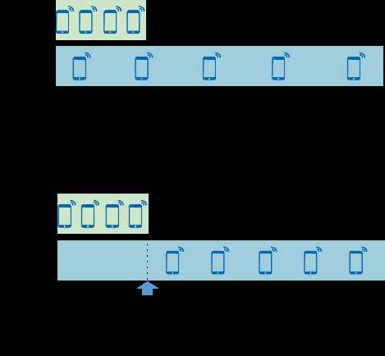

iBeam scheduling enhancement (Ch.3.1.2)
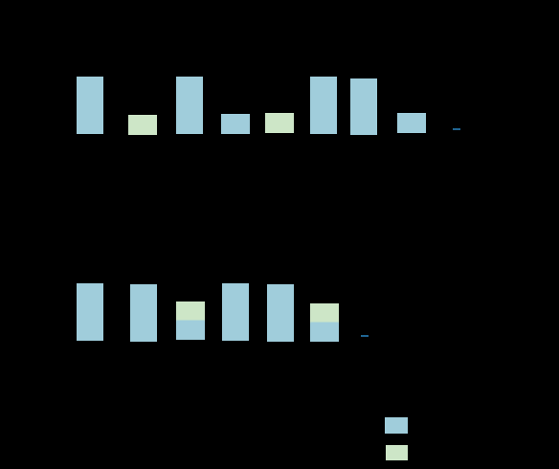

iBeam scheduling / pairing (Ch.3.1.2)
• iBeam 1.0 (FOFD-081201): high-precision beams, SRS blind IS measurement, tight SRS multiplexing, interference-random BWP, precise MU sch. • iBeam 2.0 (FOFD-091200): robust weights (SRS_H_BASED_CALCULATION), dynamic cluster grouping, correlation acceleration, optional inter-cell interference avoid. • iBeam 3.0 (FOFD-100200): self-fusion weights, PDCCH robust weights, smart AMC, small-packet shaping, optional AI DL MU MCS. • Trigger: corresponding HighPrecisionBeam* = ON. Leave: set to OFF (FPD lists companion bits to 0).
B. Parameters (masters)
SN | MO Name | Parameter name | Default value | Recommended value | Parameter description | Notes
1 | NRDUCellFeatureSw | HighPrecisionBeamSwitch | OFF | ON | iBeam 1.0 master. | Seq 7.1
2 | NRDUCellFeatureSw | HighPrecisionBeamPhase2Sw | OFF | ON after 1.0 | iBeam 2.0 master. | Seq 7.2
3 | NRDUCellFeatureSw | HighPrecisionBeamPhase3Sw | OFF | ON after 2.0 | iBeam 3.0 master. | Seq 7.3
4 | NRDUCellPdschPrecode | PrecodingAlgoSwitch / DL_ROBUST_WEIGHT_SW | OFF | 1 (2.0) | Robust weight. | RobustWtPhaseCalcMethod=SRS_H_BASED_CALCULATION
5 | NRDUCellPdschPrecode | PrecodingAlgoSwitch / DL_SELF_FUSION_WEIGHT_SW | OFF | 1 (3.0) | Self-fusion weight. | SelfFusionWtSrsPresinrThld=2, SelfFusionWtRhoThld=80
6 | NRDUCellPdsch | DlMuMimoGroupMode | ISOLATION_CORRELATION in Step3 | DYNAMIC_CLUSTER_GROUP (2.0 doc) | Dynamic MU clustering for iBeam 2.0. | Overrides Step3 grouping while 2.0 is ON.
C. MML (Ch.3.4.1.2 → Ch.4.4.1.2 → Ch.5.4.1.2 sequence)
SN | Seq | Mode | RAT | Phase | MML command (verbatim from document) | Remarks
1 | 7.1.1 | iBeam | FR1 TDD | Activation — 1.0 master | MOD NRDUCELLFEATURESW: NrDuCellId=0, HighPrecisionBeamSwitch=ON; | Ch.3.4.1.2.
2 | 7.1.2 | iBeam | FR1 TDD | Activation — SRS blind IS meas | MOD NRDUCELLSRSMEAS: NrDuCellId=0, SrsMeasOptSwitch=SRS_BLIND_IS_MEAS_SW-1;
3 | 7.1.3 | iBeam | FR1 TDD | Activation — tight SRS mux | MOD NRDUCELLSRS: NrDuCellId=0, SrsAlgoSwitch=SRS_TIGHT_MULTIPLEXING_SW-1;
4 | 7.1.4 | iBeam | FR1 TDD | Activation — BWP IF random | MOD NRDUCELLDLSCH: NrDuCellId=0, DlSchAlgoSwitch=DL_BWP_HYBRID_INTRF_RANDOM_SW-1;
5 | 7.1.5 | iBeam | FR1 TDD | Activation — RLC merge sch | MOD NRDUCELLDLSCH: NrDuCellId=0, DlSchAlgoSwitch=DL_RLC_STAT_RPT_MERGE_SCH_SW-1;
6 | 7.1.6 | iBeam | FR1 TDD | Activation — PDCCH agg compress | MOD NRDUCELLPDCCH: NrDuCellId=0, PdcchAlgoSwitch=PDCCH_AGG_LVL_COMPR_SW-1; | AggLvlComprCceUsageThld=60.
7 | 7.1.7 | iBeam | FR1 TDD | Activation — beam select opt | MOD NRDUCELLBEAMALGO: NrDuCellId=0, ChannelOptAlgoSwitch=BEAM_SELECT_OPT_SW-1;
8 | 7.1.8 | iBeam | FR1 TDD | Activation — precise + anti-IF MU sch | MOD NRDUCELLDLMIMO: NrDuCellId=0, DLMuMimoSchSupplementSw=DL_MU_PRECISE_SCH_SW-1; | Also DL_MU_ANTI_INTRF_SCH_SW-1, TAIL_PKT_MCS_OPT_SW, RES_BASED_DL_ADAPT_SCH_SW.
9 | 7.2.1 | iBeam2 | FR1 TDD | Activation — 2.0 master | MOD NRDUCELLFEATURESW: NrDuCellId=0, HighPrecisionBeamPhase2Sw=ON; | Ch.4.4.1.2. After 7.1 verified.
10 | 7.2.2 | iBeam2 | FR1 TDD | Activation — robust weight | MOD NRDUCELLPDSCHPRECODE: NrDuCellId=0, PrecodingAlgoSwitch=DL_ROBUST_WEIGHT_SW-1; | RobustWtPhaseCalcMethod=SRS_H_BASED_CALCULATION; SrsIntrfThld=3; SrsBlindIsDegree=7.
11 | 7.2.3 | iBeam2 | FR1 TDD | Activation — dynamic cluster | MOD NRDUCELLPDSCH: NrDuCellId=0, DlMuMimoGroupMode=DYNAMIC_CLUSTER_GROUP; | MuMimoIblerTarget=15; PRECISE_MUMIMO_EVAL / FAR_UE_RANK_OPT / DL_CORR_ACCELERATION.
12 | 7.2.4 | iBeam2 | FR1 TDD | Activation — optional inter-cell IF avoid | MOD NRDUCELLCOLLABSERV: NrDuCellId=0, MultiCellMimoSwitch=INTER_CELL_INTRF_AVOID_SW-1; | Needs cluster/collab ready.
13 | 7.3.1 | iBeam3 | FR1 TDD | Activation — 3.0 master | MOD NRDUCELLFEATURESW: NrDuCellId=0, HighPrecisionBeamPhase3Sw=ON; | Ch.5.4.1.2.
14 | 7.3.2 | iBeam3 | FR1 TDD | Activation — self-fusion weight | MOD NRDUCELLPDSCHPRECODE: NrDuCellId=0, PrecodingAlgoSwitch=DL_SELF_FUSION_WEIGHT_SW-1; | SelfFusionWtSrsPresinrThld=2, SelfFusionWtRhoThld=80.
15 | 7.3.3 | iBeam3 | FR1 TDD | Activation — PDCCH robust wt | MOD NRDUCELLPDCCH: NrDuCellId=0, PdcchAlgoSwitch=PDCCH_ROBUST_WEIGHT_SW-1; | PdcchRobWtSrsPresinrThId=-13, PdcchRobWtBFGainCoeff=6.
16 | 7.3.4 | iBeam3 | FR1 TDD | Activation — smart AMC | MOD NRDUCELLDLMIMO: NrDuCellId=0, DLMuMimoSchSupplementSw=DL_SMART_AMC_SW-1; | ROBUST_RANK_SW; optional DL_MU_MCS_INTEL_OPT_SW.
17 | 7.D.1 | iBeam | FR1 TDD | Deactivation — 1.0 master | MOD NRDUCELLFEATURESW: NrDuCellId=0, HighPrecisionBeamSwitch=OFF; | Turn Phase3 then Phase2 then 1.0 companion bits 0 as in FPD.
SN | RAT | Feature ID | Feature name | Model | Sales unit | When consumed
1 | FR1 TDD | FOFD-081201 | iBeam | NR0S00BEAM00 | per Cell | Seq 7.1
2 | FR1 TDD | FOFD-091200 | iBeam 2.0 | NR0S0DLEHR00 | per Cell | Seq 7.2
3 | FR1 TDD | FOFD-100200 | iBeam 3.0 | NR0S00BEAM30 | per Cell | Seq 7.3

Performance and Monitoring Counter
Source: Huawei 5G RAN10.1 FPD Counter Changes / Network Impact chapters for this sheet’s feature. Collect on MAE (DU), 15 min, busy hour. Compare trial vs neighbour control.
SN | Counter ID | Counter Name | Function / what it measures | Use on this sheet / CR
1 | N.CCE.DL.AllocReq.Num | DL CCE allocation requests | iBeam FPD. PDCCH demand. | PDCCH_AGG_LVL_COMPR (CR01) should serve same traffic with fewer CCE.
2 | N.CCE.DL.AggLvl1Num … AggLvl16Num | DL PDCCH aggregation-level mix | Compress high agg-levels when channel allows. | Agg16/8 share should fall if RF is healthy; if it rises, channel got worse.
3 | N.CCE.Avail.Equivalent / N.CCE.Used.Avg | Equivalent CCE availability vs used | Blocking proxy. | Blocking up = rollback iBeam PDCCH bits.
4 | N.ChMeas.MIMO.DL.Pair.Layer.Avg / Pair.PRB | DL MU pairing under iBeam | DL_MU_PRECISE_SCH + DL_MU_ANTI_INTRF_SCH (CR01). | Pairing quality KPI of iBeam 1.0.
5 | N.DL.SCH.256QAM.ErrTB.Ibler / .Rbler / .TB | High-MCS DL BLER | Interference-aware sch + tail-pkt MCS opt (CR01). | TAIL_PKT_MCS_OPT targets tail users — watch low-MCS IBLER too.
6 | N.UL.SRS.PreSINR.Index* / N.SRS.NI.Avg | SRS PreSINR / SRS NI | SRS_TIGHT_MULTIPLEXING + SRS_BLIND_IS_MEAS (CR01). | Do not add SRS_IC the same night (sheet 14 rule; CR01 already omits IC).
7 | N.ThpVol.DL / N.Thp.DL.Samp.Indexk | DL tput + sample bins | iBeam FPD primary benefit. | Main success criterion of CR01 on the 10 sites.
8 | N.QoS.DL.PktDelayAirInterface.* / N.Traffic.DL.RlcFirstPktDelay.Time | DL latency / first-packet delay | RES_BASED_DL_ADAPT_SCH + RLC status merge (CR01). | Tail experience. Should not rise.

10. Step8 UL Boosting
Step 8 — Massive MIMO Uplink Boosting (UL Boosting FPD) Phase1 → 2.0
Inner sequence: UL_LOW_NOISE_SW (FOFD-091201) then UL_LOW_NOISE_PHASE2_SW (FOFD-100201). Phase1 reduces PUSCH/PUCCH/SRS interference; 2.0 adds coordinated PC, precise RB/MCS, multi-beam RX.
A. Principal

UL Boosting — MU pairing optimization (Ch.4.1.1.1)
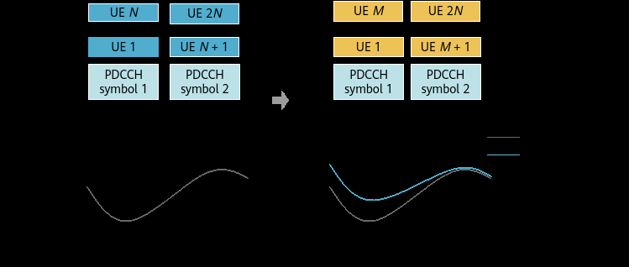

UL scheduling optimization (Ch.4.1.1.2)
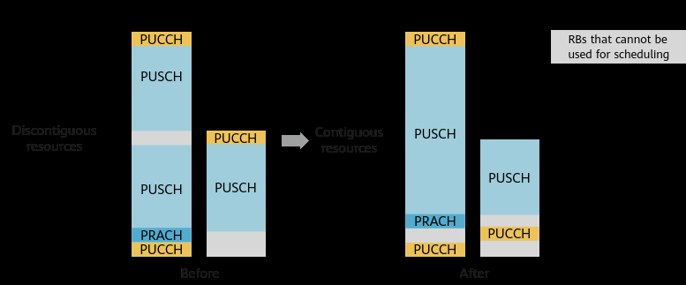

Control-channel interference reduction (Ch.4.1.2)

Uplink Boosting 2.0 — PUSCH coordinated power control (Ch.5.1.1)
• Phase1: MU pairing opt (UL_MU_GRP_PAIR_SW, DIFF_WAVEFORM_PAIR_SW, UL_CORR_ACCELERATION_SW), PUSCH resource adapt, OLLA, PDCCH symbol smart alloc, PUCCH/CSI period opt, IRC-based PDP detect. • Phase2: PUSCH_COORD_PWR_CTRL_SW + INTRF_SC_LINK_PERF_PC_SW, UL retrans precise RB, precise MCS (optional AI), adapt-aware / experience scheduling, multi-beam RX, precise freq-offset and channel estimation. • Trigger: MimoFeatureSwitch bits. Leave: set to 0. Phase2 coordinated PC needs inter-gNB time sync — FPD mentions DSP CLKTST.
B. Parameters (masters)
SN | MO Name | Parameter name | Default value | Recommended value | Parameter description | Notes
1 | NRDUCellFeatureSw | MimoFeatureSwitch / UL_LOW_NOISE_SW | OFF | 1 | Uplink Boosting 1.0 master. | Seq 8.1
2 | NRDUCellFeatureSw | MimoFeatureSwitch / UL_LOW_NOISE_PHASE2_SW | OFF | 1 after 1.0 | Uplink Boosting 2.0 master. | Seq 8.2
3 | NRDUCellUlMimo | UlMuMimoAlgoSwitch / UL_MU_GRP_PAIR_SW | OFF | 1 | UL MU group pairing optimization. | Phase1
4 | NRDUCellUlPcConfig | UlPwrCtrlAlgoExtSwitch / PUSCH_COORD_PWR_CTRL_SW | OFF | 1 (2.0) | Multi-cell PUSCH coordinated PC. | Needs sync. UlCpcUeSsbRsrpThld=-120 on NRCELLMEASCONFIG.
5 | NRDUCellPusch | SinrThldforWaveformSel | See Parameter Reference | 32 (doc) | Waveform selection SINR threshold. | Phase1
C. MML (Ch.4.4.1.2 then Ch.5.4.1.2 sequence)
SN | Seq | Mode | RAT | Phase | MML command (verbatim from document) | Remarks
1 | 8.1.1 | ULB1 | FR1 TDD | Activation — Phase1 master | MOD NRDUCELLFEATURESW: NrDuCellId=0, MimoFeatureSwitch=UL_LOW_NOISE_SW-1; | Ch.4.4.1.2.
2 | 8.1.2 | ULB1 | FR1 TDD | Activation — UL MU group pair | MOD NRDUCELLULMIMO: NrDuCellId=0, UlMuMimoAlgoSwitch=UL_MU_GRP_PAIR_SW-1; | Also DIFF_WAVEFORM_PAIR_SW-1, UL_CORR_ACCELERATION_SW-1.
3 | 8.1.3 | ULB1 | FR1 TDD | Activation — PUSCH res adapt | MOD NRDUCELLPUSCH: NrDuCellId=0, PuschAlgoExtSwitch=PUSCH_RES_ADAPT_ALLOC_SW-1; | UlPreallocationSwitch=UL_PREALLOCATION_PERIOD_ADJ_SW-1; PKT_LEN_BASED_SCH_OPT_SW-1.
4 | 8.1.4 | ULB1 | FR1 TDD | Activation — UL AMC | MOD NRDUCELLULAMC: NrDuCellId=0, UlAmcAlgoSw=UL_CELL_OLLA_SW-1; | SMALL_PKT_OL_ADAPT_ADJ_SW; SR_BASED_SCH_MCS_OPT_SW.
5 | 8.1.5 | ULB1 | FR1 TDD | Activation — waveform SINR | MOD NRDUCELLPUSCH: NrDuCellId=0, SinrThldforWaveformSel=32;
6 | 8.1.6 | ULB1 | FR1 TDD | Activation — PDCCH symbols | MOD NRDUCELLPDCCH: NrDuCellId=0, PdcchAlgoEnhSwitch=PDCCH_SYM_SMART_ALLOC_SW-1; | CCE_SYMBOL_ALLOC_OPT_SW; PDCCH_BLIND_DET_ASSIGN_OPT_SW.
7 | 8.1.7 | ULB1 | FR1 TDD | Activation — PUCCH/CSI BWP2 | MOD NRDUCELLPUCCH: NrDuCellId=0, CsiResoureAlgoSwitch=BWP2_CSI_PERIOD_OPT_SWITCH-1; | BWP2_PUCCH_POS_OPT_SW; F1_ACK_CODE_CHN_INTRF_OPT_SW; IRC_BASED_PDP_DETECT_SW.
8 | 8.2.1 | ULB2 | FR1 TDD | Activation — Phase2 master | MOD NRDUCELLFEATURESW: NrDuCellId=0, MimoFeatureSwitch=UL_LOW_NOISE_PHASE2_SW-1; | Ch.5.4.1.2. After 8.1.
9 | 8.2.2 | ULB2 | FR1 TDD | Activation — coordinated PC | MOD NRDUCELLULPCCONFIG: NrDuCellId=0, UlPwrCtrlAlgoExtSwitch=PUSCH_COORD_PWR_CTRL_SW-1; | MOD NRCELLMEASCONFIG: NrCellId=0, UlCpcUeSsbRsrpThld=-120; UlCpcUeSrsRsrpThld=-98, UlCpcUeIntrfRsrpThld=-110.
10 | 8.2.3 | ULB2 | FR1 TDD | Activation — link-perf PC | MOD NRDUCELLULPCCONFIG: NrDuCellId=0, UlPwrCtrlAlgoExtSwitch=INTRF_SC_LINK_PERF_PC_SW-1;
11 | 8.2.4 | ULB2 | FR1 TDD | Activation — precise retrans RB | MOD NRDUCELLPUSCH: NrDuCellId=0, PuschAlgoExtSwitch=UL_RETRANS_PREC_RB_CTRL_SW-1; | UlFirstRetransMinRbPct=20.
12 | 8.2.5 | ULB2 | FR1 TDD | Activation — precise MCS / aware sch | MOD NRDUCELLAIALGO: NrDuCellId=0, AiAmcAlgoSwitch=UL_PRECISE_MCS_OPT_SW-1; | ADAPT_AWARE_SCH_SW; UL_EXP_SCH_OPT_SW; UL_MU_PBMCSSEL_SW.
13 | 8.2.6 | ULB2 | FR1 TDD | Activation — multi-beam RX + CE | MOD NRDUCELLPUSCH: NrDuCellId=0, PuschAlgoExtSwitch=MULTI_BEAM_RX_ENH_SW-1; | INTRF_PREC_FREQ_OFS_EST_SW; PREC_CHANNEL_EST_SW.
14 | 8.V | Verify | FR1 TDD | Sync check for Phase2 PC | DSP CLKTST | FPD: view clock/sync monitoring before coordinated PC.
15 | 8.D.1 | ULB | FR1 TDD | Deactivation — Phase1 master | MOD NRDUCELLFEATURESW: NrDuCellId=0, MimoFeatureSwitch=UL_LOW_NOISE_SW-0; | Turn PHASE2_SW-0 first if enabled.
SN | RAT | Feature ID | Feature name | Model | Sales unit | When consumed
1 | FR1 TDD | FOFD-091201 | Uplink Boosting | NR0S00UAHR00 | per Cell | Seq 8.1
2 | FR1 TDD | FOFD-100201 | Uplink Boosting 2.0 | NR0S00UPBT20 | per Cell | Seq 8.2

Performance and Monitoring Counter
Source: Huawei 5G RAN10.1 FPD Counter Changes / Network Impact chapters for this sheet’s feature. Collect on MAE (DU), 15 min, busy hour. Compare trial vs neighbour control.
SN | Counter ID | Counter Name | Function / what it measures | Use on this sheet / CR
1 | User UL Average Throughput (DU) | UL user tput | UL Boosting FPD primary KPI. UL_LOW_NOISE_SW (CR01). | Busy hour vs control. Secondary for DL but feeds SRS→DL weights.
2 | N.ChMeas.MIMO.UL.Pair.Layer / Pair.PRB | UL MU pairing | UL_MU_GRP_PAIR + DIFF_WAVEFORM_PAIR + UL_CORR_ACCELERATION (CR01). | Pairing up must not explode UL IBLER.
3 | N.ChMeas.PUSCH.MCS.k | PUSCH MCS histogram | PUSCH_CE_SINR_LEVEL_ENH (CR01, Step1 leftover on same CR). | MCS upshift with stable UL IBLER = success.
4 | N.UL.SCH.*.ErrTB.Ibler / .Rbler / .TB | UL IBLER / RBLER | Interference reduction claim of Phase1. | Gate for UL_LOW_NOISE. Rollback master if IBLER jumps.
5 | N.PUSCH.TbUl.Rank1 / Rank2 | UL TB rank mix | With UL_RANK_FAST_DECREASE. | Rank2 share may fall slightly; tput should still rise via MCS/IBLER.
6 | N.CCE.UL.AggLvl* / N.CCE.ULDCI.Used.Avg | UL DCI / UL CCE | PDCCH symbol/CCE helpers in the FPD child set. | CR01 does not send those PDCCH UL children — only agg-compress + UL boosting master.
7 | N.UL.RSSI.Avg | UL RSSI | Low-noise path. | Step change without traffic change = RF/PC issue.
8 | N.PRB.PUSCH.Used.Avg | PUSCH PRB used | UL resource efficiency. | Read with UL tput.

11. Step9 DAS+Fusion Cell
Step 9 — Distributed Antenna Solutions then Fusion Cell (site architecture, after air-interface MIMO is green)
Sequence: DAS (multi-TRP one cell) and Fusion Cell (Virtual 128T) are site-architecture steps — run after Steps 1–3 (and typically 5). Do not mix blindly: Fusion Cell uses two 64T TRPs + GNBCLUSTER INTRA_CELL_MIMO. DAS uses master+slave TRP and DmMimoSwitch.
A. Distributed Massive MIMO (DAS FPD Ch.4)
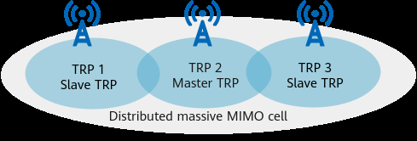

Distributed Massive MIMO — TRP layout (DAS FPD)
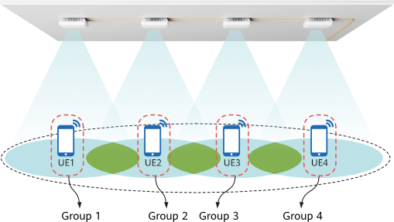

Distributed MIMO service / TRP selection (DAS FPD)
• One NR DU cell, multiple TRPs (master TxRxMode e.g. 4T4R, slave TrpType=SLAVE, NrDuCellId=65535 in the doc sample). • LampSite feature FOFD-050202 (NR0SDMMIMO00); macro FOFD-071211 (NR0S00VMMM00). Also layer-capacity licenses. • Master switch: DmMimoSwitch = DM_MIMO_SERVICE_SWITCH. Optional PDCCH TRP trans, TRP-select weight, UL beam boost, PDCCH beam opt. • Deactivation: DEA NRCELL then DmMimoSwitch service bit 0.
SN | MO Name | Parameter name | Default value | Recommended value | Parameter description | Notes
1 | NRDUCellTrp | TxRxMode / TrpType | Site | Master 4T4R; slave TrpType=SLAVE (doc) | TRP roles. | Slave NrDuCellId=65535 in sample.
2 | NRDUCellAlgoSwitch | DmMimoSwitch / DM_MIMO_SERVICE_SWITCH | OFF | 1 | Distributed MIMO service master.
3 | NRDUCellAlgoSwitch | DmMimoSwitch / DM_MIMO_PDCCH_TRP_TRANS_SW | OFF | 1 optional | PDCCH TRP transmission. | Same parent DmMimoSwitch.
4 | NRDUCellAlgoSwitch | DmMimoSwitch / DM_MIMO_TRP_SEL_WEIGHT_SW | OFF | 1 optional | TRP selection weights. | Same parent DmMimoSwitch.
SN | Seq | Mode | RAT | Phase | MML command (verbatim from document) | Remarks
1 | 9.D.1 | DAS | FR1 TDD | Activation — master TRP | MOD NRDUCELLTRP: NrDuCellTrpId=1, NrDuCellId=0, TxRxMode=4T4R; | Ch.4.4.1.2. Complete coverage MO as planned.
2 | 9.D.2 | DAS | FR1 TDD | Activation — slave TRP | MOD NRDUCELLTRP: NrDuCellTrpId=2, NrDuCellId=65535, TxRxMode=4T4R, TrpType=SLAVE; | Doc sample.
3 | 9.D.3 | DAS | FR1 TDD | Activation — service switch | MOD NRDUCELLALGOSWITCH: NrDuCellId=0, DmMimoSwitch=DM_MIMO_SERVICE_SWITCH-1;
4 | 9.D.4 | DAS | FR1 TDD | Activation — optional PDCCH TRP | MOD NRDUCELLALGOSWITCH: NrDuCellId=0, DmMimoSwitch=DM_MIMO_PDCCH_TRP_TRANS_SW-1; | Also DM_MIMO_TRP_SEL_WEIGHT_SW-1.
5 | 9.D.V | DAS | FR1 TDD | Verification | DSP NRDUCELL / DSP NRDUCELLTRP | Check distributed MIMO status and TRP state.
6 | 9.D.D1 | DAS | FR1 TDD | Deactivation | DEA NRCELL: NrCellId=0; | Then DM_MIMO_SERVICE_SWITCH-0 (and companion bits 0).
B. Fusion Cell / Virtual 128T (Fusion Cell FPD Ch.4, FBFD-091101)
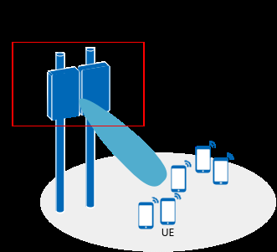

Fusion Cell overview (two TRPs, one cell)

Fusion Cell enhancements
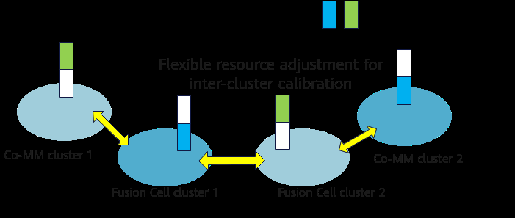

Fusion Cell MU-MIMO SINR enhancement
• Fuse two 64T TRPs into one cell (virtual 128T). Sample uses NrCellId/NrDuCellId/ClusterId=90, MCC/MNC 302/220, gNodeBId=1. • ClusterType=INTRA_CELL_MIMO. License consumption is by TRP count (two TRPs → two units). • Enhancements: FusionCellAlgoSwitch MUMIMO_SINR_ENH_SW, SINGLE_TRP_SSB_TRANS_SW; GNODEBALGO ChnCalibPolSw=FUSION_CALIB_INTRF_AVOID_SW. • Service-affecting: ADD cell/TRP/cluster then ACT NRCELL. Rollback: DEA, RMV coverage/TRP/cluster, set NrDuCellNetworkingMode=NORMAL_CELL.
SN | Seq | Mode | RAT | Phase | MML command (verbatim from document) | Remarks
1 | 9.F.1 | Fusion | FR1 TDD | Activation — NR cell | ADD NRCELL: NrCellId=90, CellName="90", CellId=90, FrequencyBand=N78, DuplexMode=CELL_TDD; | Ch.4.4.1.2 sample IDs — replace. Command continues with site RF params in FPD.
2 | 9.F.2 | Fusion | FR1 TDD | Activation — NR DU cell | ADD NRDUCELL: NrDuCellId=90, NrDuCellName="90", DuplexMode=CELL_TDD, CellId=90;
3 | 9.F.3 | Fusion | FR1 TDD | Activation — TRP 90 | ADD NRDUCELLTRP: NrDuCellTrpId=90, TrpType=DEFAULT, NrDuCellId=90, TxRxMode=64T64R; | Then ADD NRDUCELLCOVERAGE: NrDuCellTrpId=90, NrDuCellCoverageId=90, SectorEqmId=90;
4 | 9.F.4 | Fusion | FR1 TDD | Activation — TRP 91 | ADD NRDUCELLTRP: NrDuCellTrpId=91, TrpType=DEFAULT, NrDuCellId=90, TxRxMode=64T64R; | Then coverage 91.
5 | 9.F.5 | Fusion | FR1 TDD | Activation — cluster | ADD GNBCLUSTER: ClusterId=90, ClusterType=INTRA_CELL_MIMO;
6 | 9.F.6 | Fusion | FR1 TDD | Activation — cluster cell | ADD GNBMIMOCLUSTERCELL: ClusterId=90, Mcc="302", Mnc="220", gNodeBId=1, CellId=90; | Replace PLMN/gNodeBId.
7 | 9.F.7 | Fusion | FR1 TDD | Activation — cell on | ACT NRCELL: NrCellId=90;
8 | 9.F.8 | Fusion | FR1 TDD | Activation — MU SINR enh | MOD NRDUCELLMULTITRP: NrDuCellId=90, FusionCellAlgoSwitch=MUMIMO_SINR_ENH_SW-1;
9 | 9.F.9 | Fusion | FR1 TDD | Activation — calib IF avoid | MOD GNODEBALGO: ChnCalibPolSw=FUSION_CALIB_INTRF_AVOID_SW-1;
10 | 9.F.10 | Fusion | FR1 TDD | Activation — single-TRP SSB | MOD NRDUCELLMULTITRP: NrDuCellId=90, FusionCellAlgoSwitch=SINGLE_TRP_SSB_TRANS_SW-1; | Optional enhancement.
11 | 9.F.V | Fusion | FR1 TDD | Verification | DSP NRDUCELL / DSP NRDUCELLTRP / DSP NRCELLCFGCHK / DSP GNBMIMOCLUSTERCELL | Check DU cell state, TRP, cfg check, OTA calibration.
12 | 9.F.D1 | Fusion | FR1 TDD | Deactivation — cell off | DEA NRCELL: NrCellId=90; | Then RMV coverage 91, RMV TRP 91, RMV cluster cell, RMV cluster, MOD NRDUCELL NetworkingMode=NORMAL_CELL.
SN | RAT | Feature ID | Feature name | Model | Sales unit | When consumed
1 | FR1 LampSite | FOFD-050202 | Distributed Massive MIMO | NR0SDMMIMO00 | see FPD | Indoor DAS
2 | FR1 macro | FOFD-071211 | Distributed Massive MIMO (NR TDD) | NR0S00VMMM00 | see FPD | Macro DAS
3 | FR1 TDD | FBFD-091101 | Virtual 128T / Fusion Cell | capacity by TRP count | per TRP | Two 64T TRPs → two units (FPD)

Performance and Monitoring Counter
DAS/Fusion not deployed. Do not enable those MOs to ‘make counters appear’.
SN | Counter ID | Counter Name | Function / what it measures | Use on this sheet / CR
1 | N.ThpVol.DL / N.ThpTime.DL.RmvLastSlot | DL tput (DAS FPD) | Distributed Massive MIMO coverage-fill KPI. | N/A on this n41 single-TRP 32T cluster — do not enable DM_MIMO.
2 | N.ThpVol.DL.LastSlot | Last-slot DL volume | DAS FPD counter set. | Keep OFF. Listed so DAS trials have a pack later.
3 | N.ChMeas.MIMO.DL.Pair.PRB | DL MU PRB (Fusion Cell FPD) | Virtual 128T MU. | gNBCluster INTRA_CELL_MIMO not deployed.
4 | N.UL.NI.Avg.PRB0 / PRB272 | UL NI per PRB | Fusion Cell FPD. Multi-TRP NI. | Use only if Fusion is introduced.
5 | N.UL.PUSCH.RSRP.Index* / SINR.Index* / RSSI.Index* | PUSCH RSRP/SINR/RSSI bins | Fusion Cell UL quality. | N/A now.
6 | N.PRB.DL.Used.Avg | DL PRB usage | Load after combining TRPs. | N/A now.
7 | N.PowerSaving.SymbolShutdown.Dur | Symbol shutdown duration | Do not mix Fusion trial with aggressive symbol shutdown. | Keep as exclusion check.
8 | User DL Average Throughput (DU) | User DL tput | Architecture KPI if DAS/Fusion is ever built. | Skip on CR01 sites.

12. Step10 mmWave
Step 10 — mmWave (FR2) beam management + MU-MIMO + multi-beam FDM
Parallel track to FR1 Steps 1–9 — not a substitute. Sequence on FR2: basic mmWave beams → 3D coverage / dense beam / TA / dynamic beam → mmWave MU-MIMO → multi-beam FDM. Cell deactivate/activate is required around NRDUCELLTRPMMWAVBEAM changes (doc DEA/ACT NrCellId=0..3).
A. Principal
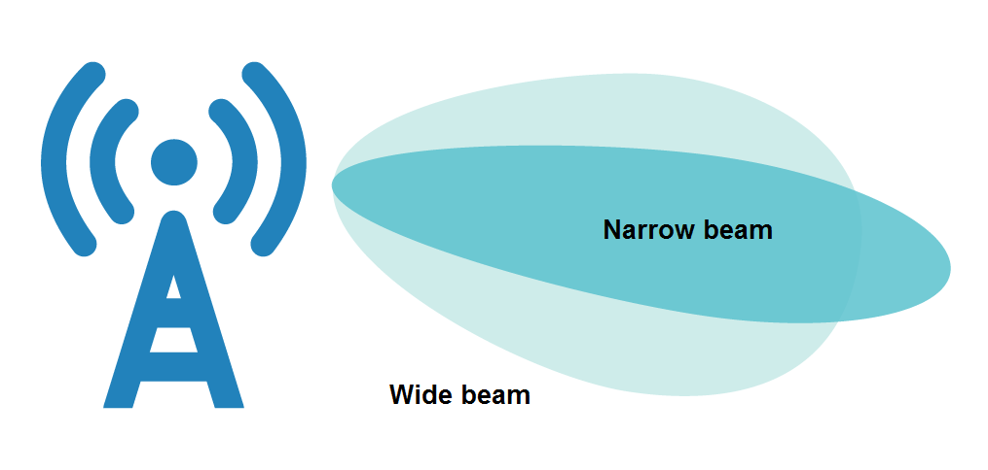

mmWave beam management overview (mmWave FPD Ch.3)
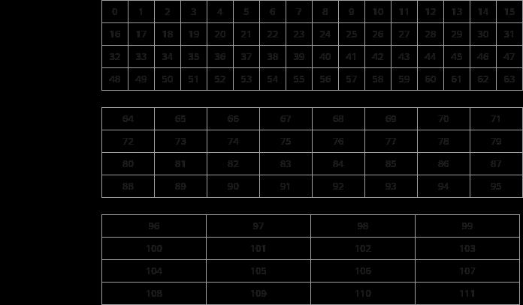

mmWave 3D coverage pattern (Ch.5)
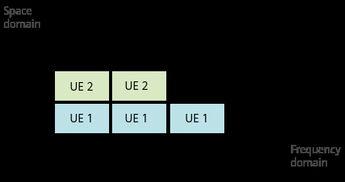

mmWave MU-MIMO basics (MIMO TDD Ch.8)
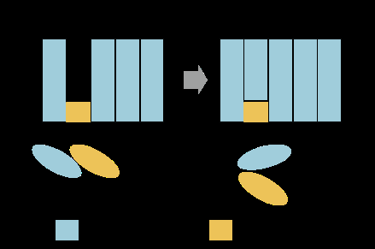

Multi-beam FDM (MIMO TDD Ch.9)
• FR2 uses PMI-based weights only (no SRS-based DL weights). • Basic beams: CoverageScenario=DEFAULT, Tilt=255 on NRDUCELLTRPMMWAVBEAM (FBFD-010015). • 3D coverage FOFD-030201 (NR0SMMW3DCP0): e.g. SCENARIO_101 + SSB_MEAS_POS_POLICY_SW. LampSite scenario-based beam, short TA period, FLEXIBLE_DENSE_BEAM_SW, DYNAMIC_BEAM_ALLOC_SW sit in the same feature ID. • mmWave MU-MIMO: MuMimoSwitch=UL_MU_MIMO_SW, UlMuSrsPreSinrThld=0, UlMuIsolationMeasThld=2, MaxMimoLayerCnt=LAYER_4 (MIMO TDD Ch.8.4.1.2). • Multi-beam FDM: BeamMultiplexSwitch=VOL_BASED_BEAM_MULTIPLEX_SW plus PDCCH PUSCH_DTX_AGG_LVL_ADAPT_SW and optional CSIRS_2PORT_COV_ENH_SW.
B. MML (mmWave FPD then MIMO TDD Ch.8–9 sequence)
SN | Seq | Mode | RAT | Phase | MML command (verbatim from document) | Remarks
1 | 10.1 | mmWave basic | FR2 TDD | Activation — deactivate cells | DEA NRCELL: NrCellId=0; | Repeat NrCellId=1,2,3 as in FPD before beam MOD.
2 | 10.2 | mmWave basic | FR2 TDD | Activation — default beams | MOD NRDUCELLTRPMMWAVBEAM: NrDuCellTrpId=0, CoverageScenario=DEFAULT, Tilt=255; | Repeat TrpId=1,2,3. Then ACT NRCELL 0..3.
3 | 10.3 | mmWave 3D | FR2 TDD | Activation — scenario 101 | MOD NRDUCELLTRPMMWAVBEAM: NrDuCellTrpId=0, CoverageScenario=SCENARIO_101, Tilt=255; | DEA first. Repeat TRPs. Consumes NR0SMMW3DCP0.
4 | 10.4 | mmWave 3D | FR2 TDD | Activation — SSB meas pos | MOD NRCELLALGOSWITCH: NrCellId=0, MeasPolicySwitch=SSB_MEAS_POS_POLICY_SW-1; | Repeat cells 1–3 then ACT.
5 | 10.5 | mmWave dense | FR2 TDD | Activation — flexible dense beam | MOD NRDUCELLTRPMMWAVBEAM: NrDuCellTrpId=0, BeamPerformanceSw=FLEXIBLE_DENSE_BEAM_SW-1; | DEA/ACT around this. Repeat TRPs. Optional CsiRsBeamMeasPeriod=SLOT320/640.
6 | 10.6 | mmWave TA | FR2 TDD | Activation — short TA | MOD NRDUCELLALGOSWITCH: NrDuCellId=0, ShortTaCommandPeriodSW=SHORT_TAC_PERIOD-1; | Ch.7 of mmWave FPD.
7 | 10.7 | mmWave dyn | FR2 TDD | Activation — dynamic beam alloc | MOD NRDUCELLMOBILEBHALGO: NrDuCellId=0, MobileBackhaulAlgoSw=DYNAMIC_BEAM_ALLOC_SW-1; | DynBeamAllocDelayDiffThld=15.
8 | 10.8 | mmWave MU | FR2 TDD | Activation — UL MU | MOD NRDUCELLALGOSWITCH: NrDuCellId=0, MuMimoSwitch=UL_MU_MIMO_SW-1; | MIMO TDD Ch.8.4.1.2.
9 | 10.9 | mmWave MU | FR2 TDD | Activation — isolation | MOD NRDUCELLULMIMO: NrDuCellId=0, UlMuSrsPreSinrThld=0, UlMuIsolationMeasThld=2;
10 | 10.10 | mmWave MU | FR2 TDD | Activation — UL layers | MOD NRDUCELLPUSCH: NrDuCellId=0, MaxMimoLayerCnt=LAYER_4;
11 | 10.11 | FDM | FR2 TDD | Activation — volume-based beam mux | MOD NRDUCELLALGOSWITCH: NrDuCellId=0, BeamMultiplexSwitch=VOL_BASED_BEAM_MULTIPLEX_SW-1; | MIMO TDD Ch.9.4.1.2.
12 | 10.12 | FDM | FR2 TDD | Activation — PDCCH DTX agg | MOD NRDUCELLPDCCH: NrDuCellId=0, PdcchAlgoEnhSwitch=PUSCH_DTX_AGG_LVL_ADAPT_SW-1; | Optional CSIRS_2PORT_COV_ENH_SW.
13 | 10.V | Verify | FR2 TDD | Verification | DSP NRDUCELLTRP | Observe Actual Beam coverage scenario.
14 | 10.D.1 | mmWave MU | FR2 TDD | Deactivation — UL MU | MOD NRDUCELLALGOSWITCH: NrDuCellId=0, MuMimoSwitch=UL_MU_MIMO_SW-0;
15 | 10.D.2 | FDM | FR2 TDD | Deactivation — beam mux | MOD NRDUCELLALGOSWITCH: NrDuCellId=0, BeamMultiplexSwitch=VOL_BASED_BEAM_MULTIPLEX_SW-0;
SN | RAT | Feature ID | Feature name | Model | Sales unit | When consumed
1 | FR2 TDD | FBFD-010015 | Basic Beam Management | — | — | mmWave Ch.4
2 | FR2 TDD | FOFD-030201 | mmWave 3D Coverage Pattern | NR0SMMW3DCP0 | per Cell | Also TA / dense / dynamic beam chapters
3 | FR2 TDD | FOFD-010010 | MU-MIMO Basic Pairing | NR0S00MUMM00 | per Cell | Plus NR0SMMWULE00 layer capacity

Performance and Monitoring Counter
This cluster is n41 FR1 — mmWave counters will be empty. Section kept so FR2 work has a pack.
SN | Counter ID | Counter Name | Function / what it measures | Use on this sheet / CR
1 | N.PDSCH.InitTbDl.Rank1–4 | FR2 DL rank mix | mmWave Beam Mgmt / MIMO TDD Ch.8–9. | N/A — live network is n41 FR1 TDD 40 MHz, not FR2.
2 | N.PUSCH.InitTbUl.Rank1–2 | FR2 UL rank | mmWave UL. | Do not copy VOL_BASED_BEAM_MULTIPLEX onto n41.
3 | N.ChMeas.PDSCH.MCS.0–28 | FR2 PDSCH MCS | mmWave FPD. | Not present on DHK dump (empty mmWave MOs).
4 | N.ChMeas.PUSCH.MCS.0–28 | FR2 PUSCH MCS | mmWave FPD. | N/A.
5 | N.CCE.Used.Avg / N.CCE.Avail.Avg | FR2 PDCCH load | Control beams on mmWave. | N/A.
6 | User DL Average Throughput (DU) | FR2 user tput | If an FR2 layer is ever added. | Out of CR01 / sheet 14 scope.
7 | User UL Average Throughput (DU) | FR2 UL tput | FR2. | Out of scope.
8 | N.PRB.DL.Used.Avg | FR2 PRB usage | Load. | Out of scope.

13. Step11 Cable Sequence
Step 11 — Inter-Cell Cable Sequence Detection (MIMO TDD Ch.10, FBFD-010025)
Mandatory commissioning sequence (user requirement: must use sequence). Detects crossed antenna cables between intra-base-station intra-frequency 4T4R NORMAL_CELL cells. Run after RF is up; run again if MIMO KPI is poor and VSWR/DAS is not the cause. No license.
A. Principal (Ch.10.1)
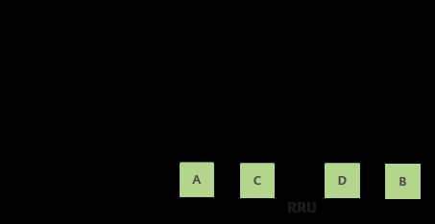

Inter-cell cable sequence detection principle (Ch.10.1)
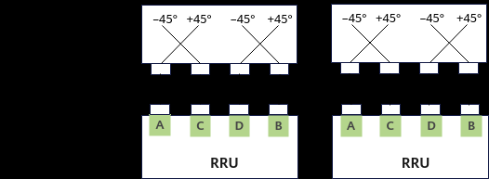

Detection based on RSSI / correlation between cells
• Polarization of physical and logical antenna ports must match (Ch.4.3.4). Crossed inter-cell jumpers are hard to find visually. • The function correlates uplink RSSI between intra-gNodeB intra-frequency 4T4R cells and reports CROSSED vs CORRECT. • Trigger: STR ANTENNAPORTOPTDET with AntPortOptDetPolicy=INTER_CELL_DETECT (entire base station in the doc example). • Leave / stop: STP ANTENNAPORTOPTDET with the same policy. • Inaccurate in indoor DAS, abnormal cell service, or VSWR alarms (Ch.10.3.3).
B. Requirements (Ch.10.3)
SN | Relation | RAT | Feature | Parameter(s) — one row one feature | Required action | Impact / note
1 | Prerequisite | FR1 TDD | None (Basic O&M package) | FBFD-010025 | No extra feature must be ON | Ch.10.3.1 Licenses = None
2 | Constraint | FR1 TDD | Cell type | TxRxMode=4T4R; NrDuCellNetworkingMode=NORMAL_CELL | Not Hyper Cell / not Fusion unless FPD allows — FPD says NORMAL_CELL | Ch.10.3.3
3 | Constraint | FR1 TDD | Cell status | ≥2 intra-freq cells activated; no channel shutdown/derating | NI+noise average of 3 samples in 15 min ≤ −90 dBm | Else ERROR_EXCESSIVE_INTERFERENCE
4 | Constraint | FR1 TDD | Do not use as-is | Indoor DAS coverage; VSWR alarms; abnormal service | Results may be inaccurate | Ch.10.3.3
C. Parameters
SN | MO Name | Parameter name | Default value | Recommended value | Parameter description | Notes
1 | STR ANTENNAPORTOPTDET | AntPortOptDetPolicy | — | INTER_CELL_DETECT (doc) | Antenna port optimize detection policy. | Table 10-1. Only value used for this feature.
D. MML (Ch.10.4.1.2 sequence)
SN | Seq | Mode | RAT | Phase | MML command (verbatim from document) | Remarks
1 | 11.1 | O&M | FR1 4T4R | Activation — start detection (entire gNodeB) | STR ANTENNAPORTOPTDET: AntPortOptDetPolicy=INTER_CELL_DETECT; | Document activation example. Confirm ≥2 intra-freq cells ON.
2 | 11.2 | O&M | FR1 4T4R | Verification — display result | DSP ANTENNAPORTOPTDET | Read Inter-Cell Line Sequence Detection Result, Crossed NR DU Cell ID, Latest Detection Complete Time.
3 | 11.3 | O&M | FR1 4T4R | Deactivation — stop detection | STP ANTENNAPORTOPTDET: AntPortOptDetPolicy=INTER_CELL_DETECT; | Document deactivation.
E. Result codes (Table 10-2 — treat as KPI of the sequence test)
SN | Result value | Meaning | Action
1 | CROSSED | Cross-connection with another cell | Fix jumpers; Crossed NR DU Cell ID names the peer. Re-run Seq 11.1.
2 | CORRECT | No cross-connection | Sequence OK. Proceed with MIMO KPI.
3 | DETECTING | Detection in progress | Wait; then DSP again.
4 | NOT_DETECTED | Cell not selected | Select the cell on MAE or re-run site-wide STR.
5 | ERROR_SERVICE_INTERRUPT | Service interrupted during detection | Restore cell; re-run.
6 | ERROR_CHANNEL_SHUTDOWN | Channel shutdown during detection | Clear shutdown; re-run.
7 | ERROR_CHANNEL_DERATING | Channel derating during detection | Clear fault/derating; re-run.
8 | ERROR_INSUFFICIENT_DATA | Not enough samples | Keep cells up; re-run when traffic/RSSI present.
9 | ERROR_LOW_CORRELATION | Channel correlation too low | Check antenna/DAS; not a simple swap.
10 | ERROR_RRSI_NO_CHANGE | RSSI unchanged (FPD spelling RRSI) | No detection possible; check RF.
11 | ERROR_NO_DETECT_RESULT | Only this intra-freq cell was active | Activate a second intra-freq cell.
12 | ERROR_EXCESSIVE_INTERFERENCE | Interference > −90 dBm | Clean UL NI then re-run.
13 | ERROR_INVALID_RSSI_DATA | RSSI near interference | Accuracy not guaranteed.
If detection succeeds then a later run fails on some cells, Result shows the new error while Crossed NR DU Cell ID and Latest Detection Complete Time keep the last success. Cell reset/deactivate/reestablish keeps the previous result; RST APP clears it. MAE path: Inter-Cell Cable Sequence Detection, RAT=gNodeB, export the result file.
SN | RAT | Feature ID | Feature name | Model | Sales unit | When consumed
1 | FR1 TDD | FBFD-010025 | Basic O&M Package (cable sequence) | — | None | Ch.10.3.1

Performance and Monitoring Counter
32T AAU CR01 sites skip STR ANTENNAPORTOPTDET (4T4R NORMAL_CELL only).
SN | Counter ID | Counter Name | Function / what it measures | Use on this sheet / CR
1 | DSP ANTENNAPORTOPTDET result | Inter-cell sequence result (not a PM counter) | Table 10-2: CROSSED vs CORRECT / ERROR_*. | Run on 4T4R NORMAL_CELL. Not used on 32T AAU CR01 sites.
2 | N.UL.RSSI.Avg | UL RSSI during detection | FPD: NI+noise 15 min average must be ≤ −90 dBm or ERROR_EXCESSIVE_INTERFERENCE. | Pre-check before STR ANTENNAPORTOPTDET.
3 | N.UECntx.AbnormRel | Abnormal release during STR | ERROR_SERVICE_INTERRUPT if service drops mid-test. | Do not run detection in the same window as a MIMO CR.
4 | User DL Average Throughput (DU) | DL tput after cable fix | If result was CROSSED, tput/MCS should recover after jumper swap. | 32T AAU CR01 sites skip this step (not 4T4R).
5 | N.ChMeas.MIMO.DL.Transmission.Layer.Max | DL layers after CORRECT | Crossed feeders silently destroy MIMO layers. | Commissioning gate for 4T4R, not for this 32T trial.
6 | N.ChMeas.PUSCH.MCS.k | UL MCS after CORRECT | Rx-diversity restored. | 4T4R only.
7 | VSWR / RET alarms (FM, not PM) | VSWR | FPD: results inaccurate with VSWR alarms. | Clear FM before blaming MIMO KPI.
8 | N.PRB.UL.Used.Avg | UL load during detect | ERROR_INSUFFICIENT_DATA if no RSSI samples. | Need cells in service.

