10F1_Arch_Option3x
10F1 Option 3x architecture chart
Control plane stays on LTE. User plane PDCP and S1-U sit on the gNB after path switch.
Workbook v2.0 (2026-09-08) | Huawei 5G RAN10.1 / SRAN22.1 | Architecture: NSA Option 3x (EN-DC over EPC) | Parameters: 5G_Parameter_list_13Aug.xlsx | Study left → right
Figure (embedded) — image1.png

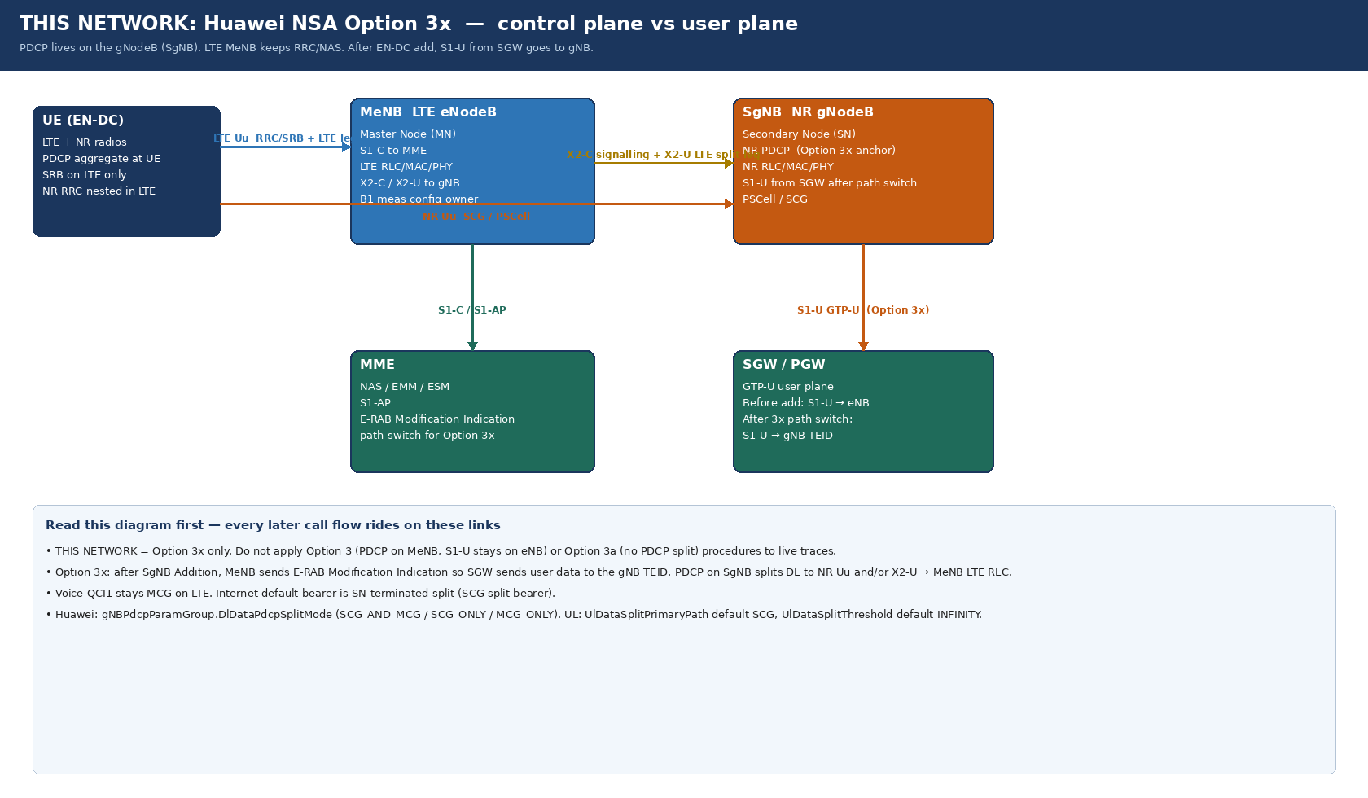

# | Link | From | To | What it carries in Option 3x | 3GPP name | Huawei study object | If down
1 | LTE Uu | UE | MeNB | RRC/NAS SRB, LTE split-leg user data, B1 reports | LTE-Uu | eNB cell / PccFreqCfg | No attach, no B1
2 | NR Uu | UE | SgNB | SCG user data, CFRA RACH, NR PHY | NR-Uu | NRCell / NRDUCELL | Add fail after X2 Ack
3 | X2-C | MeNB | SgNB | SgNB Addition / Modification / Release / Reconfig Complete | X2-AP (36.423) | X2 to gNB peer | B1 but no add
4 | X2-U | SgNB PDCP | MeNB LTE RLC | Option 3x DL helper + UL split + DDDS | GTP-U over X2 | X2uTransmissionType | One-sided tput, PDCP discard
5 | S1-C | MeNB | MME | NAS, context, E-RAB Modification Indication (3x path switch) | S1-AP (36.413) | SCTP to MME | No ERAB, no path switch
6 | S1-U | SGW | SgNB (after add) | All SN-terminated GTP-U (the Option 3x signature) | S1-U GTP-U | gNB SGW IP / TEID | EN-DC up, NR kbps ≈ 0; cells filtered
7 | S11 | MME | SGW | Modify Bearer to move GTP-U from eNB TEID to gNB TEID | GTPv2-C | EPC | Path switch stuck

Do not apply Option 3 (S1-U stays on eNB, PDCP on MeNB) to this network's traces. SRAN22.1 also allows SN-terminated MCG bearer (all PDCP data to MeNB RLC) — see 19_EN-DC_Enhancement.

10F2_Attach_then_B1
10F2 Flow A — LTE attach then Event B1
5G radio is not involved until the B1 MeasurementReport. All of this is MeNB + MME.
Workbook v2.0 (2026-09-08) | Huawei 5G RAN10.1 / SRAN22.1 | Architecture: NSA Option 3x (EN-DC over EPC) | Parameters: 5G_Parameter_list_13Aug.xlsx | Study left → right
Figure (embedded) — image2.png

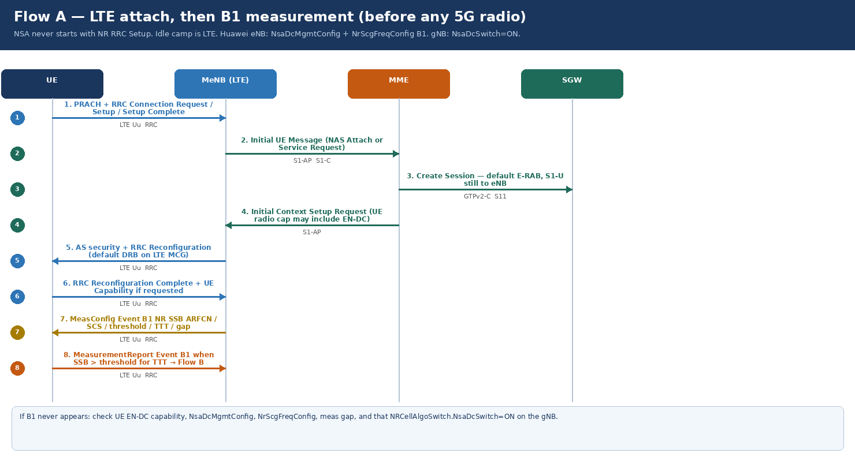

Step | 3GPP message | Interface | Direction | Key IEs / content | Huawei owner | Success | Typical fail
1 | RRC Connection Request/Setup/Complete | LTE Uu | UE ↔ MeNB | UE-Identity, establishmentCause | eNB RRC | RRC connected | LTE RF / TAC
2 | Initial UE Message (NAS) | S1-AP | MeNB → MME | NAS-PDU Attach or Service Request | S1-C | MME has UE | SCTP / MME
3 | Create Session | S11 | MME ↔ SGW | Default E-RAB, S1-U still to eNB | EPC | Default bearer | PGW/APN
4 | Initial Context Setup Request | S1-AP | MME → MeNB | UE radio cap, E-RAB to setup, security | S1-C | EN-DC cap visible | Cap filtered / IMS-only UE
5 | RRC Reconfiguration (DRB) | LTE Uu | MeNB → UE | SRB2 + default DRB on MCG | eNB | IP on LTE | Security fail
6 | UE Capability Information | LTE Uu | UE → MeNB | eutra-nr band combo, EN-DC bands | UE cap | n78 EN-DC present | No B1 ever configured
7 | RRC Reconfig MeasConfig Event B1 | LTE Uu | MeNB → UE | ssbFrequency, subcarrierSpacing, b1-ThresholdNR, hysteresis, TTT, gap | NrScgFreqConfig (LTE) | UE measures SSB | Wrong ARFCN/SCS/gap
8 | MeasurementReport Event B1 | LTE Uu | UE → MeNB | measId, NR PCI, ss-RSRP/RSRQ/SINR | eNB NSA DC | Go to Flow B | Weak NR / PCI not allowed / S1-U filter

LTE-side NSA must be on (NsaDcMgmtConfig NSA_DC_CAPABILITY_SWITCH + NSA_PCC_ANCHORING). Those MOs are NOT in the uploaded NR parameter list.

10F3_SgNB_Addition
10F3 Flow B — Option 3x SgNB Addition signalling
Step 9 E-RAB Modification Indication is why this is Option 3x, not Option 3. MeNB must not rewrite the NR RRC container.
Workbook v2.0 (2026-09-08) | Huawei 5G RAN10.1 / SRAN22.1 | Architecture: NSA Option 3x (EN-DC over EPC) | Parameters: 5G_Parameter_list_13Aug.xlsx | Study left → right
Figure (embedded) — image3.png

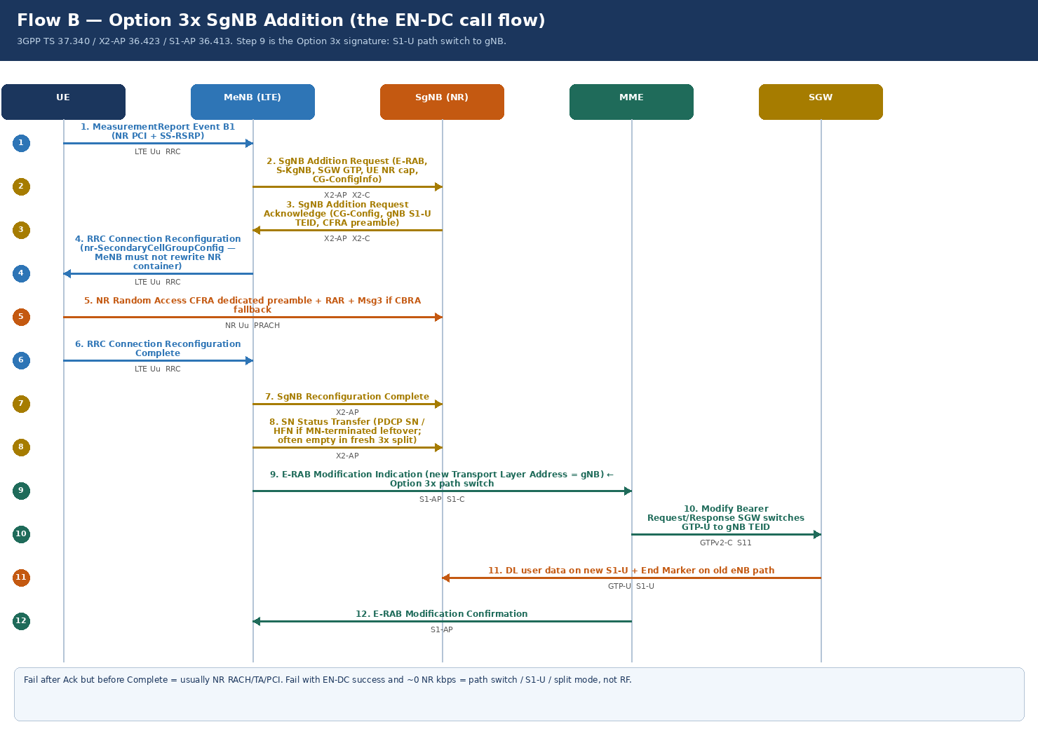

Step | 3GPP message | Interface | Direction | Key IEs (study) | Huawei / trace note | Success | Fail here if
1 | MeasurementReport (B1) | LTE Uu RRC | UE → MeNB | NR PCI + SS-RSRP | Must match NR neighbour / PCI plan | Add attempt | PCI not in relation
2 | SgNB Addition Request | X2-AP | MeNB → SgNB | MeNB UE X2AP ID, S-KgNB, UE NR cap, E-RABs To Be Added (QoS + SGW F-TEID), CG-ConfigInfo | Huawei: SN Addition Request | gNB admits | X2 down, license, congestion, PLMN
3 | SgNB Addition Request Acknowledge | X2-AP | SgNB → MeNB | E-RABs Admitted, gNB S1-U GTP TEID, CG-Config (NR RRC), dedicated RACH/CFRA | SN Addition Request Acknowledge | SCG config ready | Admit reject cause
4 | RRC Connection Reconfiguration | LTE Uu RRC | MeNB → UE | nr-SecondaryCellGroupConfig = untouched CG-Config | Do not edit NR container on eNB | UE accepts | Cap mismatch, late reconfig
5 | NR Random Access (often CFRA) | NR Uu | UE ↔ SgNB | Dedicated preamble from Ack; RAR; TA | RSI / preamble / TA window | TA OK | Msg1 no RAR, TA out of range
6 | RRC Connection Reconfiguration Complete | LTE Uu RRC | UE → MeNB | Confirms SCG applied | Still LTE SRB | MeNB knows UE is ready | UE aborts SCG
7 | SgNB Reconfiguration Complete | X2-AP | MeNB → SgNB | SCG is in use | SN Reconfiguration Complete | gNB starts UP | X2 drop after Ack
8 | SN Status Transfer | X2-AP | MeNB → SgNB | PDCP SN/HFN if forwarding from MN | May be empty in 3x internet bearer | PDCP continuity | Rare fail point in 3x add
9 | E-RAB Modification Indication | S1-AP | MeNB → MME | E-RAB to be modified: Transport Layer Address + GTP TEID of gNB | THE Option 3x path switch | MME/SGW will move S1-U | Missing = NR radio up, no packets
10 | Modify Bearer Request/Response | S11 | MME ↔ SGW | New F-TEID = gNB | EPC | SGW points at gNB | Firewall / SGW route to gNB
11 | GTP-U data + End Marker | S1-U | SGW → SgNB (new) / eNB (old) | End Marker on old eNB path; user IP on new gNB path | gNBQciBearer.NsaEndMarkerTimer default 10 / rec 100 ms | NR payload > 0 | TEID mismatch
12 | E-RAB Modification Confirmation | S1-AP | MME → MeNB | Path switch complete | S1-AP | Add success | Confirm timeout

KPI mapping: steps 1–2 = add attempts; 3 reject = admit fail; 5 = RACH fail; 9–11 = integrity (NR volume). RAN10.1: SgNB add success optimized when X2-U is faulty — still confirm S1-U.

10F4_UserPlane_Split
10F4 Flow C — Option 3x user-plane split
PDCP is on the SgNB. LTE is a helper pipe. Huawei defaults in the 13 Aug list are conservative (SCG_ONLY, UL threshold INFINITY).
Workbook v2.0 (2026-09-08) | Huawei 5G RAN10.1 / SRAN22.1 | Architecture: NSA Option 3x (EN-DC over EPC) | Parameters: 5G_Parameter_list_13Aug.xlsx | Study left → right
Figure (embedded) — image4.png

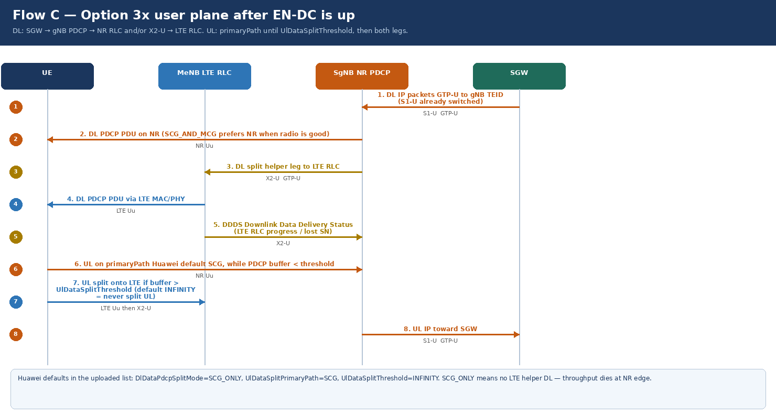

Step | Message / packet | Interface | Direction | What to look at | Huawei parameter | Healthy | Sick
1 | GTP-U DL | S1-U | SGW → SgNB | TEID = gNB after Flow B step 9 | gNB transport to SGW | Packets at gNB | Packets still at eNB (Option 3 by mistake)
2 | PDCP PDU DL on NR | NR Uu | SgNB → UE | NR MCS / rank / scheduled TB | DlDataPdcpSplitMode | NR volume >> LTE | NR scheduled 0
3 | PDCP PDU DL via X2-U | X2-U | SgNB → MeNB | Helper when NR congested or SCG_AND_MCG | DlDataPdcpSplitMode=SCG_AND_MCG | LTE helper share | SCG_ONLY: this arrow never used
4 | LTE MAC/PHY DL | LTE Uu | MeNB → UE | Same PDCP SN space as NR | — | LTE leg complements NR | Duplicate or discard
5 | DDDS | X2-U | MeNB → SgNB | LTE RLC highest delivered SN / lost | X2-U health | PDCP knows LTE progress | Blind split, PDCP discard
6 | UL primaryPath | NR Uu | UE → SgNB | Used while PDCP buffer < threshold | UlDataSplitPrimaryPath default SCG | UL on NR | Weak NR UL → SCG fail
7 | UL split | LTE Uu + X2-U | UE → MeNB → SgNB | Only if buffer > UlDataSplitThreshold | UlDataSplitThreshold default INFINITY | May never happen with default | Do not expect UL split in field with INFINITY
8 | GTP-U UL | S1-U | SgNB → SGW | PDCP already aggregated | — | One UL TEID at gNB | UL on LTE only if primary=MCG or UL fallback

Interview line: In Option 3x the internet PDCP is on the gNB; LTE is a helper over X2-U; default SCG_ONLY + UL INFINITY means DL NR-only and UL never splits. Real-time DL split (SCG_AND_MCG) is Option 3x only.

10F5_Change_Release
10F5 Flow D — SgNB Change (A3) and Release (A2)
Change keeps 5G; release returns LTE-only. Both are reported on LTE SRB. NSA has no redirection.
Workbook v2.0 (2026-09-08) | Huawei 5G RAN10.1 / SRAN22.1 | Architecture: NSA Option 3x (EN-DC over EPC) | Parameters: 5G_Parameter_list_13Aug.xlsx | Study left → right
Figure (embedded) — image5.png

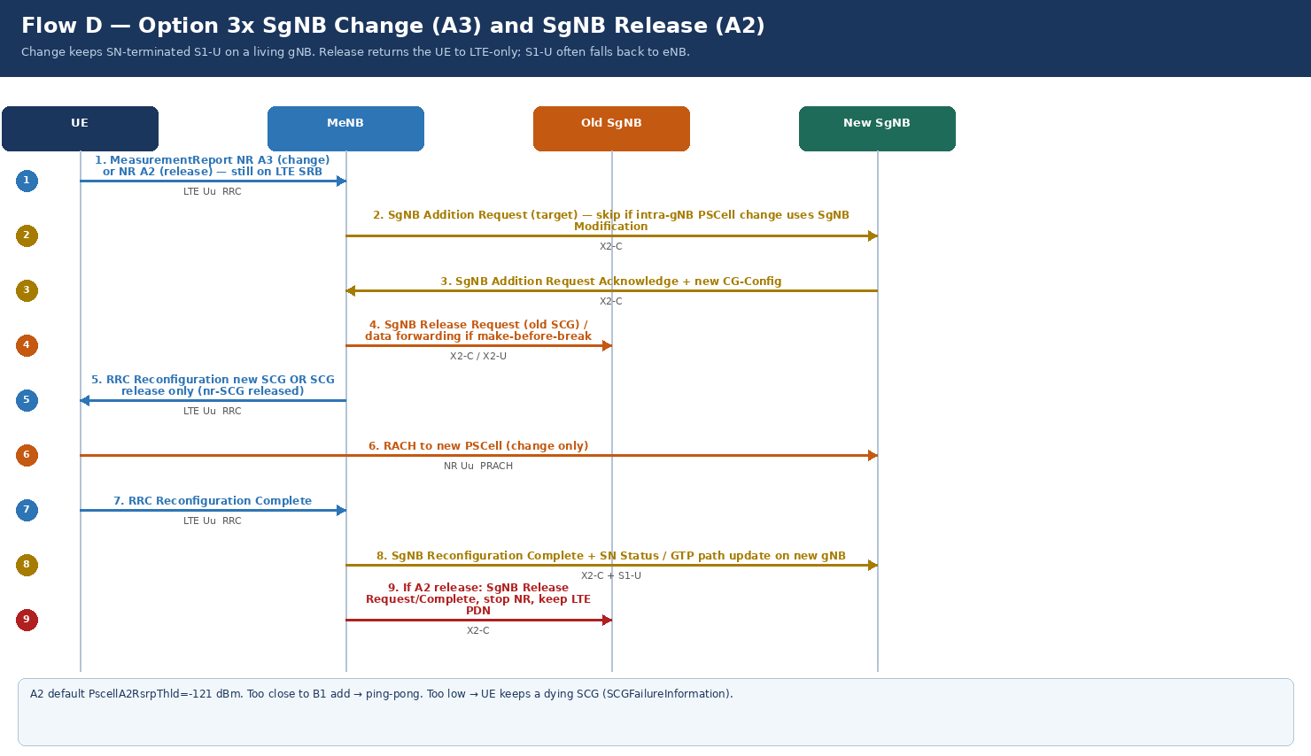

Step | 3GPP message | When | Interface | What changes | Huawei trigger | Success | Fail
1 | MeasurementReport A3 or A2 | Always first | LTE Uu / NR meas | NR neighbour vs serving PSCell | NRCellNsaDcConfig / intra-freq A3 | Correct event | Wrong event → ping-pong
2 | SgNB Addition Request (target) | A3 inter-gNB change | X2-C | New SCG + new gNB TEID | X2 to target gNB | Target admits | No X2 to target
3 | SgNB Addition Request Ack | Change | X2-C | New CG-Config + RACH | — | Config ready | Admit reject
4 | SgNB Release Request (old) | Change or A2 | X2-C | Old SCG resources freed; optional data fwd | — | Old gNB idle | UE stuck with two SCGs
5 | RRC Reconfiguration | Both | LTE Uu | New SCG or nr-SCG released | MeNB tunnels new container | UE applies | Reconfig fail
6 | NR RACH to new PSCell | Change only | NR Uu | Often CFRA again | RSI of target | TA OK | Change fail (RACH)
7 | Reconfig Complete + SN Status | Change | LTE Uu + X2 | S1-U updated onto living gNB | Still Option 3x | Throughput continues | Path not updated
8 | SgNB Release Complete path | A2 release | X2 + maybe S1 | SCG gone; PDN stays; S1-U often back to eNB | PscellA2RsrpThld default -121 dBm | No PDN drop | Too-early A2

Keep B1 add several dB better than A2 release. Same gap thinking as LTE A3/A2. UserExpScgRelA2RsrpThld (-115 dBm) is a separate UX release — do not confuse with coverage A2.

10F6_SCG_Failure
10F6 Flow E — SCGFailureInformation
The UE reports SCG death on LTE because NSA has no NR SRB (unless SRB3 is on — default Off).
Workbook v2.0 (2026-09-08) | Huawei 5G RAN10.1 / SRAN22.1 | Architecture: NSA Option 3x (EN-DC over EPC) | Parameters: 5G_Parameter_list_13Aug.xlsx | Study left → right
Figure (embedded) — image6.png

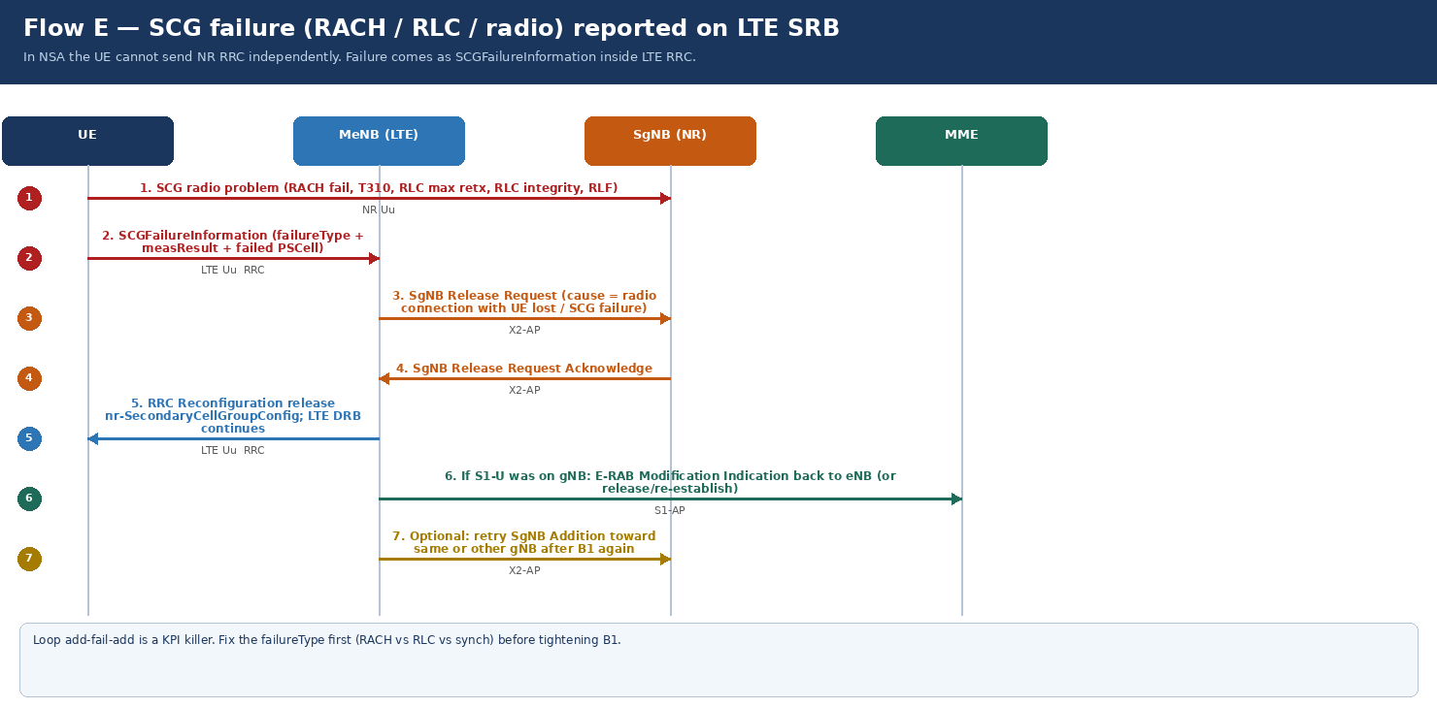

Step | 3GPP message | Interface | Direction | Key IEs | Typical failureType | What you do | KPI
1 | (NR problem) | NR Uu | UE ↔ SgNB | No signalling if radio is already dead | t310-Expiry, randomAccessProblem, rlc-MaxNumRetx, scg-reconfigFailure | Read PHY/RACH counters | SCG fail
2 | SCGFailureInformation | LTE Uu RRC | UE → MeNB | failureType, measResultServing / neigh, failedPSCellId | Maps to add-fail cause | Do not retry blindly | Cause distribution
3 | SgNB Release Request | X2-AP | MeNB → SgNB | Cause: radio connection with UE lost | Huawei SN Release | gNB frees UE | Resource leak
4 | SgNB Release Request Acknowledge | X2-AP | SgNB → MeNB | UE context released at SN | — | Clean SN | X2 timeout
5 | RRC Reconfiguration (SCG release) | LTE Uu | MeNB → UE | nr-SecondaryCellGroupConfig released; LTE DRB remains | — | UE LTE-only, PDN up | Reconfig fail rare
6 | E-RAB Modification Indication (optional) | S1-AP | MeNB → MME | Move S1-U back to eNB if it was on gNB | Option 3x unwind | Internet continues on LTE | Stuck TEID on dead gNB
7 | Retry SgNB Addition | X2-AP | MeNB → SgNB | Only after B1 again and cause fixed | Same Flow B | Recover 5G | Add-fail-add loop

If failureType=randomAccessProblem, fix RSI/preamble/TA/power — not B1. If rlc-MaxNumRetx, fix BLER/grant/interference. RAN10.1: DRX-based data split optimization for SCG can change when split runs during DRX.

10F7_Meas_Events
10F7 Measurement events that drive the Option 3x ladders
B1 is configured by the MeNB. A2/A3 for PSCell are NR events from the SgNB. Mixing them is the usual mobility design error.
Workbook v2.0 (2026-09-08) | Huawei 5G RAN10.1 / SRAN22.1 | Architecture: NSA Option 3x (EN-DC over EPC) | Parameters: 5G_Parameter_list_13Aug.xlsx | Study left → right
Figure (embedded) — image7.png

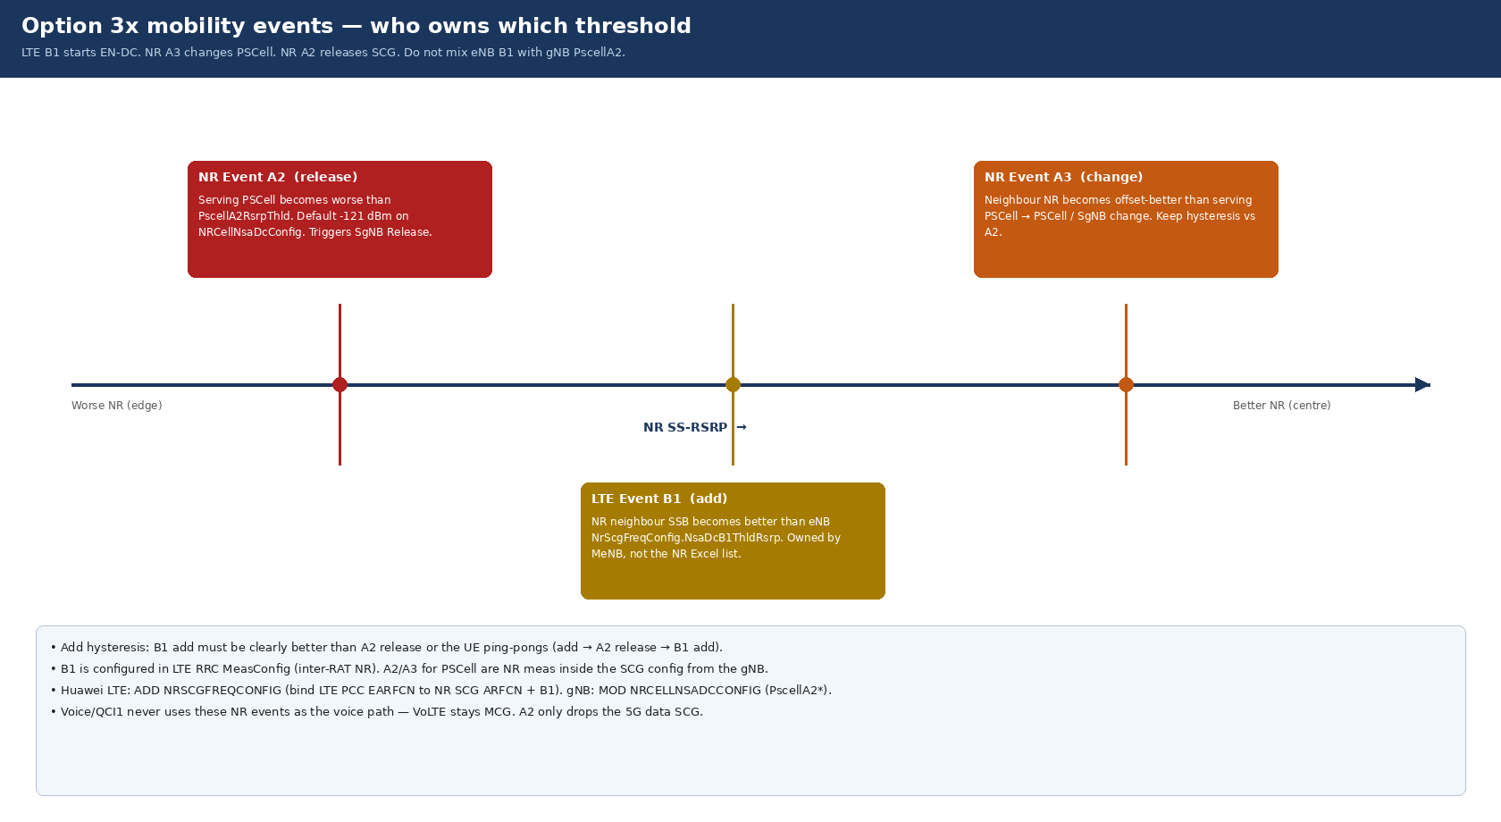

Event | Radio | Owner node | Huawei object.parameter | Starts which flow | Typical use | Too aggressive | Too lazy
B1 (NR) | LTE meas of NR SSB | MeNB (eNB) | NrScgFreqConfig.NsaDcB1ThldRsrp (+ hyst/TTT on LTE meas) — NOT in NR file | Flow B SgNB Addition | First 5G add | Add on noise → RACH fail | Never add in good NR
A2 (PSCell) | NR serving | SgNB (gNB) | NRCellNsaDcConfig.PscellA2RsrpThld default -121 dBm | Flow D SgNB Release | Leave NR at edge | Ping-pong with B1 | Hold dying SCG → Flow E
A3 (NR neigh) | NR vs NR | SgNB | NRCellIntraFHoMeaGrp.IntraFreqHoA3Offset default 2 (= 1 dB) | Flow D SgNB / PSCell change | Keep 5G on better PCI | Unnecessary SN change | Stuck on weak PSCell
B2 (optional) | NR serving bad AND LTE/other good | MeNB/SgNB as designed | NRCellInterRHoMeaGrp / HoEutranMeaGrp | Release / IRAT | Less common than A2 in NSA overlay | — | —
UX A2/A1 | NR serving + UL/DL experience | SgNB | UserExpScgRelA2RsrpThld -115 / A1 -113 dBm | Experience-based SCG release | Drop NR when UX is poor even if coverage A2 not met | Looks like retainability fault | UX never releases
SIB2 upperLayerIndication | LTE idle | MeNB | LTE SIB2 IE / Huawei upperLayerIndication switch | Idle 5G icon only — not a call flow | Customer perception | Icon without EN-DC | No icon, EN-DC still works

Design rule: B1 add threshold must sit several dB better than PscellA2RsrpThld, with TTT on both. Intra-freq A3 offset 2 × 0.5 dB = 1 dB.

