Measurement Event
Mobility Management in Connected Mode Feature Parameter Description · Huawei eRAN21.1 Issue 08 (2026-06-30) · v3.1
4.1.4.2.1 Measurement Events
Document §4.1.4.2.1. Table 4-8, charts with teaching trigger-point values, and a worked formula example for Events A1–A5 and B1–B2. Feature ID LBFD-002018.
Contents | ← 04 Basic Functions | 05 Coverage HO → | Ch.4 Basic (must)

Overview of Mobility Events

An event is an indication of signal quality. Table 4-8 lists the definition of each event.

Table 4-8 Event definitions

Event Type |  | Event Definition
Event A1 |  | The signal quality of the serving cell exceeds a specific threshold.
Event A2 |  | The signal quality of the serving cell drops below a specific threshold.
Event A3 |  | The signal quality of a neighboring cell exceeds that of the serving cell.
Event A4 |  | The signal quality of a neighboring cell exceeds a specific threshold.
Event A5 |  | The signal quality of the serving cell drops below threshold 1 (Thresh1) and the signal quality of a neighboring cell exceeds threshold 2 (Thresh2).
Event B1 |  | The signal quality of an inter-RAT neighboring cell exceeds a specific threshold.
Event B2 |  | The signal quality of the serving cell drops below threshold 1 (Thresh1) and the signal quality of an inter-RAT neighboring cell exceeds threshold 2 (Thresh2).

The entering and leaving conditions of these events are described as follows. For details, see section 5.5.4 "Measurement report triggering" in 3GPP TS 36.331 V10.1.0.

Entering and leaving · all events

Event Type |  | Entering condition (true throughout TimeToTrig) |  |  |  | Leaving condition (true throughout TimeToTrig)
Event A1 |  | Ms − Hys > Thresh |  |  |  | Ms + Hys < Thresh
Event A2 |  | Ms + Hys < Thresh |  |  |  | Ms − Hys > Thresh
Event A3 |  | Mn + Ofn + Ocn − Hys > Ms + Ofs + Ocs + Off |  |  |  | Mn + Ofn + Ocn + Hys < Ms + Ofs + Ocs + Off
Event A4 |  | Mn + Ofn + Ocn − Hys > Thresh |  |  |  | Mn + Ofn + Ocn + Hys < Thresh
Event A5 |  | Ms + Hys < Thresh1 AND Mn + Ofn + Ocn − Hys > Thresh2 |  |  |  | Ms − Hys > Thresh1 OR Mn + Ofn + Ocn + Hys < Thresh2
Event B1 |  | Mn + Ofn − Hys > Thresh |  |  |  | Mn + Ofn + Hys < Thresh
Event B2 |  | Ms + Hys < Thresh1 AND Mn + Ofn − Hys > Thresh2 |  |  |  | Ms − Hys > Thresh1 OR Mn + Ofn + Hys < Thresh2

Teaching set used in every example below · for understanding only · not a live design
Ms = −95 dBm (serving RSRP). Mn = −90 dBm (E-UTRAN neighbour). For B1/B2 the IRAT neighbour starts at Mn = −92 (same idea as Chapter 4). Hys = 2 dB. Ofn = Ofs = 0. Ocn = Ocs = 0. A3 Off = 2 dB. TimeToTrig = 320 ms. Calibrate real cells from MR. Do not copy these dBm into the Value column. The book MML −85 / −87 / −103 dBm are command examples, not this teaching set. TimeToTrig: the inequality must stay true for 320 ms. If it is true for 200 ms and then fails, the timer resets and no report is sent.
Jump to an event:
Event A1 | Event A2 | Event A3 | Event A4 | Event A5 | Event B1 | Event B2

Event A1

Entering and leaving conditions · 3GPP TS 36.331 V10.1.0 §5.5.4 · Event A1
Entering condition: (Ms − Hys > Thresh) is true throughout a duration specified by TimeToTrig. Leaving condition: (Ms + Hys < Thresh) is true throughout a duration specified by TimeToTrig. Figure 4-3 shows the details.

Variables used in Figure 4-3
Ms — the measurement result of the serving cell, not taking into account any offsets. Hys — hysteresis parameter for this event. Thresh — threshold parameter for this event. TimeToTrig — time-to-trigger duration.

Example with values · Event A1 · for understanding only · not a live design
Formula. Enter: Ms − Hys > Thresh. Leave: Ms + Hys < Thresh. Must hold for TimeToTrig = 320 ms. Teaching values. Ms = −95 dBm. Hys = 2 dB. Thresh = −100 dBm. Enter. Ms − Hys = −95 − 2 = −97 dBm. −97 > −100 → YES. If this stays true for 320 ms → Event A1 is reported. Serving is good. No enter. If Ms = −105 dBm: −105 − 2 = −107 dBm. −107 > −100 → NO. A1 does not start. Coverage measurement can continue. Leave. At Ms = −95: Ms + Hys = −95 + 2 = −93 dBm. −93 < −100 → NO. A1 reporting stays on. Leave. If Ms falls to −105: −105 + 2 = −103 dBm. −103 < −100 → YES. After 320 ms, A1 reporting stops. TimeToTrig. If Ms − Hys > Thresh for only 200 ms and then Ms drops, the timer resets and no A1 report is sent.

Figure 4-3 Entering and leaving of event A1

Document figure from Mobility Management in Connected Mode Feature Parameter Description, eRAN21.1 Issue 08, §4.1.4.2.1.

Same Event A1 with the teaching values on the chart. The blue points are the trigger and leave values from the CALC box (Ms − Hys = −97 dBm at enter, Ms + Hys = −103 dBm at leave). For understanding only. Not a live design.
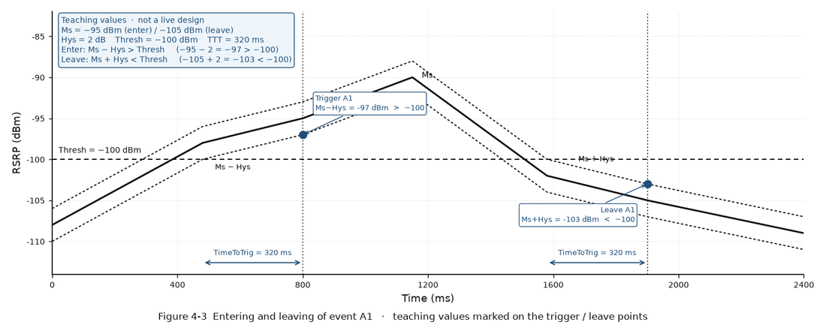

Event A2

Entering and leaving conditions · 3GPP TS 36.331 V10.1.0 §5.5.4 · Event A2
Entering condition: (Ms + Hys < Thresh) is true throughout a duration specified by TimeToTrig. Leaving condition: (Ms − Hys > Thresh) is true throughout a duration specified by TimeToTrig. Figure 4-4 shows the details.

Variables used in Figure 4-4
Ms — the measurement result of the serving cell, not taking into account any offsets. Hys — hysteresis parameter for this event. Thresh — threshold parameter for this event. TimeToTrig — time-to-trigger duration.

Example with values · Event A2 · for understanding only · not a live design
Formula. Enter: Ms + Hys < Thresh. Leave: Ms − Hys > Thresh. Must hold for TimeToTrig = 320 ms. Teaching values. Ms = −95 dBm. Hys = 2 dB. Thresh = −100 dBm. No enter. Ms + Hys = −95 + 2 = −93 dBm. −93 < −100 → NO. Serving is not poor. Inter-frequency / IRAT measurement does not start. Enter. If Ms = −105 dBm: −105 + 2 = −103 dBm. −103 < −100 → YES. After 320 ms → Event A2 is reported. Start inter-frequency / IRAT measurement. Leave. At Ms = −105: Ms − Hys = −105 − 2 = −107 dBm. −107 > −100 → NO. A2 reporting stays on. Leave. If Ms recovers to −95: −95 − 2 = −97 dBm. −97 > −100 → YES. After 320 ms, A2 reporting stops. TimeToTrig. If Ms + Hys < Thresh for only 200 ms and then Ms recovers, the timer resets and no A2 report is sent.

Figure 4-4 Entering and leaving of event A2

Teaching values and trigger / leave point values are marked on the chart. Same event as Figure 4-4.
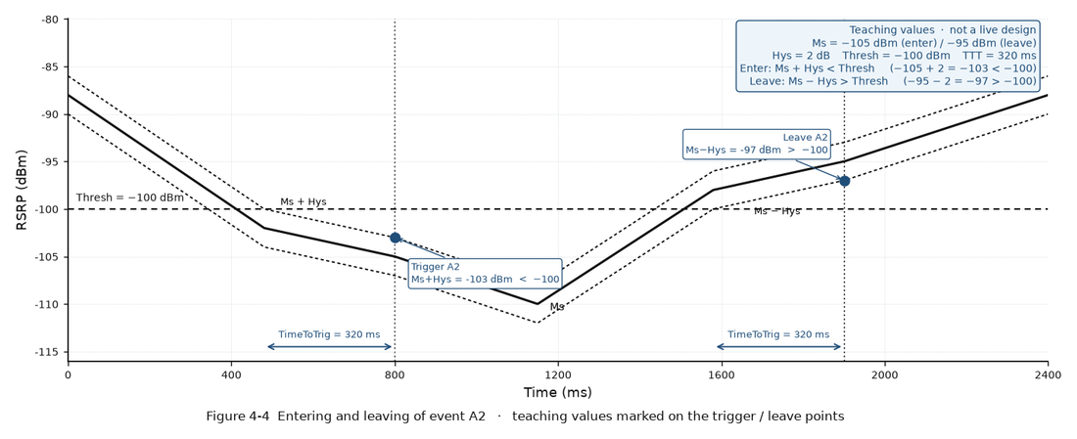

Event A3

Entering and leaving conditions · 3GPP TS 36.331 V10.1.0 §5.5.4 · Event A3
Entering condition: (Mn + Ofn + Ocn − Hys > Ms + Ofs + Ocs + Off) is true throughout a duration specified by TimeToTrig. Leaving condition: (Mn + Ofn + Ocn + Hys < Ms + Ofs + Ocs + Off) is true throughout a duration specified by TimeToTrig. Figure 4-5 shows the details.

Variables used in Figure 4-5
Mn — measurement result of the neighbouring cell, not taking into account any offsets. Ofn — frequency specific offset of the neighbouring cell frequency. Ocn — cell specific offset (CIO) of the neighbouring cell. Zero if not configured. Ms — measurement result of the serving cell, not taking into account any offsets. Ofs — frequency specific offset of the serving frequency. Ocs — cell specific offset of the serving cell. Zero if not configured. Hys — hysteresis parameter for this event. Off — offset parameter for this event (a3-Offset). TimeToTrig — time-to-trigger duration.

Example with values · Event A3 · for understanding only · not a live design
Formula. Enter: Mn + Ofn + Ocn − Hys > Ms + Ofs + Ocs + Off. Leave: Mn + Ofn + Ocn + Hys < Ms + Ofs + Ocs + Off. Teaching values. Ms = −95 dBm. Mn = −90 dBm. Hys = 2 dB. Ofn = Ofs = 0. Ocn = Ocs = 0. Off = 2 dB. Enter. Left = Mn + Ofn + Ocn − Hys = −90 + 0 + 0 − 2 = −92 dBm. Enter. Right = Ms + Ofs + Ocs + Off = −95 + 0 + 0 + 2 = −93 dBm. −92 > −93 → YES. Neighbour is relatively better. After 320 ms → A3. No enter. If Off = 6 dB: Right = −95 + 6 = −89 dBm. −92 > −89 → NO. A larger A3 offset makes intra-frequency HO harder. CIO. If Ocn = +3 dB: Left = −90 + 3 − 2 = −89 dBm. −89 > −93 → still YES. The neighbour looks 3 dB better. Leave. At these values: Left leave = Mn + Hys = −90 + 2 = −88 dBm. −88 < −93 → NO. A3 reporting stays on. Leave. If Mn falls to −100 dBm: −100 + 2 = −98 dBm. −98 < −93 → YES. After 320 ms, A3 reporting stops.

Figure 4-5 Entering and leaving of event A3

Teaching values and trigger / leave point values are marked on the chart. Neighbour vs serving plus offset.
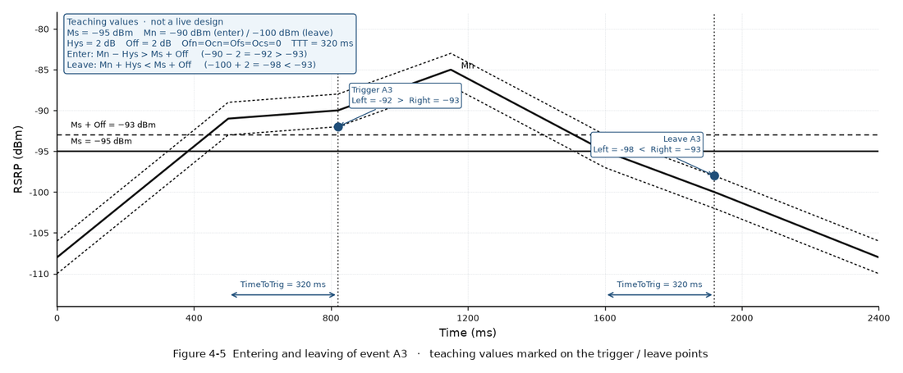

Event A4

Entering and leaving conditions · 3GPP TS 36.331 V10.1.0 §5.5.4 · Event A4
Entering condition: (Mn + Ofn + Ocn − Hys > Thresh) is true throughout a duration specified by TimeToTrig. Leaving condition: (Mn + Ofn + Ocn + Hys < Thresh) is true throughout a duration specified by TimeToTrig. Figure 4-6 shows the details.

Variables used in Figure 4-6
Mn — measurement result of the neighbouring cell, not taking into account any offsets. Ofn — frequency specific offset of the neighbouring cell frequency. Ocn — cell specific offset (CIO) of the neighbouring cell. Zero if not configured. Hys — hysteresis parameter for this event. Thresh — threshold parameter for this event. TimeToTrig — time-to-trigger duration.

Example with values · Event A4 · for understanding only · not a live design
Formula. Enter: Mn + Ofn + Ocn − Hys > Thresh. Leave: Mn + Ofn + Ocn + Hys < Thresh. Teaching values. Mn = −90 dBm. Hys = 2 dB. Ofn = 0. Ocn = 0. Thresh = −105 dBm. Neighbour need not beat serving. Enter. Mn + Ofn + Ocn − Hys = −90 + 0 + 0 − 2 = −92 dBm. −92 > −105 → YES. After 320 ms → Event A4. Target is absolutely good enough. No enter. If Mn = −110 dBm: −110 − 2 = −112 dBm. −112 > −105 → NO. Target is not good enough. Leave. At Mn = −90: Mn + Hys = −90 + 2 = −88 dBm. −88 < −105 → NO. A4 reporting stays on. Leave. If Mn falls to −110: −110 + 2 = −108 dBm. −108 < −105 → YES. After 320 ms, A4 reporting stops. Ping-pong note (same idea as Chapter 4). Keep A4_thd > A2_thd (example A4 = −105, A2 = −110) so coverage A2 does not start immediately after an A4 HO.

Figure 4-6 Entering and leaving of event A4

Teaching values and trigger / leave point values are marked on the chart. Neighbour vs an absolute threshold.
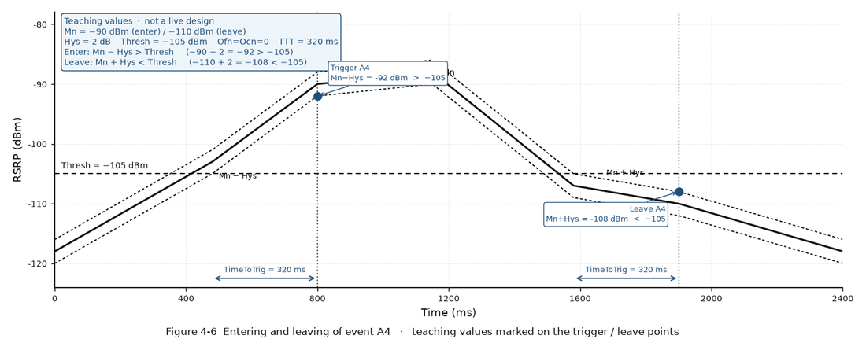

Event A5

Entering and leaving conditions · 3GPP TS 36.331 V10.1.0 §5.5.4 · Event A5
Entering condition: (Ms + Hys < Thresh1) AND (Mn + Ofn + Ocn − Hys > Thresh2) are both true throughout a duration specified by TimeToTrig. Leaving condition: (Ms − Hys > Thresh1) OR (Mn + Ofn + Ocn + Hys < Thresh2) is true throughout a duration specified by TimeToTrig. Figure 4-7 shows the details.

Variables used in Figure 4-7
Ms — measurement result of the serving cell, not taking into account any offsets. Mn — measurement result of the neighbouring cell, not taking into account any offsets. Ofn — frequency specific offset of the neighbouring cell frequency. Ocn — cell specific offset (CIO) of the neighbouring cell. Zero if not configured. Hys — hysteresis parameter for this event. Thresh1 — serving-cell threshold for this event. Thresh2 — neighbouring-cell threshold for this event. TimeToTrig — time-to-trigger duration.

Example with values · Event A5 · for understanding only · not a live design
Formula. Enter: (Ms + Hys < Thresh1) AND (Mn + Ofn + Ocn − Hys > Thresh2). Both must hold for TimeToTrig. Leave: (Ms − Hys > Thresh1) OR (Mn + Ofn + Ocn + Hys < Thresh2). Either is enough, for TimeToTrig. Teaching values. Ms = −95 dBm. Mn = −90 dBm. Hys = 2 dB. Ofn = Ocn = 0. Thresh1 = −110 dBm. Thresh2 = −105 dBm. No enter. Serving: −95 + 2 = −93 < −110? NO. Neighbour: −90 − 2 = −92 > −105? YES. AND fails → A5 does not start. Serving is not poor. Enter. If Ms = −115 dBm: serving −115 + 2 = −113 < −110 YES, and neighbour −92 > −105 YES. After 320 ms → Event A5. Leave. Still at Ms = −115, Mn = −90: −115 − 2 = −117 > −110? NO. −90 + 2 = −88 < −105? NO. Neither leave side is true. A5 stays on. Leave by serving. If Ms recovers to −95: −95 − 2 = −97 > −110 → YES. After 320 ms, A5 reporting stops (OR is enough). Leave by neighbour. If Mn falls to −110: −110 + 2 = −108 < −105 → YES. After 320 ms, A5 reporting stops.

Figure 4-7 Entering and leaving of event A5

Teaching values and trigger / leave point values are marked on the chart. Serving vs Thresh1 and neighbour vs Thresh2.
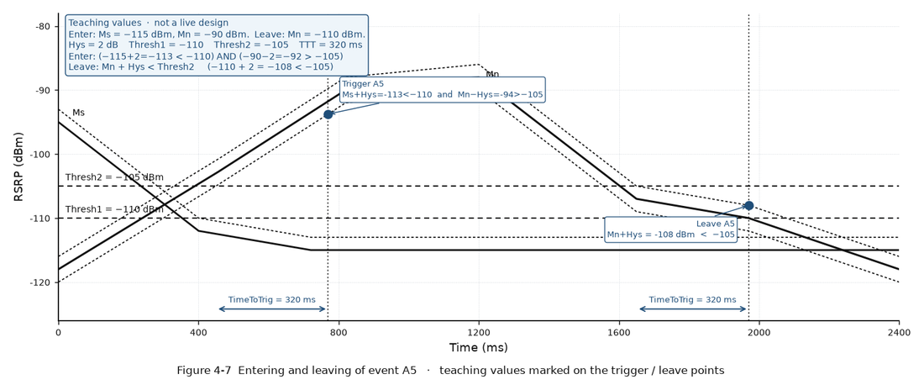

Event B1

Entering and leaving conditions · 3GPP TS 36.331 V10.1.0 §5.5.4 · Event B1
Entering condition: (Mn + Ofn − Hys > Thresh) is true throughout a duration specified by TimeToTrig. Leaving condition: (Mn + Ofn + Hys < Thresh) is true throughout a duration specified by TimeToTrig. Figure 4-8 shows the details. Inter-RAT neighbouring cell.

Variables used in Figure 4-8
Mn — measurement result of the inter-RAT neighbouring cell, not taking into account any offsets. Ofn — frequency specific offset of the inter-RAT neighbouring frequency. Hys — hysteresis parameter for this event. Thresh — threshold parameter for this event. TimeToTrig — time-to-trigger duration.

Example with values · Event B1 · for understanding only · not a live design
Formula. Enter: Mn + Ofn − Hys > Thresh. Leave: Mn + Ofn + Hys < Thresh. Mn is the inter-RAT neighbour. Teaching values. IRAT Mn = −92. Hys = 2 dB. Ofn = 0. Thresh = −100. Same idea as A4, other RAT. Enter. Mn + Ofn − Hys = −92 + 0 − 2 = −94. −94 > −100 → YES. After 320 ms → Event B1. IRAT target is absolutely good enough. No enter. If IRAT Mn = −110: −110 − 2 = −112. −112 > −100 → NO. IRAT target is not good enough. Leave. At Mn = −92: −92 + 2 = −90 < −100 → NO. B1 reporting stays on. Leave. If IRAT Mn falls to −110: −110 + 2 = −108 < −100 → YES. After 320 ms, B1 reporting stops. TimeToTrig. If Mn + Ofn − Hys > Thresh for only 200 ms and then the IRAT cell drops, the timer resets and no B1 report is sent.

Figure 4-8 Entering and leaving of event B1

Teaching values and trigger / leave point values are marked on the chart. Inter-RAT neighbour vs an absolute threshold.
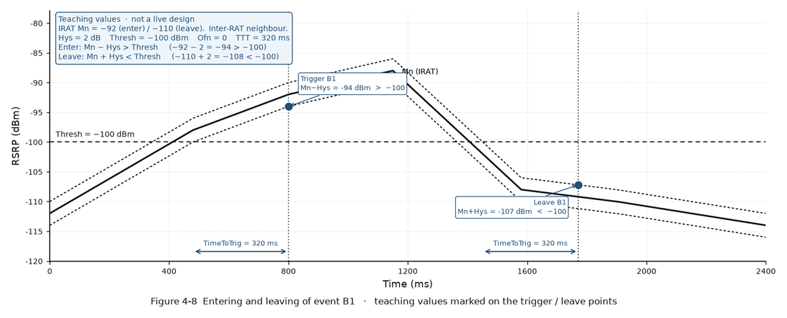

Event B2

Entering and leaving conditions · 3GPP TS 36.331 V10.1.0 §5.5.4 · Event B2
Entering condition: (Ms + Hys < Thresh1) AND (Mn + Ofn − Hys > Thresh2) are both true throughout a duration specified by TimeToTrig. Leaving condition: (Ms − Hys > Thresh1) OR (Mn + Ofn + Hys < Thresh2) is true throughout a duration specified by TimeToTrig. Figure 4-9 shows the details. Inter-RAT neighbouring cell.

Variables used in Figure 4-9
Ms — measurement result of the serving cell, not taking into account any offsets. Mn — measurement result of the inter-RAT neighbouring cell, not taking into account any offsets. Ofn — frequency specific offset of the inter-RAT neighbouring frequency. Hys — hysteresis parameter for this event. Thresh1 — serving-cell threshold for this event. Thresh2 — inter-RAT neighbouring-cell threshold for this event. TimeToTrig — time-to-trigger duration.

Example with values · Event B2 · for understanding only · not a live design
Formula. Enter: (Ms + Hys < Thresh1) AND (Mn + Ofn − Hys > Thresh2). Mn is the inter-RAT neighbour. Leave: (Ms − Hys > Thresh1) OR (Mn + Ofn + Hys < Thresh2). Same shape as A5, other RAT. Teaching values. Ms = −95 dBm. IRAT Mn = −92. Hys = 2 dB. Ofn = 0. Thresh1 = −110 dBm. Thresh2 = −100. No enter. Serving: −95 + 2 = −93 < −110? NO. IRAT: −92 − 2 = −94 > −100? YES. AND fails → B2 does not start even if the IRAT cell is good. Enter. If Ms = −115 dBm: −115 + 2 = −113 < −110 YES, and −94 > −100 YES. After 320 ms → Event B2. Leave. Still at Ms = −115, Mn = −92: −115 − 2 = −117 > −110? NO. −92 + 2 = −90 < −100? NO. B2 stays on. Leave by serving. If Ms recovers to −95: −95 − 2 = −97 > −110 → YES. After 320 ms, B2 reporting stops. Leave by IRAT. If Mn falls to −110: −110 + 2 = −108 < −100 → YES. After 320 ms, B2 reporting stops.

Figure 4-9 Entering and leaving of event B2

Teaching values and trigger / leave point values are marked on the chart. Serving vs Thresh1 and inter-RAT neighbour vs Thresh2.
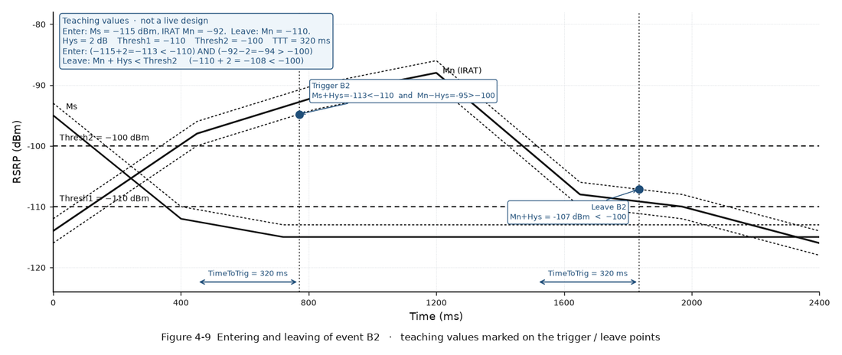

Combined summary

Combined summary

1. An event is an indication of signal quality. Table 4-8 is the definition of each event (A1–A5, B1, B2).
2. Every event uses hysteresis and TimeToTrig. The entering or leaving inequality must stay true for the whole TimeToTrig.
3. Worked numbers on this sheet are one teaching set (Ms = −95 dBm, Hys = 2 dB, TTT = 320 ms). They are marked on each chart at the trigger and leave points. They are not a live design and must not go in the Value column.
4. A1 serving good / A2 serving poor. A3 neighbour relatively better. A4 neighbour absolutely good. A5 serving poor AND neighbour good.
5. B1 / B2 are the inter-RAT pair of A4 / A5.
6. Which event a feature uses, and the live dBm, stay on Chapter 4 and the feature sheet. This sheet does not set a design value.

Parameter list

Hysteresis, threshold, offset and TimeToTrig for these events are configured in Chapter 4. Open 04 Basic Functions.
SN | MO | Parameter | Value | Comment | Core | Sub-group | Parameter Meaning | Reference
1 | INTERFREQHOGROUP | InterFreqHoA1A2Hyst | — | Hys in A1/A2. Live value is on Chapter 4. | Tune | Event A1 / A2 | Hysteresis Hys applied to entering and leaving conditions of events A1 and A2. | LBFD-002018 · Mobility Management in Connected Mode Feature Parameter Description · eRAN21.1 Issue 08 · §4.1.4.2.1
2 | INTERFREQHOGROUP | InterFreqHoA1A2TimeToTrig | — | TimeToTrig for A1/A2. Must hold for the whole duration. | Tune | Event A1 / A2 | Duration TimeToTrig that A1/A2 entering or leaving condition must hold. | LBFD-002018 · Mobility Management in Connected Mode Feature Parameter Description · eRAN21.1 Issue 08 · §4.1.4.2.1
3 | INTRAFREQHOGROUP | IntraFreqHoA3Offset | — | Off in intra-frequency A3. Live value is on Chapter 4. | Tune | Event A3 | Offset Off added on the serving side of intra-frequency event A3. | LBFD-002018 · Mobility Management in Connected Mode Feature Parameter Description · eRAN21.1 Issue 08 · §4.1.4.2.1
4 | INTERFREQHOGROUP | InterFreqHoA3Offset | — | Off in inter-frequency A3. Live value is on Chapter 4. | Tune | Event A3 | Offset Off added on the serving side of inter-frequency event A3. | LBFD-002018 · Mobility Management in Connected Mode Feature Parameter Description · eRAN21.1 Issue 08 · §4.1.4.2.1
5 | INTERFREQHOGROUP | InterFreqHoA4Hyst | — | Hys in A4: Mn+Ofn+Ocn−Hys > Thresh. | Tune | Event A4 | Hysteresis Hys in the event A4 formula. | LBFD-002018 · Mobility Management in Connected Mode Feature Parameter Description · eRAN21.1 Issue 08 · §4.1.4.2.1
6 | INTERFREQHOGROUP | InterFreqHoA4TimeToTrig | not 5120 ms | 5120 ms disables FreqPri, CQI and service-based IFHO (eRAN21.1 Table 4-9). | Yes | Event A4 | Duration TimeToTrig for event A4. 5120 ms is treated as disable for FreqPri / CQI / service IFHO. | LBFD-002018 · Mobility Management in Connected Mode Feature Parameter Description · eRAN21.1 Issue 08 · Table 4-9
7 | — | — | — | A5 / B1 / B2 Hys, TTT and thresholds: Chapter 4 parameter list. | — | → Ch.4 | This sheet is Table 4-8 and the entering/leaving charts. Remaining event parameters stay on 04 Basic Functions. | LBFD-002018 · Mobility Management in Connected Mode Feature Parameter Description · eRAN21.1 Issue 08 · §4.1.4

Feature Activation

Step by Step MML Commands

This sheet is event definitions (Table 4-8). Activation is the Chapter 4 basic commands. Open 04 Basic Functions for flags, object cap and SMeasure.
SN | MML with Value |  |  | Target |  | Feature | Additional Comments | Ref
1 | MOD CELLHOPARACFG: LocalCellId=<LocalCellId>, HoModeSwitch=UtranPsHoSwitch-1&UtranRedirectSwitch-1&GeranRedirectSwitch-1; |  |  | //Setting policy switches of E-UTRAN to UTRAN or GERAN handovers |  | Basic | Replace <LocalCellId>. Bit -1 = ON. Leave a bit -0 if that RAT is not used. | LBFD-002018 · §4 / §5.4 / §5.5
2 | MOD ENODEBALGOSWITCH: HoModeSwitch=UtranVoipCapSwitch-1&GeranPsHoSwitch-1&GeranNaccSwitch-1&GeranCcoSwitch-1, RedirectSwitch=GeranFlashRedirectSwitch-1&UtranFlashRedirectSwitch-1; |  |  | //Setting VoIP / GERAN PS HO / NACC / CCO and flash-redirect capability |  | Basic | Capability bits. Set only what the target RNC/BSC actually supports. | LBFD-002018 · §4
3 | MOD EUTRANINTERNFREQ: DlEarfcn=<DlEarfcn>, FreqMeasFlag=MEASURE; |  |  | //Setting FREQ_MEAS_FLAG so the frequency is measured |  | Basic | Silent no-HO if this flag is off. | LBFD-002018 · §4.1.4
4 | MOD EUTRANINTERNFREQ: DlEarfcn=<DlEarfcn>, HoTrgFreqForbidMeasFlag=BOOLEAN_FALSE; |  |  | //Deselecting HO_TRG_FREQ_FORBID_MEAS_FLAG for required HO targets |  | Basic | Must be off for frequencies that are allowed as HO targets. | LBFD-002018 · §4.1.4
5 | MOD EUTRANINTERFREQNCELL: LocalCellId=<LocalCellId>, Mcc=<MCC>, Mnc=<MNC>, eNodeBId=<eNBId>, CellId=<CID>, NoHoFlag=PERMIT_HO; |  |  | //Allowing the neighbouring cell as an HO target |  | Basic | Replace PLMN / eNodeB / cell IDs with the live neighbour. | LBFD-002018 · §4.1.4
6 | MOD CELLUEMEASCONTROLCFG: LocalCellId=<LocalCellId>, MaxNonIntraMeasObjNum=<N>; |  |  | //Setting non-intra measurement object capacity |  | Basic | N ≥ objects this cell must measure. Over cap = random drop, not MLB. | LBFD-002018 · Table 4-3
7 | MOD INTRARATHOCOMM: InterFreqHoA1A2TrigQuan=RSRP, InterFreqHoA4TrigQuan=RSRP; |  |  | //Setting A1/A2 and A4 trigger quantity to RSRP |  | Basic | RSRQ moves with scheduler load. RSRP recommended. | LBFD-002018 · §4.1.4
8 | MOD INTERFREQHOGROUP: LocalCellId=<LocalCellId>, InterFreqHoGroupId=<HoGroupId>, InterFreqHoA4TimeToTrig=320; |  |  | //Setting A4 TimeToTrig (must not be 5120 ms) |  | Basic | 5120 ms disables FreqPri / CQI / service-based IFHO (Table 4-9). 320 is an example, not a design. | LBFD-002018 · Table 4-9
9 | MOD HOMEASCOMM: SMeasure=<from MR>; |  |  | //Setting SMeasure from MR |  | Basic | Calibrate from MR. A too-high SMeasure silently kills A4. Do not copy book command-example dBm. | LBFD-002018 · §4.1.5
10 | MOD CELLHO: LocalCellId=<LocalCellId>, IntraRatHoRprtAmount=1; |  |  | //Setting event-triggered intra-RAT reporting |  | Basic | Amount = 1 means event-triggered. Do not periodical-ise HO events. | LBFD-002018 · §4.1.5
11 | MOD CELLHO: LocalCellId=<LocalCellId>, InterRatHoRprtAmount=1; |  |  | //Setting event-triggered inter-RAT reporting |  | Basic | Amount = 1 means event-triggered for B1/B2. | LBFD-002018 · §4.1.5

