Cover
Bogura Drive-Test Report
Generated 2026-09-13 07:59 | IDLE Mode | Gridlines off | Freeze panes off
IDLE Mode

RSRP histogram
RSRQ histogram
Dataset |  |  | Radio KPIs (all samples) |  |  |  |  |  |  |  | RSRP, RSRQ and SINR plots (native Excel charts with legends)
Item | Value |  | KPI | Count | Min | P5 | Median | Mean | P95 | Max
Mode | IDLE (scanner) |  | RSRP | 1,177,963 | -155.19 | -132.65 | -100.33 | -101.33 | -71.86 | -44.52
Generated | 2026-09-13 07:59 |  | RSRQ | 1,177,963 | -59.66 | -33.59 | -18.43 | -19.59 | -10.95 | 0.00
Archive | Borga_Idle_V2.0.7z |  | SINR | 1,163,267 | -41.32 | -19.75 | -5.02 | -3.47 | 17.16 | 45.00
CSV files | 15
Merged samples | 1,178,276
Start time | 2026-05-11
End time | 2026-05-21
Unique Cell Ids | 5,132
Longitude range | 88.87570 – 89.75081
Latitude range | 23.83306 – 25.56161

How to read this workbook
Cover — dataset and KPI tables on the left, IDLE Mode plots on the right, Active Mode section at the bottom.
RSRP / RSRQ / SINR — Idle V2.0 scanner: combined all-band map on top (with bad spots marked), then L900 / L1800 / L2100 / L2600 IDLE maps (strongest band per scanner sweep, no site pies); Active Mode stays blank until those logs are provided.
Bad Spot RSRP / RSRQ / SINR — one sheet per KPI: combined all-band view with marks on top, then zoomed local inspection. RSRP poor below -115 dBm (magenta/red); RSRQ below -20 dB (red); SINR below 0 dB (orange/red).
RSRP vs KPIs — RSRP vs SINR, RSRP vs RSRQ, dual-axis combined chart, and scatter with trend.
SINR histogram
RSRP ranges (dBm)
Sample Log — evenly spaced subset of the merged samples (full merged scanner log stays in output/Bogura_merged.csv.gz).
These files are IDLE Mode. Active Mode coverage maps will be added when those logs are provided.
Band mix (DL EARFCN) |  |  |  | RSRP ranges (dBm)
Band | Samples | Share |  | Range | Samples | Share
B8 900 MHz (8) | 334,480 | 28.4% |  | -90 <= X < Max | 328,354 | 27.9%
B1 2100 MHz (1) | 298,935 | 25.4% |  | -100 <= X < -90 | 252,506 | 21.4%
B3 1800 MHz (3) | 277,097 | 23.5% |  | -110 <= X < -100 | 232,485 | 19.7%
B41 2500 MHz (41) | 267,764 | 22.7% |  | -115 <= X < -110 | 88,230 | 7.5%
 |  |  |  | -120 <= X < -115 | 68,671 | 5.8%
 |  |  |  | -Min <= X < -120 | 207,717 | 17.6%

 |  |  |  | Ranges match the coverage-map legend: -90 <= X < Max (blue) down to RSRP < -120 (red).

Active Mode

RSRP
RSRP Report
Unit: dBm | IDLE Mode coverage map | Gridlines off

RSRP coverage map — IDLE Mode | Combined view | bad spots | RSRP coverage map — Active Mode

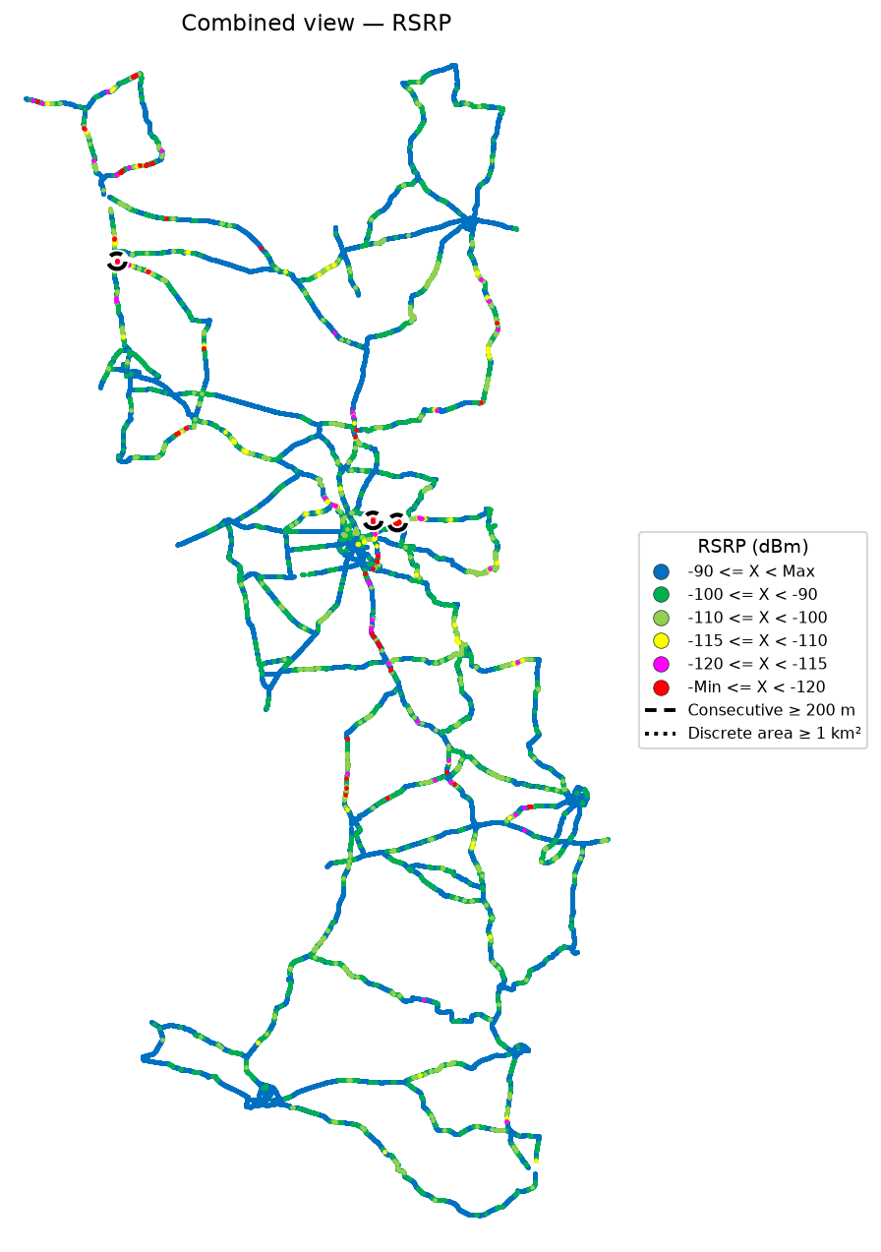


RSRP coverage map — IDLE Mode_L900 | RSRP coverage map — Active Mode_L900

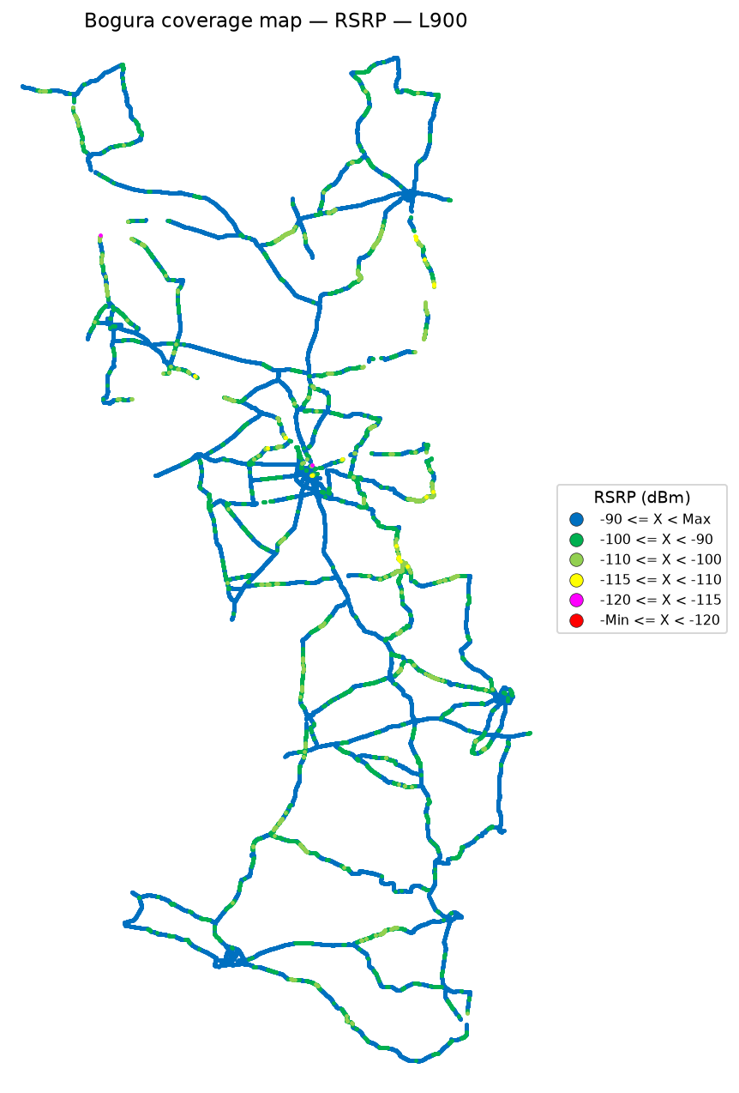

 | Log file will be provided later

RSRP coverage map — IDLE Mode_L1800 | RSRP coverage map — Active Mode_L1800

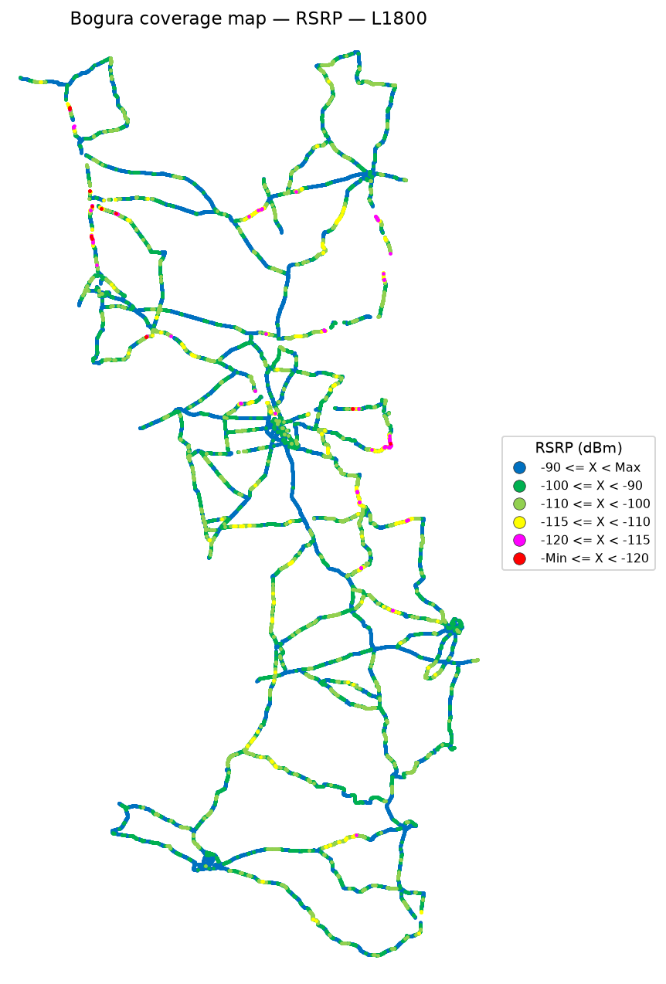

 | Log file will be provided later

RSRP coverage map — IDLE Mode_L2100 | RSRP coverage map — Active Mode_L2100

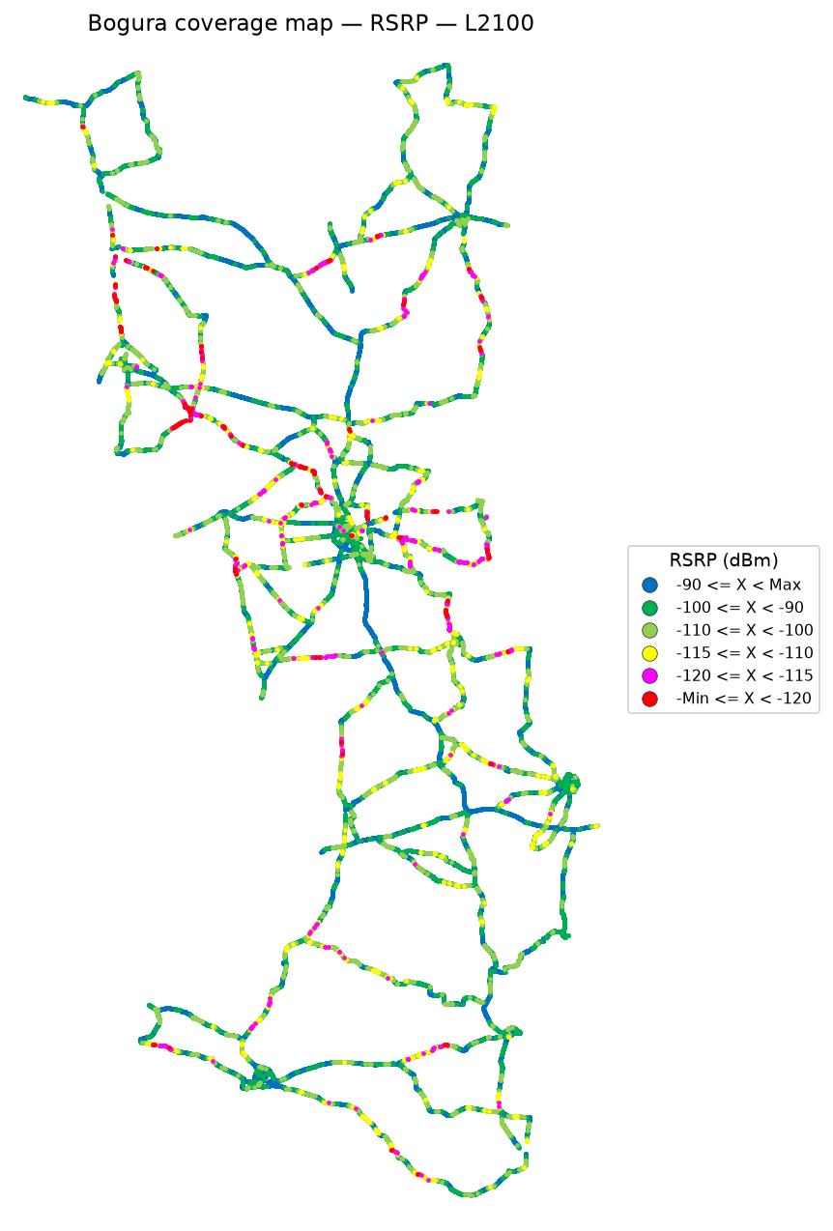

 | Log file will be provided later

RSRP coverage map — IDLE Mode_L2600 | RSRP coverage map — Active Mode_L2600

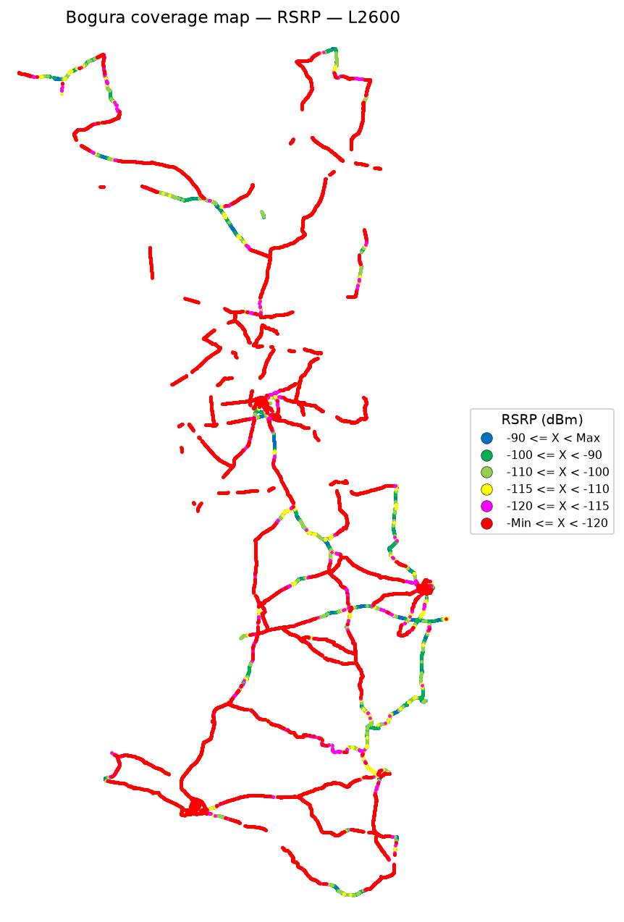

 | Log file will be provided later

RSRQ
RSRQ Report
Unit: dB | IDLE Mode coverage map | Gridlines off

RSRQ coverage map — IDLE Mode | Combined view | bad spots | RSRQ coverage map — Active Mode

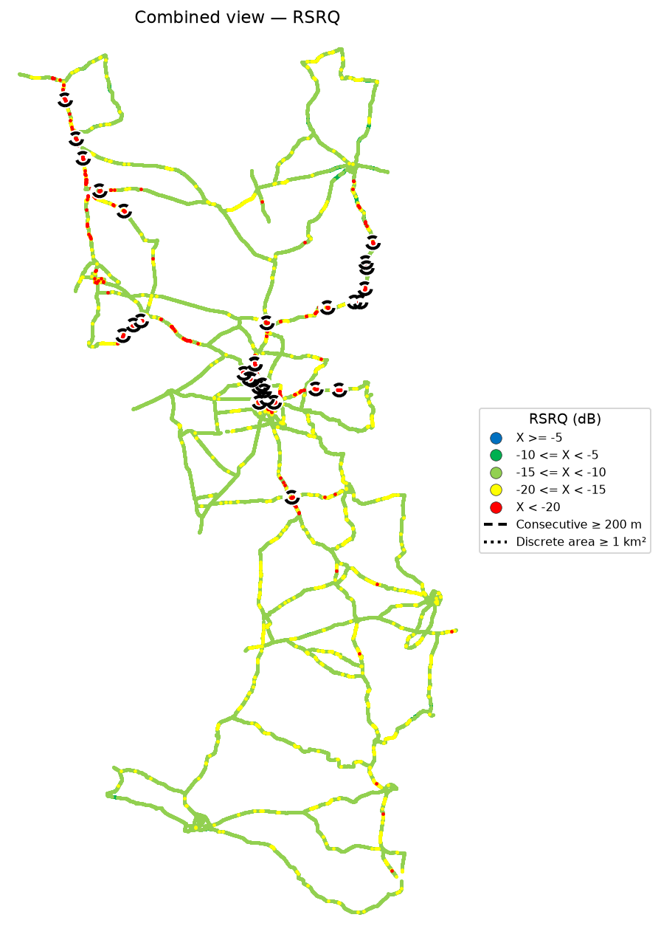

RSRQ coverage map — IDLE Mode_L900 | RSRQ coverage map — Active Mode_L900

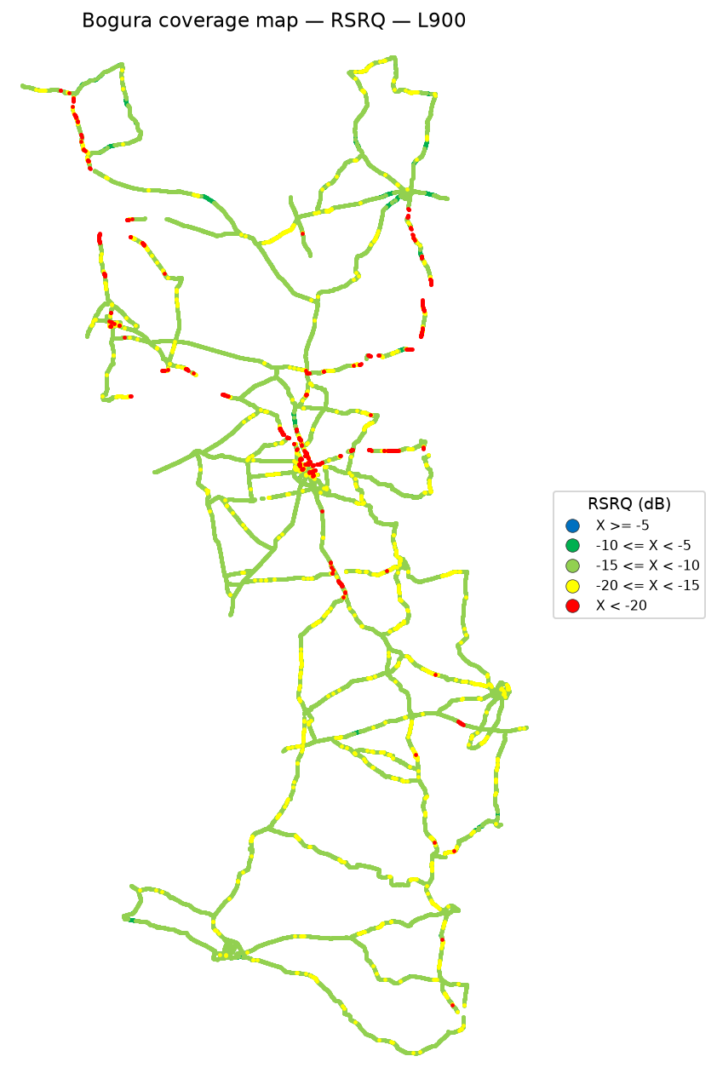

 | Log file will be provided later

RSRQ coverage map — IDLE Mode_L1800 | RSRQ coverage map — Active Mode_L1800

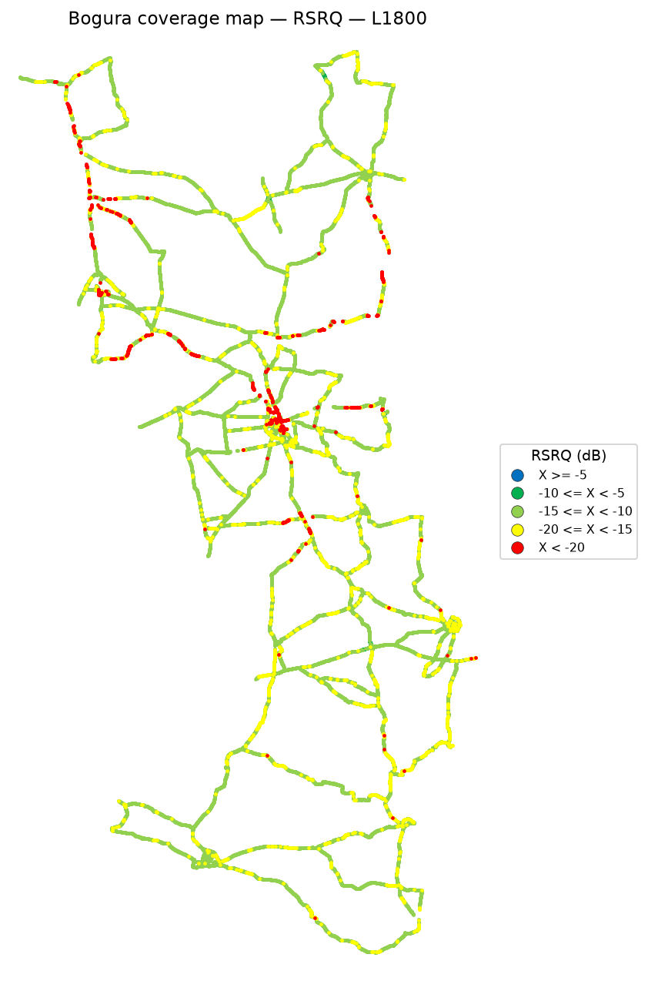

 | Log file will be provided later

RSRQ coverage map — IDLE Mode_L2100 | RSRQ coverage map — Active Mode_L2100

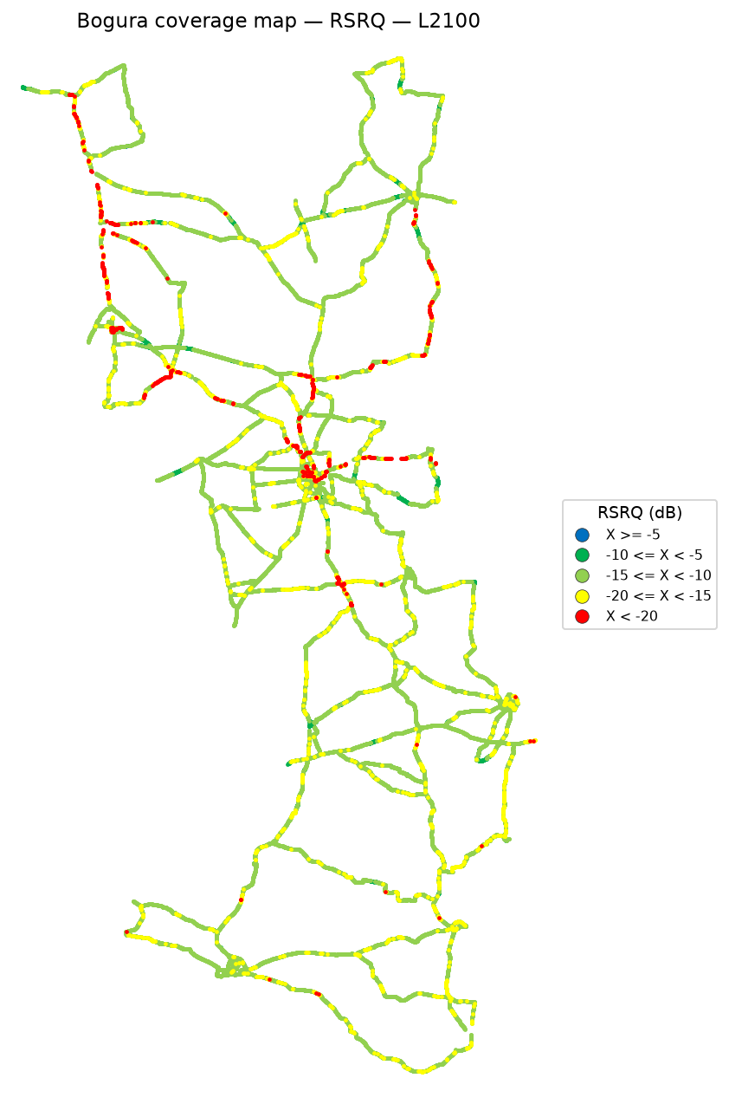

 | Log file will be provided later

RSRQ coverage map — IDLE Mode_L2600 | RSRQ coverage map — Active Mode_L2600

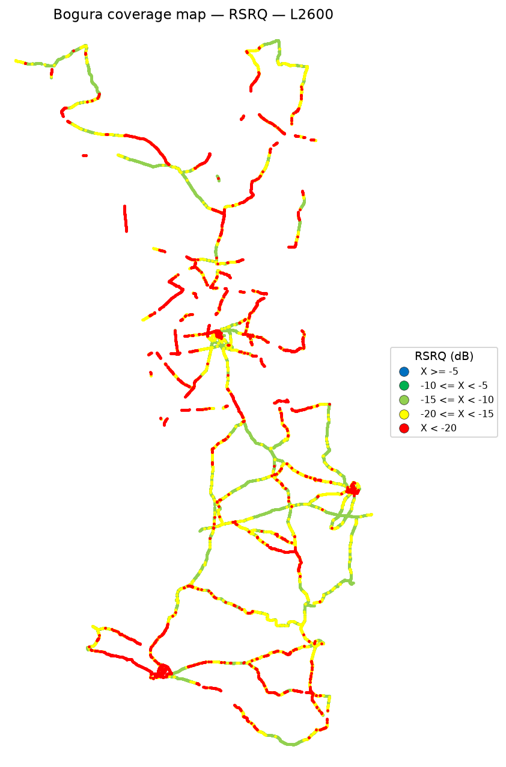

 | Log file will be provided later

SINR
SINR Report
Unit: dB | IDLE Mode coverage map | Gridlines off

SINR coverage map — IDLE Mode | Combined view | bad spots | SINR coverage map — Active Mode

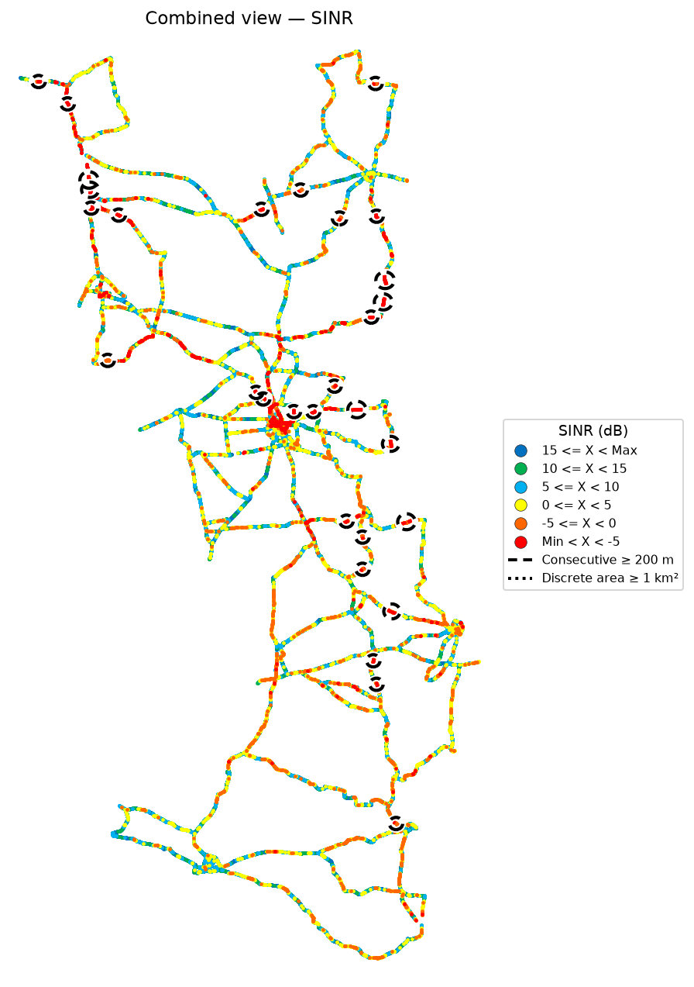

SINR coverage map — IDLE Mode_L900 | SINR coverage map — Active Mode_L900

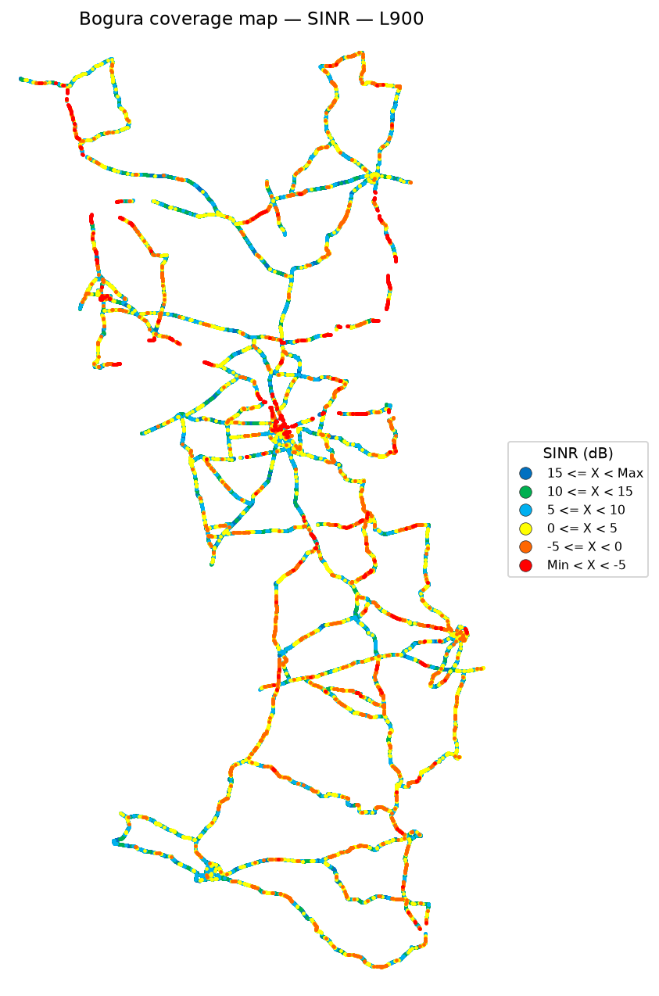

 | Log file will be provided later

SINR coverage map — IDLE Mode_L1800 | SINR coverage map — Active Mode_L1800

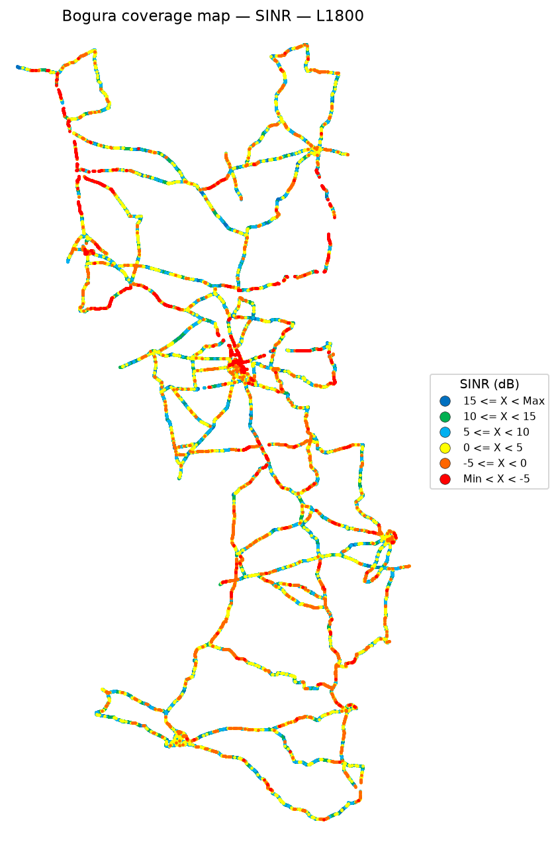

 | Log file will be provided later

SINR coverage map — IDLE Mode_L2100 | SINR coverage map — Active Mode_L2100

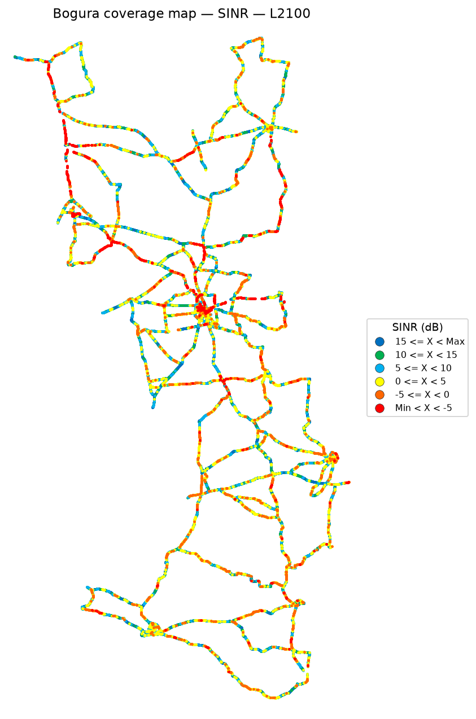

 | Log file will be provided later

SINR coverage map — IDLE Mode_L2600 | SINR coverage map — Active Mode_L2600

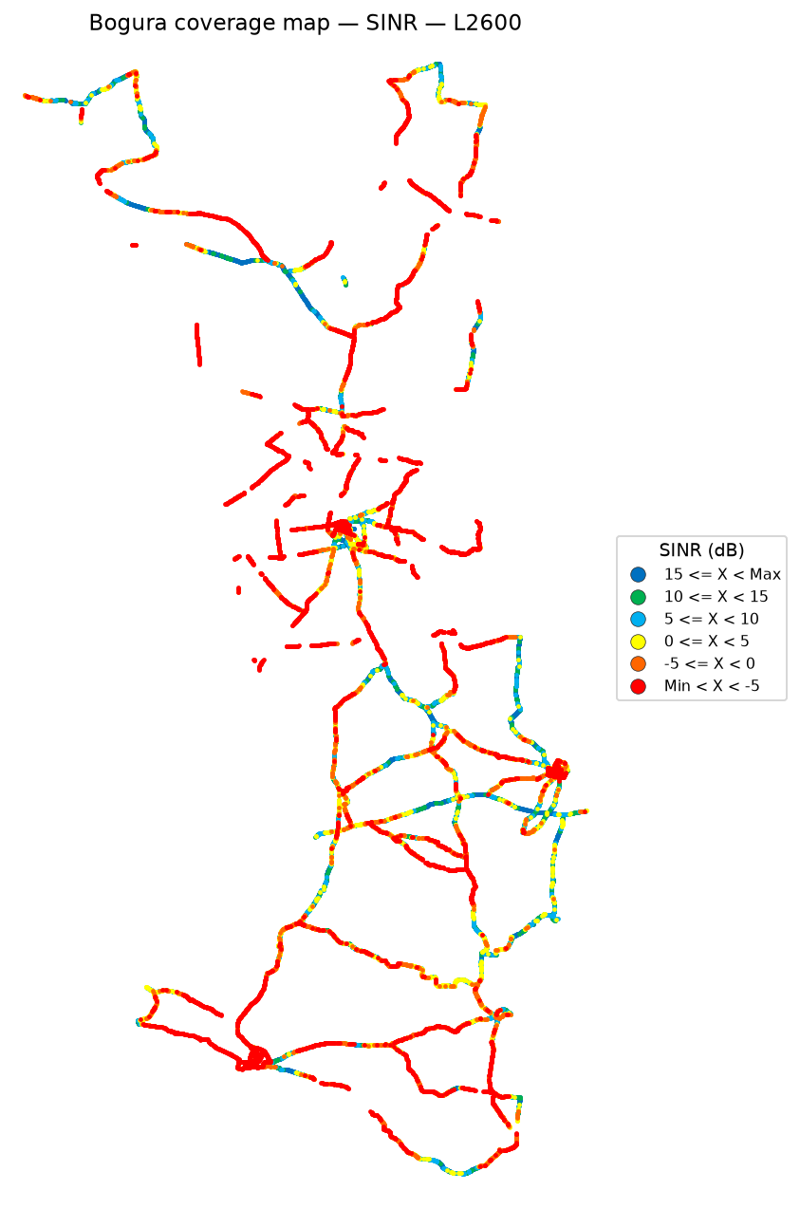

 | Log file will be provided later

Bad Spot RSRQ
Bad Spot Analysis — RSRQ
IDLE Mode | Combined all-band view on top | Zoomed spots | No numbering
IDLE Mode
Poor samples are RSRQ below -20 dB (red). The combined view at the top is the same all-band best-server map as the RSRQ sheet, with bad spots marked. Maps and rules read the same 50 m road bins: a bin is coloured by the median of the samples measured in it and counts as poor only when that median is below the threshold, and poor bins are drawn on top of good ones. A circle can therefore only sit on colour you can see. Consecutive poor coverage of at least 200 m is a thin black dashed oval, and a discrete patch of at least 1 km² is a thin black dotted circle. The rules find 43 consecutive RSRQ stretch(es) of at least 200 m and 0 discrete area(s) of at least 1 km². The 30 longest stretches are mapped and listed below. The longest poor stretch that misses the rule is 200 m, so shorter poor patches on the map are left unmarked. Numbers are not drawn on the maps.

Combined view — all-band IDLE | RSRQ bad spots

RSRQ zoomed locations

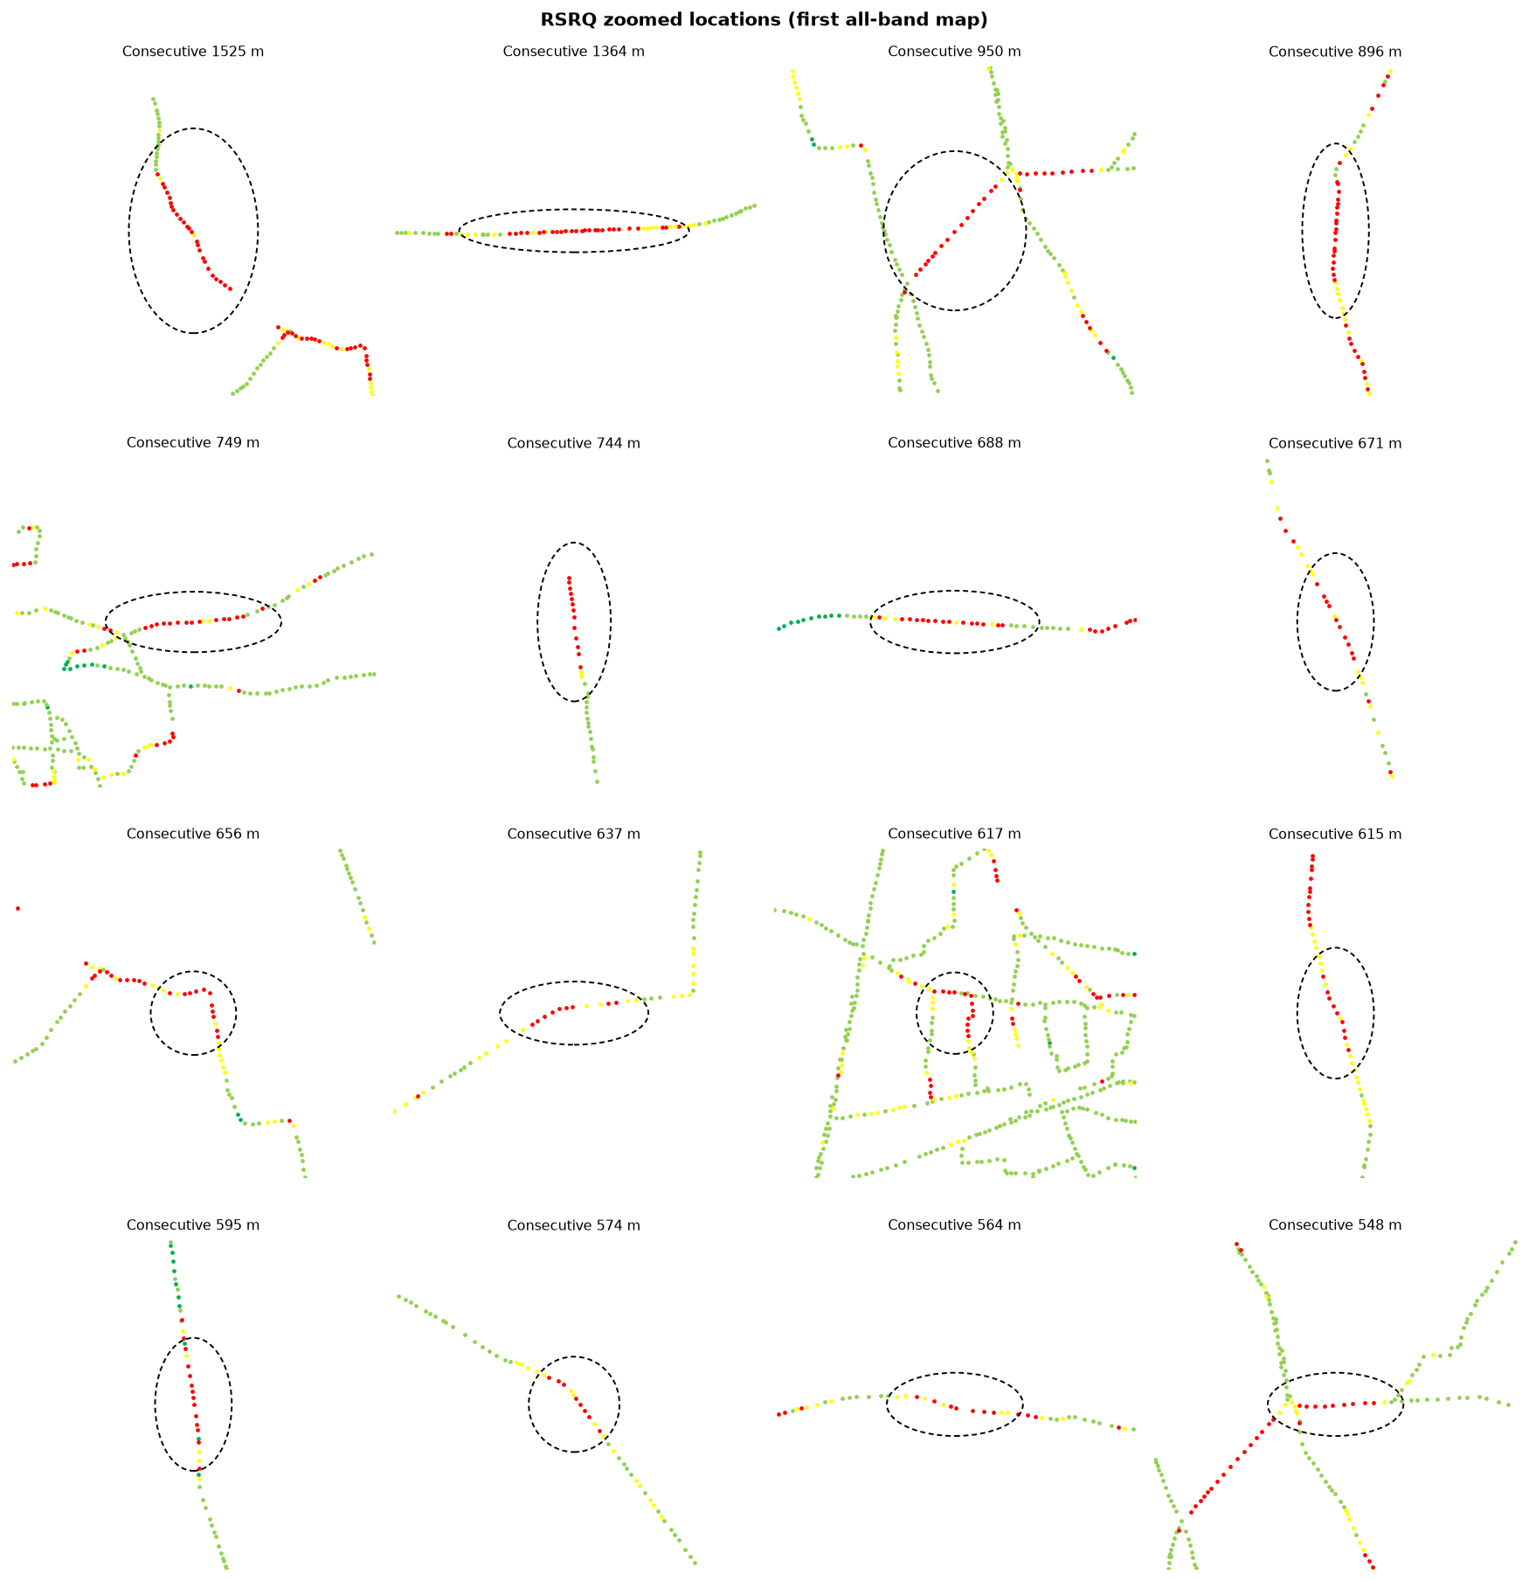

Identified RSRQ bad spots
Type | Latitude | Longitude | Samples | Poor samples | Poor share | Mean KPI | Mean RSRP | Mean RSRQ | Mean SINR | Length (m) | Area (km²) | Top Cell Id
Consecutive ≥ 200 m | 24.91155 | 89.32595 | 35 | 34 | 76.1% | -26.73 | -91.30 | -26.14 | -5.49 | 1,525 | 0.08 | 148494091
Consecutive ≥ 200 m | 24.87870 | 89.51794 | 26 | 26 | 72.2% | -24.41 | -91.91 | -23.87 | -5.95 | 1,364 | 0.00 | 148504843
Consecutive ≥ 200 m | 24.88473 | 89.35633 | 14 | 14 | 72.0% | -27.97 | -94.08 | -27.71 | -10.04 | 950 | 0.00 | 148489748
Consecutive ≥ 200 m | 25.13405 | 89.57045 | 19 | 19 | 79.2% | -25.36 | -103.49 | -25.36 | -13.92 | 896 | 0.01 | 145929229
Consecutive ≥ 200 m | 24.85423 | 89.38650 | 21 | 18 | 72.0% | -25.15 | -88.05 | -24.70 | -8.49 | 749 | 0.01 | 148527118
Consecutive ≥ 200 m | 25.34289 | 89.00364 | 14 | 14 | 82.4% | -29.90 | -99.78 | -29.90 | -14.79 | 744 | 0.00 | 133145103
Consecutive ≥ 200 m | 25.05490 | 89.54736 | 15 | 15 | 77.3% | -21.88 | -86.90 | -21.13 | -9.67 | 688 | 0.00 | 145969421
Consecutive ≥ 200 m | 25.45925 | 88.96799 | 12 | 11 | 73.3% | -24.18 | -103.34 | -23.81 | -10.73 | 671 | 0.01 | 133144587
Consecutive ≥ 200 m | 24.89923 | 89.34310 | 15 | 14 | 70.0% | -22.73 | -109.67 | -22.11 | -2.70 | 656 | 0.05 | 148563990
Consecutive ≥ 200 m | 25.01722 | 89.11950 | 12 | 12 | 80.0% | -24.58 | -100.36 | -23.43 | -7.99 | 637 | 0.02 | 151057419
Consecutive ≥ 200 m | 24.85430 | 89.35784 | 32 | 29 | 59.3% | -26.35 | -83.24 | -23.56 | -4.82 | 617 | 0.05 | 148496652
Consecutive ≥ 200 m | 25.12359 | 89.57224 | 11 | 11 | 64.7% | -22.10 | -102.71 | -21.36 | -10.69 | 615 | 0.01 | 145929229
Consecutive ≥ 200 m | 24.93027 | 89.34818 | 10 | 10 | 57.1% | -35.92 | -80.71 | -25.07 | 0.20 | 595 | 0.00 | 148563477
Consecutive ≥ 200 m | 25.23709 | 89.08621 | 9 | 9 | 64.3% | -22.38 | -97.37 | -21.29 | -7.59 | 574 | 0.02 | 151045131
Consecutive ≥ 200 m | 24.88065 | 89.47041 | 7 | 7 | 70.0% | -22.32 | -112.03 | -21.65 | -10.88 | 564 | 0.01 | 148483348
Consecutive ≥ 200 m | 24.88892 | 89.36314 | 11 | 10 | 58.8% | -21.85 | -88.15 | -21.85 | -5.78 | 548 | 0.00 | 148489748
Consecutive ≥ 200 m | 25.05508 | 89.56063 | 30 | 29 | 91.4% | -27.96 | -101.87 | -27.96 | -16.24 | 521 | 0.01 | 145929739
Consecutive ≥ 200 m | 24.66375 | 89.42177 | 15 | 15 | 54.8% | -25.95 | -95.74 | -23.77 | -9.76 | 506 | 0.01 | 148505364
Consecutive ≥ 200 m | 25.01319 | 89.37197 | 11 | 8 | 53.3% | -25.19 | -91.70 | -24.01 | -10.24 | 448 | 0.00 | 148516620
Consecutive ≥ 200 m | 25.08237 | 89.56901 | 11 | 9 | 54.2% | -22.66 | -99.24 | -20.70 | -8.01 | 445 | 0.00 | 145929229
Consecutive ≥ 200 m | 24.90126 | 89.33660 | 15 | 15 | 75.0% | -33.48 | -87.75 | -31.32 | -11.08 | 430 | 0.01 | 148495628
Consecutive ≥ 200 m | 24.93113 | 89.34805 | 6 | 0 | 53.8% | -9.75 | -76.77 | -24.49 | 1.43 | 405 | 0.00 | 148563477
Consecutive ≥ 200 m | 25.27752 | 89.03720 | 9 | 7 | 63.6% | -26.26 | -93.32 | -24.76 | -3.81 | 404 | 0.01 | 133125652
Consecutive ≥ 200 m | 25.17373 | 89.58461 | 8 | 7 | 80.0% | -21.55 | -105.64 | -20.85 | -5.23 | 398 | 0.00 | 145920269
Consecutive ≥ 200 m | 24.98785 | 89.08384 | 5 | 5 | 83.3% | -24.52 | -99.22 | -22.27 | -5.21 | 383 | 0.00 | 151041552
Consecutive ≥ 200 m | 25.04388 | 89.49402 | 8 | 8 | 88.9% | -28.54 | -94.95 | -28.54 | -13.52 | 368 | 0.01 | 148564235
Consecutive ≥ 200 m | 24.86093 | 89.37257 | 9 | 8 | 68.4% | -27.38 | -89.37 | -25.18 | -7.57 | 349 | 0.00 | 148491536
Consecutive ≥ 200 m | 24.87712 | 89.36643 | 9 | 7 | 50.0% | -20.96 | -87.72 | -20.21 | -1.85 | 332 | 0.00 | 148489740
Consecutive ≥ 200 m | 25.00876 | 89.10515 | 6 | 4 | 50.0% | -22.49 | -108.64 | -19.92 | -6.21 | 331 | 0.00 | 151054350
Consecutive ≥ 200 m | 25.38173 | 88.98972 | 5 | 5 | 45.5% | -24.92 | -70.25 | -19.54 | 0.66 | 323 | 0.00 | 133122060
Combined view is the first all-band coverage map with thin black outlines on poor stretches. Poor share is the share of raw samples inside the spot box that are below the threshold: a low value means the road is poor on some passes only. Short poor patches that never reach 200 m of continuous poor coverage are left unmarked by design. Map numbers are omitted.

Bad Spot SINR
Bad Spot Analysis — SINR
IDLE Mode | Combined all-band view on top | Zoomed spots | No numbering
IDLE Mode
Poor samples are SINR below 0 dB (orange and red). The combined view at the top is the same all-band best-server map as the SINR sheet, with bad spots marked. Maps and rules read the same 50 m road bins: a bin is coloured by the median of the samples measured in it and counts as poor only when that median is below the threshold, and poor bins are drawn on top of good ones. A circle can therefore only sit on colour you can see. Consecutive poor coverage of at least 200 m is a thin black dashed oval, and a discrete patch of at least 1 km² is a thin black dotted circle. The rules find 262 consecutive SINR stretch(es) of at least 200 m and 0 discrete area(s) of at least 1 km². The 30 longest stretches are mapped and listed below. The longest poor stretch that misses the rule is 199 m, so shorter poor patches on the map are left unmarked. Numbers are not drawn on the maps.

Combined view — all-band IDLE | SINR bad spots

SINR zoomed locations

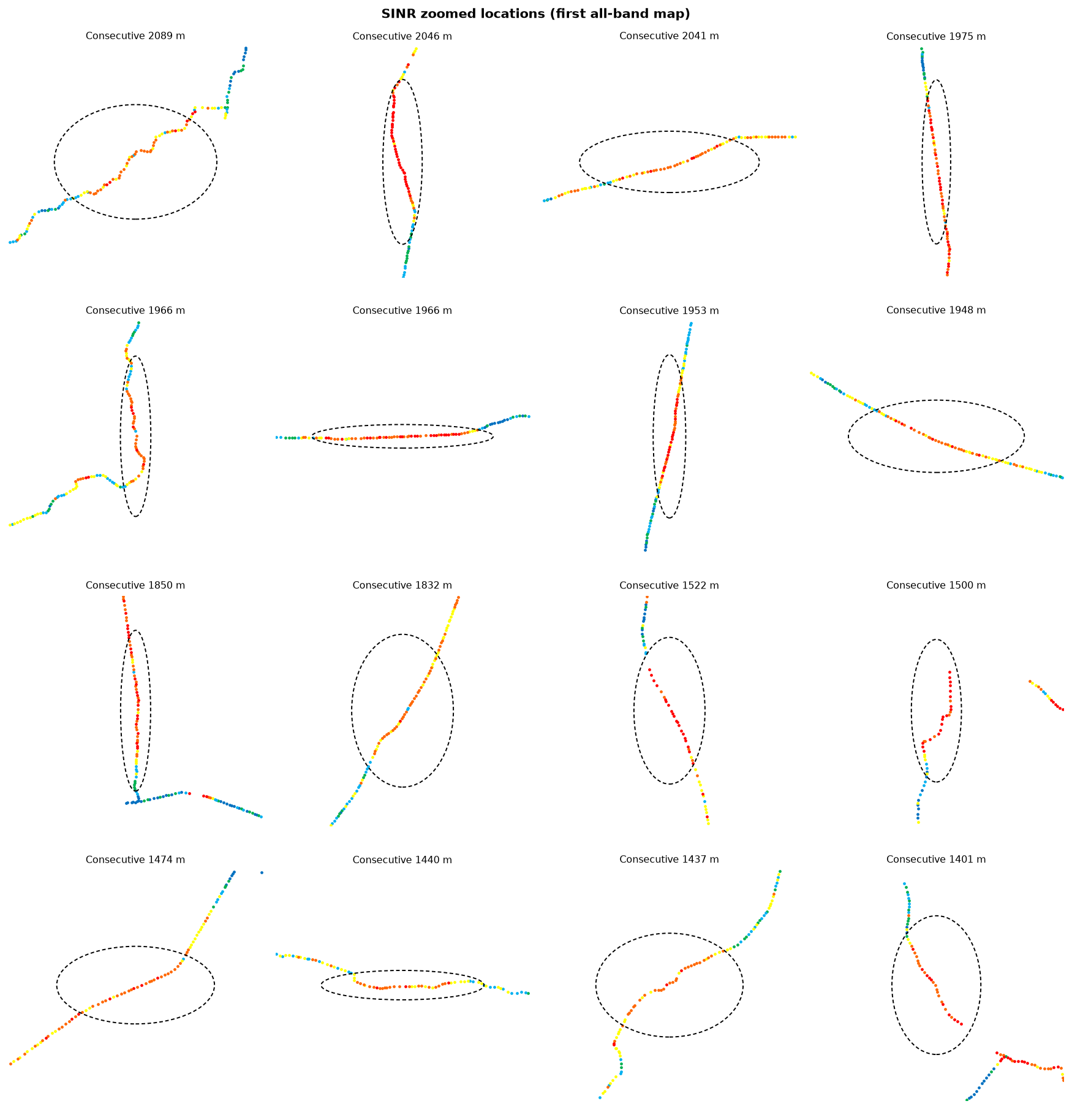

Identified SINR bad spots
Type | Latitude | Longitude | Samples | Poor samples | Poor share | Mean KPI | Mean RSRP | Mean RSRQ | Mean SINR | Length (m) | Area (km²) | Top Cell Id
Consecutive ≥ 200 m | 24.57373 | 89.52833 | 59 | 52 | 62.6% | -2.62 | -94.94 | -14.73 | -1.29 | 2,089 | 0.23 | 148510220
Consecutive ≥ 200 m | 25.12507 | 89.57196 | 42 | 41 | 84.2% | -9.27 | -95.12 | -20.02 | -8.54 | 2,046 | 0.13 | 145929229
Consecutive ≥ 200 m | 24.66446 | 89.61372 | 39 | 35 | 70.4% | -2.65 | -102.20 | -15.25 | -2.18 | 2,041 | 0.12 | 171576076
Consecutive ≥ 200 m | 25.31610 | 89.00740 | 31 | 30 | 83.3% | -5.31 | -95.33 | -17.02 | -4.74 | 1,975 | 0.00 | 133145103
Consecutive ≥ 200 m | 24.81299 | 89.58323 | 45 | 44 | 76.3% | -2.54 | -105.88 | -15.00 | -1.90 | 1,966 | 0.27 | 51233805
Consecutive ≥ 200 m | 24.87876 | 89.51949 | 43 | 43 | 94.3% | -6.08 | -90.38 | -21.88 | -6.08 | 1,966 | 0.01 | 148504843
Consecutive ≥ 200 m | 25.08424 | 89.56922 | 63 | 60 | 77.9% | -6.78 | -98.84 | -18.41 | -5.86 | 1,953 | 0.06 | 145929229
Consecutive ≥ 200 m | 24.49288 | 89.58648 | 67 | 50 | 62.4% | -1.70 | -100.71 | -14.68 | -1.25 | 1,948 | 0.09 | 171526925
Consecutive ≥ 200 m | 25.29751 | 89.00952 | 30 | 30 | 75.6% | -6.12 | -107.20 | -19.06 | -5.22 | 1,850 | 0.08 | 133145109
Consecutive ≥ 200 m | 25.24316 | 89.48584 | 32 | 30 | 61.1% | -2.07 | -101.52 | -14.57 | -0.92 | 1,832 | 0.10 | 145922571
Consecutive ≥ 200 m | 25.46078 | 88.96713 | 24 | 24 | 96.3% | -9.52 | -104.66 | -21.69 | -9.52 | 1,522 | 0.04 | 133144587
Consecutive ≥ 200 m | 25.26208 | 89.01197 | 26 | 26 | 89.7% | -7.69 | -111.10 | -19.11 | -7.69 | 1,500 | 0.19 | 151044112
Consecutive ≥ 200 m | 25.26043 | 89.33686 | 26 | 26 | 81.8% | -3.41 | -104.34 | -16.09 | -3.23 | 1,474 | 0.05 | 145931789
Consecutive ≥ 200 m | 25.50037 | 89.55773 | 74 | 66 | 78.2% | -2.09 | -96.98 | -14.25 | -1.67 | 1,440 | 0.10 | 145971981
Consecutive ≥ 200 m | 24.92394 | 89.47632 | 33 | 31 | 68.8% | -3.11 | -98.23 | -15.17 | -2.22 | 1,437 | 0.08 | 148560396
Consecutive ≥ 200 m | 24.91118 | 89.32616 | 34 | 33 | 82.9% | -6.42 | -93.56 | -26.83 | -6.42 | 1,401 | 0.08 | 148494091
Consecutive ≥ 200 m | 25.24966 | 89.06373 | 29 | 28 | 70.0% | -5.16 | -106.87 | -17.09 | -4.11 | 1,393 | 0.02 | 151044116
Consecutive ≥ 200 m | 24.90020 | 89.33974 | 34 | 34 | 78.8% | -7.66 | -100.15 | -25.62 | -6.09 | 1,378 | 0.22 | 148563990
Consecutive ≥ 200 m | 24.87464 | 89.43610 | 26 | 26 | 60.0% | -5.36 | -128.04 | -17.30 | -4.43 | 1,352 | 0.08 | 148500042
Consecutive ≥ 200 m | 24.39944 | 89.54964 | 27 | 25 | 72.2% | -2.21 | -93.23 | -14.92 | -1.64 | 1,310 | 0.03 | 171538700
Consecutive ≥ 200 m | 25.24724 | 89.55579 | 19 | 19 | 75.0% | -5.21 | -105.03 | -16.32 | -3.53 | 1,261 | 0.09 | 145958925
Consecutive ≥ 200 m | 24.87479 | 89.39822 | 19 | 19 | 90.5% | -9.28 | -116.04 | -18.51 | -9.28 | 1,142 | 0.05 | 148530710
Consecutive ≥ 200 m | 24.35487 | 89.55634 | 23 | 23 | 82.1% | -3.11 | -96.81 | -15.81 | -3.11 | 1,068 | 0.04 | 171550988
Consecutive ≥ 200 m | 25.05499 | 89.54587 | 26 | 25 | 78.1% | -8.57 | -82.42 | -19.91 | -8.02 | 1,035 | 0.00 | 145969421
Consecutive ≥ 200 m | 25.50407 | 88.91110 | 21 | 19 | 63.3% | -3.31 | -101.24 | -15.65 | -2.14 | 1,010 | 0.01 | 133202701
Consecutive ≥ 200 m | 24.08946 | 89.59341 | 19 | 19 | 79.2% | -2.31 | -90.91 | -15.09 | -2.05 | 984 | 0.01 | 168961805
Consecutive ≥ 200 m | 24.97276 | 89.04286 | 17 | 16 | 63.3% | -1.27 | -96.13 | -14.66 | -0.39 | 962 | 0.07 | 151042059
Consecutive ≥ 200 m | 24.66589 | 89.49869 | 15 | 14 | 66.7% | -2.84 | -96.75 | -15.41 | -2.29 | 926 | 0.01 | 148550411
Consecutive ≥ 200 m | 24.63543 | 89.52896 | 18 | 18 | 75.0% | -2.37 | -94.26 | -14.65 | -1.98 | 894 | 0.04 | 148524044
Consecutive ≥ 200 m | 25.29712 | 89.41119 | 14 | 13 | 61.9% | -1.71 | -100.09 | -14.83 | -1.02 | 883 | 0.01 | 145934861
Combined view is the first all-band coverage map with thin black outlines on poor stretches. Poor share is the share of raw samples inside the spot box that are below the threshold: a low value means the road is poor on some passes only. Short poor patches that never reach 200 m of continuous poor coverage are left unmarked by design. Map numbers are omitted.

RSRP vs KPIs
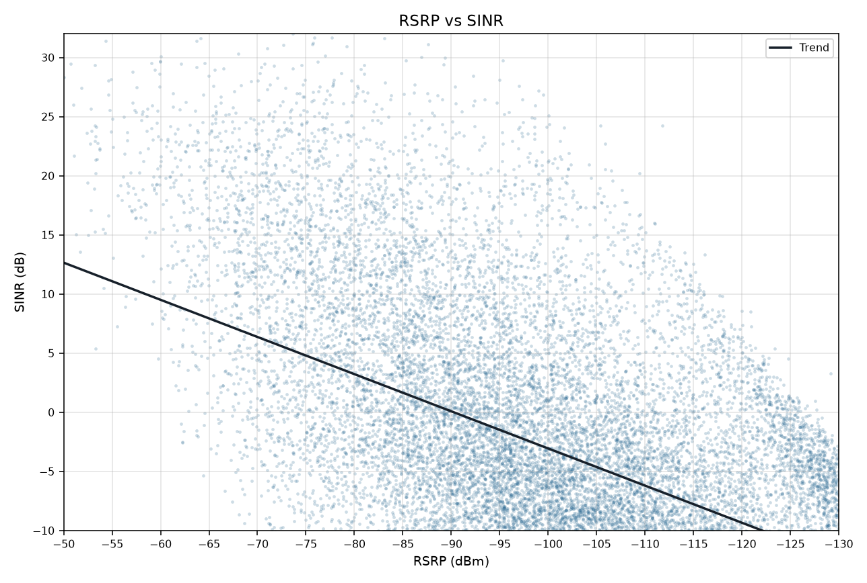
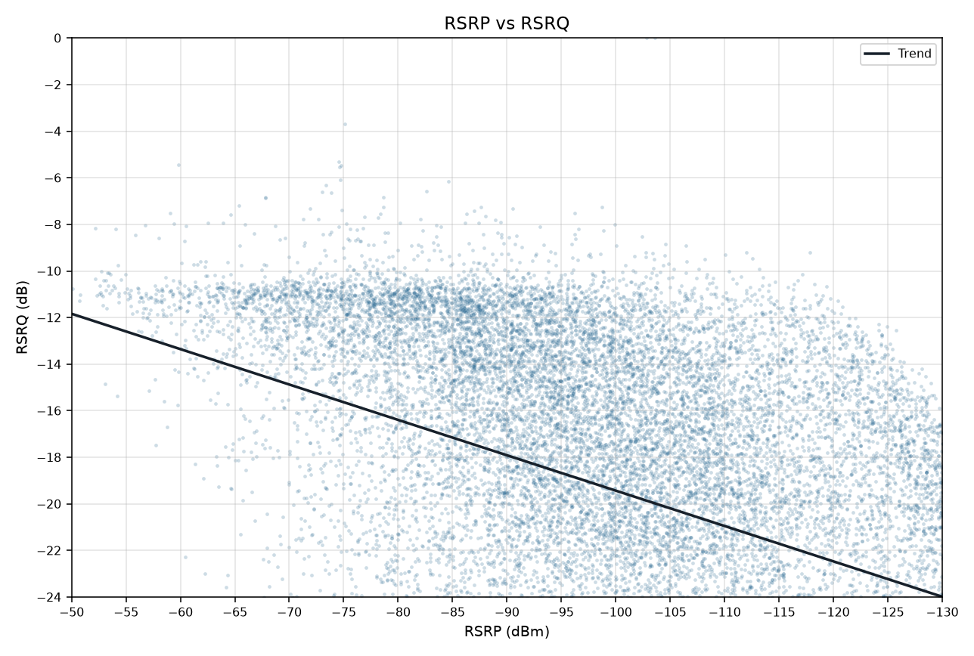
RSRP vs KPIs IDLE Mode
Idle V2.0 scanner | Smooth mean lines and scatter with trend | Gridlines off

RSRP vs SINR
RSRP vs RSRQ

RSRP vs SINR vs RSRQ

RSRP vs SINR scatter (trend line) | RSRP vs RSRQ scatter (trend line)

