Cover
Bogura Drive-Test Report
Generated 2026-09-10 11:58 | IDLE Mode | Gridlines off | Freeze panes off
IDLE Mode

RSRP histogram
RSRQ histogram
Dataset |  |  | Radio KPIs (all samples) |  |  |  |  |  |  |  | RSRP, RSRQ and SINR plots (native Excel charts with legends)
Item | Value |  | KPI | Count | Min | P5 | Median | Mean | P95 | Max
Mode | IDLE |  | RSRP | 1,075,385 | -140.00 | -119.00 | -99.50 | -99.12 | -78.40 | -48.90
Generated | 2026-09-10 11:58 |  | RSRQ | 1,075,385 | -30.00 | -17.30 | -10.20 | -10.86 | -6.30 | 10.00
P1 samples | 1,015,226 |  | SINR | 816,456 | -20.00 | -4.00 | 8.00 | 8.39 | 22.20 | 31.10
P2 samples | 60,159
Merged samples | 1,075,385
Start time | 2026-05-11
End time | 2026-05-21
Unique Cell Ids | 2,521
Longitude range | 88.87569 – 89.75081
Latitude range | 23.83306 – 25.56161

How to read this workbook
Cover — dataset and KPI tables on the left, IDLE Mode plots on the right, Active Mode section at the bottom.
RSRP / RSRQ / SINR — IDLE Mode coverage map on the left; Active Mode map on the right when those logs are provided.
RSRP vs KPIs — RSRP vs SINR, RSRP vs RSRQ, dual-axis combined chart, and scatter with trend.
Sample Log — evenly spaced subset of the merged samples (full 1.07M rows stay in output/Bogura_merged.csv.gz).
SINR histogram
RSRP ranges (dBm)
These files are IDLE Mode. Active Mode coverage maps will be added when those logs are provided.

Band mix (DL EARFCN) |  |  |  | RSRP ranges (dBm)
Band | Samples | Share |  | Range | Samples | Share
B3 1800 MHz (3) | 542,758 | 50.5% |  | -90 <= X < Max | 267,985 | 24.9%
B1 2100 MHz (1) | 455,361 | 42.3% |  | -100 <= X < -90 | 288,629 | 26.8%
B41 2500 MHz (41) | 69,783 | 6.5% |  | -110 <= X < -100 | 310,445 | 28.9%
B8 900 MHz (8) | 7,483 | 0.7% |  | -115 <= X < -110 | 105,403 | 9.8%
 |  |  |  | -120 <= X < -115 | 58,952 | 5.5%
 |  |  |  | -Min <= X < -120 | 43,971 | 4.1%

 |  |  |  | Ranges match the coverage-map legend: -90 <= X < Max (blue) down to RSRP < -120 (red).

Active Mode

RSRP
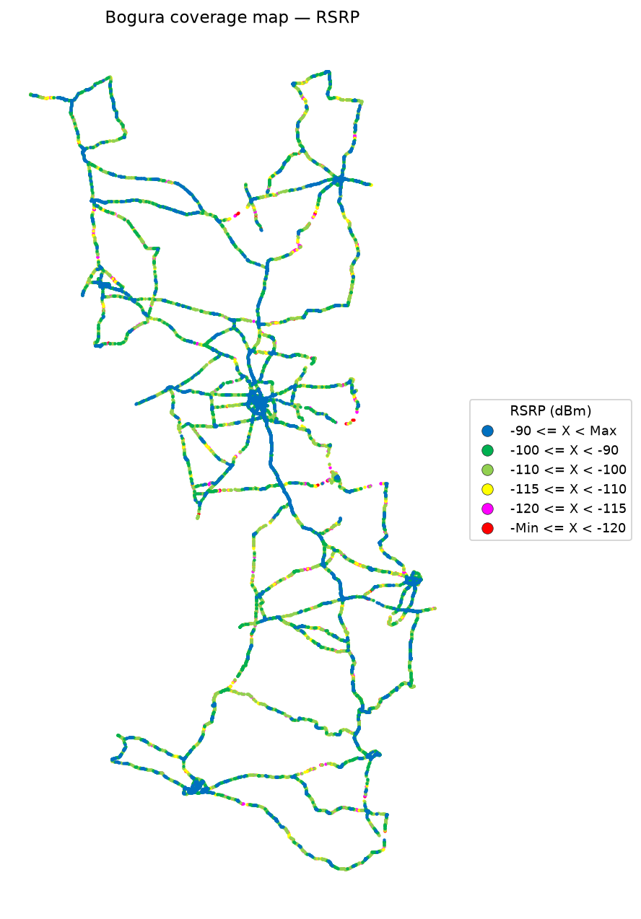
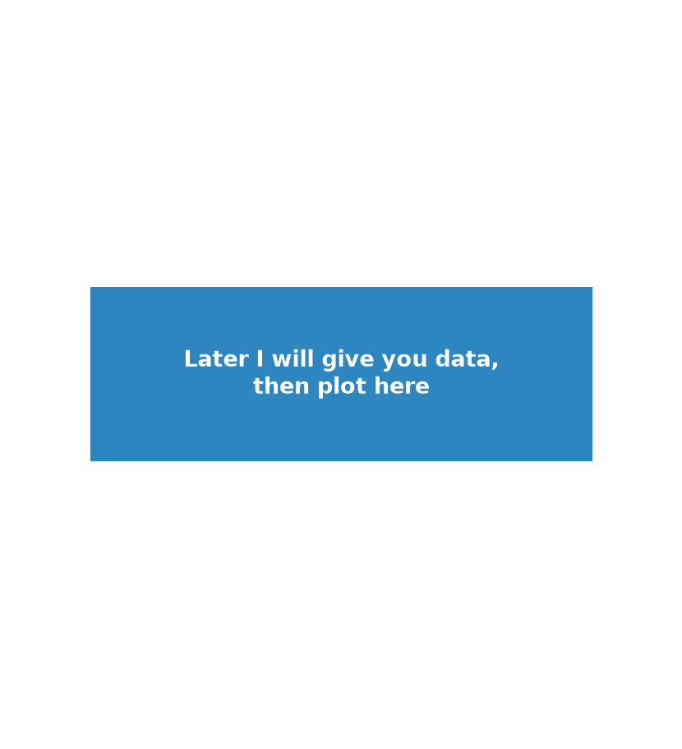
RSRP Report
Unit: dBm | IDLE Mode coverage map | Gridlines off

RSRP coverage map — IDLE Mode | RSRP coverage map — Active Mode

RSRQ
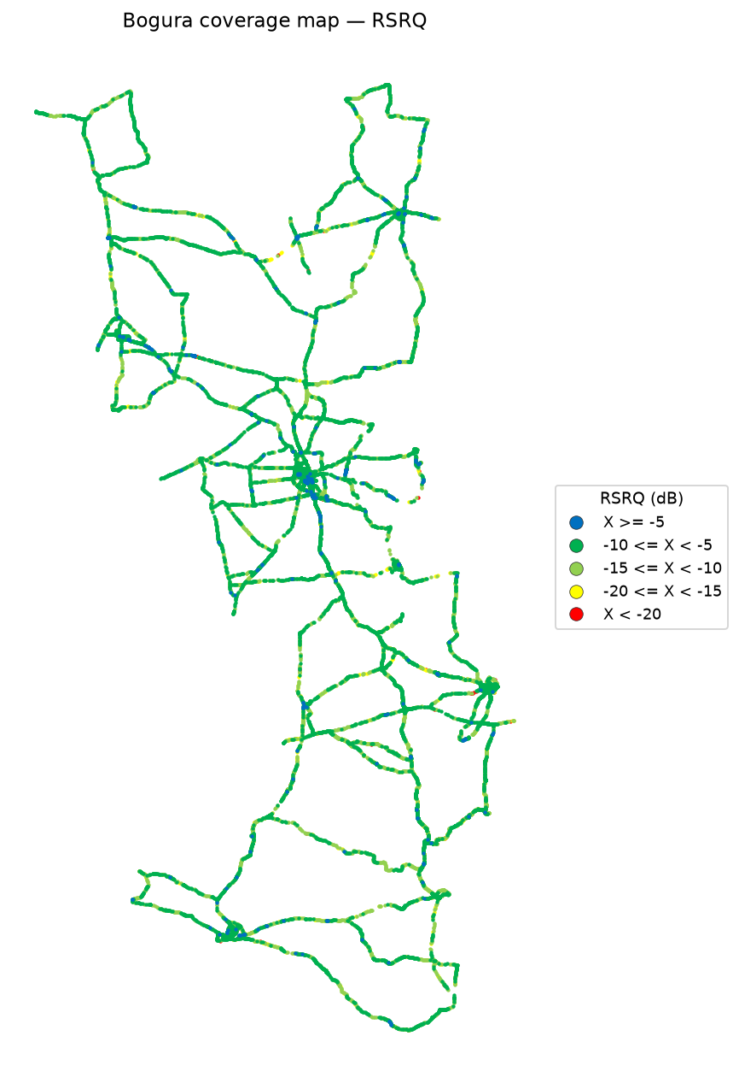
RSRQ Report
Unit: dB | IDLE Mode coverage map | Gridlines off

RSRQ coverage map — IDLE Mode | RSRQ coverage map — Active Mode

SINR
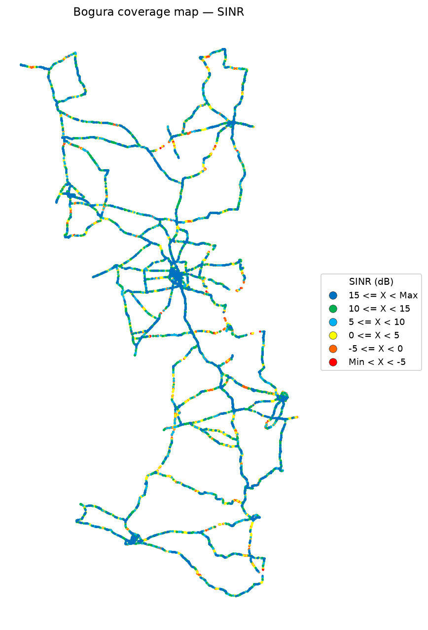
SINR Report
Unit: dB | IDLE Mode coverage map | Gridlines off

SINR coverage map — IDLE Mode | SINR coverage map — Active Mode

RSRP vs KPIs
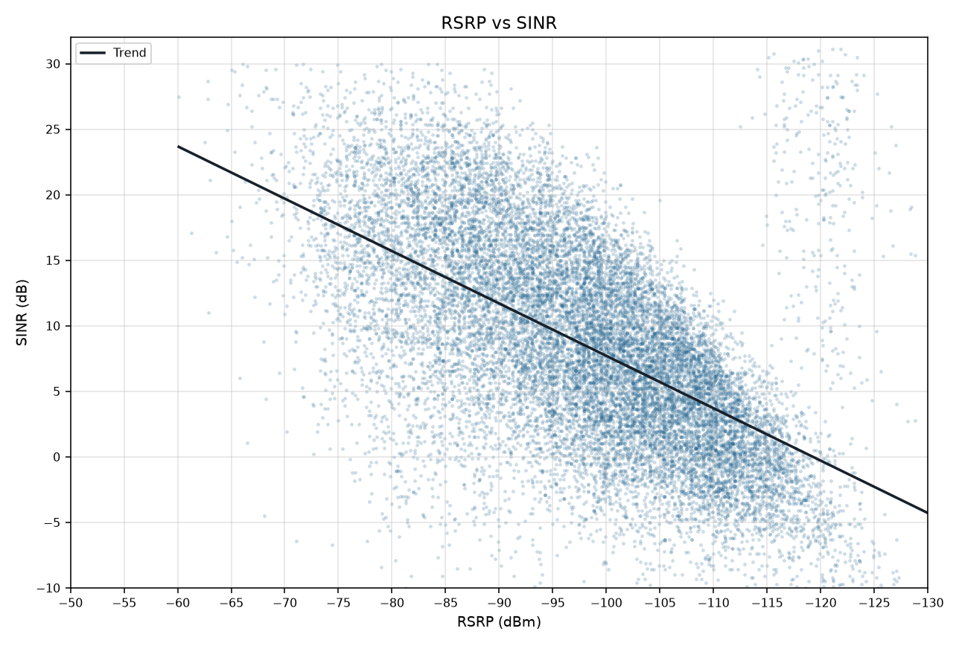
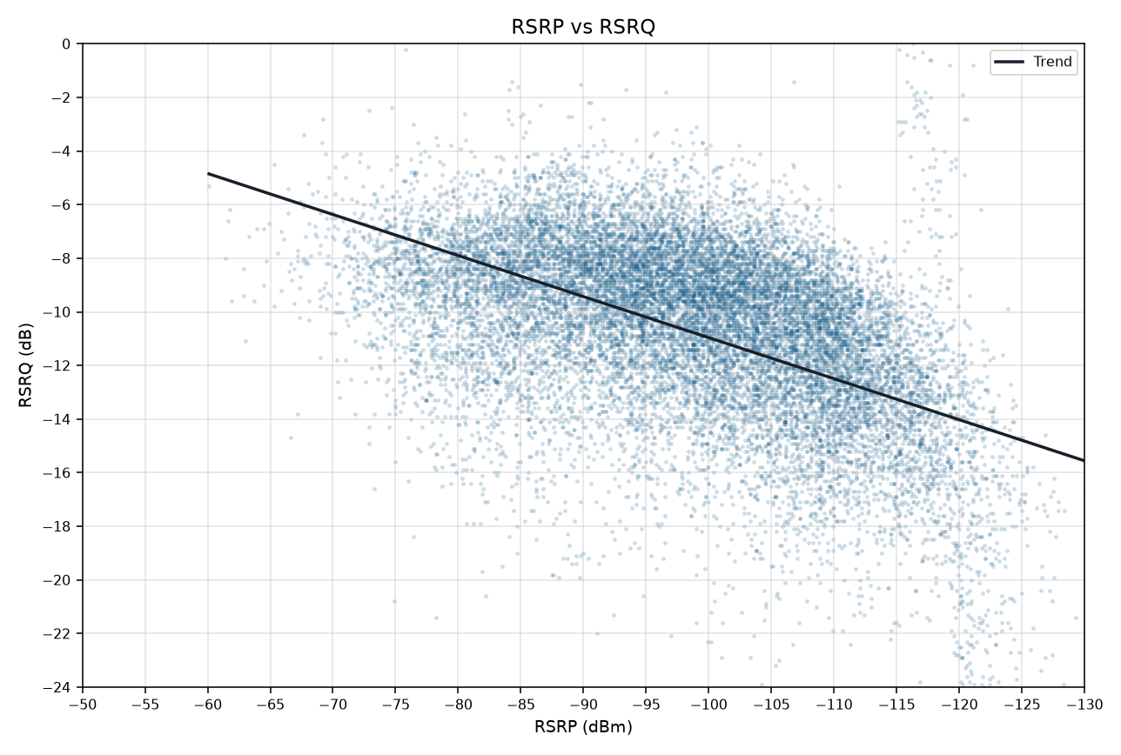
RSRP vs KPIs IDLE Mode
Merged P1+P2 | Smooth mean lines and scatter with trend | Gridlines off

RSRP vs SINR
RSRP vs RSRQ

RSRP vs SINR vs RSRQ

RSRP vs SINR scatter (trend line) | RSRP vs RSRQ scatter (trend line)

