Cover
Bogura Drive-Test Report
Generated 2026-09-10 12:20 | IDLE Mode | Gridlines off | Freeze panes off
IDLE Mode

RSRP histogram
RSRQ histogram
Dataset |  |  | Radio KPIs (all samples) |  |  |  |  |  |  |  | RSRP, RSRQ and SINR plots (native Excel charts with legends)
Item | Value |  | KPI | Count | Min | P5 | Median | Mean | P95 | Max
Mode | IDLE |  | RSRP | 1,075,385 | -140.00 | -119.00 | -99.50 | -99.12 | -78.40 | -48.90
Generated | 2026-09-10 12:20 |  | RSRQ | 1,075,385 | -30.00 | -17.30 | -10.20 | -10.86 | -6.30 | 10.00
P1 samples | 1,015,226 |  | SINR | 816,456 | -20.00 | -4.00 | 8.00 | 8.39 | 22.20 | 31.10
P2 samples | 60,159
Merged samples | 1,075,385
Start time | 2026-05-11
End time | 2026-05-21
Unique Cell Ids | 2,521
Longitude range | 88.87569 – 89.75081
Latitude range | 23.83306 – 25.56161

How to read this workbook
Cover — dataset and KPI tables on the left, IDLE Mode plots on the right, Active Mode section at the bottom.
RSRP / RSRQ / SINR — IDLE Mode coverage map on the left; Active Mode map on the right when those logs are provided.
Bad Spot Analysis — poor RSRP / RSRQ / SINR clusters circled on IDLE maps. Site icons will be added when the site database is provided.
RSRP vs KPIs — RSRP vs SINR, RSRP vs RSRQ, dual-axis combined chart, and scatter with trend.
SINR histogram
RSRP ranges (dBm)
Sample Log — evenly spaced subset of the merged samples (full 1.07M rows stay in output/Bogura_merged.csv.gz).
These files are IDLE Mode. Active Mode coverage maps will be added when those logs are provided.
Band mix (DL EARFCN) |  |  |  | RSRP ranges (dBm)
Band | Samples | Share |  | Range | Samples | Share
B3 1800 MHz (3) | 542,758 | 50.5% |  | -90 <= X < Max | 267,985 | 24.9%
B1 2100 MHz (1) | 455,361 | 42.3% |  | -100 <= X < -90 | 288,629 | 26.8%
B41 2500 MHz (41) | 69,783 | 6.5% |  | -110 <= X < -100 | 310,445 | 28.9%
B8 900 MHz (8) | 7,483 | 0.7% |  | -115 <= X < -110 | 105,403 | 9.8%
 |  |  |  | -120 <= X < -115 | 58,952 | 5.5%
 |  |  |  | -Min <= X < -120 | 43,971 | 4.1%

 |  |  |  | Ranges match the coverage-map legend: -90 <= X < Max (blue) down to RSRP < -120 (red).

Active Mode

RSRP
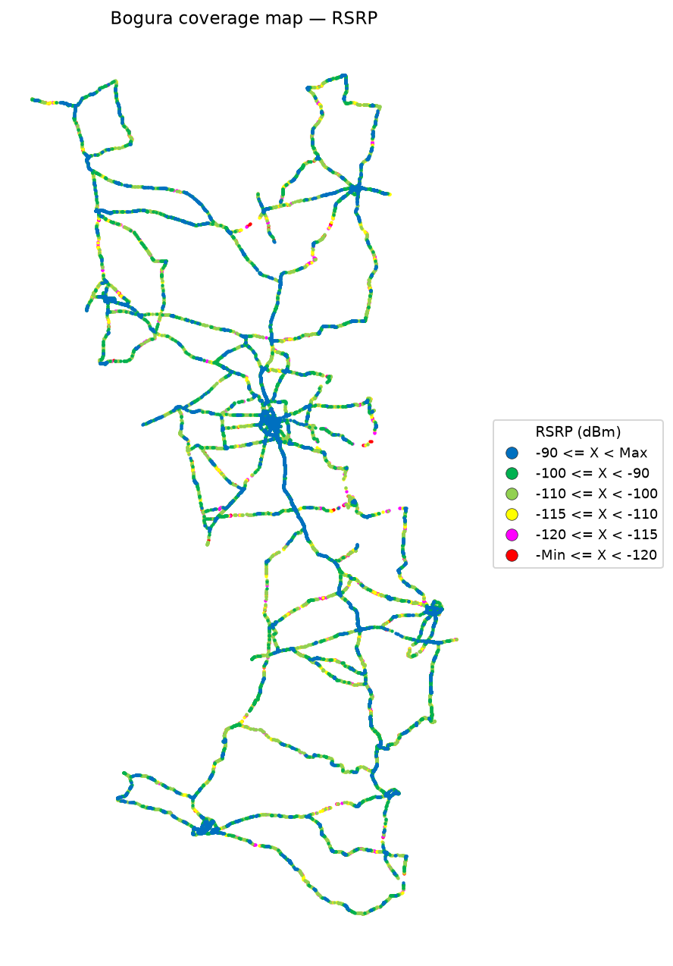

RSRP Report
Unit: dBm | IDLE Mode coverage map | Gridlines off

RSRP coverage map — IDLE Mode | RSRP coverage map — Active Mode

RSRQ
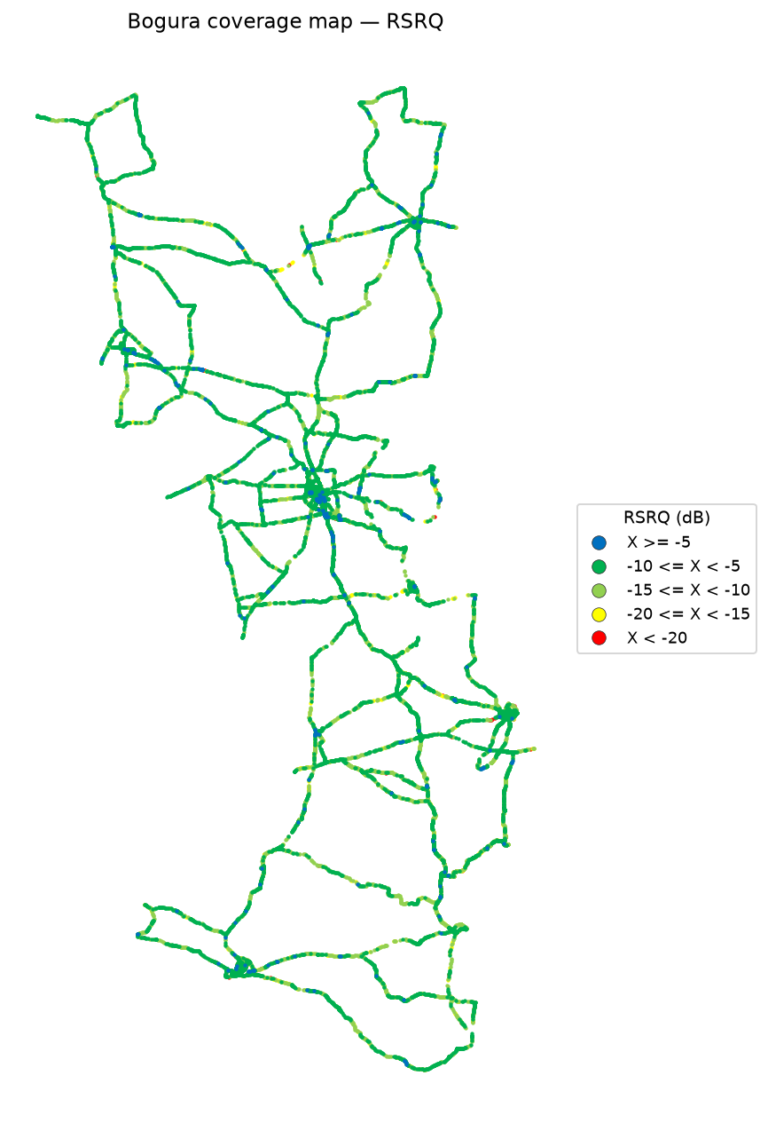
RSRQ Report
Unit: dB | IDLE Mode coverage map | Gridlines off

RSRQ coverage map — IDLE Mode | RSRQ coverage map — Active Mode

SINR
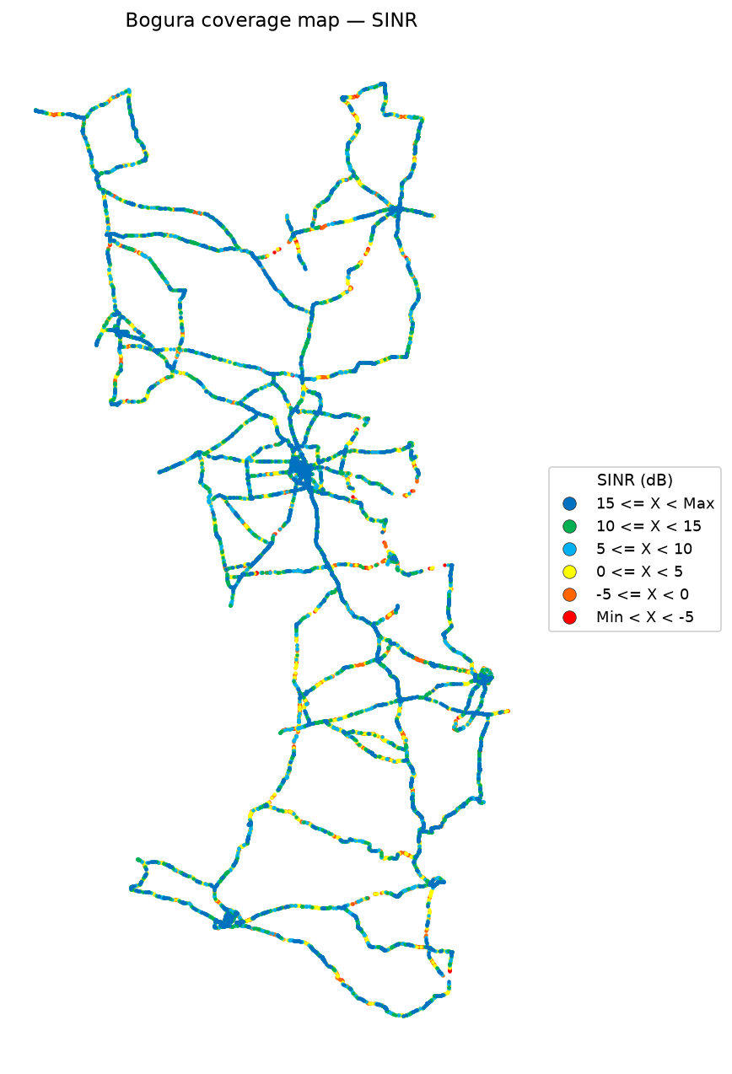
SINR Report
Unit: dB | IDLE Mode coverage map | Gridlines off

SINR coverage map — IDLE Mode | SINR coverage map — Active Mode

Bad Spot Analysis
Bad Spot Analysis
IDLE Mode | Poor-sample clusters | Site database not applied yet
IDLE Mode
Site locations are not plotted yet. When the site database is provided, sites will be mapped onto these bad-spot plots.
RSRP bad spots |  |  |  |  |  | RSRQ bad spots |  |  |  |  |  | SINR bad spots

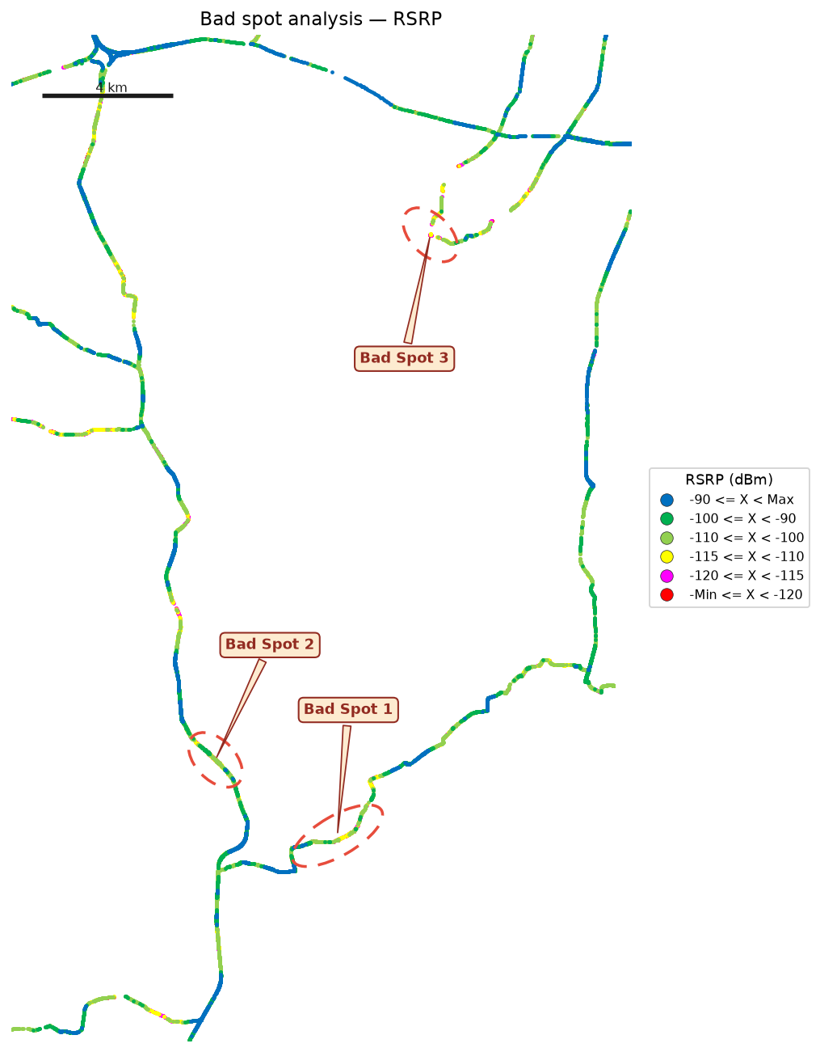
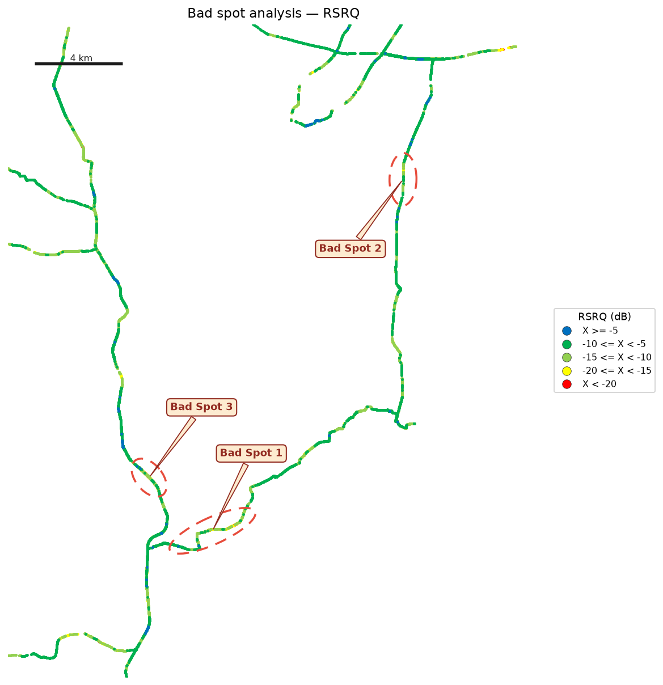
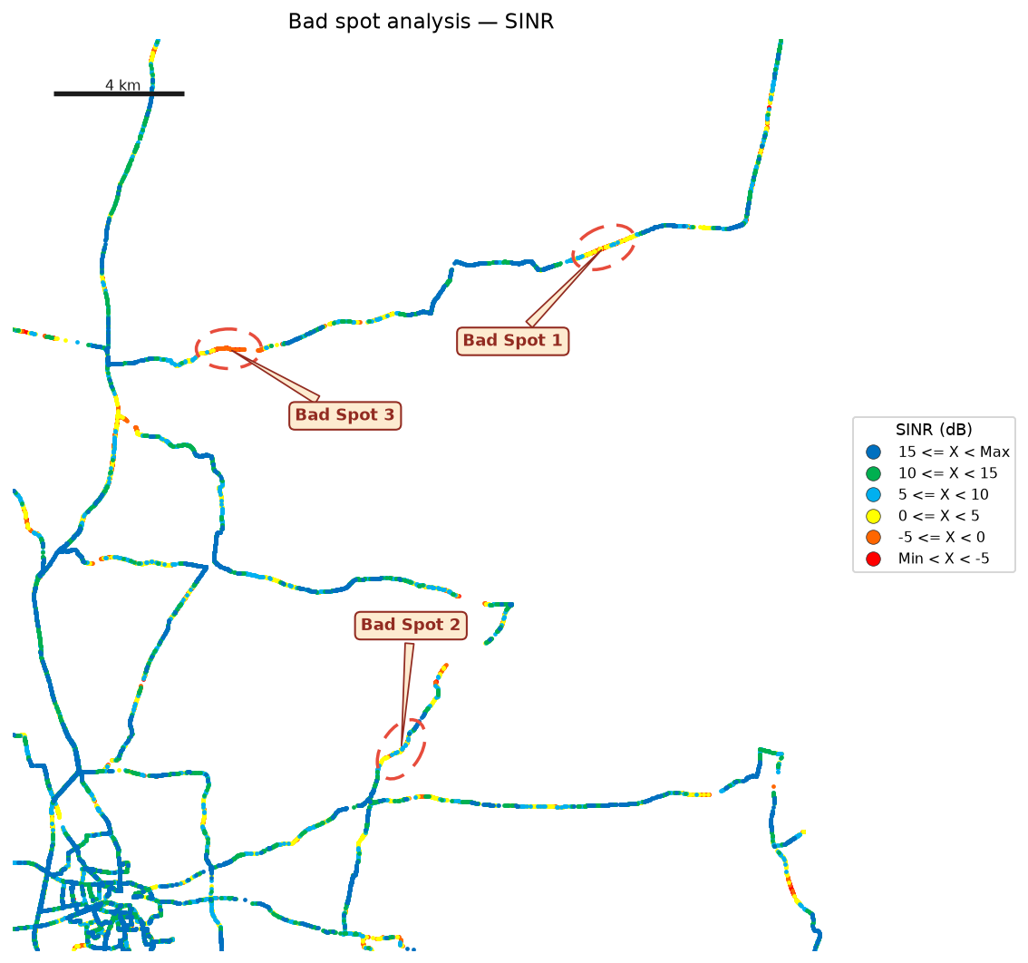

Identified bad spots
Spot | KPI | Latitude | Longitude | Samples | Poor samples | Poor share | Mean KPI | Mean RSRP | Mean RSRQ | Mean SINR | Size (km) | Top Cell Id
Bad Spot 1 | RSRP | 24.18403 | 89.62239 | 3,234 | 1,393 | 43.1% | -116.76 | -116.80 | -17.83 | 0.74 | 1.49 | 171533326
Bad Spot 2 | RSRP | 24.20660 | 89.58588 | 2,076 | 913 | 44.0% | -116.90 | -116.90 | -19.34 | -1.11 | 0.44 | 171548693
Bad Spot 3 | RSRP | 24.36518 | 89.65049 | 167 | 130 | 77.8% | -119.48 | -119.48 | -14.84 | -5.86 | 0.05 | 171524363
Bad Spot 1 | RSRQ | 24.18158 | 89.61556 | 8,262 | 5,888 | 71.3% | -17.91 | -113.38 | -17.91 | 1.14 | 2.26 | 171549455
Bad Spot 2 | RSRQ | 24.33879 | 89.70064 | 3,903 | 2,819 | 72.2% | -18.66 | -114.32 | -18.66 | 1.29 | 1.77 | 171523085
Bad Spot 3 | RSRQ | 24.20489 | 89.58744 | 3,402 | 2,146 | 63.1% | -18.43 | -115.13 | -18.29 | 0.26 | 0.93 | 171548693
Bad Spot 1 | SINR | 25.04878 | 89.52077 | 1,750 | 1,356 | 77.5% | -3.26 | -106.79 | -13.62 | -3.26 | 1.30 | 145953295
Bad Spot 2 | SINR | 24.89580 | 89.45843 | 1,176 | 946 | 80.4% | -2.43 | -113.01 | -15.07 | -2.24 | 0.58 | 148483348
Bad Spot 3 | SINR | 25.01767 | 89.40585 | 344 | 332 | 96.5% | -5.02 | -117.59 | -15.89 | -5.02 | 1.05 | 148485903
A sample is poor when RSRP < -115 dBm, RSRQ < -15 dB, or SINR < 0 dB (yellow-or-worse legend bins). Spots are adjacent clusters of those samples. Top Cell Id is from the drive log only — site names and sector icons will be added with the site database.

RSRP vs KPIs
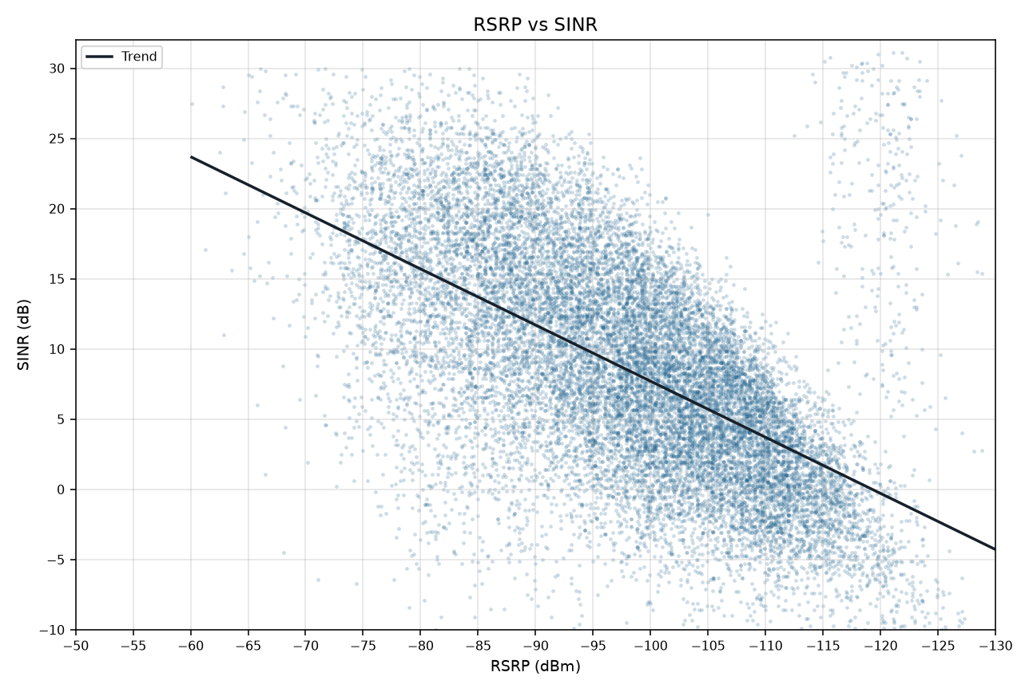
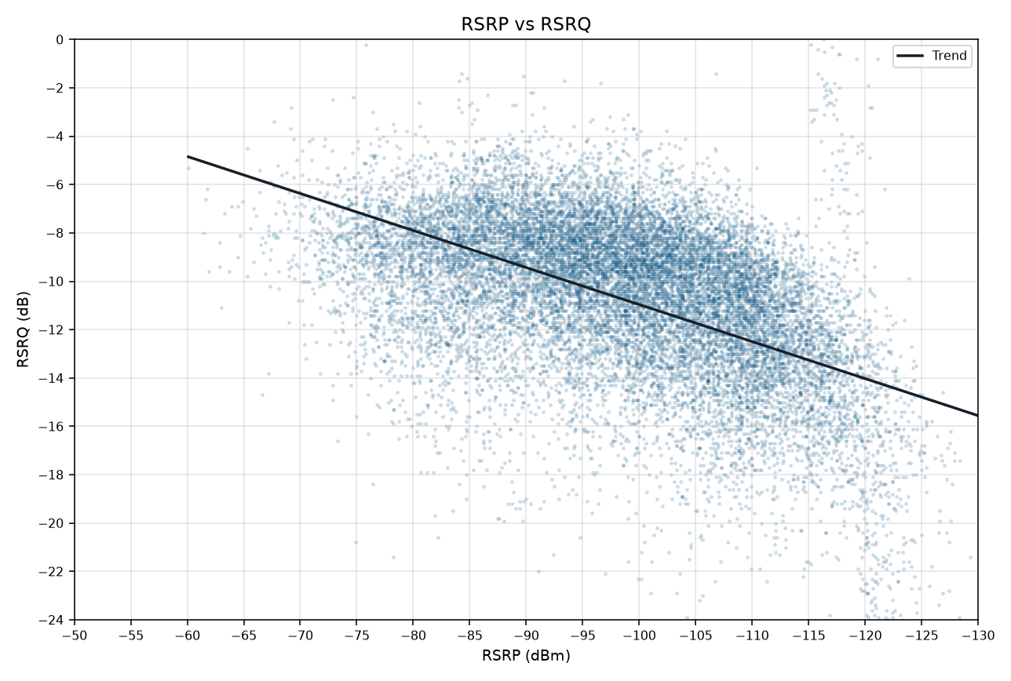
RSRP vs KPIs IDLE Mode
Merged P1+P2 | Smooth mean lines and scatter with trend | Gridlines off

RSRP vs SINR
RSRP vs RSRQ

RSRP vs SINR vs RSRQ

RSRP vs SINR scatter (trend line) | RSRP vs RSRQ scatter (trend line)

