Cover
Bogura Drive-Test Report
Generated 2026-09-12 13:07 | IDLE Mode | Gridlines off | Freeze panes off
IDLE Mode

RSRP histogram
RSRQ histogram
Dataset |  |  | Radio KPIs (all samples) |  |  |  |  |  |  |  | RSRP, RSRQ and SINR plots (native Excel charts with legends)
Item | Value |  | KPI | Count | Min | P5 | Median | Mean | P95 | Max
Mode | IDLE |  | RSRP | 1,075,385 | -140.00 | -119.00 | -99.50 | -99.12 | -78.40 | -48.90
Generated | 2026-09-12 13:07 |  | RSRQ | 1,075,385 | -30.00 | -17.30 | -10.20 | -10.86 | -6.30 | 10.00
P1 samples | 1,015,226 |  | SINR | 816,456 | -20.00 | -4.00 | 8.00 | 8.39 | 22.20 | 31.10
P2 samples | 60,159
Merged samples | 1,075,385
Start time | 2026-05-11
End time | 2026-05-21
Unique Cell Ids | 2,521
Longitude range | 88.87569 – 89.75081
Latitude range | 23.83306 – 25.56161

How to read this workbook
Cover — dataset and KPI tables on the left, IDLE Mode plots on the right, Active Mode section at the bottom.
RSRP / RSRQ / SINR — all-band IDLE map on the left, then L900 / L1800 / L2100 / L2600 IDLE maps; Active Mode stays blank until those logs are provided.
Bad Spot Analysis — every dense poor stretch on the full IDLE maps is circled and numbered. Physical sites use outline-only three-arm pies (most-common azimuth per sector).
RSRP vs KPIs — RSRP vs SINR, RSRP vs RSRQ, dual-axis combined chart, and scatter with trend.
SINR histogram
RSRP ranges (dBm)
Sample Log — evenly spaced subset of the merged samples (full 1.07M rows stay in output/Bogura_merged.csv.gz).
These files are IDLE Mode. Active Mode coverage maps will be added when those logs are provided.
Band mix (DL EARFCN) |  |  |  | RSRP ranges (dBm)
Band | Samples | Share |  | Range | Samples | Share
B3 1800 MHz (3) | 542,758 | 50.5% |  | -90 <= X < Max | 267,985 | 24.9%
B1 2100 MHz (1) | 455,361 | 42.3% |  | -100 <= X < -90 | 288,629 | 26.8%
B41 2500 MHz (41) | 69,783 | 6.5% |  | -110 <= X < -100 | 310,445 | 28.9%
B8 900 MHz (8) | 7,483 | 0.7% |  | -115 <= X < -110 | 105,403 | 9.8%
 |  |  |  | -120 <= X < -115 | 58,952 | 5.5%
 |  |  |  | -Min <= X < -120 | 43,971 | 4.1%

 |  |  |  | Ranges match the coverage-map legend: -90 <= X < Max (blue) down to RSRP < -120 (red).

Active Mode

RSRP
RSRP Report
Unit: dBm | IDLE Mode coverage map | Gridlines off

RSRP coverage map — IDLE Mode | RSRP coverage map — Active Mode

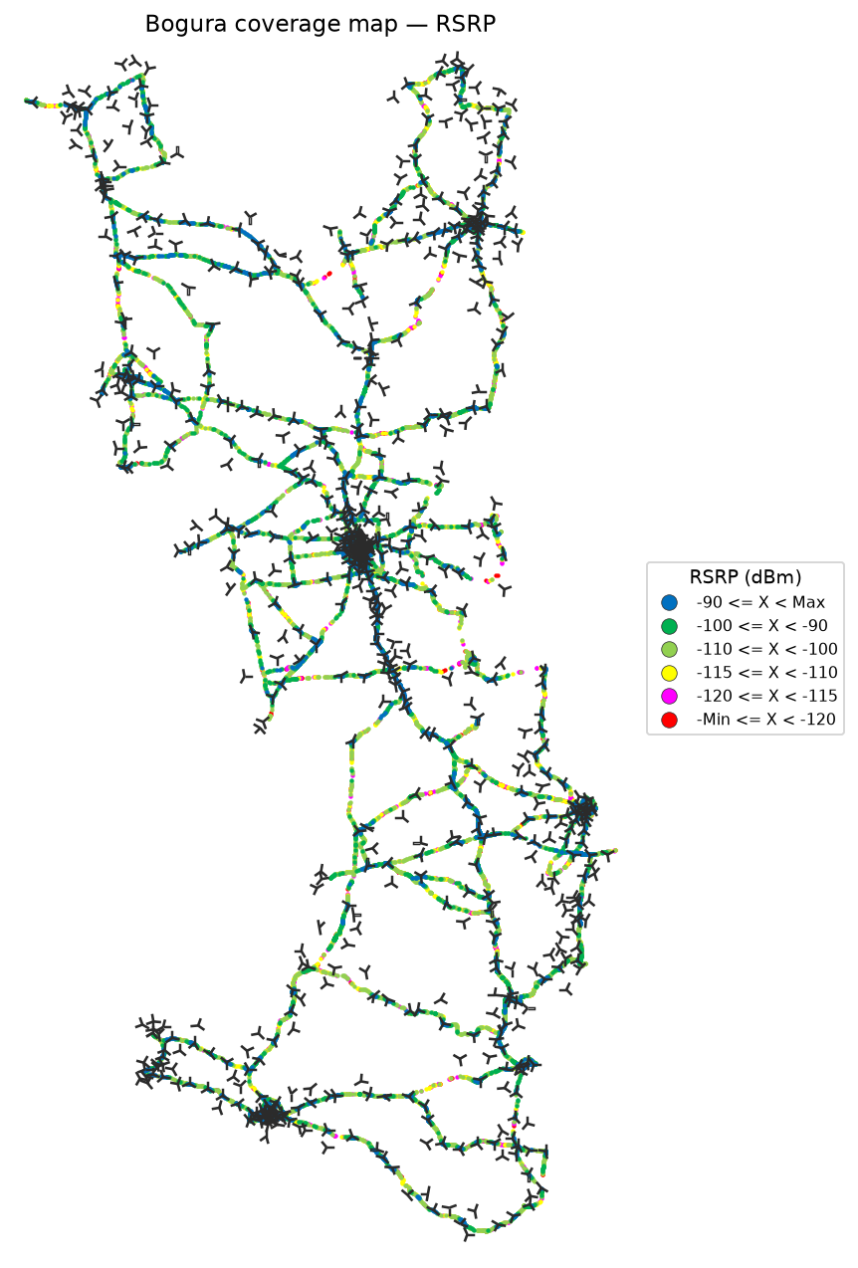


RSRP coverage map — IDLE Mode_L900 | RSRP coverage map — Active Mode_L900

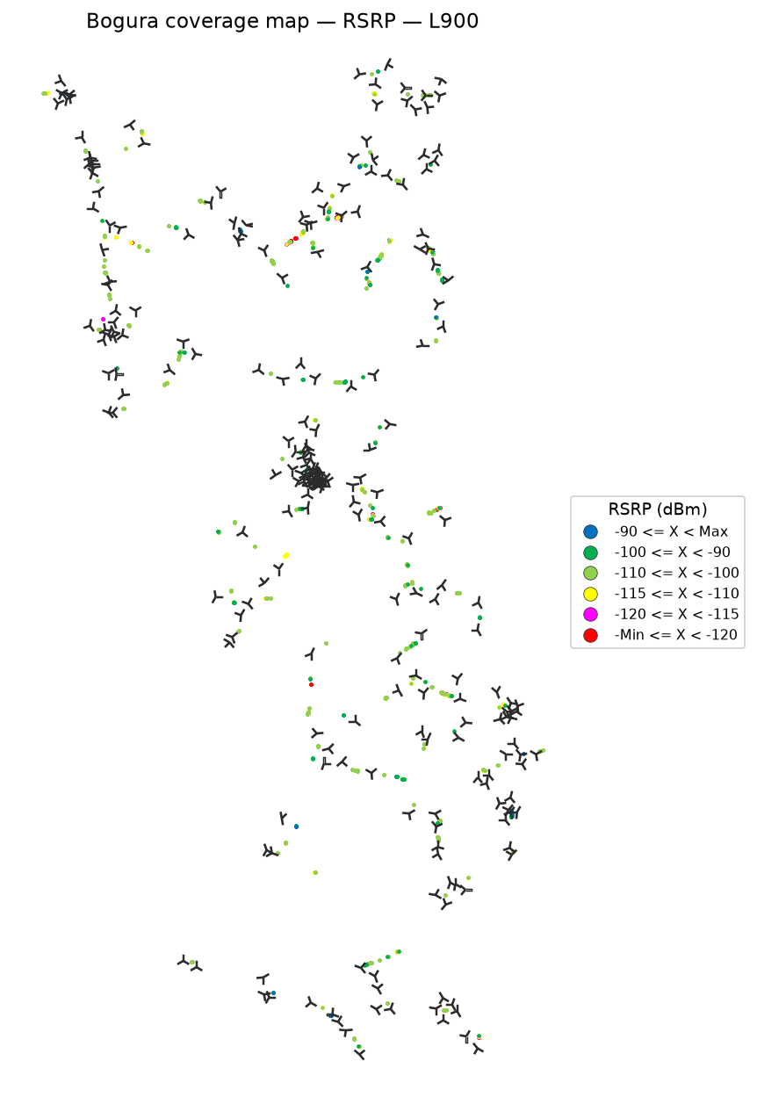

 | Log file will be provided later

RSRP coverage map — IDLE Mode_L1800 | RSRP coverage map — Active Mode_L1800

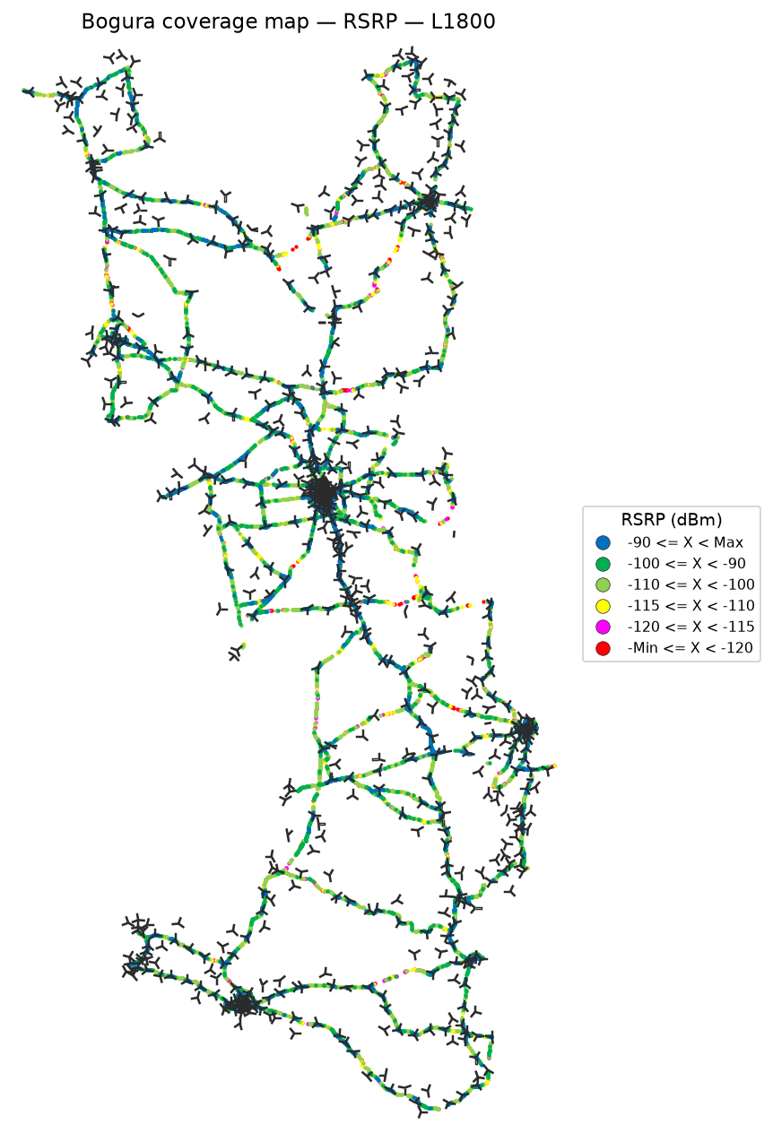

 | Log file will be provided later

RSRP coverage map — IDLE Mode_L2100 | RSRP coverage map — Active Mode_L2100

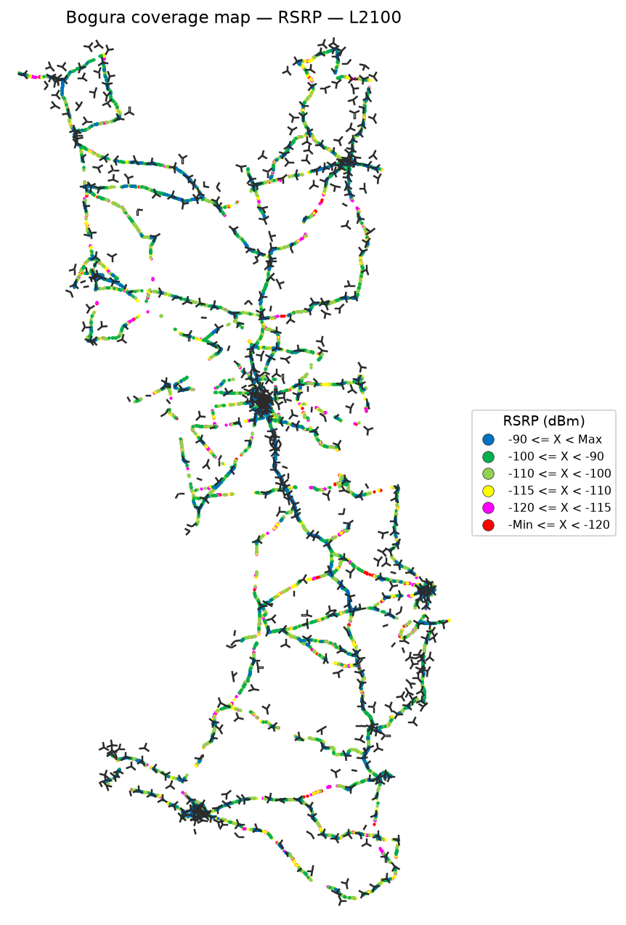

 | Log file will be provided later

RSRP coverage map — IDLE Mode_L2600 | RSRP coverage map — Active Mode_L2600

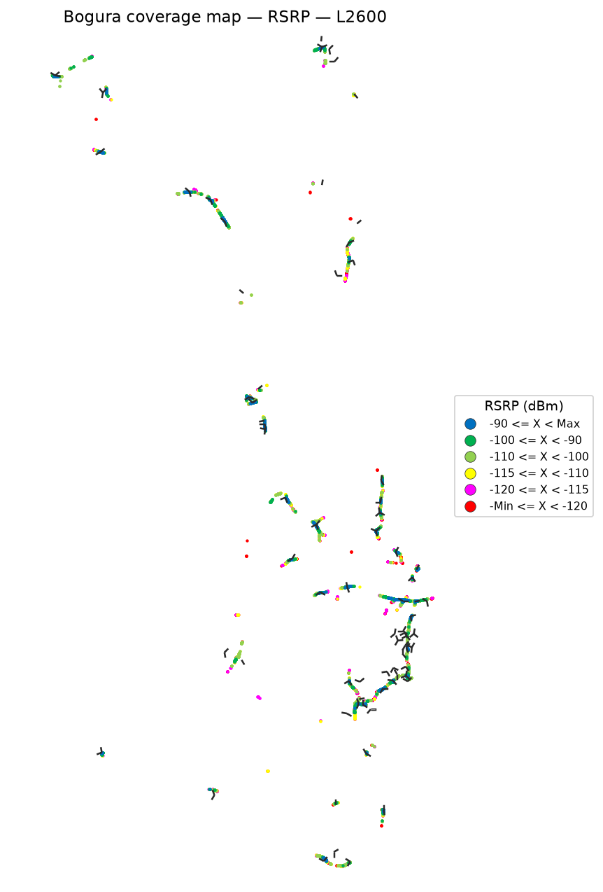

 | Log file will be provided later

RSRQ
RSRQ Report
Unit: dB | IDLE Mode coverage map | Gridlines off

RSRQ coverage map — IDLE Mode | RSRQ coverage map — Active Mode

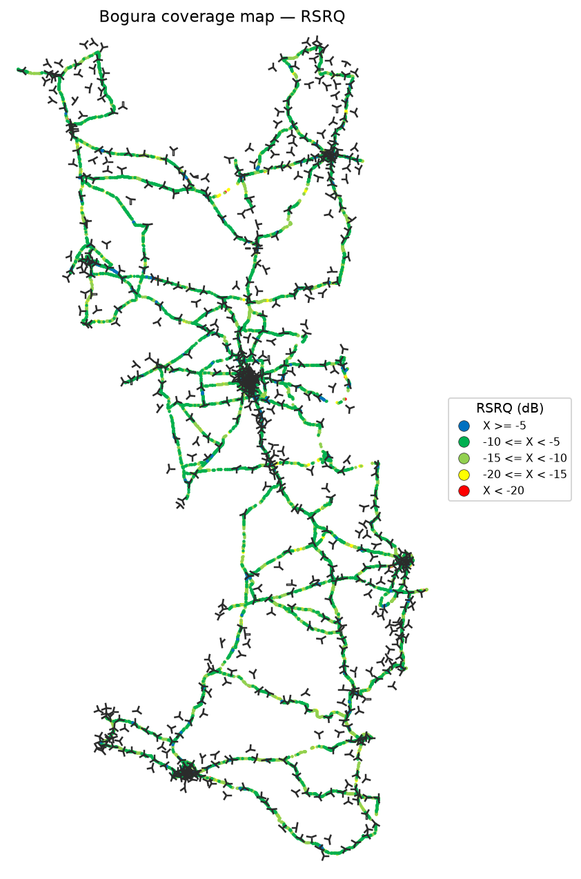

RSRQ coverage map — IDLE Mode_L900 | RSRQ coverage map — Active Mode_L900

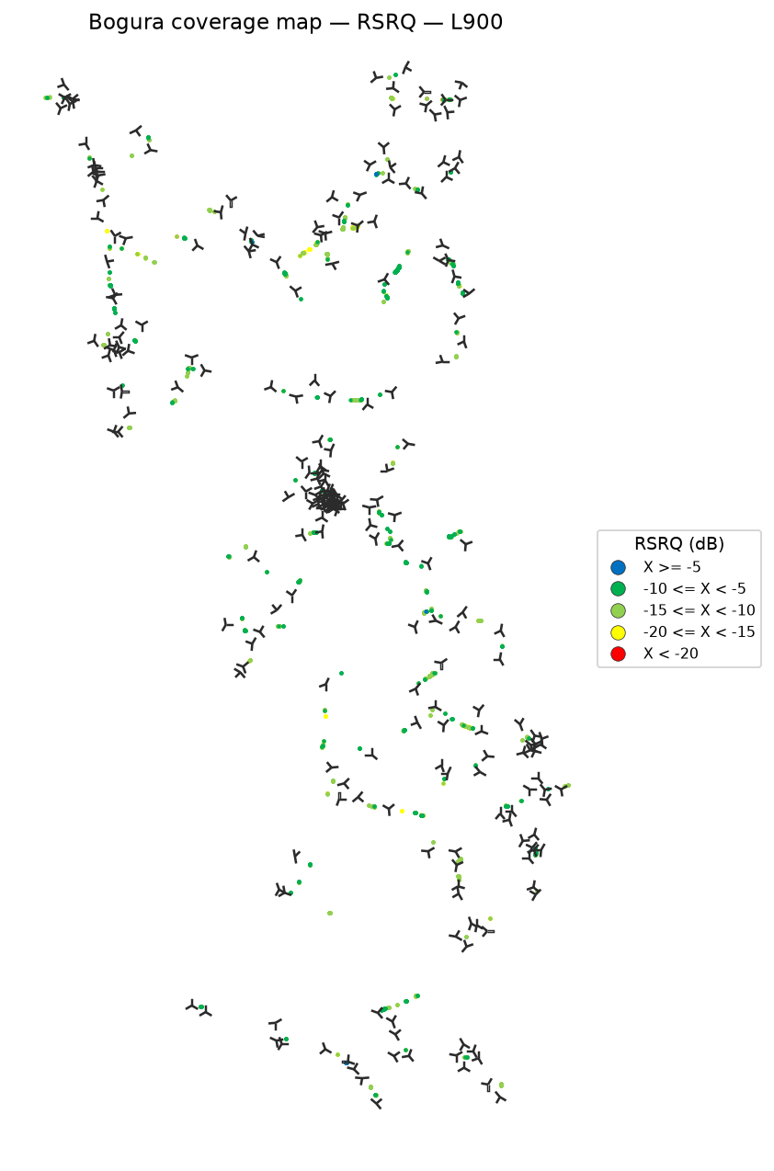

 | Log file will be provided later

RSRQ coverage map — IDLE Mode_L1800 | RSRQ coverage map — Active Mode_L1800

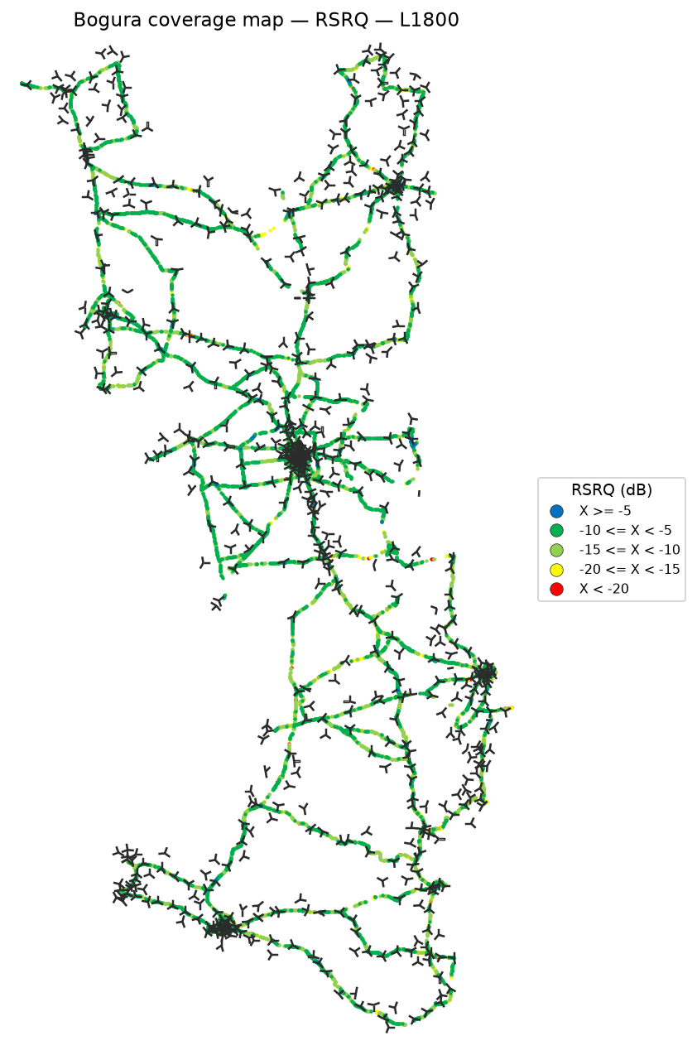

 | Log file will be provided later

RSRQ coverage map — IDLE Mode_L2100 | RSRQ coverage map — Active Mode_L2100

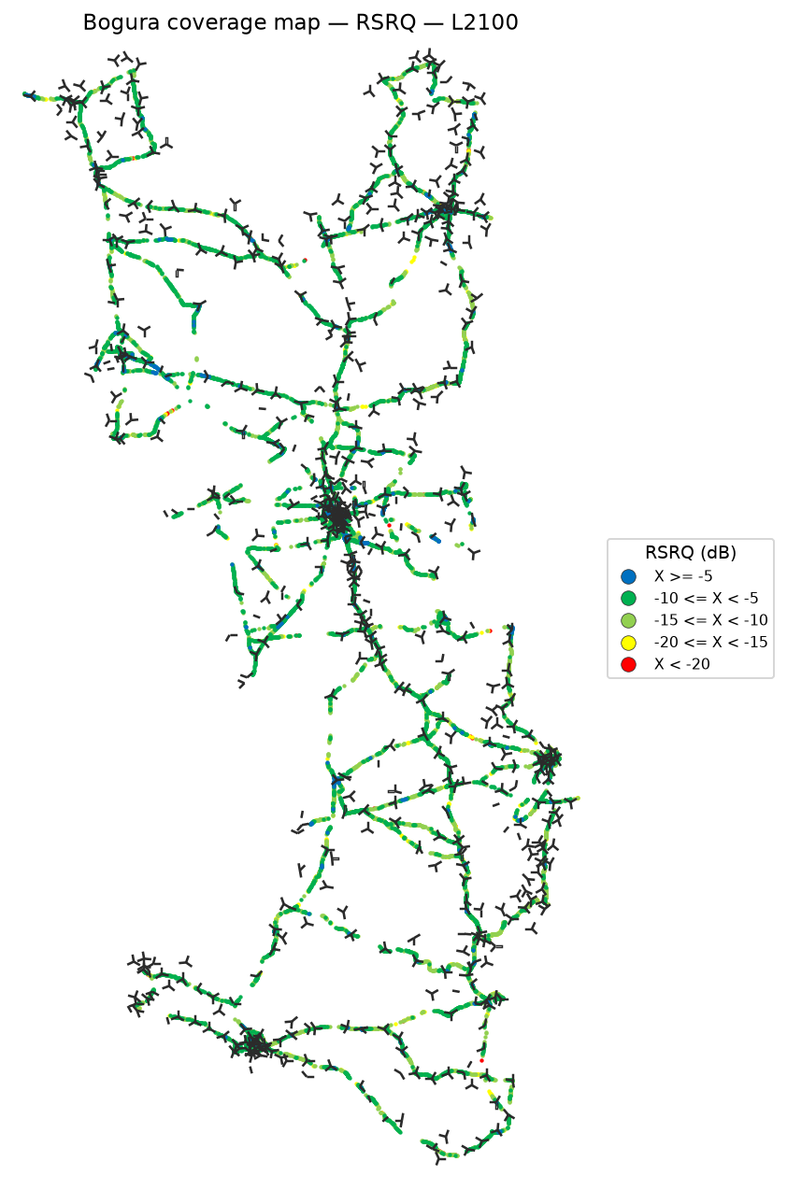

 | Log file will be provided later

RSRQ coverage map — IDLE Mode_L2600 | RSRQ coverage map — Active Mode_L2600

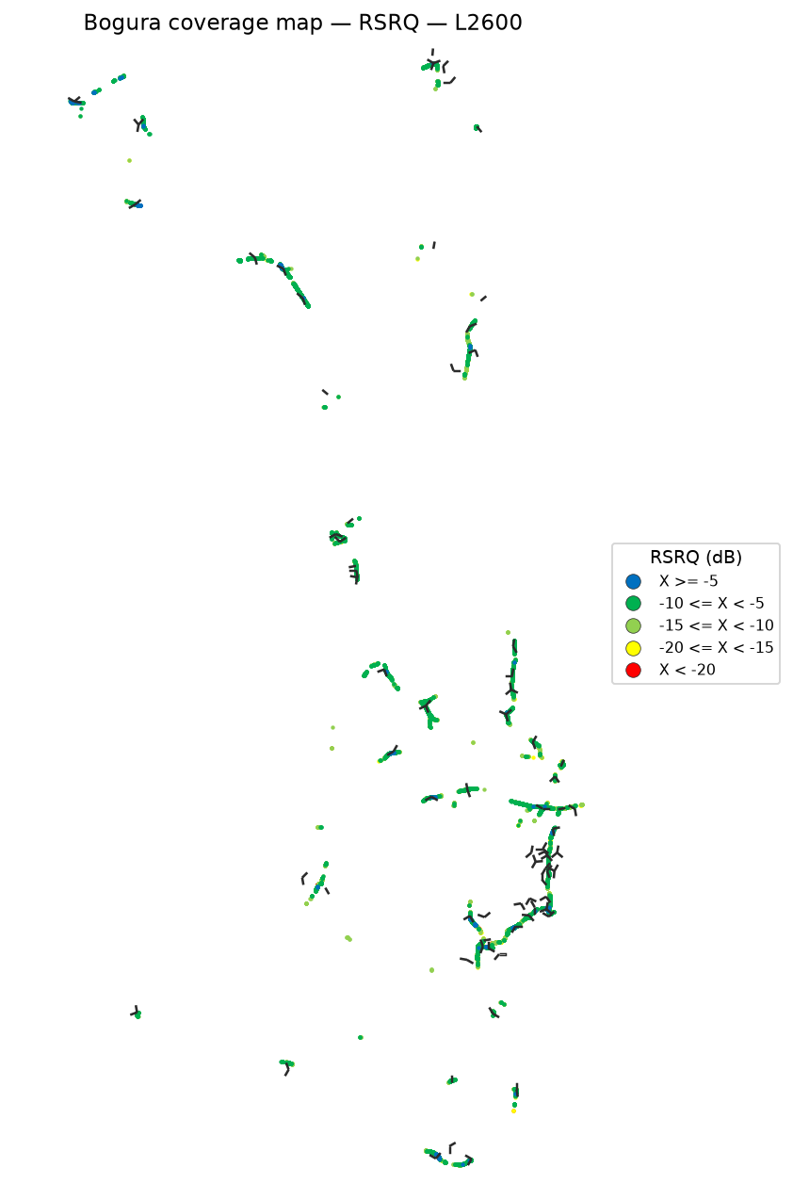

 | Log file will be provided later

SINR
SINR Report
Unit: dB | IDLE Mode coverage map | Gridlines off

SINR coverage map — IDLE Mode | SINR coverage map — Active Mode

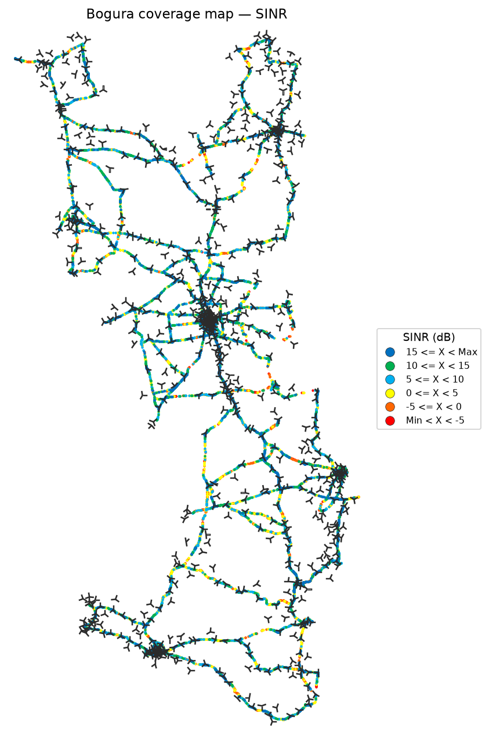

SINR coverage map — IDLE Mode_L900 | SINR coverage map — Active Mode_L900

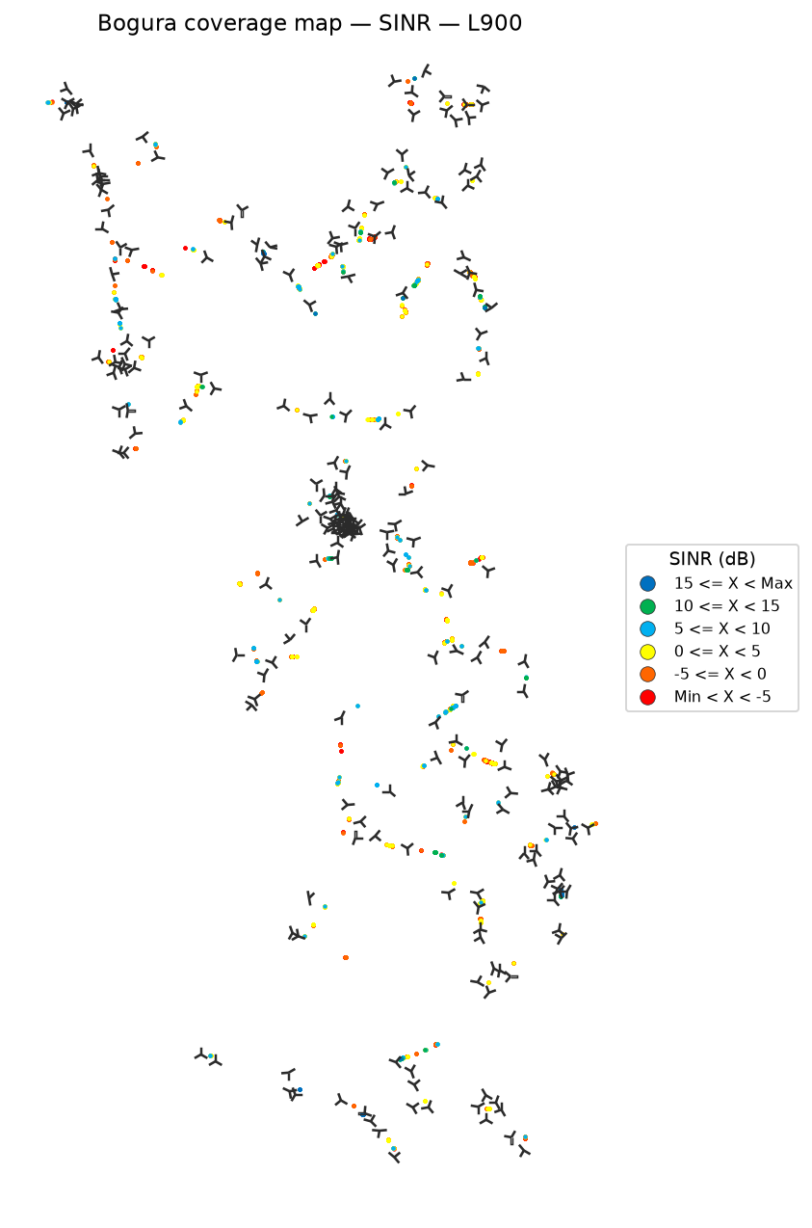

 | Log file will be provided later

SINR coverage map — IDLE Mode_L1800 | SINR coverage map — Active Mode_L1800

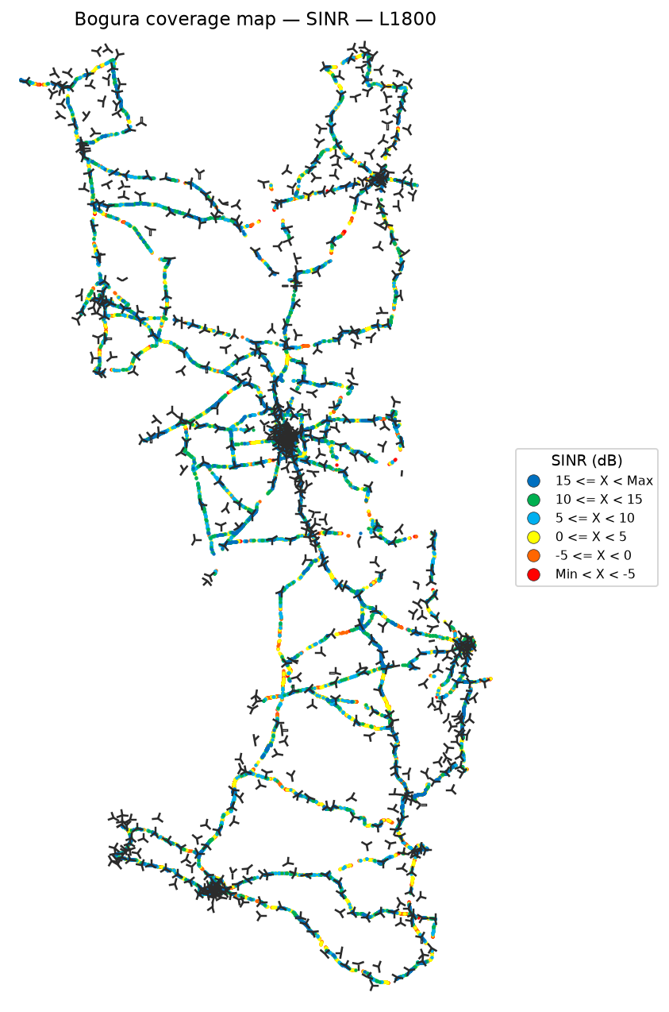

 | Log file will be provided later

SINR coverage map — IDLE Mode_L2100 | SINR coverage map — Active Mode_L2100

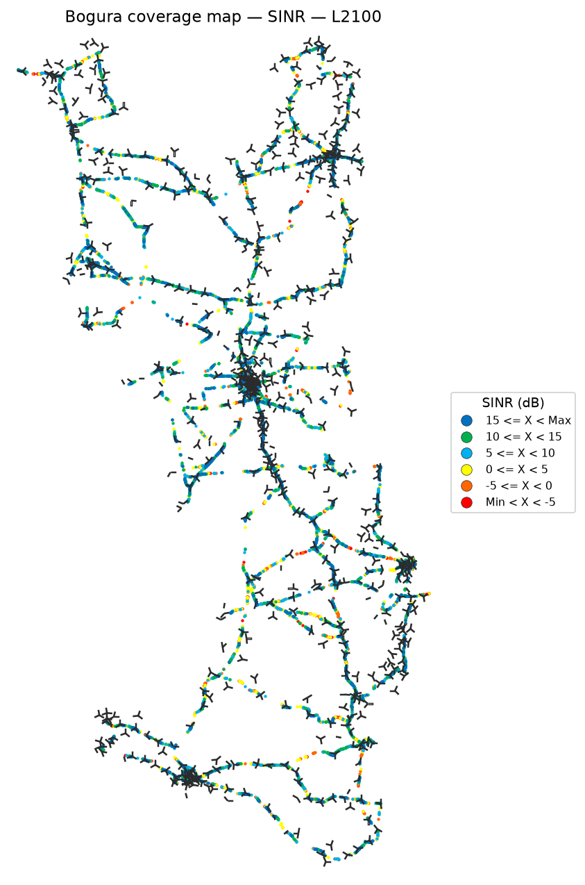

 | Log file will be provided later

SINR coverage map — IDLE Mode_L2600 | SINR coverage map — Active Mode_L2600

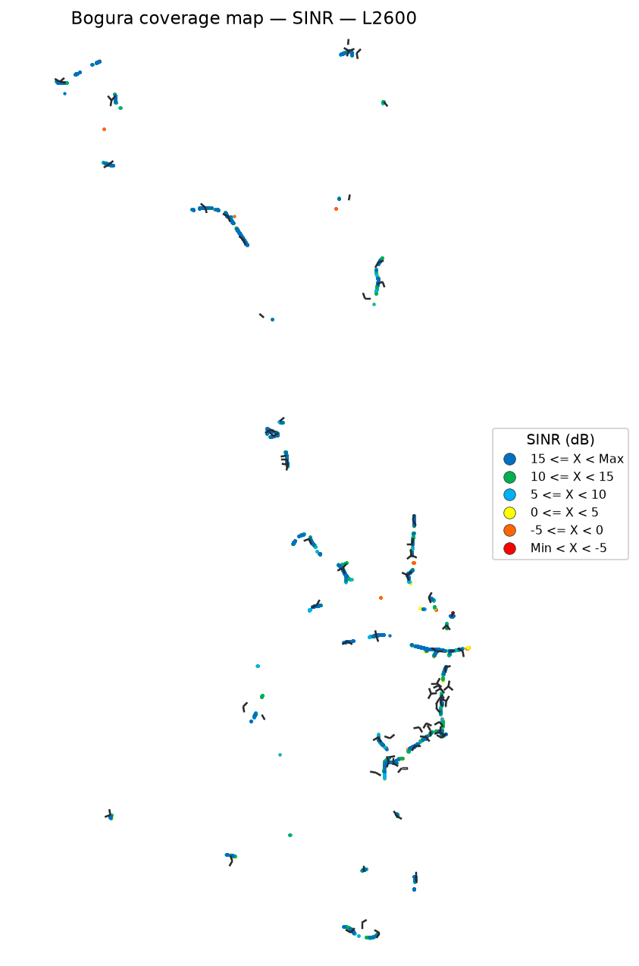

 | Log file will be provided later

Bad Spot Analysis
Bad Spot Analysis
IDLE Mode | Poor-sample clusters | Outline-only site pies
IDLE Mode
Physical sites are drawn as outline-only three-arm pies (no fill, no site names). One sector can have many cells; the arm uses the most common azimuth for that sector name.
RSRP bad spots |  |  |  |  |  | RSRQ bad spots |  |  |  |  |  | SINR bad spots

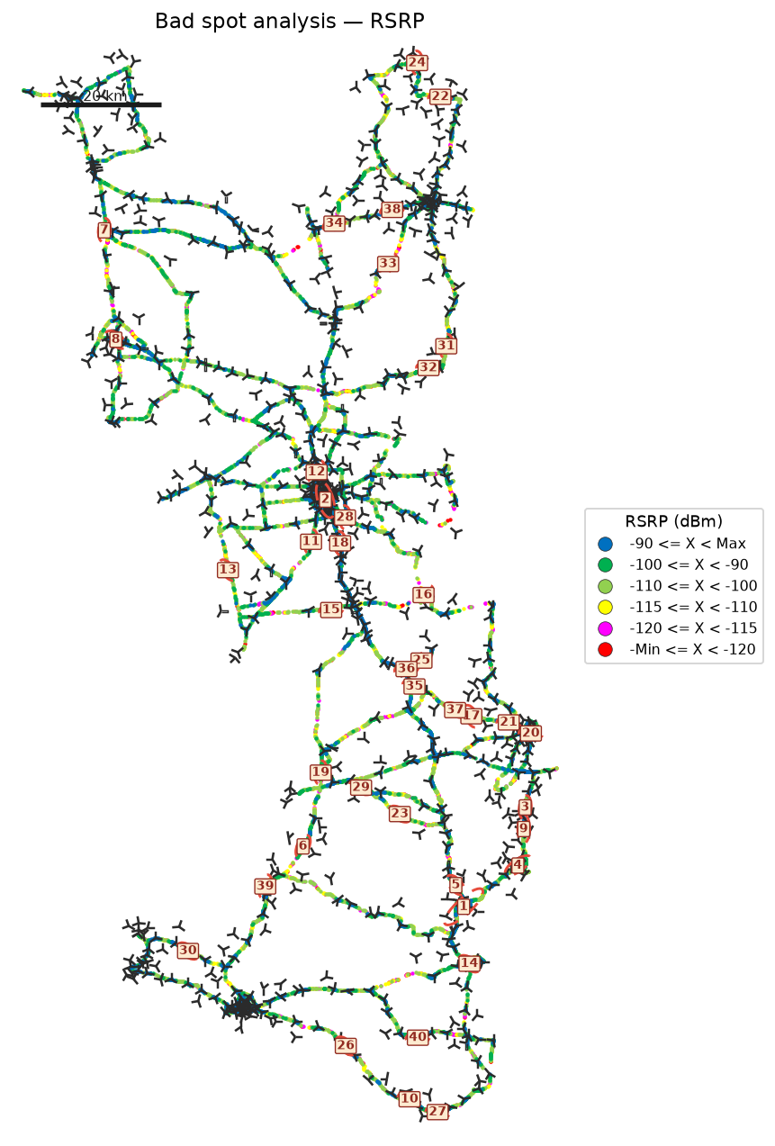
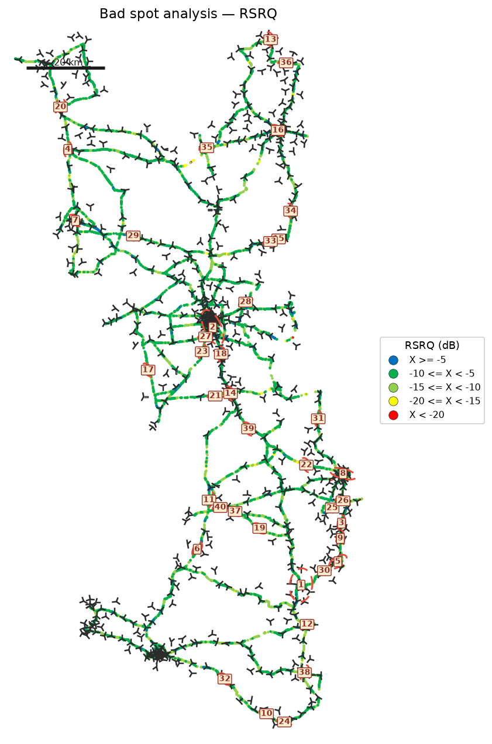
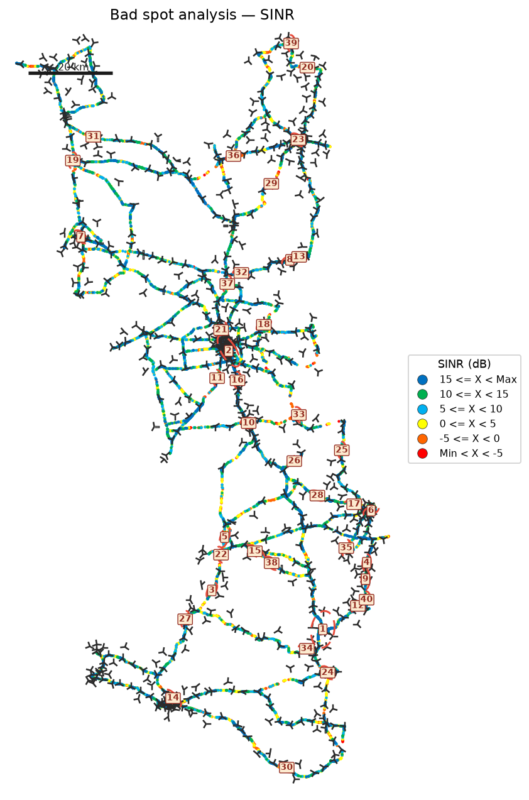

Identified bad spots
Spot | KPI | Latitude | Longitude | Samples | Poor samples | Poor share | Mean KPI | Mean RSRP | Mean RSRQ | Mean SINR | Size (km) | Top Cell Id
Bad Spot 1 | RSRP | 24.17032 | 89.59895 | 35,900 | 7,183 | 20.0% | -124.56 | -108.02 | -14.00 | 3.80 | 5.20 | 171531593
Bad Spot 2 | RSRP | 24.83895 | 89.37222 | 101,496 | 5,049 | 5.0% | -122.40 | -94.19 | -10.25 | 8.66 | 5.46 | 148495380
Bad Spot 3 | RSRP | 24.33376 | 89.69994 | 6,004 | 2,219 | 37.0% | -125.25 | -112.49 | -16.91 | 1.89 | 3.07 | 171523085
Bad Spot 4 | RSRP | 24.23829 | 89.68797 | 11,915 | 2,507 | 21.0% | -123.62 | -107.61 | -13.54 | 6.37 | 3.30 | 171523861
Bad Spot 5 | RSRP | 24.20618 | 89.58618 | 5,119 | 1,743 | 34.0% | -123.77 | -113.06 | -17.33 | 1.60 | 1.11 | 171548693
Bad Spot 6 | RSRP | 24.26973 | 89.33522 | 7,308 | 1,489 | 20.4% | -123.49 | -107.12 | -15.40 | 1.03 | 1.32 | 168967183
Bad Spot 7 | RSRP | 25.28128 | 89.00883 | 14,248 | 1,508 | 10.6% | -122.14 | -93.65 | -9.23 | 13.17 | 1.00 | 133125389
Bad Spot 8 | RSRP | 25.10181 | 89.02757 | 16,651 | 1,576 | 9.5% | -121.90 | -97.43 | -11.84 | 7.31 | 1.77 | 151045648
Bad Spot 9 | RSRP | 24.29829 | 89.69765 | 5,835 | 1,152 | 19.7% | -123.23 | -103.81 | -14.50 | 5.44 | 3.21 | 171522574
Bad Spot 10 | RSRP | 23.85456 | 89.51007 | 2,262 | 679 | 30.0% | -126.92 | -113.93 | -16.43 | 4.46 | 1.29 | 168984086
Bad Spot 11 | RSRP | 24.76995 | 89.34833 | 3,247 | 1,429 | 44.0% | -120.30 | -107.07 | -11.43 | 7.39 | 0.91 | 148502798
Bad Spot 12 | RSRP | 24.88432 | 89.35741 | 7,643 | 974 | 12.7% | -122.51 | -97.01 | -10.26 | 7.48 | 2.22 | 148489744
Bad Spot 13 | RSRP | 24.72337 | 89.21183 | 1,392 | 257 | 18.5% | -133.59 | -96.32 | -10.78 | 16.77 | 0.27 | 148514576
Bad Spot 14 | RSRP | 24.07710 | 89.60847 | 3,939 | 789 | 20.0% | -120.80 | -93.82 | -13.48 | 6.36 | 0.99 | 168987662
Bad Spot 15 | RSRP | 24.65782 | 89.38137 | 804 | 200 | 24.9% | -135.70 | -102.60 | -12.63 | 12.89 | 0.34 | 148519444
Bad Spot 16 | RSRP | 24.68285 | 89.53326 | 5,798 | 1,250 | 21.6% | -118.45 | -103.32 | -10.34 | 6.53 | 2.33 | 148481804
Bad Spot 17 | RSRP | 24.48340 | 89.61153 | 2,329 | 434 | 18.6% | -123.89 | -95.63 | -10.74 | 9.64 | 0.42 | 171526933
Bad Spot 18 | RSRP | 24.76738 | 89.39612 | 5,220 | 752 | 14.4% | -120.09 | -93.44 | -12.25 | 6.48 | 2.97 | 148503317
Bad Spot 19 | RSRP | 24.39088 | 89.36419 | 4,355 | 937 | 21.5% | -118.83 | -111.00 | -15.08 | -2.13 | 2.15 | 171581198
Bad Spot 20 | RSRP | 24.45524 | 89.70938 | 9,238 | 623 | 6.7% | -120.00 | -98.75 | -11.76 | 6.35 | 1.47 | 171530510
Bad Spot 21 | RSRP | 24.47332 | 89.67298 | 1,639 | 775 | 47.3% | -118.79 | -114.45 | -13.97 | -0.75 | 2.95 | 171528463
Bad Spot 22 | RSRP | 25.50053 | 89.56074 | 1,048 | 629 | 60.0% | -119.58 | -116.28 | -15.30 | -5.05 | 0.64 | 145971984
Bad Spot 23 | RSRP | 24.32283 | 89.49409 | 1,178 | 387 | 32.9% | -122.07 | -111.75 | -15.45 | 4.04 | 0.71 | 171538446
Bad Spot 24 | RSRP | 25.55604 | 89.52252 | 2,158 | 458 | 21.2% | -120.90 | -105.42 | -13.76 | 5.08 | 0.94 | 145930261
Bad Spot 25 | RSRP | 24.57485 | 89.52967 | 813 | 491 | 60.4% | -120.39 | -115.99 | -14.96 | -2.60 | 0.99 | 148510220
Bad Spot 26 | RSRP | 23.94210 | 89.40539 | 4,255 | 253 | 5.9% | -124.06 | -88.89 | -9.43 | 13.75 | 0.72 | 168980757
Bad Spot 27 | RSRP | 23.83345 | 89.55624 | 1,050 | 308 | 29.3% | -122.28 | -113.12 | -14.55 | 1.02 | 0.98 | 168983311
Bad Spot 28 | RSRP | 24.80974 | 89.40410 | 2,317 | 555 | 24.0% | -118.94 | -106.18 | -12.33 | 4.66 | 1.88 | 148516884
Bad Spot 29 | RSRP | 24.36625 | 89.43050 | 1,868 | 668 | 35.8% | -118.22 | -112.54 | -13.66 | -0.56 | 1.48 | 171555086
Bad Spot 30 | RSRP | 24.09799 | 89.14626 | 1,571 | 647 | 41.2% | -118.31 | -108.36 | -12.38 | 4.87 | 0.35 | 168972048
Bad Spot 31 | RSRP | 25.09109 | 89.57043 | 1,487 | 623 | 41.9% | -118.59 | -113.40 | -12.11 | 1.62 | 2.22 | 145936404
Bad Spot 32 | RSRP | 25.05527 | 89.54118 | 2,282 | 664 | 29.1% | -118.13 | -97.15 | -12.83 | 1.79 | 0.43 | 145969428
Bad Spot 33 | RSRP | 25.22592 | 89.47490 | 702 | 406 | 57.8% | -119.89 | -115.19 | -11.56 | -3.44 | 0.80 | 145922571
Bad Spot 34 | RSRP | 25.29229 | 89.38664 | 894 | 498 | 55.7% | -118.97 | -115.32 | -13.93 | -1.62 | 1.00 | 145935628
Bad Spot 35 | RSRP | 24.53232 | 89.51819 | 3,764 | 552 | 14.7% | -118.11 | -108.98 | -11.34 | 5.19 | 1.35 | 171526159
Bad Spot 36 | RSRP | 24.56093 | 89.50500 | 1,206 | 408 | 33.8% | -119.14 | -111.93 | -12.66 | 6.24 | 0.82 | 171526158
Bad Spot 37 | RSRP | 24.49350 | 89.58491 | 346 | 253 | 73.1% | -121.38 | -118.58 | -15.76 | -7.01 | 1.01 | 171555341
Bad Spot 38 | RSRP | 25.31491 | 89.48163 | 1,375 | 389 | 28.3% | -119.10 | -90.94 | -8.86 | 8.08 | 0.19 | 145939472
Bad Spot 39 | RSRP | 24.20397 | 89.27314 | 897 | 442 | 49.3% | -118.49 | -115.08 | -14.11 | -1.56 | 0.86 | 168989712
Bad Spot 40 | RSRP | 23.95564 | 89.52370 | 693 | 215 | 31.0% | -122.14 | -101.20 | -10.64 | 9.60 | 1.00 | 168981007
Bad Spot 1 | RSRQ | 24.17964 | 89.59822 | 46,029 | 15,106 | 32.8% | -19.83 | -108.00 | -14.06 | 4.21 | 8.65 | 171531593
Bad Spot 2 | RSRQ | 24.83286 | 89.37574 | 125,069 | 9,198 | 7.4% | -19.86 | -94.82 | -10.30 | 8.63 | 7.78 | 148495380
Bad Spot 3 | RSRQ | 24.33648 | 89.70031 | 6,004 | 3,365 | 56.0% | -20.68 | -112.49 | -16.91 | 1.89 | 3.07 | 171523085
Bad Spot 4 | RSRQ | 25.28143 | 89.00884 | 14,114 | 1,475 | 10.5% | -26.84 | -93.67 | -9.24 | 13.15 | 1.00 | 133125389
Bad Spot 5 | RSRQ | 24.23889 | 89.69114 | 13,556 | 3,609 | 26.6% | -19.51 | -107.83 | -13.38 | 6.03 | 3.60 | 171523861
Bad Spot 6 | RSRQ | 24.27021 | 89.33554 | 8,734 | 3,359 | 38.5% | -19.38 | -106.29 | -14.96 | 1.17 | 3.05 | 168967183
Bad Spot 7 | RSRQ | 25.10188 | 89.02791 | 18,303 | 2,407 | 13.2% | -19.74 | -97.24 | -11.68 | 7.34 | 1.98 | 151045648
Bad Spot 8 | RSRQ | 24.46129 | 89.70494 | 36,819 | 4,420 | 12.0% | -17.43 | -98.40 | -11.55 | 6.80 | 6.14 | 171527183
Bad Spot 9 | RSRQ | 24.29780 | 89.69753 | 5,862 | 1,847 | 31.5% | -20.18 | -103.82 | -14.50 | 5.42 | 3.29 | 171522574
Bad Spot 10 | RSRQ | 23.85427 | 89.51119 | 2,547 | 1,041 | 40.9% | -22.18 | -112.84 | -15.86 | 4.47 | 1.68 | 168984086
Bad Spot 11 | RSRQ | 24.39386 | 89.36537 | 6,939 | 2,720 | 39.2% | -17.19 | -108.97 | -14.04 | -0.99 | 4.37 | 171581198
Bad Spot 12 | RSRQ | 24.08001 | 89.61345 | 11,248 | 2,059 | 18.3% | -17.47 | -96.22 | -12.44 | 7.44 | 3.02 | 168961806
Bad Spot 13 | RSRQ | 25.55901 | 89.52129 | 10,754 | 1,291 | 12.0% | -18.18 | -89.22 | -12.57 | 17.10 | 1.19 | 145930260
Bad Spot 14 | RSRQ | 24.66407 | 89.42002 | 6,378 | 1,348 | 21.1% | -17.83 | -92.42 | -12.33 | 7.03 | 2.18 | 148505365
Bad Spot 15 | RSRQ | 25.05526 | 89.54139 | 2,438 | 1,158 | 47.5% | -17.83 | -97.33 | -12.91 | 1.87 | 0.94 | 145969428
Bad Spot 16 | RSRQ | 25.33035 | 89.53994 | 11,028 | 754 | 6.8% | -20.24 | -94.02 | -10.79 | 9.96 | 1.94 | 145928980
Bad Spot 17 | RSRQ | 24.72348 | 89.21175 | 1,344 | 237 | 17.6% | -27.90 | -96.40 | -10.87 | 17.12 | 0.24 | 148514576
Bad Spot 18 | RSRQ | 24.76381 | 89.39638 | 5,536 | 1,339 | 24.2% | -17.19 | -93.59 | -12.30 | 6.32 | 3.33 | 148503317
Bad Spot 19 | RSRQ | 24.32316 | 89.49351 | 1,187 | 422 | 35.6% | -20.93 | -111.70 | -15.44 | 3.98 | 0.76 | 171538446
Bad Spot 20 | RSRQ | 25.38865 | 88.99033 | 5,111 | 519 | 10.2% | -19.69 | -87.05 | -10.54 | 10.44 | 1.59 | 133122069
Bad Spot 21 | RSRQ | 24.65783 | 89.38143 | 804 | 181 | 22.5% | -26.53 | -102.60 | -12.63 | 12.89 | 0.34 | 148519444
Bad Spot 22 | RSRQ | 24.48323 | 89.61169 | 2,315 | 310 | 13.4% | -21.05 | -95.67 | -10.76 | 9.59 | 0.42 | 171526933
Bad Spot 23 | RSRQ | 24.76991 | 89.34833 | 3,247 | 943 | 29.0% | -16.82 | -107.07 | -11.43 | 7.39 | 0.91 | 148502798
Bad Spot 24 | RSRQ | 23.83346 | 89.55607 | 995 | 278 | 27.9% | -20.95 | -113.20 | -14.69 | 0.99 | 0.95 | 168983311
Bad Spot 25 | RSRQ | 24.37464 | 89.67678 | 595 | 266 | 44.7% | -21.02 | -114.40 | -16.42 | 1.06 | 0.52 | 171527695
Bad Spot 26 | RSRQ | 24.39275 | 89.70431 | 5,230 | 184 | 3.5% | -23.49 | -91.57 | -9.27 | 12.61 | 0.96 | 171553808
Bad Spot 27 | RSRQ | 24.80748 | 89.35685 | 1,357 | 343 | 25.3% | -19.16 | -93.81 | -13.13 | 12.69 | 0.99 | 148502292
Bad Spot 28 | RSRQ | 24.89552 | 89.45818 | 1,483 | 701 | 47.3% | -16.98 | -112.86 | -15.12 | -2.14 | 0.86 | 148483348
Bad Spot 29 | RSRQ | 25.06270 | 89.17435 | 398 | 199 | 50.0% | -21.87 | -105.73 | -15.07 | 8.01 | 0.99 | 151043094
Bad Spot 30 | RSRQ | 24.21602 | 89.65698 | 799 | 346 | 43.3% | -18.88 | -111.24 | -15.16 | 0.52 | 0.87 | 171532811
Bad Spot 31 | RSRQ | 24.60034 | 89.64167 | 976 | 382 | 39.1% | -18.30 | -92.36 | -13.57 | -0.36 | 0.07 | 171525396
Bad Spot 32 | RSRQ | 23.94203 | 89.40552 | 4,255 | 202 | 4.7% | -20.61 | -88.89 | -9.43 | 13.75 | 0.72 | 168980757
Bad Spot 33 | RSRQ | 25.04883 | 89.52093 | 2,668 | 742 | 27.8% | -16.68 | -107.18 | -13.67 | -2.33 | 1.97 | 145953295
Bad Spot 34 | RSRQ | 25.12552 | 89.57169 | 534 | 313 | 58.6% | -18.35 | -115.56 | -16.04 | -1.21 | 1.08 | 145929999
Bad Spot 35 | RSRQ | 25.28573 | 89.36025 | 577 | 193 | 33.4% | -20.40 | -100.62 | -14.51 | 4.70 | 0.22 | 145931796
Bad Spot 36 | RSRQ | 25.50050 | 89.56045 | 1,083 | 582 | 53.7% | -16.77 | -115.96 | -15.10 | -4.44 | 0.79 | 145971981
Bad Spot 37 | RSRQ | 24.36596 | 89.43155 | 1,944 | 504 | 25.9% | -16.93 | -112.24 | -13.63 | -0.55 | 1.56 | 171555086
Bad Spot 38 | RSRQ | 23.95804 | 89.60705 | 3,711 | 953 | 25.7% | -15.98 | -92.51 | -13.79 | 3.76 | 0.82 | 168984853
Bad Spot 39 | RSRQ | 24.57468 | 89.46539 | 668 | 219 | 32.8% | -19.20 | -97.04 | -13.89 | 6.17 | 0.78 | 148506646
Bad Spot 40 | RSRQ | 24.37617 | 89.39417 | 705 | 228 | 32.3% | -19.02 | -100.55 | -13.16 | 3.02 | 0.94 | 171550479
Bad Spot 1 | SINR | 24.17905 | 89.59701 | 28,313 | 9,623 | 34.0% | -4.59 | -108.50 | -14.36 | 3.48 | 7.66 | 171531593
Bad Spot 2 | SINR | 24.83453 | 89.37640 | 94,357 | 10,332 | 10.9% | -3.15 | -94.80 | -10.29 | 8.61 | 6.54 | 148495380
Bad Spot 3 | SINR | 24.27054 | 89.33574 | 6,703 | 3,023 | 45.1% | -4.49 | -106.29 | -14.95 | 1.17 | 3.06 | 168967183
Bad Spot 4 | SINR | 24.33603 | 89.70022 | 4,453 | 2,354 | 52.9% | -4.89 | -112.75 | -17.01 | 1.79 | 2.89 | 171523085
Bad Spot 5 | SINR | 24.39465 | 89.36567 | 5,170 | 3,275 | 63.3% | -3.73 | -108.91 | -14.00 | -0.96 | 4.37 | 171581198
Bad Spot 6 | SINR | 24.45839 | 89.71059 | 18,733 | 3,540 | 18.9% | -3.00 | -99.23 | -11.71 | 6.81 | 2.22 | 171527183
Bad Spot 7 | SINR | 25.10265 | 89.02771 | 14,515 | 2,212 | 15.2% | -3.55 | -97.25 | -11.67 | 7.31 | 1.90 | 151045648
Bad Spot 8 | SINR | 25.04820 | 89.51930 | 1,719 | 1,261 | 73.4% | -4.93 | -107.00 | -13.35 | -2.88 | 1.30 | 145953295
Bad Spot 9 | SINR | 24.29722 | 89.69754 | 4,576 | 1,005 | 22.0% | -5.42 | -103.85 | -14.48 | 5.39 | 3.31 | 171522574
Bad Spot 10 | SINR | 24.66432 | 89.42261 | 5,407 | 1,385 | 25.6% | -3.85 | -94.00 | -12.51 | 5.93 | 2.96 | 148505365
Bad Spot 11 | SINR | 24.76997 | 89.34834 | 2,127 | 882 | 41.5% | -5.86 | -108.55 | -11.65 | 6.43 | 0.00 | 148502798
Bad Spot 12 | SINR | 24.23440 | 89.67967 | 1,379 | 721 | 52.3% | -6.54 | -114.40 | -15.07 | -0.03 | 0.43 | 171522315
Bad Spot 13 | SINR | 25.05526 | 89.54134 | 2,080 | 1,103 | 53.0% | -4.17 | -97.31 | -12.90 | 1.87 | 0.94 | 145969428
Bad Spot 14 | SINR | 24.01809 | 89.24591 | 12,831 | 1,740 | 13.6% | -3.23 | -92.79 | -10.23 | 8.25 | 3.24 | 168973840
Bad Spot 15 | SINR | 24.36291 | 89.43718 | 2,974 | 1,241 | 41.7% | -3.18 | -106.69 | -12.71 | 2.69 | 3.31 | 171551504
Bad Spot 16 | SINR | 24.76493 | 89.39638 | 3,925 | 922 | 23.5% | -3.89 | -93.56 | -12.31 | 6.33 | 3.31 | 148503317
Bad Spot 17 | SINR | 24.47347 | 89.67070 | 1,854 | 1,123 | 60.6% | -3.14 | -113.17 | -13.55 | 0.05 | 3.94 | 171528463
Bad Spot 18 | SINR | 24.89556 | 89.45827 | 1,223 | 939 | 76.8% | -3.58 | -112.90 | -15.14 | -2.22 | 0.83 | 148483348
Bad Spot 19 | SINR | 25.28184 | 89.00888 | 11,356 | 990 | 8.7% | -3.30 | -93.67 | -9.23 | 13.15 | 0.99 | 133125389
Bad Spot 20 | SINR | 25.50050 | 89.56071 | 678 | 564 | 83.2% | -5.66 | -115.81 | -15.00 | -4.19 | 0.86 | 145971984
Bad Spot 21 | SINR | 24.88350 | 89.35745 | 6,202 | 723 | 11.7% | -4.36 | -97.07 | -10.30 | 7.68 | 2.20 | 148489744
Bad Spot 22 | SINR | 24.35465 | 89.35759 | 1,915 | 1,059 | 55.3% | -2.86 | -104.23 | -11.56 | -0.21 | 1.83 | 163854606
Bad Spot 23 | SINR | 25.33071 | 89.53870 | 9,525 | 1,197 | 12.6% | -2.98 | -94.15 | -10.77 | 9.69 | 2.21 | 145928980
Bad Spot 24 | SINR | 24.07721 | 89.60849 | 2,961 | 717 | 24.2% | -3.79 | -93.84 | -13.48 | 6.36 | 1.01 | 168987662
Bad Spot 25 | SINR | 24.60035 | 89.64167 | 906 | 471 | 52.0% | -5.24 | -92.37 | -13.54 | -0.36 | 0.08 | 171525396
Bad Spot 26 | SINR | 24.57493 | 89.52987 | 684 | 510 | 74.6% | -4.74 | -115.96 | -14.96 | -2.61 | 1.00 | 148510220
Bad Spot 27 | SINR | 24.20293 | 89.27314 | 1,289 | 897 | 69.6% | -2.60 | -113.93 | -13.69 | -1.29 | 1.72 | 168989712
Bad Spot 28 | SINR | 24.49377 | 89.58426 | 313 | 311 | 99.4% | -7.06 | -118.58 | -15.76 | -7.01 | 1.01 | 171555341
Bad Spot 29 | SINR | 25.22712 | 89.47582 | 437 | 351 | 80.3% | -5.72 | -116.05 | -11.80 | -4.23 | 0.73 | 145922571
Bad Spot 30 | SINR | 23.85396 | 89.51212 | 1,815 | 571 | 31.5% | -3.35 | -113.21 | -16.02 | 4.34 | 1.57 | 168984086
Bad Spot 31 | SINR | 25.33771 | 89.05688 | 4,920 | 539 | 11.0% | -3.42 | -93.59 | -9.93 | 15.85 | 0.89 | 133150734
Bad Spot 32 | SINR | 25.01769 | 89.40535 | 302 | 293 | 97.0% | -5.48 | -117.47 | -15.88 | -5.26 | 0.98 | 148485903
Bad Spot 33 | SINR | 24.68354 | 89.54072 | 1,233 | 335 | 27.2% | -4.45 | -93.05 | -9.84 | 5.87 | 0.26 | 148481804
Bad Spot 34 | SINR | 24.13357 | 89.55953 | 515 | 378 | 73.4% | -3.90 | -108.61 | -14.78 | -2.29 | 1.92 | 168992020
Bad Spot 35 | SINR | 24.37035 | 89.65222 | 682 | 379 | 55.6% | -3.84 | -114.16 | -12.74 | -0.34 | 1.74 | 171524366
Bad Spot 36 | SINR | 25.29260 | 89.38688 | 672 | 527 | 78.4% | -2.70 | -115.31 | -13.92 | -1.61 | 1.00 | 145935628
Bad Spot 37 | SINR | 24.99150 | 89.37226 | 884 | 505 | 57.1% | -2.80 | -111.05 | -14.50 | -0.12 | 2.17 | 148485901
Bad Spot 38 | SINR | 24.33475 | 89.47649 | 1,511 | 871 | 57.6% | -1.58 | -111.09 | -13.54 | -0.02 | 0.66 | 171551246
Bad Spot 39 | SINR | 25.55717 | 89.52245 | 1,763 | 443 | 25.1% | -3.09 | -105.34 | -13.74 | 5.08 | 0.98 | 145930261
Bad Spot 40 | SINR | 24.24895 | 89.70005 | 1,951 | 602 | 30.9% | -2.27 | -107.99 | -15.65 | 4.72 | 2.09 | 171522069
Every numbered oval is a dense cluster of poor samples on the full drive (RSRP < -115 dBm, RSRQ < -15 dB, or SINR < 0 dB). Site pies group cells by sector name and use the most common azimuth when a sector has more than one cell.

RSRP vs KPIs
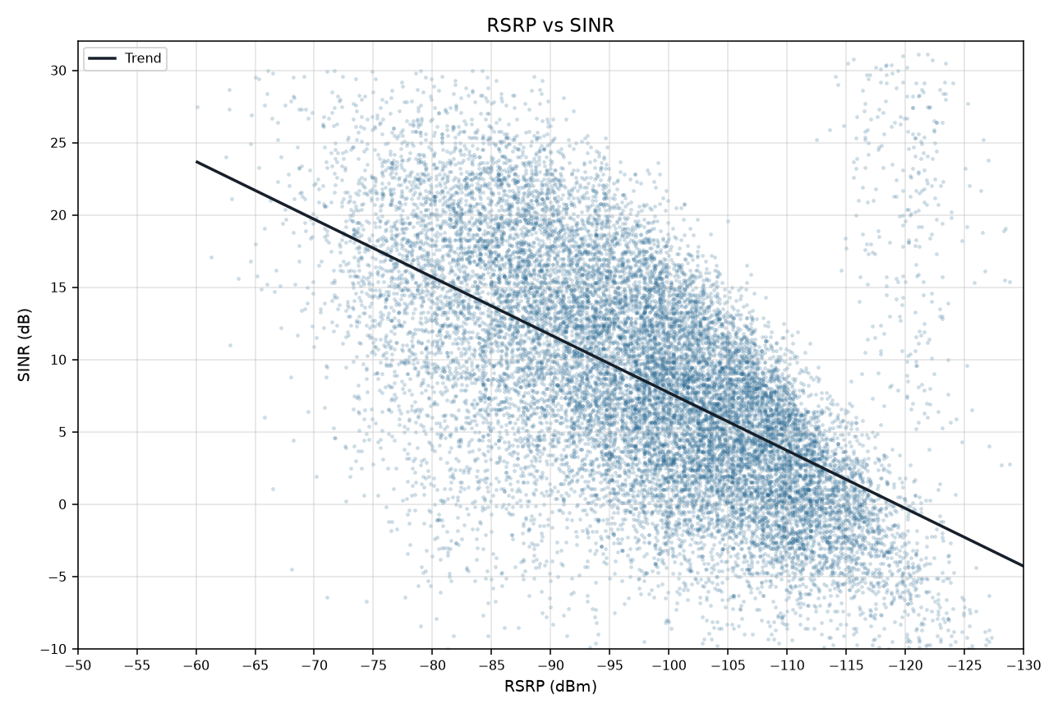
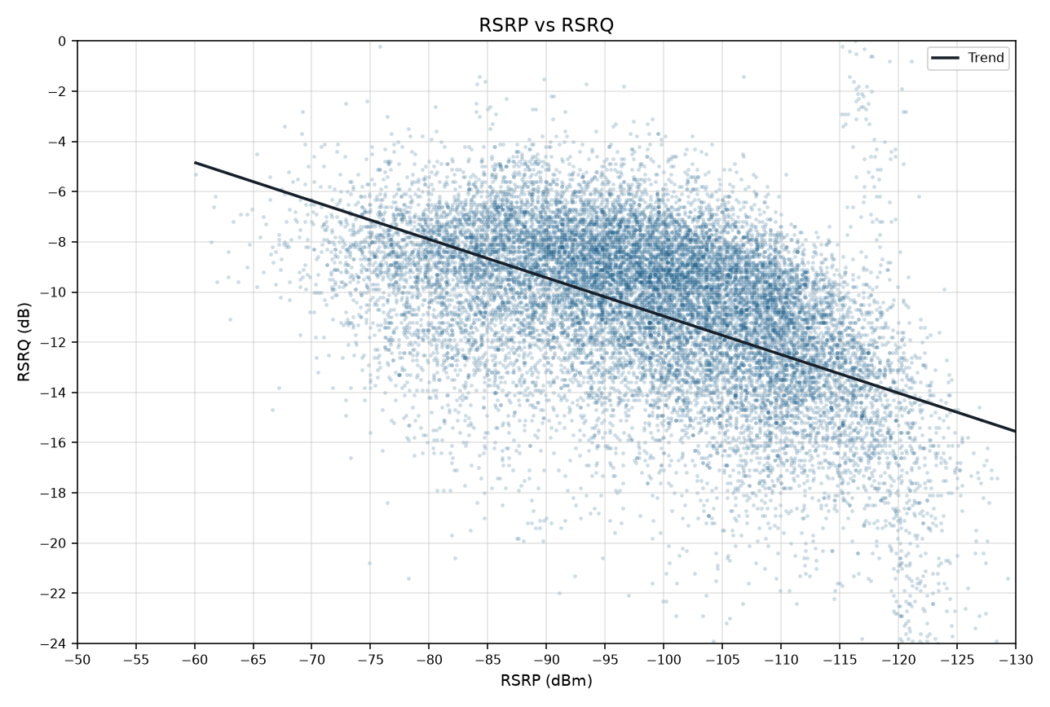
RSRP vs KPIs IDLE Mode
Merged P1+P2 | Smooth mean lines and scatter with trend | Gridlines off

RSRP vs SINR
RSRP vs RSRQ

RSRP vs SINR vs RSRQ

RSRP vs SINR scatter (trend line) | RSRP vs RSRQ scatter (trend line)

