Cover
Bogura Drive-Test Report
Generated 2026-09-12 14:09 | IDLE Mode | Gridlines off | Freeze panes off
IDLE Mode

RSRP histogram
RSRQ histogram
Dataset |  |  | Radio KPIs (all samples) |  |  |  |  |  |  |  | RSRP, RSRQ and SINR plots (native Excel charts with legends)
Item | Value |  | KPI | Count | Min | P5 | Median | Mean | P95 | Max
Mode | IDLE (scanner) |  | RSRP | 1,177,963 | -155.19 | -132.65 | -100.33 | -101.33 | -71.86 | -44.52
Generated | 2026-09-12 14:09 |  | RSRQ | 1,177,963 | -59.66 | -33.59 | -18.43 | -19.59 | -10.95 | 0.00
Archive | Borga_Idle_V2.0.7z |  | SINR | 1,163,267 | -41.32 | -19.75 | -5.02 | -3.47 | 17.16 | 45.00
CSV files | 15
Merged samples | 1,178,276
Start time | 2026-05-11
End time | 2026-05-21
Unique Cell Ids | 5,132
Longitude range | 88.87570 – 89.75081
Latitude range | 23.83306 – 25.56161

How to read this workbook
Cover — dataset and KPI tables on the left, IDLE Mode plots on the right, Active Mode section at the bottom.
RSRP / RSRQ / SINR — Idle V2.0 scanner: all-band and L900 / L1800 / L2100 / L2600 IDLE maps (best RSRP per time, no site pies); Active Mode stays blank until those logs are provided.
Bad Spot Analysis — every dense poor stretch on the full IDLE maps is circled and numbered. Physical sites use outline-only three-arm pies (most-common azimuth per sector).
RSRP vs KPIs — RSRP vs SINR, RSRP vs RSRQ, dual-axis combined chart, and scatter with trend.
SINR histogram
RSRP ranges (dBm)
Sample Log — evenly spaced subset of the merged samples (full merged scanner log stays in output/Bogura_merged.csv.gz).
These files are IDLE Mode. Active Mode coverage maps will be added when those logs are provided.
Band mix (DL EARFCN) |  |  |  | RSRP ranges (dBm)
Band | Samples | Share |  | Range | Samples | Share
B8 900 MHz (8) | 334,480 | 28.4% |  | -90 <= X < Max | 328,354 | 27.9%
B1 2100 MHz (1) | 298,935 | 25.4% |  | -100 <= X < -90 | 252,506 | 21.4%
B3 1800 MHz (3) | 277,097 | 23.5% |  | -110 <= X < -100 | 232,485 | 19.7%
B41 2500 MHz (41) | 267,764 | 22.7% |  | -115 <= X < -110 | 88,230 | 7.5%
 |  |  |  | -120 <= X < -115 | 68,671 | 5.8%
 |  |  |  | -Min <= X < -120 | 207,717 | 17.6%

 |  |  |  | Ranges match the coverage-map legend: -90 <= X < Max (blue) down to RSRP < -120 (red).

Active Mode

RSRP
RSRP Report
Unit: dBm | IDLE Mode coverage map | Gridlines off

RSRP coverage map — IDLE Mode | RSRP coverage map — Active Mode

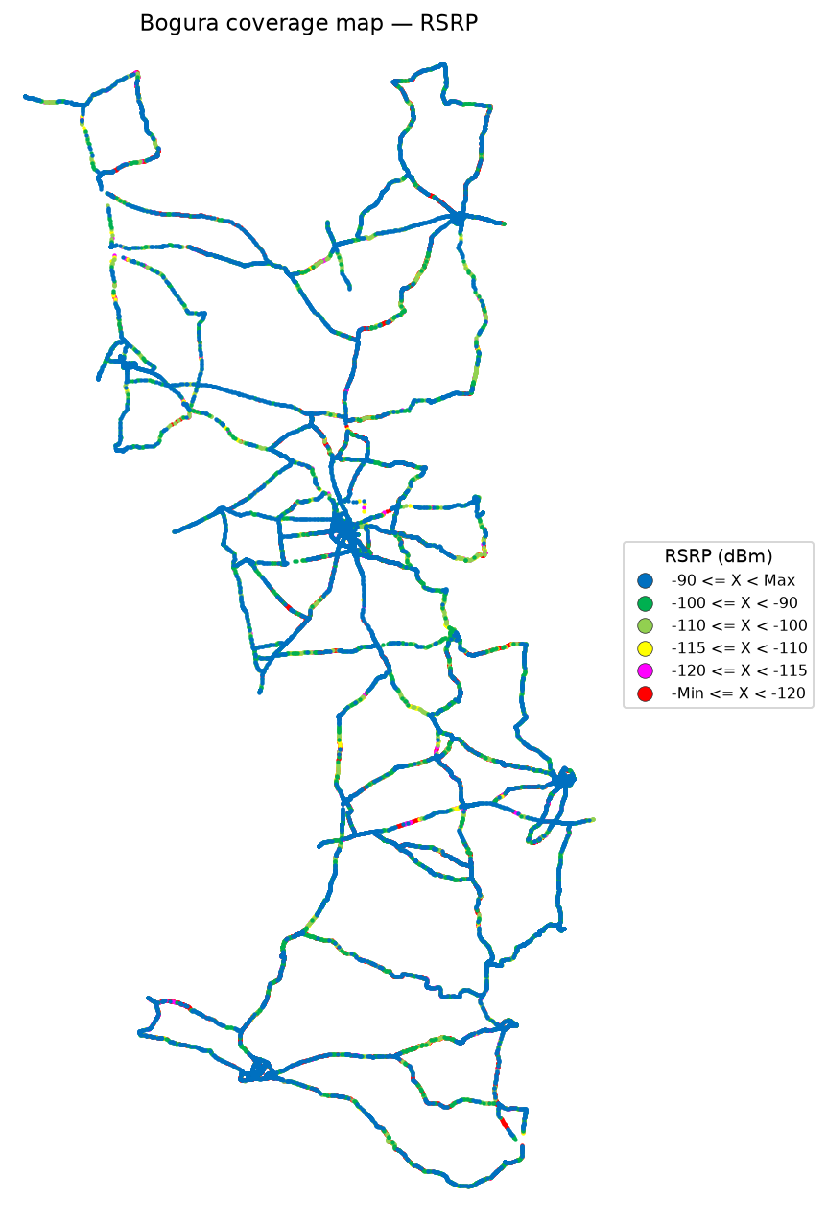


RSRP coverage map — IDLE Mode_L900 | RSRP coverage map — Active Mode_L900

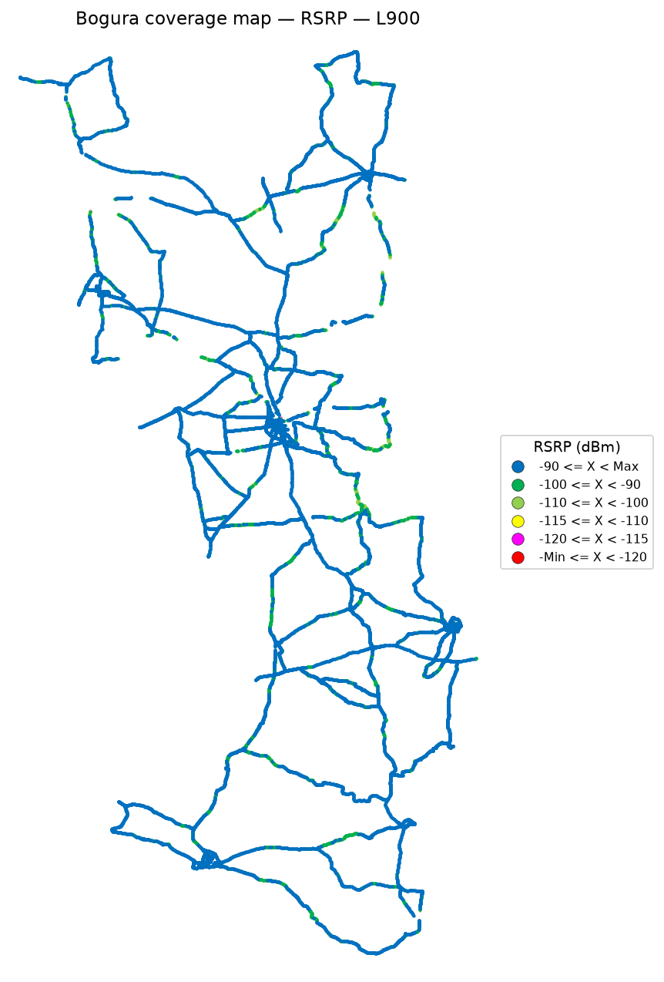

 | Log file will be provided later

RSRP coverage map — IDLE Mode_L1800 | RSRP coverage map — Active Mode_L1800

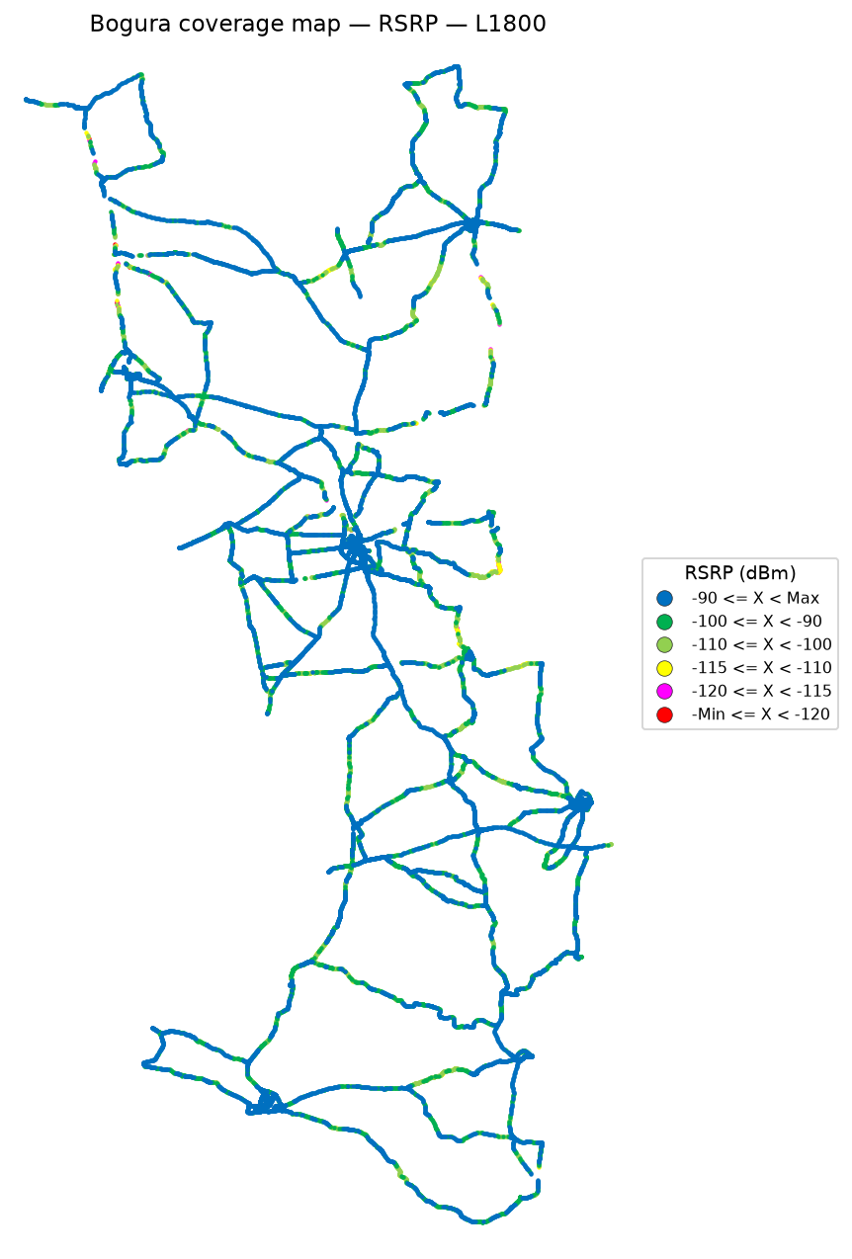

 | Log file will be provided later

RSRP coverage map — IDLE Mode_L2100 | RSRP coverage map — Active Mode_L2100

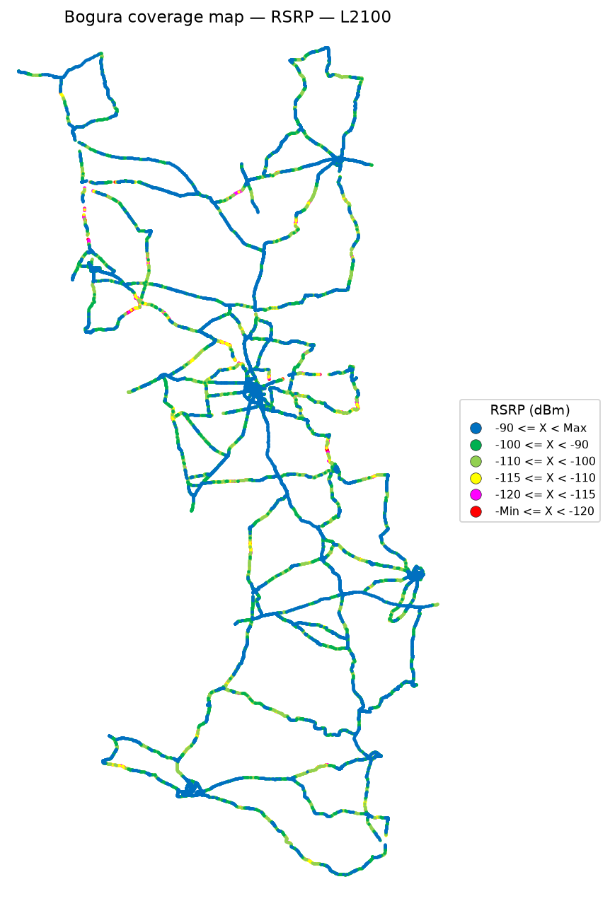

 | Log file will be provided later

RSRP coverage map — IDLE Mode_L2600 | RSRP coverage map — Active Mode_L2600

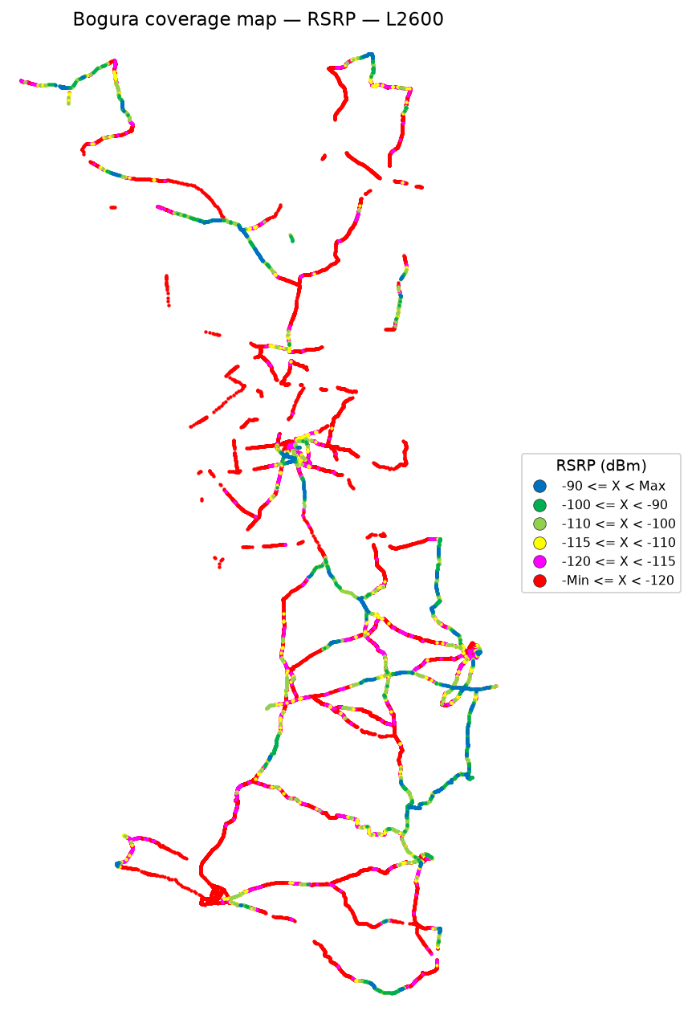

 | Log file will be provided later

RSRQ
RSRQ Report
Unit: dB | IDLE Mode coverage map | Gridlines off

RSRQ coverage map — IDLE Mode | RSRQ coverage map — Active Mode

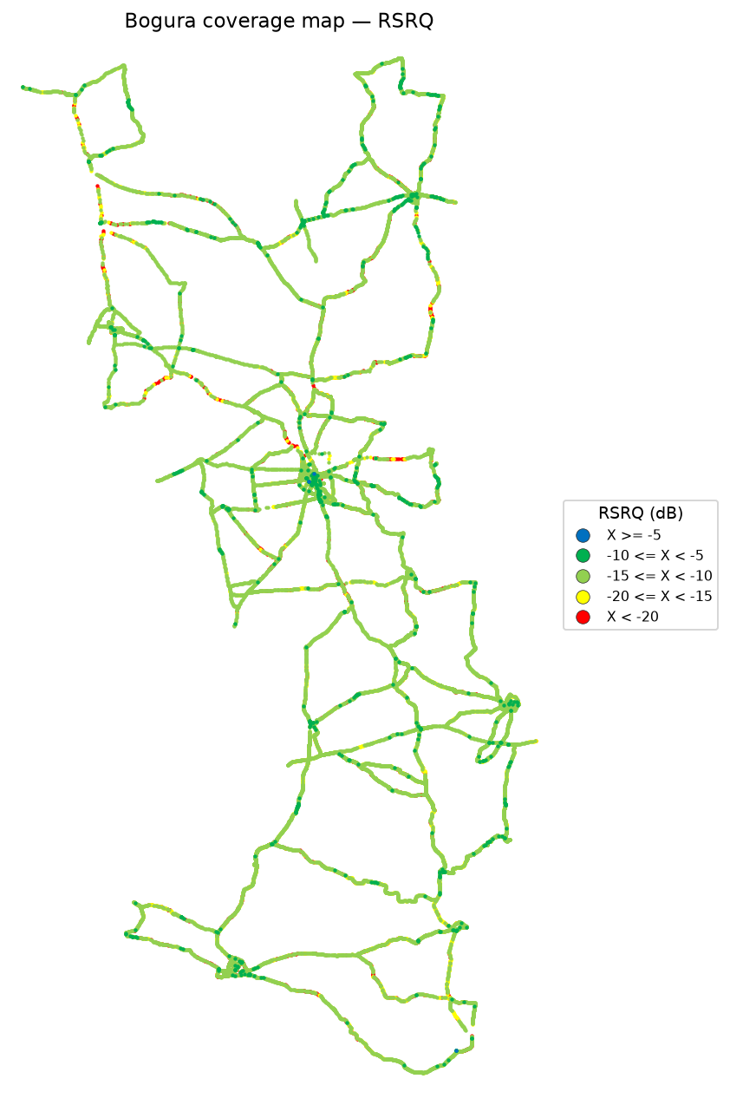

RSRQ coverage map — IDLE Mode_L900 | RSRQ coverage map — Active Mode_L900



 | Log file will be provided later

RSRQ coverage map — IDLE Mode_L1800 | RSRQ coverage map — Active Mode_L1800

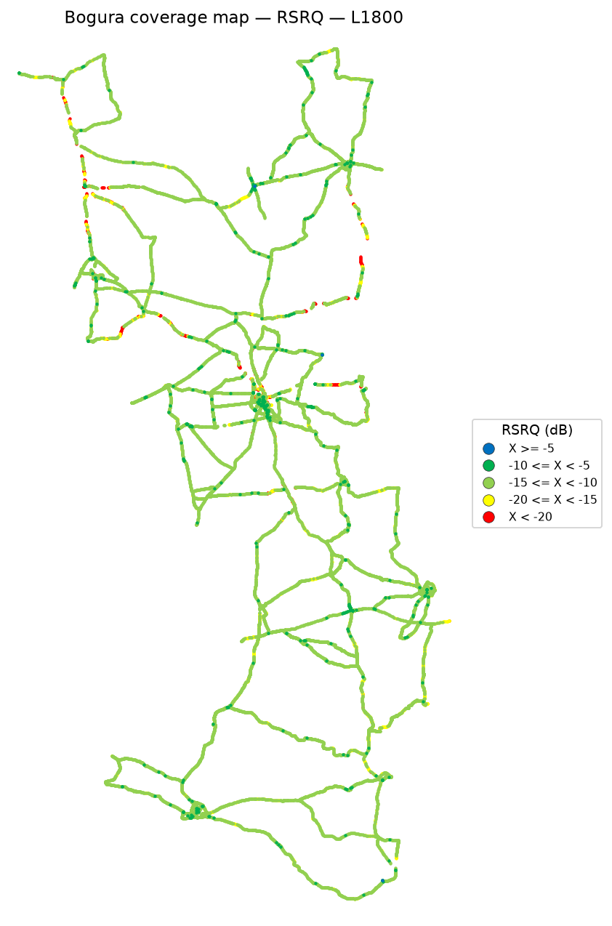

 | Log file will be provided later

RSRQ coverage map — IDLE Mode_L2100 | RSRQ coverage map — Active Mode_L2100

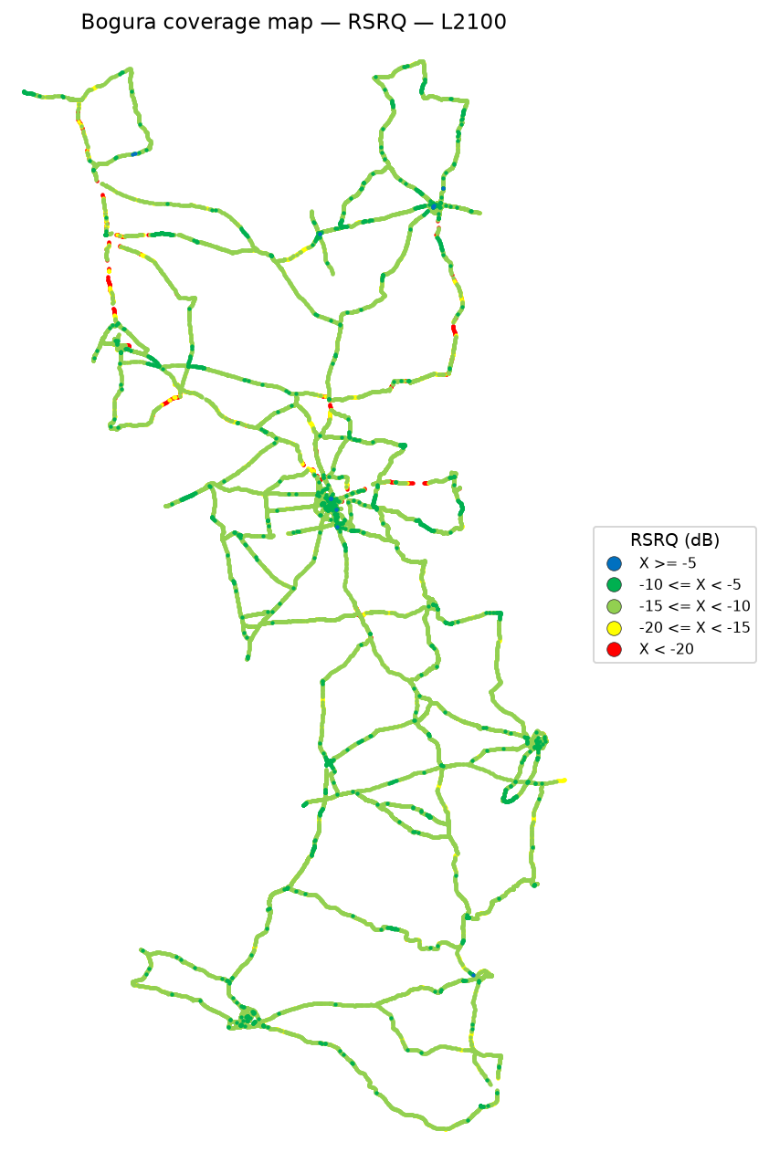

 | Log file will be provided later

RSRQ coverage map — IDLE Mode_L2600 | RSRQ coverage map — Active Mode_L2600

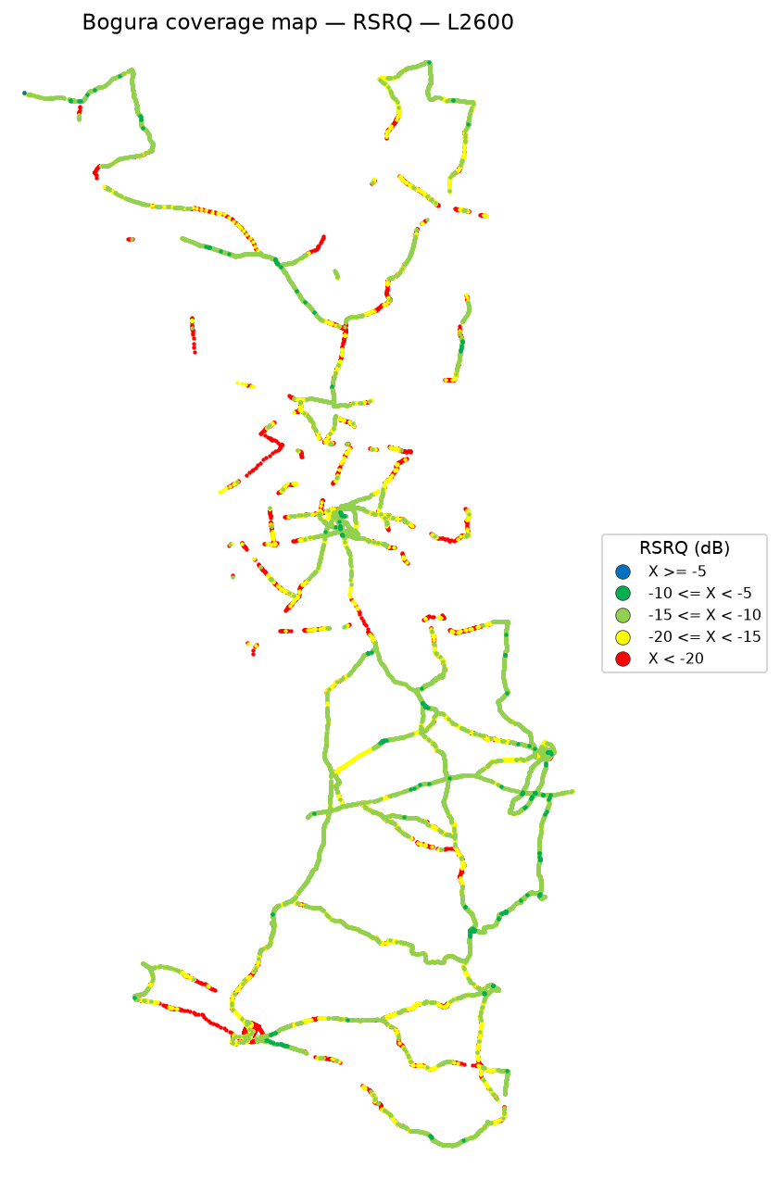

 | Log file will be provided later

SINR
SINR Report
Unit: dB | IDLE Mode coverage map | Gridlines off

SINR coverage map — IDLE Mode | SINR coverage map — Active Mode

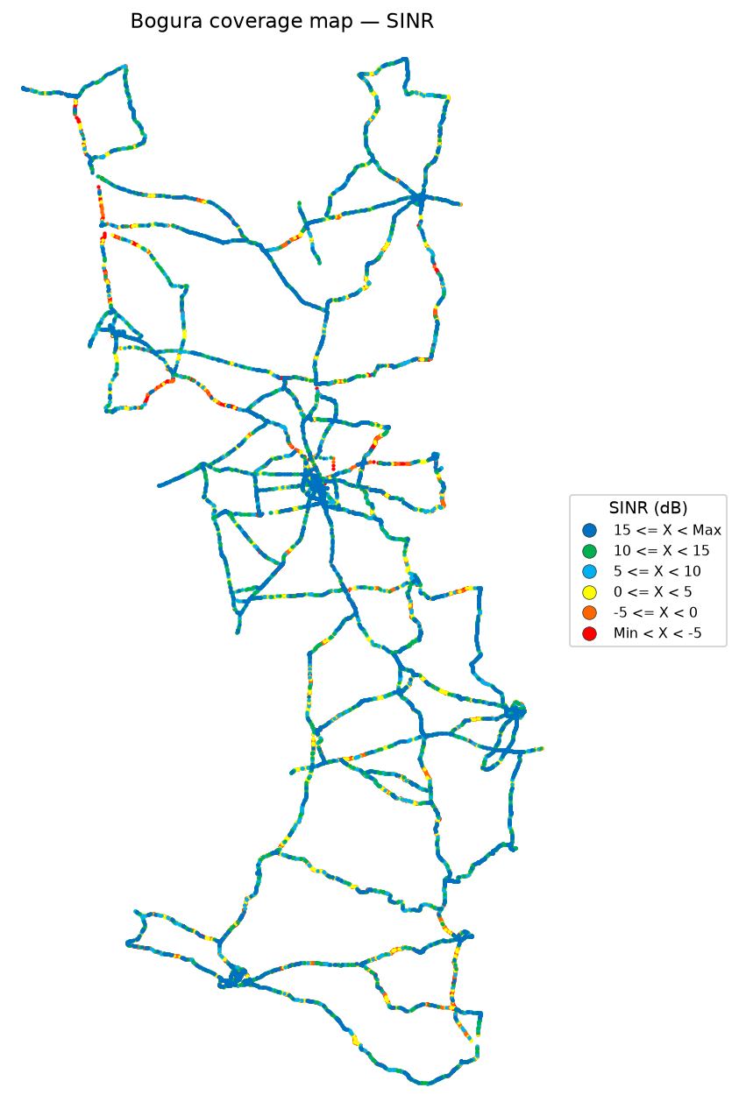

SINR coverage map — IDLE Mode_L900 | SINR coverage map — Active Mode_L900



 | Log file will be provided later

SINR coverage map — IDLE Mode_L1800 | SINR coverage map — Active Mode_L1800



 | Log file will be provided later

SINR coverage map — IDLE Mode_L2100 | SINR coverage map — Active Mode_L2100



 | Log file will be provided later

SINR coverage map — IDLE Mode_L2600 | SINR coverage map — Active Mode_L2600

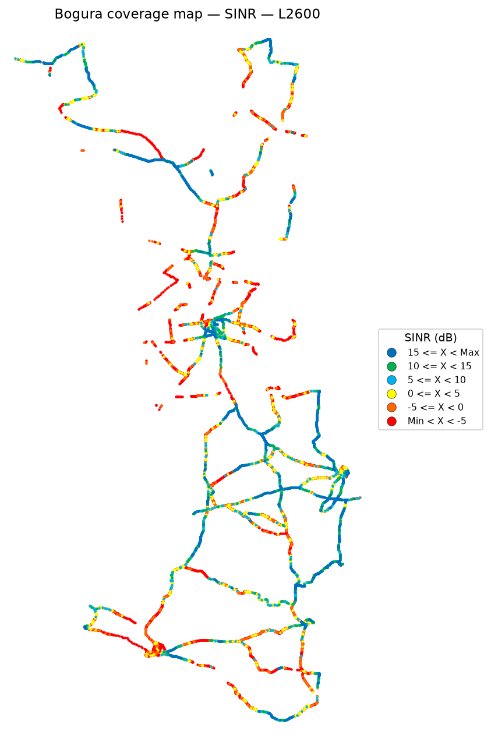

 | Log file will be provided later

Bad Spot Analysis
Bad Spot Analysis
IDLE Mode | Poor-sample clusters | Outline-only site pies
IDLE Mode
Physical sites are drawn as outline-only three-arm pies (no fill, no site names). One sector can have many cells; the arm uses the most common azimuth for that sector name.
RSRP bad spots |  |  |  |  |  | RSRQ bad spots |  |  |  |  |  | SINR bad spots

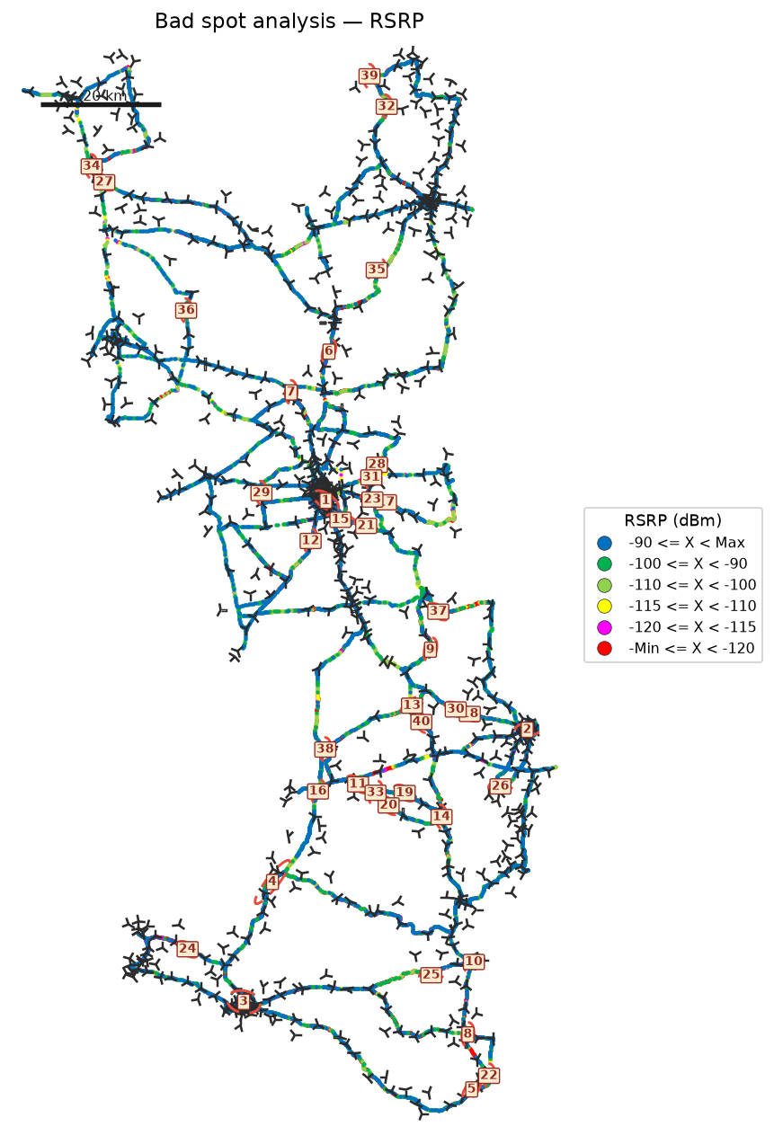
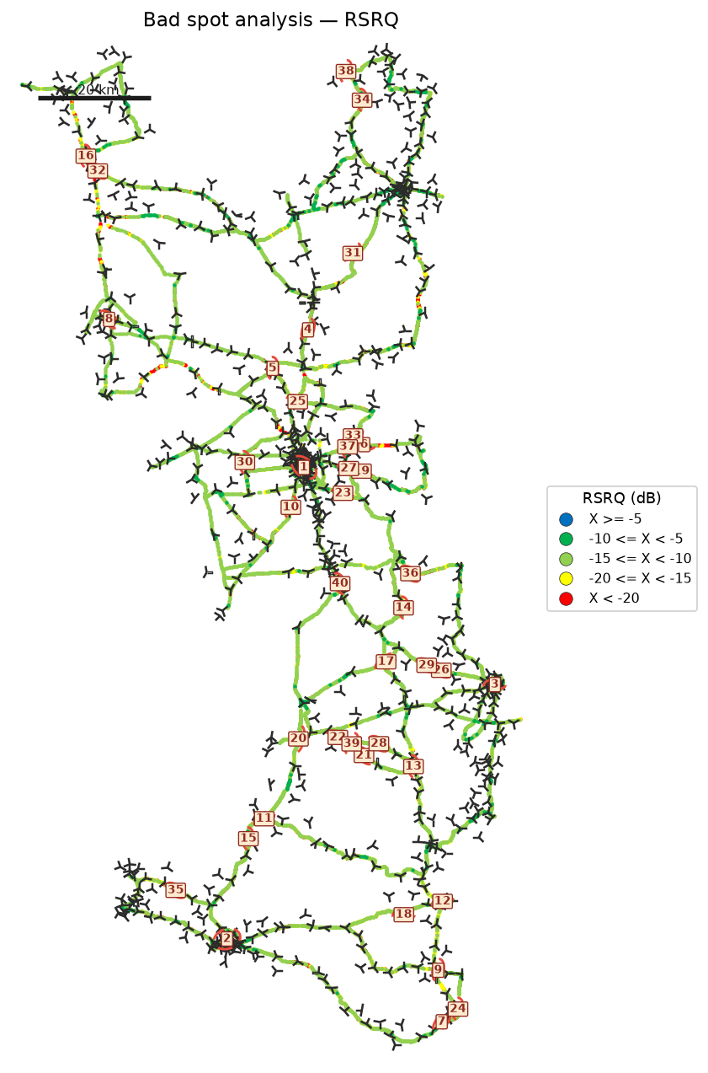
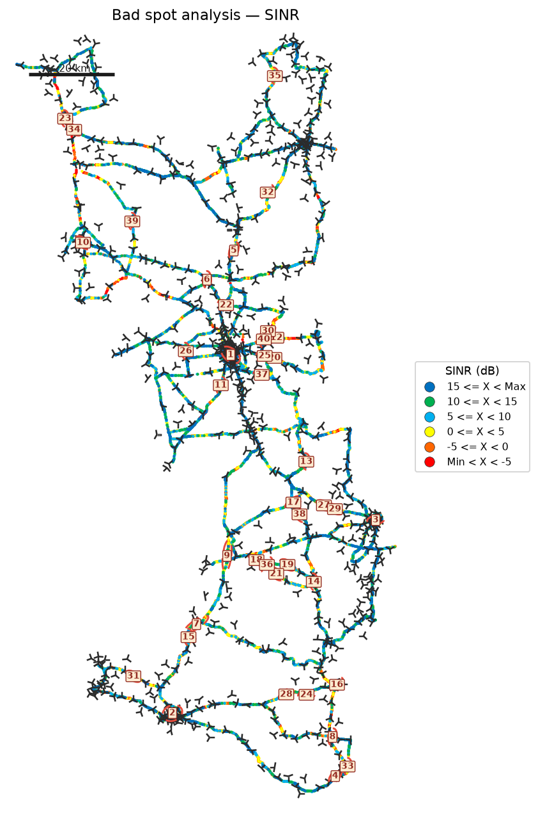

Identified bad spots
Spot | KPI | Latitude | Longitude | Samples | Poor samples | Poor share | Mean KPI | Mean RSRP | Mean RSRQ | Mean SINR | Size (km) | Top Cell Id
Bad Spot 1 | RSRP | 24.83583 | 89.37393 | 25,362 | 6,996 | 27.6% | -127.41 | -92.27 | -14.22 | 6.27 | 5.02 | 148531274
Bad Spot 2 | RSRP | 24.45924 | 89.70443 | 15,420 | 5,676 | 36.8% | -127.30 | -98.61 | -14.62 | 4.38 | 4.05 | 171528520
Bad Spot 3 | RSRP | 24.01151 | 89.23814 | 10,880 | 3,659 | 33.6% | -132.33 | -95.68 | -15.81 | 3.62 | 5.92 | 168974412
Bad Spot 4 | RSRP | 24.20825 | 89.28596 | 6,058 | 2,865 | 47.3% | -127.71 | -107.29 | -14.95 | 2.63 | 5.55 | 168967499
Bad Spot 5 | RSRP | 23.86784 | 89.61334 | 3,305 | 1,679 | 50.8% | -131.43 | -111.51 | -14.97 | 3.53 | 2.03 | 168982350
Bad Spot 6 | RSRP | 25.08108 | 89.37842 | 1,952 | 947 | 48.5% | -135.99 | -110.18 | -17.08 | 0.41 | 1.72 | 148487184
Bad Spot 7 | RSRP | 25.01405 | 89.31624 | 1,737 | 785 | 45.2% | -136.59 | -108.01 | -17.26 | 1.03 | 2.20 | 148556616
Bad Spot 8 | RSRP | 23.95801 | 89.60688 | 2,227 | 1,011 | 45.4% | -129.87 | -100.85 | -16.76 | -0.43 | 1.11 | 168984854
Bad Spot 9 | RSRP | 24.59086 | 89.54536 | 1,964 | 954 | 48.6% | -128.30 | -104.40 | -15.21 | 3.02 | 2.13 | 171526221
Bad Spot 10 | RSRP | 24.07655 | 89.61680 | 4,064 | 1,357 | 33.4% | -124.15 | -100.77 | -14.42 | 7.20 | 1.90 | 171534156
Bad Spot 11 | RSRP | 24.36906 | 89.42684 | 1,860 | 842 | 45.3% | -130.27 | -109.01 | -15.73 | 0.19 | 3.03 | 171538761
Bad Spot 12 | RSRP | 24.76973 | 89.34828 | 2,206 | 1,094 | 49.6% | -125.23 | -105.01 | -15.79 | 4.93 | 1.10 | 148502798
Bad Spot 13 | RSRP | 24.49841 | 89.51521 | 1,912 | 913 | 47.8% | -127.84 | -105.88 | -15.16 | 4.23 | 2.84 | 171526222
Bad Spot 14 | RSRP | 24.31565 | 89.56353 | 1,374 | 604 | 44.0% | -132.50 | -107.78 | -16.88 | 0.51 | 3.34 | 171538763
Bad Spot 15 | RSRP | 24.80454 | 89.39725 | 3,581 | 1,277 | 35.7% | -122.05 | -100.59 | -13.02 | 6.47 | 3.75 | 148531274
Bad Spot 16 | RSRP | 24.35761 | 89.36038 | 2,134 | 845 | 39.6% | -125.79 | -105.51 | -14.36 | 1.96 | 2.13 | 171550480
Bad Spot 17 | RSRP | 24.83325 | 89.47227 | 793 | 428 | 54.0% | -132.93 | -113.68 | -16.70 | 0.64 | 1.01 | 148500039
Bad Spot 18 | RSRP | 24.48520 | 89.61002 | 1,012 | 462 | 45.7% | -130.64 | -102.24 | -16.09 | 2.75 | 2.02 | 171526934
Bad Spot 19 | RSRP | 24.35510 | 89.50297 | 799 | 422 | 52.8% | -131.96 | -118.57 | -16.72 | -3.48 | 1.01 | 171538761
Bad Spot 20 | RSRP | 24.33473 | 89.47651 | 1,201 | 469 | 39.1% | -130.10 | -109.22 | -16.26 | -0.63 | 0.88 | 171551243
Bad Spot 21 | RSRP | 24.79449 | 89.43962 | 885 | 441 | 49.8% | -130.85 | -102.55 | -16.65 | 2.98 | 2.00 | 148502541
Bad Spot 22 | RSRP | 23.88998 | 89.64167 | 1,183 | 592 | 50.0% | -126.19 | -106.35 | -15.84 | 1.01 | 1.75 | 168962069
Bad Spot 23 | RSRP | 24.83787 | 89.44991 | 826 | 398 | 48.2% | -131.09 | -113.67 | -16.00 | -0.36 | 2.00 | 148500042
Bad Spot 24 | RSRP | 24.09812 | 89.14604 | 865 | 339 | 39.2% | -132.90 | -106.51 | -14.86 | 2.72 | 0.70 | 168972045
Bad Spot 25 | RSRP | 24.05542 | 89.54662 | 641 | 275 | 42.9% | -136.40 | -102.75 | -17.62 | 2.77 | 1.01 | 168984592
Bad Spot 26 | RSRP | 24.36595 | 89.66039 | 1,370 | 665 | 48.5% | -123.70 | -109.49 | -13.42 | 4.78 | 1.99 | 171524372
Bad Spot 27 | RSRP | 25.35973 | 89.00907 | 607 | 295 | 48.6% | -133.40 | -110.47 | -16.55 | 0.83 | 0.12 | 133145108
Bad Spot 28 | RSRP | 24.89504 | 89.45734 | 661 | 322 | 48.7% | -131.79 | -112.00 | -16.61 | -1.81 | 0.88 | 148500042
Bad Spot 29 | RSRP | 24.84847 | 89.26741 | 936 | 223 | 23.8% | -138.14 | -101.19 | -14.34 | 4.81 | 1.00 | 148484629
Bad Spot 30 | RSRP | 24.49262 | 89.58689 | 528 | 364 | 68.9% | -128.74 | -121.69 | -18.24 | -4.73 | 0.99 | 171526925
Bad Spot 31 | RSRP | 24.87420 | 89.44801 | 943 | 397 | 42.1% | -127.25 | -99.26 | -14.39 | 6.20 | 1.09 | 148500042
Bad Spot 32 | RSRP | 25.48391 | 89.47336 | 484 | 245 | 50.6% | -134.40 | -107.34 | -16.43 | 0.65 | 1.11 | 145930312
Bad Spot 33 | RSRP | 24.35546 | 89.45503 | 658 | 312 | 47.4% | -130.04 | -107.38 | -15.22 | 1.51 | 1.01 | 171538761
Bad Spot 34 | RSRP | 25.38570 | 88.98816 | 1,846 | 180 | 9.8% | -140.38 | -73.82 | -13.44 | 12.96 | 0.77 | 133167374
Bad Spot 35 | RSRP | 25.21506 | 89.45695 | 452 | 195 | 43.1% | -136.45 | -100.37 | -16.69 | 8.89 | 0.72 | 145922580
Bad Spot 36 | RSRP | 25.14852 | 89.14357 | 811 | 205 | 25.3% | -135.27 | -99.03 | -13.36 | 9.82 | 1.09 | 151044629
Bad Spot 37 | RSRP | 24.65341 | 89.55822 | 492 | 239 | 48.6% | -131.26 | -106.54 | -15.49 | 2.02 | 0.54 | 171547152
Bad Spot 38 | RSRP | 24.42666 | 89.37234 | 472 | 237 | 50.2% | -131.34 | -106.10 | -15.11 | 2.86 | 1.10 | 171525961
Bad Spot 39 | RSRP | 25.53399 | 89.44511 | 489 | 249 | 50.9% | -130.39 | -103.85 | -15.60 | 4.20 | 0.76 | 145930516
Bad Spot 40 | RSRP | 24.47186 | 89.53034 | 810 | 315 | 38.9% | -126.45 | -89.00 | -13.82 | 11.02 | 0.25 | 171526672
Bad Spot 1 | RSRQ | 24.84005 | 89.37176 | 30,300 | 8,216 | 27.1% | -20.17 | -90.83 | -14.17 | 6.21 | 5.00 | 148531274
Bad Spot 2 | RSRQ | 24.01279 | 89.23573 | 10,117 | 3,369 | 33.3% | -24.58 | -95.41 | -16.09 | 3.27 | 5.04 | 168974412
Bad Spot 3 | RSRQ | 24.45895 | 89.70647 | 13,829 | 4,870 | 35.2% | -18.92 | -98.75 | -14.76 | 4.14 | 3.03 | 171528520
Bad Spot 4 | RSRQ | 25.08112 | 89.37843 | 1,952 | 943 | 48.3% | -22.74 | -110.18 | -17.08 | 0.41 | 1.72 | 148487184
Bad Spot 5 | RSRQ | 25.01356 | 89.31621 | 1,737 | 814 | 46.9% | -23.09 | -108.01 | -17.26 | 1.03 | 2.20 | 148556616
Bad Spot 6 | RSRQ | 24.87978 | 89.47698 | 1,404 | 570 | 40.6% | -26.43 | -93.48 | -17.85 | 1.38 | 0.40 | 148513039
Bad Spot 7 | RSRQ | 23.86783 | 89.61324 | 3,301 | 1,415 | 42.9% | -19.27 | -111.52 | -14.98 | 3.52 | 2.01 | 168982350
Bad Spot 8 | RSRQ | 25.09938 | 89.02898 | 4,451 | 1,130 | 25.4% | -19.96 | -81.78 | -14.07 | 6.26 | 2.15 | 151045647
Bad Spot 9 | RSRQ | 23.95802 | 89.60693 | 2,227 | 1,484 | 66.6% | -18.51 | -100.85 | -16.76 | -0.43 | 1.11 | 168984854
Bad Spot 10 | RSRQ | 24.76981 | 89.34830 | 2,206 | 1,286 | 58.3% | -18.88 | -105.01 | -15.79 | 4.93 | 1.10 | 148502798
Bad Spot 11 | RSRQ | 24.22369 | 89.30154 | 2,372 | 883 | 37.2% | -20.08 | -109.42 | -15.11 | 2.52 | 1.71 | 168999950
Bad Spot 12 | RSRQ | 24.07784 | 89.61565 | 6,272 | 2,041 | 32.5% | -17.49 | -98.25 | -14.14 | 7.76 | 3.02 | 168963919
Bad Spot 13 | RSRQ | 24.31525 | 89.56356 | 1,374 | 634 | 46.1% | -21.60 | -107.78 | -16.88 | 0.51 | 3.34 | 171538763
Bad Spot 14 | RSRQ | 24.59358 | 89.54617 | 1,388 | 666 | 48.0% | -20.09 | -103.57 | -15.86 | 1.94 | 1.07 | 171526221
Bad Spot 15 | RSRQ | 24.18869 | 89.27364 | 1,492 | 638 | 42.8% | -19.78 | -100.84 | -15.58 | 3.57 | 1.09 | 168967499
Bad Spot 16 | RSRQ | 25.38565 | 88.98827 | 1,892 | 238 | 12.6% | -27.82 | -73.81 | -13.52 | 12.76 | 0.86 | 133167374
Bad Spot 17 | RSRQ | 24.49877 | 89.51560 | 1,912 | 838 | 43.8% | -18.73 | -105.88 | -15.16 | 4.23 | 2.84 | 171526222
Bad Spot 18 | RSRQ | 24.05542 | 89.54661 | 641 | 273 | 42.6% | -25.96 | -102.75 | -17.62 | 2.77 | 1.01 | 168984592
Bad Spot 19 | RSRQ | 24.83326 | 89.47224 | 792 | 403 | 50.9% | -21.50 | -113.67 | -16.70 | 0.64 | 1.00 | 148500039
Bad Spot 20 | RSRQ | 24.36409 | 89.36153 | 2,574 | 826 | 32.1% | -18.35 | -106.88 | -14.60 | 1.25 | 3.27 | 171550480
Bad Spot 21 | RSRQ | 24.33467 | 89.47657 | 1,201 | 556 | 46.3% | -19.61 | -109.22 | -16.26 | -0.63 | 0.88 | 171551243
Bad Spot 22 | RSRQ | 24.36632 | 89.43071 | 1,179 | 531 | 45.0% | -19.50 | -113.10 | -15.91 | -1.87 | 1.57 | 171538761
Bad Spot 23 | RSRQ | 24.79447 | 89.43982 | 883 | 482 | 54.6% | -19.95 | -102.52 | -16.66 | 2.97 | 2.00 | 148502541
Bad Spot 24 | RSRQ | 23.88988 | 89.64166 | 1,186 | 597 | 50.3% | -18.93 | -106.28 | -15.84 | 1.01 | 1.76 | 168962069
Bad Spot 25 | RSRQ | 24.95495 | 89.36028 | 774 | 375 | 48.4% | -21.21 | -108.69 | -16.27 | 3.64 | 1.95 | 148486164
Bad Spot 26 | RSRQ | 24.48406 | 89.61238 | 637 | 275 | 43.2% | -22.41 | -99.52 | -16.45 | 2.80 | 1.01 | 171528270
Bad Spot 27 | RSRQ | 24.83787 | 89.44981 | 826 | 395 | 47.8% | -20.12 | -113.67 | -16.00 | -0.36 | 2.00 | 148500042
Bad Spot 28 | RSRQ | 24.35525 | 89.50277 | 799 | 500 | 62.6% | -18.96 | -118.57 | -16.72 | -3.48 | 1.01 | 171538761
Bad Spot 29 | RSRQ | 24.49270 | 89.58669 | 528 | 375 | 71.0% | -20.09 | -121.69 | -18.24 | -4.73 | 0.99 | 171526925
Bad Spot 30 | RSRQ | 24.84851 | 89.26741 | 946 | 226 | 23.9% | -23.34 | -101.07 | -14.31 | 4.85 | 1.06 | 148484629
Bad Spot 31 | RSRQ | 25.21508 | 89.45695 | 452 | 189 | 41.8% | -24.59 | -100.37 | -16.69 | 8.89 | 0.72 | 145922580
Bad Spot 32 | RSRQ | 25.35973 | 89.00906 | 607 | 286 | 47.1% | -20.66 | -110.47 | -16.55 | 0.83 | 0.12 | 133145108
Bad Spot 33 | RSRQ | 24.89510 | 89.45743 | 661 | 376 | 56.9% | -19.13 | -112.00 | -16.61 | -1.81 | 0.88 | 148500042
Bad Spot 34 | RSRQ | 25.48385 | 89.47336 | 484 | 235 | 48.6% | -21.27 | -107.34 | -16.43 | 0.65 | 1.11 | 145930312
Bad Spot 35 | RSRQ | 24.09812 | 89.14603 | 865 | 375 | 43.4% | -18.87 | -106.51 | -14.86 | 2.72 | 0.70 | 168972045
Bad Spot 36 | RSRQ | 24.65342 | 89.55820 | 492 | 241 | 49.0% | -20.57 | -106.54 | -15.49 | 2.02 | 0.54 | 171547152
Bad Spot 37 | RSRQ | 24.87592 | 89.44780 | 952 | 271 | 28.5% | -19.88 | -99.27 | -14.48 | 6.13 | 1.09 | 148500042
Bad Spot 38 | RSRQ | 25.53405 | 89.44508 | 487 | 241 | 49.5% | -19.92 | -103.84 | -15.61 | 4.18 | 0.76 | 145930516
Bad Spot 39 | RSRQ | 24.35494 | 89.45505 | 654 | 265 | 40.5% | -19.43 | -107.33 | -15.24 | 1.49 | 1.01 | 171538761
Bad Spot 40 | RSRQ | 24.63598 | 89.43469 | 411 | 204 | 49.6% | -20.47 | -98.39 | -16.23 | 2.84 | 1.08 | 148505167
Bad Spot 1 | SINR | 24.84014 | 89.37156 | 30,221 | 7,464 | 24.7% | -7.03 | -90.83 | -14.17 | 6.21 | 5.01 | 148531274
Bad Spot 2 | SINR | 24.01311 | 89.23579 | 10,112 | 3,564 | 35.2% | -12.20 | -95.41 | -16.09 | 3.27 | 5.04 | 168974412
Bad Spot 3 | SINR | 24.45882 | 89.70663 | 13,821 | 5,013 | 36.3% | -6.01 | -98.75 | -14.75 | 4.15 | 3.04 | 171528520
Bad Spot 4 | SINR | 23.86792 | 89.61335 | 3,293 | 1,531 | 46.5% | -6.80 | -111.52 | -14.98 | 3.52 | 2.01 | 168982350
Bad Spot 5 | SINR | 25.08109 | 89.37842 | 1,924 | 932 | 48.4% | -10.11 | -110.18 | -17.08 | 0.41 | 1.72 | 148487184
Bad Spot 6 | SINR | 25.01381 | 89.31624 | 1,737 | 804 | 46.3% | -11.31 | -108.01 | -17.26 | 1.03 | 2.20 | 148556616
Bad Spot 7 | SINR | 24.21888 | 89.29337 | 4,045 | 1,636 | 40.4% | -6.14 | -109.95 | -14.81 | 2.01 | 3.85 | 168967499
Bad Spot 8 | SINR | 23.95803 | 89.60692 | 2,211 | 1,318 | 59.6% | -5.54 | -100.85 | -16.76 | -0.43 | 1.11 | 168984854
Bad Spot 9 | SINR | 24.37678 | 89.36276 | 4,786 | 1,872 | 39.1% | -3.73 | -105.80 | -14.33 | 1.84 | 5.50 | 163854151
Bad Spot 10 | SINR | 25.09913 | 89.02925 | 5,403 | 973 | 18.0% | -6.58 | -82.49 | -13.77 | 6.14 | 2.17 | 151045647
Bad Spot 11 | SINR | 24.76987 | 89.34831 | 2,200 | 1,173 | 53.3% | -4.88 | -105.01 | -15.79 | 4.93 | 1.10 | 148502798
Bad Spot 12 | SINR | 24.87978 | 89.47699 | 1,404 | 527 | 37.5% | -9.90 | -93.48 | -17.85 | 1.38 | 0.40 | 148513039
Bad Spot 13 | SINR | 24.59356 | 89.54617 | 1,378 | 660 | 47.9% | -7.90 | -103.56 | -15.85 | 1.95 | 1.07 | 171526221
Bad Spot 14 | SINR | 24.31607 | 89.56346 | 1,353 | 677 | 50.0% | -7.65 | -107.78 | -16.88 | 0.51 | 3.34 | 171538763
Bad Spot 15 | SINR | 24.18839 | 89.27359 | 1,494 | 638 | 42.7% | -7.64 | -100.87 | -15.57 | 3.57 | 1.11 | 168967499
Bad Spot 16 | SINR | 24.07777 | 89.61736 | 4,236 | 1,230 | 29.0% | -3.84 | -100.32 | -14.39 | 7.37 | 2.10 | 171534156
Bad Spot 17 | SINR | 24.49922 | 89.51632 | 1,902 | 806 | 42.4% | -5.24 | -105.88 | -15.16 | 4.23 | 2.84 | 171526222
Bad Spot 18 | SINR | 24.36624 | 89.43087 | 1,172 | 662 | 56.5% | -6.18 | -113.10 | -15.91 | -1.87 | 1.57 | 171538761
Bad Spot 19 | SINR | 24.35528 | 89.50270 | 797 | 616 | 77.3% | -5.98 | -118.57 | -16.72 | -3.48 | 1.01 | 171538761
Bad Spot 20 | SINR | 24.83326 | 89.47226 | 787 | 426 | 54.1% | -8.45 | -113.67 | -16.70 | 0.64 | 1.00 | 148500039
Bad Spot 21 | SINR | 24.33466 | 89.47658 | 1,194 | 584 | 48.9% | -6.02 | -109.22 | -16.26 | -0.63 | 0.88 | 171551243
Bad Spot 22 | SINR | 24.95493 | 89.36051 | 774 | 382 | 49.4% | -9.20 | -108.65 | -16.25 | 3.62 | 1.99 | 148486164
Bad Spot 23 | SINR | 25.38556 | 88.98824 | 1,891 | 232 | 12.3% | -15.01 | -73.81 | -13.52 | 12.76 | 0.86 | 133167374
Bad Spot 24 | SINR | 24.05542 | 89.54666 | 623 | 255 | 40.9% | -13.55 | -102.75 | -17.62 | 2.77 | 1.01 | 168984592
Bad Spot 25 | SINR | 24.83779 | 89.44979 | 824 | 431 | 52.3% | -7.18 | -113.67 | -16.00 | -0.36 | 2.00 | 148500042
Bad Spot 26 | SINR | 24.84848 | 89.26741 | 934 | 229 | 24.5% | -13.16 | -101.19 | -14.34 | 4.81 | 1.00 | 148484629
Bad Spot 27 | SINR | 24.49263 | 89.58687 | 519 | 418 | 80.5% | -6.32 | -121.69 | -18.24 | -4.73 | 0.99 | 171526925
Bad Spot 28 | SINR | 24.05620 | 89.49981 | 608 | 448 | 73.7% | -5.75 | -118.45 | -16.89 | -3.28 | 2.03 | 168983629
Bad Spot 29 | SINR | 24.48407 | 89.61239 | 633 | 271 | 42.8% | -9.49 | -99.52 | -16.45 | 2.80 | 1.01 | 171528270
Bad Spot 30 | SINR | 24.89509 | 89.45741 | 659 | 403 | 61.2% | -6.02 | -112.00 | -16.61 | -1.81 | 0.88 | 148500042
Bad Spot 31 | SINR | 24.09812 | 89.14603 | 865 | 407 | 47.1% | -5.81 | -106.51 | -14.86 | 2.72 | 0.70 | 168972045
Bad Spot 32 | SINR | 25.21508 | 89.45696 | 451 | 194 | 43.0% | -12.14 | -100.37 | -16.69 | 8.89 | 0.72 | 145922580
Bad Spot 33 | SINR | 23.88968 | 89.64165 | 1,185 | 539 | 45.5% | -4.35 | -106.28 | -15.84 | 1.01 | 1.76 | 168962069
Bad Spot 34 | SINR | 25.35973 | 89.00907 | 606 | 294 | 48.5% | -7.95 | -110.47 | -16.55 | 0.83 | 0.12 | 133145108
Bad Spot 35 | SINR | 25.48386 | 89.47336 | 478 | 236 | 49.4% | -9.24 | -107.34 | -16.43 | 0.65 | 1.11 | 145930312
Bad Spot 36 | SINR | 24.35514 | 89.45498 | 651 | 294 | 45.2% | -6.47 | -107.33 | -15.24 | 1.49 | 1.01 | 171538761
Bad Spot 37 | SINR | 24.79390 | 89.44305 | 493 | 244 | 49.5% | -7.66 | -101.45 | -16.71 | 1.76 | 0.99 | 148503118
Bad Spot 38 | SINR | 24.47185 | 89.53035 | 799 | 293 | 36.7% | -5.94 | -89.02 | -13.84 | 11.00 | 0.23 | 171526672
Bad Spot 39 | SINR | 25.14831 | 89.14358 | 805 | 210 | 26.1% | -8.09 | -99.03 | -13.36 | 9.82 | 1.06 | 151044629
Bad Spot 40 | SINR | 24.87593 | 89.44793 | 951 | 246 | 25.9% | -6.77 | -99.27 | -14.48 | 6.13 | 1.09 | 148500042
Every numbered oval is a dense cluster of poor samples on the full drive (RSRP < -115 dBm, RSRQ < -15 dB, or SINR < 0 dB). Site pies group cells by sector name and use the most common azimuth when a sector has more than one cell.

RSRP vs KPIs
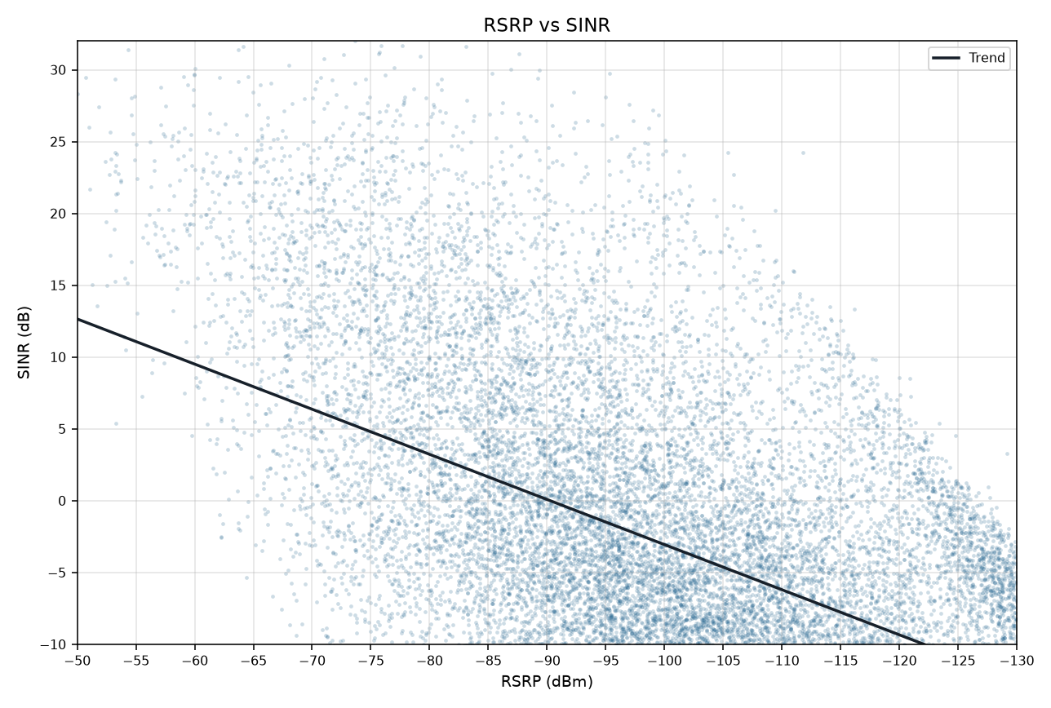
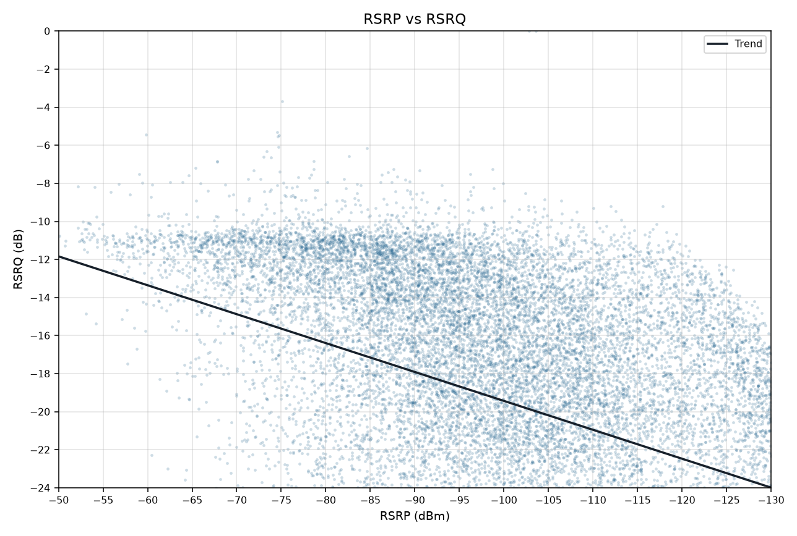
RSRP vs KPIs IDLE Mode
Idle V2.0 scanner | Smooth mean lines and scatter with trend | Gridlines off

RSRP vs SINR
RSRP vs RSRQ

RSRP vs SINR vs RSRQ

RSRP vs SINR scatter (trend line) | RSRP vs RSRQ scatter (trend line)

