Cover
Bogura Drive-Test Report
Generated 2026-09-12 14:57 | IDLE Mode | Gridlines off | Freeze panes off
IDLE Mode

RSRP histogram
RSRQ histogram
Dataset |  |  | Radio KPIs (all samples) |  |  |  |  |  |  |  | RSRP, RSRQ and SINR plots (native Excel charts with legends)
Item | Value |  | KPI | Count | Min | P5 | Median | Mean | P95 | Max
Mode | IDLE (scanner) |  | RSRP | 1,177,963 | -155.19 | -132.65 | -100.33 | -101.33 | -71.86 | -44.52
Generated | 2026-09-12 14:57 |  | RSRQ | 1,177,963 | -59.66 | -33.59 | -18.43 | -19.59 | -10.95 | 0.00
Archive | Borga_Idle_V2.0.7z |  | SINR | 1,163,267 | -41.32 | -19.75 | -5.02 | -3.47 | 17.16 | 45.00
CSV files | 15
Merged samples | 1,178,276
Start time | 2026-05-11
End time | 2026-05-21
Unique Cell Ids | 5,132
Longitude range | 88.87570 – 89.75081
Latitude range | 23.83306 – 25.56161

How to read this workbook
Cover — dataset and KPI tables on the left, IDLE Mode plots on the right, Active Mode section at the bottom.
RSRP / RSRQ / SINR — Idle V2.0 scanner: all-band and L900 / L1800 / L2100 / L2600 IDLE maps (best RSRP per time, no site pies); Active Mode stays blank until those logs are provided.
Bad Spot Analysis — consecutive poor stretches of at least 200 m, plus large circles where poor samples cover at least 1 km² without a 200 m consecutive run. No site pies.
RSRP vs KPIs — RSRP vs SINR, RSRP vs RSRQ, dual-axis combined chart, and scatter with trend.
SINR histogram
RSRP ranges (dBm)
Sample Log — evenly spaced subset of the merged samples (full merged scanner log stays in output/Bogura_merged.csv.gz).
These files are IDLE Mode. Active Mode coverage maps will be added when those logs are provided.
Band mix (DL EARFCN) |  |  |  | RSRP ranges (dBm)
Band | Samples | Share |  | Range | Samples | Share
B8 900 MHz (8) | 334,480 | 28.4% |  | -90 <= X < Max | 328,354 | 27.9%
B1 2100 MHz (1) | 298,935 | 25.4% |  | -100 <= X < -90 | 252,506 | 21.4%
B3 1800 MHz (3) | 277,097 | 23.5% |  | -110 <= X < -100 | 232,485 | 19.7%
B41 2500 MHz (41) | 267,764 | 22.7% |  | -115 <= X < -110 | 88,230 | 7.5%
 |  |  |  | -120 <= X < -115 | 68,671 | 5.8%
 |  |  |  | -Min <= X < -120 | 207,717 | 17.6%

 |  |  |  | Ranges match the coverage-map legend: -90 <= X < Max (blue) down to RSRP < -120 (red).

Active Mode

RSRP
RSRP Report
Unit: dBm | IDLE Mode coverage map | Gridlines off

RSRP coverage map — IDLE Mode | RSRP coverage map — Active Mode

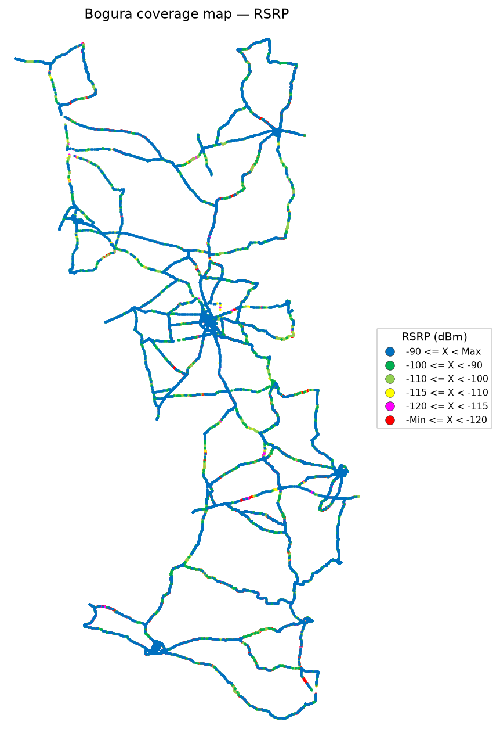


RSRP coverage map — IDLE Mode_L900 | RSRP coverage map — Active Mode_L900

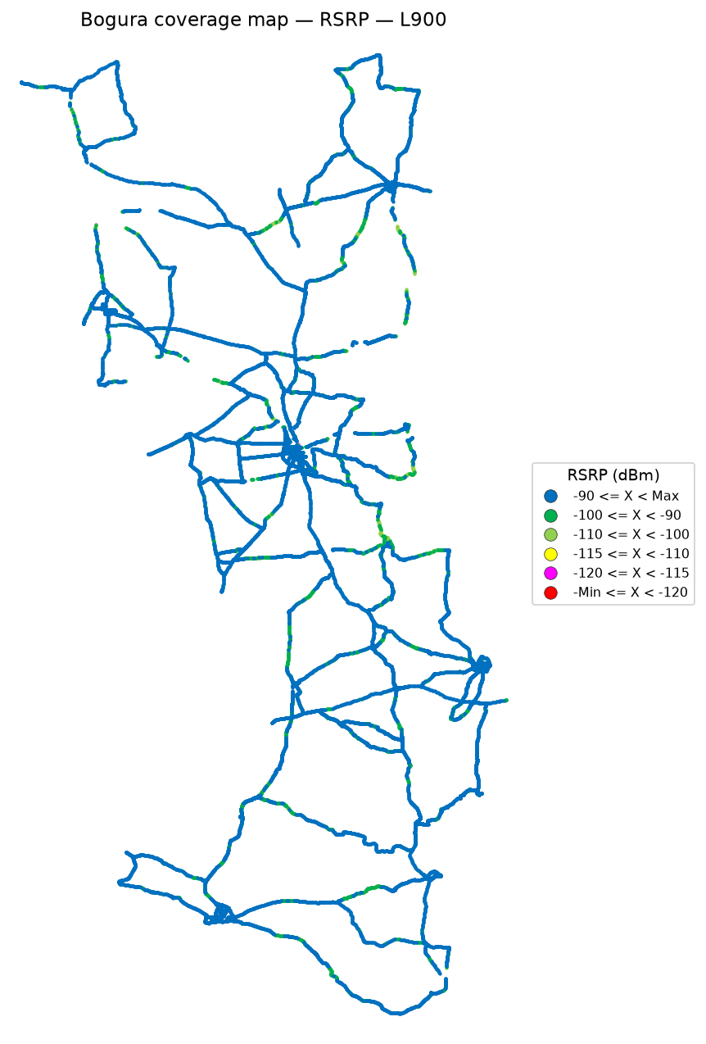

 | Log file will be provided later

RSRP coverage map — IDLE Mode_L1800 | RSRP coverage map — Active Mode_L1800

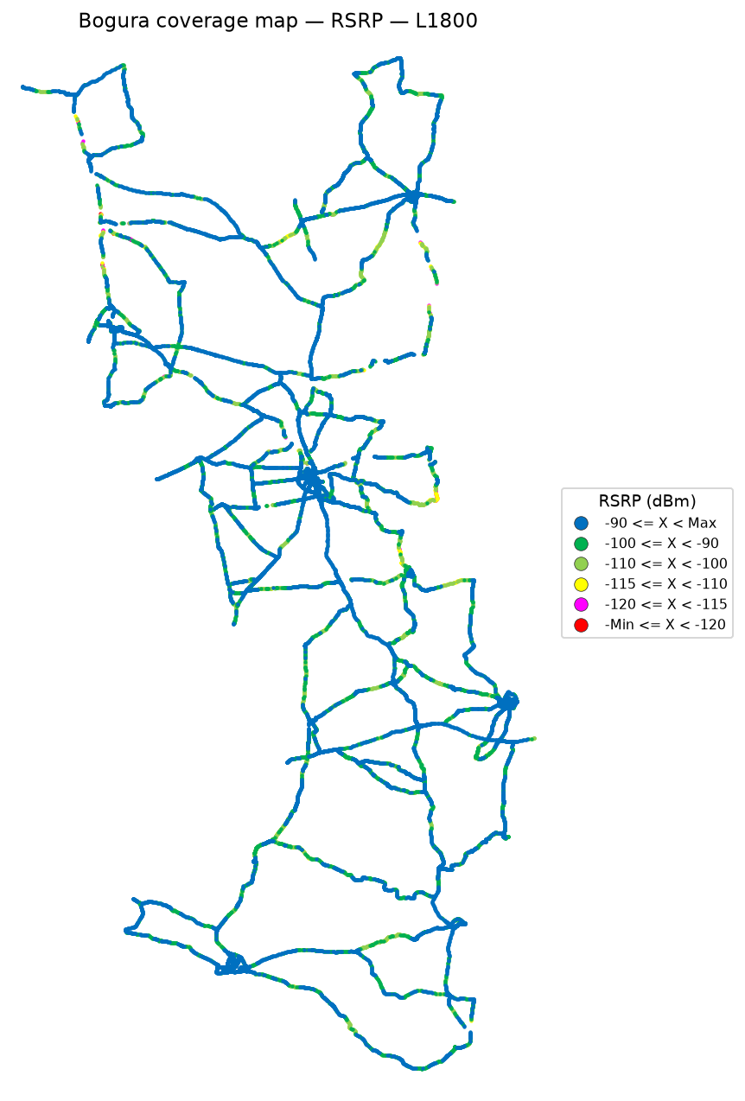

 | Log file will be provided later

RSRP coverage map — IDLE Mode_L2100 | RSRP coverage map — Active Mode_L2100

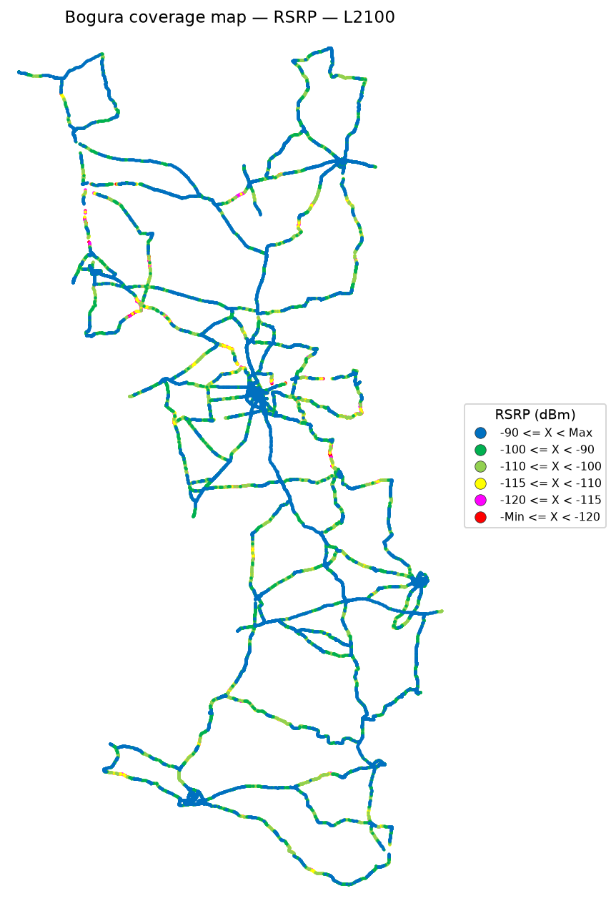

 | Log file will be provided later

RSRP coverage map — IDLE Mode_L2600 | RSRP coverage map — Active Mode_L2600

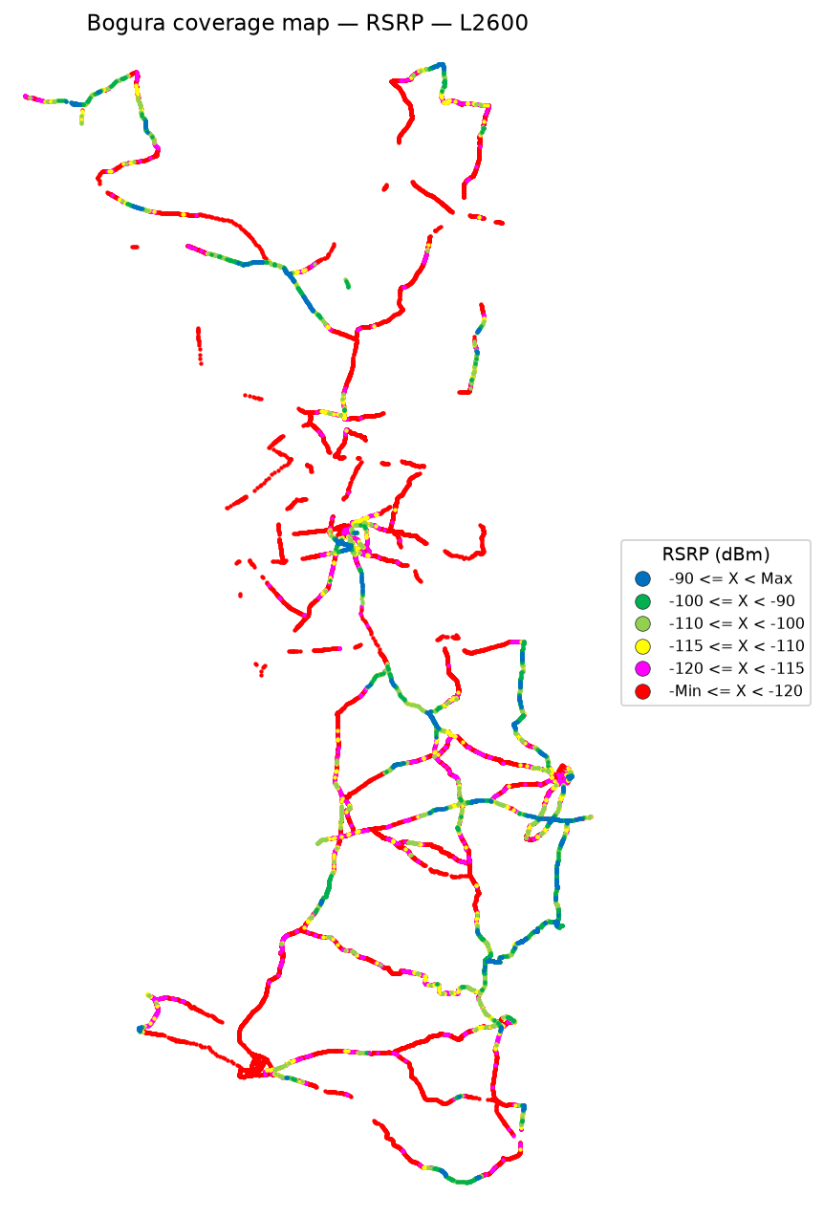

 | Log file will be provided later

RSRQ
RSRQ Report
Unit: dB | IDLE Mode coverage map | Gridlines off

RSRQ coverage map — IDLE Mode | RSRQ coverage map — Active Mode

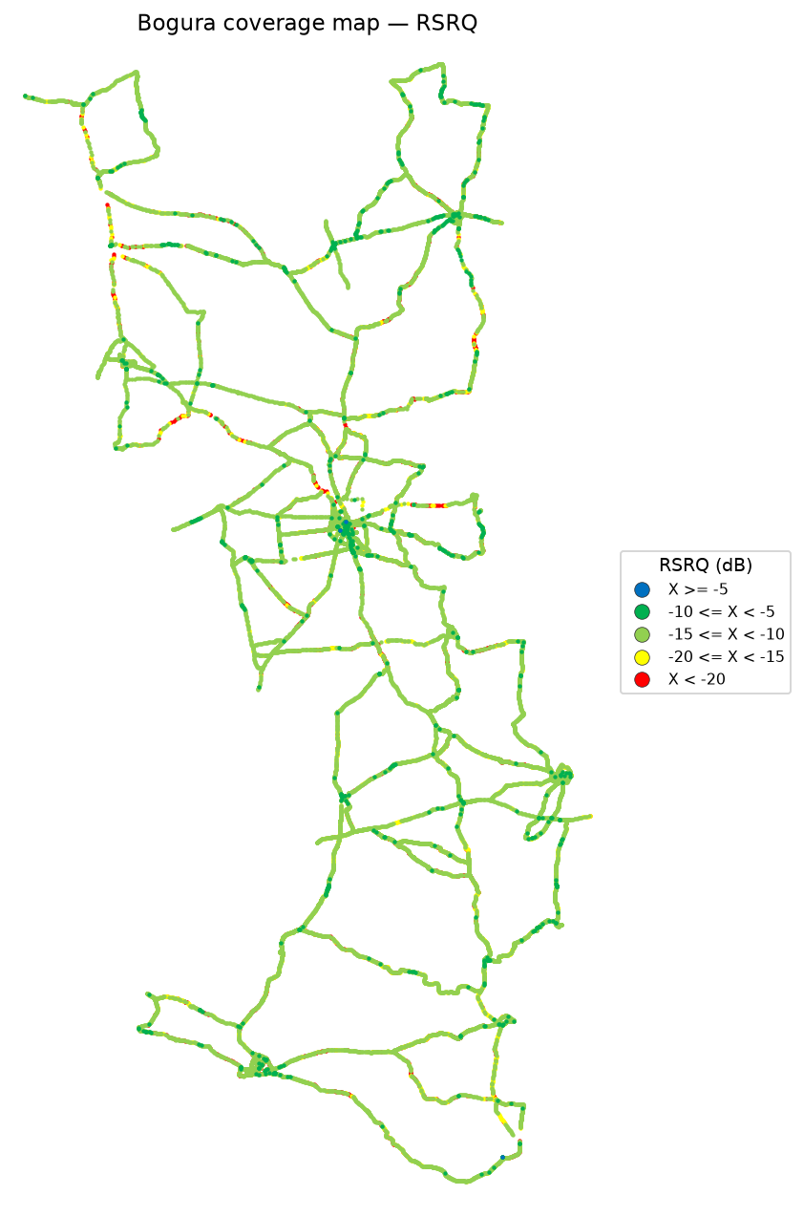

RSRQ coverage map — IDLE Mode_L900 | RSRQ coverage map — Active Mode_L900



 | Log file will be provided later

RSRQ coverage map — IDLE Mode_L1800 | RSRQ coverage map — Active Mode_L1800

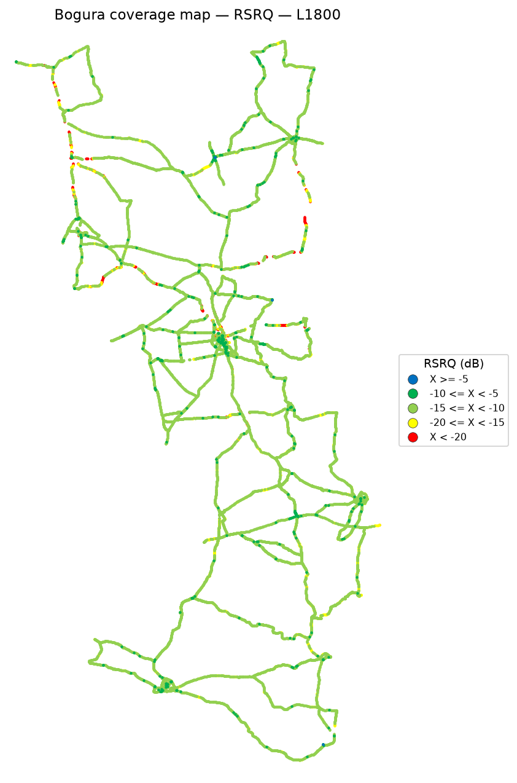

 | Log file will be provided later

RSRQ coverage map — IDLE Mode_L2100 | RSRQ coverage map — Active Mode_L2100

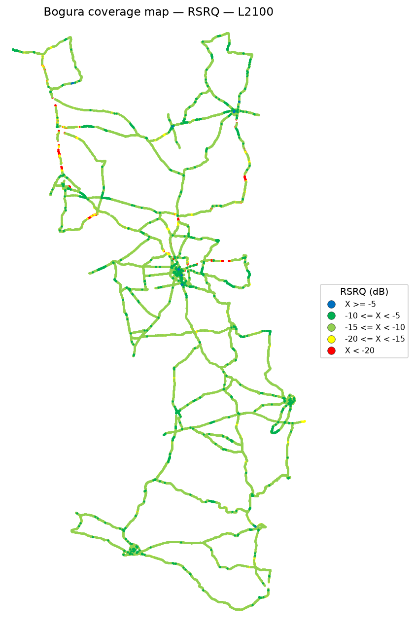

 | Log file will be provided later

RSRQ coverage map — IDLE Mode_L2600 | RSRQ coverage map — Active Mode_L2600

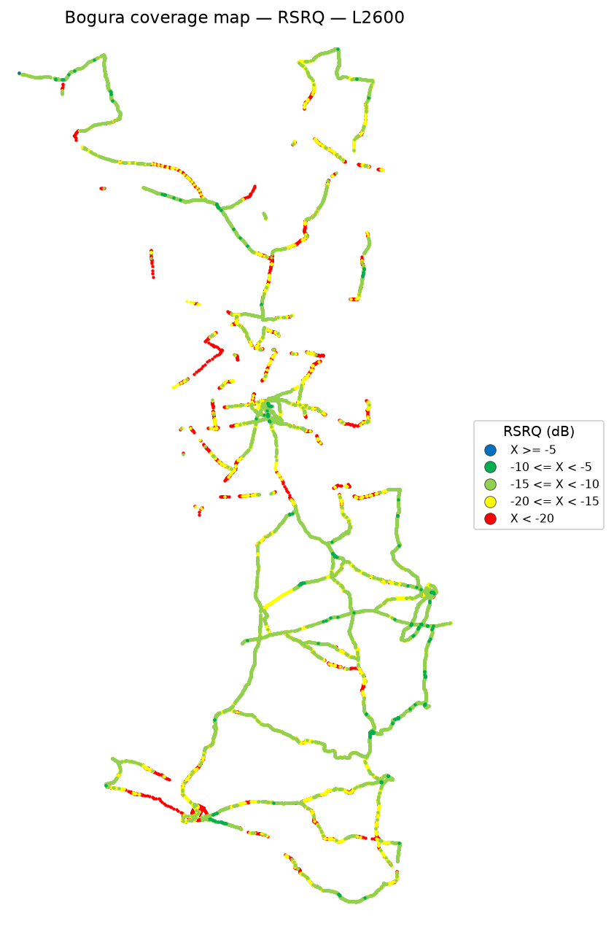

 | Log file will be provided later

SINR
SINR Report
Unit: dB | IDLE Mode coverage map | Gridlines off

SINR coverage map — IDLE Mode | SINR coverage map — Active Mode

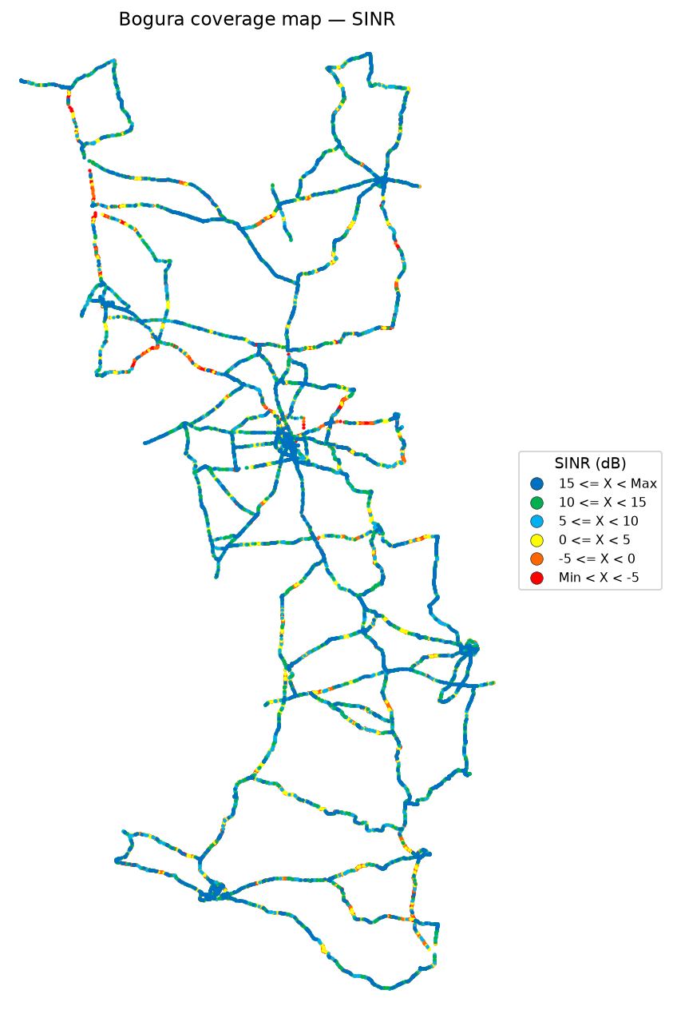

SINR coverage map — IDLE Mode_L900 | SINR coverage map — Active Mode_L900



 | Log file will be provided later

SINR coverage map — IDLE Mode_L1800 | SINR coverage map — Active Mode_L1800



 | Log file will be provided later

SINR coverage map — IDLE Mode_L2100 | SINR coverage map — Active Mode_L2100



 | Log file will be provided later

SINR coverage map — IDLE Mode_L2600 | SINR coverage map — Active Mode_L2600

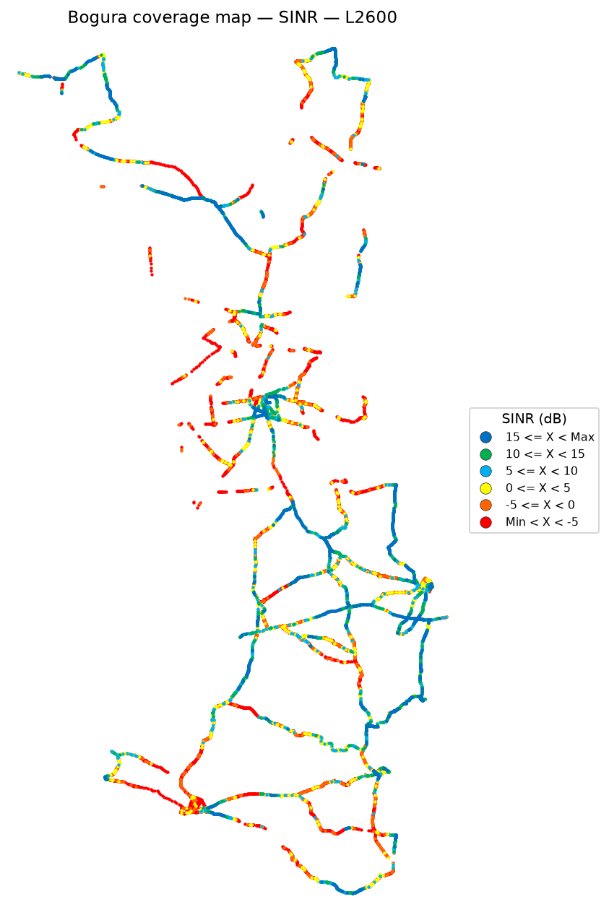

 | Log file will be provided later

Bad Spot Analysis
Bad Spot Analysis
IDLE Mode | Consecutive ≥ 200 m | Discrete area ≥ 1 km² | No site pies
IDLE Mode
RSRP poor if ≤ -115 dBm. RSRQ poor if ≤ -20 dB. SINR poor if ≤ 0 dB. A consecutive bad spot is a drive stretch of at least 200 m of poor samples (red dashed oval). If poor samples cover at least 1 km² but never form a 200 m consecutive stretch, a large purple circle marks that discrete area. Site maps are not drawn on this sheet.

RSRP bad spots — ≤ -115 dBm

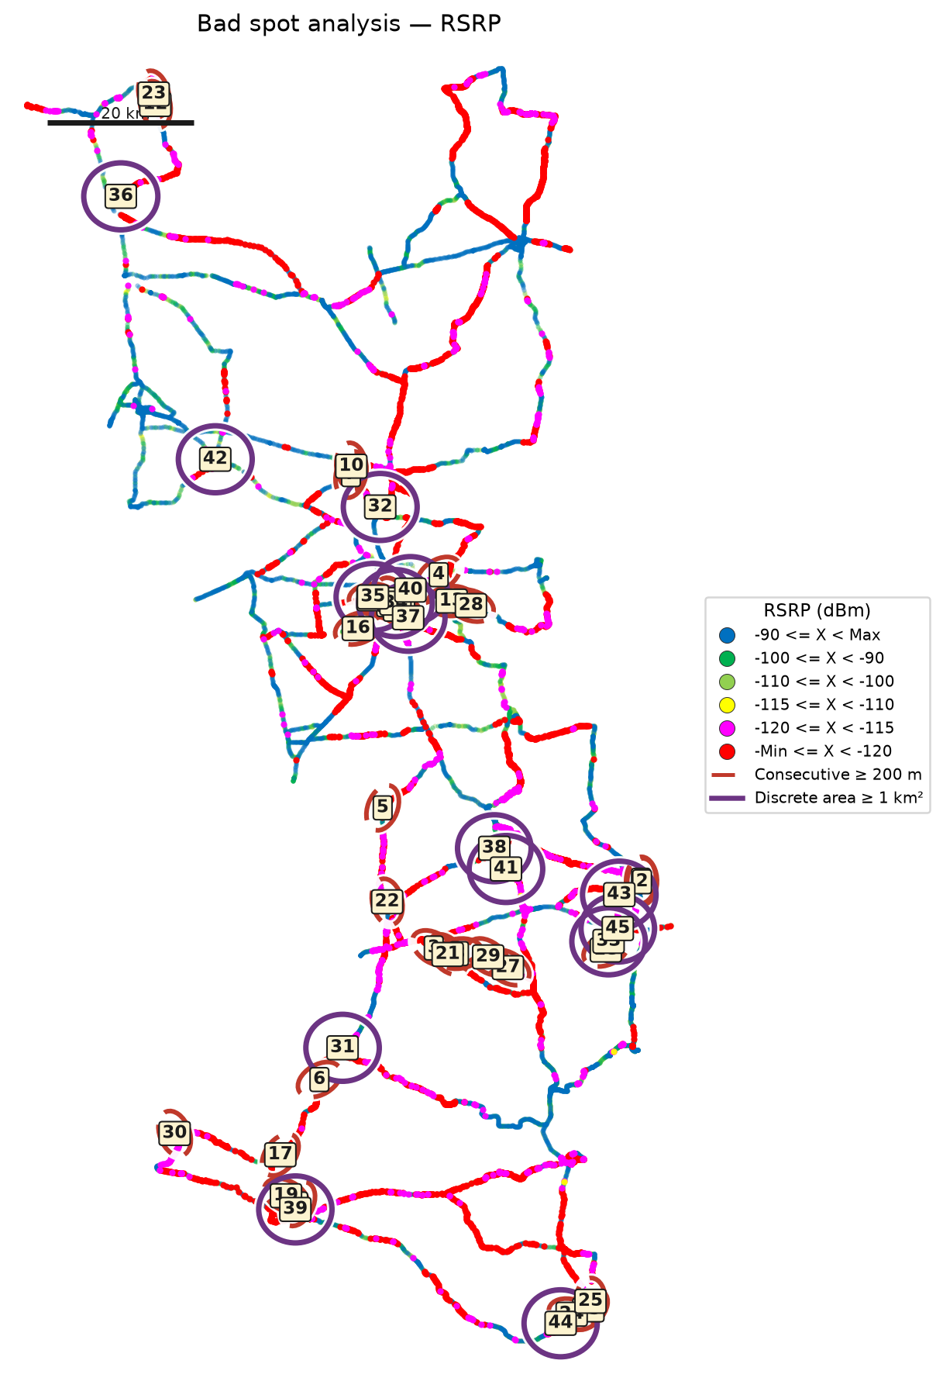

RSRQ bad spots — ≤ -20 dB

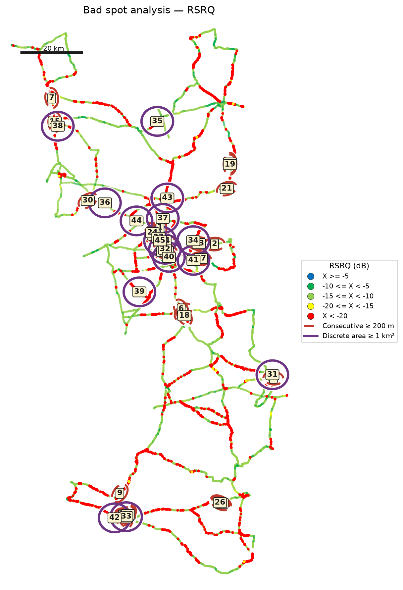

SINR bad spots — ≤ 0 dB

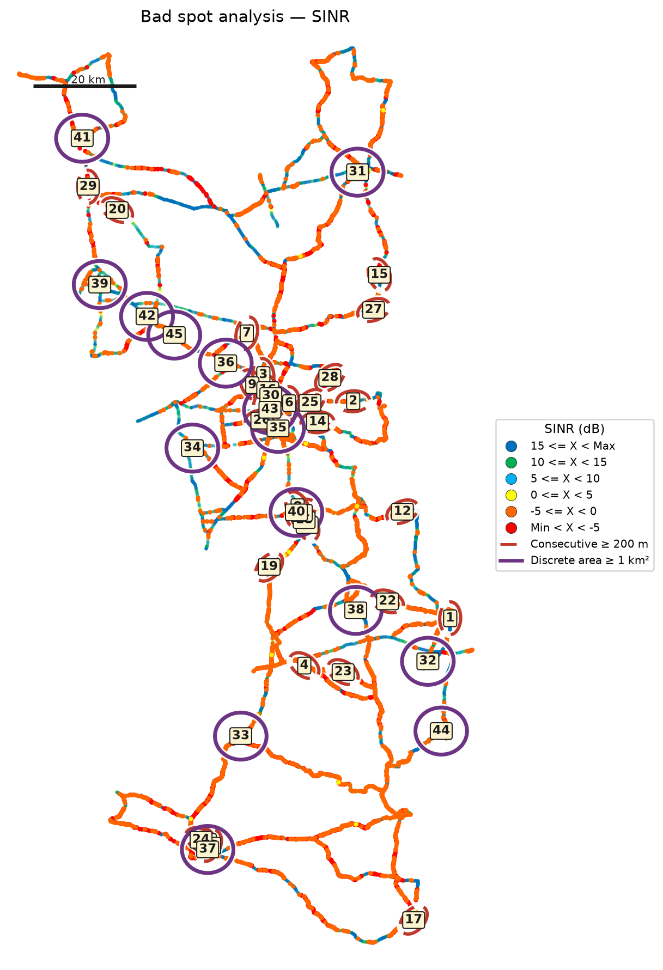

Identified bad spots
Spot | KPI | Type | Latitude | Longitude | Samples | Poor samples | Poor share | Mean KPI | Mean RSRP | Mean RSRQ | Mean SINR | Length (m) | Area (km²) | Top Cell Id
Bad Spot 1 | RSRP | Consecutive ≥ 200 m | 24.46018 | 89.70951 | 1,100 | 1,100 | 100.0% | -129.21 | -105.48 | -15.49 | 1.15 | 3,507 | 0.93 | 171554378
Bad Spot 2 | RSRP | Consecutive ≥ 200 m | 24.45718 | 89.71141 | 920 | 920 | 100.0% | -126.30 | -107.38 | -14.99 | 0.85 | 2,717 | 0.37 | 171554378
Bad Spot 3 | RSRP | Consecutive ≥ 200 m | 24.36767 | 89.42818 | 269 | 269 | 100.0% | -130.23 | -113.61 | -16.03 | -1.99 | 1,771 | 0.15 | 171538761
Bad Spot 4 | RSRP | Consecutive ≥ 200 m | 24.87420 | 89.43530 | 51 | 51 | 100.0% | -128.20 | -128.20 | -17.40 | -4.37 | 1,502 | 0.09 | 148500042
Bad Spot 5 | RSRP | Consecutive ≥ 200 m | 24.55771 | 89.35915 | 143 | 143 | 100.0% | -134.10 | -100.64 | -14.85 | 9.69 | 1,202 | 0.15 | 148506128
Bad Spot 6 | RSRP | Consecutive ≥ 200 m | 24.18858 | 89.27307 | 340 | 340 | 100.0% | -129.30 | -99.14 | -15.48 | 3.91 | 1,136 | 0.11 | 168967499
Bad Spot 7 | RSRP | Consecutive ≥ 200 m | 25.01026 | 89.31608 | 222 | 222 | 100.0% | -137.43 | -108.15 | -17.76 | 0.07 | 1,093 | 0.05 | 148556619
Bad Spot 8 | RSRP | Consecutive ≥ 200 m | 24.35976 | 89.46287 | 195 | 195 | 100.0% | -127.88 | -102.51 | -13.79 | 3.95 | 1,045 | 0.09 | 171538767
Bad Spot 9 | RSRP | Consecutive ≥ 200 m | 24.02051 | 89.24407 | 76 | 76 | 100.0% | -137.94 | -90.65 | -16.91 | 3.71 | 917 | 0.02 | 168979476
Bad Spot 10 | RSRP | Consecutive ≥ 200 m | 25.02174 | 89.31652 | 201 | 201 | 100.0% | -134.56 | -107.05 | -16.10 | 2.96 | 899 | 0.01 | 148516372
Bad Spot 11 | RSRP | Consecutive ≥ 200 m | 24.83353 | 89.37211 | 304 | 304 | 100.0% | -129.72 | -104.11 | -15.32 | 1.39 | 895 | 0.04 | 148503118
Bad Spot 12 | RSRP | Consecutive ≥ 200 m | 25.51266 | 89.05023 | 155 | 155 | 100.0% | -122.56 | -109.13 | -13.53 | 3.94 | 894 | 0.02 | 133127189
Bad Spot 13 | RSRP | Consecutive ≥ 200 m | 24.83844 | 89.45286 | 120 | 120 | 100.0% | -130.86 | -115.27 | -16.21 | -0.03 | 878 | 0.03 | 148500039
Bad Spot 14 | RSRP | Consecutive ≥ 200 m | 24.82748 | 89.38177 | 347 | 347 | 100.0% | -124.33 | -101.12 | -13.91 | 5.87 | 867 | 0.10 | 148503118
Bad Spot 15 | RSRP | Consecutive ≥ 200 m | 23.87610 | 89.63869 | 101 | 101 | 100.0% | -131.96 | -117.89 | -18.23 | -4.17 | 840 | 0.05 | 46111569
Bad Spot 16 | RSRP | Consecutive ≥ 200 m | 24.80117 | 89.32546 | 139 | 139 | 100.0% | -129.52 | -100.53 | -15.07 | 6.41 | 835 | 0.01 | 148503116
Bad Spot 17 | RSRP | Consecutive ≥ 200 m | 24.08669 | 89.22014 | 133 | 133 | 100.0% | -135.12 | -111.81 | -17.22 | -0.51 | 795 | 0.00 | 168974409
Bad Spot 18 | RSRP | Consecutive ≥ 200 m | 24.36463 | 89.66238 | 126 | 126 | 100.0% | -124.31 | -106.22 | -12.76 | 8.09 | 780 | 0.03 | 171524366
Bad Spot 19 | RSRP | Consecutive ≥ 200 m | 24.03083 | 89.22785 | 80 | 80 | 100.0% | -133.31 | -96.89 | -15.21 | 9.82 | 767 | 0.05 | 168993045
Bad Spot 20 | RSRP | Consecutive ≥ 200 m | 24.84158 | 89.34515 | 116 | 116 | 100.0% | -132.07 | -102.69 | -16.72 | 0.88 | 742 | 0.05 | 148531273
Bad Spot 21 | RSRP | Consecutive ≥ 200 m | 24.35867 | 89.44751 | 103 | 103 | 100.0% | -122.04 | -101.53 | -13.19 | 6.02 | 715 | 0.04 | 171551510
Bad Spot 22 | RSRP | Consecutive ≥ 200 m | 24.43016 | 89.36527 | 70 | 70 | 100.0% | -124.59 | -100.95 | -12.37 | 6.50 | 708 | 0.02 | 171534864
Bad Spot 23 | RSRP | Consecutive ≥ 200 m | 25.52683 | 89.04809 | 87 | 87 | 100.0% | -124.32 | -107.20 | -14.17 | 3.24 | 690 | 0.01 | 133147979
Bad Spot 24 | RSRP | Consecutive ≥ 200 m | 23.87015 | 89.61607 | 543 | 543 | 100.0% | -132.05 | -112.51 | -14.70 | 3.67 | 670 | 0.03 | 168963600
Bad Spot 25 | RSRP | Consecutive ≥ 200 m | 23.88777 | 89.64154 | 133 | 133 | 100.0% | -124.54 | -109.34 | -15.32 | 0.37 | 669 | 0.00 | 46111569
Bad Spot 26 | RSRP | Consecutive ≥ 200 m | 24.84044 | 89.37320 | 244 | 244 | 100.0% | -130.64 | -90.76 | -14.30 | 5.96 | 668 | 0.04 | 148489504
Bad Spot 27 | RSRP | Consecutive ≥ 200 m | 24.34081 | 89.52935 | 103 | 103 | 100.0% | -133.32 | -109.64 | -15.29 | 1.49 | 665 | 0.03 | 171538763
Bad Spot 28 | RSRP | Consecutive ≥ 200 m | 24.83232 | 89.47908 | 89 | 89 | 100.0% | -133.47 | -111.51 | -16.18 | 1.88 | 639 | 0.03 | 51241292
Bad Spot 29 | RSRP | Consecutive ≥ 200 m | 24.35538 | 89.50249 | 377 | 377 | 100.0% | -132.17 | -119.84 | -17.06 | -4.26 | 635 | 0.02 | 171538761
Bad Spot 30 | RSRP | Consecutive ≥ 200 m | 24.11534 | 89.07656 | 85 | 85 | 100.0% | -122.47 | -108.71 | -14.48 | 1.98 | 611 | 0.02 | 168987981
Bad Spot 31 | RSRP | Discrete area ≥ 1 km² | 24.22410 | 89.30106 | 1,050 | 1,050 | 100.0% | -127.19 | -109.39 | -14.93 | 2.36 |  | 9.94 | 168999950
Bad Spot 32 | RSRP | Discrete area ≥ 1 km² | 24.96083 | 89.35882 | 615 | 615 | 100.0% | -133.17 | -106.33 | -15.69 | 3.13 |  | 9.86 | 148486164
Bad Spot 33 | RSRP | Discrete area ≥ 1 km² | 24.37279 | 89.66251 | 575 | 575 | 100.0% | -121.12 | -109.08 | -13.22 | 4.52 |  | 9.54 | 171527753
Bad Spot 34 | RSRP | Discrete area ≥ 1 km² | 24.83708 | 89.37553 | 4,109 | 4,109 | 100.0% | -127.30 | -92.48 | -14.18 | 6.15 |  | 9.38 | 148500045
Bad Spot 35 | RSRP | Discrete area ≥ 1 km² | 24.84409 | 89.35308 | 867 | 867 | 100.0% | -131.40 | -92.91 | -15.71 | 3.08 |  | 9.37 | 148531276
Bad Spot 36 | RSRP | Discrete area ≥ 1 km² | 25.38986 | 88.99489 | 322 | 322 | 100.0% | -136.32 | -79.31 | -13.85 | 10.24 |  | 9.27 | 133167374
Bad Spot 37 | RSRP | Discrete area ≥ 1 km² | 24.81022 | 89.39193 | 1,508 | 1,508 | 100.0% | -120.37 | -99.78 | -12.98 | 6.92 |  | 9.24 | 148531274
Bad Spot 38 | RSRP | Discrete area ≥ 1 km² | 24.49733 | 89.51208 | 766 | 766 | 100.0% | -126.31 | -103.83 | -14.88 | 5.38 |  | 9.14 | 171526216
Bad Spot 39 | RSRP | Discrete area ≥ 1 km² | 24.01013 | 89.23719 | 1,665 | 1,665 | 100.0% | -133.71 | -94.96 | -16.04 | 3.29 |  | 9.10 | 168974412
Bad Spot 40 | RSRP | Discrete area ≥ 1 km² | 24.85309 | 89.39378 | 295 | 295 | 100.0% | -118.94 | -99.04 | -13.79 | 8.03 |  | 9.09 | 148500042
Bad Spot 41 | RSRP | Discrete area ≥ 1 km² | 24.47346 | 89.52789 | 741 | 741 | 100.0% | -125.08 | -95.24 | -14.08 | 8.26 |  | 8.94 | 171536201
Bad Spot 42 | RSRP | Discrete area ≥ 1 km² | 25.03144 | 89.12779 | 154 | 154 | 100.0% | -118.84 | -96.42 | -14.22 | 5.17 |  | 8.71 | 151057422
Bad Spot 43 | RSRP | Discrete area ≥ 1 km² | 24.44024 | 89.68291 | 586 | 586 | 100.0% | -124.23 | -102.56 | -13.67 | 5.38 |  | 8.50 | 171553611
Bad Spot 44 | RSRP | Discrete area ≥ 1 km² | 23.86300 | 89.60843 | 1,114 | 1,114 | 100.0% | -129.85 | -110.97 | -14.84 | 3.71 |  | 8.47 | 168982350
Bad Spot 45 | RSRP | Discrete area ≥ 1 km² | 24.39571 | 89.67759 | 75 | 75 | 100.0% | -123.63 | -91.96 | -11.75 | 15.27 |  | 8.44 | 171527753
Bad Spot 1 | RSRQ | Consecutive ≥ 200 m | 24.93101 | 89.34802 | 26 | 26 | 100.0% | -32.41 | -77.78 | -18.07 | 6.69 | 1,230 | 0.02 | 148563477
Bad Spot 2 | RSRQ | Consecutive ≥ 200 m | 24.87883 | 89.52137 | 78 | 78 | 100.0% | -27.80 | -96.78 | -26.79 | -11.12 | 1,213 | 0.00 | 148504843
Bad Spot 3 | RSRQ | Consecutive ≥ 200 m | 24.88362 | 89.35540 | 29 | 29 | 100.0% | -27.72 | -95.11 | -14.87 | 3.62 | 1,186 | 0.02 | 148489744
Bad Spot 4 | RSRQ | Consecutive ≥ 200 m | 24.02051 | 89.24407 | 76 | 76 | 100.0% | -31.28 | -90.65 | -16.91 | 3.71 | 917 | 0.02 | 168979476
Bad Spot 5 | RSRQ | Consecutive ≥ 200 m | 24.66326 | 89.42146 | 33 | 33 | 100.0% | -26.32 | -84.58 | -18.35 | -0.43 | 708 | 0.06 | 148505364
Bad Spot 6 | RSRQ | Consecutive ≥ 200 m | 24.67267 | 89.41524 | 44 | 44 | 100.0% | -30.00 | -75.04 | -19.35 | 4.52 | 708 | 0.00 | 148505357
Bad Spot 7 | RSRQ | Consecutive ≥ 200 m | 25.34300 | 89.00362 | 22 | 22 | 100.0% | -30.80 | -100.89 | -30.80 | -15.79 | 659 | 0.00 | 133145103
Bad Spot 8 | RSRQ | Consecutive ≥ 200 m | 24.45272 | 89.70788 | 97 | 97 | 100.0% | -23.35 | -99.32 | -16.12 | 2.78 | 611 | 0.04 | 171527445
Bad Spot 9 | RSRQ | Consecutive ≥ 200 m | 24.08684 | 89.22025 | 64 | 64 | 100.0% | -23.81 | -111.76 | -17.58 | -0.87 | 481 | 0.00 | 168974409
Bad Spot 10 | RSRQ | Consecutive ≥ 200 m | 24.90744 | 89.32834 | 25 | 25 | 100.0% | -27.81 | -108.14 | -27.81 | -11.05 | 475 | 0.01 | 148494091
Bad Spot 11 | RSRQ | Consecutive ≥ 200 m | 24.01769 | 89.23686 | 38 | 38 | 100.0% | -31.34 | -88.63 | -16.58 | 6.54 | 458 | 0.02 | 168973588
Bad Spot 12 | RSRQ | Consecutive ≥ 200 m | 24.85512 | 89.35751 | 41 | 41 | 100.0% | -27.79 | -90.41 | -22.75 | -7.72 | 437 | 0.02 | 148496652
Bad Spot 13 | RSRQ | Consecutive ≥ 200 m | 24.05513 | 89.54340 | 65 | 65 | 100.0% | -26.76 | -107.45 | -17.91 | 5.28 | 416 | 0.00 | 168984592
Bad Spot 14 | RSRQ | Consecutive ≥ 200 m | 24.88888 | 89.36235 | 13 | 13 | 100.0% | -23.70 | -86.18 | -23.41 | -7.98 | 406 | 0.00 | 148489748
Bad Spot 15 | RSRQ | Consecutive ≥ 200 m | 25.26684 | 89.01329 | 17 | 17 | 100.0% | -26.09 | -117.97 | -26.09 | -14.86 | 404 | 0.00 | 151044118
Bad Spot 16 | RSRQ | Consecutive ≥ 200 m | 25.13663 | 89.57059 | 29 | 29 | 100.0% | -29.26 | -115.77 | -29.26 | -13.31 | 401 | 0.01 | 145929232
Bad Spot 17 | RSRQ | Consecutive ≥ 200 m | 24.83274 | 89.47782 | 43 | 43 | 100.0% | -24.36 | -115.61 | -18.00 | -0.82 | 357 | 0.00 | 51241292
Bad Spot 18 | RSRQ | Consecutive ≥ 200 m | 24.65105 | 89.42527 | 16 | 16 | 100.0% | -27.77 | -90.10 | -19.19 | 3.77 | 349 | 0.01 | 148505877
Bad Spot 19 | RSRQ | Consecutive ≥ 200 m | 25.13128 | 89.57028 | 46 | 46 | 100.0% | -27.50 | -114.44 | -26.81 | -11.00 | 342 | 0.00 | 145929295
Bad Spot 20 | RSRQ | Consecutive ≥ 200 m | 24.01521 | 89.23814 | 69 | 69 | 100.0% | -31.30 | -91.95 | -16.64 | 3.24 | 334 | 0.01 | 168977430
Bad Spot 21 | RSRQ | Consecutive ≥ 200 m | 25.05490 | 89.56009 | 45 | 45 | 100.0% | -29.89 | -125.34 | -29.19 | -16.89 | 325 | 0.00 | 145940295
Bad Spot 22 | RSRQ | Consecutive ≥ 200 m | 24.01574 | 89.24372 | 32 | 32 | 100.0% | -31.33 | -95.77 | -17.05 | 1.05 | 312 | 0.00 | 168979468
Bad Spot 23 | RSRQ | Consecutive ≥ 200 m | 24.88043 | 89.47141 | 7 | 7 | 100.0% | -21.20 | -110.68 | -21.20 | -10.78 | 310 | 0.00 | 148483348
Bad Spot 24 | RSRQ | Consecutive ≥ 200 m | 24.91511 | 89.32378 | 24 | 24 | 100.0% | -31.95 | -94.76 | -25.76 | -4.85 | 298 | 0.00 | 148494096
Bad Spot 25 | RSRQ | Consecutive ≥ 200 m | 24.00885 | 89.23741 | 56 | 56 | 100.0% | -31.12 | -97.73 | -18.16 | -1.71 | 297 | 0.01 | 168974412
Bad Spot 26 | RSRQ | Consecutive ≥ 200 m | 24.05712 | 89.53861 | 28 | 28 | 100.0% | -25.33 | -114.46 | -17.42 | 4.30 | 292 | 0.00 | 168984598
Bad Spot 27 | RSRQ | Consecutive ≥ 200 m | 24.89997 | 89.34282 | 13 | 13 | 100.0% | -23.07 | -114.81 | -23.07 | -5.19 | 278 | 0.01 | 148563990
Bad Spot 28 | RSRQ | Consecutive ≥ 200 m | 24.85524 | 89.36946 | 25 | 25 | 100.0% | -28.75 | -95.70 | -25.71 | -11.65 | 276 | 0.00 | 148527117
Bad Spot 29 | RSRQ | Consecutive ≥ 200 m | 24.01932 | 89.24623 | 25 | 25 | 100.0% | -31.40 | -98.46 | -18.20 | -1.84 | 268 | 0.00 | 168977679
Bad Spot 30 | RSRQ | Consecutive ≥ 200 m | 25.01692 | 89.11826 | 16 | 16 | 100.0% | -25.85 | -111.52 | -24.00 | -10.33 | 267 | 0.00 | 151043094
Bad Spot 31 | RSRQ | Discrete area ≥ 1 km² | 24.45951 | 89.70670 | 1,165 | 1,165 | 100.0% | -22.88 | -98.50 | -14.68 | 4.23 |  | 9.68 | 171528520
Bad Spot 32 | RSRQ | Discrete area ≥ 1 km² | 24.85882 | 89.36401 | 635 | 635 | 100.0% | -26.31 | -82.33 | -14.13 | 6.37 |  | 9.18 | 148495380
Bad Spot 33 | RSRQ | Discrete area ≥ 1 km² | 24.01152 | 89.23727 | 1,456 | 1,456 | 100.0% | -27.10 | -94.96 | -16.04 | 3.29 |  | 9.10 | 168974412
Bad Spot 34 | RSRQ | Discrete area ≥ 1 km² | 24.88876 | 89.45366 | 446 | 446 | 100.0% | -24.38 | -107.20 | -16.82 | 1.75 |  | 9.05 | 148483348
Bad Spot 35 | RSRQ | Discrete area ≥ 1 km² | 25.26517 | 89.33985 | 95 | 95 | 100.0% | -28.63 | -101.56 | -15.50 | 1.90 |  | 8.81 | 145924875
Bad Spot 36 | RSRQ | Discrete area ≥ 1 km² | 25.01263 | 89.17121 | 63 | 63 | 100.0% | -26.31 | -100.03 | -17.04 | -0.18 |  | 8.70 | 151043094
Bad Spot 37 | RSRQ | Discrete area ≥ 1 km² | 24.95773 | 89.35915 | 309 | 309 | 100.0% | -23.80 | -101.63 | -15.26 | 4.90 |  | 8.65 | 148486164
Bad Spot 38 | RSRQ | Discrete area ≥ 1 km² | 25.25259 | 89.01444 | 80 | 80 | 100.0% | -28.00 | -100.03 | -18.92 | -2.14 |  | 8.63 | 151044118
Bad Spot 39 | RSRQ | Discrete area ≥ 1 km² | 24.72398 | 89.28309 | 155 | 155 | 100.0% | -23.27 | -108.75 | -16.08 | 1.26 |  | 8.57 | 148556105
Bad Spot 40 | RSRQ | Discrete area ≥ 1 km² | 24.83923 | 89.37512 | 1,844 | 1,844 | 100.0% | -25.69 | -92.33 | -14.23 | 6.02 |  | 8.40 | 148500045
Bad Spot 41 | RSRQ | Discrete area ≥ 1 km² | 24.83454 | 89.45329 | 244 | 244 | 100.0% | -23.16 | -111.90 | -15.70 | 0.62 |  | 8.40 | 148500042
Bad Spot 42 | RSRQ | Discrete area ≥ 1 km² | 24.00534 | 89.21035 | 375 | 375 | 100.0% | -26.25 | -95.29 | -16.05 | 5.16 |  | 7.91 | 168974412
Bad Spot 43 | RSRQ | Discrete area ≥ 1 km² | 25.01672 | 89.36957 | 84 | 84 | 100.0% | -25.86 | -98.82 | -13.88 | 7.49 |  | 7.83 | 148556622
Bad Spot 44 | RSRQ | Discrete area ≥ 1 km² | 24.95374 | 89.27743 | 104 | 104 | 100.0% | -33.20 | -83.84 | -13.61 | 10.62 |  | 7.82 | 148488207
Bad Spot 45 | RSRQ | Discrete area ≥ 1 km² | 24.89481 | 89.35062 | 174 | 174 | 100.0% | -26.92 | -87.84 | -15.98 | 2.35 |  | 7.76 | 148489748
Bad Spot 1 | SINR | Consecutive ≥ 200 m | 24.45874 | 89.70866 | 820 | 820 | 100.0% | -6.45 | -105.47 | -15.86 | 0.75 | 2,502 | 0.61 | 171527189
Bad Spot 2 | SINR | Consecutive ≥ 200 m | 24.87886 | 89.52172 | 159 | 159 | 100.0% | -9.70 | -96.01 | -24.46 | -9.55 | 2,182 | 0.02 | 148504843
Bad Spot 3 | SINR | Consecutive ≥ 200 m | 24.92968 | 89.34816 | 32 | 32 | 100.0% | -9.62 | -80.98 | -17.16 | 6.35 | 1,542 | 0.03 | 148563477
Bad Spot 4 | SINR | Consecutive ≥ 200 m | 24.36822 | 89.42691 | 270 | 270 | 100.0% | -5.92 | -113.77 | -16.17 | -2.28 | 1,391 | 0.08 | 171538761
Bad Spot 5 | SINR | Consecutive ≥ 200 m | 24.88332 | 89.35521 | 30 | 30 | 100.0% | -9.50 | -94.91 | -14.70 | 3.66 | 1,232 | 0.03 | 148489744
Bad Spot 6 | SINR | Consecutive ≥ 200 m | 24.87514 | 89.39820 | 28 | 28 | 100.0% | -9.61 | -116.90 | -18.76 | -9.61 | 1,216 | 0.06 | 148530710
Bad Spot 7 | SINR | Consecutive ≥ 200 m | 25.01028 | 89.31608 | 226 | 226 | 100.0% | -13.27 | -108.15 | -17.76 | 0.07 | 1,093 | 0.05 | 148556619
Bad Spot 8 | SINR | Consecutive ≥ 200 m | 24.67374 | 89.41463 | 60 | 60 | 100.0% | -12.92 | -76.79 | -18.84 | 3.37 | 1,061 | 0.00 | 148505357
Bad Spot 9 | SINR | Consecutive ≥ 200 m | 24.90992 | 89.32689 | 60 | 60 | 100.0% | -9.54 | -106.03 | -25.27 | -9.54 | 1,029 | 0.05 | 148494091
Bad Spot 10 | SINR | Consecutive ≥ 200 m | 24.02706 | 89.23649 | 164 | 164 | 100.0% | -8.08 | -108.12 | -16.40 | -2.50 | 1,003 | 0.13 | 168974409
Bad Spot 11 | SINR | Consecutive ≥ 200 m | 24.63927 | 89.43286 | 122 | 122 | 100.0% | -9.59 | -102.67 | -17.93 | -0.80 | 982 | 0.02 | 148505161
Bad Spot 12 | SINR | Consecutive ≥ 200 m | 24.66534 | 89.61688 | 124 | 124 | 100.0% | -5.82 | -120.34 | -17.64 | -5.22 | 974 | 0.02 | 171575824
Bad Spot 13 | SINR | Consecutive ≥ 200 m | 24.02051 | 89.24407 | 76 | 76 | 100.0% | -19.71 | -90.65 | -16.91 | 3.71 | 917 | 0.02 | 168979476
Bad Spot 14 | SINR | Consecutive ≥ 200 m | 24.83843 | 89.45272 | 122 | 122 | 100.0% | -7.14 | -115.21 | -16.23 | -0.06 | 864 | 0.03 | 148500039
Bad Spot 15 | SINR | Consecutive ≥ 200 m | 25.12341 | 89.57230 | 118 | 118 | 100.0% | -8.13 | -114.21 | -22.23 | -6.51 | 854 | 0.02 | 145929229
Bad Spot 16 | SINR | Consecutive ≥ 200 m | 24.90062 | 89.35658 | 41 | 41 | 100.0% | -8.79 | -81.95 | -17.49 | 1.07 | 844 | 0.01 | 148489748
Bad Spot 17 | SINR | Consecutive ≥ 200 m | 23.87599 | 89.63859 | 116 | 116 | 100.0% | -8.10 | -117.89 | -18.23 | -4.17 | 840 | 0.05 | 46111569
Bad Spot 18 | SINR | Consecutive ≥ 200 m | 24.64931 | 89.42684 | 42 | 42 | 100.0% | -12.49 | -94.46 | -18.08 | 1.30 | 840 | 0.02 | 148505877
Bad Spot 19 | SINR | Consecutive ≥ 200 m | 24.55863 | 89.35935 | 112 | 112 | 100.0% | -9.00 | -100.24 | -15.08 | 9.80 | 839 | 0.07 | 148506128
Bad Spot 20 | SINR | Consecutive ≥ 200 m | 25.24856 | 89.06583 | 53 | 53 | 100.0% | -7.58 | -104.57 | -19.55 | -7.58 | 822 | 0.00 | 151045134
Bad Spot 21 | SINR | Consecutive ≥ 200 m | 24.66339 | 89.42166 | 35 | 35 | 100.0% | -14.42 | -84.85 | -18.33 | -0.50 | 794 | 0.07 | 148505364
Bad Spot 22 | SINR | Consecutive ≥ 200 m | 24.49213 | 89.58815 | 412 | 412 | 100.0% | -6.74 | -122.64 | -18.52 | -5.26 | 786 | 0.00 | 171526925
Bad Spot 23 | SINR | Consecutive ≥ 200 m | 24.35547 | 89.50234 | 594 | 594 | 100.0% | -5.87 | -119.47 | -16.96 | -4.08 | 774 | 0.04 | 171538761
Bad Spot 24 | SINR | Consecutive ≥ 200 m | 24.03083 | 89.22782 | 79 | 79 | 100.0% | -8.71 | -96.89 | -15.21 | 9.82 | 767 | 0.05 | 168993045
Bad Spot 25 | SINR | Consecutive ≥ 200 m | 24.87587 | 89.43827 | 28 | 28 | 100.0% | -6.35 | -128.77 | -18.27 | -6.11 | 754 | 0.03 | 148500042
Bad Spot 26 | SINR | Consecutive ≥ 200 m | 24.84158 | 89.34517 | 119 | 119 | 100.0% | -9.65 | -102.69 | -16.72 | 0.88 | 742 | 0.05 | 148531273
Bad Spot 27 | SINR | Consecutive ≥ 200 m | 25.05536 | 89.56112 | 168 | 168 | 100.0% | -12.56 | -115.86 | -24.63 | -12.48 | 740 | 0.04 | 145929739
Bad Spot 28 | SINR | Consecutive ≥ 200 m | 24.92422 | 89.47663 | 111 | 111 | 100.0% | -7.90 | -118.58 | -19.43 | -7.02 | 737 | 0.03 | 148500042
Bad Spot 29 | SINR | Consecutive ≥ 200 m | 25.29342 | 89.00961 | 34 | 34 | 100.0% | -11.10 | -108.64 | -22.77 | -11.10 | 719 | 0.02 | 133125387
Bad Spot 30 | SINR | Consecutive ≥ 200 m | 24.88896 | 89.36288 | 25 | 25 | 100.0% | -8.69 | -85.24 | -20.87 | -4.04 | 715 | 0.01 | 148489748
Bad Spot 31 | SINR | Discrete area ≥ 1 km² | 25.32820 | 89.53368 | 142 | 142 | 100.0% | -9.02 | -79.27 | -12.06 | 10.35 |  | 10.10 | 145928976
Bad Spot 32 | SINR | Discrete area ≥ 1 km² | 24.37206 | 89.66290 | 516 | 516 | 100.0% | -2.48 | -109.09 | -13.21 | 4.64 |  | 9.68 | 171527753
Bad Spot 33 | SINR | Discrete area ≥ 1 km² | 24.22427 | 89.30208 | 944 | 944 | 100.0% | -7.12 | -109.39 | -14.93 | 2.36 |  | 9.65 | 168999950
Bad Spot 34 | SINR | Discrete area ≥ 1 km² | 24.79222 | 89.20746 | 132 | 132 | 100.0% | -4.77 | -94.17 | -12.17 | 8.85 |  | 9.36 | 148549653
Bad Spot 35 | SINR | Discrete area ≥ 1 km² | 24.83278 | 89.37764 | 3,024 | 3,024 | 100.0% | -5.09 | -94.29 | -13.73 | 7.32 |  | 9.34 | 148531274
Bad Spot 36 | SINR | Discrete area ≥ 1 km² | 24.95362 | 89.27873 | 150 | 150 | 100.0% | -15.37 | -83.96 | -13.59 | 10.47 |  | 9.13 | 148488207
Bad Spot 37 | SINR | Discrete area ≥ 1 km² | 24.00984 | 89.23769 | 1,806 | 1,806 | 100.0% | -12.34 | -94.97 | -16.04 | 3.28 |  | 9.11 | 168974412
Bad Spot 38 | SINR | Discrete area ≥ 1 km² | 24.47339 | 89.52813 | 583 | 583 | 100.0% | -5.26 | -95.24 | -14.08 | 8.26 |  | 8.96 | 171536201
Bad Spot 39 | SINR | Discrete area ≥ 1 km² | 25.10074 | 89.03093 | 751 | 751 | 100.0% | -5.49 | -81.94 | -13.78 | 6.55 |  | 8.91 | 151045654
Bad Spot 40 | SINR | Discrete area ≥ 1 km² | 24.66446 | 89.41397 | 181 | 181 | 100.0% | -5.84 | -82.46 | -15.44 | 4.52 |  | 8.68 | 148529165
Bad Spot 41 | SINR | Discrete area ≥ 1 km² | 25.38884 | 88.99247 | 455 | 455 | 100.0% | -11.88 | -78.50 | -13.89 | 10.40 |  | 8.65 | 133167374
Bad Spot 42 | SINR | Discrete area ≥ 1 km² | 25.03889 | 89.12584 | 120 | 120 | 100.0% | -3.75 | -91.19 | -12.95 | 8.05 |  | 8.64 | 151057422
Bad Spot 43 | SINR | Discrete area ≥ 1 km² | 24.85832 | 89.36241 | 907 | 907 | 100.0% | -8.84 | -82.23 | -14.18 | 6.42 |  | 8.62 | 148495380
Bad Spot 44 | SINR | Discrete area ≥ 1 km² | 24.23412 | 89.69945 | 426 | 426 | 100.0% | -4.33 | -94.44 | -13.51 | 8.57 |  | 8.47 | 171523861
Bad Spot 45 | SINR | Discrete area ≥ 1 km² | 25.00783 | 89.17775 | 122 | 122 | 100.0% | -6.12 | -100.20 | -16.57 | 0.62 |  | 8.42 | 151053840
Rule 1: mark samples at or below the KPI threshold. Rule 2: consecutive poor path length of at least 200 m (numbered red dashed oval). Rule 3: leftover poor samples covering at least 1 km² without a 200 m consecutive stretch (numbered large purple circle). SINR uses ≤ 0 dB (the same 200 m / 1 km² rules).

RSRP vs KPIs
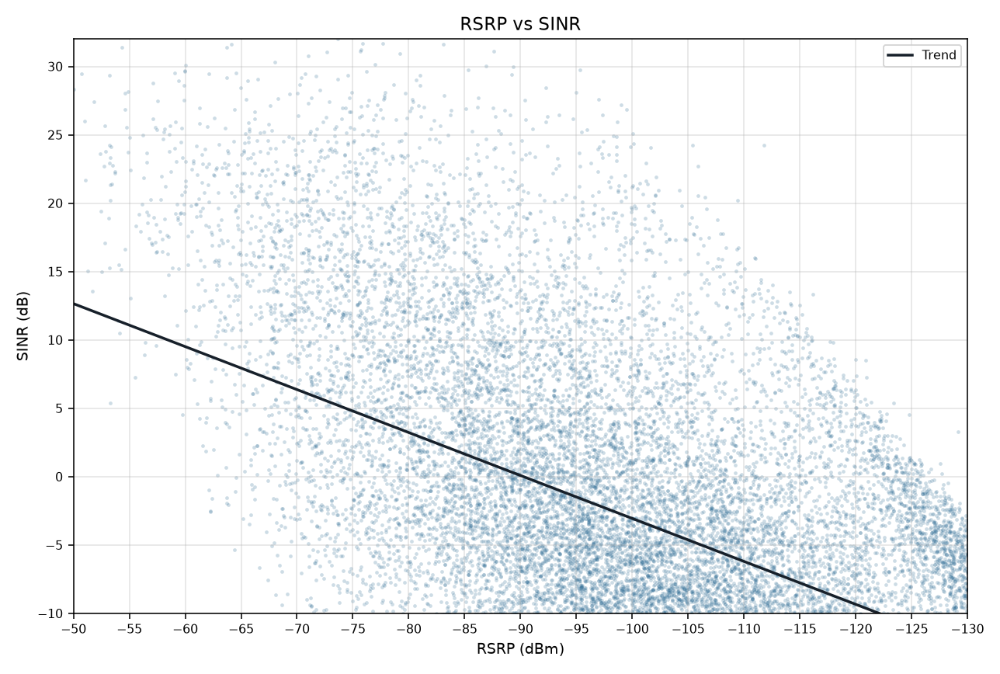
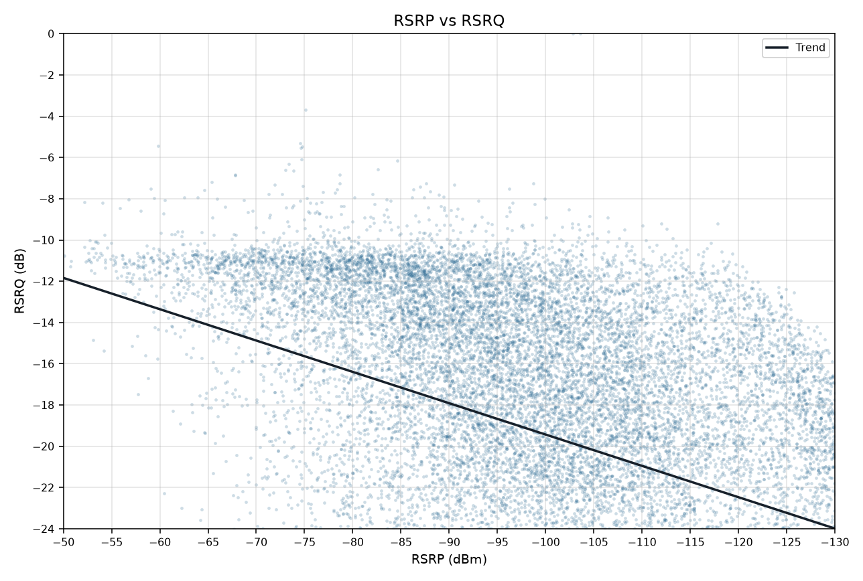
RSRP vs KPIs IDLE Mode
Idle V2.0 scanner | Smooth mean lines and scatter with trend | Gridlines off

RSRP vs SINR
RSRP vs RSRQ

RSRP vs SINR vs RSRQ

RSRP vs SINR scatter (trend line) | RSRP vs RSRQ scatter (trend line)

