Cover
Bogura Drive-Test Report
Generated 2026-09-12 17:22 | IDLE Mode | Gridlines off | Freeze panes off
IDLE Mode

RSRP histogram
RSRQ histogram
Dataset |  |  | Radio KPIs (all samples) |  |  |  |  |  |  |  | RSRP, RSRQ and SINR plots (native Excel charts with legends)
Item | Value |  | KPI | Count | Min | P5 | Median | Mean | P95 | Max
Mode | IDLE (scanner) |  | RSRP | 1,177,963 | -155.19 | -132.65 | -100.33 | -101.33 | -71.86 | -44.52
Generated | 2026-09-12 17:22 |  | RSRQ | 1,177,963 | -59.66 | -33.59 | -18.43 | -19.59 | -10.95 | 0.00
Archive | Borga_Idle_V2.0.7z |  | SINR | 1,163,267 | -41.32 | -19.75 | -5.02 | -3.47 | 17.16 | 45.00
CSV files | 15
Merged samples | 1,178,276
Start time | 2026-05-11
End time | 2026-05-21
Unique Cell Ids | 5,132
Longitude range | 88.87570 – 89.75081
Latitude range | 23.83306 – 25.56161

How to read this workbook
Cover — dataset and KPI tables on the left, IDLE Mode plots on the right, Active Mode section at the bottom.
RSRP / RSRQ / SINR — Idle V2.0 scanner: all-band and L900 / L1800 / L2100 / L2600 IDLE maps (best RSRP per time, no site pies); Active Mode stays blank until those logs are provided.
Bad Spot Analysis — first all-band IDLE maps (same as the RSRP / RSRQ / SINR top maps); only magenta/red RSRP (below -115 dBm) and matching RSRQ/SINR poor colours; zoomed local inspection, thin black outlines, no numbers.
RSRP vs KPIs — RSRP vs SINR, RSRP vs RSRQ, dual-axis combined chart, and scatter with trend.
SINR histogram
RSRP ranges (dBm)
Sample Log — evenly spaced subset of the merged samples (full merged scanner log stays in output/Bogura_merged.csv.gz).
These files are IDLE Mode. Active Mode coverage maps will be added when those logs are provided.
Band mix (DL EARFCN) |  |  |  | RSRP ranges (dBm)
Band | Samples | Share |  | Range | Samples | Share
B8 900 MHz (8) | 334,480 | 28.4% |  | -90 <= X < Max | 328,354 | 27.9%
B1 2100 MHz (1) | 298,935 | 25.4% |  | -100 <= X < -90 | 252,506 | 21.4%
B3 1800 MHz (3) | 277,097 | 23.5% |  | -110 <= X < -100 | 232,485 | 19.7%
B41 2500 MHz (41) | 267,764 | 22.7% |  | -115 <= X < -110 | 88,230 | 7.5%
 |  |  |  | -120 <= X < -115 | 68,671 | 5.8%
 |  |  |  | -Min <= X < -120 | 207,717 | 17.6%

 |  |  |  | Ranges match the coverage-map legend: -90 <= X < Max (blue) down to RSRP < -120 (red).

Active Mode

RSRP
RSRP Report
Unit: dBm | IDLE Mode coverage map | Gridlines off

RSRP coverage map — IDLE Mode | RSRP coverage map — Active Mode

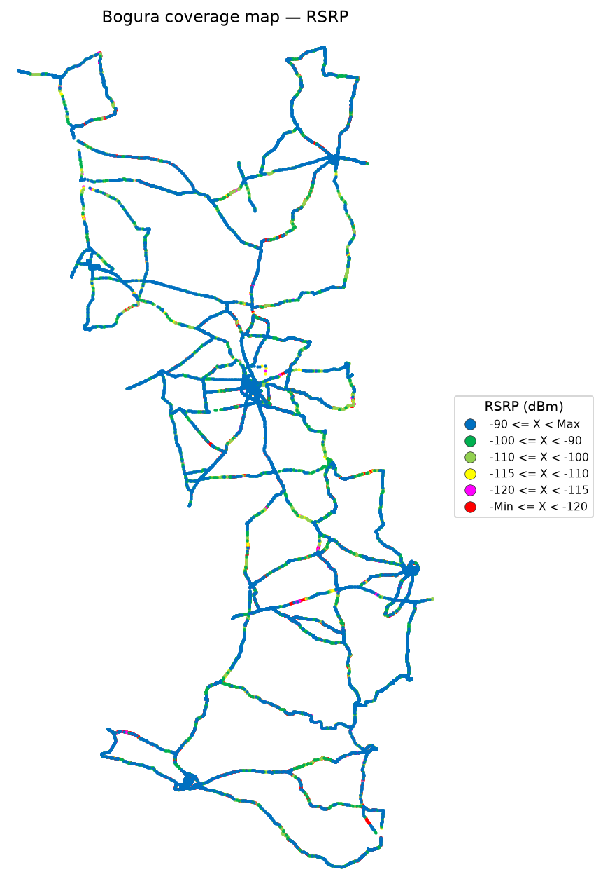


RSRP coverage map — IDLE Mode_L900 | RSRP coverage map — Active Mode_L900

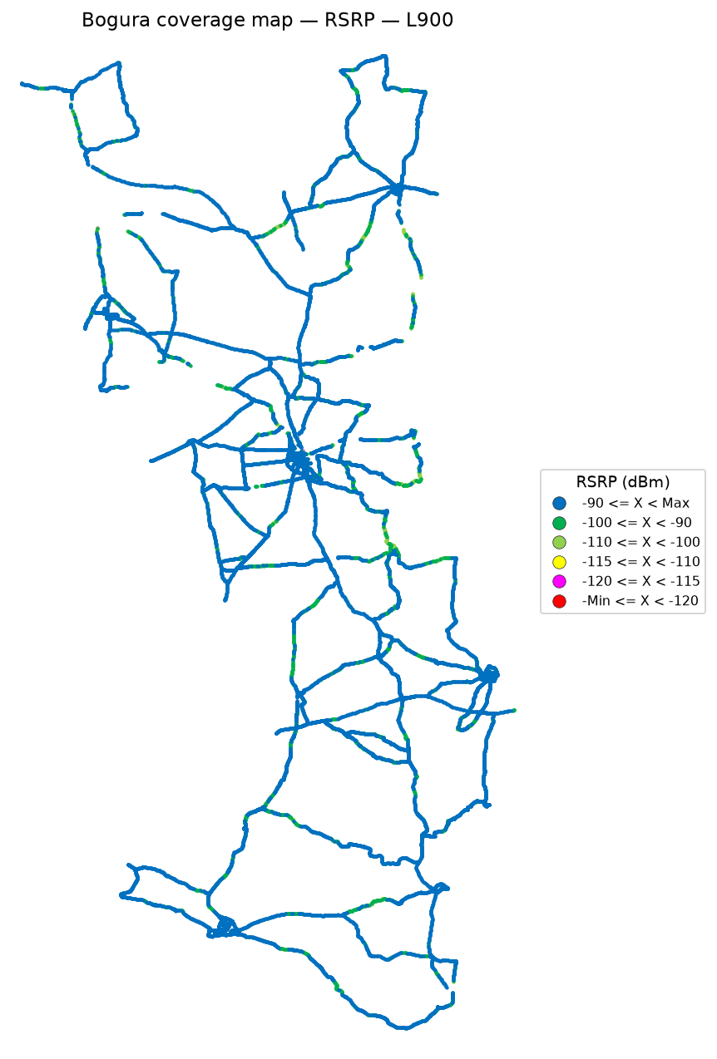

 | Log file will be provided later

RSRP coverage map — IDLE Mode_L1800 | RSRP coverage map — Active Mode_L1800

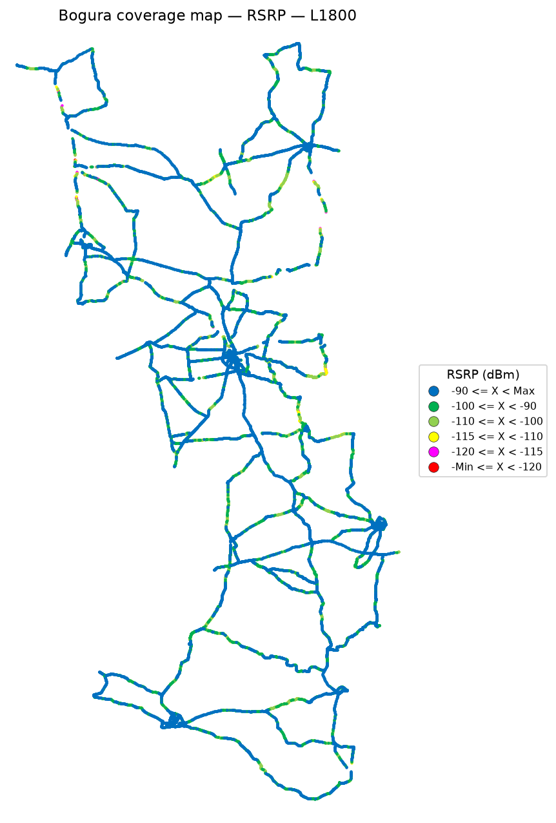

 | Log file will be provided later

RSRP coverage map — IDLE Mode_L2100 | RSRP coverage map — Active Mode_L2100

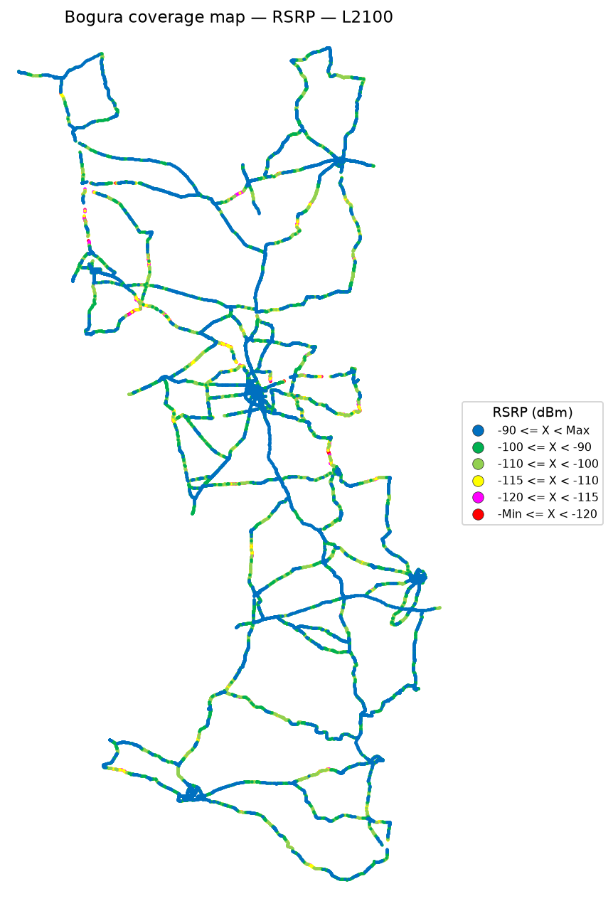

 | Log file will be provided later

RSRP coverage map — IDLE Mode_L2600 | RSRP coverage map — Active Mode_L2600

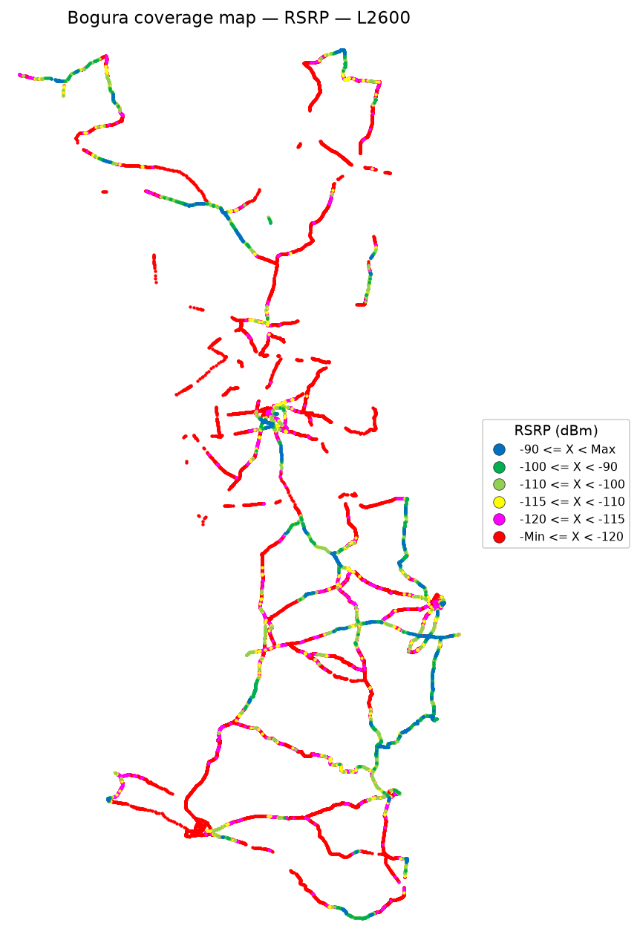

 | Log file will be provided later

RSRQ
RSRQ Report
Unit: dB | IDLE Mode coverage map | Gridlines off

RSRQ coverage map — IDLE Mode | RSRQ coverage map — Active Mode

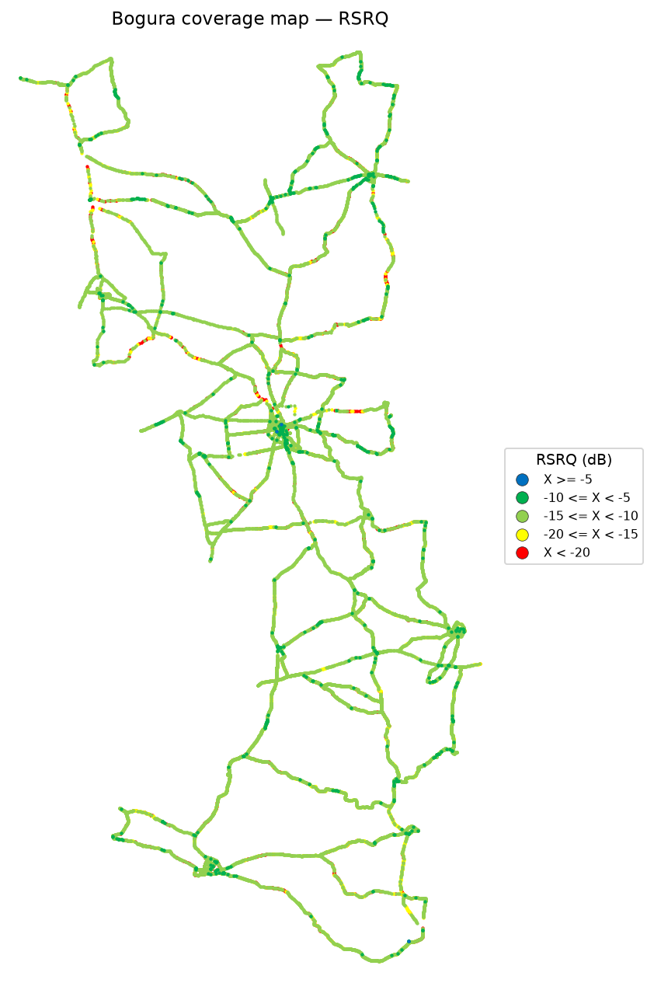

RSRQ coverage map — IDLE Mode_L900 | RSRQ coverage map — Active Mode_L900



 | Log file will be provided later

RSRQ coverage map — IDLE Mode_L1800 | RSRQ coverage map — Active Mode_L1800

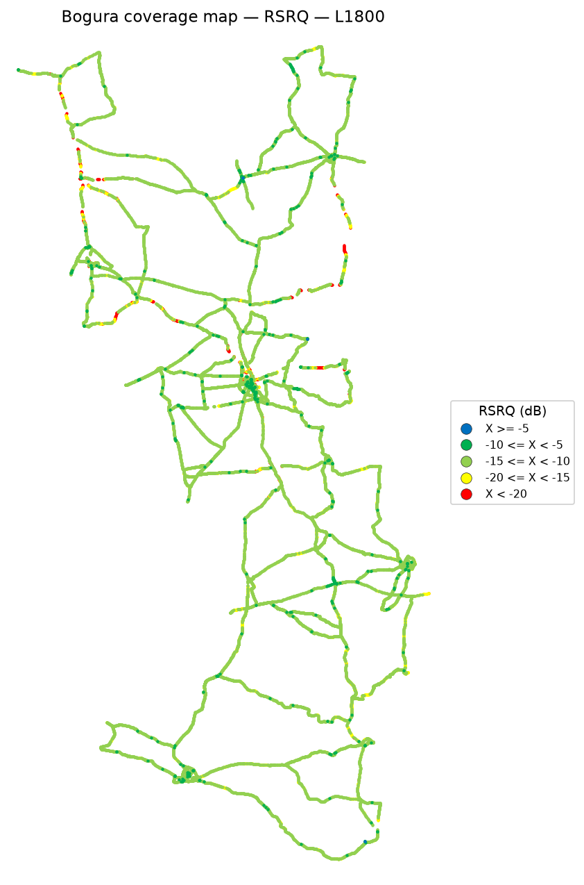

 | Log file will be provided later

RSRQ coverage map — IDLE Mode_L2100 | RSRQ coverage map — Active Mode_L2100

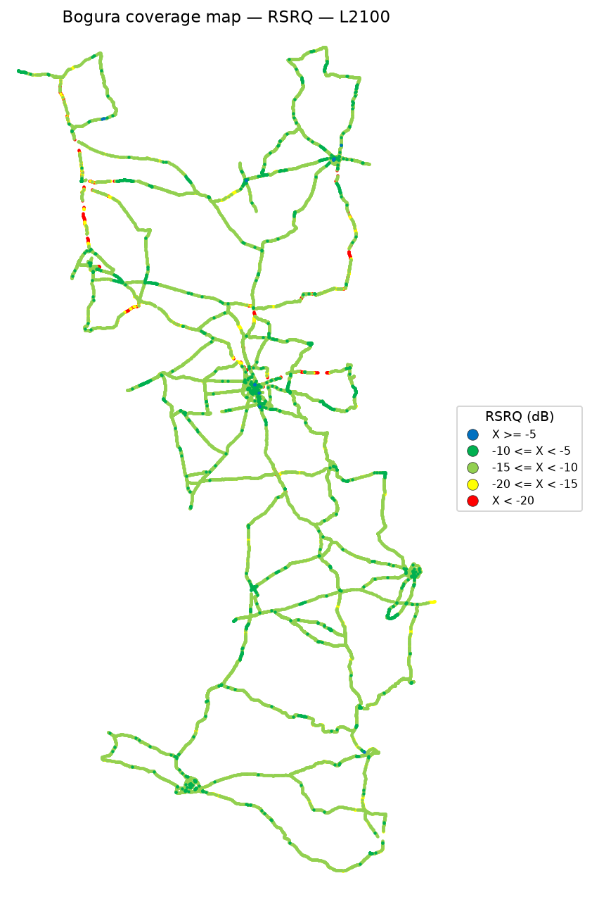

 | Log file will be provided later

RSRQ coverage map — IDLE Mode_L2600 | RSRQ coverage map — Active Mode_L2600

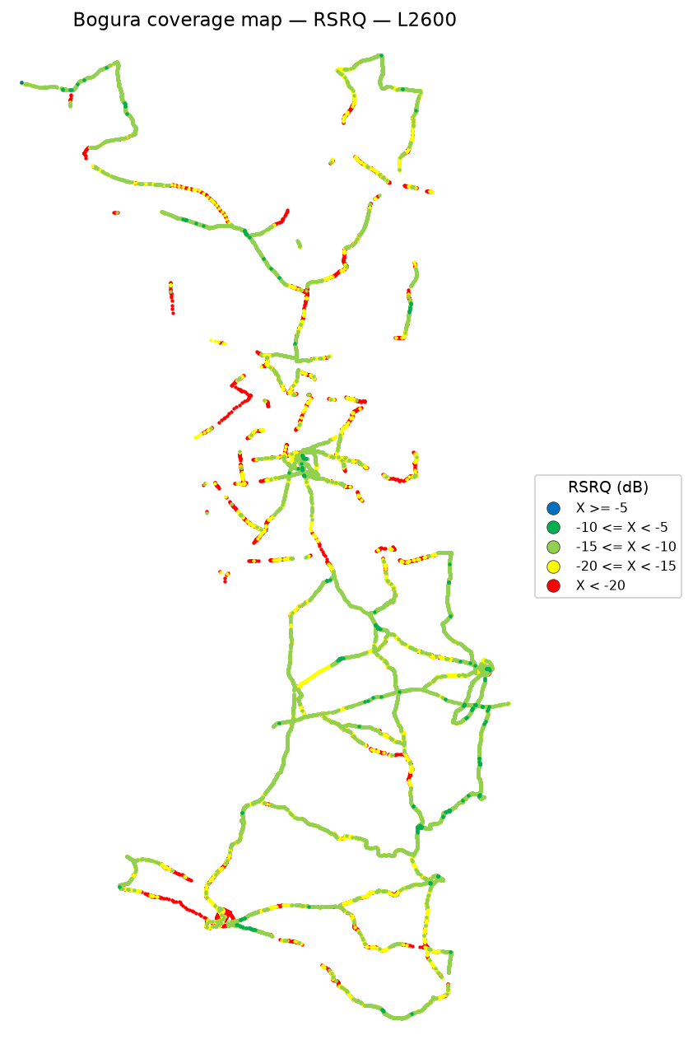

 | Log file will be provided later

SINR
SINR Report
Unit: dB | IDLE Mode coverage map | Gridlines off

SINR coverage map — IDLE Mode | SINR coverage map — Active Mode

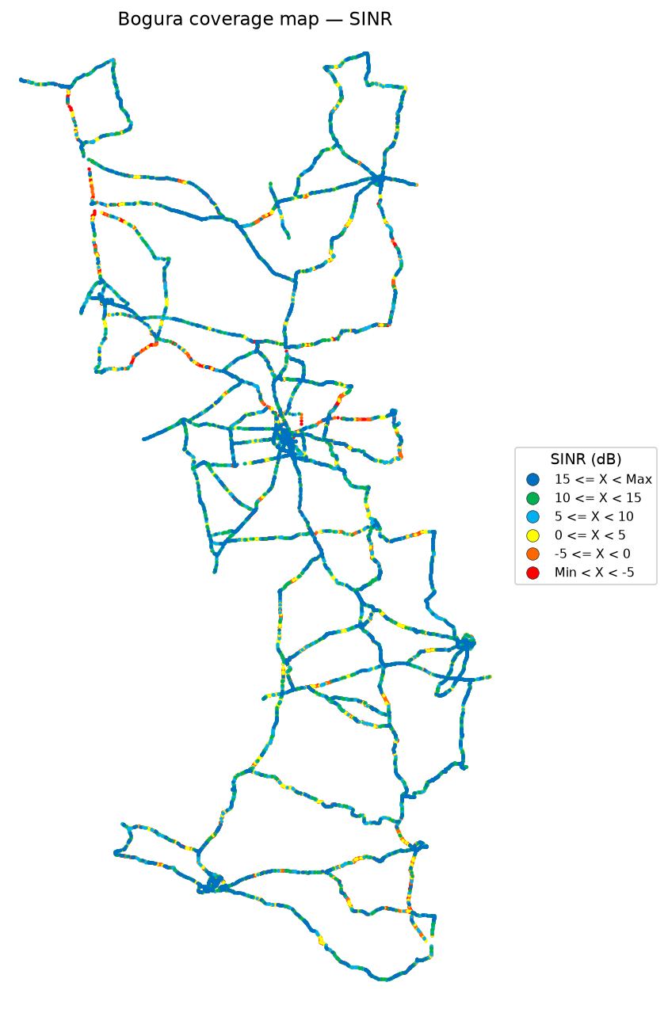

SINR coverage map — IDLE Mode_L900 | SINR coverage map — Active Mode_L900



 | Log file will be provided later

SINR coverage map — IDLE Mode_L1800 | SINR coverage map — Active Mode_L1800



 | Log file will be provided later

SINR coverage map — IDLE Mode_L2100 | SINR coverage map — Active Mode_L2100



 | Log file will be provided later

SINR coverage map — IDLE Mode_L2600 | SINR coverage map — Active Mode_L2600

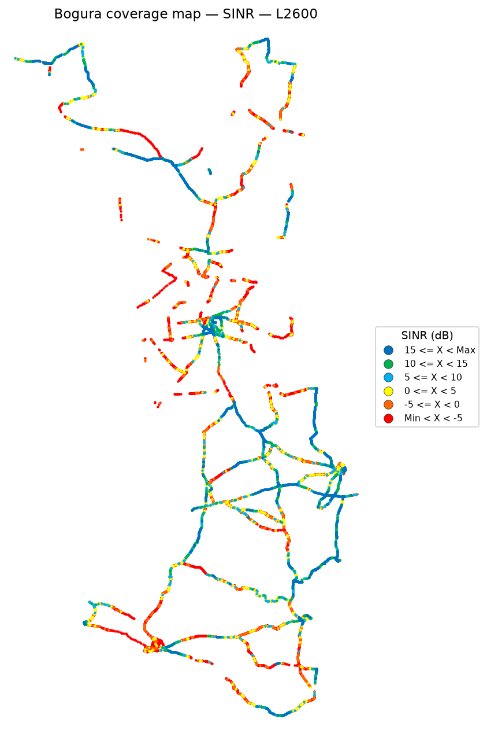

 | Log file will be provided later

Bad Spot Analysis
Bad Spot Analysis
IDLE Mode | First all-band coverage map | Zoomed spots | No numbering
IDLE Mode
Bad spots are taken from the first all-band IDLE map on the RSRP / RSRQ / SINR sheets (best server, not band maps). RSRP is poor only below -115 dBm (magenta and red; yellow is not a bad-spot colour). RSRQ is poor below -20 dB (red). SINR is poor below 0 dB (orange and red). A location is circled only when that zoomed view is mostly those poor colours. Consecutive poor coverage of at least 200 m is a thin black dashed oval. A discrete patch of at least 1 km² that is also poor on that coverage map is a thin black dotted circle. Numbers are not drawn on the maps.

RSRP coverage map — IDLE Mode | bad spots

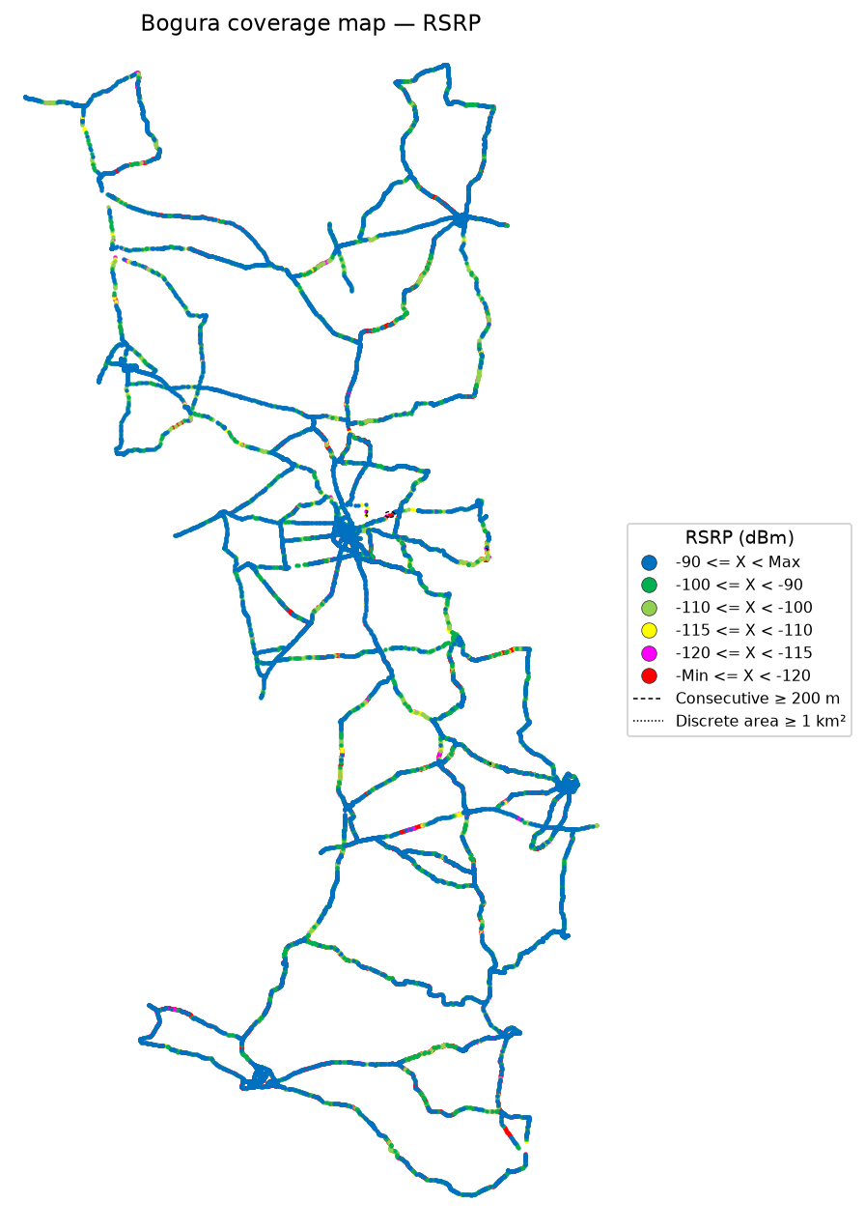

RSRQ coverage map — IDLE Mode | bad spots

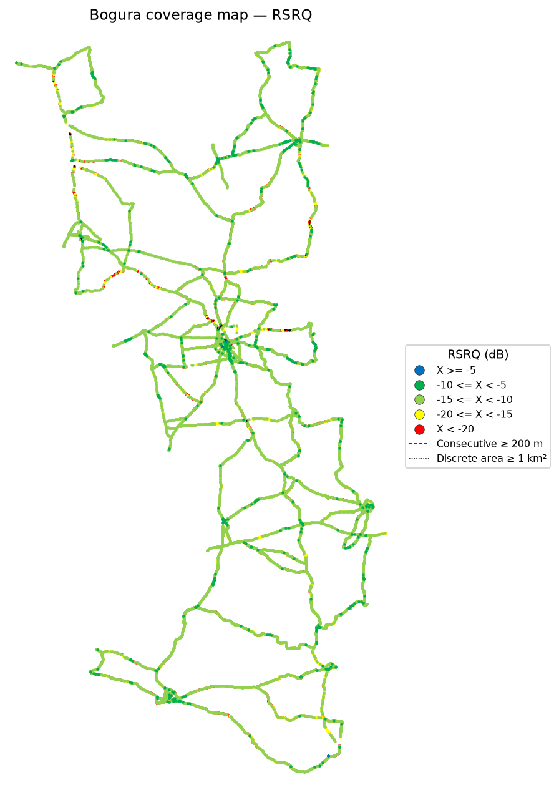

SINR coverage map — IDLE Mode | bad spots



RSRP zoomed locations

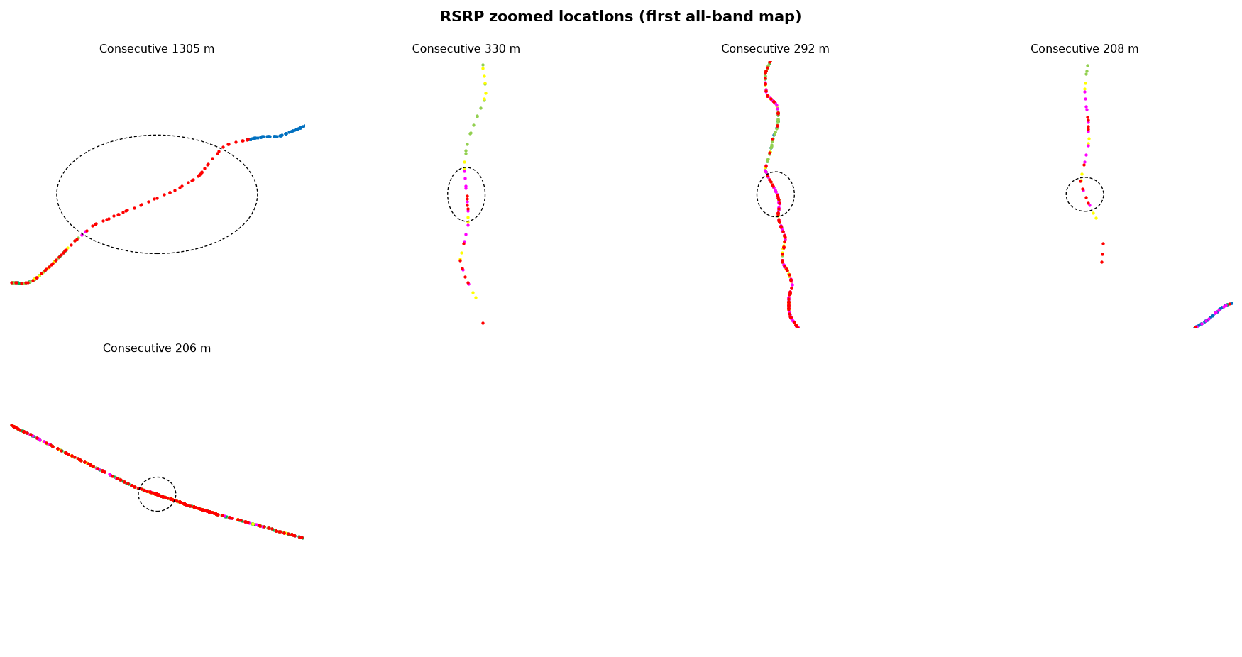

RSRQ zoomed locations

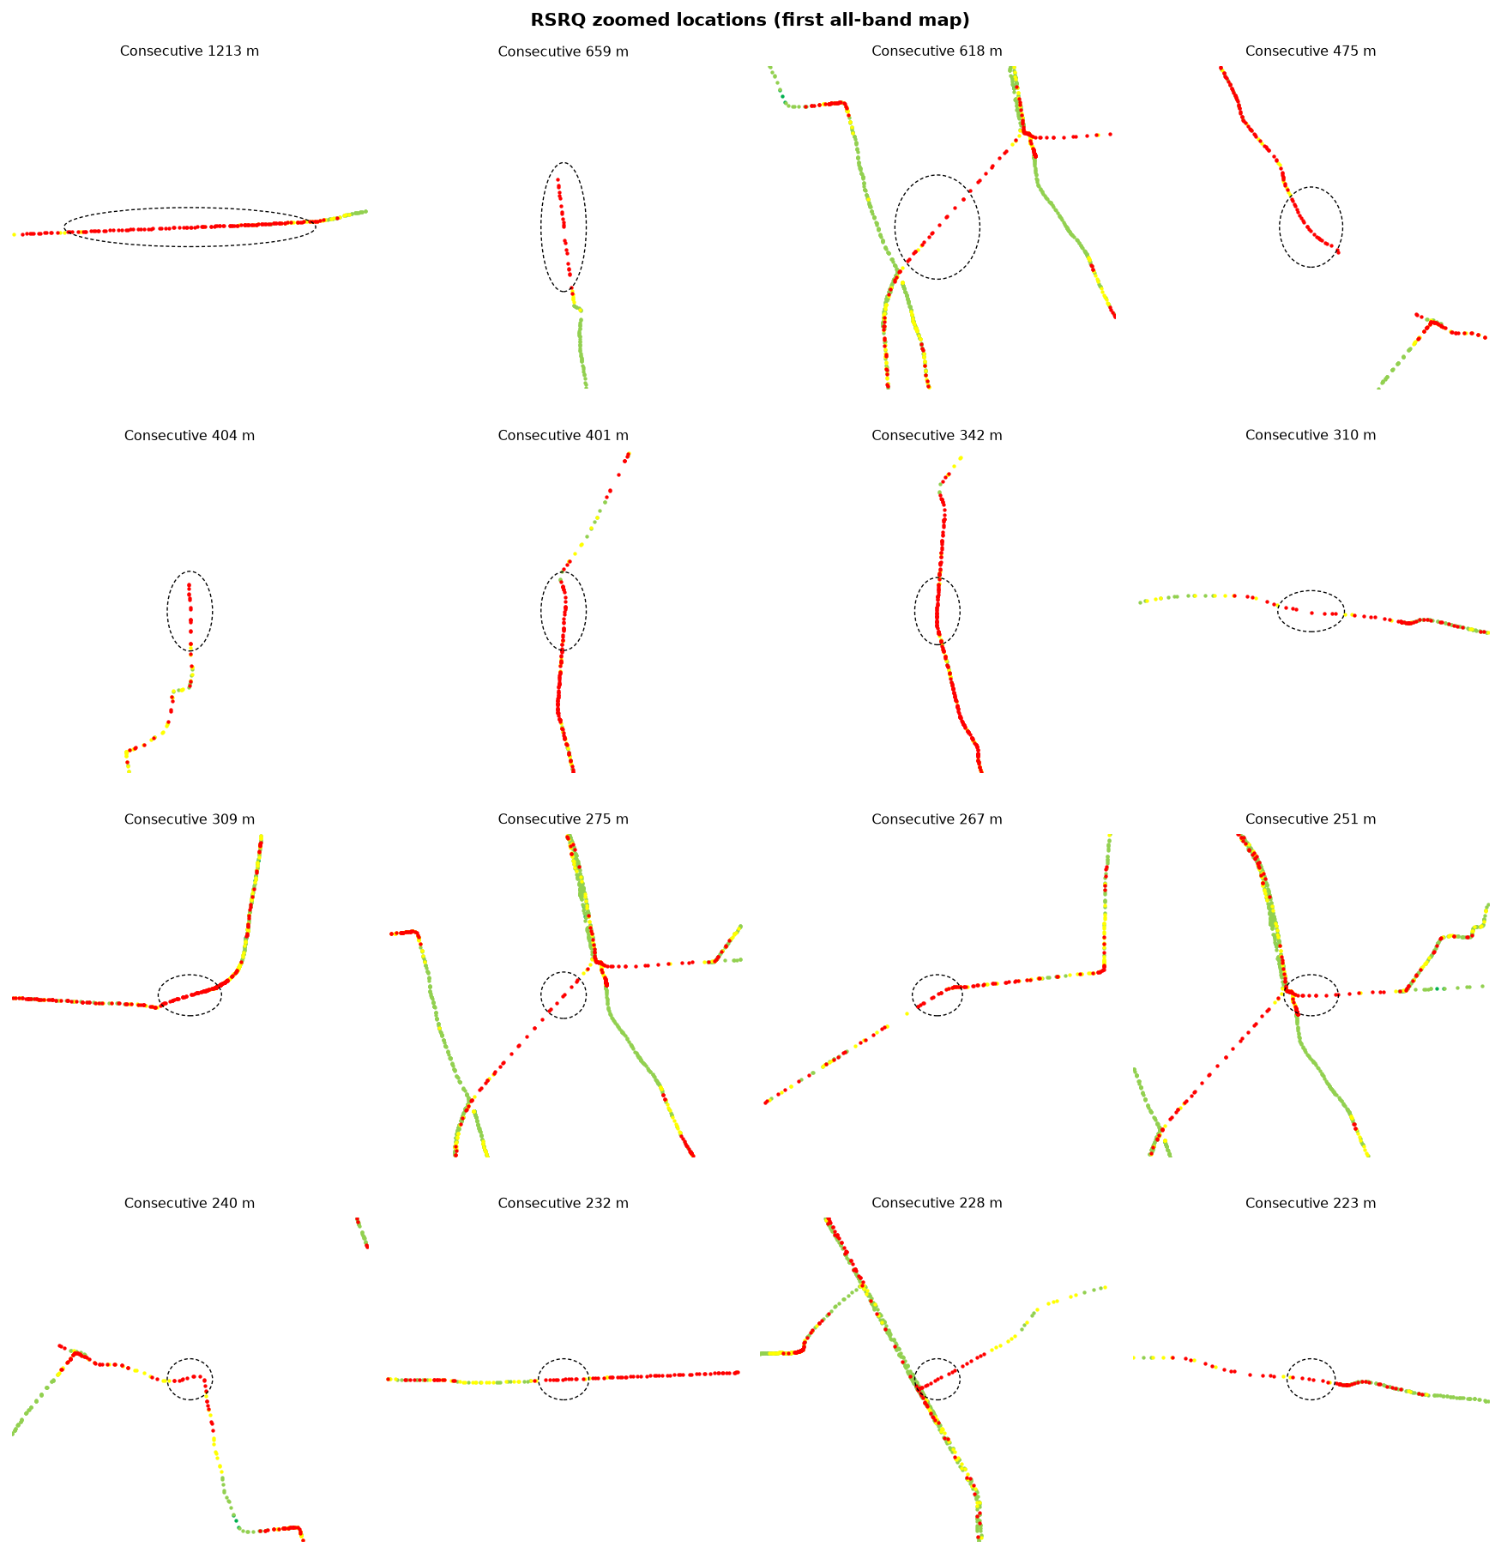

SINR zoomed locations

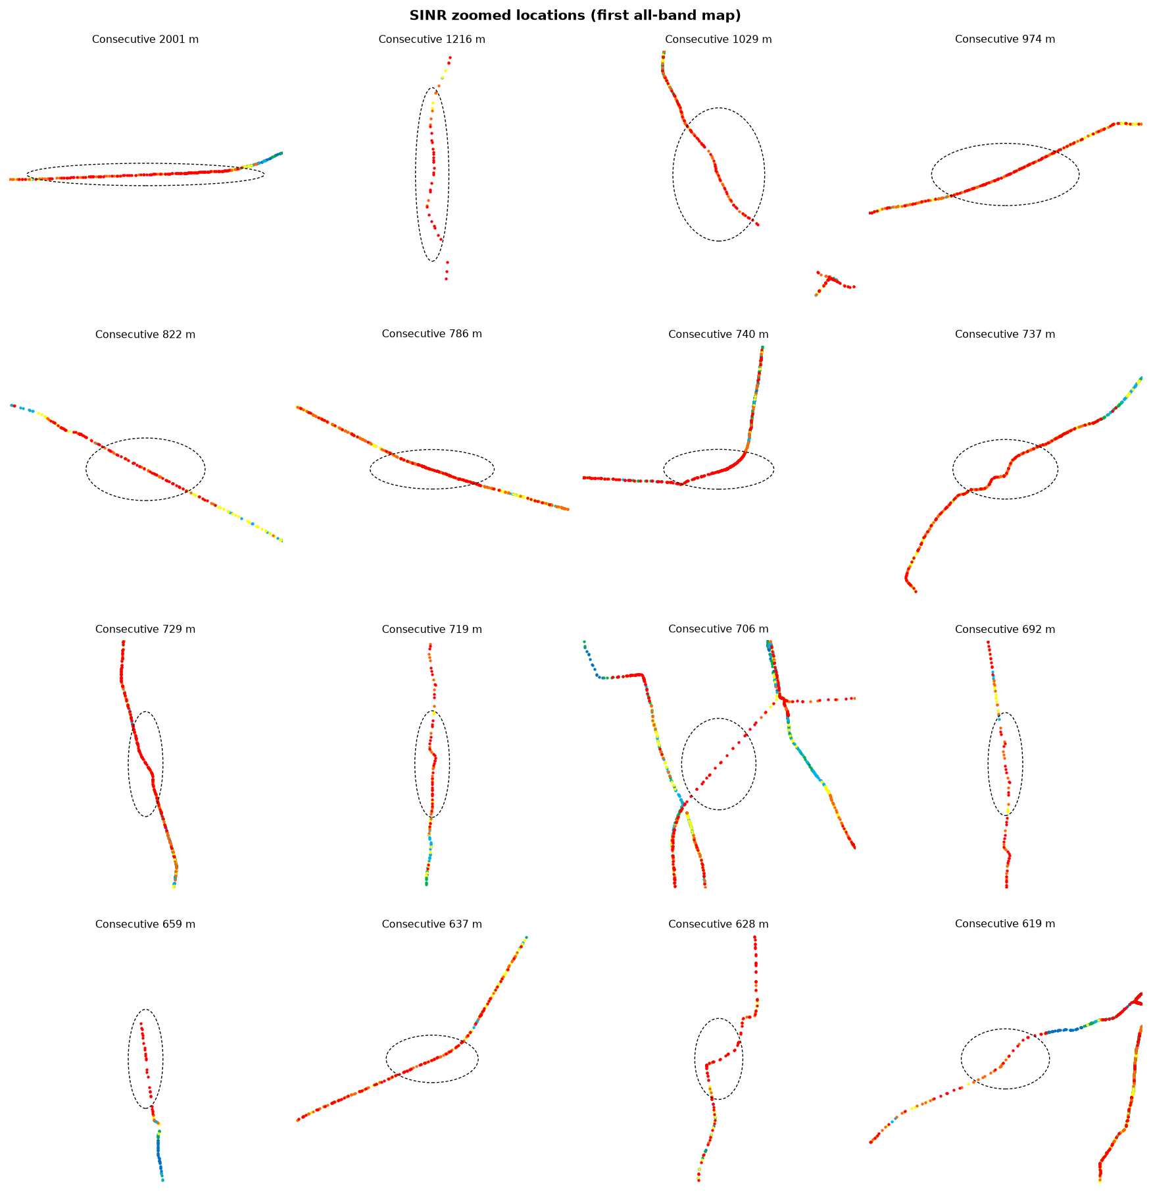

Identified bad spots
Type | KPI | Latitude | Longitude | Samples | Poor samples | Poor share | Mean KPI | Mean RSRP | Mean RSRQ | Mean SINR | Length (m) | Area (km²) | Top Cell Id
Consecutive ≥ 200 m | RSRP | 24.87359 | 89.43434 | 43 | 43 | 94.4% | -127.80 | -127.80 | -17.03 | -3.80 | 1,305 | 0.08 | 148500042
Consecutive ≥ 200 m | RSRP | 24.87736 | 89.39824 | 10 | 10 | 90.9% | -119.21 | -119.21 | -19.88 | -9.22 | 330 | 0.00 | 148530710
Consecutive ≥ 200 m | RSRP | 24.82004 | 89.58220 | 26 | 26 | 76.7% | -120.57 | -117.20 | -16.32 | -4.16 | 292 | 0.00 | 148518414
Consecutive ≥ 200 m | RSRP | 24.87151 | 89.39808 | 6 | 6 | 85.7% | -119.75 | -119.75 | -19.94 | -16.25 | 208 | 0.00 | 148530710
Consecutive ≥ 200 m | RSRP | 24.49234 | 89.58752 | 277 | 277 | 75.1% | -129.52 | -124.10 | -18.96 | -5.94 | 206 | 0.00 | 171526925
Consecutive ≥ 200 m | RSRQ | 24.87883 | 89.52137 | 78 | 78 | 84.7% | -27.80 | -96.78 | -26.79 | -11.12 | 1,213 | 0.00 | 148504843
Consecutive ≥ 200 m | RSRQ | 25.34300 | 89.00362 | 22 | 22 | 100.0% | -30.80 | -100.89 | -30.80 | -15.79 | 659 | 0.00 | 133145103
Consecutive ≥ 200 m | RSRQ | 24.88334 | 89.35508 | 14 | 14 | 84.0% | -28.38 | -96.81 | -27.59 | -11.28 | 618 | 0.00 | 148489748
Consecutive ≥ 200 m | RSRQ | 24.90744 | 89.32834 | 25 | 25 | 92.6% | -27.81 | -108.14 | -27.81 | -11.05 | 475 | 0.01 | 148494091
Consecutive ≥ 200 m | RSRQ | 25.26684 | 89.01329 | 17 | 17 | 89.5% | -26.09 | -117.97 | -26.09 | -14.86 | 404 | 0.00 | 151044118
Consecutive ≥ 200 m | RSRQ | 25.13663 | 89.57059 | 29 | 29 | 93.9% | -29.26 | -115.77 | -29.26 | -13.31 | 401 | 0.01 | 145929232
Consecutive ≥ 200 m | RSRQ | 25.13128 | 89.57028 | 46 | 46 | 90.4% | -27.50 | -114.44 | -26.81 | -11.00 | 342 | 0.00 | 145929295
Consecutive ≥ 200 m | RSRQ | 24.88043 | 89.47141 | 7 | 7 | 100.0% | -21.20 | -110.68 | -21.20 | -10.78 | 310 | 0.00 | 148483348
Consecutive ≥ 200 m | RSRQ | 25.05492 | 89.56017 | 43 | 43 | 87.3% | -29.90 | -125.74 | -29.45 | -17.40 | 309 | 0.00 | 145940295
Consecutive ≥ 200 m | RSRQ | 24.88706 | 89.35843 | 8 | 8 | 100.0% | -28.86 | -88.29 | -28.86 | -8.54 | 275 | 0.00 | 148489748
Consecutive ≥ 200 m | RSRQ | 25.01692 | 89.11826 | 16 | 16 | 76.0% | -25.85 | -111.52 | -24.00 | -10.33 | 267 | 0.00 | 151043094
Consecutive ≥ 200 m | RSRQ | 24.88885 | 89.36190 | 9 | 9 | 75.0% | -22.37 | -83.53 | -22.37 | -6.31 | 251 | 0.00 | 148489748
Consecutive ≥ 200 m | RSRQ | 24.90003 | 89.34274 | 12 | 12 | 100.0% | -23.02 | -115.11 | -23.02 | -5.41 | 240 | 0.01 | 148563990
Consecutive ≥ 200 m | RSRQ | 24.87845 | 89.51169 | 12 | 12 | 92.3% | -28.05 | -102.46 | -28.05 | -11.96 | 232 | 0.00 | 148504843
Consecutive ≥ 200 m | RSRQ | 24.66362 | 89.42151 | 10 | 10 | 81.0% | -28.01 | -110.29 | -28.01 | -15.30 | 228 | 0.00 | 148505364
Consecutive ≥ 200 m | RSRQ | 24.88006 | 89.47520 | 6 | 6 | 75.0% | -22.69 | -111.59 | -22.69 | -11.36 | 223 | 0.00 | 148483348
Consecutive ≥ 200 m | RSRQ | 24.85525 | 89.36953 | 18 | 18 | 75.0% | -28.18 | -96.51 | -26.34 | -13.17 | 219 | 0.00 | 148527117
Consecutive ≥ 200 m | RSRQ | 25.09475 | 89.02953 | 91 | 91 | 78.2% | -26.03 | -87.78 | -25.75 | -9.05 | 216 | 0.00 | 151047436
Consecutive ≥ 200 m | RSRQ | 25.46616 | 88.96419 | 4 | 4 | 100.0% | -23.90 | -118.25 | -23.90 | -16.11 | 200 | 0.00 | 133198100
Consecutive ≥ 200 m | SINR | 24.87881 | 89.52055 | 138 | 138 | 95.9% | -10.06 | -97.65 | -25.24 | -9.98 | 2,001 | 0.01 | 148504843
Consecutive ≥ 200 m | SINR | 24.87514 | 89.39820 | 28 | 28 | 93.8% | -9.61 | -116.90 | -18.76 | -9.61 | 1,216 | 0.06 | 148530710
Consecutive ≥ 200 m | SINR | 24.90992 | 89.32689 | 60 | 60 | 98.6% | -9.54 | -106.03 | -25.27 | -9.54 | 1,029 | 0.05 | 148494091
Consecutive ≥ 200 m | SINR | 24.66534 | 89.61688 | 124 | 124 | 86.7% | -5.82 | -120.34 | -17.64 | -5.22 | 974 | 0.02 | 171575824
Consecutive ≥ 200 m | SINR | 25.24856 | 89.06583 | 53 | 53 | 92.4% | -7.58 | -104.57 | -19.55 | -7.58 | 822 | 0.00 | 151045134
Consecutive ≥ 200 m | SINR | 24.49213 | 89.58815 | 411 | 411 | 80.6% | -6.76 | -122.64 | -18.52 | -5.26 | 786 | 0.00 | 171526925
Consecutive ≥ 200 m | SINR | 25.05536 | 89.56112 | 168 | 168 | 92.0% | -12.56 | -115.86 | -24.63 | -12.48 | 740 | 0.04 | 145929739
Consecutive ≥ 200 m | SINR | 24.92424 | 89.47666 | 110 | 110 | 84.3% | -7.86 | -118.58 | -19.43 | -7.02 | 737 | 0.03 | 148500042
Consecutive ≥ 200 m | SINR | 25.12374 | 89.57219 | 107 | 107 | 82.4% | -8.29 | -115.30 | -23.22 | -7.53 | 729 | 0.02 | 145929232
Consecutive ≥ 200 m | SINR | 25.29342 | 89.00961 | 34 | 34 | 86.4% | -11.10 | -108.64 | -22.77 | -11.10 | 719 | 0.02 | 133125387
Consecutive ≥ 200 m | SINR | 24.88382 | 89.35552 | 15 | 15 | 75.9% | -9.67 | -95.83 | -27.76 | -11.11 | 706 | 0.00 | 148489748
Consecutive ≥ 200 m | SINR | 25.30124 | 89.00953 | 19 | 19 | 86.4% | -6.80 | -112.74 | -20.87 | -6.80 | 692 | 0.01 | 133145109
Consecutive ≥ 200 m | SINR | 25.34308 | 89.00361 | 21 | 21 | 100.0% | -15.79 | -100.89 | -30.80 | -15.79 | 659 | 0.00 | 133145103
Consecutive ≥ 200 m | SINR | 25.26180 | 89.34003 | 56 | 56 | 94.3% | -6.19 | -117.15 | -18.55 | -6.00 | 637 | 0.01 | 145922127
Consecutive ≥ 200 m | SINR | 25.25868 | 89.01036 | 35 | 35 | 95.1% | -7.32 | -112.37 | -18.24 | -7.32 | 628 | 0.04 | 151044112
Consecutive ≥ 200 m | SINR | 24.87557 | 89.43781 | 22 | 22 | 96.2% | -6.25 | -128.37 | -18.06 | -6.25 | 619 | 0.02 | 148500042
Consecutive ≥ 200 m | SINR | 24.05660 | 89.49953 | 204 | 204 | 88.0% | -4.97 | -119.88 | -17.38 | -4.38 | 610 | 0.02 | 168983629
Consecutive ≥ 200 m | SINR | 24.88893 | 89.36269 | 21 | 21 | 81.6% | -9.10 | -86.23 | -23.41 | -7.63 | 585 | 0.01 | 148489748
Consecutive ≥ 200 m | SINR | 25.26601 | 89.01331 | 24 | 24 | 92.6% | -12.71 | -115.67 | -23.93 | -12.71 | 571 | 0.00 | 151044118
Consecutive ≥ 200 m | SINR | 25.31154 | 89.00806 | 26 | 26 | 87.5% | -8.71 | -102.85 | -20.04 | -8.71 | 565 | 0.00 | 133145103
Consecutive ≥ 200 m | SINR | 25.21170 | 89.56983 | 15 | 15 | 100.0% | -7.72 | -103.51 | -15.56 | -7.72 | 540 | 0.01 | 145920269
Consecutive ≥ 200 m | SINR | 25.13621 | 89.57055 | 39 | 39 | 90.0% | -12.62 | -114.50 | -28.17 | -12.62 | 535 | 0.01 | 145929229
Consecutive ≥ 200 m | SINR | 24.35538 | 89.50258 | 495 | 495 | 81.7% | -6.15 | -120.37 | -17.26 | -4.57 | 526 | 0.01 | 171538761
Consecutive ≥ 200 m | SINR | 24.88107 | 89.46816 | 13 | 13 | 86.7% | -9.81 | -113.78 | -21.34 | -9.81 | 515 | 0.01 | 148483348
Consecutive ≥ 200 m | SINR | 24.63567 | 89.52873 | 62 | 62 | 83.5% | -4.95 | -114.00 | -16.73 | -3.88 | 515 | 0.01 | 148505160
Consecutive ≥ 200 m | SINR | 25.45914 | 88.96807 | 27 | 27 | 93.8% | -10.16 | -106.82 | -22.20 | -10.16 | 512 | 0.00 | 133198100
Consecutive ≥ 200 m | SINR | 25.26255 | 89.03028 | 30 | 30 | 91.2% | -9.35 | -113.30 | -20.66 | -8.86 | 508 | 0.01 | 133125647
Consecutive ≥ 200 m | SINR | 24.04177 | 89.46363 | 96 | 96 | 76.9% | -5.40 | -117.29 | -16.97 | -3.82 | 505 | 0.02 | 168983623
Consecutive ≥ 200 m | SINR | 24.97778 | 89.21633 | 26 | 26 | 93.1% | -9.55 | -99.30 | -23.89 | -9.55 | 499 | 0.00 | 148486415
Consecutive ≥ 200 m | SINR | 24.35310 | 89.55734 | 52 | 52 | 92.3% | -3.82 | -112.63 | -16.26 | -3.75 | 497 | 0.01 | 171538187
Overview maps match the first all-band RSRP / RSRQ / SINR coverage maps. Zoomed panels inspect each poor stretch locally and keep magenta/red (or the matching RSRQ/SINR poor colours) on top. Blue/green city grids are not circled. Outlines are thin black; map numbers are omitted so the coverage stays visible.

RSRP vs KPIs
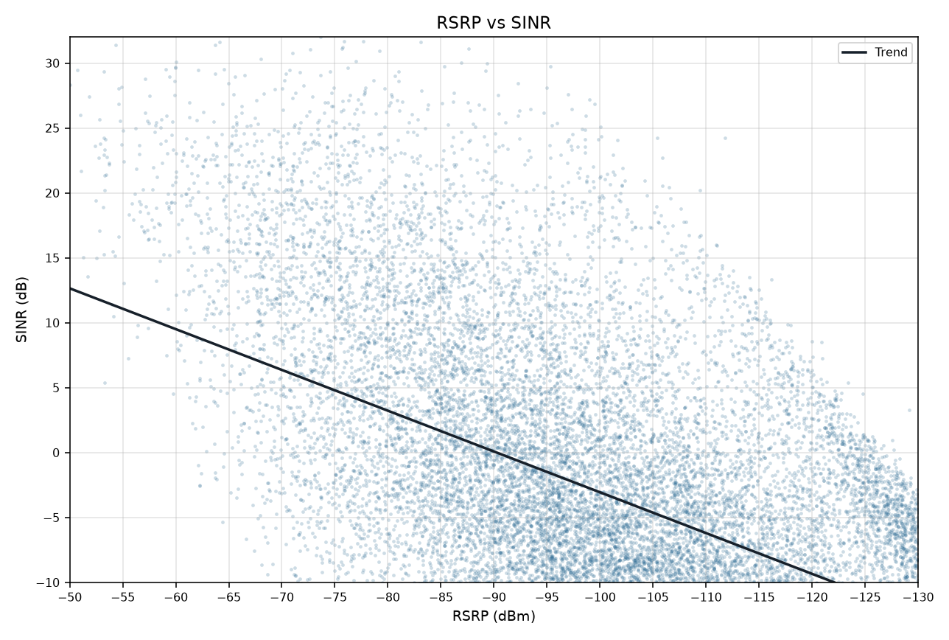
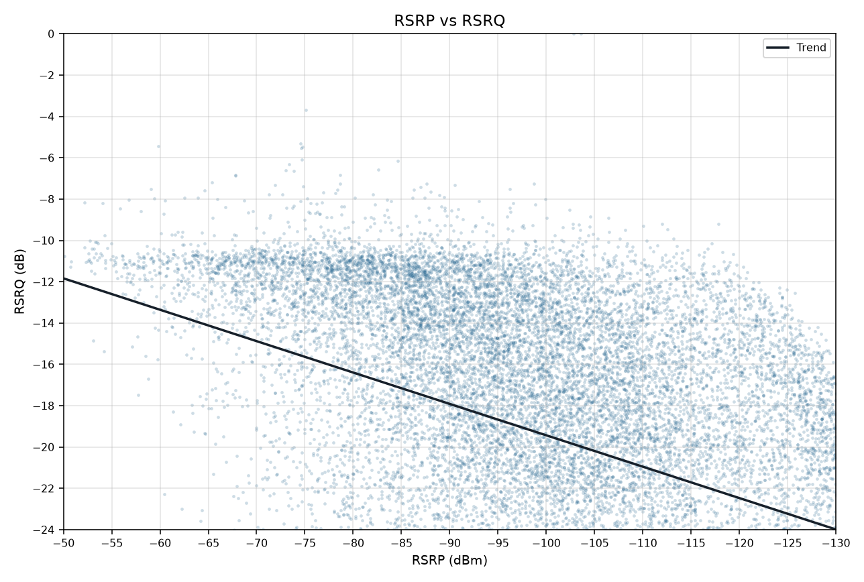
RSRP vs KPIs IDLE Mode
Idle V2.0 scanner | Smooth mean lines and scatter with trend | Gridlines off

RSRP vs SINR
RSRP vs RSRQ

RSRP vs SINR vs RSRQ

RSRP vs SINR scatter (trend line) | RSRP vs RSRQ scatter (trend line)

