Cover
Bogura LTE Drive-Test Report (v1.4)
Version 1.4 | Generated 2026-09-10 09:18 | Gridlines off | Freeze panes off

Dataset |  |  | Radio KPIs (all samples)
Item | Value |  | KPI | Count | Min | P5 | Median | Mean | P95 | Max
Report version | v1.4 |  | RSRP | 1,075,385 | -140.00 | -119.00 | -99.50 | -99.12 | -78.40 | -48.90
Generated | 2026-09-10 09:18 |  | RSRQ | 1,075,385 | -30.00 | -17.30 | -10.20 | -10.86 | -6.30 | 10.00
P1 samples | 1,015,226 |  | SINR | 816,456 | -20.00 | -4.00 | 8.00 | 8.39 | 22.20 | 31.10
P2 samples | 60,159
Merged samples | 1,075,385
Start time | 2026-05-11
End time | 2026-05-21
Unique Cell Ids | 2,521
Longitude range | 88.87569 – 89.75081
How to read this workbook | 23.83306 – 25.56161
Cover — dataset size, KPI scorecard, band mix, and overview histograms.
RSRP / RSRQ / SINR — statistics table and coverage map (Longitude / Latitude levels on both axes).
RSRP vs KPIs — RSRP levels on the horizontal axis, SINR/RSRQ levels on the vertical axis.
Sample Log — evenly spaced subset of the merged samples (full 1.07M rows stay in output/Bogura_merged.csv.gz).
P1 is the split archive (part1–part5). P2 is the standalone archive. This report uses the concatenated final file.

Band mix (DL EARFCN) |  |  |  | RSRP ranges (dBm)
Band | Samples | Share |  | Range | Samples | Share
B3 1800 MHz (3) | 542,758 | 50.5% |  | ≥ -85 | 157,213 | 14.6%
B1 2100 MHz (1) | 455,361 | 42.3% |  | -85 to -95 | 242,900 | 22.6%
B41 2500 MHz (41) | 69,783 | 6.5% |  | -95 to -105 | 317,545 | 29.5%
B8 900 MHz (8) | 7,483 | 0.7% |  | -105 to -110 | 149,401 | 13.9%
 |  |  |  | -110 to -115 | 105,403 | 9.8%
 |  |  |  | -115 to -120 | 58,952 | 5.5%
 |  |  |  | -120 to -125 | 30,237 | 2.8%
 |  |  |  | <-125 | 13,734 | 1.3%

 |  |  |  | ≥ -85 holds samples stronger than -85. Other bins: lower ≤ RSRP < upper (<-125 is RSRP < -125).

RSRP, RSRQ and SINR plots (native Excel charts with legends)

RSRP histogram
RSRQ histogram

SINR histogram
RSRP ranges (dBm)

RSRP
RSRP report (v1.4)
Unit: dBm | Statistics and coverage map | Gridlines off

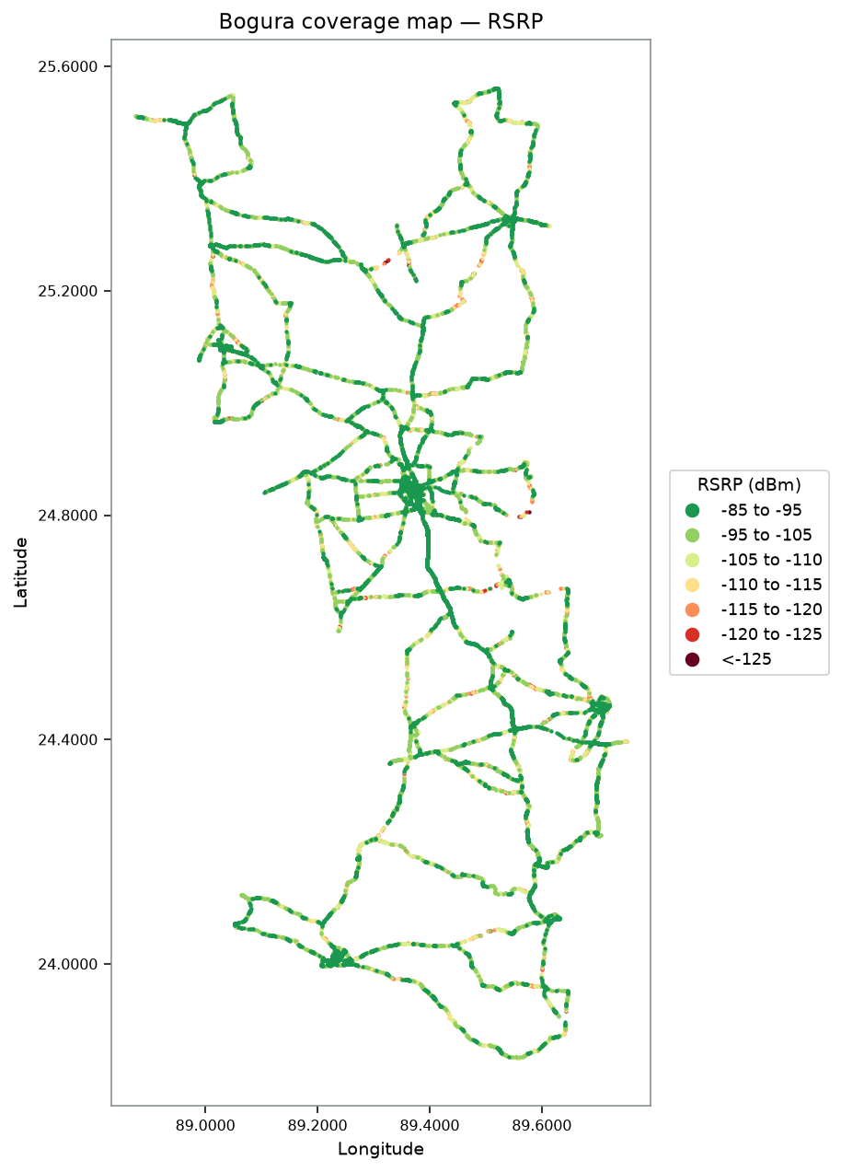
RSRP statistics |  | RSRP coverage map
Metric | Value
Count | 1,075,385
Min | -140.00
P5 | -119.00
Median | -99.50
Mean | -99.12
P95 | -78.40
Max | -48.90
Std | 12.57

RSRQ
RSRQ report (v1.4)
Unit: dB | Statistics and coverage map | Gridlines off

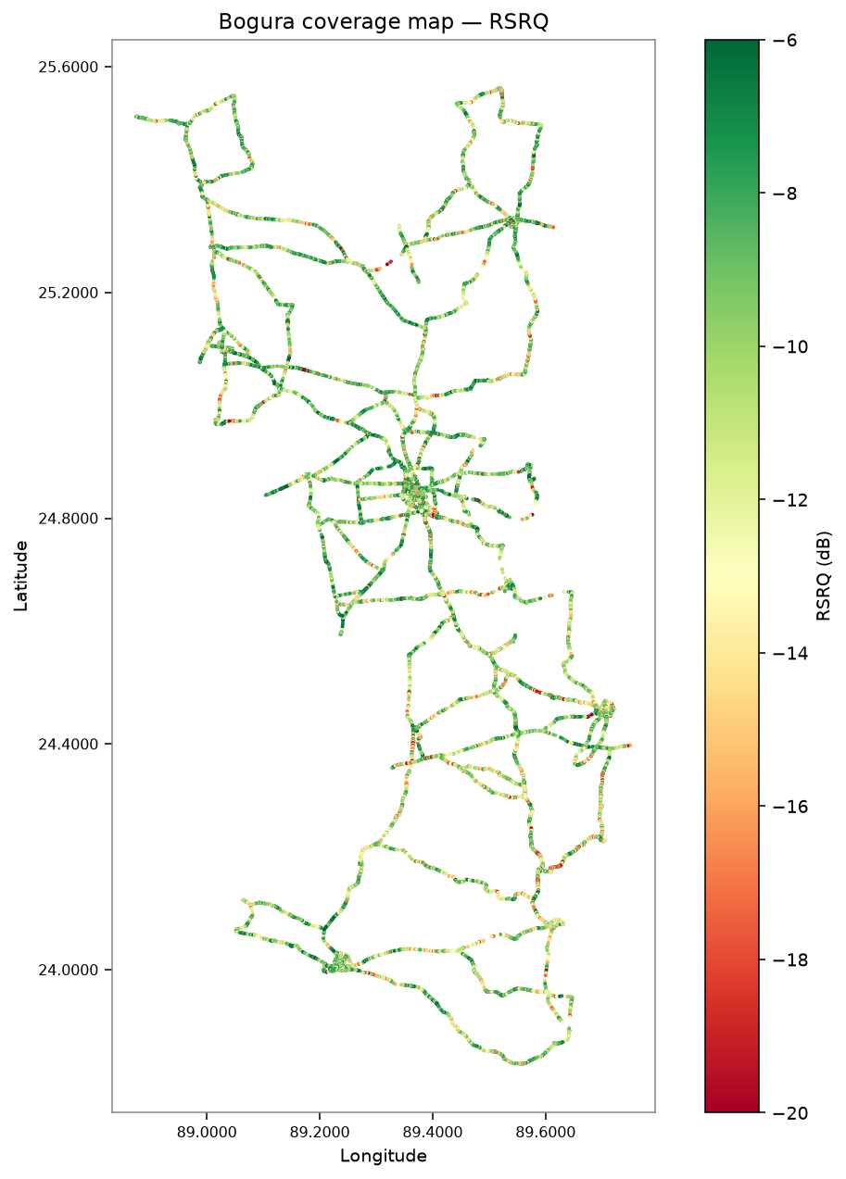
RSRQ statistics |  | RSRQ coverage map
Metric | Value
Count | 1,075,385
Min | -30.00
P5 | -17.30
Median | -10.20
Mean | -10.86
P95 | -6.30
Max | 10.00
Std | 3.89

SINR
SINR report (v1.4)
Unit: dB | Statistics and coverage map | Gridlines off

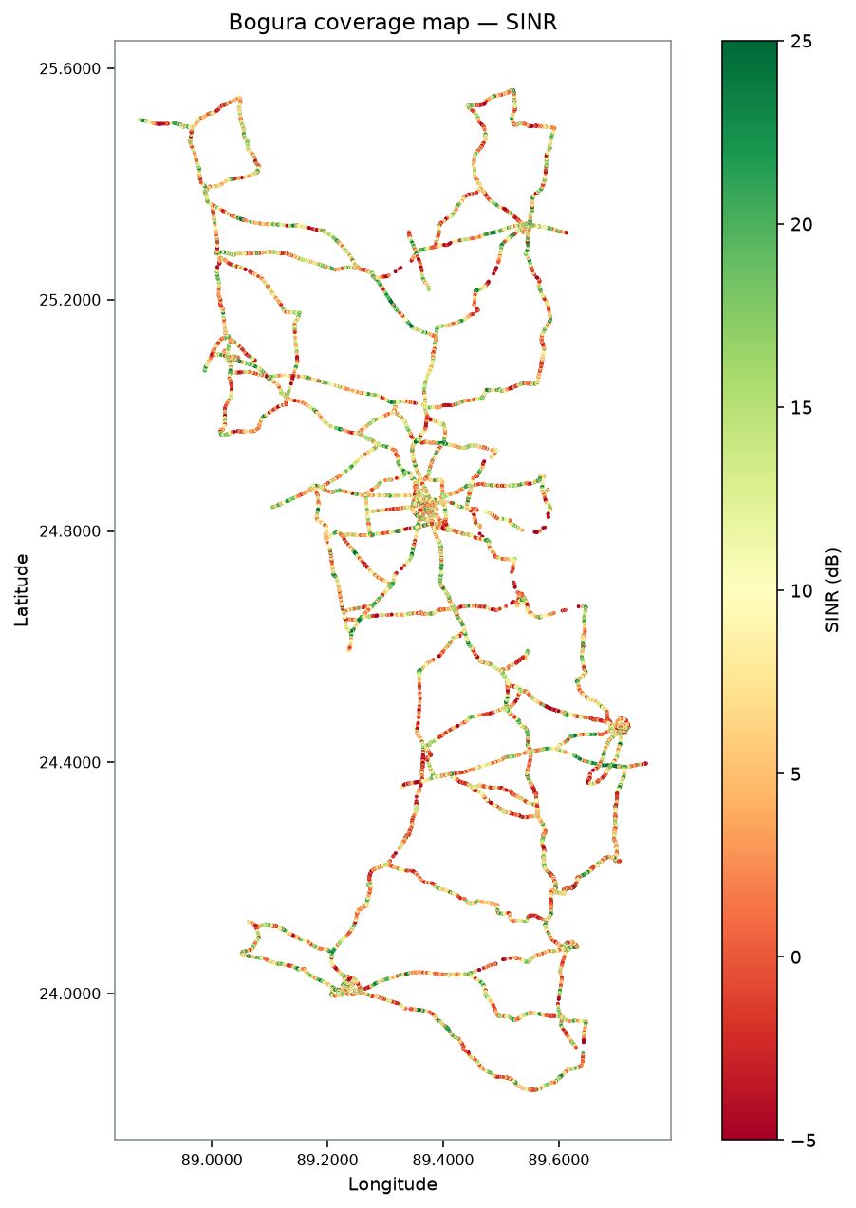
SINR statistics |  | SINR coverage map
Metric | Value
Count | 816,456
Min | -20.00
P5 | -4.00
Median | 8.00
Mean | 8.39
P95 | 22.20
Max | 31.10
Std | 8.15

RSRP vs KPIs
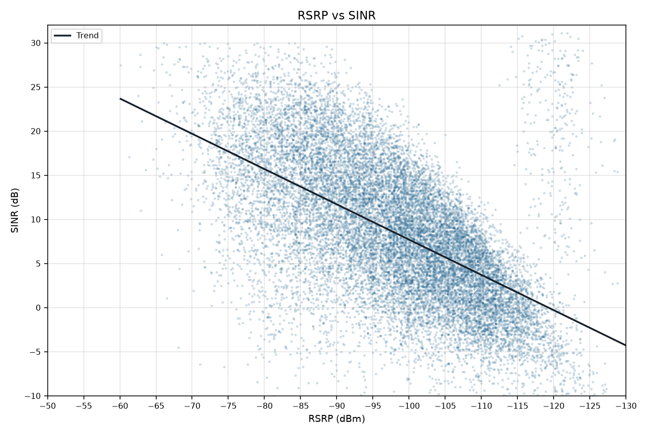
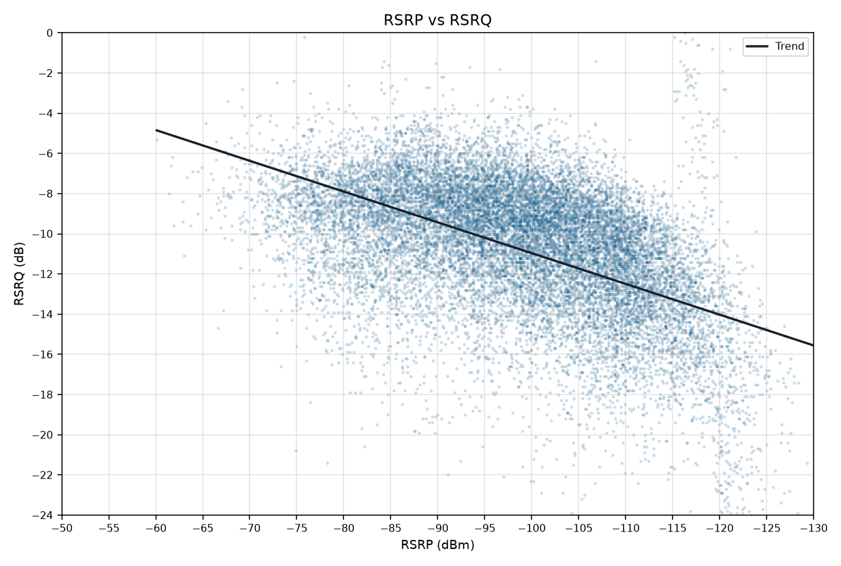
RSRP vs SINR / RSRQ
RSRP on the horizontal axis | Version 1.4 | Binned mean lines and scatter with trend | Gridlines off

Binned 1 dBm means (like a cluster line chart). Worse RSRP is to the right. Scatter plots below include a trend line.

RSRP vs SINR
RSRP vs RSRQ

RSRP vs SINR vs RSRQ

RSRP vs SINR scatter (trend line) | RSRP vs RSRQ scatter (trend line)

