Cover
Bogura Drive-Test Report IDLE Mode
Generated 2026-09-10 10:48 | IDLE Mode | Gridlines off | Freeze panes off

Dataset |  |  | Radio KPIs (all samples)
Item | Value |  | KPI | Count | Min | P5 | Median | Mean | P95 | Max
Mode | IDLE |  | RSRP | 1,075,385 | -140.00 | -119.00 | -99.50 | -99.12 | -78.40 | -48.90
Generated | 2026-09-10 10:48 |  | RSRQ | 1,075,385 | -30.00 | -17.30 | -10.20 | -10.86 | -6.30 | 10.00
P1 samples | 1,015,226 |  | SINR | 816,456 | -20.00 | -4.00 | 8.00 | 8.39 | 22.20 | 31.10
P2 samples | 60,159
Merged samples | 1,075,385
Start time | 2026-05-11
End time | 2026-05-21
Unique Cell Ids | 2,521
Longitude range | 88.87569 – 89.75081
How to read this workbook | 23.83306 – 25.56161
Cover — dataset size, KPI scorecard, band mix, and overview histograms.
RSRP / RSRQ / SINR — statistics table and coverage map (discrete range legend).
RSRP vs KPIs — RSRP vs SINR, RSRP vs RSRQ, dual-axis combined chart, and scatter with trend.
Sample Log — evenly spaced subset of the merged samples (full 1.07M rows stay in output/Bogura_merged.csv.gz).
These files are IDLE Mode. Active Mode coverage maps will be added beside/below each IDLE map when those logs are provided.
P1 is the split archive (part1–part5). P2 is the standalone archive. This report uses the concatenated final file.
Band mix (DL EARFCN) |  |  |  | RSRP ranges (dBm)
Band | Samples | Share |  | Range | Samples | Share
B3 1800 MHz (3) | 542,758 | 50.5% |  | ≥ -85 | 157,213 | 14.6%
B1 2100 MHz (1) | 455,361 | 42.3% |  | -85 to -95 | 242,900 | 22.6%
B41 2500 MHz (41) | 69,783 | 6.5% |  | -95 to -105 | 317,545 | 29.5%
B8 900 MHz (8) | 7,483 | 0.7% |  | -105 to -110 | 149,401 | 13.9%
 |  |  |  | -110 to -115 | 105,403 | 9.8%
 |  |  |  | -115 to -120 | 58,952 | 5.5%
 |  |  |  | -120 to -125 | 30,237 | 2.8%
 |  |  |  | <-125 | 13,734 | 1.3%

 |  |  |  | ≥ -85 holds samples stronger than -85. Other bins: lower ≤ RSRP < upper (<-125 is RSRP < -125).

RSRP, RSRQ and SINR plots (native Excel charts with legends)

RSRP histogram
RSRQ histogram

SINR histogram
RSRP ranges (dBm)

RSRP
RSRP Report IDLE Mode
Unit: dBm | IDLE Mode coverage map | Gridlines off

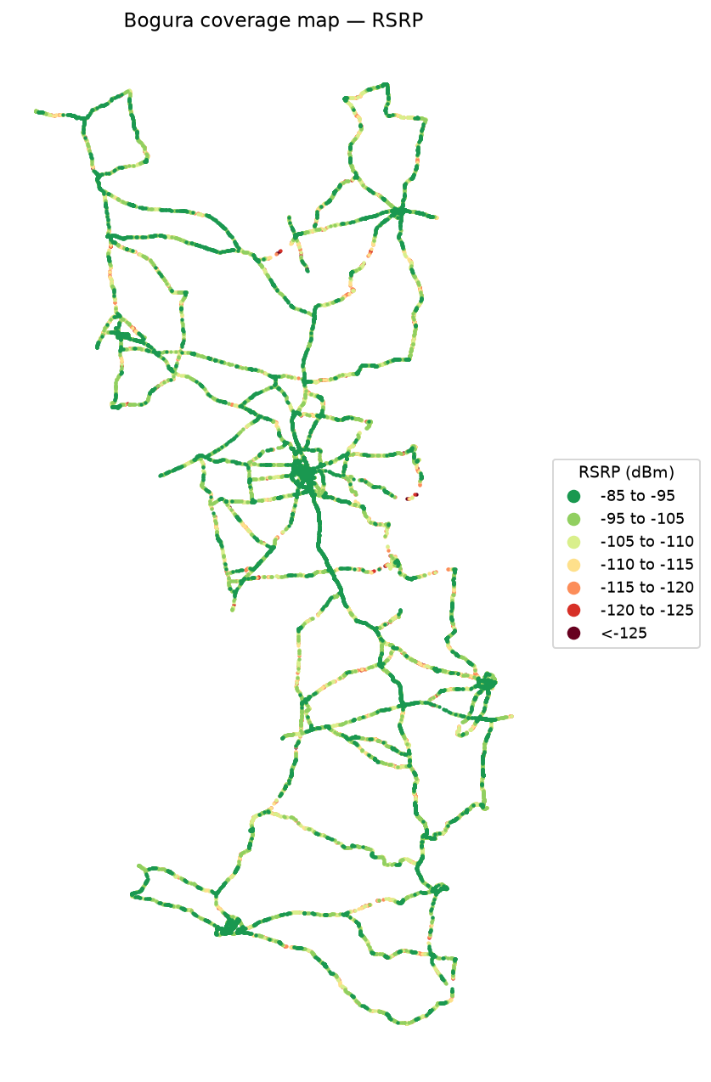
RSRP statistics |  | RSRP coverage map — IDLE Mode
Metric | Value
Count | 1,075,385
Min | -140.00
P5 | -119.00
Median | -99.50
Mean | -99.12
P95 | -78.40
Max | -48.90
Std | 12.57

 |  | RSRP coverage map — Active Mode
 |  | Placeholder for Active Mode logs. The Active Mode coverage map will be placed here (below the IDLE map) when those files are provided.

RSRQ
RSRQ Report IDLE Mode
Unit: dB | IDLE Mode coverage map | Gridlines off

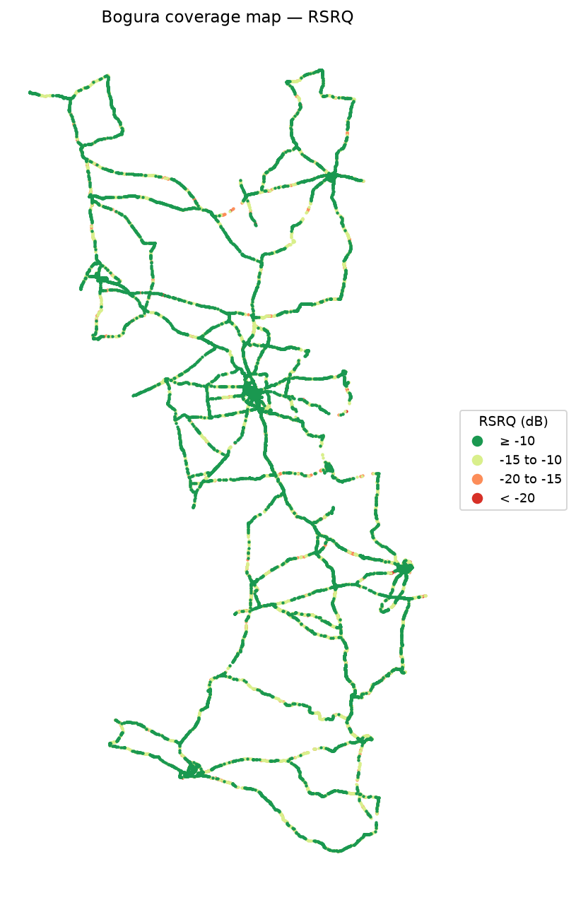
RSRQ statistics |  | RSRQ coverage map — IDLE Mode
Metric | Value
Count | 1,075,385
Min | -30.00
P5 | -17.30
Median | -10.20
Mean | -10.86
P95 | -6.30
Max | 10.00
Std | 3.89

 |  | RSRQ coverage map — Active Mode
 |  | Placeholder for Active Mode logs. The Active Mode coverage map will be placed here (below the IDLE map) when those files are provided.

SINR
SINR Report IDLE Mode
Unit: dB | IDLE Mode coverage map | Gridlines off

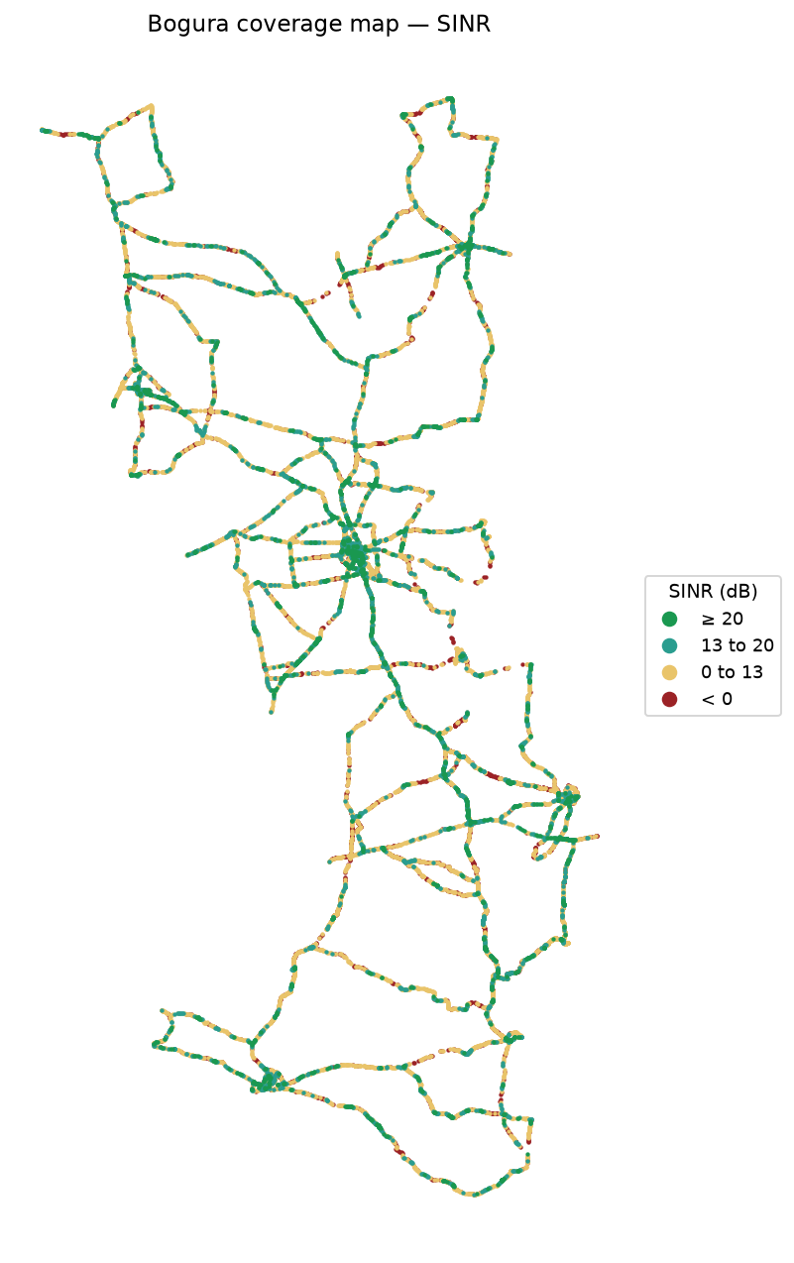
SINR statistics |  | SINR coverage map — IDLE Mode
Metric | Value
Count | 816,456
Min | -20.00
P5 | -4.00
Median | 8.00
Mean | 8.39
P95 | 22.20
Max | 31.10
Std | 8.15

 |  | SINR coverage map — Active Mode
 |  | Placeholder for Active Mode logs. The Active Mode coverage map will be placed here (below the IDLE map) when those files are provided.

RSRP vs KPIs
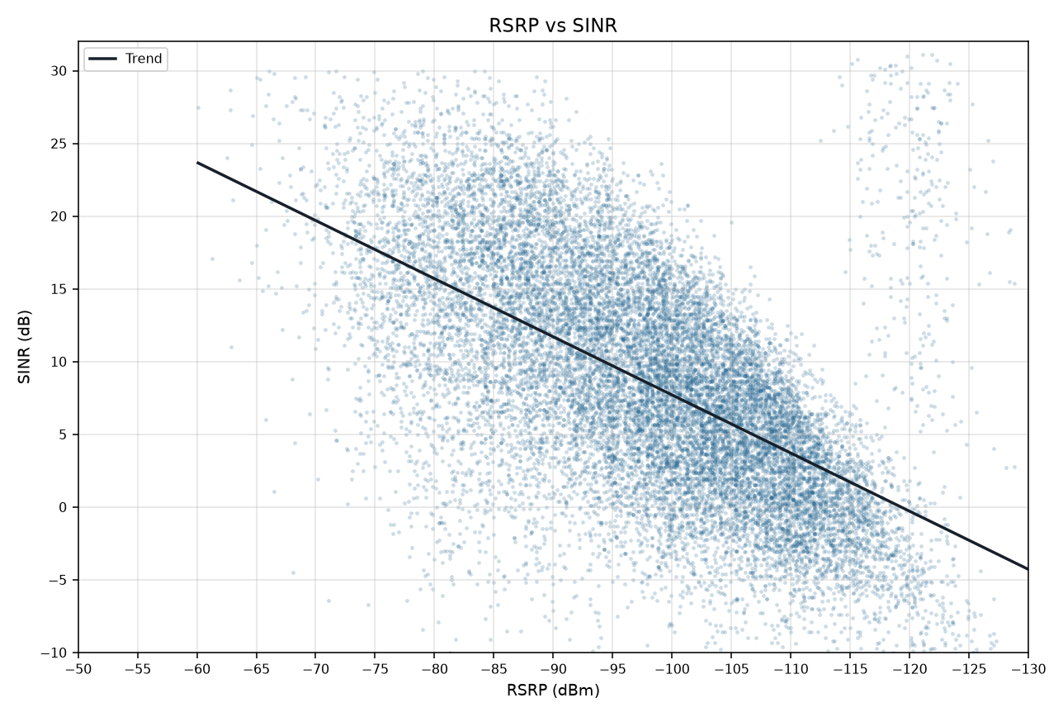
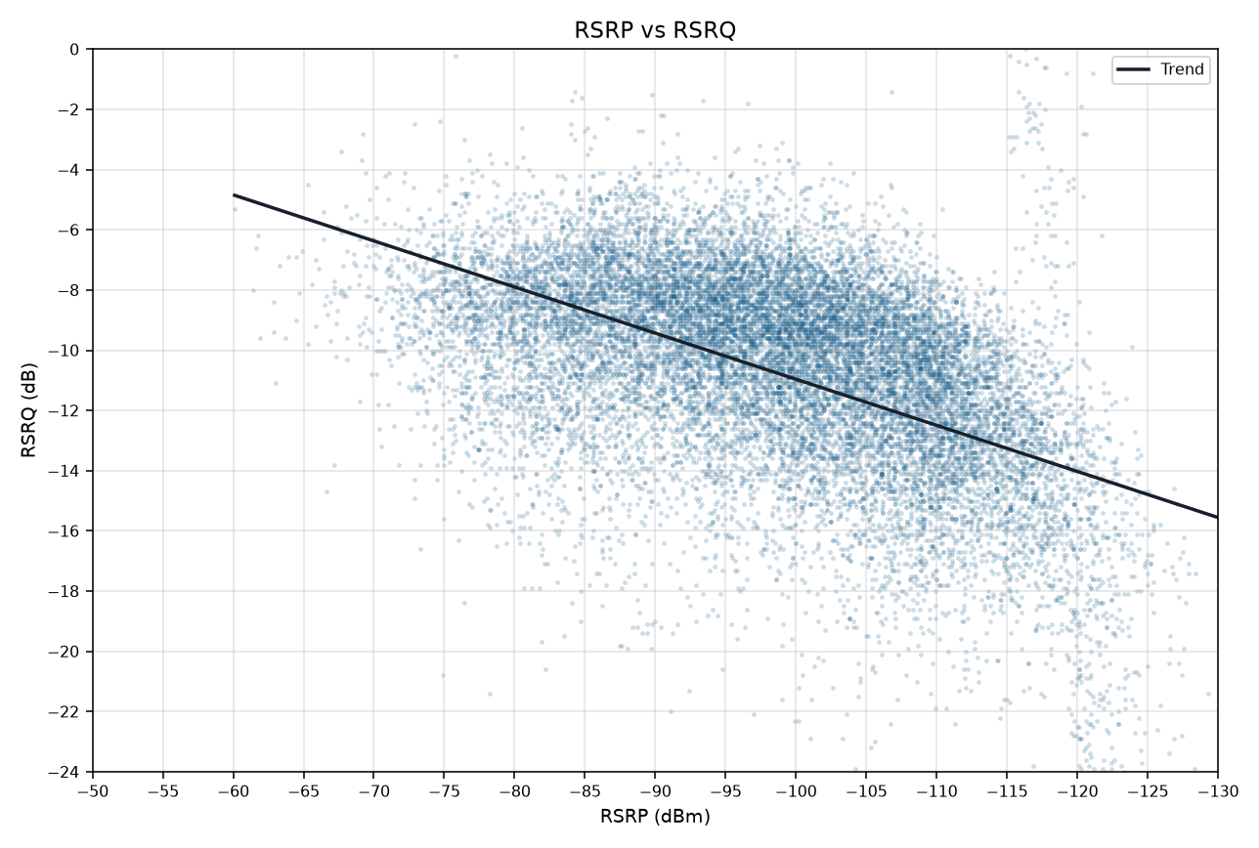
RSRP vs KPIs IDLE Mode
Merged P1+P2 | Smooth mean lines and scatter with trend | Gridlines off

RSRP vs SINR
RSRP vs RSRQ

RSRP vs SINR vs RSRQ

RSRP vs SINR scatter (trend line) | RSRP vs RSRQ scatter (trend line)

